Sheet1
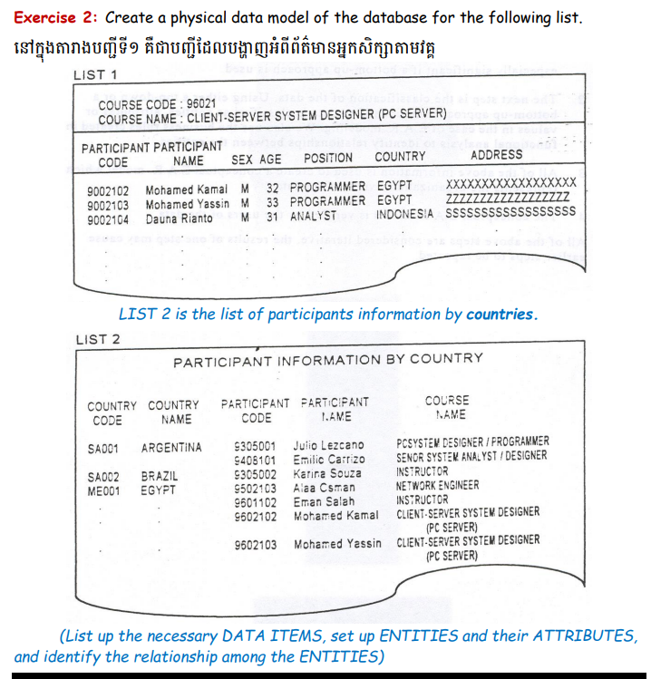
Country |  | Participant |  | Enrollment |  | Course
CountryCode | 1 | ParticipantCode | 1 | EnrollmentID | 1 | CourseCode
CountryName |  | ParticipantName | M | ParticipantCode |  | CourseName | 1. Identify Entity and Attribute
 |  | Sex |  | CourseCode | M |  | 2. Identify Synonym and Homonym
 |  | Age |  |  |  |  | 3. Identify Primary Key
 |  | Position |  |  |  |  | 4. Relationship
 |  | Address |  |  |  |  | 5. Identify Foreign Key
 | M | CountryCode

