Sheet1
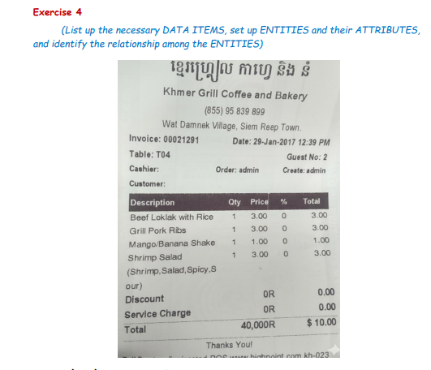
Employee | Invoice | Table | Product
EmpID | InvN.o | TableN.o | ProdID | 1. Identify Entity and Attribute
EmpName | InvDate |  | ProdName | 2. Identify Synonym and Homonym
Position | Qty_out |  | Price | 3. Identify Primary Key
 | Price_out |  |  | 4. Relationship
 | Discount |  |  | 5. Identify Foreign Key
 | Total

