Sheet1
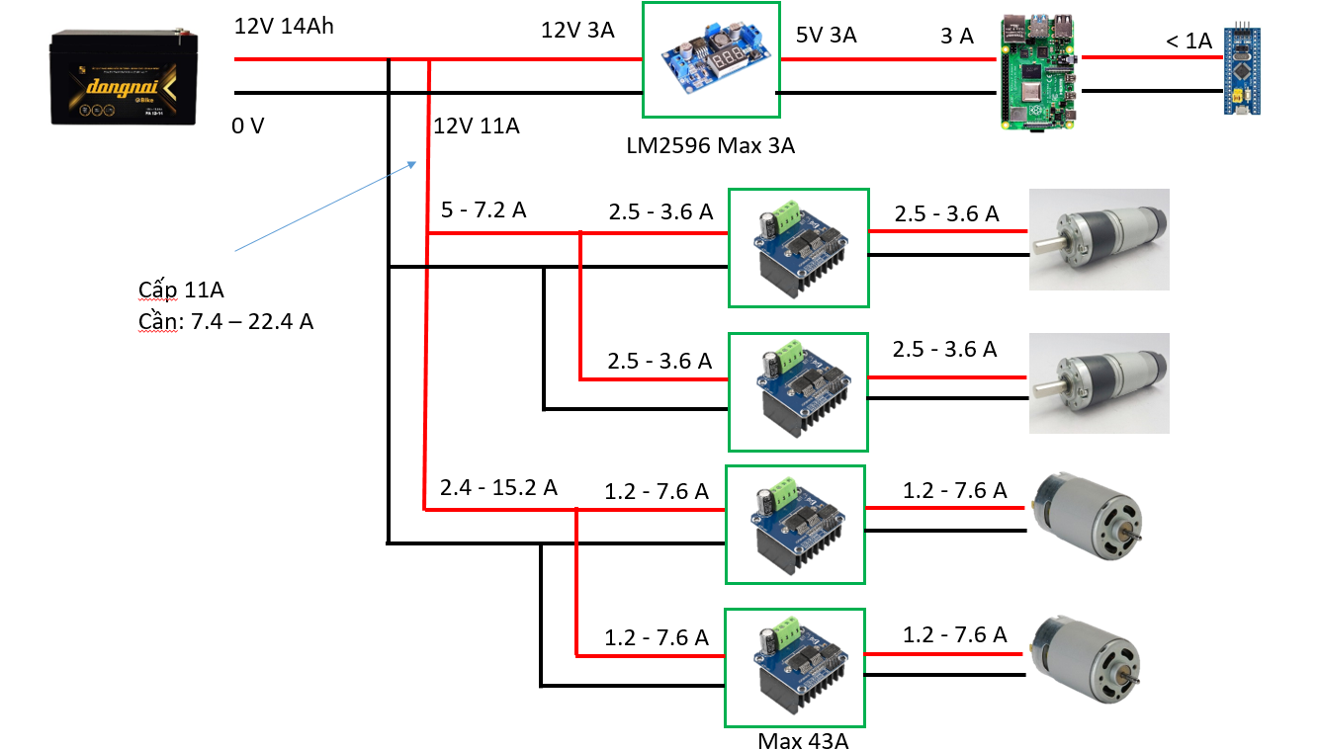
Power Supply | Buck DC-DC 5V 5A | STM32 | Raspberry | BTS7960 (L) - 550 | BTS7960 (R) - 550 | RS550 (L) | RS550 (R) | BTS7960 (L) - Planet | BTS7960 (R) -Planet | Planet (L) | Planet (R)
 |  | Micro USB | USB
 |  | 5V |  | VCC | VCC |  |  | VCC | VCC | HALL VCC | HALL VCC
 |  | GND |  | GND | GND |  |  | GND | GND | HALL GND | HALL GND
 |  | PA0 (PWM) |  | L_PWM
 |  | PA1 (PWM) |  | R_PWM
 |  | PA2 (PWM) |  |  | L_PWM
 |  | PA3 (PWM) |  |  | R_PWM
 |  | PA4 (Output) |  | R_EN, L_EN = 1
 |  | PA5 (Output) |  |  | R_EN, L_EN = 1
 |  | PA6 (Output) |  |  |  |  |  | R_EN, L_EN = 1
 |  | PA7 (Output) |  |  |  |  |  |  | R_EN, L_EN = 1
 |  | PA8 (PWM) |  |  |  |  |  | L_PWM
 |  | PA9 (PWM) |  |  |  |  |  | R_PWM = 0 | R_PWM = 0
 |  | PA10 (PWM) |  |  |  |  |  |  | L_PWM
 |  | PB3 (Rising/Falling - Pull up) |  |  |  |  |  |  |  | Ch A
 |  | PB4 (Rising/Falling - Pull up) |  |  |  |  |  |  |  | Ch B
 |  | PB5 (Rising/Falling - Pull up) |  |  |  |  |  |  |  |  | Ch A
 |  | PB6 (Rising/Falling - Pull up) |  |  |  |  |  |  |  |  | Ch B
12V | VIN+ |  |  | B+ | B+ |  |  | B+ | B+
GND | VIN- |  |  | B- | B- |  |  | B- | B-
 | USB |  | Micro USB
 |  |  |  | M+ |  | MOTOR+
 |  |  |  | M- |  | MOTOR-
 |  |  |  |  | M+ |  | MOTOR+
 |  |  |  |  | M- |  | MOTOR-

 |  |  |  |  |  |  |  | M+ |  | MOTOR+
 |  |  |  |  |  |  |  | M- |  | MOTOR-
 |  |  |  |  |  |  |  |  | M+ |  | MOTOR+
 |  |  |  |  |  |  |  |  | M- |  | MOTOR-
2 chân | 3 chân | 19 chân | 2 chân | 10 chân | 10 chân | 2 chân | 2 chân | 10 chân | 10 chân | 6 chân | 6 chân

