IS_Schedule_of_Projects
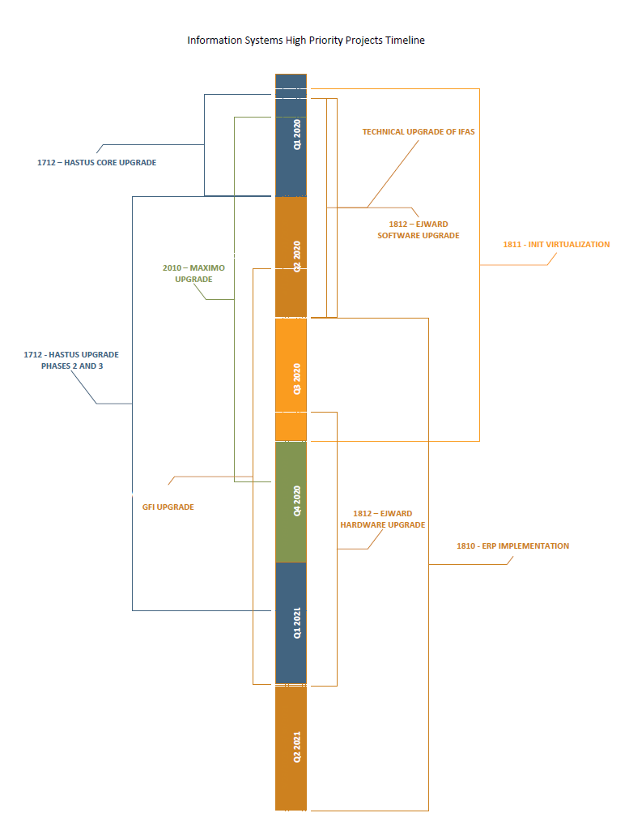
Projects | Summary of the Project | Start Date | End Date | Impacted Departments | IS Lead
1712 - Transit Scheduling System Upgrade- core upgrade | Upgrade of the Hastus application from version 2012 to 2018 and of the underlying infrastructure | In progress | Q1 2020 | Scheduling, Dispatch, Payroll | Barjinder Singh
OP - Technical Upgrade of IFAS | Central Square Technologies has informed the District that they will not continue to host or support IFAS beyond October 2020. This technical upgrade will provide stability to the IFAS system until the new ERP system is implemented. | Q1 2020 | Q2 2020 | Accounting, Payroll, Procurement, Capital & Grants, HR, Bus, Ferry | Robert Leece, Lisa Treat, Marcus Lo
1812 - EJ Ward Upgrade - Phase 1 software upgrade | Upgrade of the fueling system from version 2009 to 2019. Moving to a SaaS solution. | Q1 2020 | Q2 2020 | Bus Maintenance, Ferry Engineering, Bridge (non rev vehicles) | Marcus Lo
1811 - INIT Infrastructure Upgrade/ Virtualization | Virtualizing the underlying servers that the INIT applications because the current hardware is over 10yrs old | Q1 2020 | Q3 2020 | Dispatch, Bus Ops, Bus Maintenance | Tomasz Klys, Min Min Phyo
2010 - Asset Mgt. Strategic Program - Maximo upgraded | Upgrade of Maximo from version 7.5.0.8 to latest version 7.6. | Q1 2020 | Q4 2020 | Bus Maintenance, Procurement, Stores, Ferry Engineering | Lisa Treat, Marcus Lo
1712 - Transit Scheduling System Upgrade - Phase 2 and 3 | Implementation of new features and business process improvements to Hastus 2018 | Q2 2020 | Q1 2021 | Bus Maintenance, Procurement, Stores, Ferry Engineering | Barjinder Singh
CAP - GFI Upgrade | Upgrade of Farebox application from 2008 to latest version. Project will start with business process mapping of the fare structure and development of requirements | Q2 2020 | Q2 2021 | Planning, Bus Maintenance | Tony Scott, Ed Fong
1810 - Financial/ HR/ Payroll Mgmt Syst - Implementation | Replacement of the IFAS (accounting, payroll and HR) system. | Q3 2020 | Q2 2021 | Accounting, Payroll, Procurement, HR, Capital & Grants, | Robert Leece, Joshua Davis
1812 - EJWard upgrade - Phase 2, hardware upgrade | Upgrade of the fuel terminals and CANceivers | Q3 2020 | Q1 2021 | Bus Maintenance, Ferry Engineering, Bridge (non rev vehicles) | Marcus Lo
1816 - Document Management System - Phase 2 (scanned docs into OnBase) | Reducing the amount of paper documents stored in offices across the District by scanning and importing into OnBase. Working with 8 departments | In progress | Q1 2020 | DSO, Marketing, Bus Maintenance, Bus Training, Bus Operations, Capital & Grants, Bridge Managers, HR | Joshua Davis
2010 - Asset Mgt. Strategic Program - Maximo Strategic Roadmap | Maximo vendor working with the District to form a 'to-be' picture for the current version of Maximo V7.6. | In Progress | Q1 2020 | Maximo Users Group | Lisa Treat, Marcus Lo
2014 - IS Strategic Plan | 5 year strategic plan for the Information Systems Department | Q1 2020 | Q2 2020 | All Departments | Fang Lu
1816 - Document Management System - Phase 3 (day forward, workflow) | Establishing a process by which documents are digitally captured and stored in OnBase and can be easily retrieved to avoid the ongoing generation of paper documents | Q1 2020 | Q2 2020 | Bus Maintenance, Bus Training, HR | Joshua Davis
1810 - Financial/ HR/ Payroll Mgmt Syst - RFP Process | RFP process to select a vendor to replace the IFAS (accounting, payroll and HR) system | In progress | Q2 2020 | HR, Accounting, Payroll, Procurement | n/a
2010 - Asset Mgt. Strategic Program - Maximo expansion | Expand the utilization of Maximo to other departments, primarily Bridge. | Q4 2020 | TBD | Bus Maintenance, Procurement, Stores, Ferry Engineering | Lisa Treat, Marcus Lo
1813 Transportation Statistics Reporting | Replacement of the Transtat application. This could be a precursor to a District wide Business Intelligence strategy | TBD | TBD | Planning, Accounting | Tony Scott
OP - Ferry Network improvement and Security Cameras on Boats | Providing network and internet connectivity over the water for each ferry vessel. This is needed for new Verkada security cameras installed on the boats. | In progress | Q2 2020 | Ferry Engineering, Ferry Ops | Jeffrey DiGregorio
OP - SQL AOAG | Moving applications | In progress | Q2 2020 |  | Matt Dacquisto
OP - Bus On Time Performance Reporting | Statistical reporting on bus arrival and departure times. Data can be used by the BUS division to assess delays in bus trips, calculate the cost of each route etc. | In progress | Q2 2020 | Scheduling | Krystal Dong, Tony Clark, Min Min Phyo
OP - Capital & Grants Tool | Internally developed tool to help Capital & Grants team manage Grant allocation and usage, something that cannot be done in the IFAS application and is currently being done in unwieldly spreadsheets. | In progress | Q2 2020 | Capital & Grants | Robert Leece
OP - Road Supervisor Vehicle Tech upgrade | Upgrading the onboard laptops in the Road Supervisor cars | In progress | Q2 2020 | Bus Transportation Supervisors | Ed Fong
2012 Cloud Migration Initiative | Ongoing program to move certain parts of the District's network to the Cloud. | In progress | Q4 2020 | n/a | Ben Valdez
1911 - Cyber Security Improvements | Ongoing program of work to bolster the District's network and infrastructure against cyber security threats | In progress | on going | n/a | Ben Valdez, Tomasz Klys
2016 - Single Sign On | Implementing single sign on for all District enterprise systems. This will mean users will not need separate username and passwords for different applications. | In progress | on going | District | Joe Leong
2017 - Video Conferencing | Installation for video conferencing equipment in key District meeting rooms | In progress | Q4 2020 | District | Joe Leong

