資金回撤疊圖
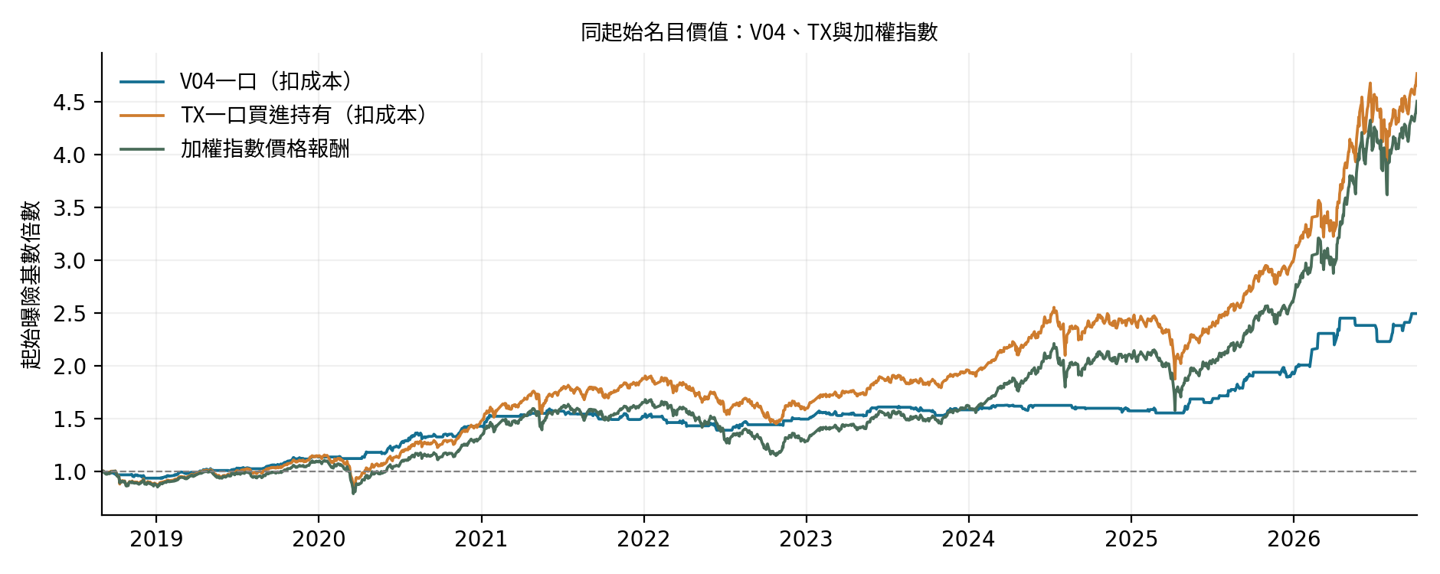
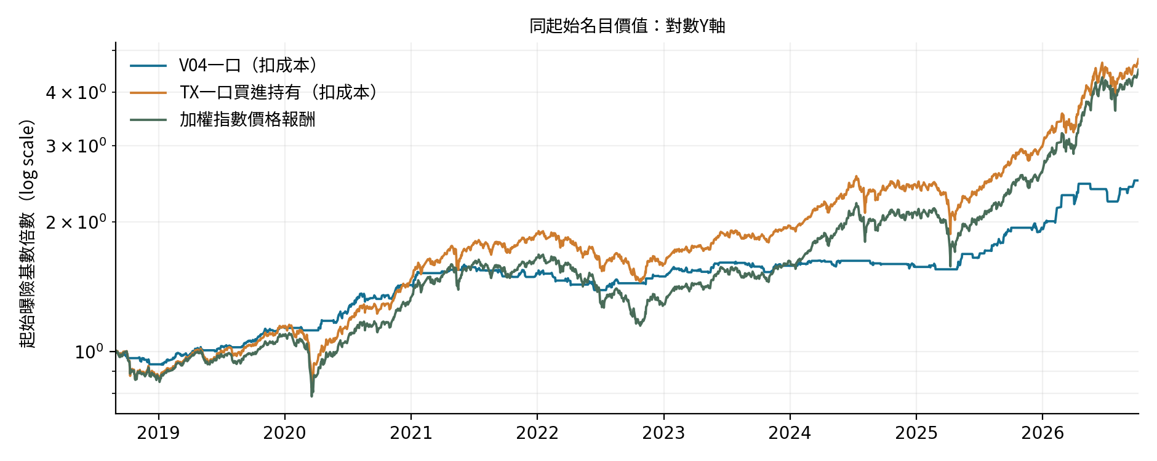
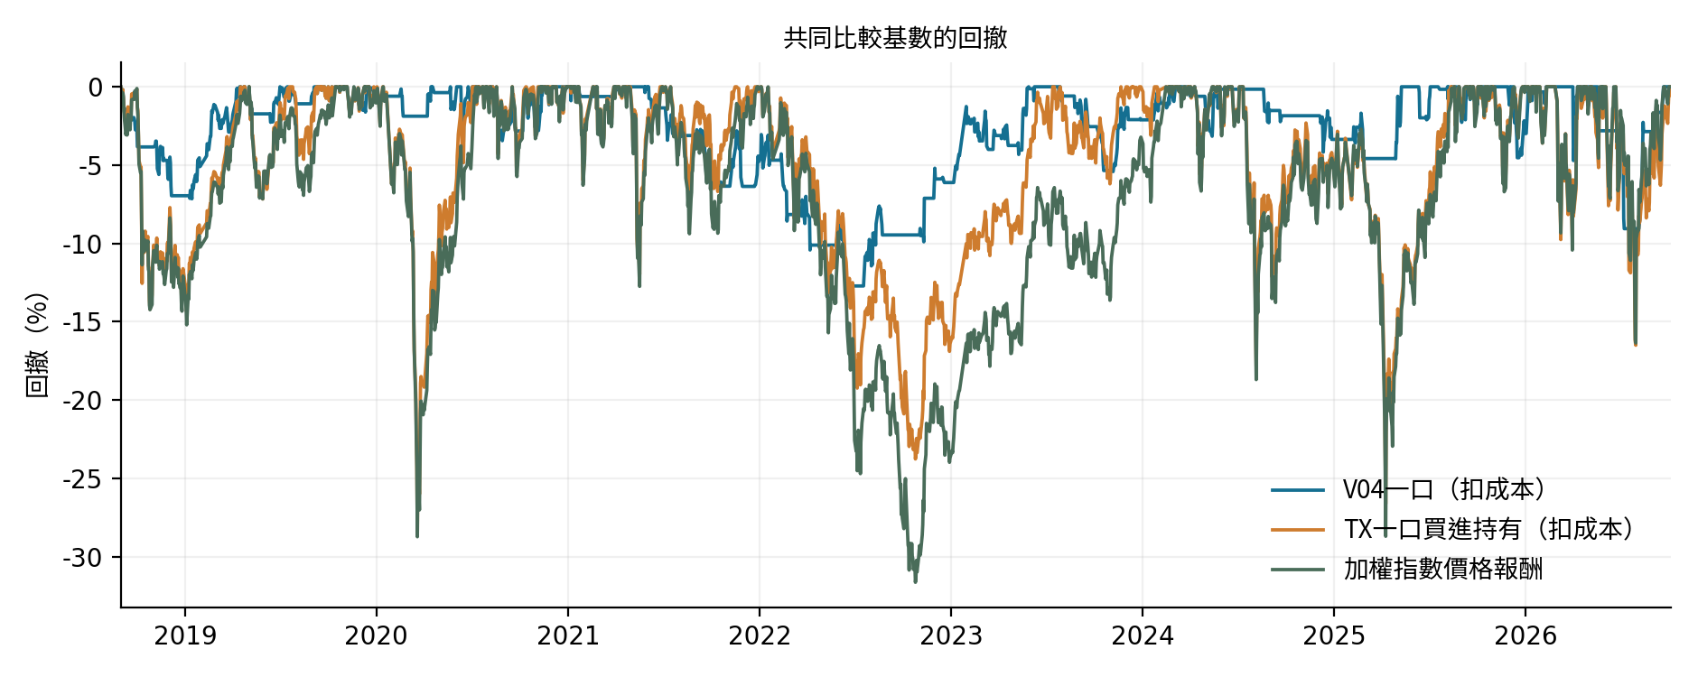
同期間、同本金、全部成本後；日末評價。線性與log-y資金曲線均保留。

