Sheet1
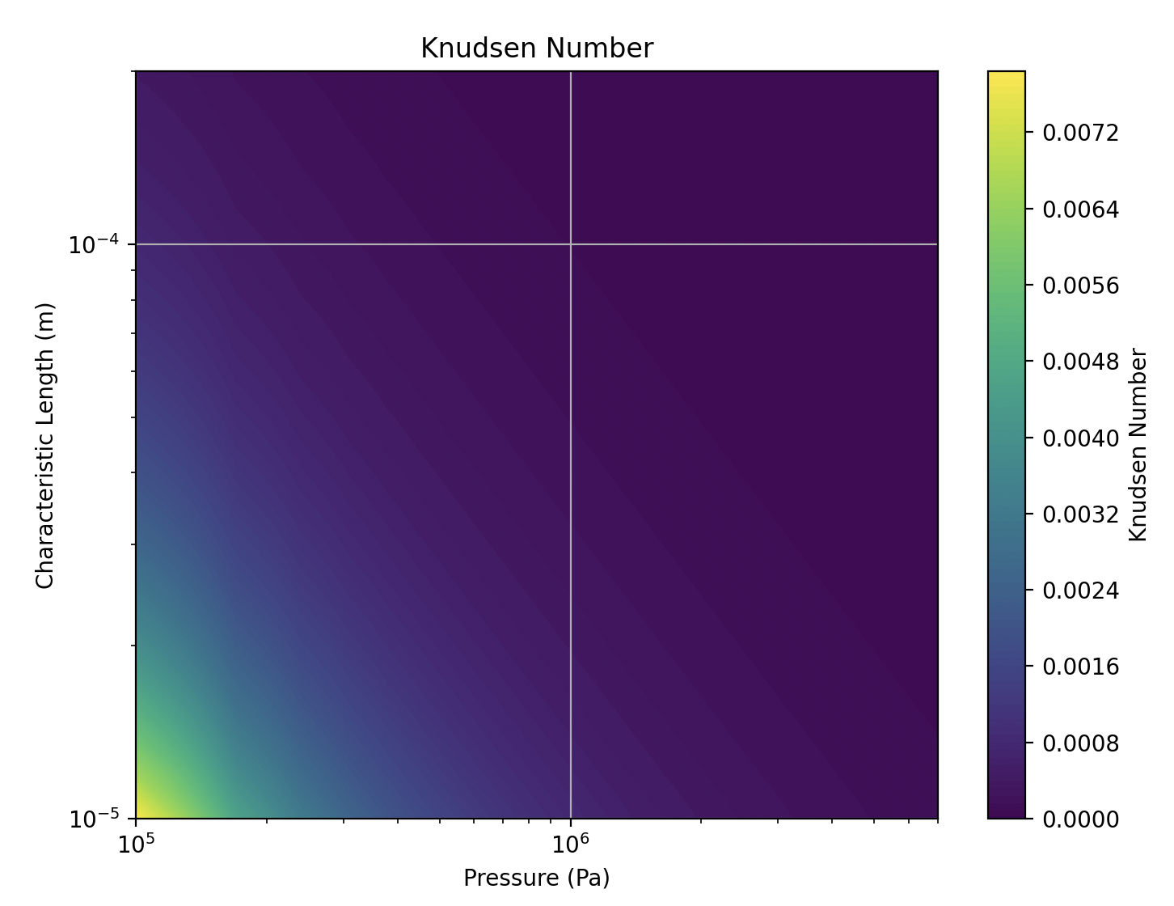

d_fuel | d_cladding | hydraulic_diameter | gap_thickness | Area | delta_p | fuel_length | air_viscosity | plenum_volume | decay_constant | time_scale | sensitivity_coefficient | equivalent_permeability | C_factor
0.00794 | 0.00824 | 0.0003 | 150 | 0.00010665330068 | 4198675 | 0.03176 | 0.0000181 | 6.4333270969E-06 | 225.7056752 | 0.022152743814 |  | 2.385945895E-10 | 2.362086436E-07
0.007943 | 0.00824 | 0.000297 | 148.5 | 0.00010665330068 | 4198675 | 0.03176 | 0.0000181 | 6.4333270969E-06 | 216.81197103 | 0.023061457244 | 4.10 | 2.2919301068E-10 | 2.2690108057E-07
0.007946 | 0.00824 | 0.000294 | 147 | 0.00010665330068 | 4198675 | 0.03176 | 0.0000181 | 6.4333270969E-06 | 208.18372834 | 0.024017246881 | 4.14 | 2.200720525E-10 | 2.1787133198E-07
0.007949 | 0.00824 | 0.000291 | 145.5 | 0.00010665330068 | 4198675 | 0.03176 | 0.0000181 | 6.4333270969E-06 | 199.81561143 | 0.02502306984 | 4.19 | 2.1122607459E-10 | 2.0911381384E-07
0.007952 | 0.00824 | 0.000288 | 144 | 0.00010665330068 | 4198675 | 0.03176 | 0.0000181 | 6.4333270969E-06 | 191.70233881 | 0.026082102238 | 4.23 | 2.0264949383E-10 | 2.0062299889E-07
0.007955 | 0.00824 | 0.000285 | 142.5 | 0.00010665330068 | 4198675 | 0.03176 | 0.0000181 | 6.4333270969E-06 | 183.83868311 | 0.027197757922 | 4.28 | 1.9433678436E-10 | 1.9239341652E-07
0.007958 | 0.00824 | 0.000282 | 141 | 0.00010665330068 | 4198675 | 0.03176 | 0.0000181 | 6.4333270969E-06 | 176.21947118 | 0.028373709026 | 4.32 | 1.8628247761E-10 | 1.8441965284E-07
0.007961 | 0.00824 | 0.000279 | 139.5 | 0.00010665330068 | 4198675 | 0.03176 | 0.0000181 | 6.4333270969E-06 | 168.839584 | 0.029613908548 | 4.37 | 1.7848116225E-10 | 1.7669635063E-07
0.007964 | 0.00824 | 0.000276 | 138 | 0.00010665330068 | 4198675 | 0.03176 | 0.0000181 | 6.4333270969E-06 | 161.69395675 | 0.030922615171 | 4.42 | 1.7092748421E-10 | 1.6921820937E-07
0.007967 | 0.00824 | 0.000273 | 136.5 | 0.00010665330068 | 4198675 | 0.03176 | 0.0000181 | 6.4333270969E-06 | 154.77757874 | 0.032304420579 | 4.47 | 1.636161467E-10 | 1.6197998523E-07
0.00797 | 0.00824 | 0.00027 | 135 | 0.00010665330068 | 4198675 | 0.03176 | 0.0000181 | 6.4333270969E-06 | 148.0854935 | 0.033764279551 | 4.52 | 1.5654191017E-10 | 1.5497649107E-07
0.007973 | 0.00824 | 0.000267 | 133.5 | 0.00010665330068 | 4198675 | 0.03176 | 0.0000181 | 6.4333270969E-06 | 141.61279869 | 0.035307543149 | 4.57 | 1.4969959236E-10 | 1.4820259643E-07
0.007976 | 0.00824 | 0.000264 | 132 | 0.00010665330068 | 4198675 | 0.03176 | 0.0000181 | 6.4333270969E-06 | 135.35464614 | 0.036939995356 | 4.62 | 1.4308406824E-10 | 1.4165322756E-07
0.007979 | 0.00824 | 0.000261 | 130.5 | 0.00010665330068 | 4198675 | 0.03176 | 0.0000181 | 6.4333270969E-06 | 129.30624189 | 0.038667893576 | 4.68 | 1.3669027008E-10 | 1.3532336738E-07
0.007982 | 0.00824 | 0.000258 | 129 | 0.00010665330068 | 4198675 | 0.03176 | 0.0000181 | 6.4333270969E-06 | 123.46284609 | 0.040498013436 | 4.73 | 1.3051318739E-10 | 1.2920805551E-07
0.007985 | 0.00824 | 0.000255 | 127.5 | 0.00010665330068 | 4198675 | 0.03176 | 0.0000181 | 6.4333270969E-06 | 117.81977312 | 0.042437698425 | 4.79 | 1.2454786693E-10 | 1.2330238827E-07
0.007988 | 0.00824 | 0.000252 | 126 | 0.00010665330068 | 4198675 | 0.03176 | 0.0000181 | 6.4333270969E-06 | 112.37239147 | 0.044494914938 | 4.85 | 1.1878941276E-10 | 1.1760151864E-07
0.007991 | 0.00824 | 0.000249 | 124.5 | 0.00010665330068 | 4198675 | 0.03176 | 0.0000181 | 6.4333270969E-06 | 107.11612385 | 0.046678313406 | 4.91 | 1.1323298617E-10 | 1.1210065631E-07
Estimation of time-scale for plenum depressurization using the analytical solution of Hagen-Poiseuille’s law, neglecting gas compressibility
and assuming all the flow is occurring through the gap:
$$\frac{dV}{dt} =−\frac{D_{h}^{4}}{128 μ}\frac{ \left(P_{in}−P_{out}\right)}{L}$$
$$∆P= {∆P}_{o}exp⁡(−\frac{{{{(D}_{clad}−D_{fuel})}^{4}π∆P}_{o}}{4∙128 μ L V}t)$$
$$time−scale → τ=5∙\frac{128 μ L V}{{D_{h}^{4} ∆P}_{o}}$$
0.007994 | 0.00824 | 0.000246 | 123 | 0.00010665330068 | 4198675 | 0.03176 | 0.0000181 | 6.4333270969E-06 | 102.04644711 | 0.048997296245 | 4.97 | 1.0787380573E-10 | 1.0679506767E-07
0.007997 | 0.00824 | 0.000243 | 121.5 | 0.00010665330068 | 4198675 | 0.03176 | 0.0000181 | 6.4333270969E-06 | 97.158892285 | 0.051462093509 | 5.03 | 1.0270714726E-10 | 1.0168007579E-07
0.008 | 0.00824 | 0.00024 | 120 | 0.00010665330068 | 4198675 | 0.03176 | 0.0000181 | 6.4333270969E-06 | 92.449044563 | 0.054083847201 | 5.09 | 9.7728343859E-11 | 9.675106042E-08
0.008003 | 0.00824 | 0.000237 | 118.5 | 0.00010665330068 | 4198675 | 0.03176 | 0.0000181 | 6.4333270969E-06 | 87.912543313 | 0.056874705379 | 5.16 | 9.2932785872E-11 | 9.2003458013E-08
0.008006 | 0.00824 | 0.000234 | 117 | 0.00010665330068 | 4198675 | 0.03176 | 0.0000181 | 6.4333270969E-06 | 83.545082071 | 0.059847927323 | 5.23 | 8.8315920916E-11 | 8.7432761707E-08
0.008009 | 0.00824 | 0.000231 | 115.5 | 0.00010665330068 | 4198675 | 0.03176 | 0.0000181 | 6.4333270969E-06 | 79.342408543 | 0.063018001241 | 5.30 | 8.3873253871E-11 | 8.3034521332E-08
0.008012 | 0.00824 | 0.000228 | 114 | 0.00010665330068 | 4198675 | 0.03176 | 0.0000181 | 6.4333270969E-06 | 75.300324603 | 0.066400776177 | 5.37 | 7.9600346875E-11 | 7.8804343407E-08
0.008015 | 0.00824 | 0.000225 | 112.5 | 0.00010665330068 | 4198675 | 0.03176 | 0.0000181 | 6.4333270969E-06 | 71.414686294 | 0.070013610077 | 5.44 | 7.5492819334E-11 | 7.473789114E-08
0.008018 | 0.00824 | 0.000222 | 111 | 0.00010665330068 | 4198675 | 0.03176 | 0.0000181 | 6.4333270969E-06 | 67.681403831 | 0.073875536218 | 5.52 | 7.1546347912E-11 | 7.0830884433E-08
0.008021 | 0.00824 | 0.000219 | 109.5 | 0.00010665330068 | 4198675 | 0.03176 | 0.0000181 | 6.4333270969E-06 | 64.096441594 | 0.078007450579 | 5.59 | 6.7756666539E-11 | 6.7079099874E-08
0.008024 | 0.00824 | 0.000216 | 108 | 0.00010665330068 | 4198675 | 0.03176 | 0.0000181 | 6.4333270969E-06 | 60.655818138 | 0.082432323123 | 5.67 | 6.4119566406E-11 | 6.3478370742E-08
0.008027 | 0.00824 | 0.000213 | 106.5 | 0.00010665330068 | 4198675 | 0.03176 | 0.0000181 | 6.4333270969E-06 | 57.355606181 | 0.08717543642 | 5.75 | 6.0630895967E-11 | 6.0024587007E-08
0.00803 | 0.00824 | 0.00021 | 105 | 0.00010665330068 | 4198675 | 0.03176 | 0.0000181 | 6.4333270969E-06 | 54.191932616 | 0.092264655616 | 5.84 | 5.7286560939E-11 | 5.6713695329E-08
0.008033 | 0.00824 | 0.000207 | 103.5 | 0.00010665330068 | 4198675 | 0.03176 | 0.0000181 | 6.4333270969E-06 | 51.160978502 | 0.097730734369 | 5.92 | 5.4082524301E-11 | 5.3541699058E-08
0.008036 | 0.00824 | 0.000204 | 102 | 0.00010665330068 | 4198675 | 0.03176 | 0.0000181 | 6.4333270969E-06 | 48.258979068 | 0.10360766217 | 6.01 | 5.1014806297E-11 | 5.0504658234E-08
0.008039 | 0.00824 | 0.000201 | 100.5 | 0.00010665330068 | 4198675 | 0.03176 | 0.0000181 | 6.4333270969E-06 | 45.482223714 | 0.10993305937 | 6.11 | 4.807948443E-11 | 4.7598689585E-08
0.008042 | 0.00824 | 0.000198 | 99 | 0.00010665330068 | 4198675 | 0.03176 | 0.0000181 | 6.4333270969E-06 | 42.827056007 | 0.1167486273 | 6.20 | 4.5272693468E-11 | 4.4819966533E-08
0.008045 | 0.00824 | 0.000195 | 97.5 | 0.00010665330068 | 4198675 | 0.03176 | 0.0000181 | 6.4333270969E-06 | 40.289873684 | 0.1241006621 | 6.30 | 4.2590625442E-11 | 4.2164719187E-08
0.008048 | 0.00824 | 0.000192 | 96 | 0.00010665330068 | 4198675 | 0.03176 | 0.0000181 | 6.4333270969E-06 | 37.867128653 | 0.13204064258 | 6.40 | 4.0029529645E-11 | 3.9629234348E-08
0.008051 | 0.00824 | 0.000189 | 94.5 | 0.00010665330068 | 4198675 | 0.03176 | 0.0000181 | 6.4333270969E-06 | 35.555326989 | 0.140625904 | 6.50 | 3.7585712632E-11 | 3.7209855506E-08
0.008054 | 0.00824 | 0.000186 | 93 | 0.00010665330068 | 4198675 | 0.03176 | 0.0000181 | 6.4333270969E-06 | 33.351028939 | 0.14992041203 | 6.61 | 3.5255538222E-11 | 3.490298284E-08
0.008057 | 0.00824 | 0.000183 | 91.5 | 0.00010665330068 | 4198675 | 0.03176 | 0.0000181 | 6.4333270969E-06 | 31.250848916 | 0.15999565367 | 6.72 | 3.3035427497E-11 | 3.2705073222E-08
0.00806 | 0.00824 | 0.00018 | 90 | 0.00010665330068 | 4198675 | 0.03176 | 0.0000181 | 6.4333270969E-06 | 29.251455506 | 0.17093166523 | 6.84 | 3.0921858799E-11 | 3.0612640211E-08
0.008063 | 0.00824 | 0.000177 | 88.5 | 0.00010665330068 | 4198675 | 0.03176 | 0.0000181 | 6.4333270969E-06 | 27.349571462 | 0.18281822101 | 6.95 | 2.8911367736E-11 | 2.8622254059E-08
0.008066 | 0.00824 | 0.000174 | 87 | 0.00010665330068 | 4198675 | 0.03176 | 0.0000181 | 6.4333270969E-06 | 25.541973706 | 0.19575621123 | 7.08 | 2.7000547177E-11 | 2.6730541705E-08
0.008069 | 0.00824 | 0.000171 | 85.5 | 0.00010665330068 | 4198675 | 0.03176 | 0.0000181 | 6.4333270969E-06 | 23.825493331 | 0.20985924323 | 7.20 | 2.5186047254E-11 | 2.4934186781E-08
0.008072 | 0.00824 | 0.000168 | 84 | 0.00010665330068 | 4198675 | 0.03176 | 0.0000181 | 6.4333270969E-06 | 22.1970156 | 0.22525550688 | 7.34 | 2.3464575361E-11 | 2.3229929607E-08
0.008075 | 0.00824 | 0.000165 | 82.5 | 0.00010665330068 | 4198675 | 0.03176 | 0.0000181 | 6.4333270969E-06 | 20.653479941 | 0.24208995357 | 7.47 | 2.1832896155E-11 | 2.1614567194E-08
0.008078 | 0.00824 | 0.000162 | 81 | 0.00010665330068 | 4198675 | 0.03176 | 0.0000181 | 6.4333270969E-06 | 19.191879958 | 0.26052684839 | 7.62 | 2.0287831558E-11 | 2.0084953243E-08
0.008081 | 0.00824 | 0.000159 | 79.5 | 0.00010665330068 | 4198675 | 0.03176 | 0.0000181 | 6.4333270969E-06 | 17.809263418 | 0.28075276797 | 7.76 | 1.8826260751E-11 | 1.8637998144E-08
0.008084 | 0.00824 | 0.000156 | 78 | 0.00010665330068 | 4198675 | 0.03176 | 0.0000181 | 6.4333270969E-06 | 16.502732261 | 0.30298013207 | 7.92 | 1.7445120181E-11 | 1.7270668979E-08
0.008087 | 0.00824 | 0.000153 | 76.5 | 0.00010665330068 | 4198675 | 0.03176 | 0.0000181 | 6.4333270969E-06 | 15.269442596 | 0.32745137674 | 8.08 | 1.6141403555E-11 | 1.5979989519E-08
0.00809 | 0.00824 | 0.00015 | 75 | 0.00010665330068 | 4198675 | 0.03176 | 0.0000181 | 6.4333270969E-06 | 14.1066047 | 0.35444390102 | 8.24 | 1.4912161844E-11 | 1.4763040225E-08
0.008093 | 0.00824 | 0.000147 | 73.5 | 0.00010665330068 | 4198675 | 0.03176 | 0.0000181 | 6.4333270969E-06 | 13.011483021 | 0.38427595009 | 8.42 | 1.3754503281E-11 | 1.3616958249E-08
0.008096 | 0.00824 | 0.000144 | 72 | 0.00010665330068 | 4198675 | 0.03176 | 0.0000181 | 6.4333270969E-06 | 11.981396175 | 0.41731363581 | 8.60 | 1.2665593364E-11 | 1.253893743E-08
0.008099 | 0.00824 | 0.000141 | 70.5 | 0.00010665330068 | 4198675 | 0.03176 | 0.0000181 | 6.4333270969E-06 | 11.013716949 | 0.45397934442 | 8.79 | 1.1642654851E-11 | 1.1526228302E-08
0.008102 | 0.00824 | 0.000138 | 69 | 0.00010665330068 | 4198675 | 0.03176 | 0.0000181 | 6.4333270969E-06 | 10.105872297 | 0.49476184274 | 8.98 | 1.0682967763E-11 | 1.0576138086E-08
0.008105 | 0.00824 | 0.000135 | 67.5 | 0.00010665330068 | 4198675 | 0.03176 | 0.0000181 | 6.4333270969E-06 | 9.2553433437 | 0.54022847282 | 9.19 | 9.7838693857E-12 | 9.6860306918E-09
0.008108 | 0.00824 | 0.000132 | 66 | 0.00010665330068 | 4198675 | 0.03176 | 0.0000181 | 6.4333270969E-06 | 8.459665384 | 0.5910399257 | 9.41 | 8.9427542653E-12 | 8.8533267226E-09
0.008111 | 0.00824 | 0.000129 | 64.5 | 0.00010665330068 | 4198675 | 0.03176 | 0.0000181 | 6.4333270969E-06 | 7.7164278809 | 0.64796821498 | 9.63 | 8.1570742118E-12 | 8.0755034696E-09
0.008114 | 0.00824 | 0.000126 | 63 | 0.00010665330068 | 4198675 | 0.03176 | 0.0000181 | 6.4333270969E-06 | 7.023274467 | 0.71191863902 | 9.87 | 7.4243382977E-12 | 7.3500949147E-09
0.008117 | 0.00824 | 0.000123 | 61.5 | 0.00010665330068 | 4198675 | 0.03176 | 0.0000181 | 6.4333270969E-06 | 6.3779029446 | 0.78395673992 | 10.12 | 6.7421128582E-12 | 6.6746917296E-09
0.00812 | 0.00824 | 0.00012 | 60 | 0.00010665330068 | 4198675 | 0.03176 | 0.0000181 | 6.4333270969E-06 | 5.7780652852 | 0.86534155521 | 10.38 | 6.1080214912E-12 | 6.0469412763E-09
0.008123 | 0.00824 | 0.000117 | 58.5 | 0.00010665330068 | 4198675 | 0.03176 | 0.0000181 | 6.4333270969E-06 | 5.2215676294 | 0.95756683717 | 10.66 | 5.5197450573E-12 | 5.4645476067E-09
0.008126 | 0.00824 | 0.000114 | 57 | 0.00010665330068 | 4198675 | 0.03176 | 0.0000181 | 6.4333270969E-06 | 4.7062702877 | 1.0624124188 | 10.95 | 4.9750216797E-12 | 4.9252714629E-09
0.008129 | 0.00824 | 0.000111 | 55.5 | 0.00010665330068 | 4198675 | 0.03176 | 0.0000181 | 6.4333270969E-06 | 4.2300877394 | 1.1820085795 | 11.26 | 4.4716467445E-12 | 4.4269302771E-09
0.008132 | 0.00824 | 0.000108 | 54 | 0.00010665330068 | 4198675 | 0.03176 | 0.0000181 | 6.4333270969E-06 | 3.7909886336 | 1.31891717 | 11.58 | 4.0074729004E-12 | 3.9673981714E-09
0.008135 | 0.00824 | 0.000105 | 52.5 | 0.00010665330068 | 4198675 | 0.03176 | 0.0000181 | 6.4333270969E-06 | 3.3869957885 | 1.4762344899 | 11.93 | 3.5804100587E-12 | 3.5446059581E-09
0.008138 | 0.00824 | 0.000102 | 51 | 0.00010665330068 | 4198675 | 0.03176 | 0.0000181 | 6.4333270969E-06 | 3.0161861918 | 1.6577225947 | 12.29 | 3.1884253935E-12 | 3.1565411396E-09
0.008141 | 0.00824 | 0.000099 | 49.5 | 0.00010665330068 | 4198675 | 0.03176 | 0.0000181 | 6.4333270969E-06 | 2.6766910004 | 1.8679780368 | 12.68 | 2.8295433417E-12 | 2.8012479083E-09
0.008144 | 0.00824 | 0.000096 | 48 | 0.00010665330068 | 4198675 | 0.03176 | 0.0000181 | 6.4333270969E-06 | 2.3666955408 | 2.1126502813 | 13.10 | 2.5018456028E-12 | 2.4768271468E-09
0.008147 | 0.00824 | 0.000093 | 46.5 | 0.00010665330068 | 4198675 | 0.03176 | 0.0000181 | 6.4333270969E-06 | 2.0844393087 | 2.3987265924 | 13.54 | 2.2034711389E-12 | 2.1814364275E-09
0.00815 | 0.00824 | 0.00009 | 45 | 0.00010665330068 | 4198675 | 0.03176 | 0.0000181 | 6.4333270969E-06 | 1.8282159691 | 2.7349066436 | 14.01 | 1.9326161749E-12 | 1.9132900132E-09
0.008153 | 0.00824 | 0.000087 | 43.5 | 0.00010665330068 | 4198675 | 0.03176 | 0.0000181 | 6.4333270969E-06 | 1.5963733566 | 3.1320993797 | 14.52 | 1.6875341986E-12 | 1.6706588566E-09
0.008156 | 0.00824 | 0.000084 | 42 | 0.00010665330068 | 4198675 | 0.03176 | 0.0000181 | 6.4333270969E-06 | 1.387313475 | 3.60408811 | 15.07 | 1.46653596E-12 | 1.4518706004E-09
0.008159 | 0.00824 | 0.000081 | 40.5 | 0.00010665330068 | 4198675 | 0.03176 | 0.0000181 | 6.4333270969E-06 | 1.1994924974 | 4.1684295742 | 15.66 | 1.2679894724E-12 | 1.2553095777E-09
0.008162 | 0.00824 | 0.000078 | 39 | 0.00010665330068 | 4198675 | 0.03176 | 0.0000181 | 6.4333270969E-06 | 1.0314207663 | 4.8476821132 | 16.30 | 1.0903200113E-12 | 1.0794168112E-09
0.008165 | 0.00824 | 0.000075 | 37.5 | 0.00010665330068 | 4198675 | 0.03176 | 0.0000181 | 6.4333270969E-06 | 0.88166279376 | 5.6711024162 | 16.99 | 9.3201011523E-13 | 9.2269001408E-10
0.008168 | 0.00824 | 0.000072 | 36 | 0.00010665330068 | 4198675 | 0.03176 | 0.0000181 | 6.4333270969E-06 | 0.74883726096 | 6.6770181729 | 17.74 | 7.9159958526E-13 | 7.8368358941E-10
0.008171 | 0.00824 | 0.000069 | 34.5 | 0.00010665330068 | 4198675 | 0.03176 | 0.0000181 | 6.4333270969E-06 | 0.63161701854 | 7.9161894838 | 18.56 | 6.676854852E-13 | 6.6100863035E-10
0.008174 | 0.00824 | 0.000066 | 33 | 0.00010665330068 | 4198675 | 0.03176 | 0.0000181 | 6.4333270969E-06 | 0.5287290865 | 9.4566388112 | 19.46 | 5.5892214158E-13 | 5.5333292016E-10
0.008177 | 0.00824 | 0.000063 | 31.5 | 0.00010665330068 | 4198675 | 0.03176 | 0.0000181 | 6.4333270969E-06 | 0.43895465419 | 11.390698224 | 20.45 | 4.6402114361E-13 | 4.5938093217E-10
0.00818 | 0.00824 | 0.00006 | 30 | 0.00010665330068 | 4198675 | 0.03176 | 0.0000181 | 6.4333270969E-06 | 0.36112908032 | 13.845464883 | 21.55 | 3.817513432E-13 | 3.7793382977E-10
0.008183 | 0.00824 | 0.000057 | 28.5 | 0.00010665330068 | 4198675 | 0.03176 | 0.0000181 | 6.4333270969E-06 | 0.29414189298 | 16.998598701 | 22.77 | 3.1093885498E-13 | 3.0782946643E-10
0.008186 | 0.00824 | 0.000054 | 27 | 0.00010665330068 | 4198675 | 0.03176 | 0.0000181 | 6.4333270969E-06 | 0.2369367896 | 21.102674719 | 24.14 | 2.5046705627E-13 | 2.4796238571E-10
0.008189 | 0.00824 | 0.000051 | 25.5 | 0.00010665330068 | 4198675 | 0.03176 | 0.0000181 | 6.4333270969E-06 | 0.18851163699 | 26.523561516 | 25.69 | 1.992765871E-13 | 1.9728382123E-10
0.008192 | 0.00824 | 0.000048 | 24 | 0.00010665330068 | 4198675 | 0.03176 | 0.0000181 | 6.4333270969E-06 | 0.1479184713 | 33.8024045 | 27.44 | 1.5636535017E-13 | 1.5480169667E-10
0.008195 | 0.00824 | 0.000045 | 22.5 | 0.00010665330068 | 4198675 | 0.03176 | 0.0000181 | 6.4333270969E-06 | 0.11426349807 | 43.758506298 | 29.45 | 1.2078851093E-13 | 1.1958062583E-10
0.008198 | 0.00824 | 0.000042 | 21 | 0.00010665330068 | 4198675 | 0.03176 | 0.0000181 | 6.4333270969E-06 | 0.086707092186 | 57.66540976 | 31.78 | 9.1658497502E-14 | 9.0741912527E-11
0.008201 | 0.00824 | 0.000039 | 19.5 | 0.00010665330068 | 4198675 | 0.03176 | 0.0000181 | 6.4333270969E-06 | 0.064463797895 | 77.56291381 | 34.51 | 6.8145000707E-14 | 6.74635507E-11
0.008204 | 0.00824 | 0.000036 | 18 | 0.00010665330068 | 4198675 | 0.03176 | 0.0000181 | 6.4333270969E-06 | 0.04680232881 | 106.83229077 | 37.74 | 4.9474974079E-14 | 4.8980224338E-11
0.008207 | 0.00824 | 0.000033 | 16.5 | 0.00010665330068 | 4198675 | 0.03176 | 0.0000181 | 6.4333270969E-06 | 0.033045567906 | 151.30622098 | 41.63 | 3.4932633849E-14 | 3.458330751E-11
0.00821 | 0.00824 | 0.00003 | 15 | 0.00010665330068 | 4198675 | 0.03176 | 0.0000181 | 6.4333270969E-06 | 0.02257056752 | 221.52743813 | 46.41 | 2.385945895E-14 | 2.3620864361E-11
0.008213 | 0.00824 | 0.000027 | 13.5 | 0.00010665330068 | 4198675 | 0.03176 | 0.0000181 | 6.4333270969E-06 | 0.01480854935 | 337.64279551 | 52.42 | 1.5654191017E-14 | 1.5497649107E-11
0.008216 | 0.00824 | 0.000024 | 12 | 0.00010665330068 | 4198675 | 0.03176 | 0.0000181 | 6.4333270969E-06 | 0.0092449044563 | 540.83847201 | 60.18 | 9.772834386E-15 | 9.6751060421E-12
0.008219 | 0.00824 | 0.000021 | 10.5 | 0.00010665330068 | 4198675 | 0.03176 | 0.0000181 | 6.4333270969E-06 | 0.0054191932616 | 922.64655616 | 70.60 | 5.7286560939E-15 | 5.671369533E-12
0.008222 | 0.00824 | 0.000018 | 9 | 0.00010665330068 | 4198675 | 0.03176 | 0.0000181 | 6.4333270969E-06 | 0.0029251455506 | 1709.3166523 | 85.26 | 3.0921858799E-15 | 3.0612640211E-12
0.008225 | 0.00824 | 0.000015 | 7.5 | 0.00010665330068 | 4198675 | 0.03176 | 0.0000181 | 6.4333270969E-06 | 0.00141066047 | 3544.4390101 | 107.36 | 1.4912161844E-15 | 1.4763040225E-12
0.008228 | 0.00824 | 0.000012 | 6 | 0.00010665330068 | 4198675 | 0.03176 | 0.0000181 | 6.4333270969E-06 | 0.00057780652853 | 8653.415552 | 144.14 | 6.1080214913E-16 | 6.0469412764E-13

time | pressure
0 | 430000
1 | 313225.06381
2 | 237939.09307
3 | 189401.47384
4 | 158108.78467
5 | 137934.0746
6 | 124927.23699
7 | 116541.59854
8 | 111135.29346
9 | 107649.79443
10 | 105402.6583
11 | 103953.90714
12 | 103019.88276
13 | 102417.70789
14 | 102029.47972
15 | 101779.18513
16 | 101617.8177
17 | 101513.7825
18 | 101446.70997
19 | 101403.46764
20 | 101375.58887
21 | 101357.61515
22 | 101346.02732
23 | 101338.55652
24 | 101333.74002
25 | 101330.63478
26 | 101328.6328
27 | 101327.3421
28 | 101326.50998
29 | 101325.9735
30 | 101325.62762
31 | 101325.40464
32 | 101325.26087
33 | 101325.16819
34 | 101325.10843
35 | 101325.06991
36 | 101325.04507
37 | 101325.02906
38 | 101325.01873
39 | 101325.01208
40 | 101325.00779

Sheet2
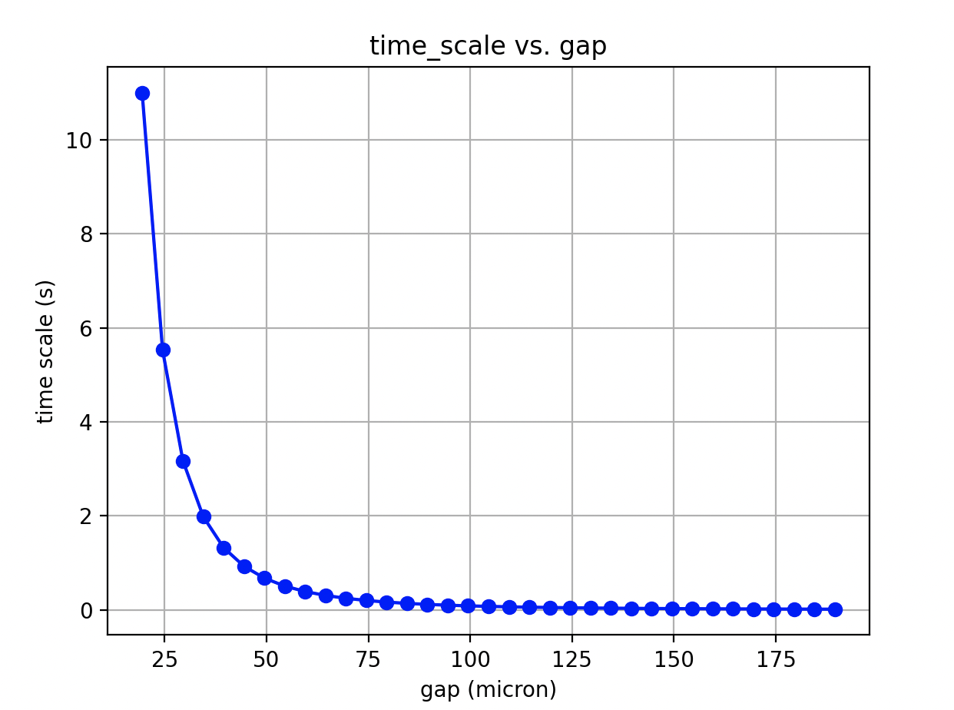
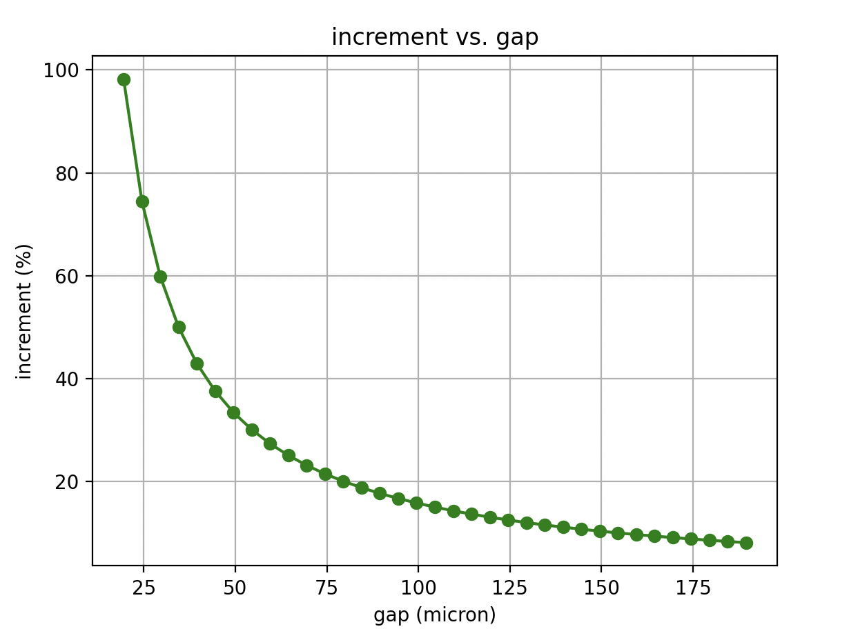

Estimation of time-scale for plenum depressurization using the analytical solution of Hagen-Poiseuille’s law
(assuming all the flow is occurring through the gap):
$$\frac{dV}{dt} =−\frac{D_{h}^{2}A}{128 μ}\frac{ \left(P_{in}−P_{out}\right)}{L}$$
$$∆P= {∆P}_{o}exp⁡(−\frac{{{{(D}_{clad}−D_{fuel})}^{2}π({D_{clad}}^{2}−{D_{fuel}}^{2})∆P}_{o}}{4∙128 μ L V}t)$$
$$time−scale → τ=5∙\frac{128 μ L V}{{D_{h}^{2}A ∆P}_{o}}$$

d_fuel | 0.00794 | 0.007941 | 0.007942 | 0.007943 | 0.007944 | 0.007945 | 0.007946 | 0.007947 | 0.007948 | 0.007949 | 0.00795 | 0.007951 | 0.007952 | 0.007953 | 0.007954 | 0.007955 | 0.007956 | 0.007957 | 0.007958 | 0.007959 | 0.00796 | 0.007961 | 0.007962 | 0.007963 | 0.007964 | 0.007965 | 0.007966 | 0.007967 | 0.007968 | 0.007969 | 0.00797
d_cladding | 0.00824 | 0.00824 | 0.00824 | 0.00824 | 0.00824 | 0.00824 | 0.00824 | 0.00824 | 0.00824 | 0.00824 | 0.00824 | 0.00824 | 0.00824 | 0.00824 | 0.00824 | 0.00824 | 0.00824 | 0.00824 | 0.00824 | 0.00824 | 0.00824 | 0.00824 | 0.00824 | 0.00824 | 0.00824 | 0.00824 | 0.00824 | 0.00824 | 0.00824 | 0.00824 | 0.00824
hydraulic_diameter | 0.0003 | 0.000299 | 0.000298 | 0.000297 | 0.000296 | 0.000295 | 0.000294 | 0.000293 | 0.000292 | 0.000291 | 0.00029 | 0.000289 | 0.000288 | 0.000287 | 0.000286 | 0.000285 | 0.000284 | 0.000283 | 0.000282 | 0.000281 | 0.00028 | 0.000279 | 0.000278 | 0.000277 | 0.000276 | 0.000275 | 0.000274 | 0.000273 | 0.000272 | 0.000271 | 0.00027
delta_p | 6898675 | 6898675 | 6898675 | 6898675 | 6898675 | 6898675 | 6898675 | 6898675 | 6898675 | 6898675 | 6898675 | 6898675 | 6898675 | 6898675 | 6898675 | 6898675 | 6898675 | 6898675 | 6898675 | 6898675 | 6898675 | 6898675 | 6898675 | 6898675 | 6898675 | 6898675 | 6898675 | 6898675 | 6898675 | 6898675 | 6898675
fuel_length | 3.96 | 3.96 | 3.96 | 3.96 | 3.96 | 3.96 | 3.96 | 3.96 | 3.96 | 3.96 | 3.96 | 3.96 | 3.96 | 3.96 | 3.96 | 3.96 | 3.96 | 3.96 | 3.96 | 3.96 | 3.96 | 3.96 | 3.96 | 3.96 | 3.96 | 3.96 | 3.96 | 3.96 | 3.96 | 3.96 | 3.96
air_viscosity | 0.0000221 | 0.0000221 | 0.0000221 | 0.0000221 | 0.0000221 | 0.0000221 | 0.0000221 | 0.0000221 | 0.0000221 | 0.0000221 | 0.0000221 | 0.0000221 | 0.0000221 | 0.0000221 | 0.0000221 | 0.0000221 | 0.0000221 | 0.0000221 | 0.0000221 | 0.0000221 | 0.0000221 | 0.0000221 | 0.0000221 | 0.0000221 | 0.0000221 | 0.0000221 | 0.0000221 | 0.0000221 | 0.0000221 | 0.0000221 | 0.0000221
plenum_volume | 2.54616E-06 | 2.54616E-06 | 2.54616E-06 | 2.54616E-06 | 2.54616E-06 | 2.54616E-06 | 2.54616E-06 | 2.54616E-06 | 2.54616E-06 | 2.54616E-06 | 2.54616E-06 | 2.54616E-06 | 2.54616E-06 | 2.54616E-06 | 2.54616E-06 | 2.54616E-06 | 2.54616E-06 | 2.54616E-06 | 2.54616E-06 | 2.54616E-06 | 2.54616E-06 | 2.54616E-06 | 2.54616E-06 | 2.54616E-06 | 2.54616E-06 | 2.54616E-06 | 2.54616E-06 | 2.54616E-06 | 2.54616E-06 | 2.54616E-06 | 2.54616E-06
area | 3.8123226851E-06 | 3.7998497769E-06 | 3.7873752979E-06 | 3.774899248E-06 | 3.7624216274E-06 | 3.749942436E-06 | 3.7374616738E-06 | 3.7249793408E-06 | 3.712495437E-06 | 3.7000099624E-06 | 3.687522917E-06 | 3.6750343008E-06 | 3.6625441138E-06 | 3.650052356E-06 | 3.6375590274E-06 | 3.625064128E-06 | 3.6125676578E-06 | 3.6000696169E-06 | 3.5875700051E-06 | 3.5750688225E-06 | 3.5625660692E-06 | 3.550061745E-06 | 3.5375558501E-06 | 3.5250483843E-06 | 3.5125393478E-06 | 3.5000287404E-06 | 3.4875165623E-06 | 3.4750028133E-06 | 3.4624874936E-06 | 3.4499706031E-06 | 3.4374521417E-06
decay_constant | 8.3E+01 | 8.2E+01 | 8.1E+01 | 8.1E+01 | 8.0E+01 | 7.9E+01 | 7.8E+01 | 7.7E+01 | 7.7E+01 | 7.6E+01 | 7.5E+01 | 7.4E+01 | 7.3E+01 | 7.3E+01 | 7.2E+01 | 7.1E+01 | 7.0E+01 | 7.0E+01 | 6.9E+01 | 6.8E+01 | 6.8E+01 | 6.7E+01 | 6.6E+01 | 6.5E+01 | 6.5E+01 | 6.4E+01 | 6.3E+01 | 6.3E+01 | 6.2E+01 | 6.1E+01 | 6.1E+01
time_scale | 6.02E-02 | 6.09E-02 | 6.15E-02 | 6.21E-02 | 6.27E-02 | 6.33E-02 | 6.40E-02 | 6.46E-02 | 6.53E-02 | 6.60E-02 | 6.67E-02 | 6.73E-02 | 6.80E-02 | 6.88E-02 | 6.95E-02 | 7.02E-02 | 7.09E-02 | 7.17E-02 | 7.25E-02 | 7.32E-02 | 7.40E-02 | 7.48E-02 | 7.56E-02 | 7.64E-02 | 7.73E-02 | 7.81E-02 | 7.90E-02 | 7.98E-02 | 8.07E-02 | 8.16E-02 | 8.25E-02
sensitivity_coefficient | - | 1.0% | 1.0% | 1.0% | 1.0% | 1.0% | 1.0% | 1.0% | 1.0% | 1.0% | 1.0% | 1.0% | 1.0% | 1.0% | 1.0% | 1.1% | 1.1% | 1.1% | 1.1% | 1.1% | 1.1% | 1.1% | 1.1% | 1.1% | 1.1% | 1.1% | 1.1% | 1.1% | 1.1% | 1.1% | 1.1%
sensitivity_coefficient | - | 0.010004615868 | 0.010038512877 | 0.010072638889 | 0.010106996232 | 0.010141587266 | 0.010176414385 | 0.010211480013 | 0.01024678661 | 0.010282336668 | 0.010318132715 | 0.010354177313 | 0.010390473059 | 0.010427022588 | 0.010463828572 | 0.01050089372 | 0.010538220778 | 0.010575812532 | 0.01061367181 | 0.010651801476 | 0.010690204439 | 0.010728883647 | 0.010767842092 | 0.010807082809 | 0.010846608878 | 0.010886423422 | 0.010926529612 | 0.010966930664 | 0.011007629842 | 0.011048630458 | 0.011089935875
 |  | 1.0004615868 | 1.0038512877 | 1.0072638889 | 1.0106996232 | 1.0141587266 | 1.0176414385 | 1.0211480013 | 1.024678661 | 1.0282336668 | 1.0318132715 | 1.0354177313 | 1.0390473059 | 1.0427022588 | 1.0463828572 | 1.050089372 | 1.0538220778 | 1.0575812532 | 1.061367181 | 1.0651801476 | 1.0690204439 | 1.0728883647 | 1.0767842092 | 1.0807082809 | 1.0846608878 | 1.0886423422 | 1.0926529612 | 1.0966930664 | 1.1007629842 | 1.1048630458 | 1.1089935875

