Sheet1
d_fuel | d_cladding | hydraulic_diameter | Area | delta_p | fuel_length | air_viscosity | plenum_volume | decay_constant | time_scale | sensitivity_coefficient | equivalent_permeability | C_factor | gap_thickness | test_tube_1 | control_tube_4 | control_tube_1 | test_tube_2
0.00794 | 0.00824 | 0.0003 | 0.00010665330068 | 4198675 | 0.03176 | 0.0000181 | 6.4333270969E-06 | 5.4468677713 | 0.92 |  | 1.8640202305E-12 | 1.8453800282E-09 | 150
0.007943 | 0.00824 | 0.000297 | 0.00010665330068 | 4198675 | 0.03176 | 0.0000181 | 6.4333270969E-06 | 5.2322394481 | 0.96 | 4.1 | 1.7905703959E-12 | 1.772664692E-09 | 148.5
0.007946 | 0.00824 | 0.000294 | 0.00010665330068 | 4198675 | 0.03176 | 0.0000181 | 6.4333270969E-06 | 5.024017404 | 1.00 | 4.1 | 1.7193129102E-12 | 1.7021197811E-09 | 147
0.007949 | 0.00824 | 0.000291 | 0.00010665330068 | 4198675 | 0.03176 | 0.0000181 | 6.4333270969E-06 | 4.822072875 | 1.04 | 4.2 | 1.6502037077E-12 | 1.6337016706E-09 | 145.5
0.007952 | 0.00824 | 0.000288 | 0.00010665330068 | 4198675 | 0.03176 | 0.0000181 | 6.4333270969E-06 | 4.6262784044 | 1.08 | 4.2 | 1.5831991705E-12 | 1.5673671788E-09 | 144
0.007955 | 0.00824 | 0.000285 | 0.00010665330068 | 4198675 | 0.03176 | 0.0000181 | 6.4333270969E-06 | 4.4365078427 | 1.13 | 4.3 | 1.5182561278E-12 | 1.5030735666E-09 | 142.5
0.007958 | 0.00824 | 0.000282 | 0.00010665330068 | 4198675 | 0.03176 | 0.0000181 | 6.4333270969E-06 | 4.2526363477 | 1.18 | 4.3 | 1.4553318564E-12 | 1.4407785378E-09 | 141
0.007961 | 0.00824 | 0.000279 | 0.00010665330068 | 4198675 | 0.03176 | 0.0000181 | 6.4333270969E-06 | 4.0745403846 | 1.23 | 4.4 | 1.3943840801E-12 | 1.3804402393E-09 | 139.5
0.007964 | 0.00824 | 0.000276 | 0.00010665330068 | 4198675 | 0.03176 | 0.0000181 | 6.4333270969E-06 | 3.9020977254 | 1.28 | 4.4 | 1.3353709704E-12 | 1.3220172607E-09 | 138
0.007967 | 0.00824 | 0.000273 | 0.00010665330068 | 4198675 | 0.03176 | 0.0000181 | 6.4333270969E-06 | 3.7351874499 | 1.34 | 4.5 | 1.2782511461E-12 | 1.2654686346E-09 | 136.5
0.00797 | 0.00824 | 0.00027 | 0.00010665330068 | 4198675 | 0.03176 | 0.0000181 | 6.4333270969E-06 | 3.5736899448 | 1.40 | 4.5 | 1.2229836732E-12 | 1.2107538365E-09 | 135
0.007973 | 0.00824 | 0.000267 | 0.00010665330068 | 4198675 | 0.03176 | 0.0000181 | 6.4333270969E-06 | 3.417486904 | 1.46 | 4.6 | 1.1695280653E-12 | 1.1578327846E-09 | 133.5
0.007976 | 0.00824 | 0.000264 | 0.00010665330068 | 4198675 | 0.03176 | 0.0000181 | 6.4333270969E-06 | 3.266461329 | 1.53 | 4.6 | 1.1178442832E-12 | 1.1066658403E-09 | 132
0.007979 | 0.00824 | 0.000261 | 0.00010665330068 | 4198675 | 0.03176 | 0.0000181 | 6.4333270969E-06 | 3.1204975282 | 1.60 | 4.7 | 1.067892735E-12 | 1.0572138077E-09 | 130.5
0.007982 | 0.00824 | 0.000258 | 0.00010665330068 | 4198675 | 0.03176 | 0.0000181 | 6.4333270969E-06 | 2.9794811174 | 1.68 | 4.7 | 1.0196342765E-12 | 1.0094379337E-09 | 129
0.007985 | 0.00824 | 0.000255 | 0.00010665330068 | 4198675 | 0.03176 | 0.0000181 | 6.4333270969E-06 | 2.8432990196 | 1.76 | 4.8 | 9.7303021043E-13 | 9.6329990832E-10 | 127.5
0.007988 | 0.00824 | 0.000252 | 0.00010665330068 | 4198675 | 0.03176 | 0.0000181 | 6.4333270969E-06 | 2.7118394651 | 1.84 | 4.8 | 9.2804228721E-13 | 9.1876186434E-10 | 126
0.007991 | 0.00824 | 0.000249 | 0.00010665330068 | 4198675 | 0.03176 | 0.0000181 | 6.4333270969E-06 | 2.5849919914 | 1.93 | 4.9 | 8.8463270448E-13 | 8.7578637743E-10 | 124.5
0.007994 | 0.00824 | 0.000246 | 0.00010665330068 | 4198675 | 0.03176 | 0.0000181 | 6.4333270969E-06 | 2.4626474433 | 2.03 | 5.0 | 8.4276410727E-13 | 8.343364662E-10 | 123
0.007997 | 0.00824 | 0.000243 | 0.00010665330068 | 4198675 | 0.03176 | 0.0000181 | 6.4333270969E-06 | 2.3446979728 | 2.13 | 5.0 | 8.0239958799E-13 | 7.9437559211E-10 | 121.5
0.008 | 0.00824 | 0.00024 | 0.00010665330068 | 4198675 | 0.03176 | 0.0000181 | 6.4333270969E-06 | 2.2310370391 | 2.24 | 5.1 | 7.635026864E-13 | 7.5586765953E-10 | 120
0.008003 | 0.00824 | 0.000237 | 0.00010665330068 | 4198675 | 0.03176 | 0.0000181 | 6.4333270969E-06 | 2.1215594089 | 2.36 | 5.2 | 7.2603738962E-13 | 7.1877701573E-10 | 118.5
0.008006 | 0.00824 | 0.000234 | 0.00010665330068 | 4198675 | 0.03176 | 0.0000181 | 6.4333270969E-06 | 2.0161611558 | 2.48 | 5.2 | 6.8996813216E-13 | 6.8306845084E-10 | 117
0.008009 | 0.00824 | 0.000231 | 0.00010665330068 | 4198675 | 0.03176 | 0.0000181 | 6.4333270969E-06 | 1.9147396609 | 2.61 | 5.3 | 6.5525979586E-13 | 6.4870719791E-10 | 115.5
0.008012 | 0.00824 | 0.000228 | 0.00010665330068 | 4198675 | 0.03176 | 0.0000181 | 6.4333270969E-06 | 1.8171936124 | 2.75 | 5.4 | 6.2187770996E-13 | 6.1565893286E-10 | 114
0.008015 | 0.00824 | 0.000225 | 0.00010665330068 | 4198675 | 0.03176 | 0.0000181 | 6.4333270969E-06 | 1.7234230058 | 2.90 | 5.4 | 5.8978765105E-13 | 5.8388977454E-10 | 112.5
0.008018 | 0.00824 | 0.000222 | 0.00010665330068 | 4198675 | 0.03176 | 0.0000181 | 6.4333270969E-06 | 1.6333291439 | 3.06 | 5.5 | 5.5895584306E-13 | 5.5336628463E-10 | 111
0.008021 | 0.00824 | 0.000219 | 0.00010665330068 | 4198675 | 0.03176 | 0.0000181 | 6.4333270969E-06 | 1.5468146367 | 3.23 | 5.6 | 5.2934895734E-13 | 5.2405546776E-10 | 109.5
0.008024 | 0.00824 | 0.000216 | 0.00010665330068 | 4198675 | 0.03176 | 0.0000181 | 6.4333270969E-06 | 1.4637834014 | 3.42 | 5.7 | 5.0093411255E-13 | 4.9592477142E-10 | 108
0.008027 | 0.00824 | 0.000213 | 0.00010665330068 | 4198675 | 0.03176 | 0.0000181 | 6.4333270969E-06 | 1.3841406625 | 3.61 | 5.8 | 4.7367887474E-13 | 4.6894208599E-10 | 106.5
0.00803 | 0.00824 | 0.00021 | 0.00010665330068 | 4198675 | 0.03176 | 0.0000181 | 6.4333270969E-06 | 1.3077929519 | 3.82 | 5.8 | 4.4755125733E-13 | 4.4307574476E-10 | 105
0.008033 | 0.00824 | 0.000207 | 0.00010665330068 | 4198675 | 0.03176 | 0.0000181 | 6.4333270969E-06 | 1.2346481084 | 4.05 | 5.9 | 4.225197211E-13 | 4.1829452389E-10 | 103.5
0.008036 | 0.00824 | 0.000204 | 0.00010665330068 | 4198675 | 0.03176 | 0.0000181 | 6.4333270969E-06 | 1.1646152784 | 4.29 | 6.0 | 3.9855317419E-13 | 3.9456764245E-10 | 102
0.008039 | 0.00824 | 0.000201 | 0.00010665330068 | 4198675 | 0.03176 | 0.0000181 | 6.4333270969E-06 | 1.0976049153 | 4.56 | 6.1 | 3.7562097211E-13 | 3.7186476238E-10 | 100.5
0.008042 | 0.00824 | 0.000198 | 0.00010665330068 | 4198675 | 0.03176 | 0.0000181 | 6.4333270969E-06 | 1.0335287799 | 4.84 | 6.2 | 3.5369291772E-13 | 3.5015598854E-10 | 99
0.008045 | 0.00824 | 0.000195 | 0.00010665330068 | 4198675 | 0.03176 | 0.0000181 | 6.4333270969E-06 | 0.97229994011 | 5.14 | 6.3 | 3.3273926126E-13 | 3.2941186865E-10 | 97.5
0.008048 | 0.00824 | 0.000192 | 0.00010665330068 | 4198675 | 0.03176 | 0.0000181 | 6.4333270969E-06 | 0.91383277123 | 5.47 | 6.4 | 3.1273070035E-13 | 3.0960339335E-10 | 96
0.008051 | 0.00824 | 0.000189 | 0.00010665330068 | 4198675 | 0.03176 | 0.0000181 | 6.4333270969E-06 | 0.85804295574 | 5.83 | 6.5 | 2.9363837994E-13 | 2.9070199614E-10 | 94.5
0.008054 | 0.00824 | 0.000186 | 0.00010665330068 | 4198675 | 0.03176 | 0.0000181 | 6.4333270969E-06 | 0.80484748337 | 6.21 | 6.6 | 2.7543389236E-13 | 2.7267955344E-10 | 93
0.008057 | 0.00824 | 0.000183 | 0.00010665330068 | 4198675 | 0.03176 | 0.0000181 | 6.4333270969E-06 | 0.7541646511 | 6.63 | 6.7 | 2.5808927732E-13 | 2.5550838454E-10 | 91.5
0.00806 | 0.00824 | 0.00018 | 0.00010665330068 | 4198675 | 0.03176 | 0.0000181 | 6.4333270969E-06 | 0.70591406317 | 7.08 | 6.8 | 2.4157702187E-13 | 2.3916125165E-10 | 90
0.008063 | 0.00824 | 0.000177 | 0.00010665330068 | 4198675 | 0.03176 | 0.0000181 | 6.4333270969E-06 | 0.66001663105 | 7.58 | 7.0 | 2.2587006044E-13 | 2.2361135983E-10 | 88.5
0.008066 | 0.00824 | 0.000174 | 0.00010665330068 | 4198675 | 0.03176 | 0.0000181 | 6.4333270969E-06 | 0.61639457347 | 8.11 | 7.1 | 2.1094177482E-13 | 2.0883235707E-10 | 87
0.008069 | 0.00824 | 0.000171 | 0.00010665330068 | 4198675 | 0.03176 | 0.0000181 | 6.4333270969E-06 | 0.57497141641 | 8.70 | 7.2 | 1.9676599417E-13 | 1.9479833423E-10 | 85.5
0.008072 | 0.00824 | 0.000168 | 0.00010665330068 | 4198675 | 0.03176 | 0.0000181 | 6.4333270969E-06 | 0.5356719931 | 9.33 | 7.3 | 1.83316995E-13 | 1.8148382505E-10 | 84
0.008075 | 0.00824 | 0.000165 | 0.00010665330068 | 4198675 | 0.03176 | 0.0000181 | 6.4333270969E-06 | 0.498422444 | 10.03 | 7.5 | 1.7056950121E-13 | 1.688638062E-10 | 82.5
0.008078 | 0.00824 | 0.000162 | 0.00010665330068 | 4198675 | 0.03176 | 0.0000181 | 6.4333270969E-06 | 0.46315021684 | 10.80 | 7.6 | 1.5849868405E-13 | 1.5691369721E-10 | 81
0.008081 | 0.00824 | 0.000159 | 0.00010665330068 | 4198675 | 0.03176 | 0.0000181 | 6.4333270969E-06 | 0.42978406659 | 11.63 | 7.8 | 1.4708016212E-13 | 1.456093605E-10 | 79.5
0.008084 | 0.00824 | 0.000156 | 0.00010665330068 | 4198675 | 0.03176 | 0.0000181 | 6.4333270969E-06 | 0.39825405547 | 12.55 | 7.9 | 1.3629000141E-13 | 1.349271014E-10 | 78
0.008087 | 0.00824 | 0.000153 | 0.00010665330068 | 4198675 | 0.03176 | 0.0000181 | 6.4333270969E-06 | 0.36849155294 | 13.57 | 8.1 | 1.2610471527E-13 | 1.2484366812E-10 | 76.5
0.00809 | 0.00824 | 0.00015 | 0.00010665330068 | 4198675 | 0.03176 | 0.0000181 | 6.4333270969E-06 | 0.34042923571 | 14.69 | 8.2 | 1.165012644E-13 | 1.1533625176E-10 | 75
...
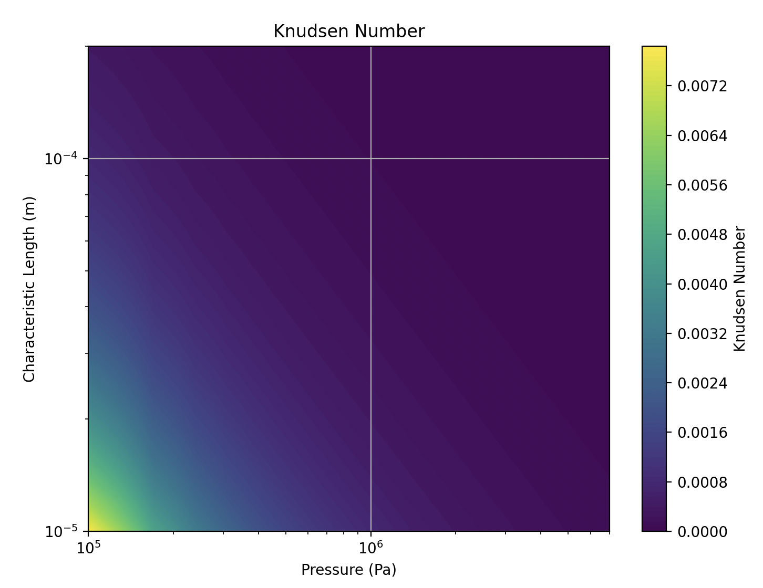
...
 |  |  |  |  |  |  |  |  |  |  |  |  |  |  |  |  |  | gap_thickness
 |  |  |  |  |  |  |  |  |  |  |  |  |  |  |  |  |  | 40-39 microns
...
time | pressure
5 | 413044.51903 |  |  |  |  |  |  |  |  |  |  |  |  |  | 4.16E-05 | 1.4264314249E-14 | 0.00033634741205
6 | 409759.86395 |  |  |  |  |  |  |  |  |  |  |  |  |  | 3.33E-07 | 2.1164021164E-10
7 | 406509.81997
8 | 403294.02241
9 | 400112.11038
10 | 396963.72685
11 | 393848.5185
12 | 390766.13577
13 | 387716.23276
14 | 384698.46723
Estimation of time-scale for plenum depressurization using the analytical solution of Hagen-Poiseuille’s law, neglecting gas compressibility
and assuming all the flow is occurring through the gap:
$$\frac{dV}{dt} =−\frac{D_{h}^{4}}{128 μ}\frac{ \left(P_{in}−P_{out}\right)}{L}$$
$$∆P= {∆P}_{o}exp⁡(−\frac{{{{(D}_{clad}−D_{fuel})}^{4}π∆P}_{o}}{4∙128 μ L V}t)$$
$$time−scale → τ=5∙\frac{128 μ L V}{{D_{h}^{4} ∆P}_{o}}$$
15 | 381712.50054
16 | 378757.99762
17 | 375834.62693
18 | 372942.06041
19 | 370079.97349
20 | 367248.04499
21 | 364445.95712
22 | 361673.39545
23 | 358930.04886
24 | 356215.60949
25 | 353529.77275
26 | 350872.23725
27 | 348242.70476
28 | 345640.88022
29 | 343066.47166
30 | 340519.19019
31 | 337998.74997
32 | 335504.86816
33 | 333037.26492
34 | 330595.66335
35 | 328179.78945
36 | 325789.37212
37 | 323424.14314
38 | 321083.83708
39 | 318768.19132
40 | 316476.94602

Sheet2
...
time | pressure
1 | 3362282.6359 |  | p1 | 101325
2 | 2760523.3692 |  | p2 | 4300000
3 | 2341635.1644 |  | viscosity | 0.0000181
4 | 2033276.6153 |  | length | 0.03176
5 | 1796817.4957 |  | volume | 6.4333270969E-06
6 | 1609750.9334 |  | permeability | 9.0025273353E-15
7 | 1458076.3195 |  | area | 5.3326650339E-05
8 | 1332627.6461
9 | 1227152.5246
10 | 1137239.7136
 | pressure
0 | 4300000
1 | 3362282.6359
2 | 2760523.3692
3 | 2341635.1644
4 | 2033276.6153
5 | 1796817.4957
6 | 1609750.9334
7 | 1458076.3195
8 | 1332627.6461
9 | 1227152.5246
10 | 1137239.7136
11 | 1059687.8834
12 | 992117.41754
13 | 932722.6646
14 | 880108.72886
15 | 833180.955
16 | 791068.27222
17 | 753068.88318
18 | 718611.05064
19 | 687224.3023
20 | 658517.96151
21 | 632164.91789
22 | 607889.20409
23 | 585456.37653
24 | 564665.98858
25 | 545345.64357
26 | 527346.25406
27 | 510538.2311
28 | 494808.39741
29 | 480057.46901
30 | 466197.98677
31 | 453152.60679
32 | 440852.67908
33 | 429237.05936
34 | 418251.11049
35 | 407845.85923
36 | 397977.28086
37 | 388605.68942
38 | 379695.2161
39 | 371213.36103
40 | 363130.60674
41 | 355420.08378
42 | 348057.28017
43 | 341019.78844
44 | 334287.08444
45 | 327840.33357
46 | 321662.22035
47 | 315736.79831
48 | 310049.35728
49 | 304586.30583
...
11 | 1059687.8834
12 | 992117.41754
13 | 932722.6646
14 | 880108.72886
15 | 833180.955
16 | 791068.27222
17 | 753068.88318
18 | 718611.05064
19 | 687224.3023
20 | 658517.96151
21 | 632164.91789
22 | 607889.20409
23 | 585456.37653
24 | 564665.98858
25 | 545345.64357
26 | 527346.25406
27 | 510538.2311
28 | 494808.39741
29 | 480057.46901
30 | 466197.98677
31 | 453152.60679
32 | 440852.67908
33 | 429237.05936
34 | 418251.11049
35 | 407845.85923 | 8.24 | 7.94
36 | 397977.28086 |  | 7940
...

