existing_kept
The existing_kept corresponds to data currently in the database that the working group is using. It is either labelled with an id of quality (id_qal) of 1 (good), 2 (modified by the working group), or 4 (there are doubts but wgeel has kept the data) - see table tr_quality_qal for the labels. DO NOT ENTER DATA IN THIS SHEET.
Use this sheet to copy data that you need to correct (and move to updated_data or deleted_data)
eel_id | eel_typ_name | eel_year | eel_value | eel_missvaluequal | eel_emu_nameshort | eel_cou_code | eel_lfs_code | eel_hty_code | eel_area_division | eel_qal_id | eel_qal_comment | eel_comment | eel_datelastupdate | eel_datasource | eel_dta_code

existing_discarded
The existing_discarded sheet corresponds to data in the database that is not used by the working group: either 3 (bad quality), or code of the year (e.g. 18, 19) when the data was removed from the database, mostly as duplicates were identified and removed. DO NOT ENTER DATA IN THIS SHEET
eel_id | eel_typ_name | eel_year | eel_value | eel_missvaluequal | eel_emu_nameshort | eel_cou_code | eel_lfs_code | eel_hty_code | eel_area_division | eel_qal_id | eel_qal_comment | eel_comment | eel_datelastupdate | eel_datasource | eel_dta_code

new_data
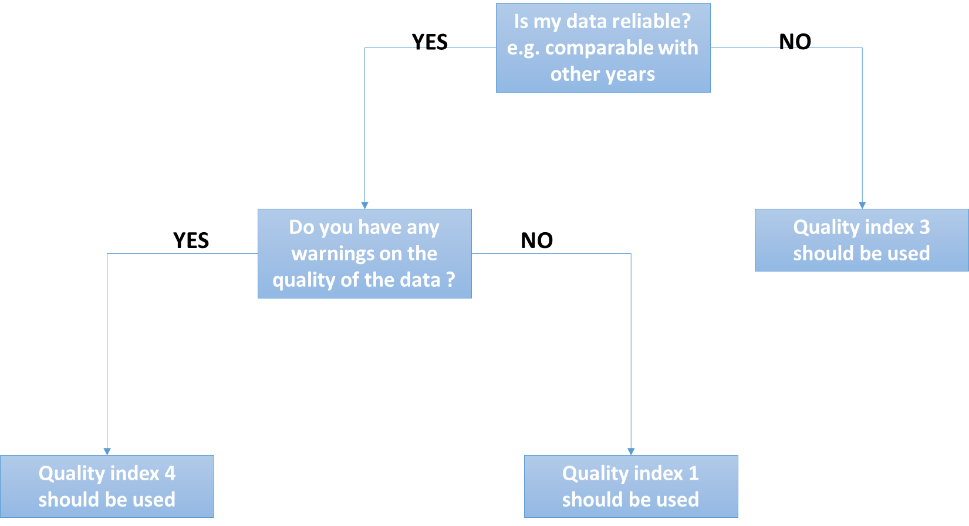
eel_typ_name | eel_year | eel_value | eel_missvaluequal | eel_emu_nameshort | eel_cou_code | eel_lfs_code | eel_hty_code | eel_area_division | eel_qal_id | eel_qal_comment | eel_comment

Use this sheet to :
(1) Check missing historical data.
The new_data corresponds to all combinations of possible missing data that we have identified for the past twenty years. We searched whether any data was entered one year for a given emu, habitat type or lifestage. We also searched whether there might be one entry with an aggegated data attribute (e.g. AL habitat, XX_total for emu, YS for lifestage). When that match did not exist, we generated a line with NP in the database, that is: no data was ever collected for this stage and this habitat, and this was identified as not pertinent (NP), with a comment 'no landings ever recorded in the db'. If a fishery occured sometime in the past, but no data was collected later, we suppose the fishery stopped; the data are marked as NP not pertinent, with the comment 'landings ended in <year>'.
(2) Insert new data : it's already pre-filled
In the three last years, data might be missing because it was not completely collected. Then the data is marked as NC (not collected). If you have new data to fill in, you will remove the NC, add the value, change the eel_datasource to dc_202X (202X=the current year). In current year data is generally not collected. You can remove those lines if you have no data.
So in practise, please check that data marked as NP are correct (use a filter for NP data). Then check for NC data and try to replace with new data by removing the NC attribute, setting a value, and change the datasource to dc_202X. Then screen for current year lines and remove if you have no data yet. And please remember, you have to fill in eel_value OR eel_missvalueqal, never both, always one or the other.
Please remember this : you have to fill in eel_value OR eel_missvalueqal, never both, always one or the other. You never provide an ICES division (eel_area_division) for Freshwater. You should always fill in all fields, except comments and eel_area_division in Freshwater.
Please do not provide an ICES area for freshwater, this is only for habitat MO and Transitional.

updated_data
eel_id | eel_typ_name | eel_year | eel_value | eel_missvaluequal | eel_emu_nameshort | eel_cou_code | eel_lfs_code | eel_hty_code | eel_area_division | eel_qal_id | eel_qal_comment | eel_comment
Use this sheet to provide corrections for existing data
If you want to correct existing data, please copy the line from existing_kept, and paste the line in the updated_data sheet. Please provide a comment and highlight the values that were changed.
If the lfs_code, or eel_area_code, or eel_emu_nameshort is changed then this requires a manual edition in the database. This should be done in the data integration session.

deleted_data
eel_id | eel_typ_name | eel_year | eel_value | eel_missvaluequal | eel_emu_nameshort | eel_cou_code | eel_lfs_code | eel_hty_code | eel_area_division | eel_qal_id | eel_qal_comment | eel_comment

Use this sheet to DELETE existing data
If you want to delete existing data, please copy the line from existing_kept, and paste the line in the delete_data sheet. Please provide a comment on deleted data.

tr_emu_em
emu_nameshort | emu_cou_code | emu_wholecountry
AL_total | AL | t
AX_total | AX | t
BA_total | BA | t
BE_Meus | BE | f
BE_Rhin | BE | f
BE_Sche | BE | f
BE_Sein | BE | f
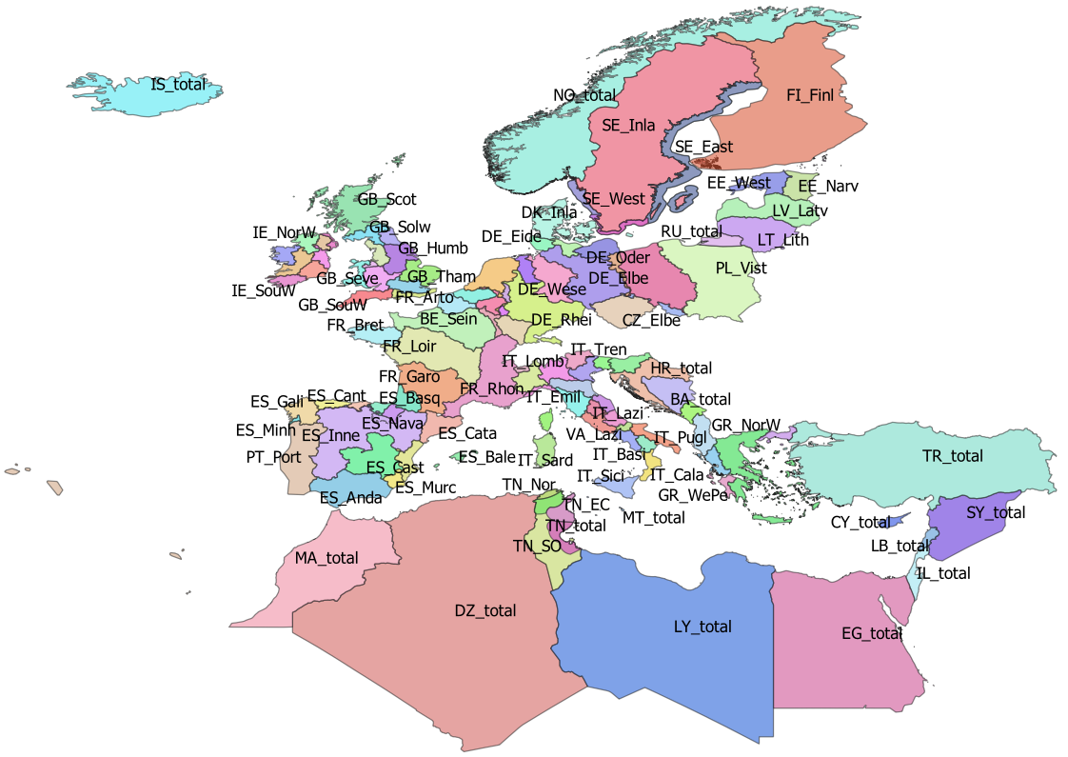
BE_total | BE | t
CY_total | CY | t
CZ_Elbe | CZ | f
CZ_Oder | CZ | f
CZ_total | CZ | t
DE_Eide | DE | f
DE_Elbe | DE | f
DE_Ems | DE | f
DE_Maas | DE | f
DE_Oder | DE | f
DE_Rhei | DE | f
DE_Schl | DE | f
DE_total | DE | t
DE_Warn | DE | f
DE_Wese | DE | f
DK_Mari | DK | f
DK_Inla | DK | f
DK_total | DK | t
DZ_total | DZ | t
EE_Narv | EE | f
EE_total | EE | t
EE_West | EE | f
EG_total | EG | t
ES_Anda | ES | f
ES_Astu | ES | f
ES_Bale | ES | f
ES_Basq | ES | f
ES_Cant | ES | f
ES_Cast | ES | f
ES_Cata | ES | f
ES_Gali | ES | f
ES_Inne | ES | f
ES_Minh | PT | f
ES_Mino | ES | f
ES_Murc | ES | f
ES_Nava | ES | f
ES_total | ES | t
ES_Vale | ES | f
FI_Finl | FI | f
FI_total | FI | t
FR_Adou | FR | f
FR_Arto | FR | f
FR_Bret | FR | f
FR_Cors | FR | f
FR_Garo | FR | f
FR_Loir | FR | f
FR_Meus | FR | f
FR_Rhin | FR | f
FR_Rhon | FR | f
FR_Sein | FR | f
FR_total | FR | t
GB_Angl | GB | f
GB_Dee | GB | f
GB_Humb | GB | f
GB_Neag | GB | f
GB_NorE | GB | f
GB_Nort | GB | f
GB_NorW | GB | f
GB_Scot | GB | f
GB_Seve | GB | f
GB_Solw | GB | f
GB_SouE | GB | f
GB_SouW | GB | f
GB_Tham | GB | f
GB_total | GB | t
GB_Wale | GB | f
GR_CeAe | GR | f
GR_EaMT | GR | f
GR_NorW | GR | f
GR_total | GR | t
GR_WePe | GR | f
HR_total | HR | t
IE_East | IE | f
IE_NorW | IE | f
IE_Shan | IE | f
IE_SouE | IE | f
IE_SouW | IE | f
IE_total | IE | t
IE_West | IE | f
IL_total | IL | t
IS_total | IS | t
IT_Abru | IT | f
IT_Basi | IT | f
IT_Cala | IT | f
IT_Camp | IT | f
IT_Emil | IT | f
IT_Frio | IT | f
IT_Lazi | IT | f
IT_Ligu | IT | f
IT_Lomb | IT | f
IT_Marc | IT | f
IT_Moli | IT | f
IT_Piem | IT | f
IT_Pugl | IT | f
IT_Sard | IT | f
IT_Sici | IT | f
IT_Tosc | IT | f
IT_total | IT | t
IT_Tren | IT | f
IT_Umbr | IT | f
IT_Vall | IT | f
IT_Vene | IT | f
LB_total | LB | t
LT_Lith | LT | f
LT_total | LT | t
LU_Luxe | LU | f
LU_total | LU | t
LV_Latv | LV | f
LV_total | LV | t
LY_total | LY | t
MA_total | MA | t
ME_total | ME | t
MT_total | MT | t
NL_Neth | NL | f
NL_total | NL | t
NO_total | NO | t
PL_Oder | PL | f
PL_total | PL | t
PL_Vist | PL | f
PT_Port | PT | f
PT_total | PT | t
RU_total | RU | t
SE_Ea_o | SE
SE_East | SE | f
SE_Inla | SE | f
SE_So_o | SE
SE_total | SE | t
SE_We_o | SE
SE_West | SE | f
SI_total | SI | t
SY_total | SY | t
TN_EC | TN | f
TN_NE | TN | f
TN_Nor | TN | f
TN_SO | TN | f
TN_total | TN | t
TR_total | TR | t

tr_country_cou
cou_code | cou_country | cou_order | cou_iso3code
AL | Albania | 27 | ALB
AX | Åland | 3 | ALA
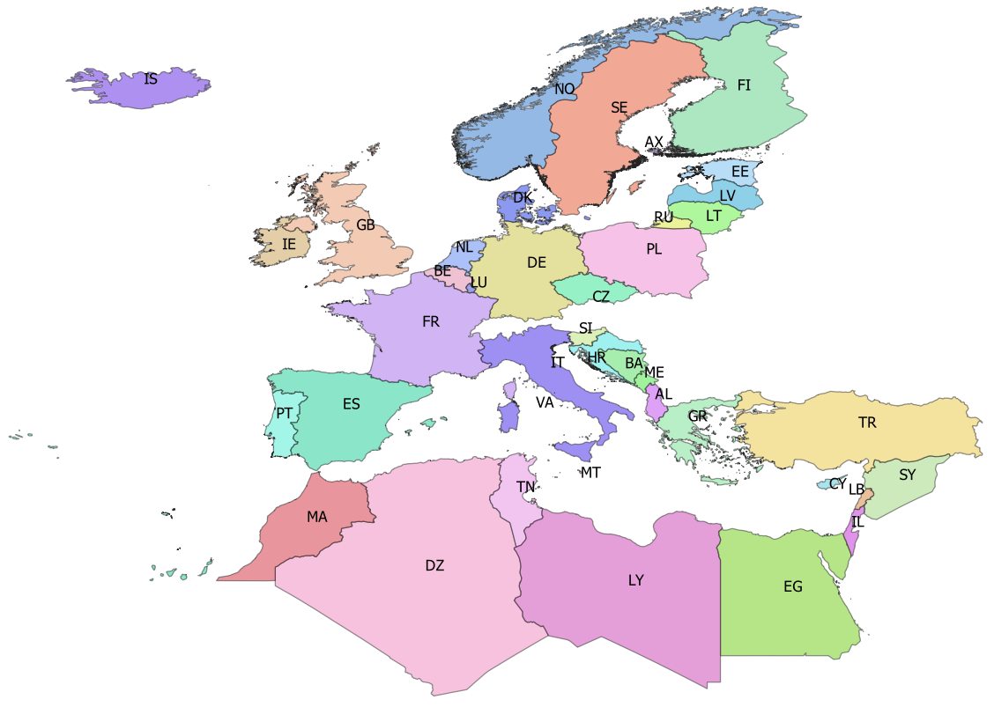
BA | Bosnia-Herzegovina | 25 | BIH
BE | Belgium | 14 | BEL
CY | Cyprus | 35 | CYP
CZ | Czech republic | 10 | CZE
DE | Germany | 11 | DEU
DK | Denmark | 12 | DNK
DZ | Algeria | 42 | DZA
EE | Estonia | 5 | EST
EG | Egypt | 39 | EGY
ES | Spain | 19 | ESP
FI | Finland | 4 | FIN
FR | France | 18 | FRA
GB | Great Britain | 17 | GBR
GR | Greece | 28 | GRC
HR | Croatia | 24 | HRV
IE | Ireland | 16 | IRL
IL | Israel | 38 | ISR
IS | Iceland | 0 | ISL
IT | Italy | 21 | ITA
LB | Lebanon | 37 | LBN
LT | Lithuania | 7 | LTU
LU | Luxembourg | 15 | LUX
LV | Latvia | 6 | LVA
LY | Libya | 40 | LBY
MA | Morocco | 43 | MAR
ME | Montenegro | 26 | MNE
MT | Malta | 22 | MLT
NL | Netherlands | 13 | NLD
NO | Norway | 1 | NOR
PL | Poland | 9 | POL
PT | Portugal | 20 | PRT
RU | Russia | 8 | RUS
SE | Sweden | 2 | SWE
SI | Slovenia | 23 | SVN
SY | Syria | 36 | SYR
TN | Tunisia | 41 | TUN
TR | Turkey | 34 | TUR
VA | Vattican | 46 | VAT

tr_faoareas
fid | f_level | f_code | f_status | ocean | subocean | f_area | f_subarea | f_division
227 | DIVISION | 21.0.A | 1 | Atlantic | 2 | 21 | 21 | 21.0.A
230 | DIVISION | 21.0.B | 1 | Atlantic | 2 | 21 | 21 | 21.0.B | Please check also the maps provided by ICES
228 | DIVISION | 21.1.A | 1 | Atlantic | 2 | 21 | 21.1 | 21.1.A | ICES statistical rectangles | http://gis.ices.dk/sf/index.html?widget=StatRec
229 | DIVISION | 21.1.B | 1 | Atlantic | 2 | 21 | 21.1 | 21.1.B | FAO areas map | http://www.fao.org/fishery/area/search/en
231 | DIVISION | 21.1.C | 1 | Atlantic | 2 | 21 | 21.1 | 21.1.C
195 | DIVISION | 21.1.D | 1 | Atlantic | 2 | 21 | 21.1 | 21.1.D | These codes are for use only in the case of Coatsal and Marine Open waters – otherwise you can leave it
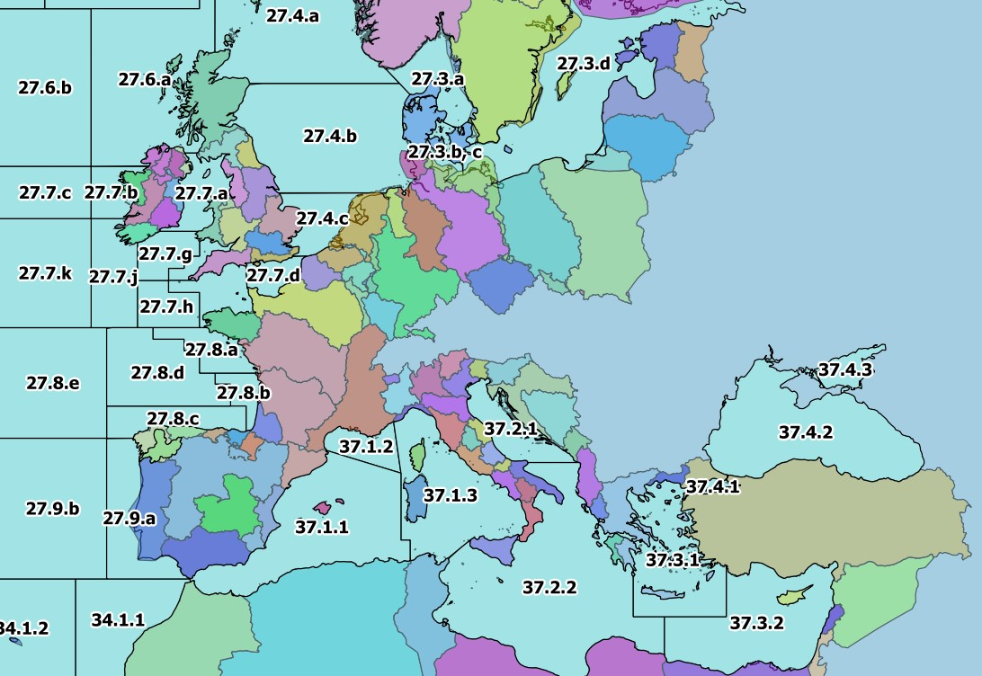
196 | DIVISION | 21.1.E | 1 | Atlantic | 2 | 21 | 21.1 | 21.1.E | Please only use f_division as the reference.
198 | DIVISION | 21.1.F | 1 | Atlantic | 2 | 21 | 21.1 | 21.1.F
197 | DIVISION | 21.2.G | 1 | Atlantic | 2 | 21 | 21.2 | 21.2.G
199 | DIVISION | 21.2.H | 1 | Atlantic | 2 | 21 | 21.2 | 21.2.H
235 | DIVISION | 21.2.J | 1 | Atlantic | 2 | 21 | 21.2 | 21.2.J
234 | DIVISION | 21.3.K | 1 | Atlantic | 2 | 21 | 21.3 | 21.3.K
239 | DIVISION | 21.3.L | 1 | Atlantic | 2 | 21 | 21.3 | 21.3.L
200 | DIVISION | 21.3.M | 1 | Atlantic | 2 | 21 | 21.3 | 21.3.M
218 | DIVISION | 21.3.N | 1 | Atlantic | 2 | 21 | 21.3 | 21.3.N
201 | DIVISION | 21.3.O | 1 | Atlantic | 2 | 21 | 21.3 | 21.3.O
240 | DIVISION | 21.3.P | 1 | Atlantic | 2 | 21 | 21.3 | 21.3.P
238 | DIVISION | 21.4.R | 1 | Atlantic | 2 | 21 | 21.4 | 21.4.R
233 | DIVISION | 21.4.S | 1 | Atlantic | 2 | 21 | 21.4 | 21.4.S
243 | DIVISION | 21.4.T | 1 | Atlantic | 2 | 21 | 21.4 | 21.4.T
219 | DIVISION | 21.4.V | 1 | Atlantic | 2 | 21 | 21.4 | 21.4.V
232 | DIVISION | 21.4.W | 1 | Atlantic | 2 | 21 | 21.4 | 21.4.W
241 | DIVISION | 21.4.X | 1 | Atlantic | 2 | 21 | 21.4 | 21.4.X
242 | DIVISION | 21.5.Y | 1 | Atlantic | 2 | 21 | 21.5 | 21.5.Y
220 | DIVISION | 21.5.Z | 1 | Atlantic | 2 | 21 | 21.5 | 21.5.Z
236 | DIVISION | 21.6.A | 1 | Atlantic | 2 | 21 | 21.6 | 21.6.A
221 | DIVISION | 21.6.B | 1 | Atlantic | 2 | 21 | 21.6 | 21.6.B
237 | DIVISION | 21.6.C | 1 | Atlantic | 2 | 21 | 21.6 | 21.6.C
222 | DIVISION | 21.6.D | 1 | Atlantic | 2 | 21 | 21.6 | 21.6.D
223 | DIVISION | 21.6.E | 1 | Atlantic | 2 | 21 | 21.6 | 21.6.E
224 | DIVISION | 21.6.F | 1 | Atlantic | 2 | 21 | 21.6 | 21.6.F
225 | DIVISION | 21.6.G | 1 | Atlantic | 2 | 21 | 21.6 | 21.6.G
226 | DIVISION | 21.6.H | 1 | Atlantic | 2 | 21 | 21.6 | 21.6.H
267 | DIVISION | 27.1.a | 1 | Atlantic | 2 | 27 | 27.1 | 27.1.a
275 | DIVISION | 27.1.b | 1 | Atlantic | 2 | 27 | 27.1 | 27.1.b
171 | DIVISION | 27.10.a | 1 | Atlantic | 2 | 27 | 27.1 | 27.10.a
215 | DIVISION | 27.10.b | 1 | Atlantic | 2 | 27 | 27.1 | 27.10.b
262 | DIVISION | 27.12.a | 1 | Atlantic | 2 | 27 | 27.12 | 27.12.a
116 | DIVISION | 27.12.b | 1 | Atlantic | 2 | 27 | 27.12 | 27.12.b
253 | DIVISION | 27.12.c | 1 | Atlantic | 2 | 27 | 27.12 | 27.12.c
268 | DIVISION | 27.14.a | 1 | Atlantic | 2 | 27 | 27.14 | 27.14.a
264 | DIVISION | 27.14.b | 1 | Atlantic | 2 | 27 | 27.14 | 27.14.b
265 | DIVISION | 27.2.a | 1 | Atlantic | 2 | 27 | 27.2 | 27.2.a
266 | DIVISION | 27.2.b | 1 | Atlantic | 2 | 27 | 27.2 | 27.2.b
277 | DIVISION | 27.3.a | 1 | Atlantic | 2 | 27 | 27.3 | 27.3.a
258 | DIVISION | 27.3.b, c | 1 | Atlantic | 2 | 27 | 27.3 | 27.3.b, c
257 | DIVISION | 27.3.d | 1 | Atlantic | 2 | 27 | 27.3 | 27.3.d
274 | DIVISION | 27.4.a | 1 | Atlantic | 2 | 27 | 27.4 | 27.4.a
259 | DIVISION | 27.4.b | 1 | Atlantic | 2 | 27 | 27.4 | 27.4.b
255 | DIVISION | 27.4.c | 1 | Atlantic | 2 | 27 | 27.4 | 27.4.c
263 | DIVISION | 27.5.a | 1 | Atlantic | 2 | 27 | 27.5 | 27.5.a
261 | DIVISION | 27.5.b | 1 | Atlantic | 2 | 27 | 27.5 | 27.5.b
271 | DIVISION | 27.6.a | 1 | Atlantic | 2 | 27 | 27.6 | 27.6.a
260 | DIVISION | 27.6.b | 1 | Atlantic | 2 | 27 | 27.6 | 27.6.b
273 | DIVISION | 27.7.a | 1 | Atlantic | 2 | 27 | 27.7 | 27.7.a
272 | DIVISION | 27.7.b | 1 | Atlantic | 2 | 27 | 27.7 | 27.7.b
256 | DIVISION | 27.7.c | 1 | Atlantic | 2 | 27 | 27.7 | 27.7.c
270 | DIVISION | 27.7.d | 1 | Atlantic | 2 | 27 | 27.7 | 27.7.d
269 | DIVISION | 27.7.e | 1 | Atlantic | 2 | 27 | 27.7 | 27.7.e
251 | DIVISION | 27.7.f | 1 | Atlantic | 2 | 27 | 27.7 | 27.7.f
252 | DIVISION | 27.7.g | 1 | Atlantic | 2 | 27 | 27.7 | 27.7.g
250 | DIVISION | 27.7.h | 1 | Atlantic | 2 | 27 | 27.7 | 27.7.h
249 | DIVISION | 27.7.j | 1 | Atlantic | 2 | 27 | 27.7 | 27.7.j
254 | DIVISION | 27.7.k | 1 | Atlantic | 2 | 27 | 27.7 | 27.7.k
248 | DIVISION | 27.8.a | 1 | Atlantic | 2 | 27 | 27.8 | 27.8.a
214 | DIVISION | 27.8.b | 1 | Atlantic | 2 | 27 | 27.8 | 27.8.b
213 | DIVISION | 27.8.c | 1 | Atlantic | 2 | 27 | 27.8 | 27.8.c
217 | DIVISION | 27.8.d | 1 | Atlantic | 2 | 27 | 27.8 | 27.8.d
216 | DIVISION | 27.8.e | 1 | Atlantic | 2 | 27 | 27.8 | 27.8.e
212 | DIVISION | 27.9.a | 1 | Atlantic | 2 | 27 | 27.9 | 27.9.a
172 | DIVISION | 27.9.b | 1 | Atlantic | 2 | 27 | 27.9 | 27.9.b
123 | DIVISION | 34.1.1 | 1 | Atlantic | 3 | 34 | 34.1 | 34.1.1
122 | DIVISION | 34.1.2 | 1 | Atlantic | 3 | 34 | 34.1 | 34.1.2
126 | DIVISION | 34.1.3 | 1 | Atlantic | 3 | 34 | 34.1 | 34.1.3
134 | DIVISION | 34.3.1 | 1 | Atlantic | 3 | 34 | 34.3 | 34.3.1
132 | DIVISION | 34.3.2 | 1 | Atlantic | 3 | 34 | 34.3 | 34.3.2
142 | DIVISION | 34.3.3 | 1 | Atlantic | 3 | 34 | 34.3 | 34.3.3
144 | DIVISION | 34.3.4 | 1 | Atlantic | 3 | 34 | 34.3 | 34.3.4
145 | DIVISION | 34.3.5 | 1 | Atlantic | 3 | 34 | 34.3 | 34.3.5
178 | DIVISION | 34.3.6 | 1 | Atlantic | 3 | 34 | 34.3 | 34.3.6
158 | DIVISION | 34.4.1 | 1 | Atlantic | 3 | 34 | 34.4 | 34.4.1
131 | DIVISION | 34.4.2 | 1 | Atlantic | 3 | 34 | 34.4 | 34.4.2
177 | DIVISION | 37.1.1 | 1 | Atlantic | 3 | 37 | 37.1 | 37.1.1
114 | DIVISION | 37.1.2 | 1 | Atlantic | 3 | 37 | 37.1 | 37.1.2
115 | DIVISION | 37.1.3 | 1 | Atlantic | 3 | 37 | 37.1 | 37.1.3
117 | DIVISION | 37.2.1 | 1 | Atlantic | 3 | 37 | 37.2 | 37.2.1
118 | DIVISION | 37.2.2 | 1 | Atlantic | 3 | 37 | 37.2 | 37.2.2
119 | DIVISION | 37.3.1 | 1 | Atlantic | 3 | 37 | 37.3 | 37.3.1
121 | DIVISION | 37.3.2 | 1 | Atlantic | 3 | 37 | 37.3 | 37.3.2
120 | DIVISION | 37.4.1 | 1 | Atlantic | 3 | 37 | 37.4 | 37.4.1
112 | DIVISION | 37.4.2 | 1 | Atlantic | 3 | 37 | 37.4 | 37.4.2
113 | DIVISION | 37.4.3 | 1 | Atlantic | 3 | 37 | 37.4 | 37.4.3
148 | DIVISION | 41.1.1 | 1 | Atlantic | 4 | 41 | 41.1 | 41.1.1
150 | DIVISION | 41.1.2 | 1 | Atlantic | 4 | 41 | 41.1 | 41.1.2
151 | DIVISION | 41.1.3 | 1 | Atlantic | 4 | 41 | 41.1 | 41.1.3
157 | DIVISION | 41.1.4 | 1 | Atlantic | 4 | 41 | 41.1 | 41.1.4
156 | DIVISION | 41.2.1 | 1 | Atlantic | 4 | 41 | 41.2 | 41.2.1
163 | DIVISION | 41.2.2 | 1 | Atlantic | 4 | 41 | 41.2 | 41.2.2
175 | DIVISION | 41.2.3 | 1 | Atlantic | 4 | 41 | 41.2 | 41.2.3
169 | DIVISION | 41.2.4 | 1 | Atlantic | 4 | 41 | 41.2 | 41.2.4
176 | DIVISION | 41.3.1 | 1 | Atlantic | 4 | 41 | 41.3 | 41.3.1
189 | DIVISION | 41.3.2 | 1 | Atlantic | 4 | 41 | 41.3 | 41.3.2
170 | DIVISION | 41.3.3 | 1 | Atlantic | 4 | 41 | 41.3 | 41.3.3
202 | DIVISION | 47.1.1 | 1 | Atlantic | 4 | 47 | 47.1 | 47.1.1
203 | DIVISION | 47.1.2 | 1 | Atlantic | 4 | 47 | 47.1 | 47.1.2
208 | DIVISION | 47.1.3 | 1 | Atlantic | 4 | 47 | 47.1 | 47.1.3
209 | DIVISION | 47.1.4 | 1 | Atlantic | 4 | 47 | 47.1 | 47.1.4
210 | DIVISION | 47.1.5 | 1 | Atlantic | 4 | 47 | 47.1 | 47.1.5
211 | DIVISION | 47.1.6 | 1 | Atlantic | 4 | 47 | 47.1 | 47.1.6
207 | DIVISION | 47.2.1 | 1 | Atlantic | 4 | 47 | 47.2 | 47.2.1
206 | DIVISION | 47.2.2 | 1 | Atlantic | 4 | 47 | 47.2 | 47.2.2
193 | DIVISION | 47.A.0 | 1 | Atlantic | 4 | 47 | 47.A | 47.A.0
194 | DIVISION | 47.A.1 | 1 | Atlantic | 4 | 47 | 47.A | 47.A.1
247 | DIVISION | 47.B.0 | 1 | Atlantic | 4 | 47 | 47.B | 47.B.0
245 | DIVISION | 47.B.1 | 1 | Atlantic | 4 | 47 | 47.B | 47.B.1
204 | DIVISION | 47.C.0 | 1 | Atlantic | 4 | 47 | 47.C | 47.C.0
246 | DIVISION | 47.C.1 | 1 | Atlantic | 4 | 47 | 47.C | 47.C.1
205 | DIVISION | 47.D.0 | 1 | Atlantic | 4 | 47 | 47.D | 47.D.0
244 | DIVISION | 47.D.1 | 1 | Atlantic | 4 | 47 | 47.D | 47.D.1
152 | DIVISION | 57.5.1 | 1 | Indian | 5 | 57 | 57.5 | 57.5.1
159 | DIVISION | 57.5.2 | 1 | Indian | 5 | 57 | 57.5 | 57.5.2
191 | DIVISION | 58.4.1 | 1 | Indian | 10 | 58 | 58.4 | 58.4.1
190 | DIVISION | 58.4.2 | 1 | Indian | 10 | 58 | 58.4 | 58.4.2
192 | DIVISION | 58.4.3 | 1 | Indian | 10 | 58 | 58.4 | 58.4.3
174 | DIVISION | 58.4.4 | 1 | Indian | 10 | 58 | 58.4 | 58.4.4
168 | DIVISION | 58.5.1 | 1 | Indian | 10 | 58 | 58.5 | 58.5.1
173 | DIVISION | 58.5.2 | 1 | Indian | 10 | 58 | 58.5 | 58.5.2
133 | DIVISION | 71.6.1 | 1 | Pacific | 7 | 71 | _71.6 | 71.6.1
130 | DIVISION | 71.6.2 | 1 | Pacific | 7 | 71 | _71.6 | 71.6.2
143 | DIVISION | 87.1.1 | 1 | Pacific | 8 | 87 | 87.1 | 87.1.1
146 | DIVISION | 87.1.2 | 1 | Pacific | 8 | 87 | 87.1 | 87.1.2
149 | DIVISION | 87.1.3 | 1 | Pacific | 8 | 87 | 87.1 | 87.1.3
147 | DIVISION | 87.1.4 | 1 | Pacific | 8 | 87 | 87.1 | 87.1.4
155 | DIVISION | 87.2.1 | 1 | Pacific | 8 | 87 | 87.2 | 87.2.1
154 | DIVISION | 87.2.2 | 1 | Pacific | 8 | 87 | 87.2 | 87.2.2
160 | DIVISION | 87.2.3 | 1 | Pacific | 8 | 87 | 87.2 | 87.2.3
164 | DIVISION | 87.2.4 | 1 | Pacific | 8 | 87 | 87.2 | 87.2.4
162 | DIVISION | 87.2.5 | 1 | Pacific | 8 | 87 | 87.2 | 87.2.5
153 | DIVISION | 87.2.6 | 1 | Pacific | 8 | 87 | 87.2 | 87.2.6
167 | DIVISION | 87.3.1 | 1 | Pacific | 8 | 87 | 87.3 | 87.3.1
166 | DIVISION | 87.3.2 | 1 | Pacific | 8 | 87 | 87.3 | 87.3.2
165 | DIVISION | 87.3.3 | 1 | Pacific | 8 | 87 | 87.3 | 87.3.3

