readme
To do list :
(1) Fill in metadata. If needed add one row per series to give the email of the series contact person, these are not stored in database but might be used to ask for information.
(2) Please provide sampling information under sampling_info. The objective it to get a consistent sampling scheme at the EMU scale, and information about sampling objective and strategy should be provided. If different sampling strategies are used to collect different indices (e.g. one for biometrics and one for contaminants) describe those sampling as separate rows. Please provide a comment to explain any issues (e.g. COVID-19, reduced effort etc.) that may have affected your data collection for that specific sampling scheme and year.
(3) Use only new_grouped metrics and new_individual metrics sheets to provide all the available data on biometric metrics from sampling schemes not already covered under time series templates, at the group and the individual level, respectively. Eel quality data (in yellow) are optional for this 2022 data call.
sampling_info | Explanation of header and name of sheet providing codes
sai_name | Identifier of the sampling scheme. If the sampling scheme does not already exist, please provide a code starting with emu name and few letters and/or an integer (e.g. FR_Adou_biom, FR_Adou_cont)
sai_emu_nameshort | See the codes of the emu (emu_nameshort) in sheet tr_emu_emu
sai_cou_code | See the cou_code in the tr_country_cou table
sai_area_division | Fao code of sea region (division level) see tr_fao_area (column division)(https://github.com/ices-eg/WGEEL/wiki). These codes are for use only in the case of Coastal and Marine Open waters – otherwise you can leave it blank. ICES statistical rectangles (http://gis.ices.dk/sf/index.html?widget=StatRec) and FAO areas map (http://www.fao.org/fishery/area/search/en)
sai_hty_code | Habitat type see tr_habitattype_hty (F=Freshwater, MO=Marine Open,T=transitional, AL=aggregate...)
sai_samplingobjective | Indicate the program the data is coming from (e.g. EU DCF, GFCM etc.)
sai_samplingstrategy | Indicate sampling scheme (e.g. commercial fisheries, scientific survey)
sai_protocol | Description of the method used to capture fish and period of sampling
sai_qal_id | Sampling scheme quality id, used internally by the working group
sai_comment | Comment on the sampling scheme
sai_lastupdate | Generated automatically
sai_dts_datasource | Generated automatically

grouped_metrics | Explanation of header and name of sheet providing codes
gr_id | Identifier of the group metrics data, this will be filled in automatically in the new_group_metrics and will be used in the updated_group_metrics. Do not edit.
sai_name | Identifier of the sampling scheme as provided under sampling_info
gr_year | Sampling year (For glass eel, months from september y-1 to august y should be denoted year y / For silver eel, months from june y to may y+1 should be denoted year y / For yellow eels, use the calendar year)
grsa_lfs_code | Life stage, see tr_lifestage_lfs sheet
gr_number | Number of measured individuals
gr_comment | Comment
gr_last update | Generated automatically, do not use
gr_dts_datasource | Generated automatically, do not use
lengthmm | Mean total body length in mm
weightg | Mean weight in g
ageyear | Mean age (in years)
female_proportion | Sex ratio expressed as a proportion of female; between 0 (all males) and 1 (all females)
differentiated_proportion | Proportion of differentiated eels in the group
f_mean_lengthmm | Mean total length in mm of the female fraction
f_mean_weightg | Mean weight in g of the female fraction
f_mean_age | Mean age of the female fraction (in years)
m_mean_lengthmm | Mean total length in mm of the male fraction
m_mean_weightg | Mean weight in g of the male fraction
m_mean_ageyear | Mean age of the male fraction (in years)
anguillicola_proportion | Prevalence of Anguillicola crassus in the population (proportion)
anguillicola_intensity | Mean A.crassus intensity in numbers
muscle_lipid_fatmeter_perc | Muscle lipid percentage (fatmeter)
muscle_lipid_gravimeter_perc | Muscle lipid percentage (gravimetry)
sum_6_pcb | Mean sum of six PCBs in ng/g wet weight
teq | Mean sum TEQ of measured dioxin-like PCBs in ng/g wet weight
evex_proportion | EVE and EVEX proportion in the population
hva_proportion | HVA proportion in the population
pb | Mean lead (Pb) concentration in ng/g wet weight
hg | Mean mercury (Hg) concentration in ng/g wet weight
cd | Mean cadmium (Cd) concentration in ng/g wet weight
g_in_gy_proportion | Proportion of glass eel when the series is a grouping of glass and yellow eels
s_in_ys_proportion | Proportion of silver eel when the series is a grouping of yellow and silver eels

individual_metrics | Explanation of header and name of sheet providing codes
fi_id | Identifier of the individual metrics data, this will be filled in automatically in the new_individual_metrics and will be used in the updated_individual_metrics. Do not edit.
fi_idcou | Indentifier used by data provider to identify the fish in its national database. To avoid confusion of id among countries, please add your cou_code and the year of the datacall before the identifier. For example, fish XXX from France collected in datacall dc2023 should be named FR23_XXX
sai_name | Identifier of the sampling scheme as provided under sampling_info
fi_date | Date of sampling - this should correspond to the date when the fish was caught - be as precise as possible
fi_lfs_code | Life stage, see tr_lifestage_lfs sheet
fi_comment | Comment
fi_last_update | Generated automatically, do not use
fi_dts_datasource | Generated automatically, do not use
fisa_x_4326 | x (longitude) EPSG:4326, WGS 84
fisa_y_4326 | y (latitude) EPSG:4326, WGS 84
lengthmm | Length in mm
weightg | Weight in g
ageyear | Age
is_female_(1=female,0=male) | Sex (1=female, 0=male)
is_differentiated_(1=differentiated,0_undifferentiated) | Is the eel differentiated (male or female), 1=yes, 0=no
eye_diam_mean_mm | Eye diameter, or average of vertical and horizontal diameter (mm)
pectoral_lengthmm | Pectoral fin length (mm)
anguillicola_presence(1=present,0=absent) | A. crassus presence (1) or absence (0)
anguillicola_intensity | A. crassus intensity in numbers
muscle_lipid_fatmeter_perc | Muscle lipid percentage (fatmeter)
muscle_lipid_gravimeter_perc | Muscle lipid percentage (gravimetry)
sum_6_pcb | Sum of six PCBs in ng/g wet weight
teq | Sum TEQ of measured dioxin-like PCBs in ng/g wet weight
evex_presence_(1=present,0=absent) | EVE and EVEX presence (1) or absence (0)
hva_presence_(1=present,0=absent) | HVA presence (1) or absence (0)
pb | Lead (Pb) concentration in ng/g wet weight
hg | Mercury (Hg) concentration in ng/g wet weight
cd | Cadmium (Cd) concentration in ng/g wet weight

metadata
You can enter one metadata for all the table or one line per sampling.
Contact person name | Contact person email address | Any comments to the data coordinator (i.e. what one might want to write in the email goes here, not in the mail)
name | email | comment

existing_group_metrics
This is what we have in the database, please don't write any new values there. Use this sheet to copy the line to the updated _group_metrics sheet, then do the update there.
gr_id | sai_name | gr_year | grsa_lfs_code | gr_number | gr_comment | gr_last_update | gr_dts_datasource | lengthmm | weightg | ageyear | female_proportion | differentiated_proportion | f_mean_lengthmm | f_mean_weightg | f_mean_age | m_mean_lengthmm | m_mean_weightg | m_mean_ageyear | anguillicola_proportion | anguillicola_intensity | muscle_lipid_fatmeter_perc | muscle_lipid_gravimeter_perc | sum_6_pcb | teq | evex_proportion | hva_proportion | pb | hg | cd | g_in_gy_proportion | s_in_ys_proportion

new_group_metrics
These data are used to describe eel biometric and quality data, use annual average values, use columns appropriately according to the stage (grey columns are for silver only). Please fill in the proportion of glass eel in mixed glass eel / yellow eel recruitment series (g_in_gy proportion) or proprotion of silver eel in the group (s_in_ys_proportion) where relevant. Yellow columns are not mandatory this year.
sai_name | gr_year | grsa_lfs_code | gr_number | lengthmm | weightg | ageyear | female_proportion | differentiated_proportion | f_mean_lengthmm | f_mean_weightg | f_mean_age | m_mean_lengthmm | m_mean_weightg | m_mean_ageyear | anguillicola_proportion | anguillicola_intensity | muscle_lipid_fatmeter_perc | muscle_lipid_gravimeter_perc | sum_6_pcb | teq | evex_proportion | hva_proportion | pb | hg | cd | g_in_gy_proportion | s_in_ys_proportion | gr_comment

updated_group_metrics
gr_id | sai_name | gr_year | grsa_lfs_code | gr_number | gr_comment | gr_last_update | gr_dts_datasource | lengthmm | weightg | ageyear | female_proportion | differentiated_proportion | f_mean_lengthmm | f_mean_weightg | f_mean_age | m_mean_lengthmm | m_mean_weightg | m_mean_ageyear | anguillicola_proportion | anguillicola_intensity | muscle_lipid_fatmeter_perc | muscle_lipid_gravimeter_perc | sum_6_pcb | teq | evex_proportion | hva_proportion | pb | hg | cd | g_in_gy_proportion | s_in_ys_proportion
Use this sheet to update/ correct existing data. Copy data from existing data and update necessary values.

deleted_group_metrics
gr_id | sai_name | gr_year | grsa_lfs_code | gr_number | gr_comment | gr_last_update | gr_dts_datasource | lengthmm | weightg | ageyear | female_proportion | differentiated_proportion | f_mean_lengthmm | f_mean_weightg | f_mean_age | m_mean_lengthmm | m_mean_weightg | m_mean_ageyear | anguillicola_proportion | anguillicola_intensity | muscle_lipid_fatmeter_perc | muscle_lipid_gravimeter_perc | sum_6_pcb | teq | evex_proportion | hva_proportion | pb | hg | cd | g_in_gy_proportion | s_in_ys_proportion
Use this sheet to delete any incorrect data under existing data. Copy data that you want to remove from the existing data.

existing_individual_metrics
This is what we have in the database, please don't write any new values there. Use this sheet to copy the line to the updated_individual_metrics sheet, then do the update there.
fi_id | fi_idcou | sai_name | fi_date | fi_year | fisa_lfs_code | fi_comment | fi_last update | fi_dts_datasource | fisa_x_4326 | fisa_y_4326 | lengthmm | weightg | ageyear | is_female_(1=female,0=male) | is_differentiated_(1=differentiated,0_undifferentiated) | eye_diam_mean_mm | pectoral_lengthmm | anguillicola_presence(1=present,0=absent) | anguillicola_intensity | muscle_lipid_fatmeter_perc | muscle_lipid_gravimeter_perc | sum_6_pcb | teq | evex_presence_(1=present,0=absent) | hva_presence_(1=present,0=absent) | pb | hg | cd

new_individual_metrics
These data are used to describe eel biometric and quality data (e.g. contaminants, diseases etc.) per individual. Yellow columns are not mandatory this year.
fi_idcou | sai_name | fi_date | fi_year | fi_lfs_code | fisa_x_4326 | fisa_y_4326 | lengthmm | weightg | ageyear | eye_diam_meanmm | pectoral_lengthmm | is_female_(1=female,0=male) | is_differentiated_(1=differentiated,0_undifferentiated) | anguillicola_presence_(1=present,0=absent) | anguillicola_intensity | muscle_lipid_fatmeter_perc | muscle_lipid_gravimeter_perc | sum_6_pcb | teq | evex_presence_(1=present,0=absent) | hva_presence_(1=present,0=absent) | pb | hg | cd | fi_comment

updated_individual_metrics
Use this sheet to update/ correct existing data. Copy data from existing data and update necessary values.
fi_id | fi_idcou | sai_name | fi_date | fi_year | fi_lfs_code | fi_comment | fi_last_update | fi_dts_datasource | fisa_x_4326 | fisa_y_4326 | lengthmm | weightg | ageyear | is_female_(1=female,0=male) | is_differentiated_(1=differentiated,0_undifferentiated) | eye_diam_meanmm | pectoral_lengthmm | anguillicola_presence_(1=present,0=absent) | anguillicola_intensity | muscle_lipid_fatmeter_perc | muscle_lipid_gravimeter_perc | sum_6_pcb | teq | evex_presence_(1=present,0=absent) | hva_presence_(1=present,0=absent) | pb | hg | cd

deleted_individual_metrics
Use this sheet to delete any incorrect data under existing data. Copy data that you want to remove from the existing data.
fi_id | fi_idcou | sai_name | fi_date | fi_year | fisa_lfs_code | fi_comment | fi_last_update | fi_dts_datasource | fisa_x_4326 | fisa_y_4326 | lengthmm | weightg | ageyear | is_female_(1=female,0=male) | is_differentiated_(1=differentiated,0_undifferentiated) | eye_diam_meanmm | pectoral_lengthmm | anguillicola_presence_(1=present,0=absent) | anguillicola_intensity | muscle_lipid_fatmeter_perc | muscle_lipid_gravimeter_perc | sum_6_pcb | teq | evex_presence_(1=present,0=absent) | hva_presence_(1=present,0=absent) | pb | hg | cd

tr_emu_emu
emu_nameshort | emu_name | emu_cou_code | emu_wholecountry
BE_Meus |  | BE | FALSE
BE_Rhin |  | BE | FALSE
BE_Sche |  | BE | FALSE
BE_Sein |  | BE | FALSE
CZ_Elbe |  | CZ | FALSE
CZ_Oder |  | CZ | FALSE
DE_Eide |  | DE | FALSE
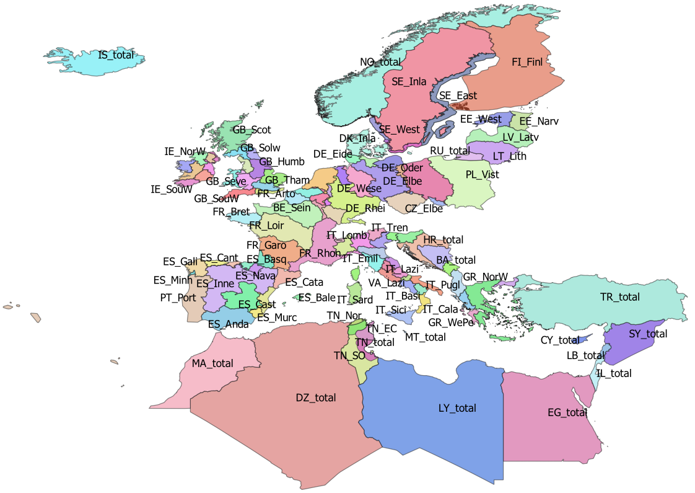
DE_Elbe |  | DE | FALSE
DE_Ems |  | DE | FALSE
DE_Maas |  | DE | FALSE
DE_Oder |  | DE | FALSE
DE_Rhei |  | DE | FALSE
DE_Schl |  | DE | FALSE
DE_Warn |  | DE | FALSE
DE_Wese |  | DE | FALSE
DK_Inla |  | DK | FALSE
DK_Mari | Danish coastal and marine waters | DK | FALSE
EE_Narv |  | EE | FALSE
EE_West |  | EE | FALSE
ES_Anda |  | ES | FALSE
ES_Astu |  | ES | FALSE
ES_Bale |  | ES | FALSE
ES_Basq |  | ES | FALSE
ES_Cant |  | ES | FALSE
ES_Cast |  | ES | FALSE
ES_Cata |  | ES | FALSE
ES_Gali |  | ES | FALSE
ES_Inne |  | ES | FALSE
ES_Minh | Minho transboundary emu | PT | FALSE
ES_Mino |  | ES | FALSE
ES_Murc |  | ES | FALSE
ES_Nava |  | ES | FALSE
ES_Vale |  | ES | FALSE
FR_Adou |  | FR | FALSE
FR_Arto |  | FR | FALSE
FR_Bret |  | FR | FALSE
FR_Cors |  | FR | FALSE
FR_Garo |  | FR | FALSE
FR_Loir |  | FR | FALSE
FR_Meus |  | FR | FALSE
FR_Rhin |  | FR | FALSE
FR_Rhon |  | FR | FALSE
FR_Sein |  | FR | FALSE
GB_Angl |  | GB | FALSE
GB_Dee |  | GB | FALSE
GB_Humb |  | GB | FALSE
GB_Neag |  | GB | FALSE
GB_NorE |  | GB | FALSE
GB_Nort |  | GB | FALSE
GB_NorW |  | GB | FALSE
GB_Scot |  | GB | FALSE
GB_Seve |  | GB | FALSE
GB_Solw |  | GB | FALSE
GB_SouE |  | GB | FALSE
GB_SouW |  | GB | FALSE
GB_Tham |  | GB | FALSE
GB_Wale |  | GB | FALSE
GR_CeAe |  | GR | FALSE
GR_EaMT |  | GR | FALSE
GR_NorW |  | GR | FALSE
GR_WePe |  | GR | FALSE
IE_East |  | IE | FALSE
IE_NorW |  | IE | FALSE
IE_Shan |  | IE | FALSE
IE_SouE |  | IE | FALSE
IE_SouW |  | IE | FALSE
IE_West |  | IE | FALSE
IT_Abru |  | IT | FALSE
IT_Basi |  | IT | FALSE
IT_Cala |  | IT | FALSE
IT_Camp |  | IT | FALSE
IT_Emil |  | IT | FALSE
IT_Frio |  | IT | FALSE
IT_Lazi |  | IT | FALSE
IT_Ligu |  | IT | FALSE
IT_Lomb |  | IT | FALSE
IT_Marc |  | IT | FALSE
IT_Moli |  | IT | FALSE
IT_Piem |  | IT | FALSE
IT_Pugl |  | IT | FALSE
IT_Sard |  | IT | FALSE
IT_Sici |  | IT | FALSE
IT_Tosc |  | IT | FALSE
IT_Tren |  | IT | FALSE
IT_Umbr |  | IT | FALSE
IT_Vall |  | IT | FALSE
IT_Vene |  | IT | FALSE
LT_Lith |  | LT | FALSE
LU_Luxe |  | LU | FALSE
LV_Latv |  | LV | FALSE
PL_Oder |  | PL | FALSE
PL_Vist |  | PL | FALSE
PT_Port |  | PT | FALSE
SE_East |  | SE | FALSE
SE_Inla |  | SE | FALSE
SE_We_o | Historical EMU for Sweden, used for historical data | SE | FALSE
SE_West |  | SE | FALSE
TN_EC | Tunisia East and centre | TN | FALSE
TN_NE | Tunisia North East Medjerda | TN | FALSE
TN_Nor | Tunisia North | TN | FALSE
TN_SO | Tunisia South | TN | FALSE
VA_Lazi |  | VA | FALSE
AL_total |  | AL | TRUE
AX_total |  | AX | TRUE
BA_total |  | BA | TRUE
BE_total |  | BE | TRUE
CY_total |  | CY | TRUE
CZ_total |  | CZ | TRUE
DE_total |  | DE | TRUE
DK_total |  | DK | TRUE
DZ_total |  | DZ | TRUE
EE_total |  | EE | TRUE
EG_total |  | EG | TRUE
ES_total |  | ES | TRUE
FI_Finl |  | FI | TRUE
FI_total |  | FI | TRUE
FR_total |  | FR | TRUE
GB_total |  | GB | TRUE
GR_total |  | GR | TRUE
HR_total |  | HR | TRUE
IE_total |  | IE | TRUE
IL_total |  | IL | TRUE
IS_total | Iceland | IS | TRUE
IT_total |  | IT | TRUE
LB_total |  | LB | TRUE
LT_total |  | LT | TRUE
LU_total |  | LU | TRUE
LV_total |  | LV | TRUE
LY_total |  | LY | TRUE
MA_total |  | MA | TRUE
ME_total |  | ME | TRUE
MT_total |  | MT | TRUE
NL_Neth |  | NL | TRUE
NO_total |  | NO | TRUE
PL_total |  | PL | TRUE
PT_total |  | PT | TRUE
RU_total |  | RU | TRUE
SE_total |  | SE | TRUE
SI_total |  | SI | TRUE
SY_total |  | SY | TRUE
TN_total |  | TN | TRUE
TR_total |  | TR | TRUE
VA_total |  | VA | TRUE
SE_Ea_o | Historical EMU for Sweden, used for historical data | SE
SE_So_o | Historical EMU for Sweden, used for historical data | SE

tr_country_cou
cou_code | cou_country | cou_order | cou_iso3code
AL | Albania | 27 | ALB
AX | Åland | 3 | ALA
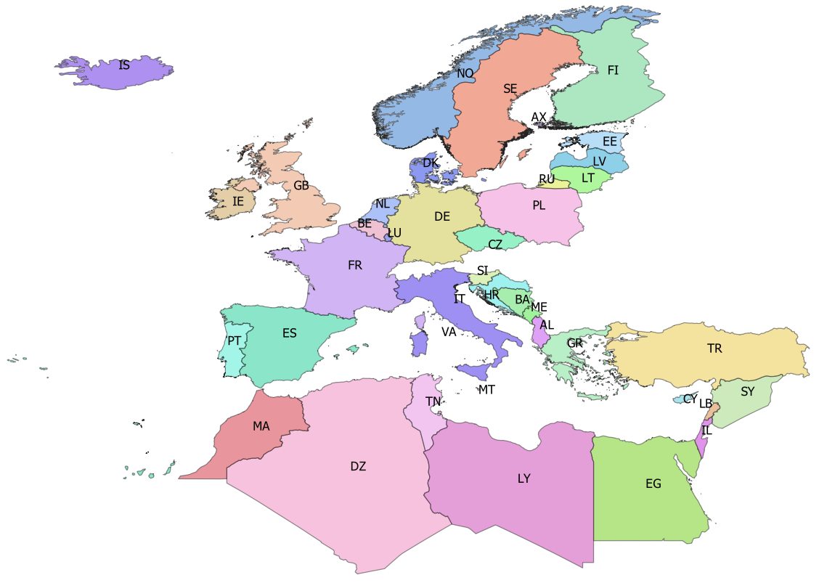
BA | Bosnia-Herzegovina | 25 | BIH
BE | Belgium | 14 | BEL
CY | Cyprus | 35 | CYP
CZ | Czech republic | 10 | CZE
DE | Germany | 11 | DEU
DK | Denmark | 12 | DNK
DZ | Algeria | 42 | DZA
EE | Estonia | 5 | EST
EG | Egypt | 39 | EGY
ES | Spain | 19 | ESP
FI | Finland | 4 | FIN
FR | France | 18 | FRA
GB | Great Britain | 17 | GBR
GR | Greece | 28 | GRC
HR | Croatia | 24 | HRV
IE | Ireland | 16 | IRL
IL | Israel | 38 | ISR
IS | Iceland | 0 | ISL
IT | Italy | 21 | ITA
LB | Lebanon | 37 | LBN
LT | Lithuania | 7 | LTU
LU | Luxembourg | 15 | LUX
LV | Latvia | 6 | LVA
LY | Libya | 40 | LBY
MA | Morocco | 43 | MAR
ME | Montenegro | 26 | MNE
MT | Malta | 22 | MLT
NL | Netherlands | 13 | NLD
NO | Norway | 1 | NOR
PL | Poland | 9 | POL
PT | Portugal | 20 | PRT
RU | Russia | 8 | RUS
SE | Sweden | 2 | SWE
SI | Slovenia | 23 | SVN
SY | Syria | 36 | SYR
TN | Tunisia | 41 | TUN
TR | Turkey | 34 | TUR

tr_faoareas
gid | fid | f_level | f_code | f_status | ocean | subocean | f_area | f_subarea | f_division | f_subdivis | f_subunit | surface
71 | 120 | DIVISION | 37.4.1 | 1 | Atlantic | 3 | 37 | 37.4 | 37.4.1 |  |  | 11827243389
78 | 130 | DIVISION | 71.6.2 | 1 | Pacific | 7 | 71 | _71.6 | 71.6.2 |  |  | 4.4965877481E+12 | Please check also the maps provided by ICES
79 | 131 | DIVISION | 34.4.2 | 1 | Atlantic | 3 | 34 | 34.4 | 34.4.2 |  |  | 3.0235738565E+12 | ICES statistical rectangles | http://gis.ices.dk/sf/index.html?widget=StatRec
72 | 121 | DIVISION | 37.3.2 | 1 | Atlantic | 3 | 37 | 37.3 | 37.3.2 |  |  | 4.4394271216E+11 | FAO areas map | http://www.fao.org/fishery/area/search/en
73 | 122 | DIVISION | 34.1.2 | 1 | Atlantic | 3 | 34 | 34.1 | 34.1.2 |  |  | 6.8237610048E+11
74 | 123 | DIVISION | 34.1.1 | 1 | Atlantic | 3 | 34 | 34.1 | 34.1.1 |  |  | 3.8407183464E+11 | These codes are for use only in the case of Coatsal and Marine Open waters – otherwise you can leave it
98 | 114 | DIVISION | 37.1.2 | 1 | Atlantic | 3 | 37 | 37.1 | 37.1.2 |  |  | 62704555110 | Please only use f_division as the reference.
99 | 115 | DIVISION | 37.1.3 | 1 | Atlantic | 3 | 37 | 37.1 | 37.1.3 |  |  | 3.1374145477E+11
75 | 126 | DIVISION | 34.1.3 | 1 | Atlantic | 3 | 34 | 34.1 | 34.1.3 |  |  | 3.1689909814E+11
76 | 133 | DIVISION | 71.6.1 | 1 | Pacific | 7 | 71 | _71.6 | 71.6.1 |  |  | 5.394501655E+12
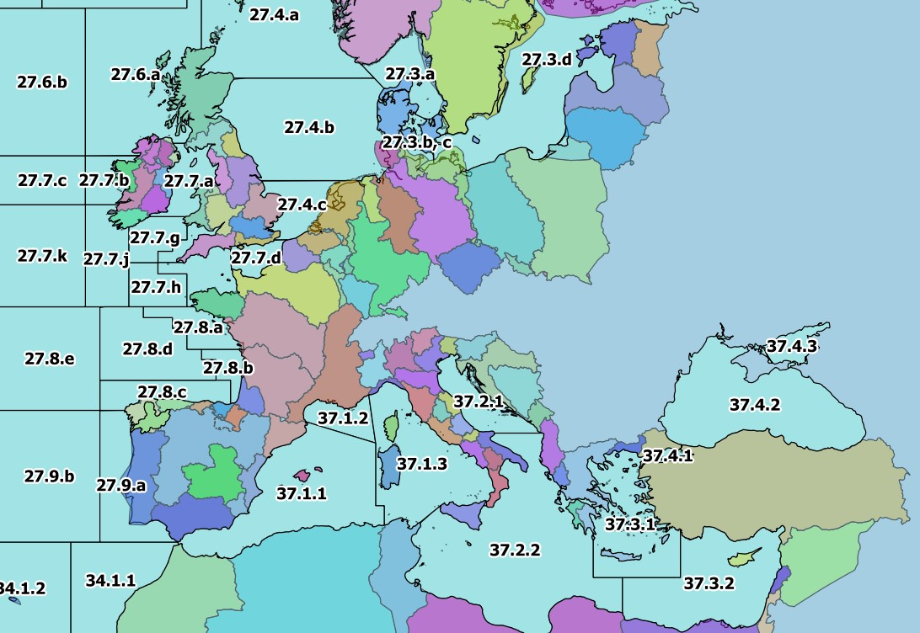
96 | 112 | DIVISION | 37.4.2 | 1 | Atlantic | 3 | 37 | 37.4 | 37.4.2 |  |  | 4.2224797745E+11
113 | 157 | DIVISION | 41.1.4 | 1 | Atlantic | 4 | 41 | 41.1 | 41.1.4 |  |  | 3.8673825625E+12
114 | 158 | DIVISION | 34.4.1 | 1 | Atlantic | 3 | 34 | 34.4 | 34.4.1 |  |  | 1.6956766307E+12
77 | 134 | DIVISION | 34.3.1 | 1 | Atlantic | 3 | 34 | 34.3 | 34.3.1 |  |  | 4.8535342355E+11
100 | 116 | DIVISION | 27.12.b | 1 | Atlantic | 2 | 27 | 27.12 | 27.12.b |  |  | 2.2089912841E+11
80 | 132 | DIVISION | 34.3.2 | 1 | Atlantic | 3 | 34 | 34.3 | 34.3.2 |  |  | 1.1845384452E+12
106 | 150 | DIVISION | 41.1.2 | 1 | Atlantic | 4 | 41 | 41.1 | 41.1.2 |  |  | 6.4234946631E+11
125 | 173 | DIVISION | 58.5.2 | 1 | Indian | 10 | 58 | 58.5 | 58.5.2 |  |  | 6.5499103626E+11
97 | 113 | DIVISION | 37.4.3 | 1 | Atlantic | 3 | 37 | 37.4 | 37.4.3 |  |  | 41321419920
166 | 205 | DIVISION | 47.D.0 | 1 | Atlantic | 4 | 47 | 47.D | 47.D.0 |  |  | 3.9568461054E+12
105 | 149 | DIVISION | 87.1.3 | 1 | Pacific | 8 | 87 | 87.1 | 87.1.3 |  |  | 2.7918904335E+11
117 | 162 | DIVISION | 87.2.5 | 1 | Pacific | 8 | 87 | 87.2 | 87.2.5 |  |  | 81149107681
101 | 117 | DIVISION | 37.2.1 | 1 | Atlantic | 3 | 37 | 37.2 | 37.2.1 |  |  | 98667922161
102 | 118 | DIVISION | 37.2.2 | 1 | Atlantic | 3 | 37 | 37.2 | 37.2.2 |  |  | 8.463424121E+11
103 | 119 | DIVISION | 37.3.1 | 1 | Atlantic | 3 | 37 | 37.3 | 37.3.1 |  |  | 2.8644821287E+11
104 | 148 | DIVISION | 41.1.1 | 1 | Atlantic | 4 | 41 | 41.1 | 41.1.1 |  |  | 8.8139455583E+11
107 | 151 | DIVISION | 41.1.3 | 1 | Atlantic | 4 | 41 | 41.1 | 41.1.3 |  |  | 4.3466642278E+11
108 | 152 | DIVISION | 57.5.1 | 1 | Indian | 5 | 57 | 57.5 | 57.5.1 |  |  | 2.1533130799E+12
121 | 169 | DIVISION | 41.2.4 | 1 | Atlantic | 4 | 41 | 41.2 | 41.2.4 |  |  | 5.197206508E+12
122 | 170 | DIVISION | 41.3.3 | 1 | Atlantic | 4 | 41 | 41.3 | 41.3.3 |  |  | 2.4393578165E+12
123 | 171 | DIVISION | 27.10.a | 1 | Atlantic | 2 | 27 | 27.10 | 27.10.a |  |  | 1.6007574647E+12
124 | 172 | DIVISION | 27.9.b | 1 | Atlantic | 2 | 27 | 27.9 | 27.9.b |  |  | 4.6763680928E+11
109 | 153 | DIVISION | 87.2.6 | 1 | Pacific | 8 | 87 | 87.2 | 87.2.6 |  |  | 9.9300606702E+12
110 | 154 | DIVISION | 87.2.2 | 1 | Pacific | 8 | 87 | 87.2 | 87.2.2 |  |  | 3.8596179793E+11
111 | 155 | DIVISION | 87.2.1 | 1 | Pacific | 8 | 87 | 87.2 | 87.2.1 |  |  | 3.7875233544E+11
112 | 156 | DIVISION | 41.2.1 | 1 | Atlantic | 4 | 41 | 41.2 | 41.2.1 |  |  | 6.5563585246E+11
115 | 159 | DIVISION | 57.5.2 | 1 | Indian | 5 | 57 | 57.5 | 57.5.2 |  |  | 1.6963027142E+12
116 | 160 | DIVISION | 87.2.3 | 1 | Pacific | 8 | 87 | 87.2 | 87.2.3 |  |  | 85283982521
118 | 163 | DIVISION | 41.2.2 | 1 | Atlantic | 4 | 41 | 41.2 | 41.2.2 |  |  | 3.4447105362E+11
119 | 164 | DIVISION | 87.2.4 | 1 | Pacific | 8 | 87 | 87.2 | 87.2.4 |  |  | 1.3517500454E+11
120 | 165 | DIVISION | 87.3.3 | 1 | Pacific | 8 | 87 | 87.3 | 87.3.3 |  |  | 7.0435159127E+12
126 | 174 | DIVISION | 58.4.4 | 1 | Indian | 10 | 58 | 58.4 | 58.4.4 |  |  | 2.4960539783E+12
127 | 175 | DIVISION | 41.2.3 | 1 | Atlantic | 4 | 41 | 41.2 | 41.2.3 |  |  | 4.6731294794E+11
138 | 146 | DIVISION | 87.1.2 | 1 | Pacific | 8 | 87 | 87.1 | 87.1.2 |  |  | 5.0490011797E+11
130 | 178 | DIVISION | 34.3.6 | 1 | Atlantic | 3 | 34 | 34.3 | 34.3.6 |  |  | 5.5056565487E+11
128 | 176 | DIVISION | 41.3.1 | 1 | Atlantic | 4 | 41 | 41.3 | 41.3.1 |  |  | 1.0883663202E+12
129 | 177 | DIVISION | 37.1.1 | 1 | Atlantic | 3 | 37 | 37.1 | 37.1.1 |  |  | 4.6818694853E+11
179 | 260 | DIVISION | 27.6.b | 1 | Atlantic | 2 | 27 | 27.6 | 27.6.b |  |  | 2.2155353285E+11
131 | 166 | DIVISION | 87.3.2 | 1 | Pacific | 8 | 87 | 87.3 | 87.3.2 |  |  | 3.6127075642E+11
132 | 167 | DIVISION | 87.3.1 | 1 | Pacific | 8 | 87 | 87.3 | 87.3.1 |  |  | 4.4833006009E+11
133 | 168 | DIVISION | 58.5.1 | 1 | Indian | 10 | 58 | 58.5 | 58.5.1 |  |  | 1.0830864153E+12
134 | 142 | DIVISION | 34.3.3 | 1 | Atlantic | 3 | 34 | 34.3 | 34.3.3 |  |  | 1.1474193123E+12
135 | 143 | DIVISION | 87.1.1 | 1 | Pacific | 8 | 87 | 87.1 | 87.1.1 |  |  | 5.6919002649E+11
155 | 208 | DIVISION | 47.1.3 | 1 | Atlantic | 4 | 47 | 47.1 | 47.1.3 |  |  | 2.1712156714E+11
136 | 144 | DIVISION | 34.3.4 | 1 | Atlantic | 3 | 34 | 34.3 | 34.3.4 |  |  | 7.1688073434E+11
144 | 193 | DIVISION | 47.A.0 | 1 | Atlantic | 4 | 47 | 47.A | 47.A.0 |  |  | 3.8156189159E+12
137 | 145 | DIVISION | 34.3.5 | 1 | Atlantic | 3 | 34 | 34.3 | 34.3.5 |  |  | 4.1212734288E+11
145 | 194 | DIVISION | 47.A.1 | 1 | Atlantic | 4 | 47 | 47.A | 47.A.1 |  |  | 1.0930129465E+12
146 | 195 | DIVISION | 21.1.D | 1 | Atlantic | 2 | 21 | 21.1 | 21.1.D |  |  | 70014038602
147 | 196 | DIVISION | 21.1.E | 1 | Atlantic | 2 | 21 | 21.1 | 21.1.E |  |  | 88359698256
148 | 197 | DIVISION | 21.2.G | 1 | Atlantic | 2 | 21 | 21.2 | 21.2.G |  |  | 1.7199269126E+11
149 | 198 | DIVISION | 21.1.F | 1 | Atlantic | 2 | 21 | 21.1 | 21.1.F |  |  | 4.1223443166E+11
150 | 199 | DIVISION | 21.2.H | 1 | Atlantic | 2 | 21 | 21.2 | 21.2.H |  |  | 1.8630740739E+11
139 | 147 | DIVISION | 87.1.4 | 1 | Pacific | 8 | 87 | 87.1 | 87.1.4 |  |  | 1.0566518729E+13
140 | 189 | DIVISION | 41.3.2 | 1 | Atlantic | 4 | 41 | 41.3 | 41.3.2 |  |  | 1.5197998155E+12
141 | 190 | DIVISION | 58.4.2 | 1 | Indian | 10 | 58 | 58.4 | 58.4.2 |  |  | 1.5596670646E+12
142 | 191 | DIVISION | 58.4.1 | 1 | Indian | 10 | 58 | 58.4 | 58.4.1 |  |  | 4.5940913728E+12
143 | 192 | DIVISION | 58.4.3 | 1 | Indian | 10 | 58 | 58.4 | 58.4.3 |  |  | 1.1749756182E+12
154 | 207 | DIVISION | 47.2.1 | 1 | Atlantic | 4 | 47 | 47.2 | 47.2.1 |  |  | 1.758261644E+11
151 | 200 | DIVISION | 21.3.M | 1 | Atlantic | 2 | 21 | 21.3 | 21.3.M |  |  | 4.0964555025E+11
152 | 201 | DIVISION | 21.3.O | 1 | Atlantic | 2 | 21 | 21.3 | 21.3.O |  |  | 1.4087240713E+11
153 | 202 | DIVISION | 47.1.1 | 1 | Atlantic | 4 | 47 | 47.1 | 47.1.1 |  |  | 1.7743778321E+11
156 | 209 | DIVISION | 47.1.4 | 1 | Atlantic | 4 | 47 | 47.1 | 47.1.4 |  |  | 2.2324467513E+11
157 | 210 | DIVISION | 47.1.5 | 1 | Atlantic | 4 | 47 | 47.1 | 47.1.5 |  |  | 2.2660832618E+11
167 | 206 | DIVISION | 47.2.2 | 1 | Atlantic | 4 | 47 | 47.2 | 47.2.2 |  |  | 1.9793986876E+11
158 | 211 | DIVISION | 47.1.6 | 1 | Atlantic | 4 | 47 | 47.1 | 47.1.6 |  |  | 3.5771216982E+11
161 | 214 | DIVISION | 27.8.b | 1 | Atlantic | 2 | 27 | 27.8 | 27.8.b |  |  | 34964551008
162 | 215 | DIVISION | 27.10.b | 1 | Atlantic | 2 | 27 | 27.10 | 27.10.b |  |  | 1.0420531582E+12
165 | 204 | DIVISION | 47.C.0 | 1 | Atlantic | 4 | 47 | 47.C | 47.C.0 |  |  | 3.49107238E+12
159 | 212 | DIVISION | 27.9.a | 1 | Atlantic | 2 | 27 | 27.9 | 27.9.a |  |  | 1.6797139363E+11
160 | 213 | DIVISION | 27.8.c | 1 | Atlantic | 2 | 27 | 27.8 | 27.8.c |  |  | 92763573598
163 | 216 | DIVISION | 27.8.e | 1 | Atlantic | 2 | 27 | 27.8 | 27.8.e |  |  | 3.039321707E+11
164 | 203 | DIVISION | 47.1.2 | 1 | Atlantic | 4 | 47 | 47.1 | 47.1.2 |  |  | 2.2898701024E+11
168 | 249 | DIVISION | 27.7.j | 1 | Atlantic | 2 | 27 | 27.7 | 27.7.j |  |  | 99469988428
169 | 250 | DIVISION | 27.7.h | 1 | Atlantic | 2 | 27 | 27.7 | 27.7.h |  |  | 57004067471
170 | 251 | DIVISION | 27.7.f | 1 | Atlantic | 2 | 27 | 27.7 | 27.7.f |  |  | 18973216548
171 | 252 | DIVISION | 27.7.g | 1 | Atlantic | 2 | 27 | 27.7 | 27.7.g |  |  | 47663203973
172 | 253 | DIVISION | 27.12.c | 1 | Atlantic | 2 | 27 | 27.12 | 27.12.c |  |  | 8.5659695385E+11
173 | 254 | DIVISION | 27.7.k | 1 | Atlantic | 2 | 27 | 27.7 | 27.7.k |  |  | 2.1450534608E+11
174 | 255 | DIVISION | 27.4.c | 1 | Atlantic | 2 | 27 | 27.4 | 27.4.c |  |  | 64302618029
175 | 256 | DIVISION | 27.7.c | 1 | Atlantic | 2 | 27 | 27.7 | 27.7.c |  |  | 88580563653
176 | 257 | DIVISION | 27.3.d | 1 | Atlantic | 2 | 27 | 27.3 | 27.3.d |  |  | 3.8016191882E+11
177 | 258 | DIVISION | 27.3.b, c | 1 | Atlantic | 2 | 27 | 27.3 | 27.3.b, c |  |  | 20488533250
178 | 259 | DIVISION | 27.4.b | 1 | Atlantic | 2 | 27 | 27.4 | 27.4.b |  |  | 2.8138452398E+11
180 | 261 | DIVISION | 27.5.b | 1 | Atlantic | 2 | 27 | 27.5 | 27.5.b |  |  | 1.9220460306E+11
181 | 262 | DIVISION | 27.12.a | 1 | Atlantic | 2 | 27 | 27.12 | 27.12.a |  |  | 1.0705370691E+12
182 | 263 | DIVISION | 27.5.a | 1 | Atlantic | 2 | 27 | 27.5 | 27.5.a |  |  | 3.787611177E+11
183 | 264 | DIVISION | 27.14.b | 1 | Atlantic | 2 | 27 | 27.14 | 27.14.b |  |  | 6.7386549825E+11
184 | 265 | DIVISION | 27.2.a | 1 | Atlantic | 2 | 27 | 27.2 | 27.2.a |  |  | 1.4329040333E+12
185 | 266 | DIVISION | 27.2.b | 1 | Atlantic | 2 | 27 | 27.2 | 27.2.b |  |  | 1.1251753495E+12
186 | 267 | DIVISION | 27.1.a | 1 | Atlantic | 2 | 27 | 27.1 | 27.1.a |  |  | 66867090359
187 | 268 | DIVISION | 27.14.a | 1 | Atlantic | 2 | 27 | 27.14 | 27.14.a |  |  | 6.6009656446E+11
188 | 269 | DIVISION | 27.7.e | 1 | Atlantic | 2 | 27 | 27.7 | 27.7.e |  |  | 56394287388
189 | 270 | DIVISION | 27.7.d | 1 | Atlantic | 2 | 27 | 27.7 | 27.7.d |  |  | 33233430849
190 | 271 | DIVISION | 27.6.a | 1 | Atlantic | 2 | 27 | 27.6 | 27.6.a |  |  | 2.3709200662E+11
198 | 272 | DIVISION | 27.7.b | 1 | Atlantic | 2 | 27 | 27.7 | 27.7.b |  |  | 35977798774
206 | 217 | DIVISION | 27.8.d | 1 | Atlantic | 2 | 27 | 27.8 | 27.8.d |  |  | 1.8190837118E+11
199 | 273 | DIVISION | 27.7.a | 1 | Atlantic | 2 | 27 | 27.7 | 27.7.a |  |  | 50225031975
200 | 274 | DIVISION | 27.4.a | 1 | Atlantic | 2 | 27 | 27.4 | 27.4.a |  |  | 2.6990033572E+11
201 | 275 | DIVISION | 27.1.b | 1 | Atlantic | 2 | 27 | 27.1 | 27.1.b |  |  | 1.5571314147E+12
202 | 277 | DIVISION | 27.3.a | 1 | Atlantic | 2 | 27 | 27.3 | 27.3.a |  |  | 54943741725
207 | 218 | DIVISION | 21.3.N | 1 | Atlantic | 2 | 21 | 21.3 | 21.3.N |  |  | 2.8300257198E+11
208 | 219 | DIVISION | 21.4.V | 1 | Atlantic | 2 | 21 | 21.4 | 21.4.V |  |  | 3.6983537089E+11
212 | 223 | DIVISION | 21.6.E | 1 | Atlantic | 2 | 21 | 21.6 | 21.6.E |  |  | 1.9752551717E+11
213 | 224 | DIVISION | 21.6.F | 1 | Atlantic | 2 | 21 | 21.6 | 21.6.F |  |  | 1.9752551717E+11
214 | 225 | DIVISION | 21.6.G | 1 | Atlantic | 2 | 21 | 21.6 | 21.6.G |  |  | 1.9752551717E+11
209 | 220 | DIVISION | 21.5.Z | 1 | Atlantic | 2 | 21 | 21.5 | 21.5.Z |  |  | 1.7508389379E+11
223 | 234 | DIVISION | 21.3.K | 1 | Atlantic | 2 | 21 | 21.3 | 21.3.K |  |  | 3.235101819E+11
224 | 235 | DIVISION | 21.2.J | 1 | Atlantic | 2 | 21 | 21.2 | 21.2.J |  |  | 2.8364420939E+11
210 | 221 | DIVISION | 21.6.B | 1 | Atlantic | 2 | 21 | 21.6 | 21.6.B |  |  | 1.1778897788E+11
211 | 222 | DIVISION | 21.6.D | 1 | Atlantic | 2 | 21 | 21.6 | 21.6.D |  |  | 1.9752551717E+11
215 | 226 | DIVISION | 21.6.H | 1 | Atlantic | 2 | 21 | 21.6 | 21.6.H |  |  | 3.1604082825E+11
216 | 227 | DIVISION | 21.0.A | 1 | Atlantic | 2 | 21 | 21.0 | 21.0.A |  |  | 3.478786631E+11
217 | 228 | DIVISION | 21.1.A | 1 | Atlantic | 2 | 21 | 21.1 | 21.1.A |  |  | 3.0887757718E+11
218 | 229 | DIVISION | 21.1.B | 1 | Atlantic | 2 | 21 | 21.1 | 21.1.B |  |  | 64571421055
219 | 230 | DIVISION | 21.0.B | 1 | Atlantic | 2 | 21 | 21.0 | 21.0.B |  |  | 2.3416727016E+11
220 | 231 | DIVISION | 21.1.C | 1 | Atlantic | 2 | 21 | 21.1 | 21.1.C |  |  | 55224442104
235 | 246 | DIVISION | 47.C.1 | 1 | Atlantic | 4 | 47 | 47.C | 47.C.1 |  |  | 9.9078538853E+11
236 | 247 | DIVISION | 47.B.0 | 1 | Atlantic | 4 | 47 | 47.B | 47.B.0 |  |  | 1.810986046E+12
221 | 232 | DIVISION | 21.4.W | 1 | Atlantic | 2 | 21 | 21.4 | 21.4.W |  |  | 2.3733520377E+11
237 | 248 | DIVISION | 27.8.a | 1 | Atlantic | 2 | 27 | 27.8 | 27.8.a |  |  | 62661971418
222 | 233 | DIVISION | 21.4.S | 1 | Atlantic | 2 | 21 | 21.4 | 21.4.S |  |  | 83188988725
225 | 236 | DIVISION | 21.6.A | 1 | Atlantic | 2 | 21 | 21.6 | 21.6.A |  |  | 48859563881
226 | 237 | DIVISION | 21.6.C | 1 | Atlantic | 2 | 21 | 21.6 | 21.6.C |  |  | 1.2320852739E+11
227 | 238 | DIVISION | 21.4.R | 1 | Atlantic | 2 | 21 | 21.4 | 21.4.R |  |  | 41032406057
228 | 239 | DIVISION | 21.3.L | 1 | Atlantic | 2 | 21 | 21.3 | 21.3.L |  |  | 1.9142166479E+11
229 | 240 | DIVISION | 21.3.P | 1 | Atlantic | 2 | 21 | 21.3 | 21.3.P |  |  | 1.0197374728E+11
230 | 241 | DIVISION | 21.4.X | 1 | Atlantic | 2 | 21 | 21.4 | 21.4.X |  |  | 1.5425886412E+11
231 | 242 | DIVISION | 21.5.Y | 1 | Atlantic | 2 | 21 | 21.5 | 21.5.Y |  |  | 58396273397
232 | 243 | DIVISION | 21.4.T | 1 | Atlantic | 2 | 21 | 21.4 | 21.4.T |  |  | 1.119470056E+11
233 | 244 | DIVISION | 47.D.1 | 1 | Atlantic | 4 | 47 | 47.D | 47.D.1 |  |  | 4.1867328636E+11
234 | 245 | DIVISION | 47.B.1 | 1 | Atlantic | 4 | 47 | 47.B | 47.B.1 |  |  | 9.6050509624E+11

