readme
This sheet corresponds to release (release_n, or gee_n). Don't use any other type.
In the case of release data, you must provide with both a weight, and a number, this is to allow the wgeel to derive an approximate age of released eels according to weight and numbers. For this reason this sheet has two columns one for kg, on for numbers.
You can also provide your value in term of glass eel equivalent.
To help you fill in the data, we have provided an extract from the database. There are six sheets: metadata, existing_kept, existing_discarded, new_data, updated_data, and delete_data.
(1) The metadata is used to add contact person's information and any comments about the dataset.
(2) The existing_kept corresponds to data currently in the database that the working group is using. It is either labelled with an id of quality (id_qal) of 1 (good), 2 (modified by the working group), or 4 (there are doubts but wgeel has kept the data) - see table tr_quality_qal for the labels. DO NOT ENTER DATA IN THIS SHEET.
(3) The existing_discarded sheet corresponds to data in the database that is not used by the working group : either 3 (bad quality), or code of the year (e.g. 18, 19) when the data was removed from the database, mostly as duplicates were identified and removed. There should be a comment about why the data has been removed. DO NOT ENTER DATA IN THIS SHEET
(4) The new_data corresponds to two kinds of data:
(4.1) Missing data, which is pre-filled combination of possible missing data that we have identified for the past twenty years. We searched whether any data was entered one year for a given emu, habitat type or lifestage. We also searched whether there might be one entry with an aggegated data attribute (e.g. AL habitat, XX_total for emu, YS for lifestage). When that match did not exist, we generated a line with NP in the database, that is: no data was ever collected for this stage and this habitat, and this was identified as not pertinent (NP), with a comment 'no landings ever recorded in the db'. If a fishery occured sometime in the past, but no data was collected later, we suppose the fishery stopped; the data are marked as NP not pertinent, with the comment 'landings ended in <year>'.
(4.2) Pre-filled new data. In the three last years, data might be missing because it was not completely collected. Then the data is marked as NC (not collected). If you have new data to fill in, you will remove the NC, add the value, change the eel_datasource to dc_202X (202X=the current year). In current year data is generally not collected. You can remove those lines if you have no data.
So in practise, please check that data marked as NP are correct. Then check for NC data and try to replace with new data by removing the NP attribute, setting a value, and change the datasource to dc_202X. Then screen for current year lines and remove if you have no data yet. And please remember, you have to fill in eel_value OR eel_missvalueqal, never both, always one or the other.
(5) The updated_data is to correct existing data, please copy the line from existing_kept, and copy the line in the new_data sheet. Please provide a comment.
(6) The deleted_data is to delete existing data, please copy the line from existing_kept, and copy the line in the delete_data sheet. Please provide a comment.
--------------------------------
Glass eel equivalents
The glass eel equivalent method has been provided in ICES (2013) report p103. You need a mean weight for each release in the original table from which you will extract the synthesis in glass eel equivalent per EMU per habitat. The mean weight of eel, is converted to length using length(cm)=9.604*body_mass(g)^0.3033. Annual growth rate values have been provided for some countries, they range from 7.7 (Italy) to 4.5 in Sweden. These will be used to split your dataset into age group. Each age group will then be applied a "loss" rate due to natural mortality using Dekker (2000), for instance if you have two years, you will calculate the number of glass eel equivalent as the sum of the eels in different year classes
Ngee=sum_y(NYellow_y /e-y*0,138) where Y is the number of year, Nyellow_y is the number of eel in the year class Y.
For some eels you will calculate that they belong to age two. But still don't try to correct the number of stocked eel from year minus two. This is really for the eels stocked this year, but converted to "larger" glass eel numbers, as they might experience a lesser mortality.
Column headers (new_data) | Explanation of header and name of sheet providing codes
eel_typ_name | type of series see tr_typeseries_ser, here only use release_n or gee_n
eel_year | year : the year that stocking took place, not any other year.
eel_value_number | Value (number), both value in number and kg are required
eel_value_kg | Value (kilograms), both value in number and kg are required
eel_missvaluequal | Qualification for missing values, only use if eel_value is blank (no value). Don't use if there is a zero in the cell. NC not collected, NP not pertinent.
eel_emu_nameshort | Code of emu see tr_emu_emu, in case you provide data for each EMU separately then you don't need to fill in for AL and vice versa
eel_cou_code | Code of country see tr_country_cou
eel_lfs_code | Code of lifestage see tr_lifestage_lfs possible values G, Y, S, YS note GY is not allowed for landings, please try not to use AL.
eel_hty_code | Code of habitat type see eel_hty_code (F=Freshwater, MO=Marine Open,T=transitional, AL=aggregate...).
eel_area_division | Fao code ofsea region (division level) see tr_fao_area (column division)(https://github.com/ices-eg/WGEEL/wiki). Do not provide an ICES area for freshwater, this is only for habitat MO and Transitional.
eel_qal_id | Data quality index, please assign using instructions under new_data and updated_data tabs.
eel_qal_comment | Comment to justify the eel_qal_id if eel_qal_id is different from 1
eel_comment | Comment on data

existing_kept
The existing_kept corresponds to data currently in the database that the working group is using. It is either labelled with an id of quality (id_qal) of 1 (good), 2 (modified by the working group), or 4 (there are doubts but wgeel has kept the data) - see table tr_quality_qal for the labels. DO NOT ENTER DATA IN THIS SHEET.
Use this sheet to copy data that you need to correct (and move to updated_data or deleted_data)
eel_id | eel_typ_name | eel_year | eel_value | eel_missvaluequal | eel_emu_nameshort | eel_cou_code | eel_lfs_code | eel_hty_code | eel_area_division | eel_qal_id | eel_qal_comment | eel_comment | eel_datelastupdate | eel_datasource | eel_dta_code

existing_discarded
The existing_discarded sheet corresponds to data in the database that is not used by the working group : either 3 (bad quality), or code of the year (e.g. 18, 19) when the data was removed from the database, mostly as duplicates were identified and removed. DO NOT ENTER DATA IN THIS SHEET
eel_id | eel_typ_name | eel_year | eel_value | eel_missvaluequal | eel_emu_nameshort | eel_cou_code | eel_lfs_code | eel_hty_code | eel_area_division | eel_qal_id | eel_qal_comment | eel_comment | eel_datelastupdate | eel_datasource | eel_dta_code

new_data
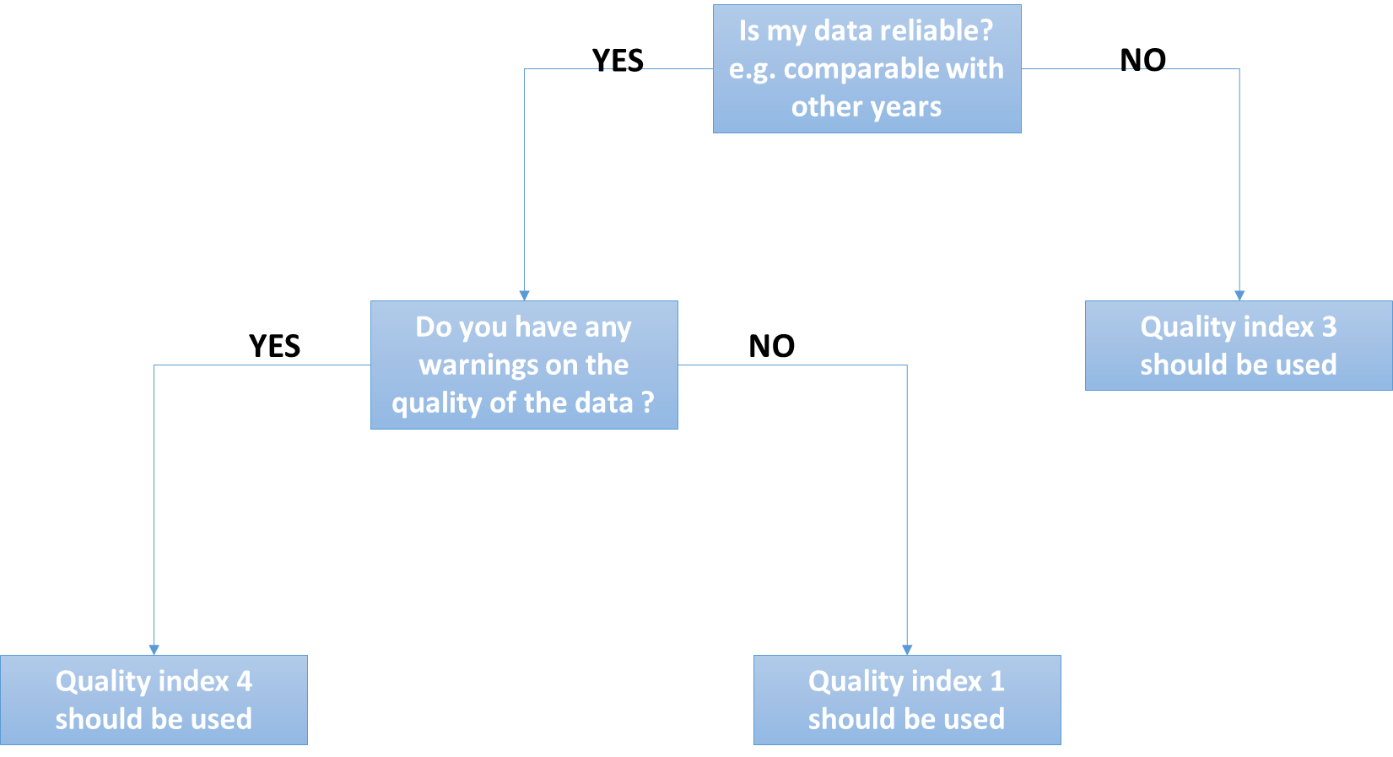
eel_typ_name | eel_year | eel_value_number | eel_value_kg | eel_missvaluequal | eel_emu_nameshort | eel_cou_code | eel_lfs_code | eel_hty_code | eel_area_division | eel_qal_id | eel_qal_comment | eel_comment
Use this sheet to :
(1) Check missing historical data.
The new_data corresponds to all combinations of possible missing data that we have identified for the past twenty years. We searched whether any data was entered one year for a given emu, habitat type or lifestage. We also searched whether there might be one entry with an aggegated data attribute (e.g. AL habitat, XX_total for emu, YS for lifestage). When that match did not exist, we generated a line with NP in the database, that is: no data was ever collected for this stage and this habitat, and this was identified as not pertinent (NP), with a comment 'no landings ever recorded in the db'. If a fishery occured sometime in the past, but no data was collected later, we suppose the fishery stopped; the data are marked as NP not pertinent, with the comment 'landings ended in <year>'.
(2) Insert new data : it's already pre-filled
In the three last years, data might be missing because it was not completely collected. Then the data is marked as NC (not collected). If you have new data to fill in, you will remove the NC, add the value, change the eel_datasource to dc_202X (202X=the current year). In current year data is generally not collected. You can remove those lines if you have no data.
So in practise, please check that data marked as NP are correct (use a filter for NP data). Then check for NC data and try to replace with new data by removing the NC attribute, setting a value, and change the datasource to dc_202X. Then screen for current year lines and remove if you have no data yet. And please remember, you have to fill in eel_value OR eel_missvalueqal, never both, always one or the other.
Please remember this : you have to fill in eel_value OR eel_missvalueqal, never both, always one or the other. You never provide an ICES division (eel_area_division) for Freshwater. You should always fill in all fields, except comments and eel_area_division in Freshwater.
Please do not provide an ICES area for freshwater, this is only for habitat MO and Transitional.

updated_data
eel_id | eel_typ_name | eel_year | eel_value | eel_missvaluequal | eel_emu_nameshort | eel_cou_code | eel_lfs_code | eel_hty_code | eel_area_division | eel_qal_id | eel_qal_comment | eel_comment

Use this sheet to provide corrections for existing data
If you want to correct existing data, please copy the line from existing_kept, and paste the line in the updated_data sheet. Please provide a comment and highlight the values that were changed.
If the lfs_code, or eel_area_code, or eel_emu_nameshort is changed then this requires a manual edition in the database. This should be done in the data integration session.

Deleted_data
eel_id | eel_typ_name | eel_year | eel_value | eel_missvaluequal | eel_emu_nameshort | eel_cou_code | eel_lfs_code | eel_hty_code | eel_area_division | eel_qal_id | eel_qal_comment | eel_comment
Use this sheet to DELETE existing data
If you want to delete existing data, please copy the line from existing_kept, and paste the line in the delete_data sheet. Please provide a comment on deleted data.

tr_emu_em
emu_nameshort | emu_cou_code | emu_wholecountry
AL_total | AL | t
AX_total | AX | t
BA_total | BA | t
BE_Meus | BE | f
BE_Rhin | BE | f
BE_Sche | BE | f
BE_Sein | BE | f
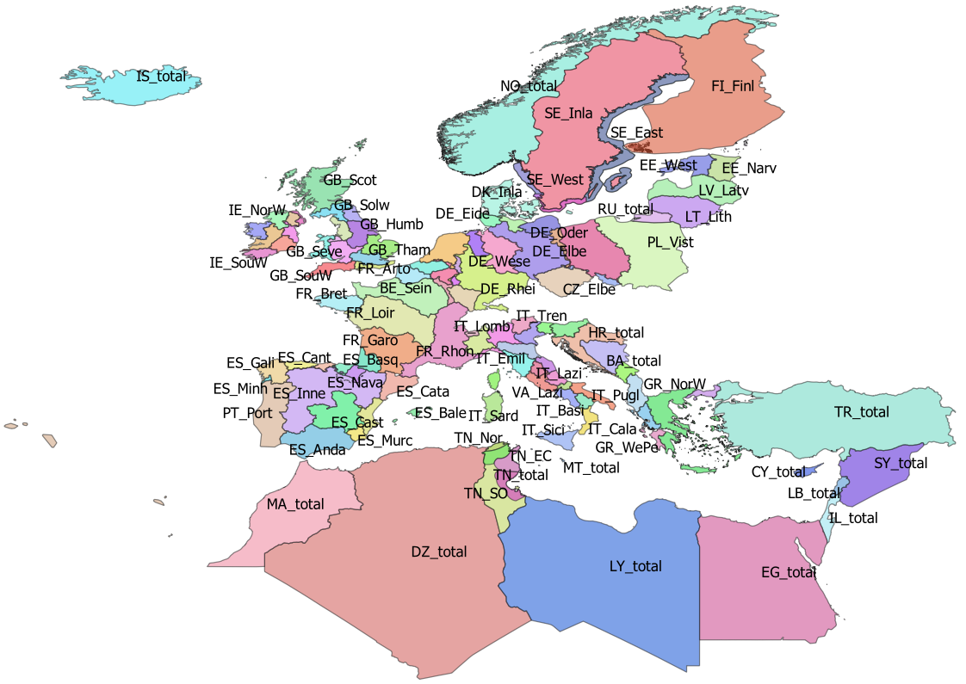
BE_total | BE | t
CY_total | CY | t
CZ_Elbe | CZ | f
CZ_Oder | CZ | f
CZ_total | CZ | t
DE_Eide | DE | f
DE_Elbe | DE | f
DE_Ems | DE | f
DE_Maas | DE | f
DE_Oder | DE | f
DE_Rhei | DE | f
DE_Schl | DE | f
DE_total | DE | t
DE_Warn | DE | f
DE_Wese | DE | f
DK_Mari | DK | f
DK_Inla | DK | f
DK_total | DK | t
DZ_total | DZ | t
EE_Narv | EE | f
EE_total | EE | t
EE_West | EE | f
EG_total | EG | t
ES_Anda | ES | f
ES_Astu | ES | f
ES_Bale | ES | f
ES_Basq | ES | f
ES_Cant | ES | f
ES_Cast | ES | f
ES_Cata | ES | f
ES_Gali | ES | f
ES_Inne | ES | f
ES_Minh | PT | f
ES_Mino | ES | f
ES_Murc | ES | f
ES_Nava | ES | f
ES_total | ES | t
ES_Vale | ES | f
FI_Finl | FI | f
FI_total | FI | t
FR_Adou | FR | f
FR_Arto | FR | f
FR_Bret | FR | f
FR_Cors | FR | f
FR_Garo | FR | f
FR_Loir | FR | f
FR_Meus | FR | f
FR_Rhin | FR | f
FR_Rhon | FR | f
FR_Sein | FR | f
FR_total | FR | t
GB_Angl | GB | f
GB_Dee | GB | f
GB_Humb | GB | f
GB_Neag | GB | f
GB_NorE | GB | f
GB_Nort | GB | f
GB_NorW | GB | f
GB_Scot | GB | f
GB_Seve | GB | f
GB_Solw | GB | f
GB_SouE | GB | f
GB_SouW | GB | f
GB_Tham | GB | f
GB_total | GB | t
GB_Wale | GB | f
GR_CeAe | GR | f
GR_EaMT | GR | f
GR_NorW | GR | f
GR_total | GR | t
GR_WePe | GR | f
HR_total | HR | t
IE_East | IE | f
IE_NorW | IE | f
IE_Shan | IE | f
IE_SouE | IE | f
IE_SouW | IE | f
IE_total | IE | t
IE_West | IE | f
IL_total | IL | t
IS_total | IS | t
IT_Abru | IT | f
IT_Basi | IT | f
IT_Cala | IT | f
IT_Camp | IT | f
IT_Emil | IT | f
IT_Frio | IT | f
IT_Lazi | IT | f
IT_Ligu | IT | f
IT_Lomb | IT | f
IT_Marc | IT | f
IT_Moli | IT | f
IT_Piem | IT | f
IT_Pugl | IT | f
IT_Sard | IT | f
IT_Sici | IT | f
IT_Tosc | IT | f
IT_total | IT | t
IT_Tren | IT | f
IT_Umbr | IT | f
IT_Vall | IT | f
IT_Vene | IT | f
LB_total | LB | t
LT_Lith | LT | f
LT_total | LT | t
LU_Luxe | LU | f
LU_total | LU | t
LV_Latv | LV | f
LV_total | LV | t
LY_total | LY | t
MA_total | MA | t
ME_total | ME | t
MT_total | MT | t
NL_Neth | NL | f
NL_total | NL | t
NO_total | NO | t
PL_Oder | PL | f
PL_total | PL | t
PL_Vist | PL | f
PT_Port | PT | f
PT_total | PT | t
RU_total | RU | t
SE_Ea_o | SE
SE_East | SE | f
SE_Inla | SE | f
SE_So_o | SE
SE_total | SE | t
SE_We_o | SE
SE_West | SE | f
SI_total | SI | t
SY_total | SY | t
TN_EC | TN | f
TN_NE | TN | f
TN_Nor | TN | f
TN_SO | TN | f
TN_total | TN | t
TR_total | TR | t

tr_country_cou
cou_code | cou_country | cou_order | cou_iso3code
IS | Iceland | 0 | ISL
NO | Norway | 1 | NOR
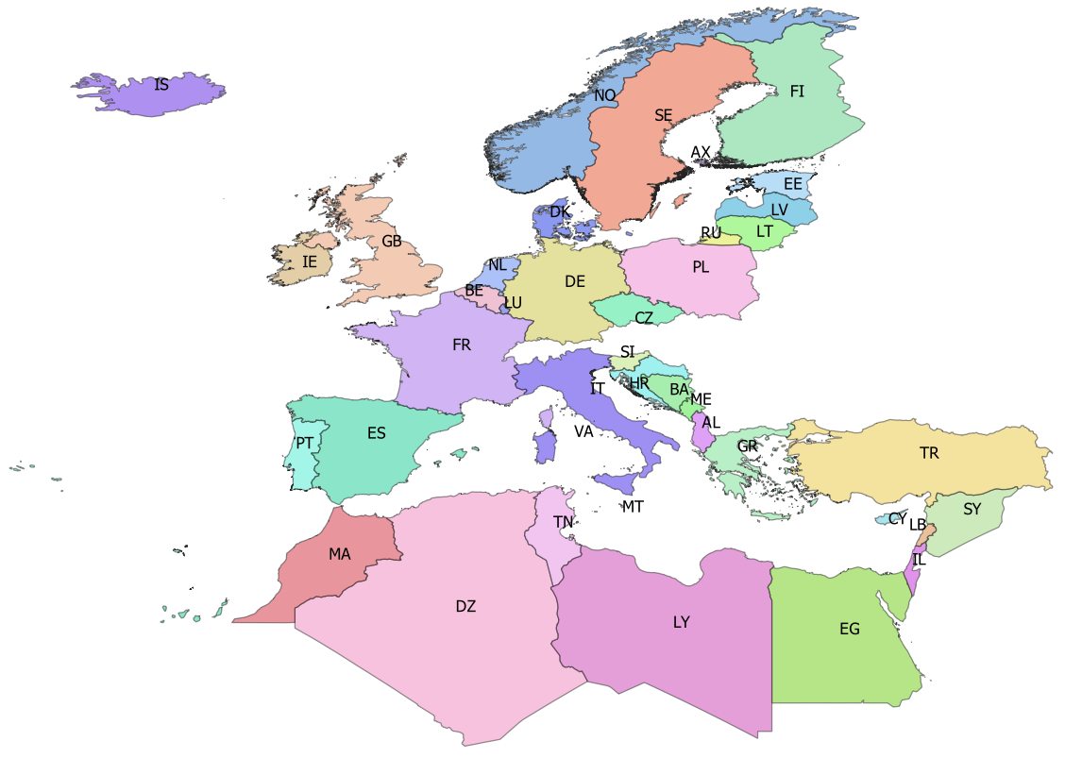
SE | Sweden | 2 | SWE
AX | Åland | 3 | ALA
FI | Finland | 4 | FIN
EE | Estonia | 5 | EST
LV | Latvia | 6 | LVA
LT | Lithuania | 7 | LTU
RU | Russia | 8 | RUS
PL | Poland | 9 | POL
CZ | Czech republic | 10 | CZE
DE | Germany | 11 | DEU
DK | Denmark | 12 | DNK
NL | Netherlands | 13 | NLD
BE | Belgium | 14 | BEL
LU | Luxembourg | 15 | LUX
IE | Ireland | 16 | IRL
GB | Great Britain | 17 | GBR
FR | France | 18 | FRA
ES | Spain | 19 | ESP
PT | Portugal | 20 | PRT
IT | Italy | 21 | ITA
MT | Malta | 22 | MLT
SI | Slovenia | 23 | SVN
HR | Croatia | 24 | HRV
BA | Bosnia-Herzegovina | 25 | BIH
ME | Montenegro | 26 | MNE
AL | Albania | 27 | ALB
GR | Greece | 28 | GRC
TR | Turkey | 34 | TUR
CY | Cyprus | 35 | CYP
SY | Syria | 36 | SYR
LB | Lebanon | 37 | LBN
IL | Israel | 38 | ISR
EG | Egypt | 39 | EGY
LY | Libya | 40 | LBY
TN | Tunisia | 41 | TUN
DZ | Algeria | 42 | DZA
MA | Morocco | 43 | MAR
VA | Vattican | 46 | VAT

tr_faoareas
fid | f_level | f_code | f_status | ocean | subocean | f_area | f_subarea | f_division
227 | DIVISION | 21.0.A | 1 | Atlantic | 2 | 21 | 21 | 21.0.A
230 | DIVISION | 21.0.B | 1 | Atlantic | 2 | 21 | 21 | 21.0.B | Please check also the maps provided by ICES
228 | DIVISION | 21.1.A | 1 | Atlantic | 2 | 21 | 21.1 | 21.1.A | ICES statistical rectangles | http://gis.ices.dk/sf/index.html?widget=StatRec
229 | DIVISION | 21.1.B | 1 | Atlantic | 2 | 21 | 21.1 | 21.1.B | FAO areas map | http://www.fao.org/fishery/area/search/en
231 | DIVISION | 21.1.C | 1 | Atlantic | 2 | 21 | 21.1 | 21.1.C
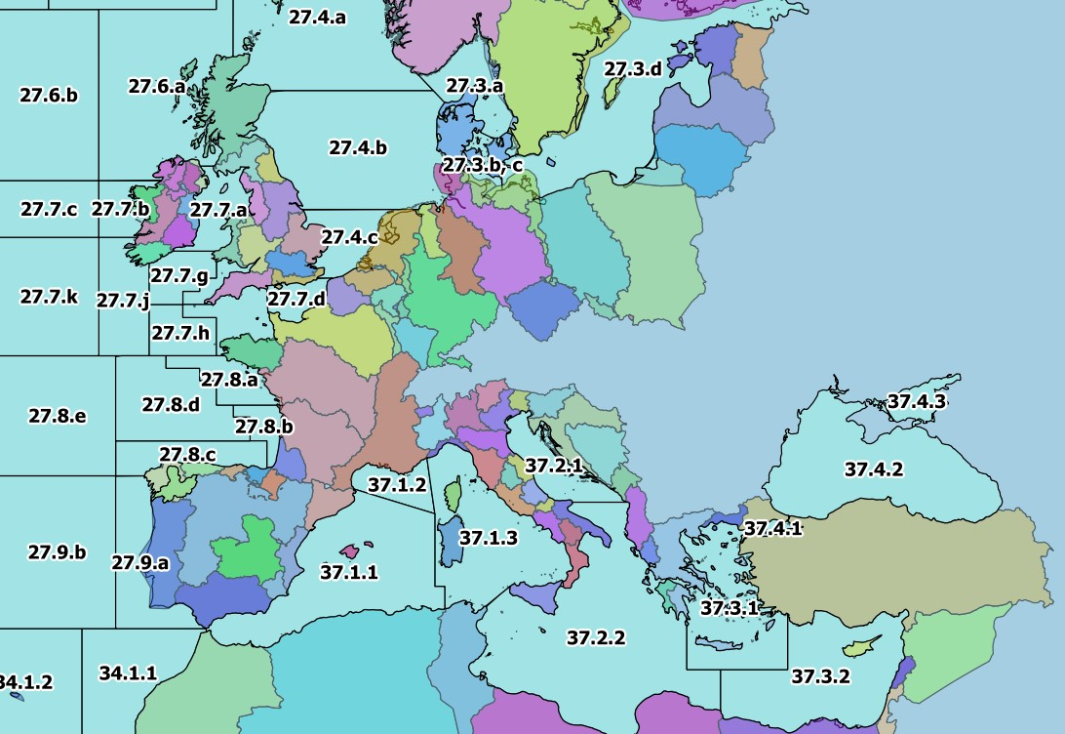
195 | DIVISION | 21.1.D | 1 | Atlantic | 2 | 21 | 21.1 | 21.1.D | These codes are for use only in the case of Coatsal and Marine Open waters – otherwise you can leave it
196 | DIVISION | 21.1.E | 1 | Atlantic | 2 | 21 | 21.1 | 21.1.E | Please only use f_division as the reference.
198 | DIVISION | 21.1.F | 1 | Atlantic | 2 | 21 | 21.1 | 21.1.F
197 | DIVISION | 21.2.G | 1 | Atlantic | 2 | 21 | 21.2 | 21.2.G
199 | DIVISION | 21.2.H | 1 | Atlantic | 2 | 21 | 21.2 | 21.2.H
235 | DIVISION | 21.2.J | 1 | Atlantic | 2 | 21 | 21.2 | 21.2.J
234 | DIVISION | 21.3.K | 1 | Atlantic | 2 | 21 | 21.3 | 21.3.K
239 | DIVISION | 21.3.L | 1 | Atlantic | 2 | 21 | 21.3 | 21.3.L
200 | DIVISION | 21.3.M | 1 | Atlantic | 2 | 21 | 21.3 | 21.3.M
218 | DIVISION | 21.3.N | 1 | Atlantic | 2 | 21 | 21.3 | 21.3.N
201 | DIVISION | 21.3.O | 1 | Atlantic | 2 | 21 | 21.3 | 21.3.O
240 | DIVISION | 21.3.P | 1 | Atlantic | 2 | 21 | 21.3 | 21.3.P
238 | DIVISION | 21.4.R | 1 | Atlantic | 2 | 21 | 21.4 | 21.4.R
233 | DIVISION | 21.4.S | 1 | Atlantic | 2 | 21 | 21.4 | 21.4.S
243 | DIVISION | 21.4.T | 1 | Atlantic | 2 | 21 | 21.4 | 21.4.T
219 | DIVISION | 21.4.V | 1 | Atlantic | 2 | 21 | 21.4 | 21.4.V
232 | DIVISION | 21.4.W | 1 | Atlantic | 2 | 21 | 21.4 | 21.4.W
241 | DIVISION | 21.4.X | 1 | Atlantic | 2 | 21 | 21.4 | 21.4.X
242 | DIVISION | 21.5.Y | 1 | Atlantic | 2 | 21 | 21.5 | 21.5.Y
220 | DIVISION | 21.5.Z | 1 | Atlantic | 2 | 21 | 21.5 | 21.5.Z
236 | DIVISION | 21.6.A | 1 | Atlantic | 2 | 21 | 21.6 | 21.6.A
221 | DIVISION | 21.6.B | 1 | Atlantic | 2 | 21 | 21.6 | 21.6.B
237 | DIVISION | 21.6.C | 1 | Atlantic | 2 | 21 | 21.6 | 21.6.C
222 | DIVISION | 21.6.D | 1 | Atlantic | 2 | 21 | 21.6 | 21.6.D
223 | DIVISION | 21.6.E | 1 | Atlantic | 2 | 21 | 21.6 | 21.6.E
224 | DIVISION | 21.6.F | 1 | Atlantic | 2 | 21 | 21.6 | 21.6.F
225 | DIVISION | 21.6.G | 1 | Atlantic | 2 | 21 | 21.6 | 21.6.G
226 | DIVISION | 21.6.H | 1 | Atlantic | 2 | 21 | 21.6 | 21.6.H
267 | DIVISION | 27.1.a | 1 | Atlantic | 2 | 27 | 27.1 | 27.1.a
275 | DIVISION | 27.1.b | 1 | Atlantic | 2 | 27 | 27.1 | 27.1.b
171 | DIVISION | 27.10.a | 1 | Atlantic | 2 | 27 | 27.1 | 27.10.a
215 | DIVISION | 27.10.b | 1 | Atlantic | 2 | 27 | 27.1 | 27.10.b
262 | DIVISION | 27.12.a | 1 | Atlantic | 2 | 27 | 27.12 | 27.12.a
116 | DIVISION | 27.12.b | 1 | Atlantic | 2 | 27 | 27.12 | 27.12.b
253 | DIVISION | 27.12.c | 1 | Atlantic | 2 | 27 | 27.12 | 27.12.c
268 | DIVISION | 27.14.a | 1 | Atlantic | 2 | 27 | 27.14 | 27.14.a
264 | DIVISION | 27.14.b | 1 | Atlantic | 2 | 27 | 27.14 | 27.14.b
265 | DIVISION | 27.2.a | 1 | Atlantic | 2 | 27 | 27.2 | 27.2.a
266 | DIVISION | 27.2.b | 1 | Atlantic | 2 | 27 | 27.2 | 27.2.b
277 | DIVISION | 27.3.a | 1 | Atlantic | 2 | 27 | 27.3 | 27.3.a
258 | DIVISION | 27.3.b, c | 1 | Atlantic | 2 | 27 | 27.3 | 27.3.b, c
257 | DIVISION | 27.3.d | 1 | Atlantic | 2 | 27 | 27.3 | 27.3.d
274 | DIVISION | 27.4.a | 1 | Atlantic | 2 | 27 | 27.4 | 27.4.a
259 | DIVISION | 27.4.b | 1 | Atlantic | 2 | 27 | 27.4 | 27.4.b
255 | DIVISION | 27.4.c | 1 | Atlantic | 2 | 27 | 27.4 | 27.4.c
263 | DIVISION | 27.5.a | 1 | Atlantic | 2 | 27 | 27.5 | 27.5.a
261 | DIVISION | 27.5.b | 1 | Atlantic | 2 | 27 | 27.5 | 27.5.b
271 | DIVISION | 27.6.a | 1 | Atlantic | 2 | 27 | 27.6 | 27.6.a
260 | DIVISION | 27.6.b | 1 | Atlantic | 2 | 27 | 27.6 | 27.6.b
273 | DIVISION | 27.7.a | 1 | Atlantic | 2 | 27 | 27.7 | 27.7.a
272 | DIVISION | 27.7.b | 1 | Atlantic | 2 | 27 | 27.7 | 27.7.b
256 | DIVISION | 27.7.c | 1 | Atlantic | 2 | 27 | 27.7 | 27.7.c
270 | DIVISION | 27.7.d | 1 | Atlantic | 2 | 27 | 27.7 | 27.7.d
269 | DIVISION | 27.7.e | 1 | Atlantic | 2 | 27 | 27.7 | 27.7.e
251 | DIVISION | 27.7.f | 1 | Atlantic | 2 | 27 | 27.7 | 27.7.f
252 | DIVISION | 27.7.g | 1 | Atlantic | 2 | 27 | 27.7 | 27.7.g
250 | DIVISION | 27.7.h | 1 | Atlantic | 2 | 27 | 27.7 | 27.7.h
249 | DIVISION | 27.7.j | 1 | Atlantic | 2 | 27 | 27.7 | 27.7.j
254 | DIVISION | 27.7.k | 1 | Atlantic | 2 | 27 | 27.7 | 27.7.k
248 | DIVISION | 27.8.a | 1 | Atlantic | 2 | 27 | 27.8 | 27.8.a
214 | DIVISION | 27.8.b | 1 | Atlantic | 2 | 27 | 27.8 | 27.8.b
213 | DIVISION | 27.8.c | 1 | Atlantic | 2 | 27 | 27.8 | 27.8.c
217 | DIVISION | 27.8.d | 1 | Atlantic | 2 | 27 | 27.8 | 27.8.d
216 | DIVISION | 27.8.e | 1 | Atlantic | 2 | 27 | 27.8 | 27.8.e
212 | DIVISION | 27.9.a | 1 | Atlantic | 2 | 27 | 27.9 | 27.9.a
172 | DIVISION | 27.9.b | 1 | Atlantic | 2 | 27 | 27.9 | 27.9.b
123 | DIVISION | 34.1.1 | 1 | Atlantic | 3 | 34 | 34.1 | 34.1.1
122 | DIVISION | 34.1.2 | 1 | Atlantic | 3 | 34 | 34.1 | 34.1.2
126 | DIVISION | 34.1.3 | 1 | Atlantic | 3 | 34 | 34.1 | 34.1.3
134 | DIVISION | 34.3.1 | 1 | Atlantic | 3 | 34 | 34.3 | 34.3.1
132 | DIVISION | 34.3.2 | 1 | Atlantic | 3 | 34 | 34.3 | 34.3.2
142 | DIVISION | 34.3.3 | 1 | Atlantic | 3 | 34 | 34.3 | 34.3.3
144 | DIVISION | 34.3.4 | 1 | Atlantic | 3 | 34 | 34.3 | 34.3.4
145 | DIVISION | 34.3.5 | 1 | Atlantic | 3 | 34 | 34.3 | 34.3.5
178 | DIVISION | 34.3.6 | 1 | Atlantic | 3 | 34 | 34.3 | 34.3.6
158 | DIVISION | 34.4.1 | 1 | Atlantic | 3 | 34 | 34.4 | 34.4.1
131 | DIVISION | 34.4.2 | 1 | Atlantic | 3 | 34 | 34.4 | 34.4.2
177 | DIVISION | 37.1.1 | 1 | Atlantic | 3 | 37 | 37.1 | 37.1.1
114 | DIVISION | 37.1.2 | 1 | Atlantic | 3 | 37 | 37.1 | 37.1.2
115 | DIVISION | 37.1.3 | 1 | Atlantic | 3 | 37 | 37.1 | 37.1.3
117 | DIVISION | 37.2.1 | 1 | Atlantic | 3 | 37 | 37.2 | 37.2.1
118 | DIVISION | 37.2.2 | 1 | Atlantic | 3 | 37 | 37.2 | 37.2.2
119 | DIVISION | 37.3.1 | 1 | Atlantic | 3 | 37 | 37.3 | 37.3.1
121 | DIVISION | 37.3.2 | 1 | Atlantic | 3 | 37 | 37.3 | 37.3.2
120 | DIVISION | 37.4.1 | 1 | Atlantic | 3 | 37 | 37.4 | 37.4.1
112 | DIVISION | 37.4.2 | 1 | Atlantic | 3 | 37 | 37.4 | 37.4.2
113 | DIVISION | 37.4.3 | 1 | Atlantic | 3 | 37 | 37.4 | 37.4.3
148 | DIVISION | 41.1.1 | 1 | Atlantic | 4 | 41 | 41.1 | 41.1.1
150 | DIVISION | 41.1.2 | 1 | Atlantic | 4 | 41 | 41.1 | 41.1.2
151 | DIVISION | 41.1.3 | 1 | Atlantic | 4 | 41 | 41.1 | 41.1.3
157 | DIVISION | 41.1.4 | 1 | Atlantic | 4 | 41 | 41.1 | 41.1.4
156 | DIVISION | 41.2.1 | 1 | Atlantic | 4 | 41 | 41.2 | 41.2.1
163 | DIVISION | 41.2.2 | 1 | Atlantic | 4 | 41 | 41.2 | 41.2.2
175 | DIVISION | 41.2.3 | 1 | Atlantic | 4 | 41 | 41.2 | 41.2.3
169 | DIVISION | 41.2.4 | 1 | Atlantic | 4 | 41 | 41.2 | 41.2.4
176 | DIVISION | 41.3.1 | 1 | Atlantic | 4 | 41 | 41.3 | 41.3.1
189 | DIVISION | 41.3.2 | 1 | Atlantic | 4 | 41 | 41.3 | 41.3.2
170 | DIVISION | 41.3.3 | 1 | Atlantic | 4 | 41 | 41.3 | 41.3.3
202 | DIVISION | 47.1.1 | 1 | Atlantic | 4 | 47 | 47.1 | 47.1.1
203 | DIVISION | 47.1.2 | 1 | Atlantic | 4 | 47 | 47.1 | 47.1.2
208 | DIVISION | 47.1.3 | 1 | Atlantic | 4 | 47 | 47.1 | 47.1.3
209 | DIVISION | 47.1.4 | 1 | Atlantic | 4 | 47 | 47.1 | 47.1.4
210 | DIVISION | 47.1.5 | 1 | Atlantic | 4 | 47 | 47.1 | 47.1.5
211 | DIVISION | 47.1.6 | 1 | Atlantic | 4 | 47 | 47.1 | 47.1.6
207 | DIVISION | 47.2.1 | 1 | Atlantic | 4 | 47 | 47.2 | 47.2.1
206 | DIVISION | 47.2.2 | 1 | Atlantic | 4 | 47 | 47.2 | 47.2.2
193 | DIVISION | 47.A.0 | 1 | Atlantic | 4 | 47 | 47.A | 47.A.0
194 | DIVISION | 47.A.1 | 1 | Atlantic | 4 | 47 | 47.A | 47.A.1
247 | DIVISION | 47.B.0 | 1 | Atlantic | 4 | 47 | 47.B | 47.B.0
245 | DIVISION | 47.B.1 | 1 | Atlantic | 4 | 47 | 47.B | 47.B.1
204 | DIVISION | 47.C.0 | 1 | Atlantic | 4 | 47 | 47.C | 47.C.0
246 | DIVISION | 47.C.1 | 1 | Atlantic | 4 | 47 | 47.C | 47.C.1
205 | DIVISION | 47.D.0 | 1 | Atlantic | 4 | 47 | 47.D | 47.D.0
244 | DIVISION | 47.D.1 | 1 | Atlantic | 4 | 47 | 47.D | 47.D.1
152 | DIVISION | 57.5.1 | 1 | Indian | 5 | 57 | 57.5 | 57.5.1
159 | DIVISION | 57.5.2 | 1 | Indian | 5 | 57 | 57.5 | 57.5.2
191 | DIVISION | 58.4.1 | 1 | Indian | 10 | 58 | 58.4 | 58.4.1
190 | DIVISION | 58.4.2 | 1 | Indian | 10 | 58 | 58.4 | 58.4.2
192 | DIVISION | 58.4.3 | 1 | Indian | 10 | 58 | 58.4 | 58.4.3
174 | DIVISION | 58.4.4 | 1 | Indian | 10 | 58 | 58.4 | 58.4.4
168 | DIVISION | 58.5.1 | 1 | Indian | 10 | 58 | 58.5 | 58.5.1
173 | DIVISION | 58.5.2 | 1 | Indian | 10 | 58 | 58.5 | 58.5.2
133 | DIVISION | 71.6.1 | 1 | Pacific | 7 | 71 | _71.6 | 71.6.1
130 | DIVISION | 71.6.2 | 1 | Pacific | 7 | 71 | _71.6 | 71.6.2
143 | DIVISION | 87.1.1 | 1 | Pacific | 8 | 87 | 87.1 | 87.1.1
146 | DIVISION | 87.1.2 | 1 | Pacific | 8 | 87 | 87.1 | 87.1.2
149 | DIVISION | 87.1.3 | 1 | Pacific | 8 | 87 | 87.1 | 87.1.3
147 | DIVISION | 87.1.4 | 1 | Pacific | 8 | 87 | 87.1 | 87.1.4
155 | DIVISION | 87.2.1 | 1 | Pacific | 8 | 87 | 87.2 | 87.2.1
154 | DIVISION | 87.2.2 | 1 | Pacific | 8 | 87 | 87.2 | 87.2.2
160 | DIVISION | 87.2.3 | 1 | Pacific | 8 | 87 | 87.2 | 87.2.3
164 | DIVISION | 87.2.4 | 1 | Pacific | 8 | 87 | 87.2 | 87.2.4
162 | DIVISION | 87.2.5 | 1 | Pacific | 8 | 87 | 87.2 | 87.2.5
153 | DIVISION | 87.2.6 | 1 | Pacific | 8 | 87 | 87.2 | 87.2.6
167 | DIVISION | 87.3.1 | 1 | Pacific | 8 | 87 | 87.3 | 87.3.1
166 | DIVISION | 87.3.2 | 1 | Pacific | 8 | 87 | 87.3 | 87.3.2
165 | DIVISION | 87.3.3 | 1 | Pacific | 8 | 87 | 87.3 | 87.3.3

