readme
This is the sheet for the proportions of eel less than 12 cm used for all purposes.
Only EMU or Countries with fisheries of eel < 12 length need to complete this sheet.
EMU's versus country totals. Fill in data per EMU, where possible. If only country totals are known, then fill in XX_total (XX=country code) also labelled as emu_wholecountry=t in the tr_emu_emu reference sheet . If most data per EMU, but some unknown/unspecified/outside, then fill in for EMU's and add the remainder as XX_total. Just make sure that you do NOT double-bank: do NOT provide the same data under two labels.
Report the proportion as a decimal number between 0 and 1, and to three decimal places, e.g. 0.567
If any proportion os 0.000, report that. If the proportion is greater than 0.000 but unknown then use a Missing Value to explain in the appropriate column (see guide below)
 | Explanation of header and name of sheet providing codes
eel_year | year
eel_value | Value, note 0.000 means 0 not 'no data', leave void if you want to qualify why data are missing
eel_missvaluequal | Qualification for missing values, only use if eel_value is blank (no value). Don't use if there is a zero in the cell. NR not reported, NC not collected, NP not pertinent, ND no data - see Missing Values tab for full definitions.
eel_emu_nameshort | Code of emu see tr_emu_emu
eel_cou_code | Code of country see tr_country_cou
eel_comment | Free cell for explanatory comments if you wish.

tr_emu_em
emu_nameshort | emu_cou_code | emu_wholecountry
AL_total | AL | t
AX_total | AX | t
BA_total | BA | t
BE_Meus | BE | f
BE_Rhin | BE | f
BE_Sche | BE | f
BE_Sein | BE | f
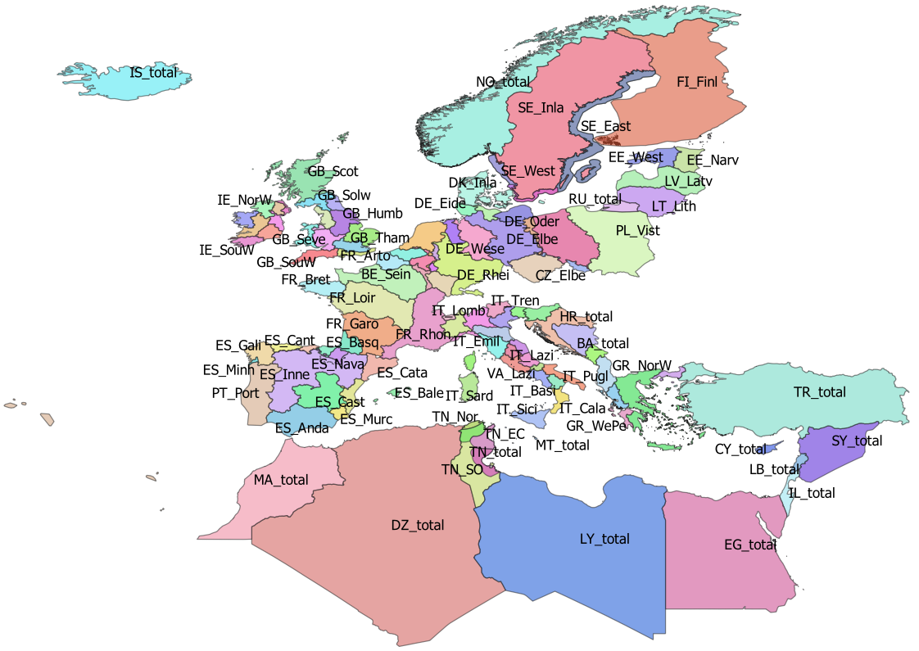
BE_total | BE | t
CY_total | CY | t
CZ_Elbe | CZ | f
CZ_Oder | CZ | f
CZ_total | CZ | t
DE_Eide | DE | f
DE_Elbe | DE | f
DE_Ems | DE | f
DE_Maas | DE | f
DE_Oder | DE | f
DE_Rhei | DE | f
DE_Schl | DE | f
DE_total | DE | t
DE_Warn | DE | f
DE_Wese | DE | f
DK_Inla | DK | f
DK_total | DK | t
DZ_total | DZ | t
EE_Narv | EE | f
EE_total | EE | t
EE_West | EE | f
EG_total | EG | t
ES_Anda | ES | f
ES_Astu | ES | f
ES_Bale | ES | f
ES_Basq | ES | f
ES_Cant | ES | f
ES_Cast | ES | f
ES_Cata | ES | f
ES_Gali | ES | f
ES_Inne | ES | f
ES_Minh | PT | f
ES_Mino | ES | f
ES_Murc | ES | f
ES_Nava | ES | f
ES_Spai | ES | f
ES_total | ES | t
ES_Vale | ES | f
FI_Finl | FI | f
FI_total | FI | t
FR_Adou | FR | f
FR_Arto | FR | f
FR_Bret | FR | f
FR_Cors | FR | f
FR_Garo | FR | f
FR_Loir | FR | f
FR_Meus | FR | f
FR_Rhin | FR | f
FR_Rhon | FR | f
FR_Sein | FR | f
FR_total | FR | t
GB_Angl | GB | f
GB_Dee | GB | f
GB_Humb | GB | f
GB_Neag | GB | f
GB_NorE | GB | f
GB_Nort | GB | f
GB_NorW | GB | f
GB_Scot | GB | f
GB_Seve | GB | f
GB_Solw | GB | f
GB_SouE | GB | f
GB_SouW | GB | f
GB_Tham | GB | f
GB_total | GB | t
GB_Wale | GB | f
GR_CeAe | GR | f
GR_EaMT | GR | f
GR_NorW | GR | f
GR_total | GR | t
GR_WePe | GR | f
HR_total | HR | t
IE_East | IE | f
IE_NorW | IE | f
IE_Shan | IE | f
IE_SouE | IE | f
IE_SouW | IE | f
IE_total | IE | t
IE_West | IE | f
IL_total | IL | t
IS_total | IS | t
IT_Abru | IT | f
IT_Basi | IT | f
IT_Cala | IT | f
IT_Camp | IT | f
IT_Emil | IT | f
IT_Frio | IT | f
IT_Lazi | IT | f
IT_Ligu | IT | f
IT_Lomb | IT | f
IT_Marc | IT | f
IT_Moli | IT | f
IT_Piem | IT | f
IT_Pugl | IT | f
IT_Sard | IT | f
IT_Sici | IT | f
IT_Tosc | IT | f
IT_total | IT | t
IT_Tren | IT | f
IT_Umbr | IT | f
IT_Vall | IT | f
IT_Vene | IT | f
LB_total | LB | t
LT_Lith | LT | f
LT_total | LT | t
LU_Luxe | LU | f
LU_total | LU | t
LV_Latv | LV | f
LV_total | LV | t
LY_total | LY | t
MA_total | MA | t
ME_total | ME | t
MT_total | MT | t
NL_Neth | NL | f
NL_total | NL | t
NO_total | NO | t
PL_Oder | PL | f
PL_total | PL | t
PL_Vist | PL | f
PT_Port | PT | f
PT_total | PT | t
RU_total | RU | t
SE_Ea_o | SE
SE_East | SE | f
SE_Inla | SE | f
SE_So_o | SE
SE_total | SE | t
SE_We_o | SE
SE_West | SE | f
SI_total | SI | t
SY_total | SY | t
TN_EC | TN | f
TN_NE | TN | f
TN_Nor | TN | f
TN_SO | TN | f
TN_total | TN | t
TR_total | TR | t

tr_country_cou
cou_code | cou_country | cou_order | cou_iso3code
AL | Albania | 27 | ALB
AX | Åland | 3 | ALA
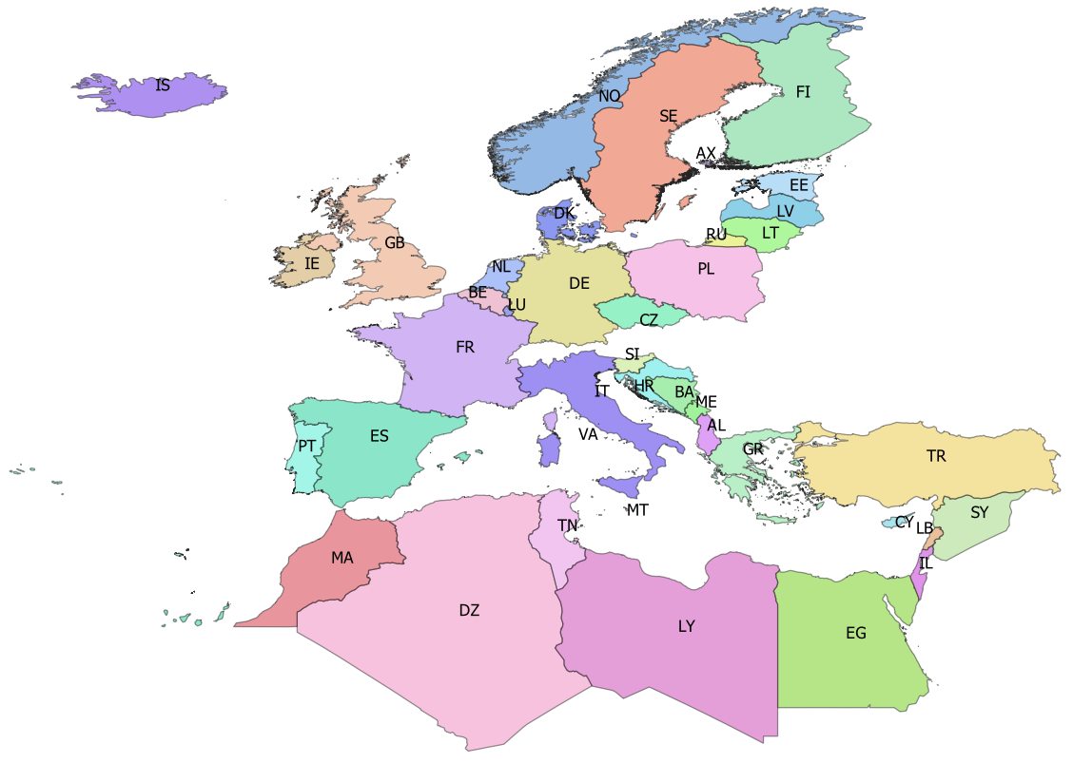
BA | Bosnia-Herzegovina | 25 | BIH
BE | Belgium | 14 | BEL
CY | Cyprus | 35 | CYP
CZ | Czech republic | 10 | CZE
DE | Germany | 11 | DEU
DK | Denmark | 12 | DNK
DZ | Algeria | 42 | DZA
EE | Estonia | 5 | EST
EG | Egypt | 39 | EGY
ES | Spain | 19 | ESP
FI | Finland | 4 | FIN
FR | France | 18 | FRA
GB | Great Britain | 17 | GBR
GR | Greece | 28 | GRC
HR | Croatia | 24 | HRV
IE | Ireland | 16 | IRL
IL | Israel | 38 | ISR
IS | Iceland | 0 | ISL
IT | Italy | 21 | ITA
LB | Lebanon | 37 | LBN
LT | Lithuania | 7 | LTU
LU | Luxembourg | 15 | LUX
LV | Latvia | 6 | LVA
LY | Libya | 40 | LBY
MA | Morocco | 43 | MAR
ME | Montenegro | 26 | MNE
MT | Malta | 22 | MLT
NL | Netherlands | 13 | NLD
NO | Norway | 1 | NOR
PL | Poland | 9 | POL
PT | Portugal | 20 | PRT
RU | Russia | 8 | RUS
SE | Sweden | 2 | SWE
SI | Slovenia | 23 | SVN
SY | Syria | 36 | SYR
TN | Tunisia | 41 | TUN
TR | Turkey | 34 | TUR
VA | Vattican | 46 | VAT

