catch_data
eel_typ_name | eel_year | eel_value | eel_missvaluequal | eel_emu_nameshort | eel_cou_code | eel_lfs_code | eel_hty_code | eel_area_division | eel_comment
Please remember this : you have to fill in eel_value OR eel_missvalueqal, never both, always one or the other. You never provide an ICES division (eel_area_division) for Freshwater. You should always fill in all fields, except comments and eel_area_division in Freshwater.

fisher_data
eel_typ_name | eel_year | eel_value | eel_missvaluequal | eel_emu_nameshort | eel_cou_code | eel_lfs_code | eel_hty_code | eel_area_division | eel_comment
Please remember this : you have to fill in eel_value OR eel_missvalueqal, never both, always one or the other. You never provide an ICES division (eel_area_division) for Freshwater. You should always fill in all fields, except comments and eel_area_division in Freshwater.

tr_emu_em
emu_nameshort | emu_cou_code | emu_wholecountry
AL_total | AL | t
AX_total | AX | t
BA_total | BA | t
BE_Meus | BE | f
BE_Rhin | BE | f
BE_Sche | BE | f
BE_Sein | BE | f
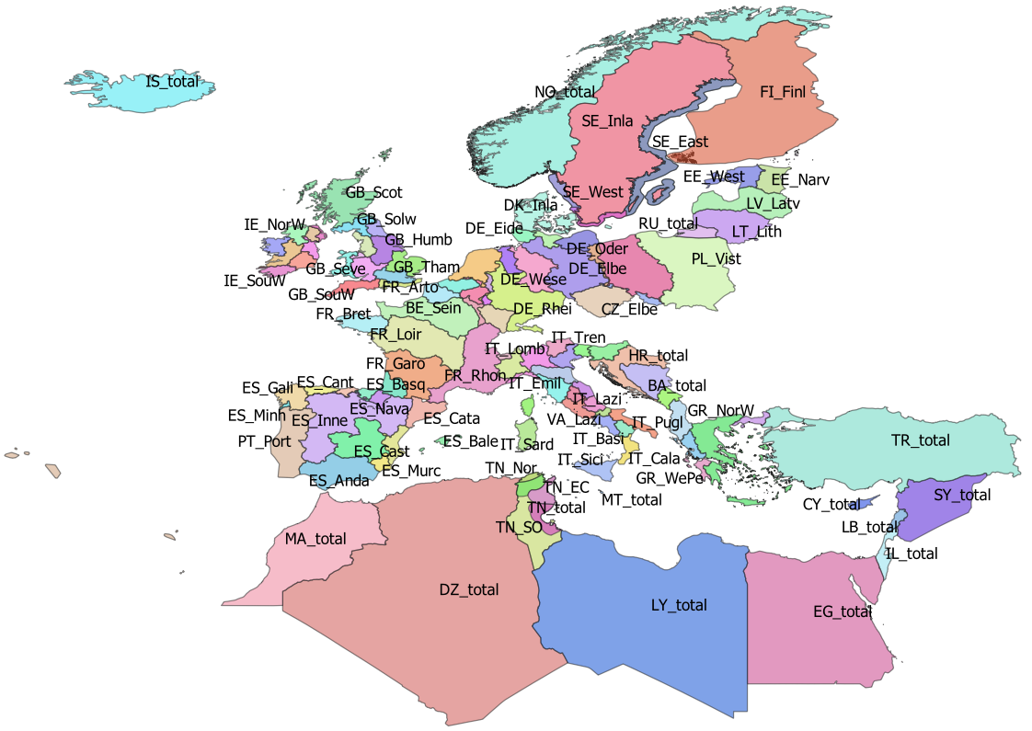
BE_total | BE | t
CY_total | CY | t
CZ_Elbe | CZ | f
CZ_Oder | CZ | f
CZ_total | CZ | t
DE_Eide | DE | f
DE_Elbe | DE | f
DE_Ems | DE | f
DE_Maas | DE | f
DE_Oder | DE | f
DE_Rhei | DE | f
DE_Schl | DE | f
DE_total | DE | t
DE_Warn | DE | f
DE_Wese | DE | f
DK_Inla | DK | f
DK_total | DK | t
DZ_total | DZ | t
EE_Narv | EE | f
EE_total | EE | t
EE_West | EE | f
EG_total | EG | t
ES_Anda | ES | f
ES_Astu | ES | f
ES_Bale | ES | f
ES_Basq | ES | f
ES_Cant | ES | f
ES_Cast | ES | f
ES_Cata | ES | f
ES_Gali | ES | f
ES_Inne | ES | f
ES_Minh | PT | f
ES_Mino | ES | f
ES_Murc | ES | f
ES_Nava | ES | f
ES_Spai | ES | f
ES_total | ES | t
ES_Vale | ES | f
FI_Finl | FI | f
FI_total | FI | t
FR_Adou | FR | f
FR_Arto | FR | f
FR_Bret | FR | f
FR_Cors | FR | f
FR_Garo | FR | f
FR_Loir | FR | f
FR_Meus | FR | f
FR_Rhin | FR | f
FR_Rhon | FR | f
FR_Sein | FR | f
FR_total | FR | t
GB_Angl | GB | f
GB_Dee | GB | f
GB_Humb | GB | f
GB_Neag | GB | f
GB_NorE | GB | f
GB_Nort | GB | f
GB_NorW | GB | f
GB_Scot | GB | f
GB_Seve | GB | f
GB_Solw | GB | f
GB_SouE | GB | f
GB_SouW | GB | f
GB_Tham | GB | f
GB_total | GB | t
GB_Wale | GB | f
GR_CeAe | GR | f
GR_EaMT | GR | f
GR_NorW | GR | f
GR_total | GR | t
GR_WePe | GR | f
HR_total | HR | t
IE_East | IE | f
IE_NorW | IE | f
IE_Shan | IE | f
IE_SouE | IE | f
IE_SouW | IE | f
IE_total | IE | t
IE_West | IE | f
IL_total | IL | t
IS_total | IS | t
IT_Abru | IT | f
IT_Basi | IT | f
IT_Cala | IT | f
IT_Camp | IT | f
IT_Emil | IT | f
IT_Frio | IT | f
IT_Lazi | IT | f
IT_Ligu | IT | f
IT_Lomb | IT | f
IT_Marc | IT | f
IT_Moli | IT | f
IT_Piem | IT | f
IT_Pugl | IT | f
IT_Sard | IT | f
IT_Sici | IT | f
IT_Tosc | IT | f
IT_total | IT | t
IT_Tren | IT | f
IT_Umbr | IT | f
IT_Vall | IT | f
IT_Vene | IT | f
LB_total | LB | t
LT_Lith | LT | f
LT_total | LT | t
LU_Luxe | LU | f
LU_total | LU | t
LV_Latv | LV | f
LV_total | LV | t
LY_total | LY | t
MA_total | MA | t
ME_total | ME | t
MT_total | MT | t
NL_Neth | NL | f
NL_total | NL | t
NO_total | NO | t
PL_Oder | PL | f
PL_total | PL | t
PL_Vist | PL | f
PT_Port | PT | f
PT_total | PT | t
RU_total | RU | t
SE_Ea_o | SE
SE_East | SE | f
SE_Inla | SE | f
SE_So_o | SE
SE_total | SE | t
SE_We_o | SE
SE_West | SE | f
SI_total | SI | t
SY_total | SY | t
TN_EC | TN | f
TN_NE | TN | f
TN_Nor | TN | f
TN_SO | TN | f
TN_total | TN | t
TR_total | TR | t

tr_country_cou
cou_code | cou_country | cou_order | cou_iso3code
AL | Albania | 27 | ALB
AX | Åland | 3 | ALA
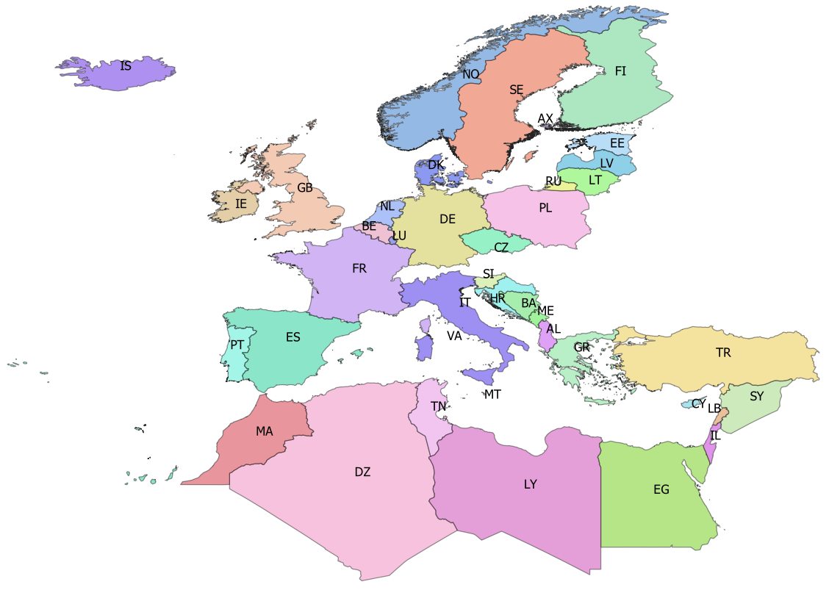
BA | Bosnia-Herzegovina | 25 | BIH
BE | Belgium | 14 | BEL
CY | Cyprus | 35 | CYP
CZ | Czech republic | 10 | CZE
DE | Germany | 11 | DEU
DK | Denmark | 12 | DNK
DZ | Algeria | 42 | DZA
EE | Estonia | 5 | EST
EG | Egypt | 39 | EGY
ES | Spain | 19 | ESP
FI | Finland | 4 | FIN
FR | France | 18 | FRA
GB | Great Britain | 17 | GBR
GR | Greece | 28 | GRC
HR | Croatia | 24 | HRV
IE | Ireland | 16 | IRL
IL | Israel | 38 | ISR
IS | Iceland | 0 | ISL
IT | Italy | 21 | ITA
LB | Lebanon | 37 | LBN
LT | Lithuania | 7 | LTU
LU | Luxembourg | 15 | LUX
LV | Latvia | 6 | LVA
LY | Libya | 40 | LBY
MA | Morocco | 43 | MAR
ME | Montenegro | 26 | MNE
MT | Malta | 22 | MLT
NL | Netherlands | 13 | NLD
NO | Norway | 1 | NOR
PL | Poland | 9 | POL
PT | Portugal | 20 | PRT
RU | Russia | 8 | RUS
SE | Sweden | 2 | SWE
SI | Slovenia | 23 | SVN
SY | Syria | 36 | SYR
TN | Tunisia | 41 | TUN
TR | Turkey | 34 | TUR
VA | Vattican | 46 | VAT

tr_faoareas
fid | f_level | f_code | f_status | ocean | subocean | f_area | f_subarea | f_division
227 | DIVISION | 21.0.A | 1 | Atlantic | 2 | 21 | 21 | 21.0.A
230 | DIVISION | 21.0.B | 1 | Atlantic | 2 | 21 | 21 | 21.0.B | Please check also the maps provided by ICES
228 | DIVISION | 21.1.A | 1 | Atlantic | 2 | 21 | 21.1 | 21.1.A | ICES statistical rectangles | http://gis.ices.dk/sf/index.html?widget=StatRec
229 | DIVISION | 21.1.B | 1 | Atlantic | 2 | 21 | 21.1 | 21.1.B | FAO areas map | http://www.fao.org/fishery/area/search/en
231 | DIVISION | 21.1.C | 1 | Atlantic | 2 | 21 | 21.1 | 21.1.C
195 | DIVISION | 21.1.D | 1 | Atlantic | 2 | 21 | 21.1 | 21.1.D | These codes are for use only in the case of Coatsal and Marine Open waters – otherwise you can leave it
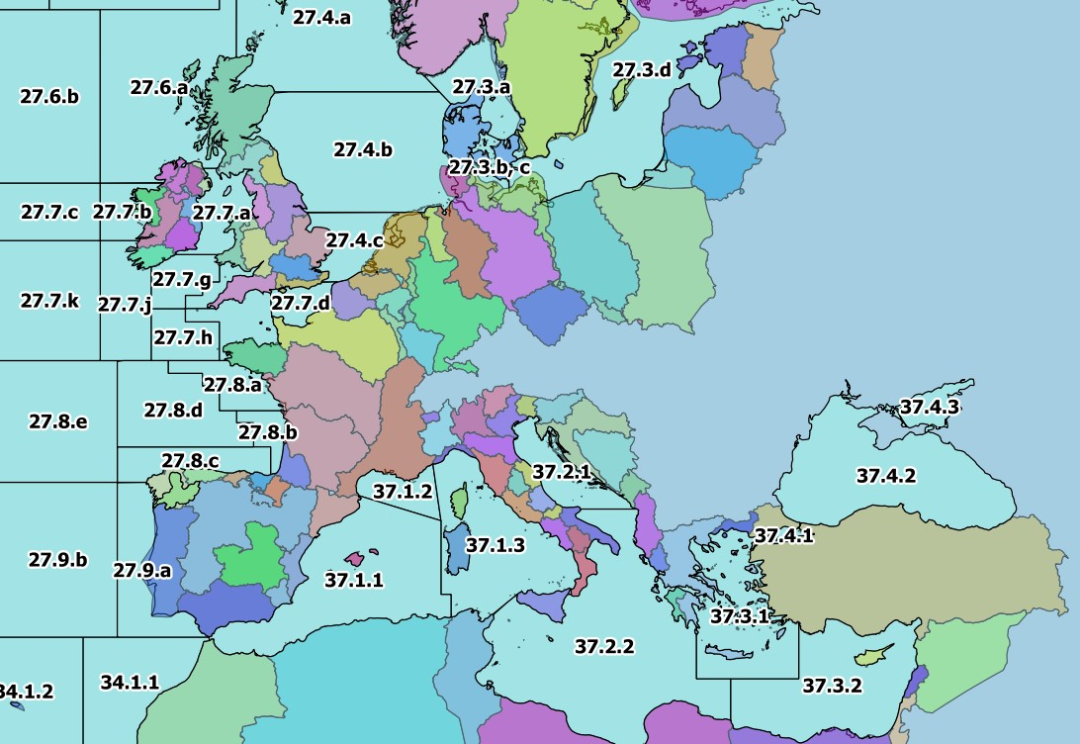
196 | DIVISION | 21.1.E | 1 | Atlantic | 2 | 21 | 21.1 | 21.1.E | Please only use f_division as the reference.
198 | DIVISION | 21.1.F | 1 | Atlantic | 2 | 21 | 21.1 | 21.1.F
197 | DIVISION | 21.2.G | 1 | Atlantic | 2 | 21 | 21.2 | 21.2.G
199 | DIVISION | 21.2.H | 1 | Atlantic | 2 | 21 | 21.2 | 21.2.H
235 | DIVISION | 21.2.J | 1 | Atlantic | 2 | 21 | 21.2 | 21.2.J
234 | DIVISION | 21.3.K | 1 | Atlantic | 2 | 21 | 21.3 | 21.3.K
239 | DIVISION | 21.3.L | 1 | Atlantic | 2 | 21 | 21.3 | 21.3.L
200 | DIVISION | 21.3.M | 1 | Atlantic | 2 | 21 | 21.3 | 21.3.M
218 | DIVISION | 21.3.N | 1 | Atlantic | 2 | 21 | 21.3 | 21.3.N
201 | DIVISION | 21.3.O | 1 | Atlantic | 2 | 21 | 21.3 | 21.3.O
240 | DIVISION | 21.3.P | 1 | Atlantic | 2 | 21 | 21.3 | 21.3.P
238 | DIVISION | 21.4.R | 1 | Atlantic | 2 | 21 | 21.4 | 21.4.R
233 | DIVISION | 21.4.S | 1 | Atlantic | 2 | 21 | 21.4 | 21.4.S
243 | DIVISION | 21.4.T | 1 | Atlantic | 2 | 21 | 21.4 | 21.4.T
219 | DIVISION | 21.4.V | 1 | Atlantic | 2 | 21 | 21.4 | 21.4.V
232 | DIVISION | 21.4.W | 1 | Atlantic | 2 | 21 | 21.4 | 21.4.W
241 | DIVISION | 21.4.X | 1 | Atlantic | 2 | 21 | 21.4 | 21.4.X
242 | DIVISION | 21.5.Y | 1 | Atlantic | 2 | 21 | 21.5 | 21.5.Y
220 | DIVISION | 21.5.Z | 1 | Atlantic | 2 | 21 | 21.5 | 21.5.Z
236 | DIVISION | 21.6.A | 1 | Atlantic | 2 | 21 | 21.6 | 21.6.A
221 | DIVISION | 21.6.B | 1 | Atlantic | 2 | 21 | 21.6 | 21.6.B
237 | DIVISION | 21.6.C | 1 | Atlantic | 2 | 21 | 21.6 | 21.6.C
222 | DIVISION | 21.6.D | 1 | Atlantic | 2 | 21 | 21.6 | 21.6.D
223 | DIVISION | 21.6.E | 1 | Atlantic | 2 | 21 | 21.6 | 21.6.E
224 | DIVISION | 21.6.F | 1 | Atlantic | 2 | 21 | 21.6 | 21.6.F
225 | DIVISION | 21.6.G | 1 | Atlantic | 2 | 21 | 21.6 | 21.6.G
226 | DIVISION | 21.6.H | 1 | Atlantic | 2 | 21 | 21.6 | 21.6.H
267 | DIVISION | 27.1.a | 1 | Atlantic | 2 | 27 | 27.1 | 27.1.a
275 | DIVISION | 27.1.b | 1 | Atlantic | 2 | 27 | 27.1 | 27.1.b
171 | DIVISION | 27.10.a | 1 | Atlantic | 2 | 27 | 27.1 | 27.10.a
215 | DIVISION | 27.10.b | 1 | Atlantic | 2 | 27 | 27.1 | 27.10.b
262 | DIVISION | 27.12.a | 1 | Atlantic | 2 | 27 | 27.12 | 27.12.a
116 | DIVISION | 27.12.b | 1 | Atlantic | 2 | 27 | 27.12 | 27.12.b
253 | DIVISION | 27.12.c | 1 | Atlantic | 2 | 27 | 27.12 | 27.12.c
268 | DIVISION | 27.14.a | 1 | Atlantic | 2 | 27 | 27.14 | 27.14.a
264 | DIVISION | 27.14.b | 1 | Atlantic | 2 | 27 | 27.14 | 27.14.b
265 | DIVISION | 27.2.a | 1 | Atlantic | 2 | 27 | 27.2 | 27.2.a
266 | DIVISION | 27.2.b | 1 | Atlantic | 2 | 27 | 27.2 | 27.2.b
277 | DIVISION | 27.3.a | 1 | Atlantic | 2 | 27 | 27.3 | 27.3.a
258 | DIVISION | 27.3.b, c | 1 | Atlantic | 2 | 27 | 27.3 | 27.3.b, c
257 | DIVISION | 27.3.d | 1 | Atlantic | 2 | 27 | 27.3 | 27.3.d
274 | DIVISION | 27.4.a | 1 | Atlantic | 2 | 27 | 27.4 | 27.4.a
259 | DIVISION | 27.4.b | 1 | Atlantic | 2 | 27 | 27.4 | 27.4.b
255 | DIVISION | 27.4.c | 1 | Atlantic | 2 | 27 | 27.4 | 27.4.c
263 | DIVISION | 27.5.a | 1 | Atlantic | 2 | 27 | 27.5 | 27.5.a
261 | DIVISION | 27.5.b | 1 | Atlantic | 2 | 27 | 27.5 | 27.5.b
271 | DIVISION | 27.6.a | 1 | Atlantic | 2 | 27 | 27.6 | 27.6.a
260 | DIVISION | 27.6.b | 1 | Atlantic | 2 | 27 | 27.6 | 27.6.b
273 | DIVISION | 27.7.a | 1 | Atlantic | 2 | 27 | 27.7 | 27.7.a
272 | DIVISION | 27.7.b | 1 | Atlantic | 2 | 27 | 27.7 | 27.7.b
256 | DIVISION | 27.7.c | 1 | Atlantic | 2 | 27 | 27.7 | 27.7.c
270 | DIVISION | 27.7.d | 1 | Atlantic | 2 | 27 | 27.7 | 27.7.d
269 | DIVISION | 27.7.e | 1 | Atlantic | 2 | 27 | 27.7 | 27.7.e
251 | DIVISION | 27.7.f | 1 | Atlantic | 2 | 27 | 27.7 | 27.7.f
252 | DIVISION | 27.7.g | 1 | Atlantic | 2 | 27 | 27.7 | 27.7.g
250 | DIVISION | 27.7.h | 1 | Atlantic | 2 | 27 | 27.7 | 27.7.h
249 | DIVISION | 27.7.j | 1 | Atlantic | 2 | 27 | 27.7 | 27.7.j
254 | DIVISION | 27.7.k | 1 | Atlantic | 2 | 27 | 27.7 | 27.7.k
248 | DIVISION | 27.8.a | 1 | Atlantic | 2 | 27 | 27.8 | 27.8.a
214 | DIVISION | 27.8.b | 1 | Atlantic | 2 | 27 | 27.8 | 27.8.b
213 | DIVISION | 27.8.c | 1 | Atlantic | 2 | 27 | 27.8 | 27.8.c
217 | DIVISION | 27.8.d | 1 | Atlantic | 2 | 27 | 27.8 | 27.8.d
216 | DIVISION | 27.8.e | 1 | Atlantic | 2 | 27 | 27.8 | 27.8.e
212 | DIVISION | 27.9.a | 1 | Atlantic | 2 | 27 | 27.9 | 27.9.a
172 | DIVISION | 27.9.b | 1 | Atlantic | 2 | 27 | 27.9 | 27.9.b
123 | DIVISION | 34.1.1 | 1 | Atlantic | 3 | 34 | 34.1 | 34.1.1
122 | DIVISION | 34.1.2 | 1 | Atlantic | 3 | 34 | 34.1 | 34.1.2
126 | DIVISION | 34.1.3 | 1 | Atlantic | 3 | 34 | 34.1 | 34.1.3
134 | DIVISION | 34.3.1 | 1 | Atlantic | 3 | 34 | 34.3 | 34.3.1
132 | DIVISION | 34.3.2 | 1 | Atlantic | 3 | 34 | 34.3 | 34.3.2
142 | DIVISION | 34.3.3 | 1 | Atlantic | 3 | 34 | 34.3 | 34.3.3
144 | DIVISION | 34.3.4 | 1 | Atlantic | 3 | 34 | 34.3 | 34.3.4
145 | DIVISION | 34.3.5 | 1 | Atlantic | 3 | 34 | 34.3 | 34.3.5
178 | DIVISION | 34.3.6 | 1 | Atlantic | 3 | 34 | 34.3 | 34.3.6
158 | DIVISION | 34.4.1 | 1 | Atlantic | 3 | 34 | 34.4 | 34.4.1
131 | DIVISION | 34.4.2 | 1 | Atlantic | 3 | 34 | 34.4 | 34.4.2
177 | DIVISION | 37.1.1 | 1 | Atlantic | 3 | 37 | 37.1 | 37.1.1
114 | DIVISION | 37.1.2 | 1 | Atlantic | 3 | 37 | 37.1 | 37.1.2
115 | DIVISION | 37.1.3 | 1 | Atlantic | 3 | 37 | 37.1 | 37.1.3
117 | DIVISION | 37.2.1 | 1 | Atlantic | 3 | 37 | 37.2 | 37.2.1
118 | DIVISION | 37.2.2 | 1 | Atlantic | 3 | 37 | 37.2 | 37.2.2
119 | DIVISION | 37.3.1 | 1 | Atlantic | 3 | 37 | 37.3 | 37.3.1
121 | DIVISION | 37.3.2 | 1 | Atlantic | 3 | 37 | 37.3 | 37.3.2
120 | DIVISION | 37.4.1 | 1 | Atlantic | 3 | 37 | 37.4 | 37.4.1
112 | DIVISION | 37.4.2 | 1 | Atlantic | 3 | 37 | 37.4 | 37.4.2
113 | DIVISION | 37.4.3 | 1 | Atlantic | 3 | 37 | 37.4 | 37.4.3
148 | DIVISION | 41.1.1 | 1 | Atlantic | 4 | 41 | 41.1 | 41.1.1
150 | DIVISION | 41.1.2 | 1 | Atlantic | 4 | 41 | 41.1 | 41.1.2
151 | DIVISION | 41.1.3 | 1 | Atlantic | 4 | 41 | 41.1 | 41.1.3
157 | DIVISION | 41.1.4 | 1 | Atlantic | 4 | 41 | 41.1 | 41.1.4
156 | DIVISION | 41.2.1 | 1 | Atlantic | 4 | 41 | 41.2 | 41.2.1
163 | DIVISION | 41.2.2 | 1 | Atlantic | 4 | 41 | 41.2 | 41.2.2
175 | DIVISION | 41.2.3 | 1 | Atlantic | 4 | 41 | 41.2 | 41.2.3
169 | DIVISION | 41.2.4 | 1 | Atlantic | 4 | 41 | 41.2 | 41.2.4
176 | DIVISION | 41.3.1 | 1 | Atlantic | 4 | 41 | 41.3 | 41.3.1
189 | DIVISION | 41.3.2 | 1 | Atlantic | 4 | 41 | 41.3 | 41.3.2
170 | DIVISION | 41.3.3 | 1 | Atlantic | 4 | 41 | 41.3 | 41.3.3
202 | DIVISION | 47.1.1 | 1 | Atlantic | 4 | 47 | 47.1 | 47.1.1
203 | DIVISION | 47.1.2 | 1 | Atlantic | 4 | 47 | 47.1 | 47.1.2
208 | DIVISION | 47.1.3 | 1 | Atlantic | 4 | 47 | 47.1 | 47.1.3
209 | DIVISION | 47.1.4 | 1 | Atlantic | 4 | 47 | 47.1 | 47.1.4
210 | DIVISION | 47.1.5 | 1 | Atlantic | 4 | 47 | 47.1 | 47.1.5
211 | DIVISION | 47.1.6 | 1 | Atlantic | 4 | 47 | 47.1 | 47.1.6
207 | DIVISION | 47.2.1 | 1 | Atlantic | 4 | 47 | 47.2 | 47.2.1
206 | DIVISION | 47.2.2 | 1 | Atlantic | 4 | 47 | 47.2 | 47.2.2
193 | DIVISION | 47.A.0 | 1 | Atlantic | 4 | 47 | 47.A | 47.A.0
194 | DIVISION | 47.A.1 | 1 | Atlantic | 4 | 47 | 47.A | 47.A.1
247 | DIVISION | 47.B.0 | 1 | Atlantic | 4 | 47 | 47.B | 47.B.0
245 | DIVISION | 47.B.1 | 1 | Atlantic | 4 | 47 | 47.B | 47.B.1
204 | DIVISION | 47.C.0 | 1 | Atlantic | 4 | 47 | 47.C | 47.C.0
246 | DIVISION | 47.C.1 | 1 | Atlantic | 4 | 47 | 47.C | 47.C.1
205 | DIVISION | 47.D.0 | 1 | Atlantic | 4 | 47 | 47.D | 47.D.0
244 | DIVISION | 47.D.1 | 1 | Atlantic | 4 | 47 | 47.D | 47.D.1
152 | DIVISION | 57.5.1 | 1 | Indian | 5 | 57 | 57.5 | 57.5.1
159 | DIVISION | 57.5.2 | 1 | Indian | 5 | 57 | 57.5 | 57.5.2
191 | DIVISION | 58.4.1 | 1 | Indian | 10 | 58 | 58.4 | 58.4.1
190 | DIVISION | 58.4.2 | 1 | Indian | 10 | 58 | 58.4 | 58.4.2
192 | DIVISION | 58.4.3 | 1 | Indian | 10 | 58 | 58.4 | 58.4.3
174 | DIVISION | 58.4.4 | 1 | Indian | 10 | 58 | 58.4 | 58.4.4
168 | DIVISION | 58.5.1 | 1 | Indian | 10 | 58 | 58.5 | 58.5.1
173 | DIVISION | 58.5.2 | 1 | Indian | 10 | 58 | 58.5 | 58.5.2
133 | DIVISION | 71.6.1 | 1 | Pacific | 7 | 71 | _71.6 | 71.6.1
130 | DIVISION | 71.6.2 | 1 | Pacific | 7 | 71 | _71.6 | 71.6.2
143 | DIVISION | 87.1.1 | 1 | Pacific | 8 | 87 | 87.1 | 87.1.1
146 | DIVISION | 87.1.2 | 1 | Pacific | 8 | 87 | 87.1 | 87.1.2
149 | DIVISION | 87.1.3 | 1 | Pacific | 8 | 87 | 87.1 | 87.1.3
147 | DIVISION | 87.1.4 | 1 | Pacific | 8 | 87 | 87.1 | 87.1.4
155 | DIVISION | 87.2.1 | 1 | Pacific | 8 | 87 | 87.2 | 87.2.1
154 | DIVISION | 87.2.2 | 1 | Pacific | 8 | 87 | 87.2 | 87.2.2
160 | DIVISION | 87.2.3 | 1 | Pacific | 8 | 87 | 87.2 | 87.2.3
164 | DIVISION | 87.2.4 | 1 | Pacific | 8 | 87 | 87.2 | 87.2.4
162 | DIVISION | 87.2.5 | 1 | Pacific | 8 | 87 | 87.2 | 87.2.5
153 | DIVISION | 87.2.6 | 1 | Pacific | 8 | 87 | 87.2 | 87.2.6
167 | DIVISION | 87.3.1 | 1 | Pacific | 8 | 87 | 87.3 | 87.3.1
166 | DIVISION | 87.3.2 | 1 | Pacific | 8 | 87 | 87.3 | 87.3.2
165 | DIVISION | 87.3.3 | 1 | Pacific | 8 | 87 | 87.3 | 87.3.3

