readme
This sheet is for aquaculture, data should be reported in kg. Please read the table below for explanation on how to fill in data. Please only report new or changed data. If aquaculture is solely for restocking this should not be reported in the aquaculture file.
To help you fill in the data, we have provided an extract from the database. There are six sheets: metadata, existing_kept, existing_discarded, new_data, updated_data, and delete_data.
(1) The metadata is used to add contact person's information and any comments about the dataset.
(2) The existing_kept corresponds to data currently in the database that the working group is using. It is either labelled with an id of quality (id_qal) of 1 (good), 2 (modified by the working group), or 4 (there are doubts but wgeel has kept the data) - see table tr_quality_qal for the labels. DO NOT ENTER DATA IN THIS SHEET.
(3) The existing_discarded sheet corresponds to data in the database that is not used by the working group : either 3 (bad quality), or code of the year (e.g. 18, 19) when the data was removed from the database, mostly as duplicates were identified and removed. There should be a comment about why the data has been removed. DO NOT ENTER DATA IN THIS SHEET
(4) The new_data corresponds to two kinds of data:
(4.1) Missing data, which is pre-filled combination of possible missing data that we have identified for the past twenty years. We searched whether any data was entered one year for a given emu, habitat type or lifestage. We also searched whether there might be one entry with an aggegated data attribute (e.g. AL habitat, XX_total for emu, YS for lifestage). When that match did not exist, we generated a line with NP in the database, that is: no data was ever collected for this stage and this habitat, and this was identified as not pertinent (NP), with a comment 'no landings ever recorded in the db'. If a fishery occured sometime in the past, but no data was collected later, we suppose the fishery stopped; the data are marked as NP not pertinent, with the comment 'landings ended in <year>'.
(4.2) Pre-filled new data. In the three last years, data might be missing because it was not completely collected. Then the data is marked as NC (not collected). If you have new data to fill in, you will remove the NC, add the value, change the eel_datasource to dc_202X (202X=the current year). In current year data is generally not collected. You can remove those lines if you have no data.
So in practise, please check that data marked as NP are correct. Then check for NC data and try to replace with new data by removing the NP attribute, setting a value, and change the datasource to dc_202X. Then screen for current year lines and remove if you have no data yet. And please remember, you have to fill in eel_value OR eel_missvalueqal, never both, always one or the other.
(5) The updated_data is to correct existing data, please copy the line from existing_kept, and copy the line in the new_data sheet. Please provide a comment.
(6) The deleted_data is to delete existing data, please copy the line from existing_kept, and copy the line in the delete_data sheet. Please provide a comment.
Column headers (new_data) | Explanation of header and name of sheet providing codes
eel_typ_name | Only q_aqua_kg allowed, number (q_aqua_n is no longer used)
eel_year | year
eel_value | Value, note zero means 0 not no data, leave void if you want to qualify why data are missing
eel_missvaluequal | Qualification for missing values, only use if eel_value is blank (no value). Don't use if there is a zero in the cell. NR not reported, NC not collected, NP not pertinent.
eel_emu_nameshort | Code of emu see tr_emu_emu. You can only use <country_code>_total e.g. DE_total as aquacuture data are reported at the national level. See sheet tr_emu_emu for more details.
eel_cou_code | Code of country see tr_country_cou
eel_lfs_code | Code of lifestage see tr_lifestage_lfs possible values G, Y, S, YS. If possible avoid using OG. Don't use QG this stages is for release. You can use stage AL if you want to say NP in the eel_missvaluequal column and report this for all stages : there is no aquaculture for this country.
eel_hty_code | DOES NOT APPLY TO AQUACULTURE. The column exists but is masked and should be kept empty
eel_area_division | DOES NOT APPLY TO AQUACULTURE. The column exists but is masked and should be kept empty
eel_qal_id | Data quality index, please assign using instructions under new_data and updated_data tabs.
eel_qal_comment | Comment to justify the eel_qal_id if eel_qal_id is different from 1
eel_comment | Comment on data

existing_kept
The existing_kept corresponds to data currently in the database that the working group is using. It is either labelled with an id of quality (id_qal) of 1 (good), 2 (modified by the working group), or 4 (there are doubts but wgeel has kept the data) - see table tr_quality_qal for the labels. DO NOT ENTER DATA IN THIS SHEET.
Use this sheet to copy data that you need to correct (and move to updated_data or deleted_data)
eel_id | eel_typ_name | eel_year | eel_value | eel_missvaluequal | eel_emu_nameshort | eel_cou_code | eel_lfs_code | eel_hty_code | eel_area_division | eel_qal_id | eel_qal_comment | eel_comment | eel_datelastupdate | eel_datasource | eel_dta_code

existing_discarded
The existing_discarded sheet corresponds to data in the database that is not used by the working group: either 3 (bad quality), or code of the year (e.g. 18, 19) when the data was removed from the database, mostly as duplicates were identified and removed. DO NOT ENTER DATA IN THIS SHEET
eel_id | eel_typ_name | eel_year | eel_value | eel_missvaluequal | eel_emu_nameshort | eel_cou_code | eel_lfs_code | eel_hty_code | eel_area_division | eel_qal_id | eel_qal_comment | eel_comment | eel_datelastupdate | eel_datasource | eel_dta_code

new_data
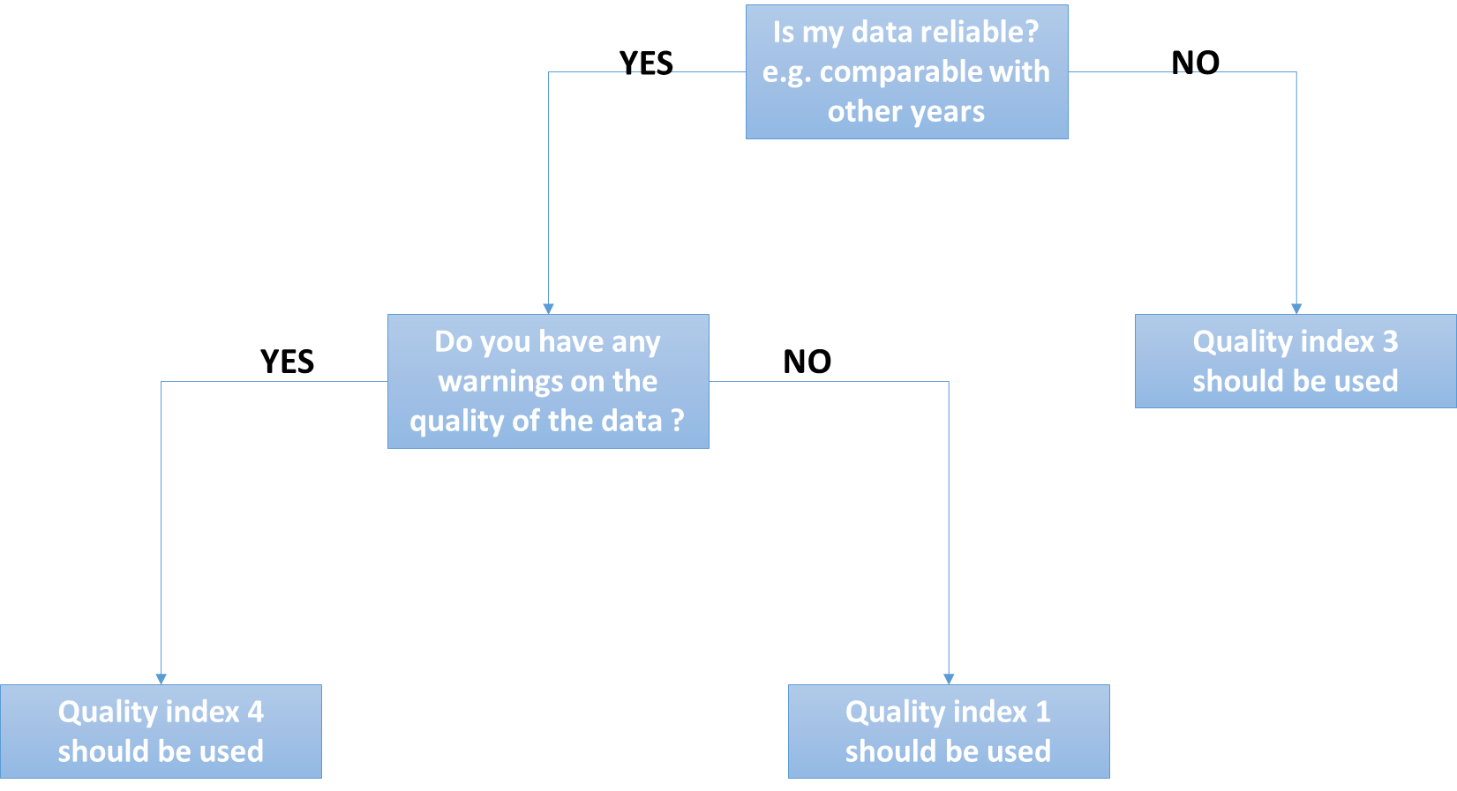
eel_typ_name | eel_year | eel_value | eel_missvaluequal | eel_emu_nameshort | eel_cou_code | eel_lfs_code | eel_hty_code | eel_area_division | eel_qal_id | eel_qal_comment | eel_comment
Use this sheet to :
(1) Check missing historical data.
The new_data corresponds to all combinations of possible missing data that we have identified for the past twenty years. We searched whether any data was entered one year for a given emu, habitat type or lifestage. We also searched whether there might be one entry with an aggegated data attribute (e.g. AL habitat, XX_total for emu, YS for lifestage). When that match did not exist, we generated a line with NP in the database, that is: no data was ever collected for this stage and this habitat, and this was identified as not pertinent (NP), with a comment 'no landings ever recorded in the db'. If a fishery occured sometime in the past, but no data was collected later, we suppose the fishery stopped; the data are marked as NP not pertinent, with the comment 'landings ended in <year>'.
(2) Insert new data : it's already pre-filled
In the three last years, data might be missing because it was not completely collected. Then the data is marked as NC (not collected). If you have new data to fill in, you will remove the NC, add the value, change the eel_datasource to dc_202X (202X=the current year). In current year data is generally not collected. You can remove those lines if you have no data.
So in practise, please check that data marked as NP are correct (use a filter for NP data). Then check for NC data and try to replace with new data by removing the NC attribute, setting a value, and change the datasource to dc_202X. Then screen for current year lines and remove if you have no data yet. And please remember, you have to fill in eel_value OR eel_missvalueqal, never both, always one or the other.
Please remember this : you have to fill in eel_value OR eel_missvalueqal, never both, always one or the other. You never provide an ICES division (eel_area_division) for Freshwater. You should always fill in all fields, except comments and eel_area_division in Freshwater.
Please do not provide an ICES area for freshwater, this is only for habitat MO and Transitional.

updated_data
eel_id | eel_typ_name | eel_year | eel_value | eel_missvaluequal | eel_emu_nameshort | eel_cou_code | eel_lfs_code | eel_hty_code | eel_area_division | eel_qal_id | eel_qal_comment | eel_comment
Use this sheet to provide corrections for existing data
If you want to correct existing data, please copy the line from existing_kept, and paste the line in the updated_data sheet. Please provide a comment and highlight the values that were changed.
If the lfs_code, or eel_area_code, or eel_emu_nameshort is changed then this requires a manual edition in the database. This should be done in the data integration session.

deleted_data
eel_id | eel_typ_name | eel_year | eel_value | eel_missvaluequal | eel_emu_nameshort | eel_cou_code | eel_lfs_code | eel_hty_code | eel_area_division | eel_qal_id | eel_qal_comment | eel_comment

Use this sheet to DELETE existing data
If you want to delete existing data, please copy the line from existing_kept, and paste the line in the delete_data sheet. Please provide a comment on deleted data.

tr_emu_emu
emu_nameshort | emu_name | emu_cou_code | emu_wholecountry
BE_Meus |  | BE | FALSE | DO NOT USE RED LINES IN AQUACULTURE
BE_Rhin |  | BE | FALSE
BE_Sche |  | BE | FALSE
BE_Sein |  | BE | FALSE
CZ_Elbe |  | CZ | FALSE
CZ_Oder |  | CZ | FALSE
DE_Eide |  | DE | FALSE
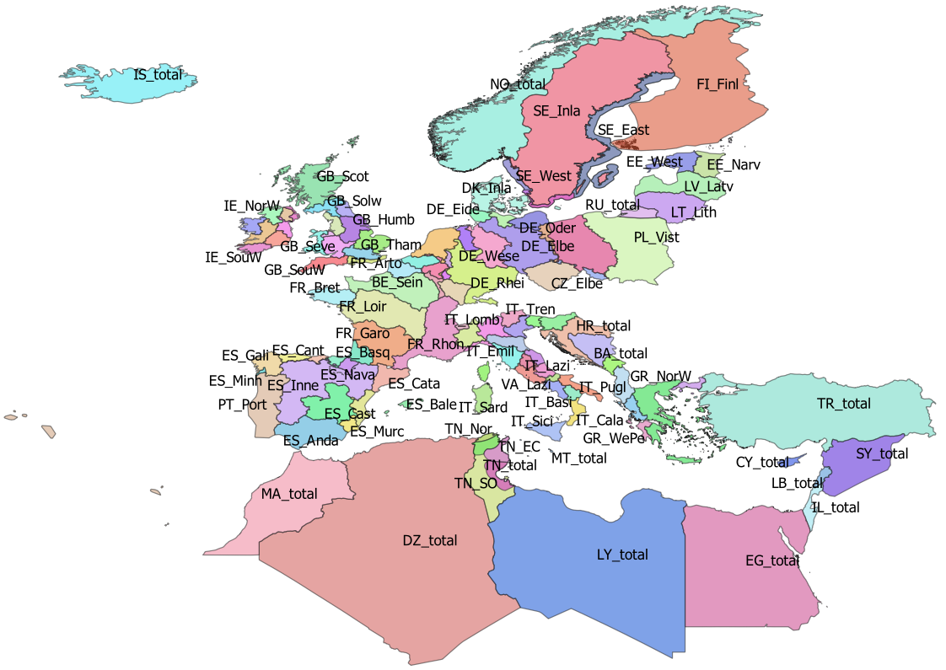
DE_Elbe |  | DE | FALSE
DE_Ems |  | DE | FALSE
DE_Maas |  | DE | FALSE
DE_Oder |  | DE | FALSE
DE_Rhei |  | DE | FALSE
DE_Schl |  | DE | FALSE
DE_Warn |  | DE | FALSE
DE_Wese |  | DE | FALSE
DK_Inla |  | DK | FALSE
DK_Mari | Danish coastal and marine waters | DK | FALSE
EE_Narv |  | EE | FALSE
EE_West |  | EE | FALSE
ES_Anda |  | ES | FALSE
ES_Astu |  | ES | FALSE
ES_Bale |  | ES | FALSE
ES_Basq |  | ES | FALSE
ES_Cant |  | ES | FALSE
ES_Cast |  | ES | FALSE
ES_Cata |  | ES | FALSE
ES_Gali |  | ES | FALSE
ES_Inne |  | ES | FALSE
ES_Minh | Minho transboundary emu | PT | FALSE
ES_Mino |  | ES | FALSE
ES_Murc |  | ES | FALSE
ES_Nava |  | ES | FALSE
ES_Vale |  | ES | FALSE
FR_Adou |  | FR | FALSE
FR_Arto |  | FR | FALSE
FR_Bret |  | FR | FALSE
FR_Cors |  | FR | FALSE
FR_Garo |  | FR | FALSE
FR_Loir |  | FR | FALSE
FR_Meus |  | FR | FALSE
FR_Rhin |  | FR | FALSE
FR_Rhon |  | FR | FALSE
FR_Sein |  | FR | FALSE
GB_Angl |  | GB | FALSE
GB_Dee |  | GB | FALSE
GB_Humb |  | GB | FALSE
GB_Neag |  | GB | FALSE
GB_NorE |  | GB | FALSE
GB_Nort |  | GB | FALSE
GB_NorW |  | GB | FALSE
GB_Scot |  | GB | FALSE
GB_Seve |  | GB | FALSE
GB_Solw |  | GB | FALSE
GB_SouE |  | GB | FALSE
GB_SouW |  | GB | FALSE
GB_Tham |  | GB | FALSE
GB_Wale |  | GB | FALSE
GR_CeAe |  | GR | FALSE
GR_EaMT |  | GR | FALSE
GR_NorW |  | GR | FALSE
GR_WePe |  | GR | FALSE
IE_East |  | IE | FALSE
IE_NorW |  | IE | FALSE
IE_Shan |  | IE | FALSE
IE_SouE |  | IE | FALSE
IE_SouW |  | IE | FALSE
IE_West |  | IE | FALSE
IT_Abru |  | IT | FALSE
IT_Basi |  | IT | FALSE
IT_Cala |  | IT | FALSE
IT_Camp |  | IT | FALSE
IT_Emil |  | IT | FALSE
IT_Frio |  | IT | FALSE
IT_Lazi |  | IT | FALSE
IT_Ligu |  | IT | FALSE
IT_Lomb |  | IT | FALSE
IT_Marc |  | IT | FALSE
IT_Moli |  | IT | FALSE
IT_Piem |  | IT | FALSE
IT_Pugl |  | IT | FALSE
IT_Sard |  | IT | FALSE
IT_Sici |  | IT | FALSE
IT_Tosc |  | IT | FALSE
IT_Tren |  | IT | FALSE
IT_Umbr |  | IT | FALSE
IT_Vall |  | IT | FALSE
IT_Vene |  | IT | FALSE
LT_Lith |  | LT | FALSE
LU_Luxe |  | LU | FALSE
LV_Latv |  | LV | FALSE
PL_Oder |  | PL | FALSE
PL_Vist |  | PL | FALSE
PT_Port |  | PT | FALSE
SE_East |  | SE | FALSE
SE_Inla |  | SE | FALSE
SE_We_o | Historical EMU for Sweden, used for historical data | SE | FALSE
SE_West |  | SE | FALSE
TN_EC | Tunisia East and centre | TN | FALSE
TN_NE | Tunisia North East Medjerda | TN | FALSE
TN_Nor | Tunisia North | TN | FALSE
TN_SO | Tunisia South | TN | FALSE
VA_Lazi |  | VA | FALSE
AL_total |  | AL | TRUE
AX_total |  | AX | TRUE
BA_total |  | BA | TRUE
BE_total |  | BE | TRUE
CY_total |  | CY | TRUE
CZ_total |  | CZ | TRUE
DE_total |  | DE | TRUE
DK_total |  | DK | TRUE
DZ_total |  | DZ | TRUE
EE_total |  | EE | TRUE
EG_total |  | EG | TRUE
ES_total |  | ES | TRUE
FI_Finl |  | FI | TRUE
FI_total |  | FI | TRUE
FR_total |  | FR | TRUE
GB_total |  | GB | TRUE
GR_total |  | GR | TRUE
HR_total |  | HR | TRUE
IE_total |  | IE | TRUE
IL_total |  | IL | TRUE
IS_total | Iceland | IS | TRUE
IT_total |  | IT | TRUE
LB_total |  | LB | TRUE
LT_total |  | LT | TRUE
LU_total |  | LU | TRUE
LV_total |  | LV | TRUE
LY_total |  | LY | TRUE
MA_total |  | MA | TRUE
ME_total |  | ME | TRUE
MT_total |  | MT | TRUE
NL_Neth |  | NL | TRUE
NO_total |  | NO | TRUE
PL_total |  | PL | TRUE
PT_total |  | PT | TRUE
RU_total |  | RU | TRUE
SE_total |  | SE | TRUE
SI_total |  | SI | TRUE
SY_total |  | SY | TRUE
TN_total |  | TN | TRUE
TR_total |  | TR | TRUE
VA_total |  | VA | TRUE
SE_Ea_o | Historical EMU for Sweden, used for historical data | SE
SE_So_o | Historical EMU for Sweden, used for historical data | SE

tr_country_cou
cou_code | cou_country | cou_order | cou_iso3code
AL | Albania | 27 | ALB
AX | Åland | 3 | ALA
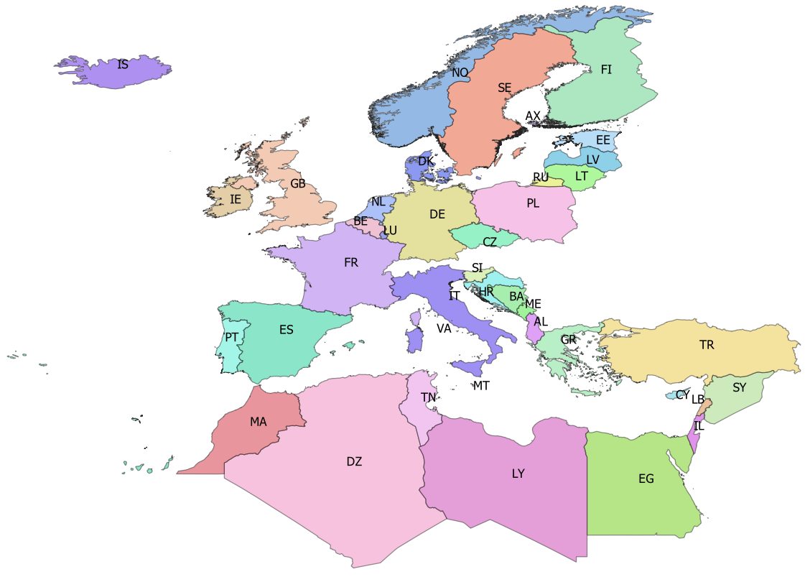
BA | Bosnia-Herzegovina | 25 | BIH
BE | Belgium | 14 | BEL
CY | Cyprus | 35 | CYP
CZ | Czech republic | 10 | CZE
DE | Germany | 11 | DEU
DK | Denmark | 12 | DNK
DZ | Algeria | 42 | DZA
EE | Estonia | 5 | EST
EG | Egypt | 39 | EGY
ES | Spain | 19 | ESP
FI | Finland | 4 | FIN
FR | France | 18 | FRA
GB | Great Britain | 17 | GBR
GR | Greece | 28 | GRC
HR | Croatia | 24 | HRV
IE | Ireland | 16 | IRL
IL | Israel | 38 | ISR
IS | Iceland | 0 | ISL
IT | Italy | 21 | ITA
LB | Lebanon | 37 | LBN
LT | Lithuania | 7 | LTU
LU | Luxembourg | 15 | LUX
LV | Latvia | 6 | LVA
LY | Libya | 40 | LBY
MA | Morocco | 43 | MAR
ME | Montenegro | 26 | MNE
MT | Malta | 22 | MLT
NL | Netherlands | 13 | NLD
NO | Norway | 1 | NOR
PL | Poland | 9 | POL
PT | Portugal | 20 | PRT
RU | Russia | 8 | RUS
SE | Sweden | 2 | SWE
SI | Slovenia | 23 | SVN
SY | Syria | 36 | SYR
TN | Tunisia | 41 | TUN
TR | Turkey | 34 | TUR

tr_faoareas
gid | fid | f_level | f_code | f_status | ocean | subocean | f_area | f_subarea | f_division | f_subdivis | f_subunit | surface
71 | 120 | DIVISION | 37.4.1 | 1 | Atlantic | 3 | 37 | 37.4 | 37.4.1 |  |  | 11827243389
78 | 130 | DIVISION | 71.6.2 | 1 | Pacific | 7 | 71 | _71.6 | 71.6.2 |  |  | 4.4965877481E+12 | Please check also the maps provided by ICES
79 | 131 | DIVISION | 34.4.2 | 1 | Atlantic | 3 | 34 | 34.4 | 34.4.2 |  |  | 3.0235738565E+12 | ICES statistical rectangles | http://gis.ices.dk/sf/index.html?widget=StatRec
72 | 121 | DIVISION | 37.3.2 | 1 | Atlantic | 3 | 37 | 37.3 | 37.3.2 |  |  | 4.4394271216E+11 | FAO areas map | http://www.fao.org/fishery/area/search/en
73 | 122 | DIVISION | 34.1.2 | 1 | Atlantic | 3 | 34 | 34.1 | 34.1.2 |  |  | 6.8237610048E+11
74 | 123 | DIVISION | 34.1.1 | 1 | Atlantic | 3 | 34 | 34.1 | 34.1.1 |  |  | 3.8407183464E+11 | These codes are for use only in the case of Coatsal and Marine Open waters – otherwise you can leave it
98 | 114 | DIVISION | 37.1.2 | 1 | Atlantic | 3 | 37 | 37.1 | 37.1.2 |  |  | 62704555110 | Please only use f_division as the reference.
99 | 115 | DIVISION | 37.1.3 | 1 | Atlantic | 3 | 37 | 37.1 | 37.1.3 |  |  | 3.1374145477E+11
75 | 126 | DIVISION | 34.1.3 | 1 | Atlantic | 3 | 34 | 34.1 | 34.1.3 |  |  | 3.1689909814E+11
76 | 133 | DIVISION | 71.6.1 | 1 | Pacific | 7 | 71 | _71.6 | 71.6.1 |  |  | 5.394501655E+12
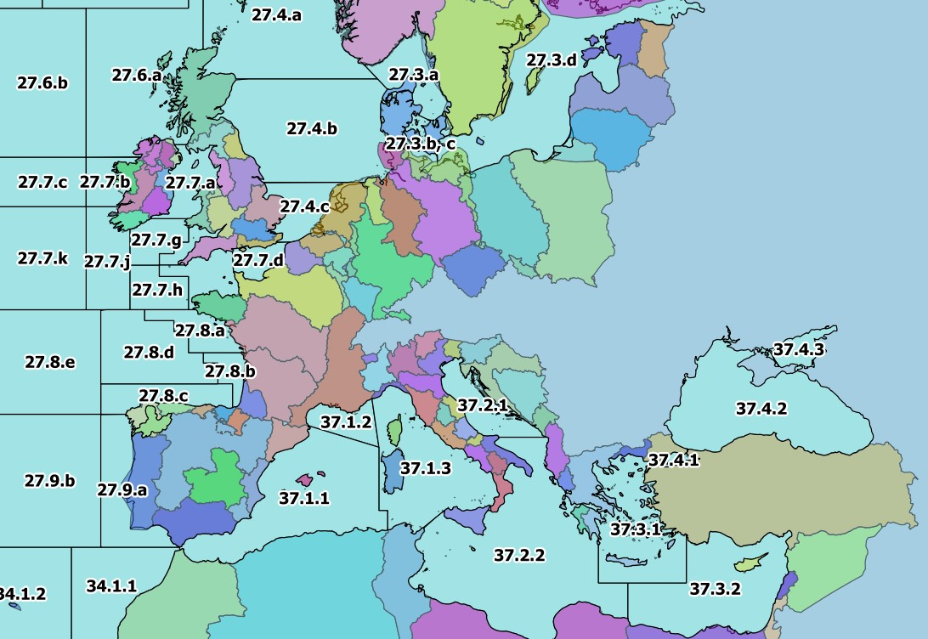
96 | 112 | DIVISION | 37.4.2 | 1 | Atlantic | 3 | 37 | 37.4 | 37.4.2 |  |  | 4.2224797745E+11
113 | 157 | DIVISION | 41.1.4 | 1 | Atlantic | 4 | 41 | 41.1 | 41.1.4 |  |  | 3.8673825625E+12
114 | 158 | DIVISION | 34.4.1 | 1 | Atlantic | 3 | 34 | 34.4 | 34.4.1 |  |  | 1.6956766307E+12
77 | 134 | DIVISION | 34.3.1 | 1 | Atlantic | 3 | 34 | 34.3 | 34.3.1 |  |  | 4.8535342355E+11
100 | 116 | DIVISION | 27.12.b | 1 | Atlantic | 2 | 27 | 27.12 | 27.12.b |  |  | 2.2089912841E+11
80 | 132 | DIVISION | 34.3.2 | 1 | Atlantic | 3 | 34 | 34.3 | 34.3.2 |  |  | 1.1845384452E+12
106 | 150 | DIVISION | 41.1.2 | 1 | Atlantic | 4 | 41 | 41.1 | 41.1.2 |  |  | 6.4234946631E+11
125 | 173 | DIVISION | 58.5.2 | 1 | Indian | 10 | 58 | 58.5 | 58.5.2 |  |  | 6.5499103626E+11
97 | 113 | DIVISION | 37.4.3 | 1 | Atlantic | 3 | 37 | 37.4 | 37.4.3 |  |  | 41321419920
166 | 205 | DIVISION | 47.D.0 | 1 | Atlantic | 4 | 47 | 47.D | 47.D.0 |  |  | 3.9568461054E+12
105 | 149 | DIVISION | 87.1.3 | 1 | Pacific | 8 | 87 | 87.1 | 87.1.3 |  |  | 2.7918904335E+11
117 | 162 | DIVISION | 87.2.5 | 1 | Pacific | 8 | 87 | 87.2 | 87.2.5 |  |  | 81149107681
101 | 117 | DIVISION | 37.2.1 | 1 | Atlantic | 3 | 37 | 37.2 | 37.2.1 |  |  | 98667922161
102 | 118 | DIVISION | 37.2.2 | 1 | Atlantic | 3 | 37 | 37.2 | 37.2.2 |  |  | 8.463424121E+11
103 | 119 | DIVISION | 37.3.1 | 1 | Atlantic | 3 | 37 | 37.3 | 37.3.1 |  |  | 2.8644821287E+11
104 | 148 | DIVISION | 41.1.1 | 1 | Atlantic | 4 | 41 | 41.1 | 41.1.1 |  |  | 8.8139455583E+11
107 | 151 | DIVISION | 41.1.3 | 1 | Atlantic | 4 | 41 | 41.1 | 41.1.3 |  |  | 4.3466642278E+11
108 | 152 | DIVISION | 57.5.1 | 1 | Indian | 5 | 57 | 57.5 | 57.5.1 |  |  | 2.1533130799E+12
121 | 169 | DIVISION | 41.2.4 | 1 | Atlantic | 4 | 41 | 41.2 | 41.2.4 |  |  | 5.197206508E+12
122 | 170 | DIVISION | 41.3.3 | 1 | Atlantic | 4 | 41 | 41.3 | 41.3.3 |  |  | 2.4393578165E+12
123 | 171 | DIVISION | 27.10.a | 1 | Atlantic | 2 | 27 | 27.10 | 27.10.a |  |  | 1.6007574647E+12
124 | 172 | DIVISION | 27.9.b | 1 | Atlantic | 2 | 27 | 27.9 | 27.9.b |  |  | 4.6763680928E+11
109 | 153 | DIVISION | 87.2.6 | 1 | Pacific | 8 | 87 | 87.2 | 87.2.6 |  |  | 9.9300606702E+12
110 | 154 | DIVISION | 87.2.2 | 1 | Pacific | 8 | 87 | 87.2 | 87.2.2 |  |  | 3.8596179793E+11
111 | 155 | DIVISION | 87.2.1 | 1 | Pacific | 8 | 87 | 87.2 | 87.2.1 |  |  | 3.7875233544E+11
112 | 156 | DIVISION | 41.2.1 | 1 | Atlantic | 4 | 41 | 41.2 | 41.2.1 |  |  | 6.5563585246E+11
115 | 159 | DIVISION | 57.5.2 | 1 | Indian | 5 | 57 | 57.5 | 57.5.2 |  |  | 1.6963027142E+12
116 | 160 | DIVISION | 87.2.3 | 1 | Pacific | 8 | 87 | 87.2 | 87.2.3 |  |  | 85283982521
118 | 163 | DIVISION | 41.2.2 | 1 | Atlantic | 4 | 41 | 41.2 | 41.2.2 |  |  | 3.4447105362E+11
119 | 164 | DIVISION | 87.2.4 | 1 | Pacific | 8 | 87 | 87.2 | 87.2.4 |  |  | 1.3517500454E+11
120 | 165 | DIVISION | 87.3.3 | 1 | Pacific | 8 | 87 | 87.3 | 87.3.3 |  |  | 7.0435159127E+12
126 | 174 | DIVISION | 58.4.4 | 1 | Indian | 10 | 58 | 58.4 | 58.4.4 |  |  | 2.4960539783E+12
127 | 175 | DIVISION | 41.2.3 | 1 | Atlantic | 4 | 41 | 41.2 | 41.2.3 |  |  | 4.6731294794E+11
138 | 146 | DIVISION | 87.1.2 | 1 | Pacific | 8 | 87 | 87.1 | 87.1.2 |  |  | 5.0490011797E+11
130 | 178 | DIVISION | 34.3.6 | 1 | Atlantic | 3 | 34 | 34.3 | 34.3.6 |  |  | 5.5056565487E+11
128 | 176 | DIVISION | 41.3.1 | 1 | Atlantic | 4 | 41 | 41.3 | 41.3.1 |  |  | 1.0883663202E+12
129 | 177 | DIVISION | 37.1.1 | 1 | Atlantic | 3 | 37 | 37.1 | 37.1.1 |  |  | 4.6818694853E+11
179 | 260 | DIVISION | 27.6.b | 1 | Atlantic | 2 | 27 | 27.6 | 27.6.b |  |  | 2.2155353285E+11
131 | 166 | DIVISION | 87.3.2 | 1 | Pacific | 8 | 87 | 87.3 | 87.3.2 |  |  | 3.6127075642E+11
132 | 167 | DIVISION | 87.3.1 | 1 | Pacific | 8 | 87 | 87.3 | 87.3.1 |  |  | 4.4833006009E+11
133 | 168 | DIVISION | 58.5.1 | 1 | Indian | 10 | 58 | 58.5 | 58.5.1 |  |  | 1.0830864153E+12
134 | 142 | DIVISION | 34.3.3 | 1 | Atlantic | 3 | 34 | 34.3 | 34.3.3 |  |  | 1.1474193123E+12
135 | 143 | DIVISION | 87.1.1 | 1 | Pacific | 8 | 87 | 87.1 | 87.1.1 |  |  | 5.6919002649E+11
155 | 208 | DIVISION | 47.1.3 | 1 | Atlantic | 4 | 47 | 47.1 | 47.1.3 |  |  | 2.1712156714E+11
136 | 144 | DIVISION | 34.3.4 | 1 | Atlantic | 3 | 34 | 34.3 | 34.3.4 |  |  | 7.1688073434E+11
144 | 193 | DIVISION | 47.A.0 | 1 | Atlantic | 4 | 47 | 47.A | 47.A.0 |  |  | 3.8156189159E+12
137 | 145 | DIVISION | 34.3.5 | 1 | Atlantic | 3 | 34 | 34.3 | 34.3.5 |  |  | 4.1212734288E+11
145 | 194 | DIVISION | 47.A.1 | 1 | Atlantic | 4 | 47 | 47.A | 47.A.1 |  |  | 1.0930129465E+12
146 | 195 | DIVISION | 21.1.D | 1 | Atlantic | 2 | 21 | 21.1 | 21.1.D |  |  | 70014038602
147 | 196 | DIVISION | 21.1.E | 1 | Atlantic | 2 | 21 | 21.1 | 21.1.E |  |  | 88359698256
148 | 197 | DIVISION | 21.2.G | 1 | Atlantic | 2 | 21 | 21.2 | 21.2.G |  |  | 1.7199269126E+11
149 | 198 | DIVISION | 21.1.F | 1 | Atlantic | 2 | 21 | 21.1 | 21.1.F |  |  | 4.1223443166E+11
150 | 199 | DIVISION | 21.2.H | 1 | Atlantic | 2 | 21 | 21.2 | 21.2.H |  |  | 1.8630740739E+11
139 | 147 | DIVISION | 87.1.4 | 1 | Pacific | 8 | 87 | 87.1 | 87.1.4 |  |  | 1.0566518729E+13
140 | 189 | DIVISION | 41.3.2 | 1 | Atlantic | 4 | 41 | 41.3 | 41.3.2 |  |  | 1.5197998155E+12
141 | 190 | DIVISION | 58.4.2 | 1 | Indian | 10 | 58 | 58.4 | 58.4.2 |  |  | 1.5596670646E+12
142 | 191 | DIVISION | 58.4.1 | 1 | Indian | 10 | 58 | 58.4 | 58.4.1 |  |  | 4.5940913728E+12
143 | 192 | DIVISION | 58.4.3 | 1 | Indian | 10 | 58 | 58.4 | 58.4.3 |  |  | 1.1749756182E+12
154 | 207 | DIVISION | 47.2.1 | 1 | Atlantic | 4 | 47 | 47.2 | 47.2.1 |  |  | 1.758261644E+11
151 | 200 | DIVISION | 21.3.M | 1 | Atlantic | 2 | 21 | 21.3 | 21.3.M |  |  | 4.0964555025E+11
152 | 201 | DIVISION | 21.3.O | 1 | Atlantic | 2 | 21 | 21.3 | 21.3.O |  |  | 1.4087240713E+11
153 | 202 | DIVISION | 47.1.1 | 1 | Atlantic | 4 | 47 | 47.1 | 47.1.1 |  |  | 1.7743778321E+11
156 | 209 | DIVISION | 47.1.4 | 1 | Atlantic | 4 | 47 | 47.1 | 47.1.4 |  |  | 2.2324467513E+11
157 | 210 | DIVISION | 47.1.5 | 1 | Atlantic | 4 | 47 | 47.1 | 47.1.5 |  |  | 2.2660832618E+11
167 | 206 | DIVISION | 47.2.2 | 1 | Atlantic | 4 | 47 | 47.2 | 47.2.2 |  |  | 1.9793986876E+11
158 | 211 | DIVISION | 47.1.6 | 1 | Atlantic | 4 | 47 | 47.1 | 47.1.6 |  |  | 3.5771216982E+11
161 | 214 | DIVISION | 27.8.b | 1 | Atlantic | 2 | 27 | 27.8 | 27.8.b |  |  | 34964551008
162 | 215 | DIVISION | 27.10.b | 1 | Atlantic | 2 | 27 | 27.10 | 27.10.b |  |  | 1.0420531582E+12
165 | 204 | DIVISION | 47.C.0 | 1 | Atlantic | 4 | 47 | 47.C | 47.C.0 |  |  | 3.49107238E+12
159 | 212 | DIVISION | 27.9.a | 1 | Atlantic | 2 | 27 | 27.9 | 27.9.a |  |  | 1.6797139363E+11
160 | 213 | DIVISION | 27.8.c | 1 | Atlantic | 2 | 27 | 27.8 | 27.8.c |  |  | 92763573598
163 | 216 | DIVISION | 27.8.e | 1 | Atlantic | 2 | 27 | 27.8 | 27.8.e |  |  | 3.039321707E+11
164 | 203 | DIVISION | 47.1.2 | 1 | Atlantic | 4 | 47 | 47.1 | 47.1.2 |  |  | 2.2898701024E+11
168 | 249 | DIVISION | 27.7.j | 1 | Atlantic | 2 | 27 | 27.7 | 27.7.j |  |  | 99469988428
169 | 250 | DIVISION | 27.7.h | 1 | Atlantic | 2 | 27 | 27.7 | 27.7.h |  |  | 57004067471
170 | 251 | DIVISION | 27.7.f | 1 | Atlantic | 2 | 27 | 27.7 | 27.7.f |  |  | 18973216548
171 | 252 | DIVISION | 27.7.g | 1 | Atlantic | 2 | 27 | 27.7 | 27.7.g |  |  | 47663203973
172 | 253 | DIVISION | 27.12.c | 1 | Atlantic | 2 | 27 | 27.12 | 27.12.c |  |  | 8.5659695385E+11
173 | 254 | DIVISION | 27.7.k | 1 | Atlantic | 2 | 27 | 27.7 | 27.7.k |  |  | 2.1450534608E+11
174 | 255 | DIVISION | 27.4.c | 1 | Atlantic | 2 | 27 | 27.4 | 27.4.c |  |  | 64302618029
175 | 256 | DIVISION | 27.7.c | 1 | Atlantic | 2 | 27 | 27.7 | 27.7.c |  |  | 88580563653
176 | 257 | DIVISION | 27.3.d | 1 | Atlantic | 2 | 27 | 27.3 | 27.3.d |  |  | 3.8016191882E+11
177 | 258 | DIVISION | 27.3.b, c | 1 | Atlantic | 2 | 27 | 27.3 | 27.3.b, c |  |  | 20488533250
178 | 259 | DIVISION | 27.4.b | 1 | Atlantic | 2 | 27 | 27.4 | 27.4.b |  |  | 2.8138452398E+11
180 | 261 | DIVISION | 27.5.b | 1 | Atlantic | 2 | 27 | 27.5 | 27.5.b |  |  | 1.9220460306E+11
181 | 262 | DIVISION | 27.12.a | 1 | Atlantic | 2 | 27 | 27.12 | 27.12.a |  |  | 1.0705370691E+12
182 | 263 | DIVISION | 27.5.a | 1 | Atlantic | 2 | 27 | 27.5 | 27.5.a |  |  | 3.787611177E+11
183 | 264 | DIVISION | 27.14.b | 1 | Atlantic | 2 | 27 | 27.14 | 27.14.b |  |  | 6.7386549825E+11
184 | 265 | DIVISION | 27.2.a | 1 | Atlantic | 2 | 27 | 27.2 | 27.2.a |  |  | 1.4329040333E+12
185 | 266 | DIVISION | 27.2.b | 1 | Atlantic | 2 | 27 | 27.2 | 27.2.b |  |  | 1.1251753495E+12
186 | 267 | DIVISION | 27.1.a | 1 | Atlantic | 2 | 27 | 27.1 | 27.1.a |  |  | 66867090359
187 | 268 | DIVISION | 27.14.a | 1 | Atlantic | 2 | 27 | 27.14 | 27.14.a |  |  | 6.6009656446E+11
188 | 269 | DIVISION | 27.7.e | 1 | Atlantic | 2 | 27 | 27.7 | 27.7.e |  |  | 56394287388
189 | 270 | DIVISION | 27.7.d | 1 | Atlantic | 2 | 27 | 27.7 | 27.7.d |  |  | 33233430849
190 | 271 | DIVISION | 27.6.a | 1 | Atlantic | 2 | 27 | 27.6 | 27.6.a |  |  | 2.3709200662E+11
198 | 272 | DIVISION | 27.7.b | 1 | Atlantic | 2 | 27 | 27.7 | 27.7.b |  |  | 35977798774
206 | 217 | DIVISION | 27.8.d | 1 | Atlantic | 2 | 27 | 27.8 | 27.8.d |  |  | 1.8190837118E+11
199 | 273 | DIVISION | 27.7.a | 1 | Atlantic | 2 | 27 | 27.7 | 27.7.a |  |  | 50225031975
200 | 274 | DIVISION | 27.4.a | 1 | Atlantic | 2 | 27 | 27.4 | 27.4.a |  |  | 2.6990033572E+11
201 | 275 | DIVISION | 27.1.b | 1 | Atlantic | 2 | 27 | 27.1 | 27.1.b |  |  | 1.5571314147E+12
202 | 277 | DIVISION | 27.3.a | 1 | Atlantic | 2 | 27 | 27.3 | 27.3.a |  |  | 54943741725
207 | 218 | DIVISION | 21.3.N | 1 | Atlantic | 2 | 21 | 21.3 | 21.3.N |  |  | 2.8300257198E+11
208 | 219 | DIVISION | 21.4.V | 1 | Atlantic | 2 | 21 | 21.4 | 21.4.V |  |  | 3.6983537089E+11
212 | 223 | DIVISION | 21.6.E | 1 | Atlantic | 2 | 21 | 21.6 | 21.6.E |  |  | 1.9752551717E+11
213 | 224 | DIVISION | 21.6.F | 1 | Atlantic | 2 | 21 | 21.6 | 21.6.F |  |  | 1.9752551717E+11
214 | 225 | DIVISION | 21.6.G | 1 | Atlantic | 2 | 21 | 21.6 | 21.6.G |  |  | 1.9752551717E+11
209 | 220 | DIVISION | 21.5.Z | 1 | Atlantic | 2 | 21 | 21.5 | 21.5.Z |  |  | 1.7508389379E+11
223 | 234 | DIVISION | 21.3.K | 1 | Atlantic | 2 | 21 | 21.3 | 21.3.K |  |  | 3.235101819E+11
224 | 235 | DIVISION | 21.2.J | 1 | Atlantic | 2 | 21 | 21.2 | 21.2.J |  |  | 2.8364420939E+11
210 | 221 | DIVISION | 21.6.B | 1 | Atlantic | 2 | 21 | 21.6 | 21.6.B |  |  | 1.1778897788E+11
211 | 222 | DIVISION | 21.6.D | 1 | Atlantic | 2 | 21 | 21.6 | 21.6.D |  |  | 1.9752551717E+11
215 | 226 | DIVISION | 21.6.H | 1 | Atlantic | 2 | 21 | 21.6 | 21.6.H |  |  | 3.1604082825E+11
216 | 227 | DIVISION | 21.0.A | 1 | Atlantic | 2 | 21 | 21.0 | 21.0.A |  |  | 3.478786631E+11
217 | 228 | DIVISION | 21.1.A | 1 | Atlantic | 2 | 21 | 21.1 | 21.1.A |  |  | 3.0887757718E+11
218 | 229 | DIVISION | 21.1.B | 1 | Atlantic | 2 | 21 | 21.1 | 21.1.B |  |  | 64571421055
219 | 230 | DIVISION | 21.0.B | 1 | Atlantic | 2 | 21 | 21.0 | 21.0.B |  |  | 2.3416727016E+11
220 | 231 | DIVISION | 21.1.C | 1 | Atlantic | 2 | 21 | 21.1 | 21.1.C |  |  | 55224442104
235 | 246 | DIVISION | 47.C.1 | 1 | Atlantic | 4 | 47 | 47.C | 47.C.1 |  |  | 9.9078538853E+11
236 | 247 | DIVISION | 47.B.0 | 1 | Atlantic | 4 | 47 | 47.B | 47.B.0 |  |  | 1.810986046E+12
221 | 232 | DIVISION | 21.4.W | 1 | Atlantic | 2 | 21 | 21.4 | 21.4.W |  |  | 2.3733520377E+11
237 | 248 | DIVISION | 27.8.a | 1 | Atlantic | 2 | 27 | 27.8 | 27.8.a |  |  | 62661971418
222 | 233 | DIVISION | 21.4.S | 1 | Atlantic | 2 | 21 | 21.4 | 21.4.S |  |  | 83188988725
225 | 236 | DIVISION | 21.6.A | 1 | Atlantic | 2 | 21 | 21.6 | 21.6.A |  |  | 48859563881
226 | 237 | DIVISION | 21.6.C | 1 | Atlantic | 2 | 21 | 21.6 | 21.6.C |  |  | 1.2320852739E+11
227 | 238 | DIVISION | 21.4.R | 1 | Atlantic | 2 | 21 | 21.4 | 21.4.R |  |  | 41032406057
228 | 239 | DIVISION | 21.3.L | 1 | Atlantic | 2 | 21 | 21.3 | 21.3.L |  |  | 1.9142166479E+11
229 | 240 | DIVISION | 21.3.P | 1 | Atlantic | 2 | 21 | 21.3 | 21.3.P |  |  | 1.0197374728E+11
230 | 241 | DIVISION | 21.4.X | 1 | Atlantic | 2 | 21 | 21.4 | 21.4.X |  |  | 1.5425886412E+11
231 | 242 | DIVISION | 21.5.Y | 1 | Atlantic | 2 | 21 | 21.5 | 21.5.Y |  |  | 58396273397
232 | 243 | DIVISION | 21.4.T | 1 | Atlantic | 2 | 21 | 21.4 | 21.4.T |  |  | 1.119470056E+11
233 | 244 | DIVISION | 47.D.1 | 1 | Atlantic | 4 | 47 | 47.D | 47.D.1 |  |  | 4.1867328636E+11
234 | 245 | DIVISION | 47.B.1 | 1 | Atlantic | 4 | 47 | 47.B | 47.B.1 |  |  | 9.6050509624E+11

