readme
To do list :
(1) Fill in metadata. If needed add one row per series to give the email of the series contact person, these are not stored in database but might be used to ask for information.
(2) Please provide sampling information under sampling_info. The objective it to get a consistent sampling scheme at the EMU scale, and information about sampling objective and strategy should be provided. If different sampling strategies are used to collect different indices (e.g. one for biometrics and one for contaminants) describe those sampling as separate rows. Please provide a comment to explain any issues (e.g. COVID-19, reduced effort etc.) that may have affected your data collection for that specific sampling scheme and year.
(3) Use only new_grouped metrics and new_individual metrics sheets to provide all the available data on biometric metrics from sampling schemes not already covered under time series templates, at the group and the individual level, respectively. Eel quality data (in yellow) are optional for this 2022 data call.
sampling_info | Explanation of header and name of sheet providing codes
sai_name | Identifier of the sampling scheme. If the sampling scheme does not already exist, please provide a code starting with emu name and few letters and/or an integer (e.g. FR_Adou_biom, FR_Adou_cont)
sai_emu_nameshort | See the codes of the emu (emu_nameshort) in sheet tr_emu_emu
sai_cou_code | See the cou_code in the tr_country_cou table
sai_area_division | Fao code of sea region (division level) see tr_fao_area (column division)(https://github.com/ices-eg/WGEEL/wiki). These codes are for use only in the case of Coastal and Marine Open waters – otherwise you can leave it blank. ICES statistical rectangles (http://gis.ices.dk/sf/index.html?widget=StatRec) and FAO areas map (http://www.fao.org/fishery/area/search/en)
sai_hty_code | Habitat type see tr_habitattype_hty (F=Freshwater, MO=Marine Open,T=transitional, AL=aggregate...)
sai_samplingobjective | Indicate the program the data is coming from (e.g. EU DCF, GFCM etc.)
sai_samplingstrategy | Indicate sampling scheme (e.g. commercial fisheries, scientific survey)
sai_protocol | Description of the method used to capture fish and period of sampling
sai_qal_id | Sampling scheme quality id, used internally by the working group
sai_comment | Comment on the sampling scheme
sai_lastupdate | Generated automatically
sai_dts_datasource | Generated automatically

grouped_metrics | Explanation of header and name of sheet providing codes
gr_id | Identifier of the group metrics data, this will be filled in automatically in the new_group_metrics and will be used in the updated_group_metrics. Do not edit.
sai_name | Identifier of the sampling scheme as provided under sampling_info
gr_year | Sampling year (For glass eel, months from september y-1 to august y should be denoted year y / For silver eel, months from june y to may y+1 should be denoted year y / For yellow eels, use the calendar year)
grsa_lfs_code | Life stage, see tr_lifestage_lfs sheet
gr_number | Number of measured individuals
gr_comment | Comment
gr_last update | Generated automatically, do not use
gr_dts_datasource | Generated automatically, do not use
lengthmm | Mean total body length in mm
weightg | Mean weight in g
ageyear | Mean age (in years)
female_proportion | Sex ratio expressed as a proportion of female; between 0 (all males) and 1 (all females)
differentiated_proportion | Proportion of differentiated eels in the group
f_mean_lengthmm | Mean total length in mm of the female fraction
f_mean_weightg | Mean weight in g of the female fraction
f_mean_age | Mean age of the female fraction (in years)
m_mean_lengthmm | Mean total length in mm of the male fraction
m_mean_weightg | Mean weight in g of the male fraction
m_mean_ageyear | Mean age of the male fraction (in years)
anguillicola_proportion | Prevalence of Anguillicola crassus in the population (proportion)
anguillicola_intensity | Mean A.crassus intensity in numbers
muscle_lipid_fatmeter_perc | Muscle lipid percentage (fatmeter)
muscle_lipid_gravimeter_perc | Muscle lipid percentage (gravimetry)
sum_6_pcb | Mean sum of six PCBs in ng/g wet weight
teq | Mean sum TEQ of measured dioxin-like PCBs in ng/g wet weight
evex_proportion | EVE and EVEX proportion in the population
hva_proportion | HVA proportion in the population
pb | Mean lead (Pb) concentration in ng/g wet weight
hg | Mean mercury (Hg) concentration in ng/g wet weight
cd | Mean cadmium (Cd) concentration in ng/g wet weight
g_in_gy_proportion | Proportion of glass eel when the series is a grouping of glass and yellow eels
s_in_ys_proportion | Proportion of silver eel when the series is a grouping of yellow and silver eels

individual_metrics | Explanation of header and name of sheet providing codes
fi_id | Identifier of the individual metrics data, this will be filled in automatically in the new_individual_metrics and will be used in the updated_individual_metrics. Do not edit.
fi_idcou | Indentifier used by data provider to identify the fish in its national database. To avoid confusion of id among countries, please add your cou_code and the year of the datacall before the identifier. For example, fish XXX from France collected in datacall dc2023 should be named FR23XXX
sai_name | Identifier of the sampling scheme as provided under sampling_info
fi_date | Date of sampling - this should correspond to the date when the fish was caught - be as precise as possible
fi_lfs_code | Life stage, see tr_lifestage_lfs sheet
fi_comment | Comment
fi_last_update | Generated automatically, do not use
fi_dts_datasource | Generated automatically, do not use
fisa_x_4326 | x (longitude) EPSG:4326, WGS 84
fisa_y_4326 | y (latitude) EPSG:4326, WGS 84
lengthmm | Length in mm
weightg | Weight in g
ageyear | Age
is_female_(1=female,0=male) | Sex (1=female, 0=male)
is_differentiated_(1=differentiated,0_undifferentiated) | Is the eel differentiated (male or female), 1=yes, 0=no
eye_diam_mean_mm | Eye diameter, or average of vertical and horizontal diameter (mm)
pectoral_lengthmm | Pectoral fin length (mm)
anguillicola_presence(1=present,0=absent) | A. crassus presence (1) or absence (0)
anguillicola_intensity | A. crassus intensity in numbers
muscle_lipid_fatmeter_perc | Muscle lipid percentage (fatmeter)
muscle_lipid_gravimeter_perc | Muscle lipid percentage (gravimetry)
sum_6_pcb | Sum of six PCBs in ng/g wet weight
teq | Sum TEQ of measured dioxin-like PCBs in ng/g wet weight
evex_presence_(1=present,0=absent) | EVE and EVEX presence (1) or absence (0)
hva_presence_(1=present,0=absent) | HVA presence (1) or absence (0)
pb | Lead (Pb) concentration in ng/g wet weight
hg | Mercury (Hg) concentration in ng/g wet weight
cd | Cadmium (Cd) concentration in ng/g wet weight

metadata
You can enter one metadata for all the table or one line per sampling.
Contact person name | Contact person email address | Any comments to the data coordinator (i.e. what one might want to write in the email goes here, not in the mail)
name | email | comment

existing_group_metrics
This is what we have in the database, please don't write any new values there. Use this sheet to copy the line to the updated _group_metrics sheet, then do the update there.
gr_id | sai_name | gr_year | grsa_lfs_code | gr_number | gr_comment | gr_last_update | gr_dts_datasource | lengthmm | weightg | ageyear | female_proportion | differentiated_proportion | f_mean_lengthmm | f_mean_weightg | f_mean_age | m_mean_lengthmm | m_mean_weightg | m_mean_ageyear | anguillicola_proportion | anguillicola_intensity | muscle_lipid_fatmeter_perc | muscle_lipid_gravimeter_perc | sum_6_pcb | teq | evex_proportion | hva_proportion | pb | hg | cd | g_in_gy_proportion | s_in_ys_proportion

new_group_metrics
These data are used to describe eel biometric and quality data, use annual average values, use columns appropriately according to the stage (grey columns are for silver only). Please fill in the proportion of glass eel in mixed glass eel / yellow eel recruitment series (g_in_gy proportion) or proprotion of silver eel in the group (s_in_ys_proportion) where relevant. Yellow columns are not mandatory this year.
sai_name | gr_year | grsa_lfs_code | gr_number | lengthmm | weightg | ageyear | female_proportion | differentiated_proportion | f_mean_lengthmm | f_mean_weightg | f_mean_age | m_mean_lengthmm | m_mean_weightg | m_mean_ageyear | anguillicola_proportion | anguillicola_intensity | muscle_lipid_fatmeter_perc | muscle_lipid_gravimeter_perc | sum_6_pcb | teq | evex_proportion | hva_proportion | pb | hg | cd | g_in_gy_proportion | s_in_ys_proportion | gr_comment

updated_group_metrics
gr_id | sai_name | gr_year | grsa_lfs_code | gr_number | gr_comment | gr_last_update | gr_dts_datasource | lengthmm | weightg | ageyear | female_proportion | differentiated_proportion | f_mean_lengthmm | f_mean_weightg | f_mean_age | m_mean_lengthmm | m_mean_weightg | m_mean_ageyear | anguillicola_proportion | anguillicola_intensity | muscle_lipid_fatmeter_perc | muscle_lipid_gravimeter_perc | sum_6_pcb | teq | evex_proportion | hva_proportion | pb | hg | cd | g_in_gy_proportion | s_in_ys_proportion
Use this sheet to update/ correct existing data. Copy data from existing data and update necessary values.

deleted_group_metrics
gr_id | sai_name | gr_year | grsa_lfs_code | gr_number | gr_comment | gr_last_update | gr_dts_datasource | lengthmm | weightg | ageyear | female_proportion | differentiated_proportion | f_mean_lengthmm | f_mean_weightg | f_mean_age | m_mean_lengthmm | m_mean_weightg | m_mean_ageyear | anguillicola_proportion | anguillicola_intensity | muscle_lipid_fatmeter_perc | muscle_lipid_gravimeter_perc | sum_6_pcb | teq | evex_proportion | hva_proportion | pb | hg | cd | g_in_gy_proportion | s_in_ys_proportion
Use this sheet to delete any incorrect data under existing data. Copy data that you want to remove from the existing data.

existing_individual_metrics
This is what we have in the database, please don't write any new values there. Use this sheet to copy the line to the updated_individual_metrics sheet, then do the update there.
fi_id | fi_idcou | sai_name | fi_date | fi_year | fisa_lfs_code | fi_comment | fi_last update | fi_dts_datasource | fisa_x_4326 | fisa_y_4326 | lengthmm | weightg | ageyear | is_female_(1=female,0=male) | is_differentiated_(1=differentiated,0_undifferentiated) | eye_diam_mean_mm | pectoral_lengthmm | anguillicola_presence(1=present,0=absent) | anguillicola_intensity | muscle_lipid_fatmeter_perc | muscle_lipid_gravimeter_perc | sum_6_pcb | teq | evex_presence_(1=present,0=absent) | hva_presence_(1=present,0=absent) | pb | hg | cd

new_individual_metrics
These data are used to describe eel biometric and quality data (e.g. contaminants, diseases etc.) per individual. Yellow columns are not mandatory this year.
fi_idcou | sai_name | fi_date | fi_year | fi_lfs_code | fisa_x_4326 | fisa_y_4326 | lengthmm | weightg | ageyear | eye_diam_meanmm | pectoral_lengthmm | is_female_(1=female,0=male) | is_differentiated_(1=differentiated,0_undifferentiated) | anguillicola_presence_(1=present,0=absent) | anguillicola_intensity | muscle_lipid_fatmeter_perc | muscle_lipid_gravimeter_perc | sum_6_pcb | teq | evex_presence_(1=present,0=absent) | hva_presence_(1=present,0=absent) | pb | hg | cd | fi_comment

updated_individual_metrics
Use this sheet to update/ correct existing data. Copy data from existing data and update necessary values.
fi_id | fi_idcou | sai_name | fi_date | fi_year | fi_lfs_code | fi_comment | fi_last_update | fi_dts_datasource | fisa_x_4326 | fisa_y_4326 | lengthmm | weightg | ageyear | is_female_(1=female,0=male) | is_differentiated_(1=differentiated,0_undifferentiated) | eye_diam_meanmm | pectoral_lengthmm | anguillicola_presence_(1=present,0=absent) | anguillicola_intensity | muscle_lipid_fatmeter_perc | muscle_lipid_gravimeter_perc | sum_6_pcb | teq | evex_presence_(1=present,0=absent) | hva_presence_(1=present,0=absent) | pb | hg | cd

deleted_individual_metrics
Use this sheet to delete any incorrect data under existing data. Copy data that you want to remove from the existing data.
fi_id | fi_idcou | sai_name | fi_date | fi_year | fisa_lfs_code | fi_comment | fi_last_update | fi_dts_datasource | fisa_x_4326 | fisa_y_4326 | lengthmm | weightg | ageyear | is_female_(1=female,0=male) | is_differentiated_(1=differentiated,0_undifferentiated) | eye_diam_meanmm | pectoral_lengthmm | anguillicola_presence_(1=present,0=absent) | anguillicola_intensity | muscle_lipid_fatmeter_perc | muscle_lipid_gravimeter_perc | sum_6_pcb | teq | evex_presence_(1=present,0=absent) | hva_presence_(1=present,0=absent) | pb | hg | cd

tr_emu_em
emu_nameshort | emu_cou_code | emu_wholecountry
AL_total | AL | t
AX_total | AX | t
BA_total | BA | t
BE_Meus | BE | f
BE_Rhin | BE | f
BE_Sche | BE | f
BE_Sein | BE | f
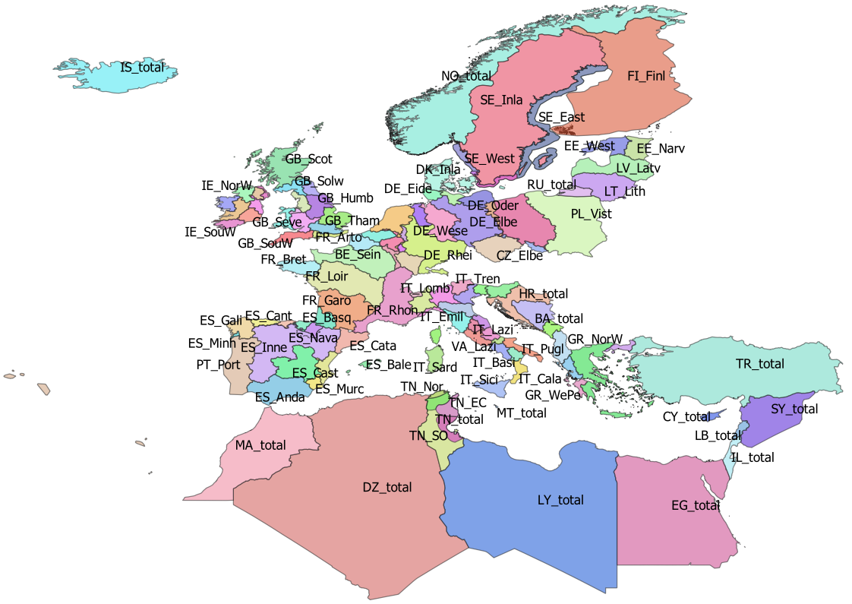
BE_total | BE | t
CY_total | CY | t
CZ_Elbe | CZ | f
CZ_Oder | CZ | f
CZ_total | CZ | t
DE_Eide | DE | f
DE_Elbe | DE | f
DE_Ems | DE | f
DE_Maas | DE | f
DE_Oder | DE | f
DE_Rhei | DE | f
DE_Schl | DE | f
DE_total | DE | t
DE_Warn | DE | f
DE_Wese | DE | f
DK_Inla | DK | f
DK_Mari | DK
DK_total | DK | t
DZ_total | DZ | t
EE_Narv | EE | f
EE_total | EE | t
EE_West | EE | f
EG_total | EG | t
ES_Anda | ES | f
ES_Astu | ES | f
ES_Bale | ES | f
ES_Basq | ES | f
ES_Cant | ES | f
ES_Cast | ES | f
ES_Cata | ES | f
ES_Gali | ES | f
ES_Inne | ES | f
ES_Minh | PT | f
ES_Mino | ES | f
ES_Murc | ES | f
ES_Nava | ES | f
ES_total | ES | t
ES_Vale | ES | f
FI_Finl | FI | f
FI_total | FI | t
FR_Adou | FR | f
FR_Arto | FR | f
FR_Bret | FR | f
FR_Cors | FR | f
FR_Garo | FR | f
FR_Loir | FR | f
FR_Meus | FR | f
FR_Rhin | FR | f
FR_Rhon | FR | f
FR_Sein | FR | f
FR_total | FR | t
GB_Angl | GB | f
GB_Dee | GB | f
GB_Humb | GB | f
GB_Neag | GB | f
GB_NorE | GB | f
GB_Nort | GB | f
GB_NorW | GB | f
GB_Scot | GB | f
GB_Seve | GB | f
GB_Solw | GB | f
GB_SouE | GB | f
GB_SouW | GB | f
GB_Tham | GB | f
GB_total | GB | t
GB_Wale | GB | f
GR_CeAe | GR | f
GR_EaMT | GR | f
GR_NorW | GR | f
GR_total | GR | t
GR_WePe | GR | f
HR_total | HR | t
IE_East | IE | f
IE_NorW | IE | f
IE_Shan | IE | f
IE_SouE | IE | f
IE_SouW | IE | f
IE_total | IE | t
IE_West | IE | f
IL_total | IL | t
IS_total | IS | t
IT_Abru | IT | f
IT_Basi | IT | f
IT_Cala | IT | f
IT_Camp | IT | f
IT_Emil | IT | f
IT_Frio | IT | f
IT_Lazi | IT | f
IT_Ligu | IT | f
IT_Lomb | IT | f
IT_Marc | IT | f
IT_Moli | IT | f
IT_Piem | IT | f
IT_Pugl | IT | f
IT_Sard | IT | f
IT_Sici | IT | f
IT_Tosc | IT | f
IT_total | IT | t
IT_Tren | IT | f
IT_Umbr | IT | f
IT_Vall | IT | f
IT_Vene | IT | f
LB_total | LB | t
LT_Lith | LT | f
LT_total | LT | t
LU_Luxe | LU | f
LU_total | LU | t
LV_Latv | LV | f
LV_total | LV | t
LY_total | LY | t
MA_total | MA | t
ME_total | ME | t
MT_total | MT | t
NL_Neth | NL | f
NL_total | NL | t
NO_total | NO | t
PL_Oder | PL | f
PL_total | PL | t
PL_Vist | PL | f
PT_Port | PT | f
PT_total | PT | t
RU_total | RU | t
SE_Ea_o | SE
SE_East | SE | f
SE_Inla | SE | f
SE_So_o | SE
SE_total | SE | t
SE_We_o | SE
SE_West | SE | f
SI_total | SI | t
SY_total | SY | t
TN_EC | TN | f
TN_NE | TN | f
TN_Nor | TN | f
TN_SO | TN | f
TN_total | TN | t
TR_total | TR | t

tr_country_cou
cou_code | cou_country | cou_order | cou_iso3code
IS | Iceland | 0 | ISL
NO | Norway | 1 | NOR
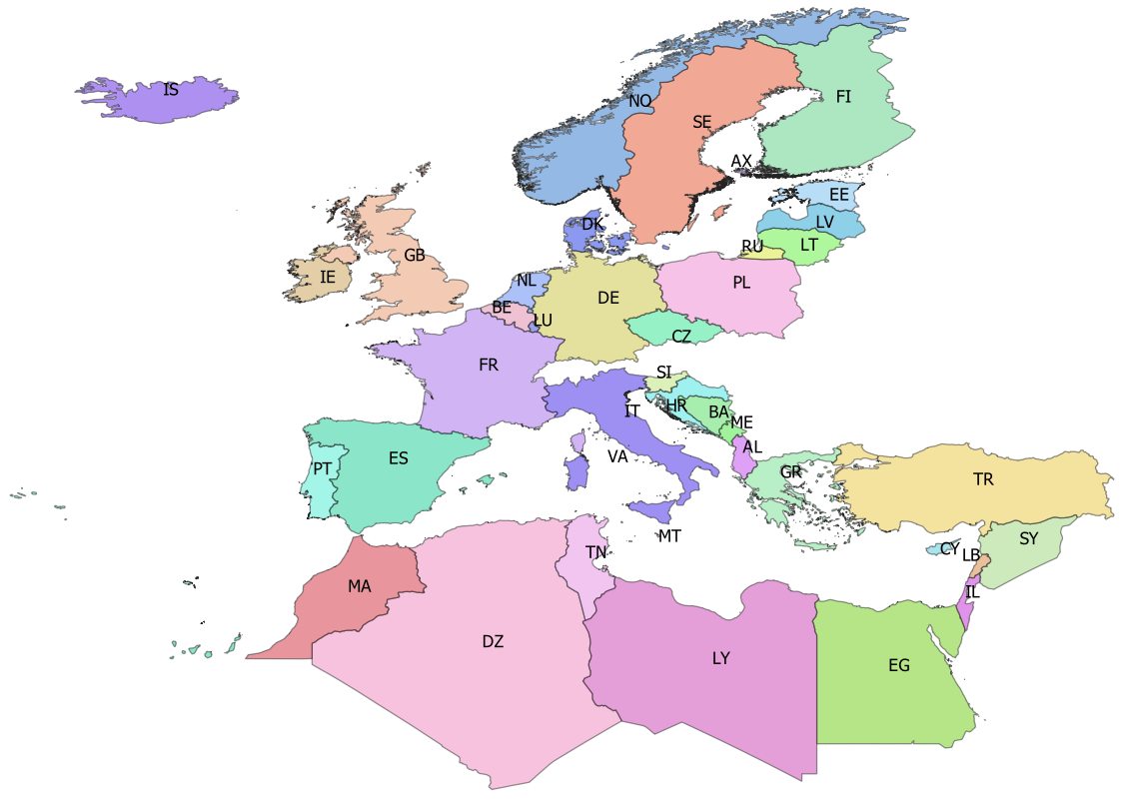
SE | Sweden | 2 | SWE
AX | Åland | 3 | ALA
FI | Finland | 4 | FIN
EE | Estonia | 5 | EST
LV | Latvia | 6 | LVA
LT | Lithuania | 7 | LTU
RU | Russia | 8 | RUS
PL | Poland | 9 | POL
CZ | Czech republic | 10 | CZE
DE | Germany | 11 | DEU
DK | Denmark | 12 | DNK
NL | Netherlands | 13 | NLD
BE | Belgium | 14 | BEL
LU | Luxembourg | 15 | LUX
IE | Ireland | 16 | IRL
GB | Great Britain | 17 | GBR
FR | France | 18 | FRA
ES | Spain | 19 | ESP
PT | Portugal | 20 | PRT
IT | Italy | 21 | ITA
MT | Malta | 22 | MLT
SI | Slovenia | 23 | SVN
HR | Croatia | 24 | HRV
BA | Bosnia-Herzegovina | 25 | BIH
ME | Montenegro | 26 | MNE
AL | Albania | 27 | ALB
GR | Greece | 28 | GRC
TR | Turkey | 34 | TUR
CY | Cyprus | 35 | CYP
SY | Syria | 36 | SYR
LB | Lebanon | 37 | LBN
IL | Israel | 38 | ISR
EG | Egypt | 39 | EGY
LY | Libya | 40 | LBY
TN | Tunisia | 41 | TUN
DZ | Algeria | 42 | DZA
MA | Morocco | 43 | MAR
VA | Vattican | 46 | VAT

tr_faoareas
fid | f_level | f_code | f_status | ocean | subocean | f_area | f_subarea | f_division
227 | DIVISION | 21.0.A | 1 | Atlantic | 2 | 21 | 21 | 21.0.A
230 | DIVISION | 21.0.B | 1 | Atlantic | 2 | 21 | 21 | 21.0.B | Please check also the maps provided by ICES
228 | DIVISION | 21.1.A | 1 | Atlantic | 2 | 21 | 21.1 | 21.1.A | ICES statistical rectangles | http://gis.ices.dk/sf/index.html?widget=StatRec
229 | DIVISION | 21.1.B | 1 | Atlantic | 2 | 21 | 21.1 | 21.1.B | FAO areas map | http://www.fao.org/fishery/area/search/en
231 | DIVISION | 21.1.C | 1 | Atlantic | 2 | 21 | 21.1 | 21.1.C
195 | DIVISION | 21.1.D | 1 | Atlantic | 2 | 21 | 21.1 | 21.1.D | These codes are for use only in the case of Coatsal and Marine Open waters – otherwise you can leave it
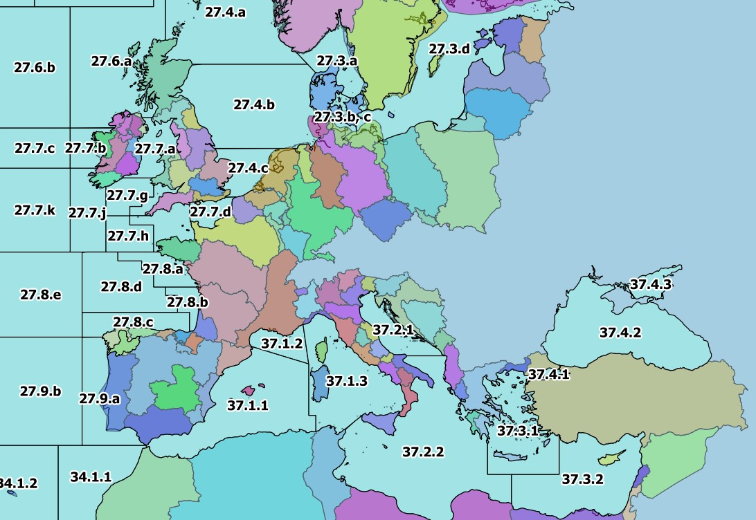
196 | DIVISION | 21.1.E | 1 | Atlantic | 2 | 21 | 21.1 | 21.1.E | Please only use f_division as the reference.
198 | DIVISION | 21.1.F | 1 | Atlantic | 2 | 21 | 21.1 | 21.1.F
197 | DIVISION | 21.2.G | 1 | Atlantic | 2 | 21 | 21.2 | 21.2.G
199 | DIVISION | 21.2.H | 1 | Atlantic | 2 | 21 | 21.2 | 21.2.H
235 | DIVISION | 21.2.J | 1 | Atlantic | 2 | 21 | 21.2 | 21.2.J
234 | DIVISION | 21.3.K | 1 | Atlantic | 2 | 21 | 21.3 | 21.3.K
239 | DIVISION | 21.3.L | 1 | Atlantic | 2 | 21 | 21.3 | 21.3.L
200 | DIVISION | 21.3.M | 1 | Atlantic | 2 | 21 | 21.3 | 21.3.M
218 | DIVISION | 21.3.N | 1 | Atlantic | 2 | 21 | 21.3 | 21.3.N
201 | DIVISION | 21.3.O | 1 | Atlantic | 2 | 21 | 21.3 | 21.3.O
240 | DIVISION | 21.3.P | 1 | Atlantic | 2 | 21 | 21.3 | 21.3.P
238 | DIVISION | 21.4.R | 1 | Atlantic | 2 | 21 | 21.4 | 21.4.R
233 | DIVISION | 21.4.S | 1 | Atlantic | 2 | 21 | 21.4 | 21.4.S
243 | DIVISION | 21.4.T | 1 | Atlantic | 2 | 21 | 21.4 | 21.4.T
219 | DIVISION | 21.4.V | 1 | Atlantic | 2 | 21 | 21.4 | 21.4.V
232 | DIVISION | 21.4.W | 1 | Atlantic | 2 | 21 | 21.4 | 21.4.W
241 | DIVISION | 21.4.X | 1 | Atlantic | 2 | 21 | 21.4 | 21.4.X
242 | DIVISION | 21.5.Y | 1 | Atlantic | 2 | 21 | 21.5 | 21.5.Y
220 | DIVISION | 21.5.Z | 1 | Atlantic | 2 | 21 | 21.5 | 21.5.Z
236 | DIVISION | 21.6.A | 1 | Atlantic | 2 | 21 | 21.6 | 21.6.A
221 | DIVISION | 21.6.B | 1 | Atlantic | 2 | 21 | 21.6 | 21.6.B
237 | DIVISION | 21.6.C | 1 | Atlantic | 2 | 21 | 21.6 | 21.6.C
222 | DIVISION | 21.6.D | 1 | Atlantic | 2 | 21 | 21.6 | 21.6.D
223 | DIVISION | 21.6.E | 1 | Atlantic | 2 | 21 | 21.6 | 21.6.E
224 | DIVISION | 21.6.F | 1 | Atlantic | 2 | 21 | 21.6 | 21.6.F
225 | DIVISION | 21.6.G | 1 | Atlantic | 2 | 21 | 21.6 | 21.6.G
226 | DIVISION | 21.6.H | 1 | Atlantic | 2 | 21 | 21.6 | 21.6.H
267 | DIVISION | 27.1.a | 1 | Atlantic | 2 | 27 | 27.1 | 27.1.a
275 | DIVISION | 27.1.b | 1 | Atlantic | 2 | 27 | 27.1 | 27.1.b
171 | DIVISION | 27.10.a | 1 | Atlantic | 2 | 27 | 27.1 | 27.10.a
215 | DIVISION | 27.10.b | 1 | Atlantic | 2 | 27 | 27.1 | 27.10.b
262 | DIVISION | 27.12.a | 1 | Atlantic | 2 | 27 | 27.12 | 27.12.a
116 | DIVISION | 27.12.b | 1 | Atlantic | 2 | 27 | 27.12 | 27.12.b
253 | DIVISION | 27.12.c | 1 | Atlantic | 2 | 27 | 27.12 | 27.12.c
268 | DIVISION | 27.14.a | 1 | Atlantic | 2 | 27 | 27.14 | 27.14.a
264 | DIVISION | 27.14.b | 1 | Atlantic | 2 | 27 | 27.14 | 27.14.b
265 | DIVISION | 27.2.a | 1 | Atlantic | 2 | 27 | 27.2 | 27.2.a
266 | DIVISION | 27.2.b | 1 | Atlantic | 2 | 27 | 27.2 | 27.2.b
277 | DIVISION | 27.3.a | 1 | Atlantic | 2 | 27 | 27.3 | 27.3.a
258 | DIVISION | 27.3.b, c | 1 | Atlantic | 2 | 27 | 27.3 | 27.3.b, c
257 | DIVISION | 27.3.d | 1 | Atlantic | 2 | 27 | 27.3 | 27.3.d
274 | DIVISION | 27.4.a | 1 | Atlantic | 2 | 27 | 27.4 | 27.4.a
259 | DIVISION | 27.4.b | 1 | Atlantic | 2 | 27 | 27.4 | 27.4.b
255 | DIVISION | 27.4.c | 1 | Atlantic | 2 | 27 | 27.4 | 27.4.c
263 | DIVISION | 27.5.a | 1 | Atlantic | 2 | 27 | 27.5 | 27.5.a
261 | DIVISION | 27.5.b | 1 | Atlantic | 2 | 27 | 27.5 | 27.5.b
271 | DIVISION | 27.6.a | 1 | Atlantic | 2 | 27 | 27.6 | 27.6.a
260 | DIVISION | 27.6.b | 1 | Atlantic | 2 | 27 | 27.6 | 27.6.b
273 | DIVISION | 27.7.a | 1 | Atlantic | 2 | 27 | 27.7 | 27.7.a
272 | DIVISION | 27.7.b | 1 | Atlantic | 2 | 27 | 27.7 | 27.7.b
256 | DIVISION | 27.7.c | 1 | Atlantic | 2 | 27 | 27.7 | 27.7.c
270 | DIVISION | 27.7.d | 1 | Atlantic | 2 | 27 | 27.7 | 27.7.d
269 | DIVISION | 27.7.e | 1 | Atlantic | 2 | 27 | 27.7 | 27.7.e
251 | DIVISION | 27.7.f | 1 | Atlantic | 2 | 27 | 27.7 | 27.7.f
252 | DIVISION | 27.7.g | 1 | Atlantic | 2 | 27 | 27.7 | 27.7.g
250 | DIVISION | 27.7.h | 1 | Atlantic | 2 | 27 | 27.7 | 27.7.h
249 | DIVISION | 27.7.j | 1 | Atlantic | 2 | 27 | 27.7 | 27.7.j
254 | DIVISION | 27.7.k | 1 | Atlantic | 2 | 27 | 27.7 | 27.7.k
248 | DIVISION | 27.8.a | 1 | Atlantic | 2 | 27 | 27.8 | 27.8.a
214 | DIVISION | 27.8.b | 1 | Atlantic | 2 | 27 | 27.8 | 27.8.b
213 | DIVISION | 27.8.c | 1 | Atlantic | 2 | 27 | 27.8 | 27.8.c
217 | DIVISION | 27.8.d | 1 | Atlantic | 2 | 27 | 27.8 | 27.8.d
216 | DIVISION | 27.8.e | 1 | Atlantic | 2 | 27 | 27.8 | 27.8.e
212 | DIVISION | 27.9.a | 1 | Atlantic | 2 | 27 | 27.9 | 27.9.a
172 | DIVISION | 27.9.b | 1 | Atlantic | 2 | 27 | 27.9 | 27.9.b
123 | DIVISION | 34.1.1 | 1 | Atlantic | 3 | 34 | 34.1 | 34.1.1
122 | DIVISION | 34.1.2 | 1 | Atlantic | 3 | 34 | 34.1 | 34.1.2
126 | DIVISION | 34.1.3 | 1 | Atlantic | 3 | 34 | 34.1 | 34.1.3
134 | DIVISION | 34.3.1 | 1 | Atlantic | 3 | 34 | 34.3 | 34.3.1
132 | DIVISION | 34.3.2 | 1 | Atlantic | 3 | 34 | 34.3 | 34.3.2
142 | DIVISION | 34.3.3 | 1 | Atlantic | 3 | 34 | 34.3 | 34.3.3
144 | DIVISION | 34.3.4 | 1 | Atlantic | 3 | 34 | 34.3 | 34.3.4
145 | DIVISION | 34.3.5 | 1 | Atlantic | 3 | 34 | 34.3 | 34.3.5
178 | DIVISION | 34.3.6 | 1 | Atlantic | 3 | 34 | 34.3 | 34.3.6
158 | DIVISION | 34.4.1 | 1 | Atlantic | 3 | 34 | 34.4 | 34.4.1
131 | DIVISION | 34.4.2 | 1 | Atlantic | 3 | 34 | 34.4 | 34.4.2
177 | DIVISION | 37.1.1 | 1 | Atlantic | 3 | 37 | 37.1 | 37.1.1
114 | DIVISION | 37.1.2 | 1 | Atlantic | 3 | 37 | 37.1 | 37.1.2
115 | DIVISION | 37.1.3 | 1 | Atlantic | 3 | 37 | 37.1 | 37.1.3
117 | DIVISION | 37.2.1 | 1 | Atlantic | 3 | 37 | 37.2 | 37.2.1
118 | DIVISION | 37.2.2 | 1 | Atlantic | 3 | 37 | 37.2 | 37.2.2
119 | DIVISION | 37.3.1 | 1 | Atlantic | 3 | 37 | 37.3 | 37.3.1
121 | DIVISION | 37.3.2 | 1 | Atlantic | 3 | 37 | 37.3 | 37.3.2
120 | DIVISION | 37.4.1 | 1 | Atlantic | 3 | 37 | 37.4 | 37.4.1
112 | DIVISION | 37.4.2 | 1 | Atlantic | 3 | 37 | 37.4 | 37.4.2
113 | DIVISION | 37.4.3 | 1 | Atlantic | 3 | 37 | 37.4 | 37.4.3
148 | DIVISION | 41.1.1 | 1 | Atlantic | 4 | 41 | 41.1 | 41.1.1
150 | DIVISION | 41.1.2 | 1 | Atlantic | 4 | 41 | 41.1 | 41.1.2
151 | DIVISION | 41.1.3 | 1 | Atlantic | 4 | 41 | 41.1 | 41.1.3
157 | DIVISION | 41.1.4 | 1 | Atlantic | 4 | 41 | 41.1 | 41.1.4
156 | DIVISION | 41.2.1 | 1 | Atlantic | 4 | 41 | 41.2 | 41.2.1
163 | DIVISION | 41.2.2 | 1 | Atlantic | 4 | 41 | 41.2 | 41.2.2
175 | DIVISION | 41.2.3 | 1 | Atlantic | 4 | 41 | 41.2 | 41.2.3
169 | DIVISION | 41.2.4 | 1 | Atlantic | 4 | 41 | 41.2 | 41.2.4
176 | DIVISION | 41.3.1 | 1 | Atlantic | 4 | 41 | 41.3 | 41.3.1
189 | DIVISION | 41.3.2 | 1 | Atlantic | 4 | 41 | 41.3 | 41.3.2
170 | DIVISION | 41.3.3 | 1 | Atlantic | 4 | 41 | 41.3 | 41.3.3
202 | DIVISION | 47.1.1 | 1 | Atlantic | 4 | 47 | 47.1 | 47.1.1
203 | DIVISION | 47.1.2 | 1 | Atlantic | 4 | 47 | 47.1 | 47.1.2
208 | DIVISION | 47.1.3 | 1 | Atlantic | 4 | 47 | 47.1 | 47.1.3
209 | DIVISION | 47.1.4 | 1 | Atlantic | 4 | 47 | 47.1 | 47.1.4
210 | DIVISION | 47.1.5 | 1 | Atlantic | 4 | 47 | 47.1 | 47.1.5
211 | DIVISION | 47.1.6 | 1 | Atlantic | 4 | 47 | 47.1 | 47.1.6
207 | DIVISION | 47.2.1 | 1 | Atlantic | 4 | 47 | 47.2 | 47.2.1
206 | DIVISION | 47.2.2 | 1 | Atlantic | 4 | 47 | 47.2 | 47.2.2
193 | DIVISION | 47.A.0 | 1 | Atlantic | 4 | 47 | 47.A | 47.A.0
194 | DIVISION | 47.A.1 | 1 | Atlantic | 4 | 47 | 47.A | 47.A.1
247 | DIVISION | 47.B.0 | 1 | Atlantic | 4 | 47 | 47.B | 47.B.0
245 | DIVISION | 47.B.1 | 1 | Atlantic | 4 | 47 | 47.B | 47.B.1
204 | DIVISION | 47.C.0 | 1 | Atlantic | 4 | 47 | 47.C | 47.C.0
246 | DIVISION | 47.C.1 | 1 | Atlantic | 4 | 47 | 47.C | 47.C.1
205 | DIVISION | 47.D.0 | 1 | Atlantic | 4 | 47 | 47.D | 47.D.0
244 | DIVISION | 47.D.1 | 1 | Atlantic | 4 | 47 | 47.D | 47.D.1
152 | DIVISION | 57.5.1 | 1 | Indian | 5 | 57 | 57.5 | 57.5.1
159 | DIVISION | 57.5.2 | 1 | Indian | 5 | 57 | 57.5 | 57.5.2
191 | DIVISION | 58.4.1 | 1 | Indian | 10 | 58 | 58.4 | 58.4.1
190 | DIVISION | 58.4.2 | 1 | Indian | 10 | 58 | 58.4 | 58.4.2
192 | DIVISION | 58.4.3 | 1 | Indian | 10 | 58 | 58.4 | 58.4.3
174 | DIVISION | 58.4.4 | 1 | Indian | 10 | 58 | 58.4 | 58.4.4
168 | DIVISION | 58.5.1 | 1 | Indian | 10 | 58 | 58.5 | 58.5.1
173 | DIVISION | 58.5.2 | 1 | Indian | 10 | 58 | 58.5 | 58.5.2
133 | DIVISION | 71.6.1 | 1 | Pacific | 7 | 71 | _71.6 | 71.6.1
130 | DIVISION | 71.6.2 | 1 | Pacific | 7 | 71 | _71.6 | 71.6.2
143 | DIVISION | 87.1.1 | 1 | Pacific | 8 | 87 | 87.1 | 87.1.1
146 | DIVISION | 87.1.2 | 1 | Pacific | 8 | 87 | 87.1 | 87.1.2
149 | DIVISION | 87.1.3 | 1 | Pacific | 8 | 87 | 87.1 | 87.1.3
147 | DIVISION | 87.1.4 | 1 | Pacific | 8 | 87 | 87.1 | 87.1.4
155 | DIVISION | 87.2.1 | 1 | Pacific | 8 | 87 | 87.2 | 87.2.1
154 | DIVISION | 87.2.2 | 1 | Pacific | 8 | 87 | 87.2 | 87.2.2
160 | DIVISION | 87.2.3 | 1 | Pacific | 8 | 87 | 87.2 | 87.2.3
164 | DIVISION | 87.2.4 | 1 | Pacific | 8 | 87 | 87.2 | 87.2.4
162 | DIVISION | 87.2.5 | 1 | Pacific | 8 | 87 | 87.2 | 87.2.5
153 | DIVISION | 87.2.6 | 1 | Pacific | 8 | 87 | 87.2 | 87.2.6
167 | DIVISION | 87.3.1 | 1 | Pacific | 8 | 87 | 87.3 | 87.3.1
166 | DIVISION | 87.3.2 | 1 | Pacific | 8 | 87 | 87.3 | 87.3.2
165 | DIVISION | 87.3.3 | 1 | Pacific | 8 | 87 | 87.3 | 87.3.3

