readme
This sheet corresponds to release (release_n, or gee_n). Don't use any other type.
In the case of release data, you must provide with both a weight, and a number, this is to allow the WGEEL to derive an approximate age of released eels according to weight and numbers. For this reason this sheet has two columns one for kg, one for numbers.
You can also provide your value in term of glass eel equivalent.
To help you fill in the data, we have provided an extract from the database. There are six sheets: metadata, existing_kept, existing_discarded, new_data, updated_data, and delete_data.
(1) The existing_kept corresponds to data currently in the database that the working group is using. It is either labelled with an id of quality (id_qal) of 1 (good), 2 (modified by the working group), or 4 (there are doubts but wgeel has kept the data) - see table tr_quality_qal for the labels. DO NOT ENTER DATA IN THIS SHEET.
(2) The existing_discarded sheet corresponds to data in the database that is not used by the working group : either 3 (bad quality), or code of the year (e.g. 18, 19) when the data was removed from the database, mostly as duplicates were identified and removed. There should be a comment about why the data has been removed. DO NOT ENTER DATA IN THIS SHEET.
(3) The new_data in this sheet has a quite specific structure, it contains two columns eel_value_kg, and eel_value_n instead of one eel_value. This is because it is mandatory to report both, we need that if want to calculate at which age the eel have been released. Later on when entered into the database each line in excel will be reported as two lines in the db. One with type q_release_n and the second line with q_release_kg.
(4) The updated_data is to correct existing data, please copy the line from existing_kept, and copy the line in the updated_data sheet. Please provide a comment. Note that the structure will be different to the new_data tab, as each line (one with q_release_n, one with q_release_kg ) will have to be reported separately.
(5) The deleted_data is to delete existing data, please copy the line from existing_kept, and copy the line in the delete_data sheet. Please provide a comment. ALWAYS DELETE BOTH q_release_n and q_release_kg for the same EMU/year/stage/habitat type
Glass eel equivalents
The glass eel equivalent method has been provided in ICES (2013) report p103. You need a mean weight for each release in the original table from which you will extract the synthesis in glass eel equivalent per EMU per habitat. The mean weight of eel, is converted to length using length(cm)=9.604*body_mass(g)^0.3033. Annual
--------------------------------
Glass eel equivalents
The glass eel equivalent method has been provided in ICES (2013) report p103. You need a mean weight for each release in the original table from which you will extract the synthesis in glass eel equivalent per EMU per habitat. The mean weight of eel, is converted to length using length(cm)=9.604*body_mass(g)^0.3033. Annual growth rate values have been provided for some countries, they range from 7.7 (Italy) to 4.5 in Sweden. These will be used to split your dataset into age group. Each age group will then be applied a "loss" rate due to natural mortality using Dekker (2000), for instance if you have two years, you will calculate the number of glass eel equivalent as the sum of the eels in different year classes
Ngee=sum_y(NYellow_y /e-y*0,138) where Y is the number of year, Nyellow_y is the number of eel in the year class Y.
For some eels you will calculate that they belong to age two. But still don't try to correct the number of stocked eel from year minus two. This is really for the eels stocked this year, but converted to "larger" glass eel numbers, as they might experience a lesser mortality.
Column headers (new_data) | Explanation of header and name of sheet providing codes
eel_typ_name | type of series see tr_typeseries_ser, here only use release_n or gee_n (in new data). In existing kept and existing discarded the value are q_release_n and q_release_kg.
eel_year | year: the year that stocking took place, not any other year.
eel_value_number | Value (number), both value in number and kg are required
eel_value_kg | Value (kilograms), both value in number and kg are required
eel_missvaluequal | Qualification for missing values, only use if eel_value is blank (no value). Don't use if there is a zero in the cell. NR not reported, NC not collected, NP not pertinent.
eel_emu_nameshort | Code of emu see tr_emu_emu, in case you provide data for each EMU separately then you don't need to fill in for AL and vice versa
eel_cou_code | Code of country see tr_country_cou
eel_lfs_code | Code of lifestage see tr_lifestage_lfs possible values GY, OG, QG, Y, S, YS, note G is not allowed for releases, please try not to use AL.
eel_hty_code | Code of habitat type see eel_hty_code (F=Freshwater, MO=Marine Open,T=transitional, AL=aggregate...).
eel_area_division | Fao code of sea region (division level) see tr_fao_area (column division)(https://github.com/ices-eg/WGEEL/wiki). Do not provide an ICES area for freshwater, this is only for habitat T, C and MO.
eel_qal_id | Data quality index, please assign using instructions under new_data and updated_data tabs.
eel_qal_comment | Comment to justify the eel_qal_id if eel_qal_id is different from 1
eel_comment | Comment on data

existing_kept
The existing_kept corresponds to data currently in the database that the working group is using. It is either labelled with an id of quality (id_qal) of 1 (good), 2 (modified by the working group), or 4 (there are doubts but wgeel has kept the data) - see table tr_quality_qal for the labels. DO NOT ENTER DATA IN THIS SHEET.
Use this sheet to copy data that you need to correct (and move to updated_data or deleted_data)
eel_id | eel_typ_name | eel_year | eel_value | eel_missvaluequal | eel_emu_nameshort | eel_cou_code | eel_lfs_code | eel_hty_code | eel_area_division | eel_qal_id | eel_qal_comment | eel_comment | eel_datelastupdate | eel_datasource | eel_dta_code

existing_discarded
The existing_discarded sheet corresponds to data in the database that is not used by the working group : either 3 (bad quality), or code of the year (e.g. 18, 19) when the data was removed from the database, mostly as duplicates were identified and removed. DO NOT ENTER DATA IN THIS SHEET.
eel_id | eel_typ_name | eel_year | eel_value | eel_missvaluequal | eel_emu_nameshort | eel_cou_code | eel_lfs_code | eel_hty_code | eel_area_division | eel_qal_id | eel_qal_comment | eel_comment | eel_datelastupdate | eel_datasource | eel_dta_code

new_data
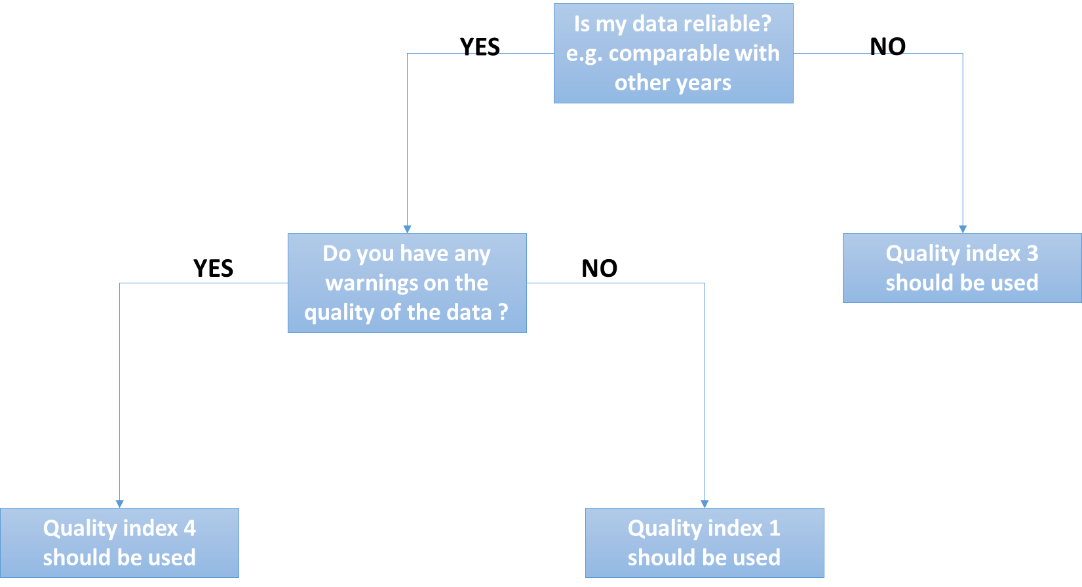
eel_typ_name | eel_year | eel_value_number | eel_value_kg | eel_missvaluequal | eel_emu_nameshort | eel_cou_code | eel_lfs_code | eel_hty_code | eel_area_division | eel_qal_id | eel_qal_comment | eel_comment
Use this sheet to :
(1) Insert new data
eel_typ_name should be "release_n"
Please remember this : you have to fill in eel_value OR eel_missvalueqal, never both, always one or the other. You never provide an ICES division (eel_area_division) for Freshwater. You should always fill in all fields, except comments and eel_area_division in Freshwater.
Do not provide an ICES area for freshwater, this is only for habitat T, C and MO.

updated_data
eel_id | eel_typ_name | eel_year | eel_value | eel_missvaluequal | eel_emu_nameshort | eel_cou_code | eel_lfs_code | eel_hty_code | eel_area_division | eel_qal_id | eel_qal_comment | eel_comment

Use this sheet to provide corrections for existing data
If you want to correct existing data, please copy the line from existing_kept, and paste the line in the updated_data sheet. Please provide a comment and highlight the values that were changed.
If the lfs_code, or eel_area_code, or eel_emu_nameshort is changed then this requires a manual edition in the database. This should be done in the data integration session.

deleted_data
eel_id | eel_typ_name | eel_year | eel_value | eel_missvaluequal | eel_emu_nameshort | eel_cou_code | eel_lfs_code | eel_hty_code | eel_area_division | eel_qal_id | eel_qal_comment | eel_comment
Use this sheet to DELETE existing data
If you want to delete existing data, please copy the line from existing_kept, and paste the line in the deleted_data sheet. Please provide a comment on deleted data.

tr_emu_emu
emu_nameshort | emu_name | emu_cou_code | emu_wholecountry
AL_total |  | AL | TRUE
AX_total |  | AX | TRUE
BA_total |  | BA | TRUE
BE_Meus |  | BE | FALSE
BE_Rhin |  | BE | FALSE
BE_Sche |  | BE | FALSE
BE_Sein |  | BE | FALSE
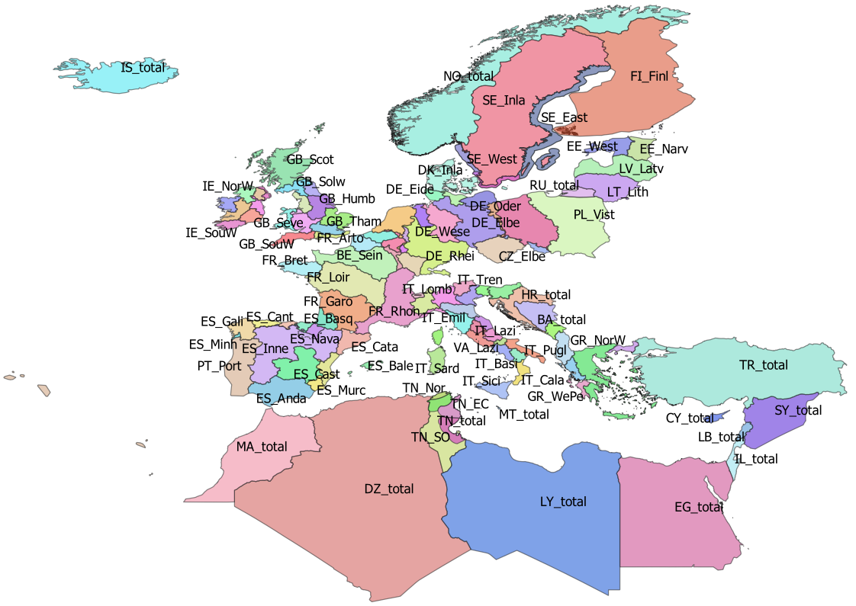
BE_total |  | BE | TRUE
CY_total |  | CY | TRUE
CZ_Elbe |  | CZ | FALSE
CZ_Oder |  | CZ | FALSE
CZ_total |  | CZ | TRUE
DE_Eide |  | DE | FALSE
DE_Elbe |  | DE | FALSE
DE_Ems |  | DE | FALSE
DE_Maas |  | DE | FALSE
DE_Oder |  | DE | FALSE
DE_Rhei |  | DE | FALSE
DE_Schl |  | DE | FALSE
DE_total |  | DE | TRUE
DE_Warn |  | DE | FALSE
DE_Wese |  | DE | FALSE
DK_Inla |  | DK | FALSE
DK_Mari | Danish coastal and marine waters | DK | FALSE
DK_total |  | DK | TRUE
DZ_total |  | DZ | TRUE
EE_Narv |  | EE | FALSE
EE_total |  | EE | TRUE
EE_West |  | EE | FALSE
EG_total |  | EG | TRUE
ES_Anda |  | ES | FALSE
ES_Astu |  | ES | FALSE
ES_Bale |  | ES | FALSE
ES_Basq |  | ES | FALSE
ES_Cant |  | ES | FALSE
ES_Cast |  | ES | FALSE
ES_Cata |  | ES | FALSE
ES_Gali |  | ES | FALSE
ES_Inne |  | ES | FALSE
ES_Minh | Minho transboundary emu | PT | FALSE
ES_Mino |  | ES | FALSE
ES_Murc |  | ES | FALSE
ES_Nava |  | ES | FALSE
ES_total |  | ES | TRUE
ES_Vale |  | ES | FALSE
FI_Finl |  | FI | TRUE
FI_total |  | FI | TRUE
FR_Adou |  | FR | FALSE
FR_Arto |  | FR | FALSE
FR_Bret |  | FR | FALSE
FR_Cors |  | FR | FALSE
FR_Garo |  | FR | FALSE
FR_Loir |  | FR | FALSE
FR_Meus |  | FR | FALSE
FR_Rhin |  | FR | FALSE
FR_Rhon |  | FR | FALSE
FR_Sein |  | FR | FALSE
FR_total |  | FR | TRUE
GB_Angl |  | GB | FALSE
GB_Dee |  | GB | FALSE
GB_Humb |  | GB | FALSE
GB_Neag |  | GB | FALSE
GB_NorE |  | GB | FALSE
GB_Nort |  | GB | FALSE
GB_NorW |  | GB | FALSE
GB_Scot |  | GB | FALSE
GB_Seve |  | GB | FALSE
GB_Solw |  | GB | FALSE
GB_SouE |  | GB | FALSE
GB_SouW |  | GB | FALSE
GB_Tham |  | GB | FALSE
GB_total |  | GB | TRUE
GB_Wale |  | GB | FALSE
GR_CeAe |  | GR | FALSE
GR_EaMT |  | GR | FALSE
GR_NorW |  | GR | FALSE
GR_total |  | GR | TRUE
GR_WePe |  | GR | FALSE
HR_total |  | HR | TRUE
IE_East |  | IE | FALSE
IE_NorW |  | IE | FALSE
IE_Shan |  | IE | FALSE
IE_SouE |  | IE | FALSE
IE_SouW |  | IE | FALSE
IE_total |  | IE | TRUE
IE_West |  | IE | FALSE
IL_total |  | IL | TRUE
IS_total | Iceland | IS | TRUE
IT_Abru |  | IT | FALSE
IT_Basi |  | IT | FALSE
IT_Cala |  | IT | FALSE
IT_Camp |  | IT | FALSE
IT_Emil |  | IT | FALSE
IT_Frio |  | IT | FALSE
IT_Lazi |  | IT | FALSE
IT_Ligu |  | IT | FALSE
IT_Lomb |  | IT | FALSE
IT_Marc |  | IT | FALSE
IT_Moli |  | IT | FALSE
IT_Piem |  | IT | FALSE
IT_Pugl |  | IT | FALSE
IT_Sard |  | IT | FALSE
IT_Sici |  | IT | FALSE
IT_Tosc |  | IT | FALSE
IT_total |  | IT | TRUE
IT_Tren |  | IT | FALSE
IT_Umbr |  | IT | FALSE
IT_Vall |  | IT | FALSE
IT_Vene |  | IT | FALSE
LB_total |  | LB | TRUE
LT_Lith |  | LT | FALSE
LT_total |  | LT | TRUE
LU_Luxe |  | LU | FALSE
LU_total |  | LU | TRUE
LV_Latv |  | LV | FALSE
LV_total |  | LV | TRUE
LY_total |  | LY | TRUE
MA_total |  | MA | TRUE
ME_total |  | ME | TRUE
MT_total |  | MT | TRUE
NL_Neth |  | NL | TRUE
NO_total |  | NO | TRUE
PL_Oder |  | PL | FALSE
PL_total |  | PL | TRUE
PL_Vist |  | PL | FALSE
PT_Port |  | PT | FALSE
PT_total |  | PT | TRUE
RU_total |  | RU | TRUE
SE_Ea_o | Historical EMU for Sweden, used for historical data | SE
SE_East |  | SE | FALSE
SE_Inla |  | SE | FALSE
SE_So_o | Historical EMU for Sweden, used for historical data | SE
SE_total |  | SE | TRUE
SE_We_o | Historical EMU for Sweden, used for historical data | SE | FALSE
SE_West |  | SE | FALSE
SI_total |  | SI | TRUE
SY_total |  | SY | TRUE
TN_EC | Tunisia East and centre | TN | FALSE
TN_NE | Tunisia North East Medjerda | TN | FALSE
TN_Nor | Tunisia North | TN | FALSE
TN_SO | Tunisia South | TN | FALSE
TN_total |  | TN | TRUE
TR_total |  | TR | TRUE
VA_Lazi |  | VA | FALSE
VA_total |  | VA | TRUE

tr_country_cou
cou_code | cou_country | cou_order | cou_iso3code
AL | Albania | 27 | ALB
AX | Åland | 3 | ALA
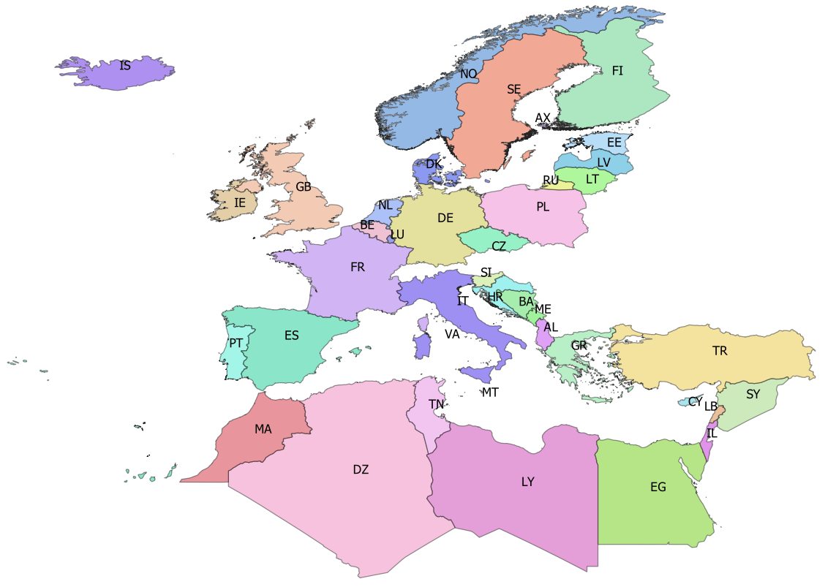
BA | Bosnia-Herzegovina | 25 | BIH
BE | Belgium | 14 | BEL
CY | Cyprus | 35 | CYP
CZ | Czech republic | 10 | CZE
DE | Germany | 11 | DEU
DK | Denmark | 12 | DNK
DZ | Algeria | 42 | DZA
EE | Estonia | 5 | EST
EG | Egypt | 39 | EGY
ES | Spain | 19 | ESP
FI | Finland | 4 | FIN
FR | France | 18 | FRA
GB | Great Britain | 17 | GBR
GR | Greece | 28 | GRC
HR | Croatia | 24 | HRV
IE | Ireland | 16 | IRL
IL | Israel | 38 | ISR
IS | Iceland | 0 | ISL
IT | Italy | 21 | ITA
LB | Lebanon | 37 | LBN
LT | Lithuania | 7 | LTU
LU | Luxembourg | 15 | LUX
LV | Latvia | 6 | LVA
LY | Libya | 40 | LBY
MA | Morocco | 43 | MAR
ME | Montenegro | 26 | MNE
MT | Malta | 22 | MLT
NL | Netherlands | 13 | NLD
NO | Norway | 1 | NOR
PL | Poland | 9 | POL
PT | Portugal | 20 | PRT
RU | Russia | 8 | RUS
SE | Sweden | 2 | SWE
SI | Slovenia | 23 | SVN
SY | Syria | 36 | SYR
TN | Tunisia | 41 | TUN
TR | Turkey | 34 | TUR
VA | Vattican | 46 | VAT

tr_faoareas
gid | fid | f_level | f_code | f_status | ocean | subocean | f_area | f_subarea | f_division | f_subdivis | f_subunit | surface
71 | 120 | DIVISION | 37.4.1 | 1 | Atlantic | 3 | 37 | 37.4 | 37.4.1 |  |  | 11827243389
72 | 121 | DIVISION | 37.3.2 | 1 | Atlantic | 3 | 37 | 37.3 | 37.3.2 |  |  | 4.4394271216E+11 | Please check also the maps provided by ICES
73 | 122 | DIVISION | 34.1.2 | 1 | Atlantic | 3 | 34 | 34.1 | 34.1.2 |  |  | 6.8237610048E+11 | ICES statistical rectangles | http://gis.ices.dk/sf/index.html?widget=StatRec
74 | 123 | DIVISION | 34.1.1 | 1 | Atlantic | 3 | 34 | 34.1 | 34.1.1 |  |  | 3.8407183464E+11 | FAO areas map | http://www.fao.org/fishery/area/search/en
75 | 126 | DIVISION | 34.1.3 | 1 | Atlantic | 3 | 34 | 34.1 | 34.1.3 |  |  | 3.1689909814E+11
76 | 133 | DIVISION | 71.6.1 | 1 | Pacific | 7 | 71 | _71.6 | 71.6.1 |  |  | 5.394501655E+12 | These codes are for use only in the case of Coatsal and Marine Open waters – otherwise you can leave it
77 | 134 | DIVISION | 34.3.1 | 1 | Atlantic | 3 | 34 | 34.3 | 34.3.1 |  |  | 4.8535342355E+11 | Please only use f_division as the reference.
78 | 130 | DIVISION | 71.6.2 | 1 | Pacific | 7 | 71 | _71.6 | 71.6.2 |  |  | 4.4965877481E+12
79 | 131 | DIVISION | 34.4.2 | 1 | Atlantic | 3 | 34 | 34.4 | 34.4.2 |  |  | 3.0235738565E+12
80 | 132 | DIVISION | 34.3.2 | 1 | Atlantic | 3 | 34 | 34.3 | 34.3.2 |  |  | 1.1845384452E+12
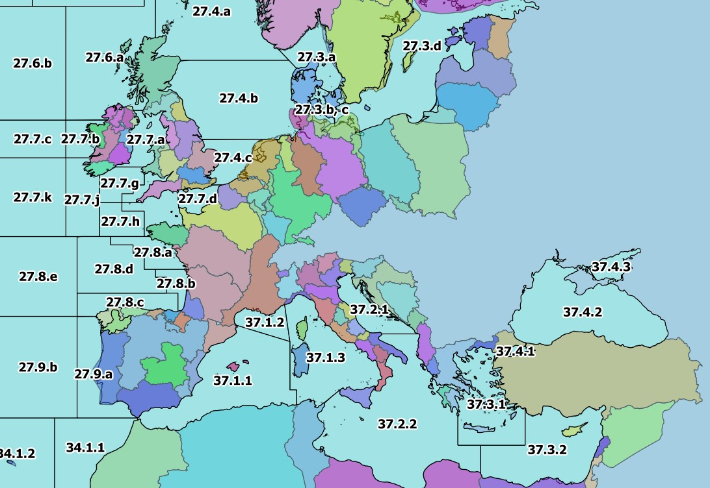
96 | 112 | DIVISION | 37.4.2 | 1 | Atlantic | 3 | 37 | 37.4 | 37.4.2 |  |  | 4.2224797745E+11
97 | 113 | DIVISION | 37.4.3 | 1 | Atlantic | 3 | 37 | 37.4 | 37.4.3 |  |  | 41321419920
98 | 114 | DIVISION | 37.1.2 | 1 | Atlantic | 3 | 37 | 37.1 | 37.1.2 |  |  | 62704555110
99 | 115 | DIVISION | 37.1.3 | 1 | Atlantic | 3 | 37 | 37.1 | 37.1.3 |  |  | 3.1374145477E+11
100 | 116 | DIVISION | 27.12.b | 1 | Atlantic | 2 | 27 | 27.12 | 27.12.b |  |  | 2.2089912841E+11
101 | 117 | DIVISION | 37.2.1 | 1 | Atlantic | 3 | 37 | 37.2 | 37.2.1 |  |  | 98667922161
102 | 118 | DIVISION | 37.2.2 | 1 | Atlantic | 3 | 37 | 37.2 | 37.2.2 |  |  | 8.463424121E+11
103 | 119 | DIVISION | 37.3.1 | 1 | Atlantic | 3 | 37 | 37.3 | 37.3.1 |  |  | 2.8644821287E+11
104 | 148 | DIVISION | 41.1.1 | 1 | Atlantic | 4 | 41 | 41.1 | 41.1.1 |  |  | 8.8139455583E+11
105 | 149 | DIVISION | 87.1.3 | 1 | Pacific | 8 | 87 | 87.1 | 87.1.3 |  |  | 2.7918904335E+11
106 | 150 | DIVISION | 41.1.2 | 1 | Atlantic | 4 | 41 | 41.1 | 41.1.2 |  |  | 6.4234946631E+11
107 | 151 | DIVISION | 41.1.3 | 1 | Atlantic | 4 | 41 | 41.1 | 41.1.3 |  |  | 4.3466642278E+11
108 | 152 | DIVISION | 57.5.1 | 1 | Indian | 5 | 57 | 57.5 | 57.5.1 |  |  | 2.1533130799E+12
109 | 153 | DIVISION | 87.2.6 | 1 | Pacific | 8 | 87 | 87.2 | 87.2.6 |  |  | 9.9300606702E+12
110 | 154 | DIVISION | 87.2.2 | 1 | Pacific | 8 | 87 | 87.2 | 87.2.2 |  |  | 3.8596179793E+11
111 | 155 | DIVISION | 87.2.1 | 1 | Pacific | 8 | 87 | 87.2 | 87.2.1 |  |  | 3.7875233544E+11
112 | 156 | DIVISION | 41.2.1 | 1 | Atlantic | 4 | 41 | 41.2 | 41.2.1 |  |  | 6.5563585246E+11
113 | 157 | DIVISION | 41.1.4 | 1 | Atlantic | 4 | 41 | 41.1 | 41.1.4 |  |  | 3.8673825625E+12
114 | 158 | DIVISION | 34.4.1 | 1 | Atlantic | 3 | 34 | 34.4 | 34.4.1 |  |  | 1.6956766307E+12
115 | 159 | DIVISION | 57.5.2 | 1 | Indian | 5 | 57 | 57.5 | 57.5.2 |  |  | 1.6963027142E+12
116 | 160 | DIVISION | 87.2.3 | 1 | Pacific | 8 | 87 | 87.2 | 87.2.3 |  |  | 85283982521
117 | 162 | DIVISION | 87.2.5 | 1 | Pacific | 8 | 87 | 87.2 | 87.2.5 |  |  | 81149107681
118 | 163 | DIVISION | 41.2.2 | 1 | Atlantic | 4 | 41 | 41.2 | 41.2.2 |  |  | 3.4447105362E+11
119 | 164 | DIVISION | 87.2.4 | 1 | Pacific | 8 | 87 | 87.2 | 87.2.4 |  |  | 1.3517500454E+11
120 | 165 | DIVISION | 87.3.3 | 1 | Pacific | 8 | 87 | 87.3 | 87.3.3 |  |  | 7.0435159127E+12
121 | 169 | DIVISION | 41.2.4 | 1 | Atlantic | 4 | 41 | 41.2 | 41.2.4 |  |  | 5.197206508E+12
122 | 170 | DIVISION | 41.3.3 | 1 | Atlantic | 4 | 41 | 41.3 | 41.3.3 |  |  | 2.4393578165E+12
123 | 171 | DIVISION | 27.10.a | 1 | Atlantic | 2 | 27 | 27.10 | 27.10.a |  |  | 1.6007574647E+12
124 | 172 | DIVISION | 27.9.b | 1 | Atlantic | 2 | 27 | 27.9 | 27.9.b |  |  | 4.6763680928E+11
125 | 173 | DIVISION | 58.5.2 | 1 | Indian | 10 | 58 | 58.5 | 58.5.2 |  |  | 6.5499103626E+11
126 | 174 | DIVISION | 58.4.4 | 1 | Indian | 10 | 58 | 58.4 | 58.4.4 |  |  | 2.4960539783E+12
127 | 175 | DIVISION | 41.2.3 | 1 | Atlantic | 4 | 41 | 41.2 | 41.2.3 |  |  | 4.6731294794E+11
128 | 176 | DIVISION | 41.3.1 | 1 | Atlantic | 4 | 41 | 41.3 | 41.3.1 |  |  | 1.0883663202E+12
129 | 177 | DIVISION | 37.1.1 | 1 | Atlantic | 3 | 37 | 37.1 | 37.1.1 |  |  | 4.6818694853E+11
130 | 178 | DIVISION | 34.3.6 | 1 | Atlantic | 3 | 34 | 34.3 | 34.3.6 |  |  | 5.5056565487E+11
131 | 166 | DIVISION | 87.3.2 | 1 | Pacific | 8 | 87 | 87.3 | 87.3.2 |  |  | 3.6127075642E+11
132 | 167 | DIVISION | 87.3.1 | 1 | Pacific | 8 | 87 | 87.3 | 87.3.1 |  |  | 4.4833006009E+11
133 | 168 | DIVISION | 58.5.1 | 1 | Indian | 10 | 58 | 58.5 | 58.5.1 |  |  | 1.0830864153E+12
134 | 142 | DIVISION | 34.3.3 | 1 | Atlantic | 3 | 34 | 34.3 | 34.3.3 |  |  | 1.1474193123E+12
135 | 143 | DIVISION | 87.1.1 | 1 | Pacific | 8 | 87 | 87.1 | 87.1.1 |  |  | 5.6919002649E+11
136 | 144 | DIVISION | 34.3.4 | 1 | Atlantic | 3 | 34 | 34.3 | 34.3.4 |  |  | 7.1688073434E+11
137 | 145 | DIVISION | 34.3.5 | 1 | Atlantic | 3 | 34 | 34.3 | 34.3.5 |  |  | 4.1212734288E+11
138 | 146 | DIVISION | 87.1.2 | 1 | Pacific | 8 | 87 | 87.1 | 87.1.2 |  |  | 5.0490011797E+11
139 | 147 | DIVISION | 87.1.4 | 1 | Pacific | 8 | 87 | 87.1 | 87.1.4 |  |  | 1.0566518729E+13
140 | 189 | DIVISION | 41.3.2 | 1 | Atlantic | 4 | 41 | 41.3 | 41.3.2 |  |  | 1.5197998155E+12
141 | 190 | DIVISION | 58.4.2 | 1 | Indian | 10 | 58 | 58.4 | 58.4.2 |  |  | 1.5596670646E+12
142 | 191 | DIVISION | 58.4.1 | 1 | Indian | 10 | 58 | 58.4 | 58.4.1 |  |  | 4.5940913728E+12
143 | 192 | DIVISION | 58.4.3 | 1 | Indian | 10 | 58 | 58.4 | 58.4.3 |  |  | 1.1749756182E+12
144 | 193 | DIVISION | 47.A.0 | 1 | Atlantic | 4 | 47 | 47.A | 47.A.0 |  |  | 3.8156189159E+12
145 | 194 | DIVISION | 47.A.1 | 1 | Atlantic | 4 | 47 | 47.A | 47.A.1 |  |  | 1.0930129465E+12
146 | 195 | DIVISION | 21.1.D | 1 | Atlantic | 2 | 21 | 21.1 | 21.1.D |  |  | 70014038602
147 | 196 | DIVISION | 21.1.E | 1 | Atlantic | 2 | 21 | 21.1 | 21.1.E |  |  | 88359698256
148 | 197 | DIVISION | 21.2.G | 1 | Atlantic | 2 | 21 | 21.2 | 21.2.G |  |  | 1.7199269126E+11
149 | 198 | DIVISION | 21.1.F | 1 | Atlantic | 2 | 21 | 21.1 | 21.1.F |  |  | 4.1223443166E+11
150 | 199 | DIVISION | 21.2.H | 1 | Atlantic | 2 | 21 | 21.2 | 21.2.H |  |  | 1.8630740739E+11
151 | 200 | DIVISION | 21.3.M | 1 | Atlantic | 2 | 21 | 21.3 | 21.3.M |  |  | 4.0964555025E+11
152 | 201 | DIVISION | 21.3.O | 1 | Atlantic | 2 | 21 | 21.3 | 21.3.O |  |  | 1.4087240713E+11
153 | 202 | DIVISION | 47.1.1 | 1 | Atlantic | 4 | 47 | 47.1 | 47.1.1 |  |  | 1.7743778321E+11
154 | 207 | DIVISION | 47.2.1 | 1 | Atlantic | 4 | 47 | 47.2 | 47.2.1 |  |  | 1.758261644E+11
155 | 208 | DIVISION | 47.1.3 | 1 | Atlantic | 4 | 47 | 47.1 | 47.1.3 |  |  | 2.1712156714E+11
156 | 209 | DIVISION | 47.1.4 | 1 | Atlantic | 4 | 47 | 47.1 | 47.1.4 |  |  | 2.2324467513E+11
157 | 210 | DIVISION | 47.1.5 | 1 | Atlantic | 4 | 47 | 47.1 | 47.1.5 |  |  | 2.2660832618E+11
158 | 211 | DIVISION | 47.1.6 | 1 | Atlantic | 4 | 47 | 47.1 | 47.1.6 |  |  | 3.5771216982E+11
159 | 212 | DIVISION | 27.9.a | 1 | Atlantic | 2 | 27 | 27.9 | 27.9.a |  |  | 1.6797139363E+11
160 | 213 | DIVISION | 27.8.c | 1 | Atlantic | 2 | 27 | 27.8 | 27.8.c |  |  | 92763573598
161 | 214 | DIVISION | 27.8.b | 1 | Atlantic | 2 | 27 | 27.8 | 27.8.b |  |  | 34964551008
162 | 215 | DIVISION | 27.10.b | 1 | Atlantic | 2 | 27 | 27.10 | 27.10.b |  |  | 1.0420531582E+12
163 | 216 | DIVISION | 27.8.e | 1 | Atlantic | 2 | 27 | 27.8 | 27.8.e |  |  | 3.039321707E+11
164 | 203 | DIVISION | 47.1.2 | 1 | Atlantic | 4 | 47 | 47.1 | 47.1.2 |  |  | 2.2898701024E+11
165 | 204 | DIVISION | 47.C.0 | 1 | Atlantic | 4 | 47 | 47.C | 47.C.0 |  |  | 3.49107238E+12
166 | 205 | DIVISION | 47.D.0 | 1 | Atlantic | 4 | 47 | 47.D | 47.D.0 |  |  | 3.9568461054E+12
167 | 206 | DIVISION | 47.2.2 | 1 | Atlantic | 4 | 47 | 47.2 | 47.2.2 |  |  | 1.9793986876E+11
168 | 249 | DIVISION | 27.7.j | 1 | Atlantic | 2 | 27 | 27.7 | 27.7.j |  |  | 99469988428
169 | 250 | DIVISION | 27.7.h | 1 | Atlantic | 2 | 27 | 27.7 | 27.7.h |  |  | 57004067471
170 | 251 | DIVISION | 27.7.f | 1 | Atlantic | 2 | 27 | 27.7 | 27.7.f |  |  | 18973216548
171 | 252 | DIVISION | 27.7.g | 1 | Atlantic | 2 | 27 | 27.7 | 27.7.g |  |  | 47663203973
172 | 253 | DIVISION | 27.12.c | 1 | Atlantic | 2 | 27 | 27.12 | 27.12.c |  |  | 8.5659695385E+11
173 | 254 | DIVISION | 27.7.k | 1 | Atlantic | 2 | 27 | 27.7 | 27.7.k |  |  | 2.1450534608E+11
174 | 255 | DIVISION | 27.4.c | 1 | Atlantic | 2 | 27 | 27.4 | 27.4.c |  |  | 64302618029
175 | 256 | DIVISION | 27.7.c | 1 | Atlantic | 2 | 27 | 27.7 | 27.7.c |  |  | 88580563653
176 | 257 | DIVISION | 27.3.d | 1 | Atlantic | 2 | 27 | 27.3 | 27.3.d |  |  | 3.8016191882E+11
177 | 258 | DIVISION | 27.3.b, c | 1 | Atlantic | 2 | 27 | 27.3 | 27.3.b, c |  |  | 20488533250
178 | 259 | DIVISION | 27.4.b | 1 | Atlantic | 2 | 27 | 27.4 | 27.4.b |  |  | 2.8138452398E+11
179 | 260 | DIVISION | 27.6.b | 1 | Atlantic | 2 | 27 | 27.6 | 27.6.b |  |  | 2.2155353285E+11
180 | 261 | DIVISION | 27.5.b | 1 | Atlantic | 2 | 27 | 27.5 | 27.5.b |  |  | 1.9220460306E+11
181 | 262 | DIVISION | 27.12.a | 1 | Atlantic | 2 | 27 | 27.12 | 27.12.a |  |  | 1.0705370691E+12
182 | 263 | DIVISION | 27.5.a | 1 | Atlantic | 2 | 27 | 27.5 | 27.5.a |  |  | 3.787611177E+11
183 | 264 | DIVISION | 27.14.b | 1 | Atlantic | 2 | 27 | 27.14 | 27.14.b |  |  | 6.7386549825E+11
184 | 265 | DIVISION | 27.2.a | 1 | Atlantic | 2 | 27 | 27.2 | 27.2.a |  |  | 1.4329040333E+12
185 | 266 | DIVISION | 27.2.b | 1 | Atlantic | 2 | 27 | 27.2 | 27.2.b |  |  | 1.1251753495E+12
186 | 267 | DIVISION | 27.1.a | 1 | Atlantic | 2 | 27 | 27.1 | 27.1.a |  |  | 66867090359
187 | 268 | DIVISION | 27.14.a | 1 | Atlantic | 2 | 27 | 27.14 | 27.14.a |  |  | 6.6009656446E+11
188 | 269 | DIVISION | 27.7.e | 1 | Atlantic | 2 | 27 | 27.7 | 27.7.e |  |  | 56394287388
189 | 270 | DIVISION | 27.7.d | 1 | Atlantic | 2 | 27 | 27.7 | 27.7.d |  |  | 33233430849
190 | 271 | DIVISION | 27.6.a | 1 | Atlantic | 2 | 27 | 27.6 | 27.6.a |  |  | 2.3709200662E+11
198 | 272 | DIVISION | 27.7.b | 1 | Atlantic | 2 | 27 | 27.7 | 27.7.b |  |  | 35977798774
199 | 273 | DIVISION | 27.7.a | 1 | Atlantic | 2 | 27 | 27.7 | 27.7.a |  |  | 50225031975
200 | 274 | DIVISION | 27.4.a | 1 | Atlantic | 2 | 27 | 27.4 | 27.4.a |  |  | 2.6990033572E+11
201 | 275 | DIVISION | 27.1.b | 1 | Atlantic | 2 | 27 | 27.1 | 27.1.b |  |  | 1.5571314147E+12
202 | 277 | DIVISION | 27.3.a | 1 | Atlantic | 2 | 27 | 27.3 | 27.3.a |  |  | 54943741725
206 | 217 | DIVISION | 27.8.d | 1 | Atlantic | 2 | 27 | 27.8 | 27.8.d |  |  | 1.8190837118E+11
207 | 218 | DIVISION | 21.3.N | 1 | Atlantic | 2 | 21 | 21.3 | 21.3.N |  |  | 2.8300257198E+11
208 | 219 | DIVISION | 21.4.V | 1 | Atlantic | 2 | 21 | 21.4 | 21.4.V |  |  | 3.6983537089E+11
209 | 220 | DIVISION | 21.5.Z | 1 | Atlantic | 2 | 21 | 21.5 | 21.5.Z |  |  | 1.7508389379E+11
210 | 221 | DIVISION | 21.6.B | 1 | Atlantic | 2 | 21 | 21.6 | 21.6.B |  |  | 1.1778897788E+11
211 | 222 | DIVISION | 21.6.D | 1 | Atlantic | 2 | 21 | 21.6 | 21.6.D |  |  | 1.9752551717E+11
212 | 223 | DIVISION | 21.6.E | 1 | Atlantic | 2 | 21 | 21.6 | 21.6.E |  |  | 1.9752551717E+11
213 | 224 | DIVISION | 21.6.F | 1 | Atlantic | 2 | 21 | 21.6 | 21.6.F |  |  | 1.9752551717E+11
214 | 225 | DIVISION | 21.6.G | 1 | Atlantic | 2 | 21 | 21.6 | 21.6.G |  |  | 1.9752551717E+11
215 | 226 | DIVISION | 21.6.H | 1 | Atlantic | 2 | 21 | 21.6 | 21.6.H |  |  | 3.1604082825E+11
216 | 227 | DIVISION | 21.0.A | 1 | Atlantic | 2 | 21 | 21.0 | 21.0.A |  |  | 3.478786631E+11
217 | 228 | DIVISION | 21.1.A | 1 | Atlantic | 2 | 21 | 21.1 | 21.1.A |  |  | 3.0887757718E+11
218 | 229 | DIVISION | 21.1.B | 1 | Atlantic | 2 | 21 | 21.1 | 21.1.B |  |  | 64571421055
219 | 230 | DIVISION | 21.0.B | 1 | Atlantic | 2 | 21 | 21.0 | 21.0.B |  |  | 2.3416727016E+11
220 | 231 | DIVISION | 21.1.C | 1 | Atlantic | 2 | 21 | 21.1 | 21.1.C |  |  | 55224442104
221 | 232 | DIVISION | 21.4.W | 1 | Atlantic | 2 | 21 | 21.4 | 21.4.W |  |  | 2.3733520377E+11
222 | 233 | DIVISION | 21.4.S | 1 | Atlantic | 2 | 21 | 21.4 | 21.4.S |  |  | 83188988725
223 | 234 | DIVISION | 21.3.K | 1 | Atlantic | 2 | 21 | 21.3 | 21.3.K |  |  | 3.235101819E+11
224 | 235 | DIVISION | 21.2.J | 1 | Atlantic | 2 | 21 | 21.2 | 21.2.J |  |  | 2.8364420939E+11
225 | 236 | DIVISION | 21.6.A | 1 | Atlantic | 2 | 21 | 21.6 | 21.6.A |  |  | 48859563881
226 | 237 | DIVISION | 21.6.C | 1 | Atlantic | 2 | 21 | 21.6 | 21.6.C |  |  | 1.2320852739E+11
227 | 238 | DIVISION | 21.4.R | 1 | Atlantic | 2 | 21 | 21.4 | 21.4.R |  |  | 41032406057
228 | 239 | DIVISION | 21.3.L | 1 | Atlantic | 2 | 21 | 21.3 | 21.3.L |  |  | 1.9142166479E+11
229 | 240 | DIVISION | 21.3.P | 1 | Atlantic | 2 | 21 | 21.3 | 21.3.P |  |  | 1.0197374728E+11
230 | 241 | DIVISION | 21.4.X | 1 | Atlantic | 2 | 21 | 21.4 | 21.4.X |  |  | 1.5425886412E+11
231 | 242 | DIVISION | 21.5.Y | 1 | Atlantic | 2 | 21 | 21.5 | 21.5.Y |  |  | 58396273397
232 | 243 | DIVISION | 21.4.T | 1 | Atlantic | 2 | 21 | 21.4 | 21.4.T |  |  | 1.119470056E+11
233 | 244 | DIVISION | 47.D.1 | 1 | Atlantic | 4 | 47 | 47.D | 47.D.1 |  |  | 4.1867328636E+11
234 | 245 | DIVISION | 47.B.1 | 1 | Atlantic | 4 | 47 | 47.B | 47.B.1 |  |  | 9.6050509624E+11
235 | 246 | DIVISION | 47.C.1 | 1 | Atlantic | 4 | 47 | 47.C | 47.C.1 |  |  | 9.9078538853E+11
236 | 247 | DIVISION | 47.B.0 | 1 | Atlantic | 4 | 47 | 47.B | 47.B.0 |  |  | 1.810986046E+12
237 | 248 | DIVISION | 27.8.a | 1 | Atlantic | 2 | 27 | 27.8 | 27.8.a |  |  | 62661971418

