existing_kept
The existing_kept corresponds to data currently in the database that the working group is using. It is either labelled with an id of quality (id_qal) of 1 (good), 2 (modified by the working group), or 4 (there are doubts but wgeel has kept the data) - see table tr_quality_qal for the labels. DO NOT ENTER DATA IN THIS SHEET.
eel_id | eel_typ_name | eel_year | eel_value | eel_missvaluequal | eel_emu_nameshort | eel_cou_code | eel_lfs_code | eel_hty_code | eel_qal_id | eel_qal_comment | eel_comment | eel_datelastupdate | eel_datasource | eel_dta_code

existing_discarded
The existing_discarded sheet corresponds to data in the database that is not used by the working group : either 3 (bad quality), or 18, 19 code of the year when the data was removed from the database, mostly as duplicates were identified and removed. DO NOT ENTER DATA IN THIS SHEET
eel_id | eel_typ_name | eel_year | eel_value | eel_missvaluequal | eel_emu_nameshort | eel_cou_code | biom_perc_F | biom_per_T | biom_perc_C | biom_perc_MO | eel_lfs_code | eel_hty_code | eel_qal_id | eel_qal_comment | eel_comment | eel_datelastupdate | eel_datasource | eel_dta_code

new_data
Use this sheet to :
Insert new values for the biomass indicators. This year we have changed the reporting data so all historical data will be "discarded" and Countries are requested to provide complete time series for each biomass indicator.
Please note that if you miss a value, you should leave the eel_value cell has empty and put "NC" in eel_missvaluequal cell ("NP" would be meaningless for escapment).
------------------------------------------------
For biomass,
Bcurrent_kg is the Current escapement biomass: The amount of silver eel biomass that currently escapes to the sea to spawn, corressponding to the assessment year.
Bbest_kg is the amount of silver eel biomass that would have existed if no anthropogenic influences had impacted the current stock, included re-stocking practices, hence only natural mortality operating on stock. It is the Best achievable escapement biomass under present conditions: escapement biomass corresponding to recent natural recruitment that would have survived if there was only natural mortality and no restocking, corressponding to the assessment year.
B0_kg is the amount of silver eel biomass that would have existed if no anthropogenic influences had impacted the stock. Reference point for the theoretical maximum quantity of silver eel expressed as biomass that would have escaped from a defined eel producing area, in the absence of any anthropogenic impacts. For pristine biomass year should be set to z
-----------------------------------------------------------
The four columns biom_perc_F, ... , biom_perc_MO are used to assess what percentage of the habitat was accounted for in the calculation. For example, country A has assessed all habitats except Marine Open area because no data were collected there, it will indicate 100, 100, 100, 0.
Example 2, the country B has only freshwater habitats, but only assesses half of its freshwater habitats so that only half of the production of freshwater habitats are included in the biomass indicators, it will report 50, NP,NP, NP. Example 3, the same country B found a way to extrapolate to the whole freshwater habitats based on its partial assessment so that the provided value estimates the biomass production of the entire habitat, then it report 100, NP,NP, NP.
Please do not leave any of the percentage empty.
eel_typ_name | eel_year | eel_value | eel_missvaluequal | eel_emu_nameshort | eel_cou_code | biom_perc_F | biom_perc_T | biom_perc_C | biom_perc_MO | eel_comment

updated_data
eel_id | eel_type_name | eel_year | eel_value | eel_missvaluequal | eel_emu_nameshort | eel_cou_code | biom_perc_F | biom_per_T | biom_perc_C | biom_perc_MO | eel_lfs_code | eel_hty_code | eel_qal_id | eel_qal_comment | eel_comment | eel_datelastupdate | eel_datasource | eel_dta_code | qal_kept
Use this sheet to provide corrections for existing data
If you want to correct existing data, please copy the line from existing_kept, and paste the line in the updated_data sheet. Please provide a comment and highlight the values that were changed. If the lfs_code, or eel_area_code, or eel_emu_nameshort is changed then this require a manual edition in the database. You can also ask to drop data by adding a comment "DELETE"

deleted_data
Use this sheet to provide corrections for existing data
If you want to correct existing data, please copy the line from existing_kept, and paste the line in the updated_data sheet. Please provide a comment and highlight the values that were changed. If the lfs_code, or eel_area_code, or eel_emu_nameshort is changed then this require a manual edition in the database.
eel_id | eel_type_name | eel_year | eel_value | eel_missvaluequal | eel_emu_nameshort | eel_cou_code | biom_perc_F | biom_per_T | biom_perc_C | biom_perc_MO | eel_lfs_code | eel_hty_code | eel_qal_id | eel_qal_comment | eel_comment | eel_datelastupdate | eel_datasource | eel_dta_code | qal_kept

tr_emu_em
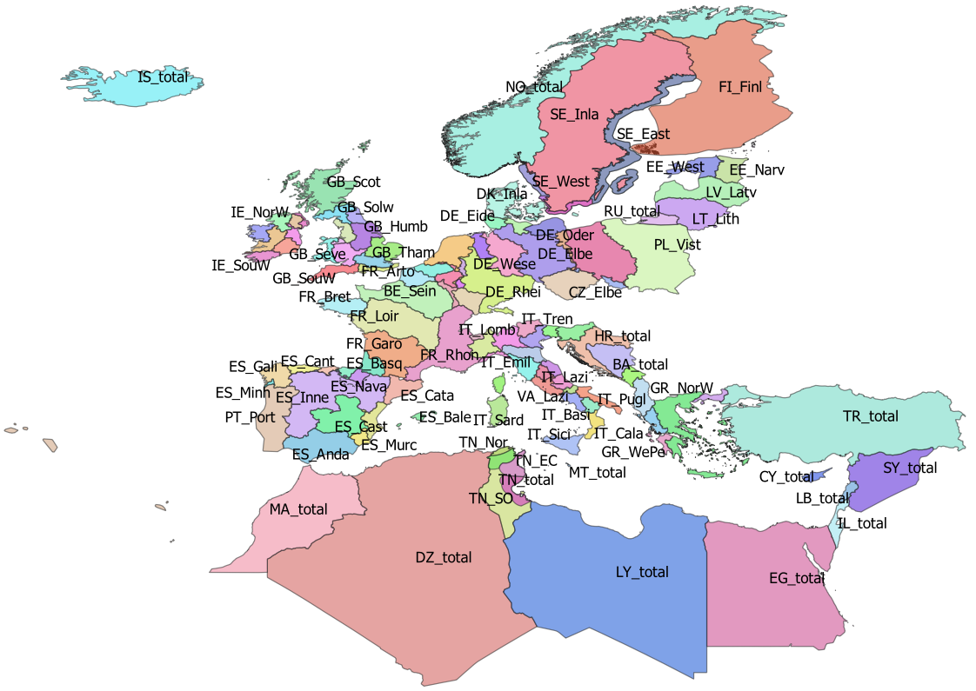
emu_nameshort | emu_cou_code | emu_wholecountry
AL_total | AL | t
AX_total | AX | t
BA_total | BA | t
BE_Meus | BE | f
BE_Rhin | BE | f
BE_Sche | BE | f
BE_Sein | BE | f
BE_total | BE | t
CY_total | CY | t
CZ_Elbe | CZ | f
CZ_Oder | CZ | f
CZ_total | CZ | t
DE_Eide | DE | f
DE_Elbe | DE | f
DE_Ems | DE | f
DE_Maas | DE | f
DE_Oder | DE | f
DE_Rhei | DE | f
DE_Schl | DE | f
DE_total | DE | t
DE_Warn | DE | f
DE_Wese | DE | f
DK_Inla | DK | f
DK_total | DK | t
DZ_total | DZ | t
EE_Narv | EE | f
EE_total | EE | t
EE_West | EE | f
EG_total | EG | t
ES_Anda | ES | f
ES_Astu | ES | f
ES_Bale | ES | f
ES_Basq | ES | f
ES_Cant | ES | f
ES_Cast | ES | f
ES_Cata | ES | f
ES_Gali | ES | f
ES_Inne | ES | f
ES_Minh | PT | f
ES_Mino | ES | f
ES_Murc | ES | f
ES_Nava | ES | f
ES_Spai | ES | f
ES_total | ES | t
ES_Vale | ES | f
FI_Finl | FI | f
FI_total | FI | t
FR_Adou | FR | f
FR_Arto | FR | f
FR_Bret | FR | f
FR_Cors | FR | f
FR_Garo | FR | f
FR_Loir | FR | f
FR_Meus | FR | f
FR_Rhin | FR | f
FR_Rhon | FR | f
FR_Sein | FR | f
FR_total | FR | t
GB_Angl | GB | f
GB_Dee | GB | f
GB_Humb | GB | f
GB_Neag | GB | f
GB_NorE | GB | f
GB_Nort | GB | f
GB_NorW | GB | f
GB_Scot | GB | f
GB_Seve | GB | f
GB_Solw | GB | f
GB_SouE | GB | f
GB_SouW | GB | f
GB_Tham | GB | f
GB_total | GB | t
GB_Wale | GB | f
GR_CeAe | GR | f
GR_EaMT | GR | f
GR_NorW | GR | f
GR_total | GR | t
GR_WePe | GR | f
HR_total | HR | t
IE_East | IE | f
IE_NorW | IE | f
IE_Shan | IE | f
IE_SouE | IE | f
IE_SouW | IE | f
IE_total | IE | t
IE_West | IE | f
IL_total | IL | t
IS_total | IS | t
IT_Abru | IT | f
IT_Basi | IT | f
IT_Cala | IT | f
IT_Camp | IT | f
IT_Emil | IT | f
IT_Frio | IT | f
IT_Lazi | IT | f
IT_Ligu | IT | f
IT_Lomb | IT | f
IT_Marc | IT | f
IT_Moli | IT | f
IT_Piem | IT | f
IT_Pugl | IT | f
IT_Sard | IT | f
IT_Sici | IT | f
IT_Tosc | IT | f
IT_total | IT | t
IT_Tren | IT | f
IT_Umbr | IT | f
IT_Vall | IT | f
IT_Vene | IT | f
LB_total | LB | t
LT_Lith | LT | f
LT_total | LT | t
LU_Luxe | LU | f
LU_total | LU | t
LV_Latv | LV | f
LV_total | LV | t
LY_total | LY | t
MA_total | MA | t
ME_total | ME | t
MT_total | MT | t
NL_Neth | NL | f
NL_total | NL | t
NO_total | NO | t
PL_Oder | PL | f
PL_total | PL | t
PL_Vist | PL | f
PT_Port | PT | f
PT_total | PT | t
RU_total | RU | t
SE_Ea_o | SE
SE_East | SE | f
SE_Inla | SE | f
SE_So_o | SE
SE_total | SE | t
SE_We_o | SE
SE_West | SE | f
SI_total | SI | t
SY_total | SY | t
TN_EC | TN | f
TN_NE | TN | f
TN_Nor | TN | f
TN_SO | TN | f
TN_total | TN | t
TR_total | TR | t

tr_faoareas
fid | f_level | f_code | f_status | ocean | subocean | f_area | f_subarea | f_division
227 | DIVISION | 21.0.A | 1 | Atlantic | 2 | 21 | 21 | 21.0.A
230 | DIVISION | 21.0.B | 1 | Atlantic | 2 | 21 | 21 | 21.0.B | Please check also the maps provided by ICES
228 | DIVISION | 21.1.A | 1 | Atlantic | 2 | 21 | 21.1 | 21.1.A | ICES statistical rectangles | http://gis.ices.dk/sf/index.html?widget=StatRec
229 | DIVISION | 21.1.B | 1 | Atlantic | 2 | 21 | 21.1 | 21.1.B | FAO areas map | http://www.fao.org/fishery/area/search/en
231 | DIVISION | 21.1.C | 1 | Atlantic | 2 | 21 | 21.1 | 21.1.C
195 | DIVISION | 21.1.D | 1 | Atlantic | 2 | 21 | 21.1 | 21.1.D | These codes are for use only in the case of Coatsal and Marine Open waters – otherwise you can leave it
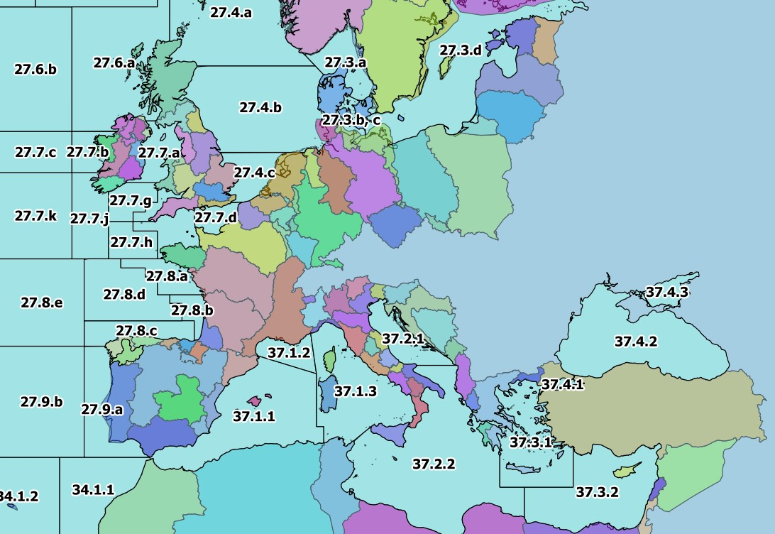
196 | DIVISION | 21.1.E | 1 | Atlantic | 2 | 21 | 21.1 | 21.1.E
198 | DIVISION | 21.1.F | 1 | Atlantic | 2 | 21 | 21.1 | 21.1.F
197 | DIVISION | 21.2.G | 1 | Atlantic | 2 | 21 | 21.2 | 21.2.G
199 | DIVISION | 21.2.H | 1 | Atlantic | 2 | 21 | 21.2 | 21.2.H
235 | DIVISION | 21.2.J | 1 | Atlantic | 2 | 21 | 21.2 | 21.2.J
234 | DIVISION | 21.3.K | 1 | Atlantic | 2 | 21 | 21.3 | 21.3.K
239 | DIVISION | 21.3.L | 1 | Atlantic | 2 | 21 | 21.3 | 21.3.L
200 | DIVISION | 21.3.M | 1 | Atlantic | 2 | 21 | 21.3 | 21.3.M
218 | DIVISION | 21.3.N | 1 | Atlantic | 2 | 21 | 21.3 | 21.3.N
201 | DIVISION | 21.3.O | 1 | Atlantic | 2 | 21 | 21.3 | 21.3.O
240 | DIVISION | 21.3.P | 1 | Atlantic | 2 | 21 | 21.3 | 21.3.P
238 | DIVISION | 21.4.R | 1 | Atlantic | 2 | 21 | 21.4 | 21.4.R
233 | DIVISION | 21.4.S | 1 | Atlantic | 2 | 21 | 21.4 | 21.4.S
243 | DIVISION | 21.4.T | 1 | Atlantic | 2 | 21 | 21.4 | 21.4.T
219 | DIVISION | 21.4.V | 1 | Atlantic | 2 | 21 | 21.4 | 21.4.V
232 | DIVISION | 21.4.W | 1 | Atlantic | 2 | 21 | 21.4 | 21.4.W
241 | DIVISION | 21.4.X | 1 | Atlantic | 2 | 21 | 21.4 | 21.4.X
242 | DIVISION | 21.5.Y | 1 | Atlantic | 2 | 21 | 21.5 | 21.5.Y
220 | DIVISION | 21.5.Z | 1 | Atlantic | 2 | 21 | 21.5 | 21.5.Z
236 | DIVISION | 21.6.A | 1 | Atlantic | 2 | 21 | 21.6 | 21.6.A
221 | DIVISION | 21.6.B | 1 | Atlantic | 2 | 21 | 21.6 | 21.6.B
237 | DIVISION | 21.6.C | 1 | Atlantic | 2 | 21 | 21.6 | 21.6.C
222 | DIVISION | 21.6.D | 1 | Atlantic | 2 | 21 | 21.6 | 21.6.D
223 | DIVISION | 21.6.E | 1 | Atlantic | 2 | 21 | 21.6 | 21.6.E
224 | DIVISION | 21.6.F | 1 | Atlantic | 2 | 21 | 21.6 | 21.6.F
225 | DIVISION | 21.6.G | 1 | Atlantic | 2 | 21 | 21.6 | 21.6.G
226 | DIVISION | 21.6.H | 1 | Atlantic | 2 | 21 | 21.6 | 21.6.H
267 | DIVISION | 27.1.a | 1 | Atlantic | 2 | 27 | 27.1 | 27.1.a
275 | DIVISION | 27.1.b | 1 | Atlantic | 2 | 27 | 27.1 | 27.1.b
171 | DIVISION | 27.10.a | 1 | Atlantic | 2 | 27 | 27.1 | 27.10.a
215 | DIVISION | 27.10.b | 1 | Atlantic | 2 | 27 | 27.1 | 27.10.b
262 | DIVISION | 27.12.a | 1 | Atlantic | 2 | 27 | 27.12 | 27.12.a
116 | DIVISION | 27.12.b | 1 | Atlantic | 2 | 27 | 27.12 | 27.12.b
253 | DIVISION | 27.12.c | 1 | Atlantic | 2 | 27 | 27.12 | 27.12.c
268 | DIVISION | 27.14.a | 1 | Atlantic | 2 | 27 | 27.14 | 27.14.a
264 | DIVISION | 27.14.b | 1 | Atlantic | 2 | 27 | 27.14 | 27.14.b
265 | DIVISION | 27.2.a | 1 | Atlantic | 2 | 27 | 27.2 | 27.2.a
266 | DIVISION | 27.2.b | 1 | Atlantic | 2 | 27 | 27.2 | 27.2.b
277 | DIVISION | 27.3.a | 1 | Atlantic | 2 | 27 | 27.3 | 27.3.a
258 | DIVISION | 27.3.b, c | 1 | Atlantic | 2 | 27 | 27.3 | 27.3.b, c
257 | DIVISION | 27.3.d | 1 | Atlantic | 2 | 27 | 27.3 | 27.3.d
274 | DIVISION | 27.4.a | 1 | Atlantic | 2 | 27 | 27.4 | 27.4.a
259 | DIVISION | 27.4.b | 1 | Atlantic | 2 | 27 | 27.4 | 27.4.b
255 | DIVISION | 27.4.c | 1 | Atlantic | 2 | 27 | 27.4 | 27.4.c
263 | DIVISION | 27.5.a | 1 | Atlantic | 2 | 27 | 27.5 | 27.5.a
261 | DIVISION | 27.5.b | 1 | Atlantic | 2 | 27 | 27.5 | 27.5.b
271 | DIVISION | 27.6.a | 1 | Atlantic | 2 | 27 | 27.6 | 27.6.a
260 | DIVISION | 27.6.b | 1 | Atlantic | 2 | 27 | 27.6 | 27.6.b
273 | DIVISION | 27.7.a | 1 | Atlantic | 2 | 27 | 27.7 | 27.7.a
272 | DIVISION | 27.7.b | 1 | Atlantic | 2 | 27 | 27.7 | 27.7.b
256 | DIVISION | 27.7.c | 1 | Atlantic | 2 | 27 | 27.7 | 27.7.c
270 | DIVISION | 27.7.d | 1 | Atlantic | 2 | 27 | 27.7 | 27.7.d
269 | DIVISION | 27.7.e | 1 | Atlantic | 2 | 27 | 27.7 | 27.7.e
251 | DIVISION | 27.7.f | 1 | Atlantic | 2 | 27 | 27.7 | 27.7.f
252 | DIVISION | 27.7.g | 1 | Atlantic | 2 | 27 | 27.7 | 27.7.g
250 | DIVISION | 27.7.h | 1 | Atlantic | 2 | 27 | 27.7 | 27.7.h
249 | DIVISION | 27.7.j | 1 | Atlantic | 2 | 27 | 27.7 | 27.7.j
254 | DIVISION | 27.7.k | 1 | Atlantic | 2 | 27 | 27.7 | 27.7.k
248 | DIVISION | 27.8.a | 1 | Atlantic | 2 | 27 | 27.8 | 27.8.a
214 | DIVISION | 27.8.b | 1 | Atlantic | 2 | 27 | 27.8 | 27.8.b
213 | DIVISION | 27.8.c | 1 | Atlantic | 2 | 27 | 27.8 | 27.8.c
217 | DIVISION | 27.8.d | 1 | Atlantic | 2 | 27 | 27.8 | 27.8.d
216 | DIVISION | 27.8.e | 1 | Atlantic | 2 | 27 | 27.8 | 27.8.e
212 | DIVISION | 27.9.a | 1 | Atlantic | 2 | 27 | 27.9 | 27.9.a
172 | DIVISION | 27.9.b | 1 | Atlantic | 2 | 27 | 27.9 | 27.9.b
123 | DIVISION | 34.1.1 | 1 | Atlantic | 3 | 34 | 34.1 | 34.1.1
122 | DIVISION | 34.1.2 | 1 | Atlantic | 3 | 34 | 34.1 | 34.1.2
126 | DIVISION | 34.1.3 | 1 | Atlantic | 3 | 34 | 34.1 | 34.1.3
134 | DIVISION | 34.3.1 | 1 | Atlantic | 3 | 34 | 34.3 | 34.3.1
132 | DIVISION | 34.3.2 | 1 | Atlantic | 3 | 34 | 34.3 | 34.3.2
142 | DIVISION | 34.3.3 | 1 | Atlantic | 3 | 34 | 34.3 | 34.3.3
144 | DIVISION | 34.3.4 | 1 | Atlantic | 3 | 34 | 34.3 | 34.3.4
145 | DIVISION | 34.3.5 | 1 | Atlantic | 3 | 34 | 34.3 | 34.3.5
178 | DIVISION | 34.3.6 | 1 | Atlantic | 3 | 34 | 34.3 | 34.3.6
158 | DIVISION | 34.4.1 | 1 | Atlantic | 3 | 34 | 34.4 | 34.4.1
131 | DIVISION | 34.4.2 | 1 | Atlantic | 3 | 34 | 34.4 | 34.4.2
177 | DIVISION | 37.1.1 | 1 | Atlantic | 3 | 37 | 37.1 | 37.1.1
114 | DIVISION | 37.1.2 | 1 | Atlantic | 3 | 37 | 37.1 | 37.1.2
115 | DIVISION | 37.1.3 | 1 | Atlantic | 3 | 37 | 37.1 | 37.1.3
117 | DIVISION | 37.2.1 | 1 | Atlantic | 3 | 37 | 37.2 | 37.2.1
118 | DIVISION | 37.2.2 | 1 | Atlantic | 3 | 37 | 37.2 | 37.2.2
119 | DIVISION | 37.3.1 | 1 | Atlantic | 3 | 37 | 37.3 | 37.3.1
121 | DIVISION | 37.3.2 | 1 | Atlantic | 3 | 37 | 37.3 | 37.3.2
120 | DIVISION | 37.4.1 | 1 | Atlantic | 3 | 37 | 37.4 | 37.4.1
112 | DIVISION | 37.4.2 | 1 | Atlantic | 3 | 37 | 37.4 | 37.4.2
113 | DIVISION | 37.4.3 | 1 | Atlantic | 3 | 37 | 37.4 | 37.4.3
148 | DIVISION | 41.1.1 | 1 | Atlantic | 4 | 41 | 41.1 | 41.1.1
150 | DIVISION | 41.1.2 | 1 | Atlantic | 4 | 41 | 41.1 | 41.1.2
151 | DIVISION | 41.1.3 | 1 | Atlantic | 4 | 41 | 41.1 | 41.1.3
157 | DIVISION | 41.1.4 | 1 | Atlantic | 4 | 41 | 41.1 | 41.1.4
156 | DIVISION | 41.2.1 | 1 | Atlantic | 4 | 41 | 41.2 | 41.2.1
163 | DIVISION | 41.2.2 | 1 | Atlantic | 4 | 41 | 41.2 | 41.2.2
175 | DIVISION | 41.2.3 | 1 | Atlantic | 4 | 41 | 41.2 | 41.2.3
169 | DIVISION | 41.2.4 | 1 | Atlantic | 4 | 41 | 41.2 | 41.2.4
176 | DIVISION | 41.3.1 | 1 | Atlantic | 4 | 41 | 41.3 | 41.3.1
189 | DIVISION | 41.3.2 | 1 | Atlantic | 4 | 41 | 41.3 | 41.3.2
170 | DIVISION | 41.3.3 | 1 | Atlantic | 4 | 41 | 41.3 | 41.3.3
202 | DIVISION | 47.1.1 | 1 | Atlantic | 4 | 47 | 47.1 | 47.1.1
203 | DIVISION | 47.1.2 | 1 | Atlantic | 4 | 47 | 47.1 | 47.1.2
208 | DIVISION | 47.1.3 | 1 | Atlantic | 4 | 47 | 47.1 | 47.1.3
209 | DIVISION | 47.1.4 | 1 | Atlantic | 4 | 47 | 47.1 | 47.1.4
210 | DIVISION | 47.1.5 | 1 | Atlantic | 4 | 47 | 47.1 | 47.1.5
211 | DIVISION | 47.1.6 | 1 | Atlantic | 4 | 47 | 47.1 | 47.1.6
207 | DIVISION | 47.2.1 | 1 | Atlantic | 4 | 47 | 47.2 | 47.2.1
206 | DIVISION | 47.2.2 | 1 | Atlantic | 4 | 47 | 47.2 | 47.2.2
193 | DIVISION | 47.A.0 | 1 | Atlantic | 4 | 47 | 47.A | 47.A.0
194 | DIVISION | 47.A.1 | 1 | Atlantic | 4 | 47 | 47.A | 47.A.1
247 | DIVISION | 47.B.0 | 1 | Atlantic | 4 | 47 | 47.B | 47.B.0
245 | DIVISION | 47.B.1 | 1 | Atlantic | 4 | 47 | 47.B | 47.B.1
204 | DIVISION | 47.C.0 | 1 | Atlantic | 4 | 47 | 47.C | 47.C.0
246 | DIVISION | 47.C.1 | 1 | Atlantic | 4 | 47 | 47.C | 47.C.1
205 | DIVISION | 47.D.0 | 1 | Atlantic | 4 | 47 | 47.D | 47.D.0
244 | DIVISION | 47.D.1 | 1 | Atlantic | 4 | 47 | 47.D | 47.D.1
152 | DIVISION | 57.5.1 | 1 | Indian | 5 | 57 | 57.5 | 57.5.1
159 | DIVISION | 57.5.2 | 1 | Indian | 5 | 57 | 57.5 | 57.5.2
191 | DIVISION | 58.4.1 | 1 | Indian | 10 | 58 | 58.4 | 58.4.1
190 | DIVISION | 58.4.2 | 1 | Indian | 10 | 58 | 58.4 | 58.4.2
192 | DIVISION | 58.4.3 | 1 | Indian | 10 | 58 | 58.4 | 58.4.3
174 | DIVISION | 58.4.4 | 1 | Indian | 10 | 58 | 58.4 | 58.4.4
168 | DIVISION | 58.5.1 | 1 | Indian | 10 | 58 | 58.5 | 58.5.1
173 | DIVISION | 58.5.2 | 1 | Indian | 10 | 58 | 58.5 | 58.5.2
133 | DIVISION | 71.6.1 | 1 | Pacific | 7 | 71 | _71.6 | 71.6.1
130 | DIVISION | 71.6.2 | 1 | Pacific | 7 | 71 | _71.6 | 71.6.2
143 | DIVISION | 87.1.1 | 1 | Pacific | 8 | 87 | 87.1 | 87.1.1
146 | DIVISION | 87.1.2 | 1 | Pacific | 8 | 87 | 87.1 | 87.1.2
149 | DIVISION | 87.1.3 | 1 | Pacific | 8 | 87 | 87.1 | 87.1.3
147 | DIVISION | 87.1.4 | 1 | Pacific | 8 | 87 | 87.1 | 87.1.4
155 | DIVISION | 87.2.1 | 1 | Pacific | 8 | 87 | 87.2 | 87.2.1
154 | DIVISION | 87.2.2 | 1 | Pacific | 8 | 87 | 87.2 | 87.2.2
160 | DIVISION | 87.2.3 | 1 | Pacific | 8 | 87 | 87.2 | 87.2.3
164 | DIVISION | 87.2.4 | 1 | Pacific | 8 | 87 | 87.2 | 87.2.4
162 | DIVISION | 87.2.5 | 1 | Pacific | 8 | 87 | 87.2 | 87.2.5
153 | DIVISION | 87.2.6 | 1 | Pacific | 8 | 87 | 87.2 | 87.2.6
167 | DIVISION | 87.3.1 | 1 | Pacific | 8 | 87 | 87.3 | 87.3.1
166 | DIVISION | 87.3.2 | 1 | Pacific | 8 | 87 | 87.3 | 87.3.2
165 | DIVISION | 87.3.3 | 1 | Pacific | 8 | 87 | 87.3 | 87.3.3

