existing_kept
The existing_kept corresponds to data currently in the database that the working group is using. It is either labelled with an id of quality (id_qal) of 1 (good), 2 (modified by the working group), or 4 (there are doubts but wgeel has kept the data) - see table tr_quality_qal for the labels. DO NOT ENTER DATA IN THIS SHEET.
Use this sheet to copy data that you need to correct (and move to updated_data or deleted_data)
eel_id | eel_typ_name | eel_year | eel_value | eel_missvaluequal | eel_emu_nameshort | eel_cou_code | eel_lfs_code | eel_hty_code | eel_area_division | eel_qal_id | eel_qal_comment | eel_comment | eel_datelastupdate | eel_datasource | eel_dta_code
511082 | com_landings_kg | 2021 | 626.2 |  | FR_Arto | FR | G | T |  | 4 |  | Provisional data|season n-1, n (for 2013:2012-2013), include river and marine fishers, source = DPMA + OFB | 2022-08-29 | dc_2021 | Public
511083 | com_landings_kg | 2021 | 816 |  | FR_Sein | FR | G | T |  | 4 |  | Provisional data|season n-1, n (for 2013: 2012-2013), include river and marine fishers, source = DPMA + OFB | 2022-08-29 | dc_2021 | Public
511085 | com_landings_kg | 2021 | 3513.17 |  | FR_Adou | FR | G | T |  | 4 |  | Provisional data|season n-1, n (for 2013: 2012-2013), include river and marine fishers, source = DPMA + OFB | 2022-08-29 | dc_2021 | Public
511088 | com_landings_kg | 2020 | 4475 |  | FR_Garo | FR | Y | F |  | 4 |  | Provisional data|season n, n+1 (for 2012:2012-2013) , source = OFB | 2022-08-29 | dc_2021 | Public
511434 | com_landings_kg | 2020 | 3710.9 |  | FR_Adou | FR | G | T |  | 4 |  | season n-1, n (for 2013: 2012-2013), include river and marine fishers, source = DPMA + OFB | 2022-08-29 | dc_2021 | Public
546084 | com_landings_kg | 2021 | 130.7 |  | FR_Adou | FR | Y | T |  | 1 |  |  | 2022-09-06 | dc_2022 | Public
546085 | com_landings_kg | 2022 | 266.755 |  | FR_Sein | FR | G | T |  | 1 |  |  | 2022-09-06 | dc_2022 | Public
546086 | com_landings_kg | 2022 | 321.81 |  | FR_Arto | FR | G | T |  | 1 |  |  | 2022-09-06 | dc_2022 | Public
546087 | com_landings_kg | 2021 | 838.6 |  | FR_Bret | FR | Y | T |  | 1 |  |  | 2022-09-06 | dc_2022 | Public
546088 | com_landings_kg | 2022 | 3755.252 |  | FR_Adou | FR | G | T |  | 1 |  |  | 2022-09-06 | dc_2022 | Public
546089 | com_landings_kg | 2021 | 4449.7 |  | FR_Garo | FR | Y | T |  | 1 |  |  | 2022-09-06 | dc_2022 | Public
546090 | com_landings_kg | 2021 | 6854.7 |  | FR_Cors | FR | Y | T |  | 1 |  |  | 2022-09-06 | dc_2022 | Public
546092 | com_landings_kg | 2021 | 9384.136 |  | FR_Cors | FR | S | T |  | 1 |  |  | 2022-09-06 | dc_2022 | Public
546093 | com_landings_kg | 2021 | 9602.6 |  | FR_Loir | FR | S | F |  | 1 |  |  | 2022-09-06 | dc_2022 | Public
546095 | com_landings_kg | 2021 | 17123.2 |  | FR_Loir | FR | Y | T |  | 1 |  |  | 2022-09-06 | dc_2022 | Public
546096 | com_landings_kg | 2022 | 29488.803 |  | FR_Loir | FR | G | T |  | 1 |  |  | 2022-09-06 | dc_2022 | Public
546097 | com_landings_kg | 2021 | 64754.67 |  | FR_Rhon | FR | S | T |  | 1 |  |  | 2022-09-06 | dc_2022 | Public
546098 | com_landings_kg | 2021 | 156536.95 |  | FR_Rhon | FR | Y | T |  | 1 |  |  | 2022-09-06 | dc_2022 | Public
550418 | com_landings_kg | 2022 | 5761.341 |  | FR_Bret | FR | G | T |  | 1 |  |  | 2022-09-09 | dc_2022 | Public
550419 | com_landings_kg | 2022 | 13767.202 |  | FR_Garo | FR | G | T |  | 1 |  |  | 2022-09-09 | dc_2022 | Public
550545 | com_landings_kg | 2021 | 138.52 |  | FR_Adou | FR | Y | F |  | 1 |  |  | 2022-09-14 | dc_2022 | Public
550546 | com_landings_kg | 2020 | 160.6 |  | FR_Adou | FR | Y | T |  | 1 |  |  | 2022-09-14 | dc_2022 | Public
550547 | com_landings_kg | 2020 | 261.65 |  | FR_Adou | FR | Y | F |  | 1 |  |  | 2022-09-14 | dc_2022 | Public
550548 | com_landings_kg | 2020 | 411 |  | FR_Arto | FR | G | T |  | 1 |  |  | 2022-09-14 | dc_2022 | Public
550549 | com_landings_kg | 2021 | 490 |  | FR_Rhon | FR | S | F |  | 1 |  |  | 2022-09-14 | dc_2022 | Public
550550 | com_landings_kg | 2020 | 806 |  | FR_Sein | FR | G | T |  | 1 |  |  | 2022-09-14 | dc_2022 | Public
550552 | com_landings_kg | 2020 | 1482 |  | FR_Rhon | FR | S | F |  | 1 |  |  | 2022-09-14 | dc_2022 | Public
550553 | com_landings_kg | 2020 | 2490 |  | FR_Bret | FR | Y | T |  | 1 |  |  | 2022-09-14 | dc_2022 | Public
550554 | com_landings_kg | 2021 | 3579.32 |  | FR_Garo | FR | Y | F |  | 1 |  |  | 2022-09-14 | dc_2022 | Public
550555 | com_landings_kg | 2020 | 3863.9 |  | FR_Bret | FR | G | T |  | 1 |  |  | 2022-09-14 | dc_2022 | Public
550556 | com_landings_kg | 2020 | 3909.1 |  | FR_Cors | FR | Y | T |  | 1 |  |  | 2022-09-14 | dc_2022 | Public
550557 | com_landings_kg | 2021 | 5074.485006 |  | FR_Bret | FR | G | T |  | 1 |  |  | 2022-09-14 | dc_2022 | Public
550558 | com_landings_kg | 2021 | 5838 |  | FR_Rhon | FR | Y | F |  | 1 |  |  | 2022-09-14 | dc_2022 | Public
550559 | com_landings_kg | 2020 | 6255.4 |  | FR_Cors | FR | S | T |  | 1 |  |  | 2022-09-14 | dc_2022 | Public
550560 | com_landings_kg | 2020 | 6435.4000005 |  | FR_Garo | FR | Y | T |  | 1 |  |  | 2022-09-14 | dc_2022 | Public
550561 | com_landings_kg | 2020 | 8944 |  | FR_Rhon | FR | Y | F |  | 1 |  |  | 2022-09-14 | dc_2022 | Public
550562 | com_landings_kg | 2020 | 9235.35 |  | FR_Loir | FR | S | F |  | 1 |  |  | 2022-09-14 | dc_2022 | Public
550563 | com_landings_kg | 2021 | 10764.899992 |  | FR_Garo | FR | G | T |  | 1 |  |  | 2022-09-14 | dc_2022 | Public
550564 | com_landings_kg | 2021 | 13886.35 |  | FR_Loir | FR | Y | F |  | 1 |  |  | 2022-09-14 | dc_2022 | Public
550566 | com_landings_kg | 2020 | 13970.374002 |  | FR_Garo | FR | G | T |  | 1 |  |  | 2022-09-14 | dc_2022 | Public
550567 | com_landings_kg | 2020 |  | NP | FR_Loir | FR | Y | F |  | 1 |  |  | 2022-09-14 | dc_2022 | Public
550568 | com_landings_kg | 2020 |  | NR | FR_Loir | FR | Y | T |  | 1 |  |  | 2022-09-14 | dc_2022 | Public
550569 | com_landings_kg | 2020 |  | NC | FR_Loir | FR | G | T |  | 1 |  |  | 2022-09-14 | dc_2022 | Public
550570 | com_landings_kg | 2021 | 0 |  | FR_Loir | FR | G | T |  | 1 |  |  | 2022-09-14 | dc_2022 | Public
550571 | com_landings_kg | 2020 | 0 |  | FR_Rhon | FR | S | T |  | 1 |  |  | 2022-09-14 | dc_2022 | Public
550572 | com_landings_kg | 2020 | 0 |  | FR_Rhon | FR | Y | T |  | 1 |  |  | 2022-09-14 | dc_2022 | Public

existing_discarded
The existing_discarded sheet corresponds to data in the database that is not used by the working group: either 3 (bad quality), or code of the year (e.g. 18, 19) when the data was removed from the database, mostly as duplicates were identified and removed. DO NOT ENTER DATA IN THIS SHEET
eel_id | eel_typ_name | eel_year | eel_value | eel_missvaluequal | eel_emu_nameshort | eel_cou_code | eel_lfs_code | eel_hty_code | eel_area_division | eel_qal_id | eel_qal_comment | eel_comment | eel_datelastupdate | eel_datasource | eel_dta_code
482551 | com_landings_kg | 2020 | 411 |  | FR_Arto | FR | G | T |  | 21 | updated to eel_id 511432 in 2021 | provisional data | 44802 | dc_2020 | Public
482560 | com_landings_kg | 2020 | 806 |  | FR_Sein | FR | G | T |  | 21 | updated to eel_id 511433 in 2021 | provisional data | 44802 | dc_2020 | Public
482573 | com_landings_kg | 2020 | 3714 |  | FR_Adou | FR | G | T |  | 21 | updated to eel_id 511434 in 2021 | provisional data | 44802 | dc_2020 | Public
482584 | com_landings_kg | 2020 | 3727 |  | FR_Bret | FR | G | T |  | 21 | updated to eel_id 511435 in 2021 | provisional data | 44802 | dc_2020 | Public
482613 | com_landings_kg | 2020 | 14174 |  | FR_Garo | FR | G | T |  | 21 | updated to eel_id 511436 in 2021 | provisional data | 44802 | dc_2020 | Public
482621 | com_landings_kg | 2020 | 24926 |  | FR_Loir | FR | G | T |  | 21 | updated to eel_id 511437 in 2021 | provisional data | 44802 | dc_2020 | Public
511080 | com_landings_kg | 2020 | 160.6 |  | FR_Adou | FR | Y | T |  | 22 | deleted in 2022 | Provisional data|season n, n+1 (for 2012: 2012-2013) ; marine fishers, source = DPMA+OFB | 44810 | dc_2021 | Public
511081 | com_landings_kg | 2020 | 277.5 |  | FR_Adou | FR | Y | F |  | 22 | deleted in 2022 | Provisional data|season n, n+1 (for 2012:2012-2013) , source = OFB | 44810 | dc_2021 | Public
511084 | com_landings_kg | 2020 | 1940 |  | FR_Bret | FR | Y | T |  | 22 | deleted in 2022 | Provisional data|season n, n+1 (for 2012: 2012-2013) ; marine fishers, source = DPMA+OFB | 44810 | dc_2021 | Public
511087 | com_landings_kg | 2020 | 3909.1 |  | FR_Cors | FR | Y | T |  | 22 | deleted in 2022 | Provisional data|season n, n+1 (for 2012: 2012-2013); marine fishers, source = DPMA+OFB | 44810 | dc_2021 | Public
511090 | com_landings_kg | 2020 | 5580.4 |  | FR_Cors | FR | S | T |  | 22 | deleted in 2022 | Provisional data | Source: DPMA | 44810 | dc_2021 | Public
511091 | com_landings_kg | 2020 | 6273.4 |  | FR_Garo | FR | Y | T |  | 22 | deleted in 2022 | Provisional data|season n, n+1 (for 2012: 2012-2013) ; marine fishers, source = DPMA+OFB | 44810 | dc_2021 | Public
511092 | com_landings_kg | 2020 | 9172.2 |  | FR_Loir | FR | S | F |  | 22 | deleted in 2022 | Provisional data | 44810 | dc_2021 | Public
511094 | com_landings_kg | 2020 | 14579.3 |  | FR_Loir | FR | Y | T |  | 22 | deleted in 2022 | Provisional data|season n, n+1 (for 2012:2012-2013) ; marine fishers, source = DPMA+OFB | 44810 | dc_2021 | Public
511096 | com_landings_kg | 2020 | 15220.3 |  | FR_Loir | FR | Y | F |  | 22 | deleted in 2022 | Provisional data|season n, n+1 (for 2012: 2012-2013) , source = OFB | 44810 | dc_2021 | Public
511098 | com_landings_kg | 2020 | 88271.2 |  | FR_Rhon | FR | S | T |  | 22 | deleted in 2022 | Provisional data | Source: DPMA | 44810 | dc_2021 | Public
511099 | com_landings_kg | 2020 | 180423.7 |  | FR_Rhon | FR | Y | T |  | 22 | deleted in 2022 | Provisional data|season n, n+1 (for 2012: 2012-2013) ; marine fishers, source = DPMA+OFB | 44810 | dc_2021 | Public
511432 | com_landings_kg | 2020 | 411 |  | FR_Arto | FR | G | T |  | 22 | deleted in 2022 | season n-1, n (for 2013: 2012-2013), include river and marine fishers, source = DPMA + OFB | 44810 | dc_2021 | Public
511433 | com_landings_kg | 2020 | 806 |  | FR_Sein | FR | G | T |  | 22 | deleted in 2022 | season n-1, n (for 2013: 2012-2013), include river and marine fishers, source = DPMA + OFB | 44810 | dc_2021 | Public
511435 | com_landings_kg | 2020 | 3863.9 |  | FR_Bret | FR | G | T |  | 22 | deleted in 2022 | season n-1, n (for 2013: 2012-2013), include river and marine fishers, source = DPMA + OFB | 44810 | dc_2021 | Public
511436 | com_landings_kg | 2020 | 14304.9 |  | FR_Garo | FR | G | T |  | 22 | deleted in 2022 | season n-1, n (for 2013: 2012-2013), include river and marine fishers, source = DPMA + OFB | 44810 | dc_2021 | Public
511437 | com_landings_kg | 2020 | 25641.4 |  | FR_Loir | FR | G | T |  | 22 | deleted in 2022 | season n-1, n (for 2013: 2012-2013), include river and marine fishers, source = DPMA + OFB | 44810 | dc_2021 | Public
511079 | com_landings_kg | 2021 | 88.9 |  | FR_Adou | FR | Y | F |  | 22 | deleted in 2022 | Provisional data|season n, n+1 (for 2012: 2012-2013) , source = OFB | 44810 | dc_2021 | Public
511086 | com_landings_kg | 2021 | 3567.6 |  | FR_Garo | FR | Y | F |  | 22 | deleted in 2022 | Provisional data|season n, n+1 (for 2012 : 2012-2013) , source = OFB | 44810 | dc_2021 | Public
511089 | com_landings_kg | 2021 | 0 |  | FR_Bret | FR | G | T |  | 22 | deleted in 2022 | Provisional data|season n-1, n (for 2013: 2012-2013), include river and marine fishers, source = DPMA + OFB | 44810 | dc_2021 | Public
511093 | com_landings_kg | 2021 |  | NP | FR_Garo | FR | G | T |  | 22 | deleted in 2022 | Provisional data|season n-1, n (for 2013: 2012-2013), include river and marine fishers, source = DPMA + OFB | 44810 | dc_2021 | Public
511095 | com_landings_kg | 2021 |  | NR | FR_Loir | FR | Y | F |  | 22 | deleted in 2022 | Provisional data|season n, n+1 (for 2012:2012-2013) , source = OFB | 44810 | dc_2021 | Public
511097 | com_landings_kg | 2021 |  | NC | FR_Loir | FR | G | T |  | 22 | deleted in 2022 | Provisional data|season n-1, n (for 2013:2012-2013), include river and marine fishers, source = DPMA + OFB | 44810 | dc_2021 | Public

new_data
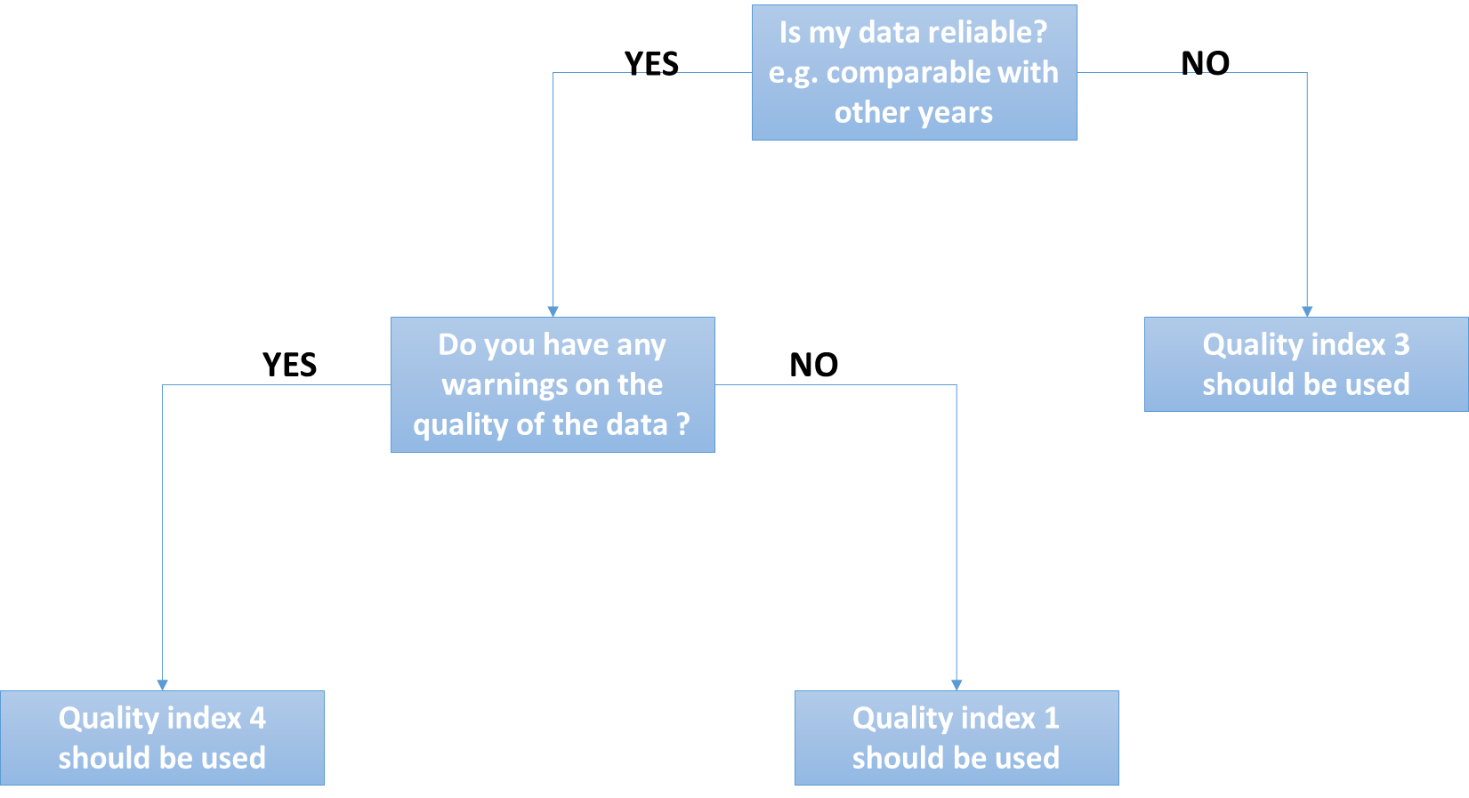
eel_typ_name | eel_year | eel_value | eel_missvaluequal | eel_emu_nameshort | eel_cou_code | eel_lfs_code | eel_hty_code | eel_area_division | eel_qal_id | eel_qal_comment | eel_comment
com_landings_kg | 2023 |  | NP | FR_Adou | FR | G | C |  | 1
com_landings_kg | 2023 |  | NP | FR_Adou | FR | S | C |  | 1
Use this sheet to :
(1) Check missing historical data.
The new_data corresponds to all combinations of possible missing data that we have identified for the past twenty years. We searched whether any data was entered one year for a given emu, habitat type or lifestage. We also searched whether there might be one entry with an aggegated data attribute (e.g. AL habitat, XX_total for emu, YS for lifestage). When that match did not exist, we generated a line with NP in the database, that is: no data was ever collected for this stage and this habitat, and this was identified as not pertinent (NP), with a comment 'no landings ever recorded in the db'. If a fishery occured sometime in the past, but no data was collected later, we suppose the fishery stopped; the data are marked as NP not pertinent, with the comment 'landings ended in <year>'.
(2) Insert new data : it's already pre-filled
In the three last years, data might be missing because it was not completely collected. Then the data is marked as NC (not collected). If you have new data to fill in, you will remove the NC, add the value, change the eel_datasource to dc_202X (202X=the current year). In current year data is generally not collected. You can remove those lines if you have no data.
So in practise, please check that data marked as NP are correct (use a filter for NP data). Then check for NC data and try to replace with new data by removing the NC attribute, setting a value, and change the datasource to dc_202X. Then screen for current year lines and remove if you have no data yet. And please remember, you have to fill in eel_value OR eel_missvalueqal, never both, always one or the other.
Please remember this : you have to fill in eel_value OR eel_missvalueqal, never both, always one or the other. You never provide an ICES division (eel_area_division) for Freshwater. You should always fill in all fields, except comments and eel_area_division in Freshwater.
Please do not provide an ICES area for freshwater, this is only for habitat MO and Transitional.
com_landings_kg | 2023 |  | NP | FR_Adou | FR | Y | C |  | 1
com_landings_kg | 2023 |  | NP | FR_Adou | FR | G | F |  | 1
com_landings_kg | 2023 |  | NP | FR_Adou | FR | S | F |  | 1
com_landings_kg | 2022 |  | NC | FR_Adou | FR | Y | F |  | 1
com_landings_kg | 2023 |  | NP | FR_Adou | FR | G | MO |  | 1
com_landings_kg | 2023 |  | NP | FR_Adou | FR | S | MO |  | 1
com_landings_kg | 2023 |  | NP | FR_Adou | FR | Y | MO |  | 1
com_landings_kg | 2023 | 3736.796 |  | FR_Adou | FR | G | T |  | 4 |  | Provisional data
com_landings_kg | 2023 |  | NP | FR_Adou | FR | S | T |  | 1
com_landings_kg | 2022 | 217.8 |  | FR_Adou | FR | Y | T |  | 4 |  | Provisional data
com_landings_kg | 2023 |  | NP | FR_Arto | FR | G | C |  | 1
com_landings_kg | 2023 |  | NP | FR_Arto | FR | S | C |  | 1
com_landings_kg | 2023 |  | NP | FR_Arto | FR | Y | C |  | 1
com_landings_kg | 2023 |  | NP | FR_Arto | FR | G | F |  | 1
com_landings_kg | 2023 |  | NP | FR_Arto | FR | S | F |  | 1
com_landings_kg | 2023 |  | NP | FR_Arto | FR | Y | F |  | 1
com_landings_kg | 2023 |  | NP | FR_Arto | FR | G | MO |  | 1
com_landings_kg | 2023 |  | NP | FR_Arto | FR | S | MO |  | 1
com_landings_kg | 2023 |  | NP | FR_Arto | FR | Y | MO |  | 1
com_landings_kg | 2023 | 173.11 |  | FR_Arto | FR | G | T |  | 4 |  | Provisional data
com_landings_kg | 2023 |  | NC | FR_Arto | FR | S | T |  | 1
com_landings_kg | 2023 |  | NC | FR_Arto | FR | Y | T |  | 1
com_landings_kg | 2023 |  | NC | FR_Bret | FR | G | C |  | 1
com_landings_kg | 2023 |  | NC | FR_Bret | FR | S | C |  | 1
com_landings_kg | 2023 |  | NR | FR_Bret | FR | Y | C |  | 1
com_landings_kg | 2023 |  | NR | FR_Bret | FR | G | F |  | 1
com_landings_kg | 2023 |  | NR | FR_Bret | FR | S | F |  | 1

updated_data
Use this sheet to provide corrections for existing data
If you want to correct existing data, please copy the line from existing_kept, and paste the line in the updated_data sheet. Please provide a comment and highlight the values that were changed.
If the lfs_code, or eel_area_code, or eel_emu_nameshort is changed then this requires a manual edition in the database. This should be done in the data integration session.
eel_id | eel_typ_name | eel_year | eel_value | eel_missvaluequal | eel_emu_nameshort | eel_cou_code | eel_lfs_code | eel_hty_code | eel_area_division | eel_qal_id | eel_qal_comment | eel_comment
511082 | com_landings_kg | 2021 | 626.2 |  | FR_Arto | FR | G | T |  | 4 |  | Provisional data|season n-1, n (for 2013:2012-2013), include river and marine fishers, source = DPMA + OFB
511083 | com_landings_kg | 2021 | 816 |  | FR_Sein | FR | G | T |  | 4 |  | Provisional data|season n-1, n (for 2013: 2012-2013), include river and marine fishers, source = DPMA + OFB
511085 | com_landings_kg | 2021 | 3513.17 |  | FR_Adou | FR | G | T |  | 4 |  | Provisional data|season n-1, n (for 2013: 2012-2013), include river and marine fishers, source = DPMA + OFB
511088 | com_landings_kg | 2020 | 4475 |  | FR_Garo | FR | Y | F |  | 4 |  | Provisional data|season n, n+1 (for 2012:2012-2013) , source = OFB
511434 | com_landings_kg | 2020 | 3710.9 |  | FR_Adou | FR | G | T |  | 4 |  | season n-1, n (for 2013: 2012-2013), include river and marine fishers, source = DPMA + OFB
546084 | com_landings_kg | 2021 | 130.7 |  | FR_Adou | FR | Y | T |  | 1
546085 | com_landings_kg | 2022 | 266.755 |  | FR_Sein | FR | G | T |  | 1
546086 | com_landings_kg | 2022 | 321.81 |  | FR_Arto | FR | G | T |  | 1
546087 | com_landings_kg | 2021 | 838.6 |  | FR_Bret | FR | Y | T |  | 1
546088 | com_landings_kg | 2022 | 3755.252 |  | FR_Adou | FR | G | T |  | 1
546089 | com_landings_kg | 2021 | 4449.7 |  | FR_Garo | FR | Y | T |  | 1
546090 | com_landings_kg | 2021 | 6854.7 |  | FR_Cors | FR | Y | T |  | 1

deleted_data
Use this sheet to DELETE existing data
If you want to delete existing data, please copy the line from existing_kept, and paste the line in the delete_data sheet. Please provide a comment on deleted data.
eel_id | eel_typ_name | eel_year | eel_value | eel_missvaluequal | eel_emu_nameshort | eel_cou_code | eel_lfs_code | eel_hty_code | eel_area_division | eel_qal_id | eel_qal_comment | eel_comment
546092 | com_landings_kg | 2021 | 9384.136 |  | FR_Cors | FR | S | T |  | 1
546093 | com_landings_kg | 2021 | 9602.6 |  | FR_Loir | FR | S | F |  | 1
546095 | com_landings_kg | 2021 | 17123.2 |  | FR_Loir | FR | Y | T |  | 1
546096 | com_landings_kg | 2022 | 29488.803 |  | FR_Loir | FR | G | T |  | 1
546097 | com_landings_kg | 2021 | 64754.67 |  | FR_Rhon | FR | S | T |  | 1
546098 | com_landings_kg | 2021 | 156536.95 |  | FR_Rhon | FR | Y | T |  | 1
550418 | com_landings_kg | 2022 | 5761.341 |  | FR_Bret | FR | G | T |  | 1
550419 | com_landings_kg | 2022 | 13767.202 |  | FR_Garo | FR | G | T |  | 1
550545 | com_landings_kg | 2021 | 138.52 |  | FR_Adou | FR | Y | F |  | 1
550546 | com_landings_kg | 2020 | 160.6 |  | FR_Adou | FR | Y | T |  | 1
550547 | com_landings_kg | 2020 | 261.65 |  | FR_Adou | FR | Y | F |  | 1
550548 | com_landings_kg | 2020 | 411 |  | FR_Arto | FR | G | T |  | 1
550549 | com_landings_kg | 2021 | 490 |  | FR_Rhon | FR | S | F |  | 1

tr_emu_emu
emu_nameshort | emu_name | emu_cou_code | emu_wholecountry
AL_total |  | AL | true
AX_total |  | AX | true
BA_total |  | BA | true
BE_Meus |  | BE | false
BE_Rhin |  | BE | false
BE_Sche |  | BE | false
BE_Sein |  | BE | false
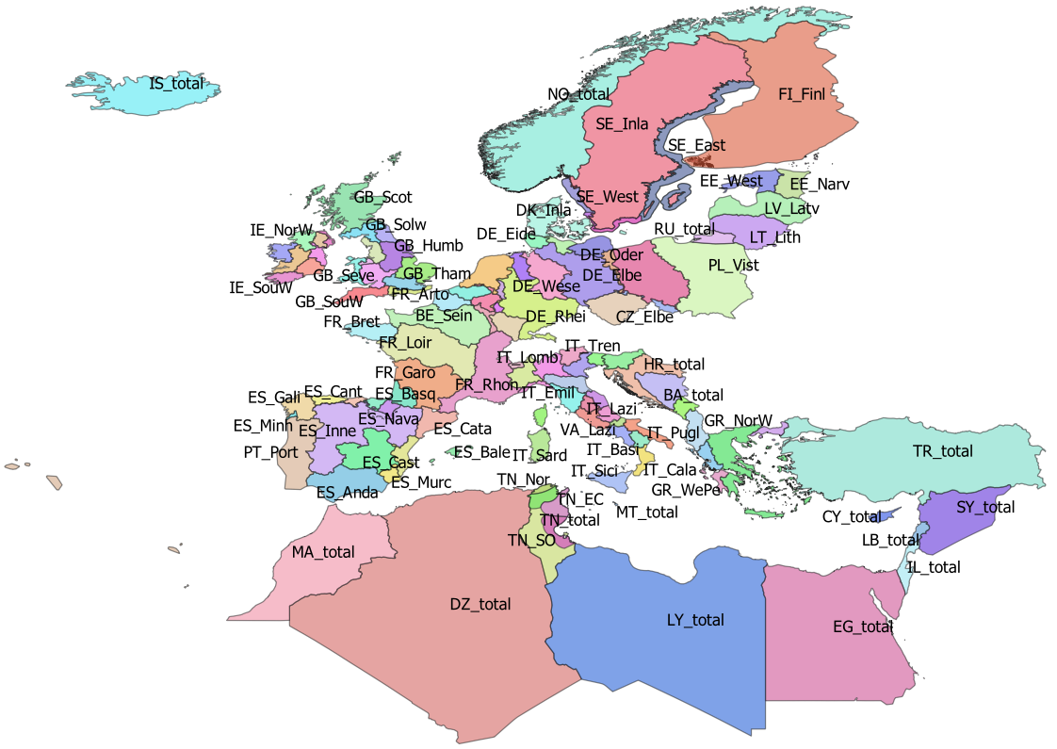
BE_total |  | BE | true
CY_total |  | CY | true
CZ_Elbe |  | CZ | false
CZ_Oder |  | CZ | false
CZ_total |  | CZ | true
DE_Eide |  | DE | false
DE_Elbe |  | DE | false
DE_Ems |  | DE | false
DE_Maas |  | DE | false
DE_Oder |  | DE | false
DE_Rhei |  | DE | false
DE_Schl |  | DE | false
DE_Warn |  | DE | false
DE_Wese |  | DE | false
DE_total |  | DE | true
DK_Inla |  | DK | false
DK_Mari | Danish coastal and marine waters | DK | false
DK_total |  | DK | true
DZ_total |  | DZ | true
EE_Narv |  | EE | false
EE_West |  | EE | false
EE_total |  | EE | true
EG_total |  | EG | true
ES_Anda |  | ES | false
ES_Astu |  | ES | false
ES_Bale |  | ES | false
ES_Basq |  | ES | false
ES_Cant |  | ES | false
ES_Cast |  | ES | false
ES_Cata |  | ES | false
ES_Gali |  | ES | false
ES_Inne |  | ES | false
ES_Minh | Minho transboundary emu | PT | false
ES_Mino |  | ES | false
ES_Murc |  | ES | false
ES_Nava |  | ES | false
ES_Vale |  | ES | false
ES_total |  | ES | true
FI_Finl |  | FI | true
FI_total |  | FI | true
FR_Adou |  | FR | false
FR_Arto |  | FR | false
FR_Bret |  | FR | false
FR_Cors |  | FR | false
FR_Garo |  | FR | false
FR_Loir |  | FR | false
FR_Meus |  | FR | false
FR_Rhin |  | FR | false
FR_Rhon |  | FR | false
FR_Sein |  | FR | false
FR_total |  | FR | true
GB_Angl |  | GB | false
GB_Dee |  | GB | false
GB_Humb |  | GB | false
GB_Neag |  | GB | false
GB_NorE |  | GB | false
GB_NorW |  | GB | false
GB_Nort |  | GB | false
GB_Scot |  | GB | false
GB_Seve |  | GB | false
GB_Solw |  | GB | false
GB_SouE |  | GB | false
GB_SouW |  | GB | false
GB_Tham |  | GB | false
GB_Wale |  | GB | false
GB_total |  | GB | true
GR_CeAe |  | GR | false
GR_EaMT |  | GR | false
GR_NorW |  | GR | false
GR_WePe |  | GR | false
GR_total |  | GR | true
HR_total |  | HR | true
IE_East |  | IE | false
IE_NorW |  | IE | false
IE_Shan |  | IE | false
IE_SouE |  | IE | false
IE_SouW |  | IE | false
IE_West |  | IE | false
IE_total |  | IE | true
IL_total |  | IL | true
IS_total | Iceland | IS | true
IT_Abru |  | IT | false
IT_Basi |  | IT | false
IT_Cala |  | IT | false
IT_Camp |  | IT | false
IT_Emil |  | IT | false
IT_Frio |  | IT | false
IT_Lazi |  | IT | false
IT_Ligu |  | IT | false
IT_Lomb |  | IT | false
IT_Marc |  | IT | false
IT_Moli |  | IT | false
IT_Piem |  | IT | false
IT_Pugl |  | IT | false
IT_Sard |  | IT | false
IT_Sici |  | IT | false
IT_Tosc |  | IT | false
IT_Tren |  | IT | false
IT_Umbr |  | IT | false
IT_Vall |  | IT | false
IT_Vene |  | IT | false
IT_total |  | IT | true
LB_total |  | LB | true
LT_Lith |  | LT | false
LT_total |  | LT | true
LU_Luxe |  | LU | false
LU_total |  | LU | true
LV_Latv |  | LV | false
LV_total |  | LV | true
LY_total |  | LY | true
MA_total |  | MA | true
ME_total |  | ME | true
MT_total |  | MT | true
NL_Neth |  | NL | true
NO_total |  | NO | true
PL_Oder |  | PL | false
PL_Vist |  | PL | false
PL_total |  | PL | true
PT_Port |  | PT | false
PT_total |  | PT | true
RU_total |  | RU | true
SE_Ea_o | Historical EMU for Sweden, used for historical data | SE
SE_East |  | SE | false
SE_Inla |  | SE | false
SE_So_o | Historical EMU for Sweden, used for historical data | SE
SE_We_o | Historical EMU for Sweden, used for historical data | SE | false
SE_West |  | SE | false
SE_total |  | SE | true
SI_total |  | SI | true
SY_total |  | SY | true
TN_EC | Tunisia East and centre | TN | false
TN_NE | Tunisia North East Medjerda | TN | false
TN_Nor | Tunisia North | TN | false
TN_SO | Tunisia South | TN | false
TN_total |  | TN | true
TR_total |  | TR | true
VA_Lazi |  | VA | false
VA_total |  | VA | true

tr_country_cou
cou_code | cou_country | cou_order | cou_iso3code
AL | Albania | 27 | ALB
AX | Åland | 3 | ALA
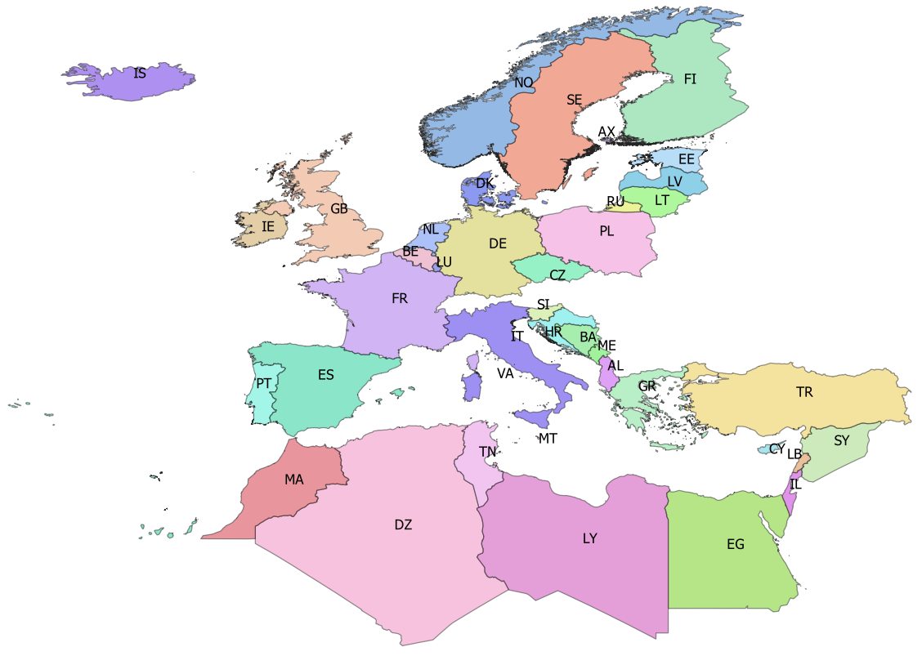
BA | Bosnia-Herzegovina | 25 | BIH
BE | Belgium | 14 | BEL
CY | Cyprus | 35 | CYP
CZ | Czech republic | 10 | CZE
DE | Germany | 11 | DEU
DK | Denmark | 12 | DNK
DZ | Algeria | 42 | DZA
EE | Estonia | 5 | EST
EG | Egypt | 39 | EGY
ES | Spain | 19 | ESP
FI | Finland | 4 | FIN
FR | France | 18 | FRA
GB | Great Britain | 17 | GBR
GR | Greece | 28 | GRC
HR | Croatia | 24 | HRV
IE | Ireland | 16 | IRL
IL | Israel | 38 | ISR
IS | Iceland | 0 | ISL
IT | Italy | 21 | ITA
LB | Lebanon | 37 | LBN
LT | Lithuania | 7 | LTU
LU | Luxembourg | 15 | LUX
LV | Latvia | 6 | LVA
LY | Libya | 40 | LBY
MA | Morocco | 43 | MAR
ME | Montenegro | 26 | MNE
MT | Malta | 22 | MLT
NL | Netherlands | 13 | NLD
NO | Norway | 1 | NOR
PL | Poland | 9 | POL
PT | Portugal | 20 | PRT
RU | Russia | 8 | RUS
SE | Sweden | 2 | SWE
SI | Slovenia | 23 | SVN
SY | Syria | 36 | SYR
TN | Tunisia | 41 | TUN
TR | Turkey | 34 | TUR

tr_faoareas
gid | fid | f_level | f_code | f_status | ocean | subocean | f_area | f_subarea | f_division | f_subdivis | f_subunit | surface
71 | 120 | DIVISION | 37.4.1 | 1 | Atlantic | 3 | 37 | 37.4 | 37.4.1 |  |  | 11827243389
78 | 130 | DIVISION | 71.6.2 | 1 | Pacific | 7 | 71 | _71.6 | 71.6.2 |  |  | 4.4965877481E+12 | Please check also the maps provided by ICES
79 | 131 | DIVISION | 34.4.2 | 1 | Atlantic | 3 | 34 | 34.4 | 34.4.2 |  |  | 3.0235738565E+12 | ICES statistical rectangles | http://gis.ices.dk/sf/index.html?widget=StatRec
72 | 121 | DIVISION | 37.3.2 | 1 | Atlantic | 3 | 37 | 37.3 | 37.3.2 |  |  | 4.4394271216E+11 | FAO areas map | http://www.fao.org/fishery/area/search/en
73 | 122 | DIVISION | 34.1.2 | 1 | Atlantic | 3 | 34 | 34.1 | 34.1.2 |  |  | 6.8237610048E+11
74 | 123 | DIVISION | 34.1.1 | 1 | Atlantic | 3 | 34 | 34.1 | 34.1.1 |  |  | 3.8407183464E+11 | These codes are for use only in the case of Coatsal and Marine Open waters – otherwise you can leave it
98 | 114 | DIVISION | 37.1.2 | 1 | Atlantic | 3 | 37 | 37.1 | 37.1.2 |  |  | 62704555110 | Please only use f_division as the reference.
99 | 115 | DIVISION | 37.1.3 | 1 | Atlantic | 3 | 37 | 37.1 | 37.1.3 |  |  | 3.1374145477E+11
75 | 126 | DIVISION | 34.1.3 | 1 | Atlantic | 3 | 34 | 34.1 | 34.1.3 |  |  | 3.1689909814E+11
76 | 133 | DIVISION | 71.6.1 | 1 | Pacific | 7 | 71 | _71.6 | 71.6.1 |  |  | 5.394501655E+12
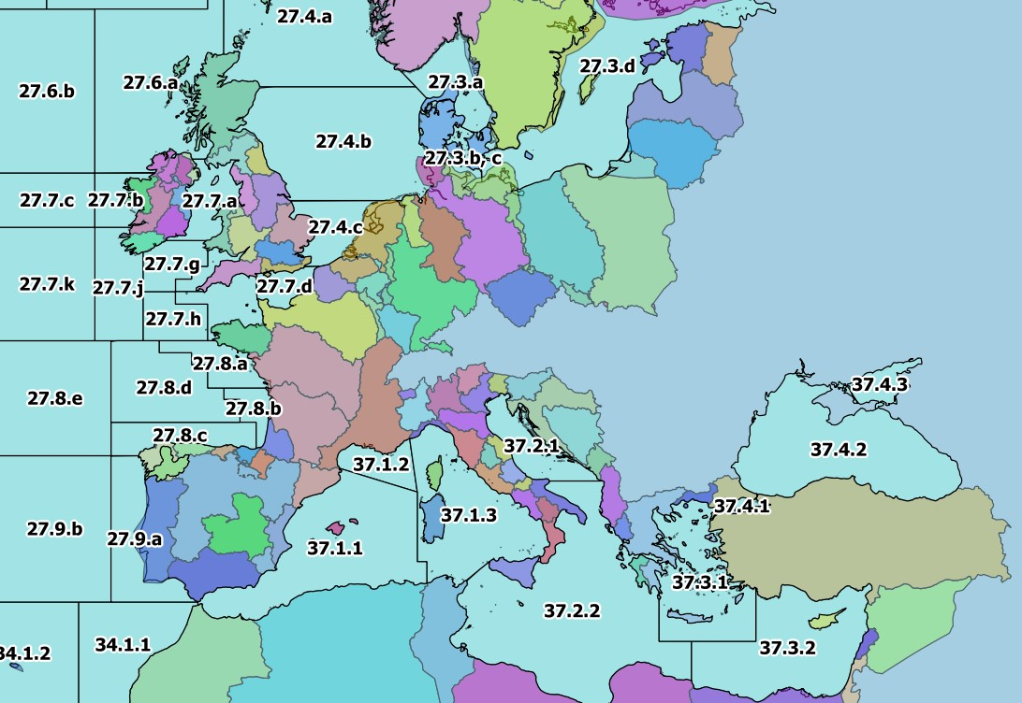
96 | 112 | DIVISION | 37.4.2 | 1 | Atlantic | 3 | 37 | 37.4 | 37.4.2 |  |  | 4.2224797745E+11
113 | 157 | DIVISION | 41.1.4 | 1 | Atlantic | 4 | 41 | 41.1 | 41.1.4 |  |  | 3.8673825625E+12
114 | 158 | DIVISION | 34.4.1 | 1 | Atlantic | 3 | 34 | 34.4 | 34.4.1 |  |  | 1.6956766307E+12
77 | 134 | DIVISION | 34.3.1 | 1 | Atlantic | 3 | 34 | 34.3 | 34.3.1 |  |  | 4.8535342355E+11
100 | 116 | DIVISION | 27.12.b | 1 | Atlantic | 2 | 27 | 27.12 | 27.12.b |  |  | 2.2089912841E+11
80 | 132 | DIVISION | 34.3.2 | 1 | Atlantic | 3 | 34 | 34.3 | 34.3.2 |  |  | 1.1845384452E+12
106 | 150 | DIVISION | 41.1.2 | 1 | Atlantic | 4 | 41 | 41.1 | 41.1.2 |  |  | 6.4234946631E+11
125 | 173 | DIVISION | 58.5.2 | 1 | Indian | 10 | 58 | 58.5 | 58.5.2 |  |  | 6.5499103626E+11
97 | 113 | DIVISION | 37.4.3 | 1 | Atlantic | 3 | 37 | 37.4 | 37.4.3 |  |  | 41321419920
166 | 205 | DIVISION | 47.D.0 | 1 | Atlantic | 4 | 47 | 47.D | 47.D.0 |  |  | 3.9568461054E+12
105 | 149 | DIVISION | 87.1.3 | 1 | Pacific | 8 | 87 | 87.1 | 87.1.3 |  |  | 2.7918904335E+11
117 | 162 | DIVISION | 87.2.5 | 1 | Pacific | 8 | 87 | 87.2 | 87.2.5 |  |  | 81149107681
101 | 117 | DIVISION | 37.2.1 | 1 | Atlantic | 3 | 37 | 37.2 | 37.2.1 |  |  | 98667922161
102 | 118 | DIVISION | 37.2.2 | 1 | Atlantic | 3 | 37 | 37.2 | 37.2.2 |  |  | 8.463424121E+11
103 | 119 | DIVISION | 37.3.1 | 1 | Atlantic | 3 | 37 | 37.3 | 37.3.1 |  |  | 2.8644821287E+11
104 | 148 | DIVISION | 41.1.1 | 1 | Atlantic | 4 | 41 | 41.1 | 41.1.1 |  |  | 8.8139455583E+11
107 | 151 | DIVISION | 41.1.3 | 1 | Atlantic | 4 | 41 | 41.1 | 41.1.3 |  |  | 4.3466642278E+11
108 | 152 | DIVISION | 57.5.1 | 1 | Indian | 5 | 57 | 57.5 | 57.5.1 |  |  | 2.1533130799E+12
121 | 169 | DIVISION | 41.2.4 | 1 | Atlantic | 4 | 41 | 41.2 | 41.2.4 |  |  | 5.197206508E+12
122 | 170 | DIVISION | 41.3.3 | 1 | Atlantic | 4 | 41 | 41.3 | 41.3.3 |  |  | 2.4393578165E+12
123 | 171 | DIVISION | 27.10.a | 1 | Atlantic | 2 | 27 | 27.10 | 27.10.a |  |  | 1.6007574647E+12
124 | 172 | DIVISION | 27.9.b | 1 | Atlantic | 2 | 27 | 27.9 | 27.9.b |  |  | 4.6763680928E+11
109 | 153 | DIVISION | 87.2.6 | 1 | Pacific | 8 | 87 | 87.2 | 87.2.6 |  |  | 9.9300606702E+12
110 | 154 | DIVISION | 87.2.2 | 1 | Pacific | 8 | 87 | 87.2 | 87.2.2 |  |  | 3.8596179793E+11
111 | 155 | DIVISION | 87.2.1 | 1 | Pacific | 8 | 87 | 87.2 | 87.2.1 |  |  | 3.7875233544E+11
112 | 156 | DIVISION | 41.2.1 | 1 | Atlantic | 4 | 41 | 41.2 | 41.2.1 |  |  | 6.5563585246E+11
115 | 159 | DIVISION | 57.5.2 | 1 | Indian | 5 | 57 | 57.5 | 57.5.2 |  |  | 1.6963027142E+12
116 | 160 | DIVISION | 87.2.3 | 1 | Pacific | 8 | 87 | 87.2 | 87.2.3 |  |  | 85283982521
118 | 163 | DIVISION | 41.2.2 | 1 | Atlantic | 4 | 41 | 41.2 | 41.2.2 |  |  | 3.4447105362E+11
119 | 164 | DIVISION | 87.2.4 | 1 | Pacific | 8 | 87 | 87.2 | 87.2.4 |  |  | 1.3517500454E+11
120 | 165 | DIVISION | 87.3.3 | 1 | Pacific | 8 | 87 | 87.3 | 87.3.3 |  |  | 7.0435159127E+12
126 | 174 | DIVISION | 58.4.4 | 1 | Indian | 10 | 58 | 58.4 | 58.4.4 |  |  | 2.4960539783E+12
127 | 175 | DIVISION | 41.2.3 | 1 | Atlantic | 4 | 41 | 41.2 | 41.2.3 |  |  | 4.6731294794E+11
138 | 146 | DIVISION | 87.1.2 | 1 | Pacific | 8 | 87 | 87.1 | 87.1.2 |  |  | 5.0490011797E+11
130 | 178 | DIVISION | 34.3.6 | 1 | Atlantic | 3 | 34 | 34.3 | 34.3.6 |  |  | 5.5056565487E+11
128 | 176 | DIVISION | 41.3.1 | 1 | Atlantic | 4 | 41 | 41.3 | 41.3.1 |  |  | 1.0883663202E+12
129 | 177 | DIVISION | 37.1.1 | 1 | Atlantic | 3 | 37 | 37.1 | 37.1.1 |  |  | 4.6818694853E+11
179 | 260 | DIVISION | 27.6.b | 1 | Atlantic | 2 | 27 | 27.6 | 27.6.b |  |  | 2.2155353285E+11
131 | 166 | DIVISION | 87.3.2 | 1 | Pacific | 8 | 87 | 87.3 | 87.3.2 |  |  | 3.6127075642E+11
132 | 167 | DIVISION | 87.3.1 | 1 | Pacific | 8 | 87 | 87.3 | 87.3.1 |  |  | 4.4833006009E+11
133 | 168 | DIVISION | 58.5.1 | 1 | Indian | 10 | 58 | 58.5 | 58.5.1 |  |  | 1.0830864153E+12
134 | 142 | DIVISION | 34.3.3 | 1 | Atlantic | 3 | 34 | 34.3 | 34.3.3 |  |  | 1.1474193123E+12
135 | 143 | DIVISION | 87.1.1 | 1 | Pacific | 8 | 87 | 87.1 | 87.1.1 |  |  | 5.6919002649E+11
155 | 208 | DIVISION | 47.1.3 | 1 | Atlantic | 4 | 47 | 47.1 | 47.1.3 |  |  | 2.1712156714E+11
136 | 144 | DIVISION | 34.3.4 | 1 | Atlantic | 3 | 34 | 34.3 | 34.3.4 |  |  | 7.1688073434E+11
144 | 193 | DIVISION | 47.A.0 | 1 | Atlantic | 4 | 47 | 47.A | 47.A.0 |  |  | 3.8156189159E+12
137 | 145 | DIVISION | 34.3.5 | 1 | Atlantic | 3 | 34 | 34.3 | 34.3.5 |  |  | 4.1212734288E+11
145 | 194 | DIVISION | 47.A.1 | 1 | Atlantic | 4 | 47 | 47.A | 47.A.1 |  |  | 1.0930129465E+12
146 | 195 | DIVISION | 21.1.D | 1 | Atlantic | 2 | 21 | 21.1 | 21.1.D |  |  | 70014038602
147 | 196 | DIVISION | 21.1.E | 1 | Atlantic | 2 | 21 | 21.1 | 21.1.E |  |  | 88359698256
148 | 197 | DIVISION | 21.2.G | 1 | Atlantic | 2 | 21 | 21.2 | 21.2.G |  |  | 1.7199269126E+11
149 | 198 | DIVISION | 21.1.F | 1 | Atlantic | 2 | 21 | 21.1 | 21.1.F |  |  | 4.1223443166E+11
150 | 199 | DIVISION | 21.2.H | 1 | Atlantic | 2 | 21 | 21.2 | 21.2.H |  |  | 1.8630740739E+11
139 | 147 | DIVISION | 87.1.4 | 1 | Pacific | 8 | 87 | 87.1 | 87.1.4 |  |  | 1.0566518729E+13
140 | 189 | DIVISION | 41.3.2 | 1 | Atlantic | 4 | 41 | 41.3 | 41.3.2 |  |  | 1.5197998155E+12
141 | 190 | DIVISION | 58.4.2 | 1 | Indian | 10 | 58 | 58.4 | 58.4.2 |  |  | 1.5596670646E+12
142 | 191 | DIVISION | 58.4.1 | 1 | Indian | 10 | 58 | 58.4 | 58.4.1 |  |  | 4.5940913728E+12
143 | 192 | DIVISION | 58.4.3 | 1 | Indian | 10 | 58 | 58.4 | 58.4.3 |  |  | 1.1749756182E+12
154 | 207 | DIVISION | 47.2.1 | 1 | Atlantic | 4 | 47 | 47.2 | 47.2.1 |  |  | 1.758261644E+11
151 | 200 | DIVISION | 21.3.M | 1 | Atlantic | 2 | 21 | 21.3 | 21.3.M |  |  | 4.0964555025E+11
152 | 201 | DIVISION | 21.3.O | 1 | Atlantic | 2 | 21 | 21.3 | 21.3.O |  |  | 1.4087240713E+11
153 | 202 | DIVISION | 47.1.1 | 1 | Atlantic | 4 | 47 | 47.1 | 47.1.1 |  |  | 1.7743778321E+11
156 | 209 | DIVISION | 47.1.4 | 1 | Atlantic | 4 | 47 | 47.1 | 47.1.4 |  |  | 2.2324467513E+11
157 | 210 | DIVISION | 47.1.5 | 1 | Atlantic | 4 | 47 | 47.1 | 47.1.5 |  |  | 2.2660832618E+11
167 | 206 | DIVISION | 47.2.2 | 1 | Atlantic | 4 | 47 | 47.2 | 47.2.2 |  |  | 1.9793986876E+11
158 | 211 | DIVISION | 47.1.6 | 1 | Atlantic | 4 | 47 | 47.1 | 47.1.6 |  |  | 3.5771216982E+11
161 | 214 | DIVISION | 27.8.b | 1 | Atlantic | 2 | 27 | 27.8 | 27.8.b |  |  | 34964551008
162 | 215 | DIVISION | 27.10.b | 1 | Atlantic | 2 | 27 | 27.10 | 27.10.b |  |  | 1.0420531582E+12
165 | 204 | DIVISION | 47.C.0 | 1 | Atlantic | 4 | 47 | 47.C | 47.C.0 |  |  | 3.49107238E+12
159 | 212 | DIVISION | 27.9.a | 1 | Atlantic | 2 | 27 | 27.9 | 27.9.a |  |  | 1.6797139363E+11
160 | 213 | DIVISION | 27.8.c | 1 | Atlantic | 2 | 27 | 27.8 | 27.8.c |  |  | 92763573598
163 | 216 | DIVISION | 27.8.e | 1 | Atlantic | 2 | 27 | 27.8 | 27.8.e |  |  | 3.039321707E+11
164 | 203 | DIVISION | 47.1.2 | 1 | Atlantic | 4 | 47 | 47.1 | 47.1.2 |  |  | 2.2898701024E+11
168 | 249 | DIVISION | 27.7.j | 1 | Atlantic | 2 | 27 | 27.7 | 27.7.j |  |  | 99469988428
169 | 250 | DIVISION | 27.7.h | 1 | Atlantic | 2 | 27 | 27.7 | 27.7.h |  |  | 57004067471
170 | 251 | DIVISION | 27.7.f | 1 | Atlantic | 2 | 27 | 27.7 | 27.7.f |  |  | 18973216548
171 | 252 | DIVISION | 27.7.g | 1 | Atlantic | 2 | 27 | 27.7 | 27.7.g |  |  | 47663203973
172 | 253 | DIVISION | 27.12.c | 1 | Atlantic | 2 | 27 | 27.12 | 27.12.c |  |  | 8.5659695385E+11
173 | 254 | DIVISION | 27.7.k | 1 | Atlantic | 2 | 27 | 27.7 | 27.7.k |  |  | 2.1450534608E+11
174 | 255 | DIVISION | 27.4.c | 1 | Atlantic | 2 | 27 | 27.4 | 27.4.c |  |  | 64302618029
175 | 256 | DIVISION | 27.7.c | 1 | Atlantic | 2 | 27 | 27.7 | 27.7.c |  |  | 88580563653
176 | 257 | DIVISION | 27.3.d | 1 | Atlantic | 2 | 27 | 27.3 | 27.3.d |  |  | 3.8016191882E+11
177 | 258 | DIVISION | 27.3.b, c | 1 | Atlantic | 2 | 27 | 27.3 | 27.3.b, c |  |  | 20488533250
178 | 259 | DIVISION | 27.4.b | 1 | Atlantic | 2 | 27 | 27.4 | 27.4.b |  |  | 2.8138452398E+11
180 | 261 | DIVISION | 27.5.b | 1 | Atlantic | 2 | 27 | 27.5 | 27.5.b |  |  | 1.9220460306E+11
181 | 262 | DIVISION | 27.12.a | 1 | Atlantic | 2 | 27 | 27.12 | 27.12.a |  |  | 1.0705370691E+12
182 | 263 | DIVISION | 27.5.a | 1 | Atlantic | 2 | 27 | 27.5 | 27.5.a |  |  | 3.787611177E+11
183 | 264 | DIVISION | 27.14.b | 1 | Atlantic | 2 | 27 | 27.14 | 27.14.b |  |  | 6.7386549825E+11
184 | 265 | DIVISION | 27.2.a | 1 | Atlantic | 2 | 27 | 27.2 | 27.2.a |  |  | 1.4329040333E+12
185 | 266 | DIVISION | 27.2.b | 1 | Atlantic | 2 | 27 | 27.2 | 27.2.b |  |  | 1.1251753495E+12
186 | 267 | DIVISION | 27.1.a | 1 | Atlantic | 2 | 27 | 27.1 | 27.1.a |  |  | 66867090359
187 | 268 | DIVISION | 27.14.a | 1 | Atlantic | 2 | 27 | 27.14 | 27.14.a |  |  | 6.6009656446E+11
188 | 269 | DIVISION | 27.7.e | 1 | Atlantic | 2 | 27 | 27.7 | 27.7.e |  |  | 56394287388
189 | 270 | DIVISION | 27.7.d | 1 | Atlantic | 2 | 27 | 27.7 | 27.7.d |  |  | 33233430849
190 | 271 | DIVISION | 27.6.a | 1 | Atlantic | 2 | 27 | 27.6 | 27.6.a |  |  | 2.3709200662E+11
198 | 272 | DIVISION | 27.7.b | 1 | Atlantic | 2 | 27 | 27.7 | 27.7.b |  |  | 35977798774
206 | 217 | DIVISION | 27.8.d | 1 | Atlantic | 2 | 27 | 27.8 | 27.8.d |  |  | 1.8190837118E+11
199 | 273 | DIVISION | 27.7.a | 1 | Atlantic | 2 | 27 | 27.7 | 27.7.a |  |  | 50225031975
200 | 274 | DIVISION | 27.4.a | 1 | Atlantic | 2 | 27 | 27.4 | 27.4.a |  |  | 2.6990033572E+11
201 | 275 | DIVISION | 27.1.b | 1 | Atlantic | 2 | 27 | 27.1 | 27.1.b |  |  | 1.5571314147E+12
202 | 277 | DIVISION | 27.3.a | 1 | Atlantic | 2 | 27 | 27.3 | 27.3.a |  |  | 54943741725
207 | 218 | DIVISION | 21.3.N | 1 | Atlantic | 2 | 21 | 21.3 | 21.3.N |  |  | 2.8300257198E+11
208 | 219 | DIVISION | 21.4.V | 1 | Atlantic | 2 | 21 | 21.4 | 21.4.V |  |  | 3.6983537089E+11
212 | 223 | DIVISION | 21.6.E | 1 | Atlantic | 2 | 21 | 21.6 | 21.6.E |  |  | 1.9752551717E+11
213 | 224 | DIVISION | 21.6.F | 1 | Atlantic | 2 | 21 | 21.6 | 21.6.F |  |  | 1.9752551717E+11
214 | 225 | DIVISION | 21.6.G | 1 | Atlantic | 2 | 21 | 21.6 | 21.6.G |  |  | 1.9752551717E+11
209 | 220 | DIVISION | 21.5.Z | 1 | Atlantic | 2 | 21 | 21.5 | 21.5.Z |  |  | 1.7508389379E+11
223 | 234 | DIVISION | 21.3.K | 1 | Atlantic | 2 | 21 | 21.3 | 21.3.K |  |  | 3.235101819E+11
224 | 235 | DIVISION | 21.2.J | 1 | Atlantic | 2 | 21 | 21.2 | 21.2.J |  |  | 2.8364420939E+11
210 | 221 | DIVISION | 21.6.B | 1 | Atlantic | 2 | 21 | 21.6 | 21.6.B |  |  | 1.1778897788E+11
211 | 222 | DIVISION | 21.6.D | 1 | Atlantic | 2 | 21 | 21.6 | 21.6.D |  |  | 1.9752551717E+11
215 | 226 | DIVISION | 21.6.H | 1 | Atlantic | 2 | 21 | 21.6 | 21.6.H |  |  | 3.1604082825E+11
216 | 227 | DIVISION | 21.0.A | 1 | Atlantic | 2 | 21 | 21.0 | 21.0.A |  |  | 3.478786631E+11
217 | 228 | DIVISION | 21.1.A | 1 | Atlantic | 2 | 21 | 21.1 | 21.1.A |  |  | 3.0887757718E+11
218 | 229 | DIVISION | 21.1.B | 1 | Atlantic | 2 | 21 | 21.1 | 21.1.B |  |  | 64571421055
219 | 230 | DIVISION | 21.0.B | 1 | Atlantic | 2 | 21 | 21.0 | 21.0.B |  |  | 2.3416727016E+11
220 | 231 | DIVISION | 21.1.C | 1 | Atlantic | 2 | 21 | 21.1 | 21.1.C |  |  | 55224442104
235 | 246 | DIVISION | 47.C.1 | 1 | Atlantic | 4 | 47 | 47.C | 47.C.1 |  |  | 9.9078538853E+11
236 | 247 | DIVISION | 47.B.0 | 1 | Atlantic | 4 | 47 | 47.B | 47.B.0 |  |  | 1.810986046E+12
221 | 232 | DIVISION | 21.4.W | 1 | Atlantic | 2 | 21 | 21.4 | 21.4.W |  |  | 2.3733520377E+11
237 | 248 | DIVISION | 27.8.a | 1 | Atlantic | 2 | 27 | 27.8 | 27.8.a |  |  | 62661971418
222 | 233 | DIVISION | 21.4.S | 1 | Atlantic | 2 | 21 | 21.4 | 21.4.S |  |  | 83188988725
225 | 236 | DIVISION | 21.6.A | 1 | Atlantic | 2 | 21 | 21.6 | 21.6.A |  |  | 48859563881
226 | 237 | DIVISION | 21.6.C | 1 | Atlantic | 2 | 21 | 21.6 | 21.6.C |  |  | 1.2320852739E+11
227 | 238 | DIVISION | 21.4.R | 1 | Atlantic | 2 | 21 | 21.4 | 21.4.R |  |  | 41032406057
228 | 239 | DIVISION | 21.3.L | 1 | Atlantic | 2 | 21 | 21.3 | 21.3.L |  |  | 1.9142166479E+11
229 | 240 | DIVISION | 21.3.P | 1 | Atlantic | 2 | 21 | 21.3 | 21.3.P |  |  | 1.0197374728E+11
230 | 241 | DIVISION | 21.4.X | 1 | Atlantic | 2 | 21 | 21.4 | 21.4.X |  |  | 1.5425886412E+11
231 | 242 | DIVISION | 21.5.Y | 1 | Atlantic | 2 | 21 | 21.5 | 21.5.Y |  |  | 58396273397
232 | 243 | DIVISION | 21.4.T | 1 | Atlantic | 2 | 21 | 21.4 | 21.4.T |  |  | 1.119470056E+11
233 | 244 | DIVISION | 47.D.1 | 1 | Atlantic | 4 | 47 | 47.D | 47.D.1 |  |  | 4.1867328636E+11
234 | 245 | DIVISION | 47.B.1 | 1 | Atlantic | 4 | 47 | 47.B | 47.B.1 |  |  | 9.6050509624E+11

