TURF分析
最佳到达率及频率（按组大小排列）

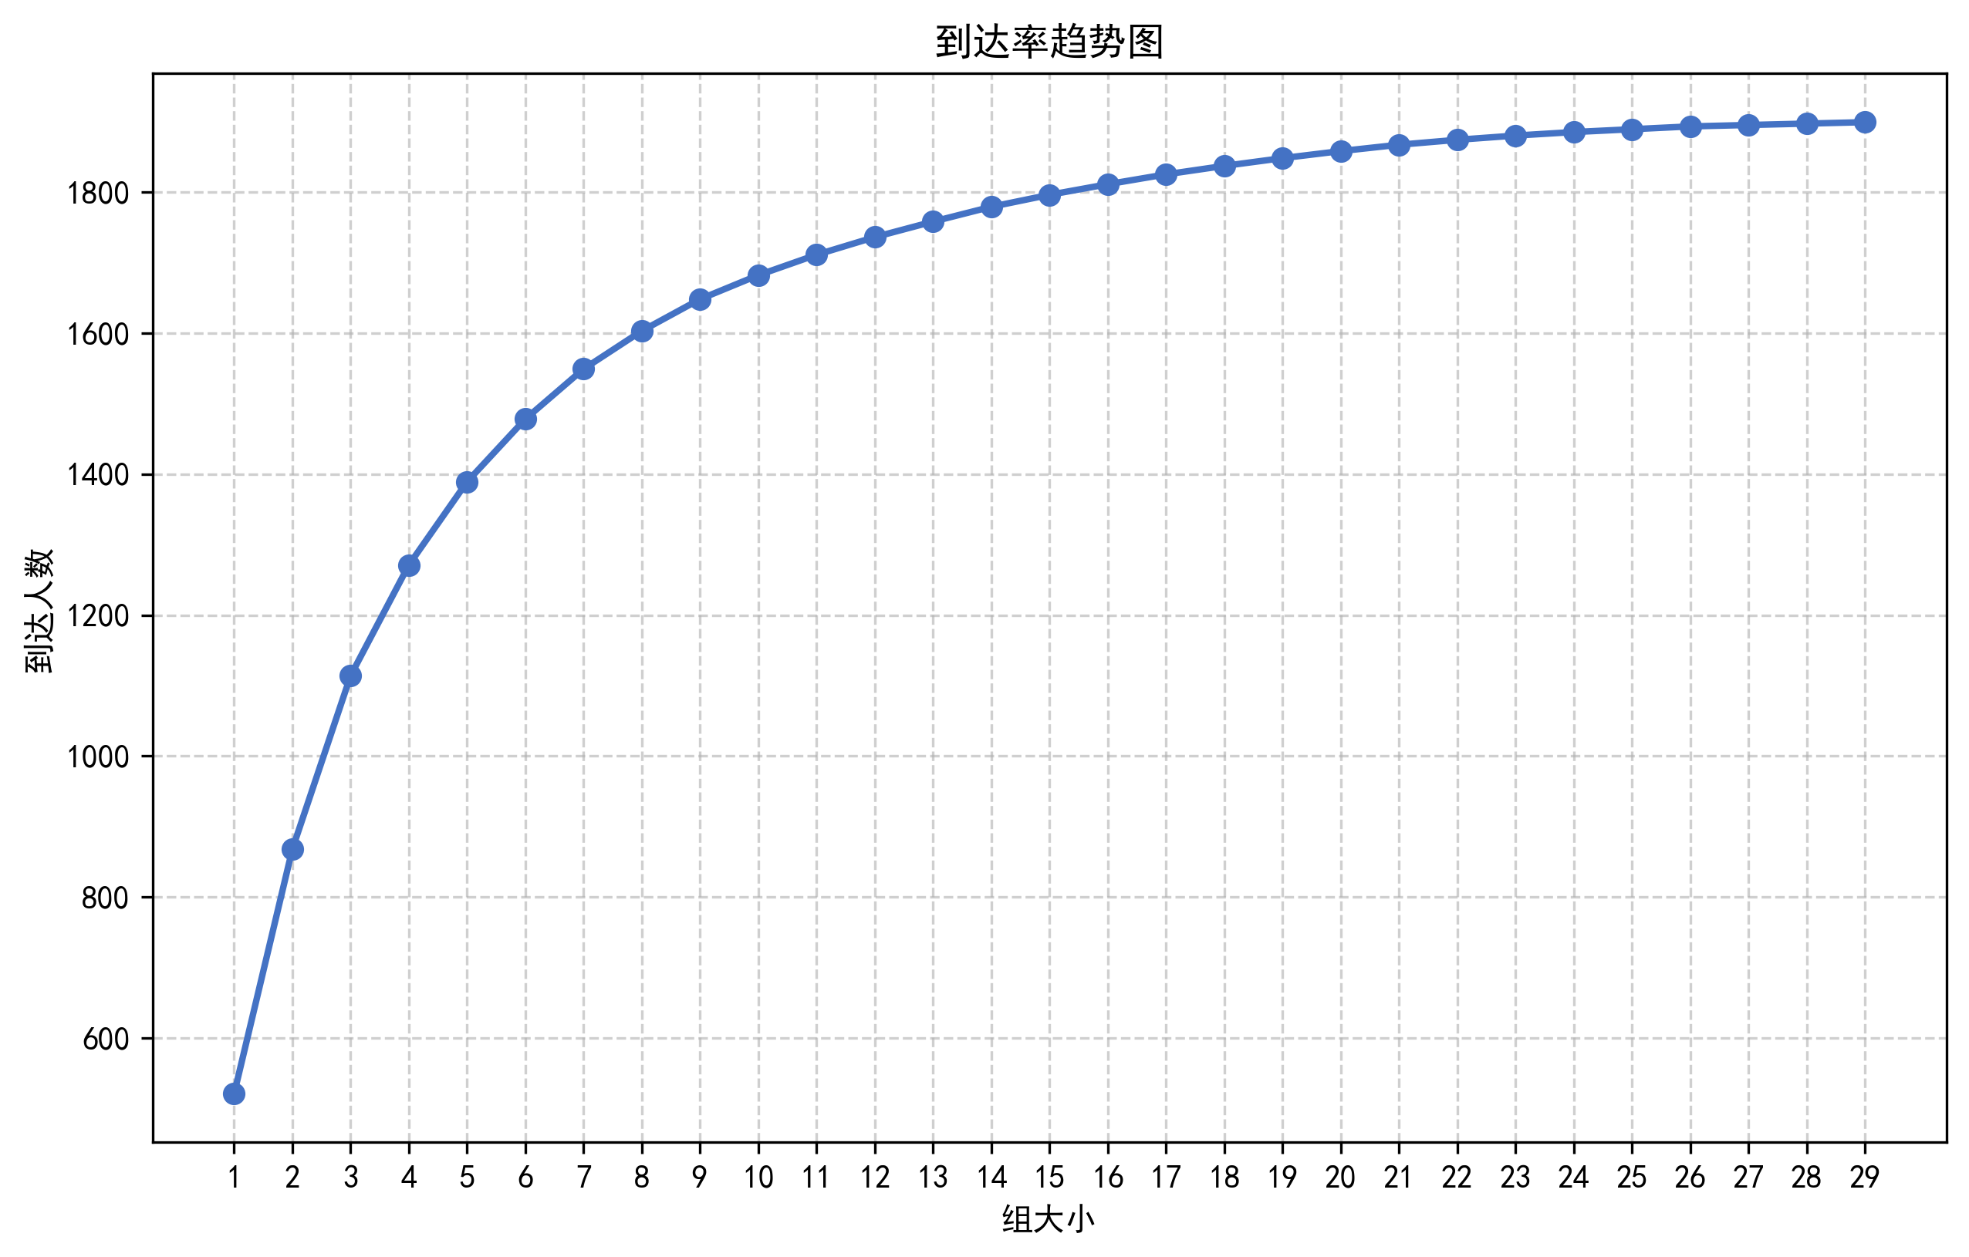
变量 | 统计 | 组大小 | 到达率 | 个案百分比 | 频率 | 响应百分比
ADDED: JK23A | 521 17% | 1 | 521 | 17% | 521 | 8%
ADDED: JK13A KEPT: JK23A | 868 29% | 2 | 868 | 28% | 1001 | 16%
ADDED: JK14A KEPT: JK23A, JK13A | 1114 37% | 3 | 1114 | 37% | 1494 | 23%
ADDED: JK15A KEPT: JK23A, JK13A, JK14A | 1271 42% | 4 | 1271 | 42% | 1988 | 31%
ADDED: JK5A KEPT: JK23A, JK13A, JK14A, JK15A | 1389 46% | 5 | 1389 | 46% | 2355 | 37%
ADDED: JK26A KEPT: JK23A, JK13A, JK14A, JK15A, JK5A | 1478 49% | 6 | 1478 | 49% | 2732 | 43%
ADDED: JK7A KEPT: JK23A, JK13A, JK14A, JK15A, JK5A, JK26A | 1549 52% | 7 | 1549 | 51% | 3039 | 48%
ADDED: JK22A KEPT: JK23A, JK13A, JK14A, JK15A, JK5A, JK26A, JK7A | 1603 53% | 8 | 1603 | 53% | 3425 | 54%
ADDED: JK28A KEPT: JK23A, JK13A, JK14A, JK15A, JK5A, JK26A, JK7A, JK22A | 1648 55% | 9 | 1648 | 54% | 3591 | 57%
ADDED: JK16A KEPT: JK23A, JK13A, JK14A, JK15A, JK5A, JK26A, JK7A, JK22A, JK28A | 1682 56% | 10 | 1682 | 56% | 3773 | 60%
ADDED: JK21A KEPT: JK23A, JK13A, JK14A, JK15A, JK5A, JK26A, JK7A, JK22A, JK28A, JK16A | 1711 57% | 11 | 1711 | 57% | 4095 | 65%
ADDED: JK17A KEPT: JK23A, JK13A, JK14A, JK15A, JK5A, JK26A, JK7A, JK22A, JK28A, JK16A, JK21A | 1736 58% | 12 | 1736 | 57% | 4227 | 67%
ADDED: JK6A KEPT: JK23A, JK13A, JK14A, JK15A, JK5A, JK26A, JK7A, JK22A, JK28A, JK16A, JK21A, JK17A | 1758 59% | 13 | 1758 | 58% | 4523 | 72%
ADDED: JK12A KEPT: JK23A, JK13A, JK14A, JK15A, JK5A, JK26A, JK7A, JK22A, JK28A, JK16A, JK21A, JK17A, JK6A | 1779 59% | 14 | 1779 | 59% | 4666 | 74%
ADDED: JK8A KEPT: JK23A, JK13A, JK14A, JK15A, JK5A, JK26A, JK7A, JK22A, JK28A, JK16A, JK21A, JK17A, JK6A, JK12A | 1796 60% | 15 | 1796 | 59% | 4828 | 77%
ADDED: JK19A KEPT: JK23A, JK13A, JK14A, JK15A, JK5A, JK26A, JK7A, JK22A, JK28A, JK16A, JK21A, JK17A, JK6A, JK12A, JK8A | 1811 60% | 16 | 1811 | 60% | 4947 | 79%
ADDED: JK2A KEPT: JK23A, JK13A, JK14A, JK15A, JK5A, JK26A, JK7A, JK22A, JK28A, JK16A, JK21A, JK17A, JK6A, JK12A, JK8A, JK19A | 1825 61% | 17 | 1825 | 60% | 5072 | 81%
ADDED: JK18A KEPT: JK23A, JK13A, JK14A, JK15A, JK5A, JK26A, JK7A, JK22A, JK28A, JK16A, JK21A, JK17A, JK6A, JK12A, JK8A, JK19A, JK2A | 1837 61% | 18 | 1837 | 61% | 5144 | 82%
ADDED: JK1A KEPT: JK23A, JK13A, JK14A, JK15A, JK5A, JK26A, JK7A, JK22A, JK28A, JK16A, JK21A, JK17A, JK6A, JK12A, JK8A, JK19A, JK2A, JK18A | 1848 62% | 19 | 1848 | 61% | 5274 | 84%
ADDED: JK24A KEPT: JK23A, JK13A, JK14A, JK15A, JK5A, JK26A, JK7A, JK22A, JK28A, JK16A, JK21A, JK17A, JK6A, JK12A, JK8A, JK19A, JK2A, JK18A, JK1A | 1858 62% | 20 | 1858 | 61% | 5370 | 85%
ADDED: JK3A KEPT: JK23A, JK13A, JK14A, JK15A, JK5A, JK26A, JK7A, JK22A, JK28A, JK16A, JK21A, JK17A, JK6A, JK12A, JK8A, JK19A, JK2A, JK18A, JK1A, JK24A | 1867 62% | 21 | 1867 | 62% | 5476 | 87%
ADDED: JK25A KEPT: JK23A, JK13A, JK14A, JK15A, JK5A, JK26A, JK7A, JK22A, JK28A, JK16A, JK21A, JK17A, JK6A, JK12A, JK8A, JK19A, JK2A, JK18A, JK1A, JK24A, JK3A | 1874 62% | 22 | 1874 | 62% | 5657 | 90%
ADDED: JK29A KEPT: JK23A, JK13A, JK14A, JK15A, JK5A, JK26A, JK7A, JK22A, JK28A, JK16A, JK21A, JK17A, JK6A, JK12A, JK8A, JK19A, JK2A, JK18A, JK1A, JK24A, JK3A, JK25A | 1880 63% | 23 | 1880 | 62% | 5697 | 91%
ADDED: JK27A KEPT: JK23A, JK13A, JK14A, JK15A, JK5A, JK26A, JK7A, JK22A, JK28A, JK16A, JK21A, JK17A, JK6A, JK12A, JK8A, JK19A, JK2A, JK18A, JK1A, JK24A, JK3A, JK25A, JK29A | 1885 63% | 24 | 1885 | 62% | 5782 | 92%
ADDED: JK9A KEPT: JK23A, JK13A, JK14A, JK15A, JK5A, JK26A, JK7A, JK22A, JK28A, JK16A, JK21A, JK17A, JK6A, JK12A, JK8A, JK19A, JK2A, JK18A, JK1A, JK24A, JK3A, JK25A, JK29A, JK27A | 1889 63% | 25 | 1889 | 62% | 5918 | 94%
ADDED: JK20A KEPT: JK23A, JK13A, JK14A, JK15A, JK5A, JK26A, JK7A, JK22A, JK28A, JK16A, JK21A, JK17A, JK6A, JK12A, JK8A, JK19A, JK2A, JK18A, JK1A, JK24A, JK3A, JK25A, JK29A, JK27A, JK9A | 1893 63% | 26 | 1893 | 63% | 5984 | 95%
ADDED: JK4A KEPT: JK23A, JK13A, JK14A, JK15A, JK5A, JK26A, JK7A, JK22A, JK28A, JK16A, JK21A, JK17A, JK6A, JK12A, JK8A, JK19A, JK2A, JK18A, JK1A, JK24A, JK3A, JK25A, JK29A, JK27A, JK9A, JK20A | 1895 63% | 27 | 1895 | 63% | 6088 | 97%
ADDED: JK10A KEPT: JK23A, JK13A, JK14A, JK15A, JK5A, JK26A, JK7A, JK22A, JK28A, JK16A, JK21A, JK17A, JK6A, JK12A, JK8A, JK19A, JK2A, JK18A, JK1A, JK24A, JK3A, JK25A, JK29A, JK27A, JK9A, JK20A, JK4A | 1897 63% | 28 | 1897 | 63% | 6165 | 98%
ADDED: JK11A KEPT: JK23A, JK13A, JK14A, JK15A, JK5A, JK26A, JK7A, JK22A, JK28A, JK16A, JK21A, JK17A, JK6A, JK12A, JK8A, JK19A, JK2A, JK18A, JK1A, JK24A, JK3A, JK25A, JK29A, JK27A, JK9A, JK20A, JK4A, JK10A | 1899 63% | 29 | 1899 | 63% | 6256 | 100%

