result
Check formula cell protection v1.85

1.85 | Yoji Imashuku | 2020-07-15 | Added detection of unprotected formulas in "Allow Users to Edit Ranges".

 |  |  |  | Allow Edit
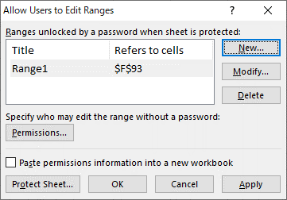

 |  |  |  |  | Unprotected formula in "Allow Users to Edit Ranges"
 |  |  |  |  | Hyperlink | Sheet name | Address | Title

