manual
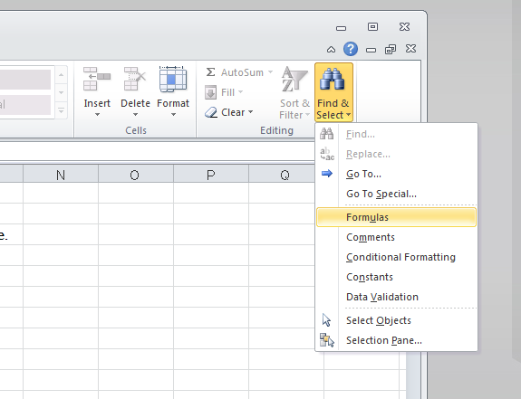
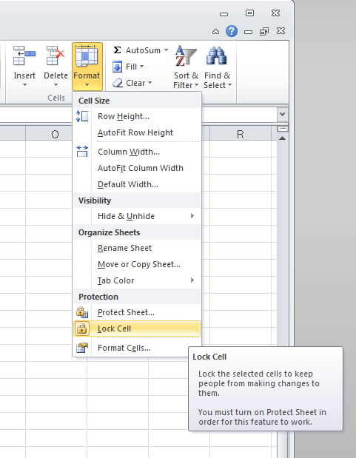
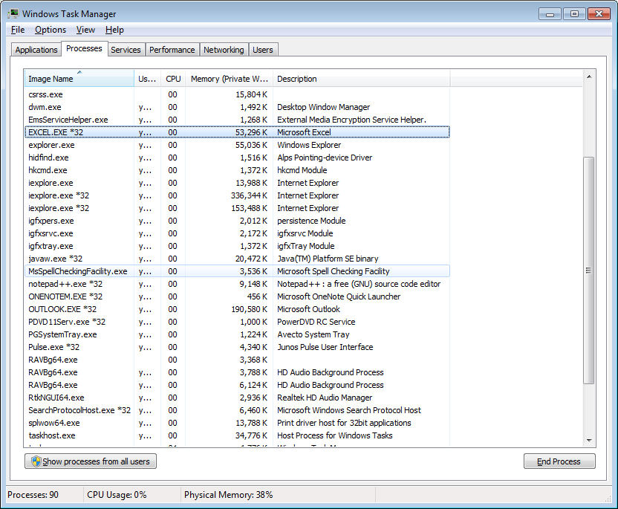
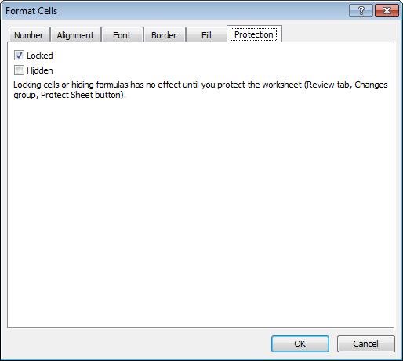
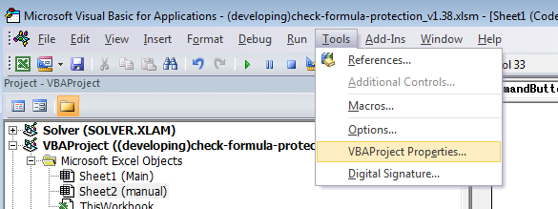
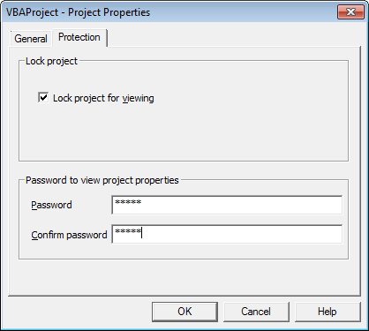
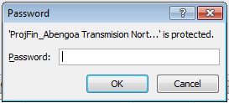
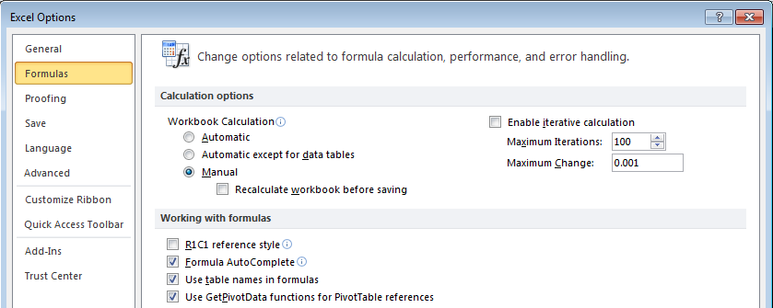
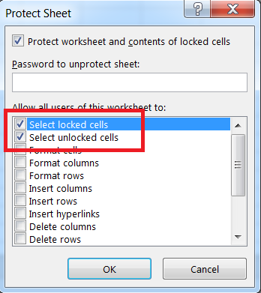
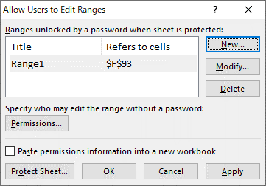
Purpose:
 | To detect unprotected formula cells automatically.
 | To detect external links
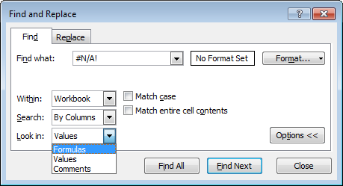
 | To detect circular references
 | To detect problems in "Name Definition"
 | To detect formula errors (#REF!, #DIV/0!, etc.)

Notes:
 | To protect a cell, the sheet has to be password protected and also the property of the cell should be set 'locked'
 | Some data cells (ex. fixed parameters) should be protected, which a validator should check manually.
 | Some formula cells are not necessarily need to be protected.
 | If workbook is protected, unprotected formula cells in hidden sheets are considered safe.

How to Use:
1 | Open this file with macro enabled.
2 | Set full path name of the target file to $B5 cell. (You can select file by button click)
3 | # of Maximum rows and columns can be set to limit the region of the sheet to check. If '-1' is specified all the rows/columns are being checked.
4 | Click "Check Cells!" button to start the test.

 | Cells which have access control problem are listed.
 | Circular references are not always a problem. There is a "Iterative Calculation" setting.

Warning:
 | Some Excel file open a dialog box like "Update link Yes/No", "Do you save the file Yes/No", etc. which interrupts the process of running the test.
 | If there seems a problem running the test, make sure there is no dialog popped up in the background. Use Alt+Tab to check popups.
 | It is recommended to close all Excel files before running the test. Also you can check task manager to see no 'EXCEL.EXE' process is running.

Recommendation:
 | Use "Find & Select" -> 'Formulas' to select all the formula cells in the sheet. Then change the property of the selected cells at once.

