stage2
...
 | 0 | none |  |  |  | 10 | goldTop1 |  |  |  |  | 20 | silverTop1 | 30 | goldTopBottom1 | 40 | silverTopBottom1
 | 1 | ground |  |  |  | 11 | goldTop2 |  |  |  |  | 21 | silverTop2 | 31 | goldTopBottom2 | 41 | silverTopBottom2
 | 2 | wallLeft1 |  |  |  | 12 | goldTopLeft |  |  |  |  | 22 | silverTopLeft | 32 | goldTopBottomLeft | 42 | silverTopBottomLeft
 | 3 | wallLeft2 |  |  |  | 13 | goldTopRight |  |  |  |  | 23 | silverTopRight | 33 | goldTopBottomRight | 43 | silverTopBottomRight
 | 4 | wallRight1 |  |  |  | 14 | goldEdgeLeft |  |  |  |  | 24 | silverEdgeLeft | 34 | goldTopLeftRight | 44 | silverTopLeftRight
 | 5 | wallRight2 |  |  |  | 15 | goldEdgeRight |  |  |  |  | 25 | silverEdgeRight | 35 |  | 45 | silverBottom
 |  |  |  |  |  |  |  |  |  |  |  | 26 | silverEdgeLeftRight | 36 |  | 46 | silverBottomLeftRight
 |  |  |  |  |  |  |  |  |  |  |  | 27 | silverEdge4 | 37 |  | 47 | silverBottomEdgeLeft
 |  |  |  |  |  |  |  |  |  |  |  |  |  | 38 |  | 48 | silverBottomEdgeRight
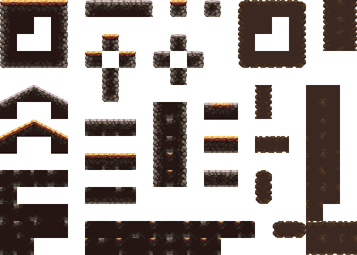
 |  |  |  |  |  |  |  |  |  |  |  |  |  | 39 | goldTopBottomLeftRight
12 | 10 | 11 | 13 | 4 | 22 | 20 | 21 | 23 |  | 39 | 11
2 | 1 |  | 4 | 25
3 |  |  | 5 | 46 |  | 34 |  |  |  | 44
 | 45 |  |  | 67 | 32 |  | 33 | 71 | 42 |  | 43
 |  |  |  | 88
 |  |  |  | 109 |  | 46
 |  |  |  | 130
 |  |  |  | 151
 |  |  |  | 172 |  |  |  |  |  |  | 179 | 30 | 31
 |  |  |  | 193
 |  |  |  | 214 |  |  |  |  |  |  | 221 | 40 | 41
27 |  |  |  | 235 | 48 | 47
 |  |  |  | 256
26 |  | 25 | 24 | 277 | 15 | 14

