Budget
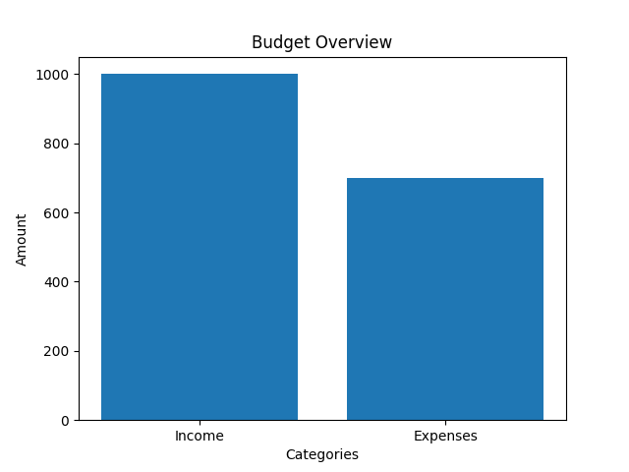
Categories | Values
Income | 1000
Expenses | 700

