Connection
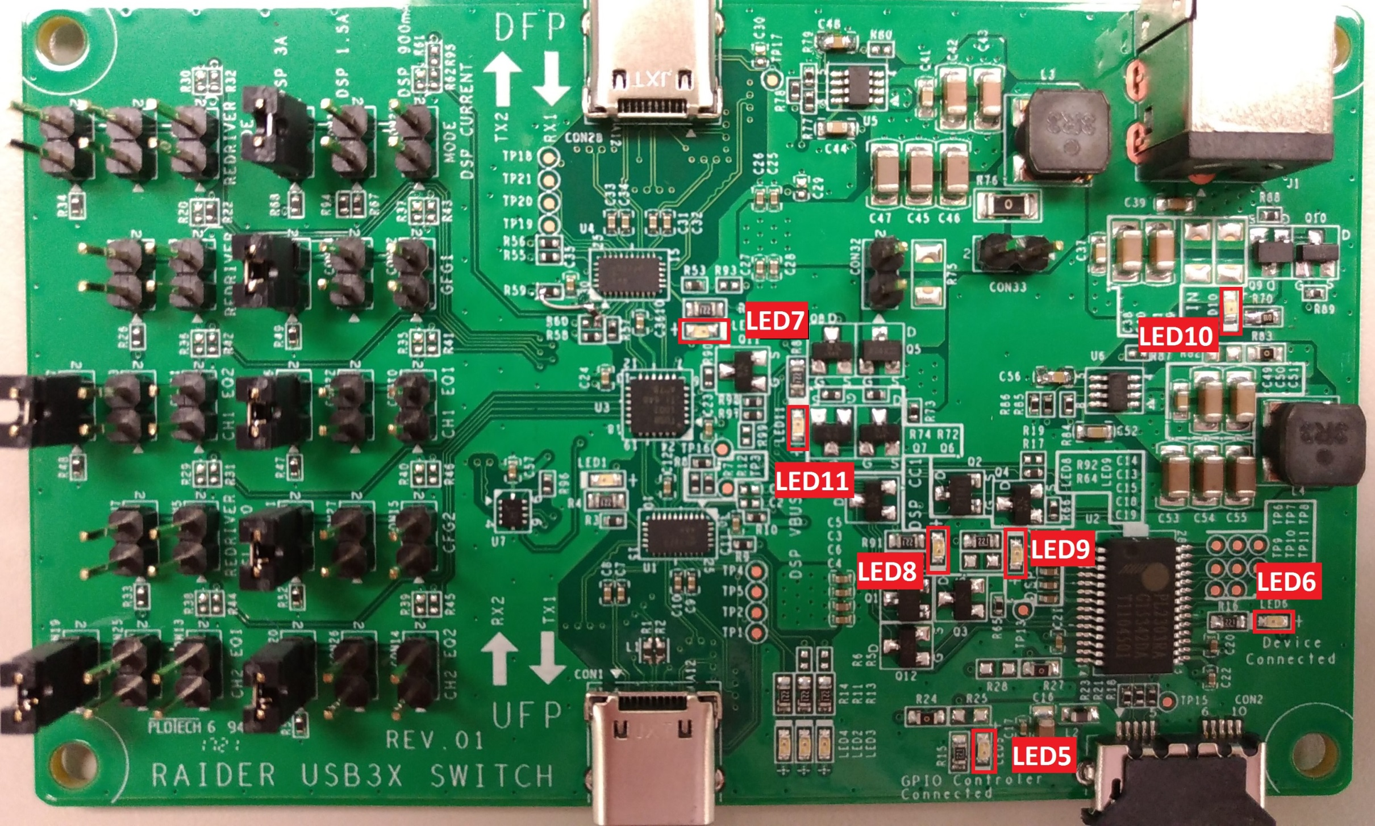

From PC Host
For USB Data Traffic
To DUT

From PC Host
Channel Switch

Raider DC Power Adapter
36W or 48W

LED Map

USB MicroB connects to Host On: Connected Off: Disconnected | DUT Connected On: Connected Off: Disconnected | DSP Orientation On: Ch1 Off: Ch2 | CC1 connected On: Connected Off: Disconnected | CC2 connected On: Connected Off: Disconnected | DC On/Off On: DC On Off: DC Off | DSP VBUS On: On Off: Off
LED5 | LED6 | LED7 | LED8 | LED9 | LED10 | LED11

Connection (2)
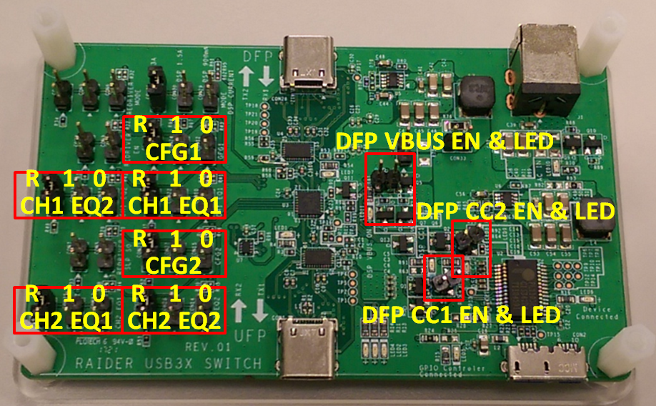

Raider I
ASM1074 Downstream Port 2
Raider II
ASM1074
Upstream Port sends

Raider I
ASM1074 Downstream Port 1
Raider DC Power Adapter
36W or 48W

