chart
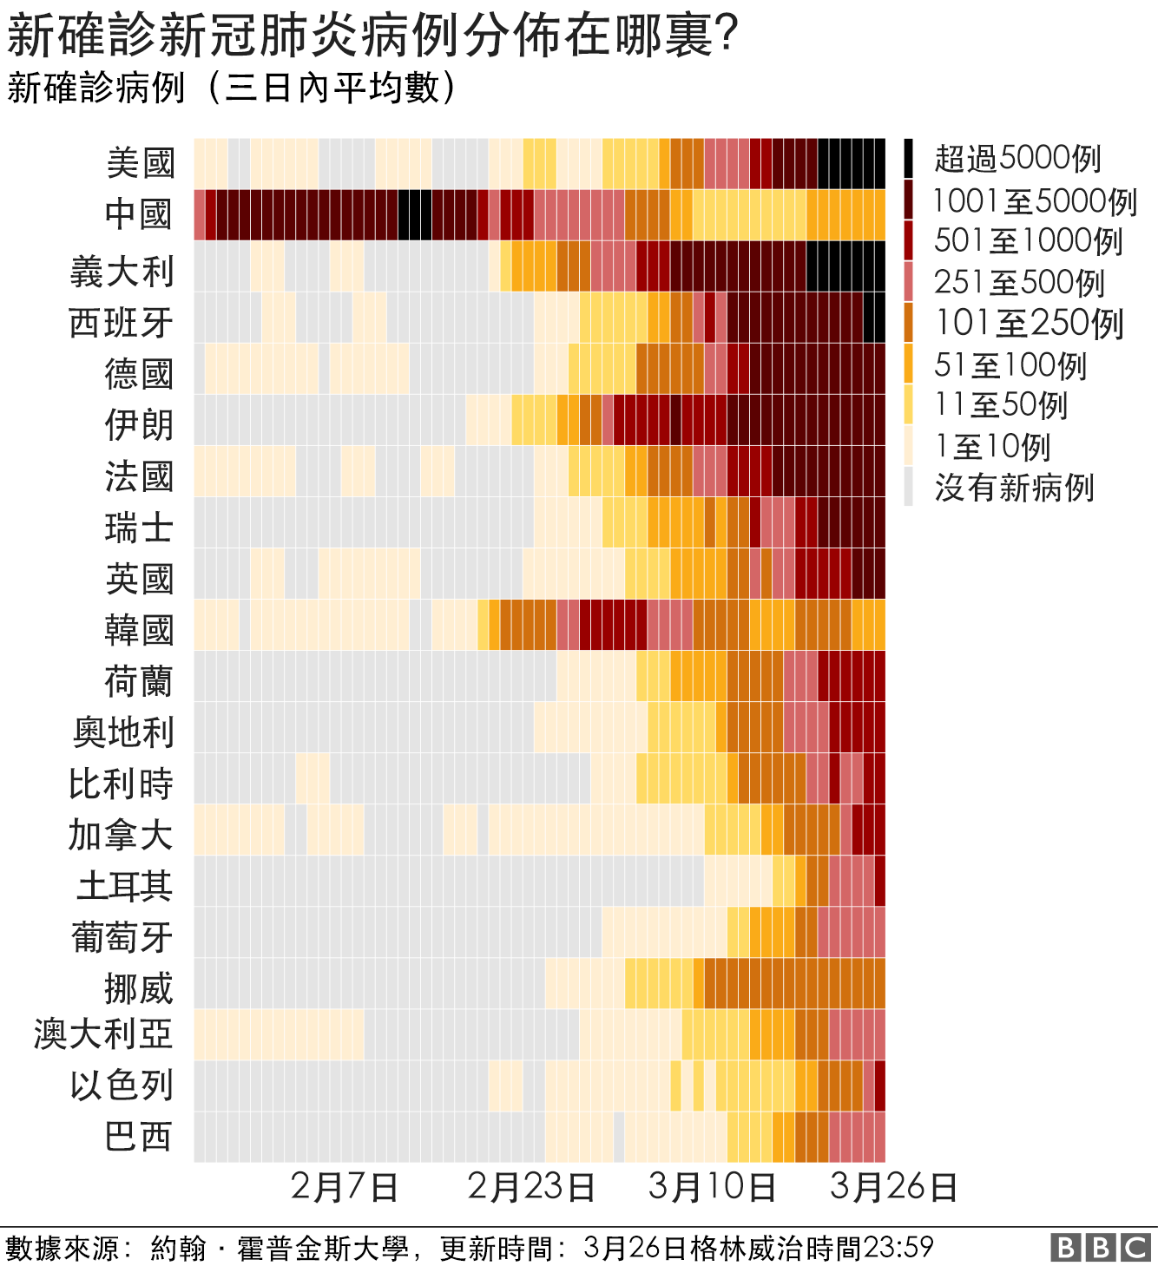
美國 | 0 | 0 | 0 | 0 | 0 | 0 | 0 | 0 | 0 | 0 | 0 | 0 | 0 | 0 | 0 | 0 | 0 | 0 | 0 | 0.1428571429 | 0.1428571429 | 0.1428571429 | 0.1428571429 | 0.2857142857 | 0.2857142857 | 0.7142857143 | 0.5714285714 | 0.5714285714 | 0.5714285714 | 0.7142857143 | 0.7142857143 | 0.8571428571 | 0.8571428571 | 0.8571428571 | 0.8571428571 | 1 | 0.8571428571 | 0.7142857143 | 0.5714285714 | 0.1428571429 | 0.2857142857 | 0.2857142857 | 0.2857142857 | 0.4285714286 | 0.4285714286 | 0.4285714286 | 0.4285714286 | 0.2857142857 | 0.2857142857 | 0.1428571429 | 0.1428571429 | 2.8571428571 | 2.8571428571 | 2.8571428571 | 5.4285714286 | 5.4285714286 | 6.2857142857 | 6.2857142857 | 4.4285714286 | 4.8571428571 | 7.7142857143 | 7.1428571429 | 10.285714286 | 14.285714286 | 24.714285714 | 38.857142857 | 52 | 66.428571429 | 93 | 128.57142857 | 164.71428571 | 204.28571429 | 262.28571429 | 359.71428571 | 460 | 558.14285714 | 771.71428571 | 1157.5714286 | 1798.1428571 | 2492.8571429 | 3399.4285714 | 4490.2857143 | 5968.7142857 | 6972 | 8539.8571429 | 10248.714286 | 12151.714286 | 13988.285714 | 15402.714286 | 16882.571429 | 19198.142857 | 21075.285714 | 22792.714286 | 24754.142857 | 26796 | 27801.428571 | 29082.285714 | 29884.428571 | 30773 | 31499 | 31942.142857 | 31102 | 100000 | 超過5000例 | 新確診新冠肺炎病例在哪裡
義大利 | 0 | 0 | 0 | 0 | 0 | 0 | 0 | 0 | 0 | 0 | 0 | 0 | 0 | 0 | 0 | 0 | 0 | 0 | 0 | 0 | 0 | 0 | 0 | 0 | 0 | 0 | 0 | 0 | 0 | 0.4285714286 | 0.4285714286 | 0.4285714286 | 0.4285714286 | 0.4285714286 | 0.4285714286 | 0.4285714286 | 0 | 0 | 0 | 0 | 0 | 0 | 0 | 0 | 0 | 0 | 0 | 0 | 0 | 0 | 0 | 2 | 10.857142857 | 18.428571429 | 32.285714286 | 45.571428571 | 56.714285714 | 92.428571429 | 124.42857143 | 149.85714286 | 222.42857143 | 258.14285714 | 311.42857143 | 384.14285714 | 458.28571429 | 535.42857143 | 679.28571429 | 812.28571429 | 1019.4285714 | 1092.4285714 | 1339 | 1607.8571429 | 1860.5714286 | 2182 | 2372.1428571 | 2686.8571429 | 3051 | 3321.5714286 | 3703.1428571 | 4194.4285714 | 4631.5714286 | 5022.5714286 | 5135.2857143 | 5381.4285714 | 5524.7142857 | 5643.4285714 | 5639.5714286 | 5556.2857143 | 5507.2857143 | 5401.7142857 | 5230.8571429 | 5169.7142857 | 4957.5714286 | 4761.2857143 | 4594.2857143 | 4465.5714286 | 4401.1428571 | 4256.2857143 | 4121.1428571 | 4054.8571429 | 3964.2857143 | 3948.4285714 | 5000 | 1001-5000例
西班牙 | 0 | 0 | 0 | 0 | 0 | 0 | 0 | 0 | 0 | 0 | 0 | 0 | 0 | 0 | 0 | 0 | 0 | 0 | 0 | 0 | 0 | 0 | 0 | 0 | 0 | 0 | 0 | 0 | 0 | 0 | 0.1428571429 | 0.1428571429 | 0.1428571429 | 0.1428571429 | 0.1428571429 | 0.1428571429 | 0.1428571429 | 0 | 0 | 0.1428571429 | 0.1428571429 | 0.1428571429 | 0.1428571429 | 0.1428571429 | 0.1428571429 | 0.1428571429 | 0 | 0 | 0 | 0 | 0 | 0 | 0 | 0 | 0.1428571429 | 0.7142857143 | 1.4285714286 | 3.2857142857 | 4.5714285714 | 9.1428571429 | 11.571428571 | 15.857142857 | 20.571428571 | 26.857142857 | 33.714285714 | 48.571428571 | 52 | 72.285714286 | 155.71428571 | 212.57142857 | 277.14285714 | 391.85714286 | 551 | 760.42857143 | 1023.4285714 | 1141 | 1362.7142857 | 1653.7142857 | 2020.4285714 | 2249.8571429 | 2739 | 2974.1428571 | 3414 | 4070.7142857 | 4842 | 5577.2857143 | 6297 | 6760.2857143 | 7175 | 7443.7142857 | 7820.5714286 | 7789.4285714 | 7721.4285714 | 7664.4285714 | 7498.2857143 | 7423.1428571 | 7119.5714286 | 6584.7142857 | 6364.8571429 | 6029.7142857 | 5616 | 5302.2857143 | 1000 | 501-1000例
中國 | 9 | 11 | 8.8 | 9.8333333333 | 8.4285714286 | 4.5714285714 | 4.5714285714 | 4.5714285714 | 2.1428571429 | 2.1428571429 | 0 | 0 | 0 | 0 | 0 | 0.5714285714 | 3 | 22.428571429 | 25.142857143 | 46.714285714 | 66.714285714 | 80.571428571 | 117 | 177.57142857 | 253.14285714 | 362.85714286 | 591.71428571 | 781.14285714 | 1015.8571429 | 1261.7142857 | 1498 | 1773 | 2062.2857143 | 2274.2857143 | 2618 | 2901.8571429 | 3070.4285714 | 3259.4285714 | 3261.8571429 | 3285 | 3178.2857143 | 2914.8571429 | 4545.4285714 | 4687.7142857 | 4562 | 4476.2857143 | 4344.5714286 | 4258.8571429 | 4219.1428571 | 2112.4285714 | 1646 | 1401.4285714 | 1207.1428571 | 945.14285714 | 748.71428571 | 557.28571429 | 563.71428571 | 483.42857143 | 426.57142857 | 416.14285714 | 414.28571429 | 358.85714286 | 317.28571429 | 271.28571429 | 248.57142857 | 201.85714286 | 126.42857143 | 103.57142857 | 88.285714286 | 75.428571429 | 62.142857143 | 41 | 29.285714286 | 25.857142857 | 23 | 26.285714286 | 25.428571429 | 28.285714286 | 39.285714286 | 44 | 50.142857143 | 66.285714286 | 70 | 77.857142857 | 86.142857143 | 85.428571429 | 95 | 101.85714286 | 96.142857143 | 98.285714286 | 94.857142857 | 94.571428571 | 91.142857143 | 83 | 73.714285714 | 69.285714286 | 65.285714286 | 69.857142857 | 67.857142857 | 65.714285714 | 68.142857143 | 74.571428571 | 500 | 251-5000例
德國 | 0 | 0 | 0 | 0 | 0 | 0 | 0 | 0 | 0 | 0 | 0 | 0 | 0 | 0 | 0 | 0 | 0 | 0 | 0 | 0 | 0 | 0 | 0 | 0 | 0 | 0 | 0.1428571429 | 0.5714285714 | 0.5714285714 | 0.7142857143 | 1 | 1.1428571429 | 1.2857142857 | 1.4285714286 | 1 | 1 | 1 | 0.8571428571 | 0.7142857143 | 0.5714285714 | 0.2857142857 | 0.5714285714 | 0.5714285714 | 0.4285714286 | 0.2857142857 | 0.2857142857 | 0.2857142857 | 0.2857142857 | 0 | 0 | 0 | 0 | 0 | 0 | 0 | 0.2857142857 | 0.8571428571 | 4.5714285714 | 6 | 13.714285714 | 16.285714286 | 20.285714286 | 25.571428571 | 34.428571429 | 50.428571429 | 89.571428571 | 105.14285714 | 110.42857143 | 140.28571429 | 157.14285714 | 186.42857143 | 281.28571429 | 339.71428571 | 421.14285714 | 562.28571429 | 696.14285714 | 837.14285714 | 947.28571429 | 1681.2857143 | 2160.7142857 | 2524 | 2848 | 3314.2857143 | 3485.4285714 | 4044.2857143 | 4021.4285714 | 4342.1428571 | 4440.5714286 | 4646.2857143 | 4671.5714286 | 5116 | 5287.7142857 | 5344 | 5313.7142857 | 5595.2857143 | 5441.8571429 | 5330.2857143 | 5123.1428571 | 4954.2857143 | 4832.7142857 | 4554.2857143 | 4109.2857143 | 250 | 101-250例
法國 | 0 | 0 | 0 | 0 | 0 | 0 | 0 | 0 | 0 | 0 | 0 | 0 | 0 | 0 | 0 | 0 | 0 | 0 | 0 | 0 | 0 | 0 | 0 | 0.4285714286 | 0.4285714286 | 0.4285714286 | 0.4285714286 | 0.5714285714 | 0.7142857143 | 0.8571428571 | 0.4285714286 | 0.4285714286 | 0.4285714286 | 0.4285714286 | 0.2857142857 | 0.1428571429 | 0 | 0.7142857143 | 0.7142857143 | 0.7142857143 | 0.7142857143 | 0.7142857143 | 0.7142857143 | 0.7142857143 | 0 | 0 | 0.1428571429 | 0.1428571429 | 0.1428571429 | 0.1428571429 | 0.1428571429 | 0.1428571429 | 0.1428571429 | 0 | 0 | 0.2857142857 | 0.7142857143 | 3.7142857143 | 6.4285714286 | 12.571428571 | 16.857142857 | 23.714285714 | 28.285714286 | 38.285714286 | 55 | 79.428571429 | 88 | 142.28571429 | 176.28571429 | 224.57142857 | 285.14285714 | 350.42857143 | 435.42857143 | 540.42857143 | 613.85714286 | 745.85714286 | 849.42857143 | 979 | 1159.8571429 | 1278.7142857 | 1422.8571429 | 1513.5714286 | 1889 | 2081.7142857 | 2299.8571429 | 2594.2857143 | 2907.4285714 | 3302.2857143 | 3450.8571429 | 3527.7142857 | 4260.8571429 | 4536.5714286 | 4278.5714286 | 4482 | 4432.8571429 | 4329.1428571 | 4262.8571429 | 3719.8571429 | 3579.8571429 | 3889.8571429 | 3762.5714286 | 3597.8571429 | 100 | 51-100例
 |  |  |  |  |  |  |  |  |  |  |  |  |  |  |  |  |  |  |  |  |  |  |  |  |  |  |  |  |  |  |  |  |  |  |  |  |  |  |  |  |  |  |  |  |  |  |  |  |  |  |  |  |  |  |  |  |  |  |  |  |  |  |  |  |  |  |  |  |  |  |  |  |  |  |  |  |  |  |  |  |  |  |  |  |  |  |  |  |  |  |  |  |  |  |  |  |  |  |  |  |  |  | 50 | 11-50例
 |  |  |  |  |  |  |  |  |  |  |  |  |  |  |  |  |  |  |  |  |  |  |  |  |  |  |  |  |  |  |  |  |  |  |  |  |  |  |  |  |  |  |  |  |  |  |  |  |  |  |  |  |  |  |  |  |  |  |  |  |  |  |  |  |  |  |  |  |  |  |  |  |  |  |  |  |  |  |  |  |  |  |  |  |  |  |  |  |  |  |  |  |  |  |  |  |  |  |  |  |  |  | 10 | 1-10例

 |  |  |  |  |  |  |  |  |  |  |  | 1月 |  |  |  |  |  |  |  |  |  |  |  |  |  |  |  |  |  |  |  |  |  |  |  |  |  |  | 2月 |  |  |  |  |  |  |  |  |  |  |  |  |  |  |  |  |  |  |  |  |  |  |  |  |  |  |  |  |  |  | 3月 |  |  |  |  |  |  |  |  |  |  |  |  |  |  |  |  |  |  |  |  |  |  | 4月
 | 2020-01-02 | 2020-01-03 | 2020-01-04 | 2020-01-05 | 2020-01-06 | 2020-01-07 | 2020-01-08 | 2020-01-09 | 2020-01-10 | 2020-01-11 | 2020-01-12 | 2020-01-13 | 2020-01-14 | 2020-01-15 | 2020-01-16 | 2020-01-17 | 2020-01-18 | 2020-01-19 | 2020-01-20 | 2020-01-21 | 2020-01-22 | 2020-01-23 | 2020-01-24 | 2020-01-25 | 2020-01-26 | 2020-01-27 | 2020-01-28 | 2020-01-29 | 2020-01-30 | 2020-01-31 | 2020-02-01 | 2020-02-02 | 2020-02-03 | 2020-02-04 | 2020-02-05 | 2020-02-06 | 2020-02-07 | 2020-02-08 | 2020-02-09 | 2020-02-10 | 2020-02-11 | 2020-02-12 | 2020-02-13 | 2020-02-14 | 2020-02-15 | 2020-02-16 | 2020-02-17 | 2020-02-18 | 2020-02-19 | 2020-02-20 | 2020-02-21 | 2020-02-22 | 2020-02-23 | 2020-02-24 | 2020-02-25 | 2020-02-26 | 2020-02-27 | 2020-02-28 | 2020-02-29 | 2020-03-01 | 2020-03-02 | 2020-03-03 | 2020-03-04 | 2020-03-05 | 2020-03-06 | 2020-03-07 | 2020-03-08 | 2020-03-09 | 2020-03-10 | 2020-03-11 | 2020-03-12 | 2020-03-13 | 2020-03-14 | 2020-03-15 | 2020-03-16 | 2020-03-17 | 2020-03-18 | 2020-03-19 | 2020-03-20 | 2020-03-21 | 2020-03-22 | 2020-03-23 | 2020-03-24 | 2020-03-25 | 2020-03-26 | 2020-03-27 | 2020-03-28 | 2020-03-29 | 2020-03-30 | 2020-03-31 | 2020-04-01 | 2020-04-02 | 2020-04-03 | 2020-04-04 | 2020-04-05 | 2020-04-06 | 2020-04-07 | 2020-04-08 | 2020-04-09 | 2020-04-10 | 2020-04-11 | 2020-04-12

