Overall Evaluation
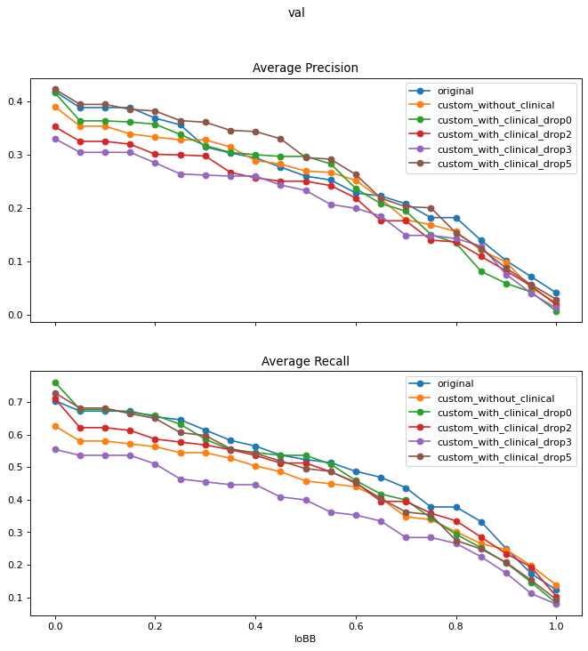
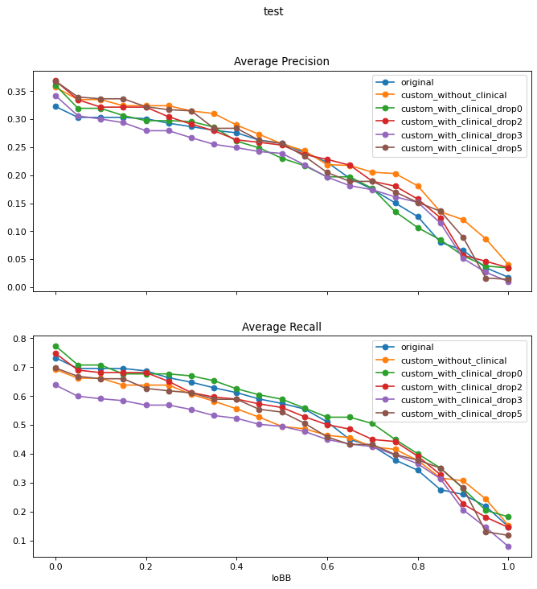
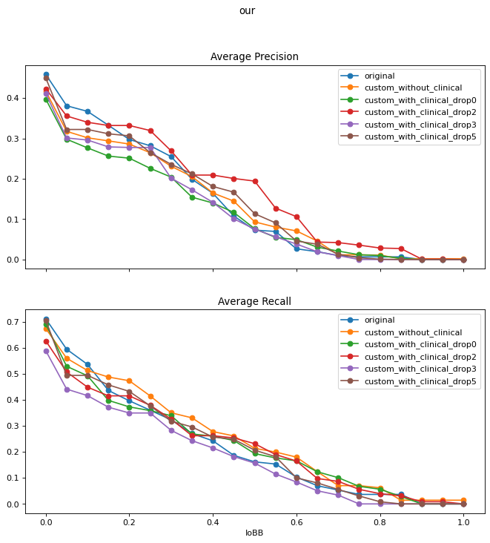
Original Dataset
 | Validation |  | Test |  | Our Radiologists'
 | AP@[IoBB=0.5] | AR@[IoBB=0.5] | AP@[IoBB=0.5] | AR@[IoBB=0.5] | AP@[IoBB=0.5] | AR@[IoBB=0.5]
Custom Model without clinical | 0.255444 | 0.498373 | 0.270254 | 0.576627 | 0.092441 | 0.161508
Custom Model with clinical | 0.244872 | 0.527564 | 0.270247 | 0.564048 | 0.124068 | 0.175

DICOMID ID Uniquified Dataset |  |  |  |  |  |  | Disease (Top5) | Occurrences
 | Validation |  | Test |  | Our Radiologists' |  | Enlarged cardiac silhouette | 127
 | AP@[IoBB=0.1] | AR@[IoBB=0.1] | AP@[IoBB=0.1] | AR@[IoBB=0.1] | AP@[IoBB=0.1] | AR@[IoBB=0.1] | Atelectasis | 117
Custom Model without clinical | 0.352986 | 0.580181 | 0.335224 | 0.661891 | 0.301507 | 0.512302 | Pleural abnormality | 117
Custom Model with clinical (Dropout=0) | 0.36295 | 0.677188 | 0.31962 | 0.707425 | 0.276538 | 0.492063 | Consolidation | 101
Custom Model with clinical (Dropout=0.2) | 0.32451 | 0.621457 | 0.321724 | 0.681355 | 0.339928 | 0.448413 | Pulmonary edema | 71
Custom Model with clinical (Dropout=0.3) | 0.303925 | 0.536307 | 0.300514 | 0.591103 | 0.295975 | 0.415873
Custom Model with clinical (Dropout=0.5) | 0.393824 | 0.681592 | 0.336612 | 0.660042 | 0.322155 | 0.493651

 | AP@[IoBB=0.25] | AR@[IoBB=0.25] | AP@[IoBB=0.25] | AR@[IoBB=0.25] | AP@[IoBB=0.25] | AR@[IoBB=0.25]
Custom Model without clinical | 0.327373 | 0.544608 | 0.32423 | 0.638173 | 0.264515 | 0.414683
Custom Model with clinical (Dropout=0) | 0.337479 | 0.632129 | 0.297549 | 0.676811 | 0.225861 | 0.358333
Custom Model with clinical (Dropout=0.2) | 0.299038 | 0.577188 | 0.30445 | 0.650895 | 0.319509 | 0.378571
Custom Model with clinical (Dropout=0.3) | 0.263469 | 0.463467 | 0.279577 | 0.568977 | 0.277582 | 0.349206
Custom Model with clinical (Dropout=0.5) | 0.363423 | 0.606042 | 0.317152 | 0.618375 | 0.264796 | 0.376587

 | AP@[IoBB=0.5] | AR@[IoBB=0.5] | AP@[IoBB=0.5] | AR@[IoBB=0.5] | AP@[IoBB=0.5] | AR@[IoBB=0.5]
Custom Model without clinical | 0.268854 | 0.457482 | 0.25605 | 0.495293 | 0.093255 | 0.213492
Custom Model with clinical (Dropout=0) | 0.296314 | 0.536307 | 0.230359 | 0.5893 | 0.07633 | 0.193254
Custom Model with clinical (Dropout=0.2) | 0.249786 | 0.512648 | 0.253842 | 0.560654 | 0.194292 | 0.231349
Custom Model with clinical (Dropout=0.3) | 0.232584 | 0.399322 | 0.239005 | 0.49566 | 0.075246 | 0.156746
Custom Model with clinical (Dropout=0.5) | 0.294182 | 0.495539 | 0.256567 | 0.544892 | 0.113396 | 0.206349

 | AP@[IoBB=0.75] | AR@[IoBB=0.75] | AP@[IoBB=0.75] | AR@[IoBB=0.75] | AP@[IoBB=0.75] | AR@[IoBB=0.75]
Custom Model without clinical | 0.168244 | 0.338396 | 0.203039 | 0.416207 | 0.011671 | 0.070238
Custom Model with clinical (Dropout=0) | 0.150059 | 0.343591 | 0.134854 | 0.450302 | 0.011844 | 0.06746
Custom Model with clinical (Dropout=0.2) | 0.139377 | 0.358385 | 0.180556 | 0.443176 | 0.035637 | 0.055952
Custom Model with clinical (Dropout=0.3) | 0.148231 | 0.283738 | 0.16135 | 0.396748 | 0 | 0
Custom Model with clinical (Dropout=0.5) | 0.199899 | 0.353473 | 0.170004 | 0.398156 | 0.004278 | 0.030556

 | AP@[IoBB=0.9] | AR@[IoBB=0.9] | AP@[IoBB=0.9] | AR@[IoBB=0.9] | AP@[IoBB=0.9] | AR@[IoBB=0.9]
Custom Model without clinical | 0.098376 | 0.246584 | 0.120631 | 0.307669 | 0.00198 | 0.014286
Custom Model with clinical (Dropout=0) | 0.058396 | 0.205421 | 0.055969 | 0.280894 | 0 | 0
Custom Model with clinical (Dropout=0.2) | 0.081611 | 0.234105 | 0.056799 | 0.227094 | 0.0009 | 0.008333
Custom Model with clinical (Dropout=0.3) | 0.075186 | 0.174534 | 0.051218 | 0.207154 | 0 | 0
Custom Model with clinical (Dropout=0.5) | 0.087015 | 0.207002 | 0.089141 | 0.282514 | 0 | 0

