wave deformation report 2
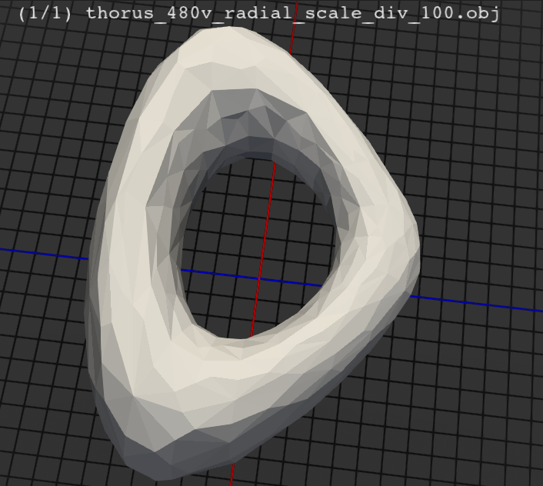
Params | MSE pp_sidor_cube_1_radial_scale | MSE pp_ort_cube_1_radial_scale | MSE pp_cube_1_radial_scale | MSE rbf_cube_1_radial_scale
div_100 | 5.09 | 6.79 | 11.16 | 1
div_120 | 4.27 | 5.68 | 9.17 | 0.83
div_140 | 3.68 | 4.9 | 7.8 | 0.71
div_160 | 3.24 | 4.3 | 6.8 | 0.62
div_180 | 2.89 | 3.84 | 6.03 | 0.55
div_200 | 2.62 | 3.47 | 5.42 | 0.5
div_220 | 2.39 | 3.17 | 4.93 | 0.45
div_240 | 2.2 | 2.91 | 4.52 | 0.41
div_260 | 2.04 | 2.7 | 4.17 | 0.38
div_280 | 1.9 | 2.51 | 3.88 | 0.36
div_300 | 1.78 | 2.35 | 3.62 | 0.33
div_320 | 1.67 | 2.21 | 3.4 | 0.31
div_340 | 1.58 | 2.08 | 3.2 | 0.29
div_360 | 1.49 | 1.97 | 3.03 | 0.28
div_380 | 1.42 | 1.87 | 2.87 | 0.26
div_400 | 1.35 | 1.78 | 2.73 | 0.25
radial_scale

