Buck Converter
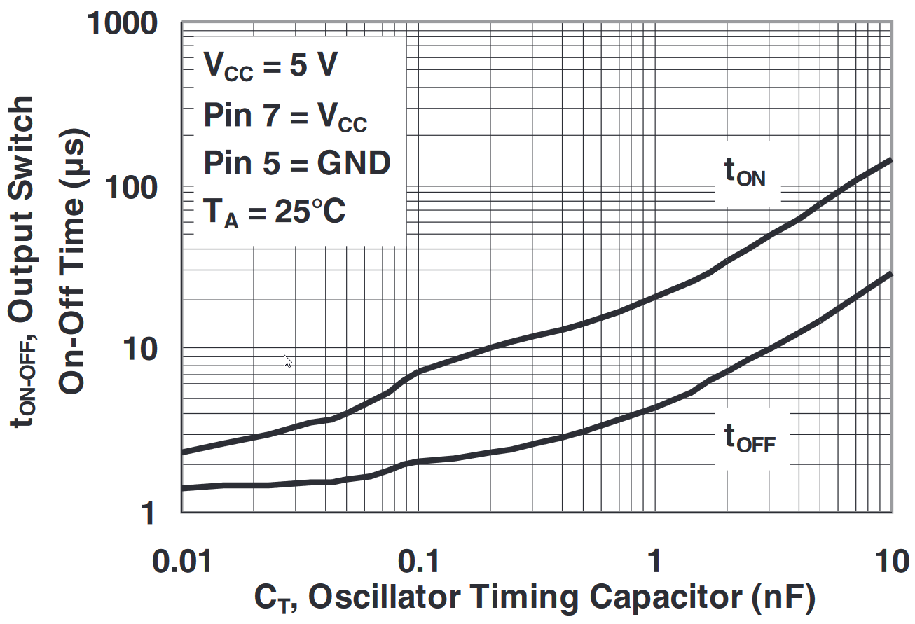

Inputs
Vin(min) | 22 | V
Vin | 24 | V
Vin(max) | 26 | V
Vout | 5 | V
Iout(max) | 1 | A
η | 0.9
ton(470pF) | 15 | µs | 0.000015 | s
toff(470pF) | 3.6 | µs | 0.0000036 | s
L | 220 | µH | 0.00022 | H
Ilim(max) | 1.5 | A
Vf | 0.5 | V
RθJA | 88 | °C/W

Outputs
D | 0.21
fs | 53763 | Hz | 54 | kHz
ΔIL | 0.38 | A
Imaxout | 1.31 | A
Isw(max) | 1.19 | A
L | 0.00019 | H | 194 | µH
If | 0.79 | A
Pd | 0.39 | W
ΔTj | 34.60

