Req_CFG_CC_Paths
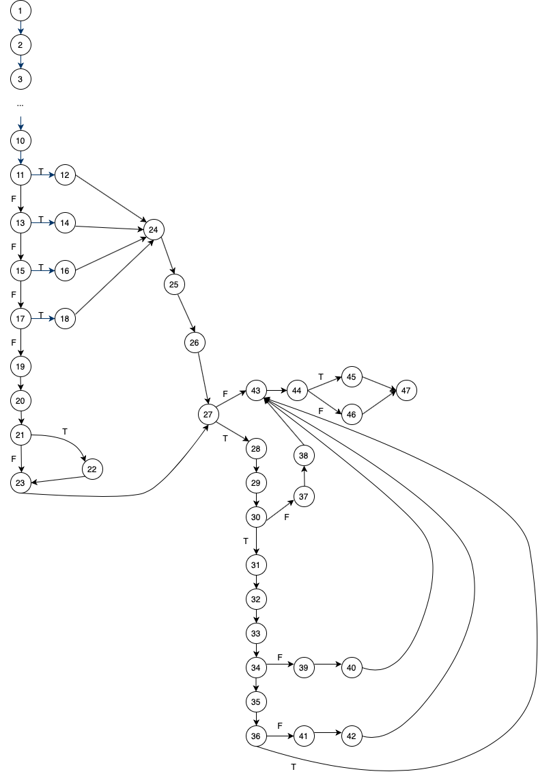
public int saveTema(String id, String descriere, int deadline, int startline) { |  |  |  |  |  |  | Graph representation
Tema tema = new Tema(id, descriere, deadline, startline); | goes to | public Tema(String idTema, String descriere, int deadline, int startline) {
 |  | this.idTema = idTema;
 |  | this.descriere = descriere;
 |  | this.deadline = deadline;
 |  | this.startline = startline; }
Tema result = temaXmlRepo.save(tema); | goes to | public E save(E entity) throws ValidationException {
 |  | E result = super.save(entity); | goes to | public E save(E entity) throws ValidationException {
 |  |  |  | try {
 |  |  |  | validator.validate(entity); | goes to | public void validate(Tema tema) throws ValidationException {
 |  |  |  |  |  | if (tema.getID() == null || tema.getID().equals("")) {
 |  |  |  |  |  | throw new ValidationException("ID invalid! \n"); }
 |  |  |  |  |  | if (tema.getDescriere() == null || tema.getDescriere().equals("")) {
 |  |  |  |  |  | throw new ValidationException("Descriere invalida! \n"); }
 |  |  |  |  |  | if (tema.getDeadline() < 1 || tema.getDeadline() > 14 || tema.getDeadline() < tema.getStartline()) {
 |  |  |  |  |  | throw new ValidationException("Deadline invalid! \n"); }
 |  |  |  |  |  | if (tema.getStartline() < 1 || tema.getStartline() > 14 || tema.getStartline() > tema.getDeadline()) {
 |  |  |  |  |  | throw new ValidationException("Data de primire invalida! \n"); } }
 |  |  |  | return entity.putIfAbsent(entity.getID(), entity); | goes to | default V putIfAbsent(K, key, V value){
 |  |  |  |  |  | V v = get(key);
 |  |  |  |  |  | if(v == null){
 |  |  |  |  |  | v = put(key, value);}
 |  |  |  |  |  | return v;}
 |  |  |  | catch (ValidationException ve) {
 |  |  |  | System.out.println("Entitatea nu este valida! \n");
 |  |  |  | return entity; } } //This line was changed from return null -> return entity (it was causing bugs)
 |  | if (result == null) {
 |  | writeToXmlFile(); | goes to | protected void writeToXmlFile() {
 |  |  |  | try {
 |  |  |  | Document XMLdocument = DocumentBuilderFactory.newInstance().newDocumentBuilder().newDocument();
 |  |  |  | Element root = XMLdocument.createElement("Entitati");
 |  |  |  | XMLdocument.appendChild(root);
 |  |  |  | entities.values().forEach(entity -> root.appendChild(getElementFromEntity(entity, XMLdocument)));
 |  |  |  | Transformer XMLtransformer = TransformerFactory.newInstance().newTransformer();
 |  |  |  | XMLtransformer.setOutputProperty(OutputKeys.INDENT, "yes");
 |  |  |  | XMLtransformer.transform(new DOMSource(XMLdocument), new StreamResult(XMLfilename)); }
 |  |  |  | catch(ParserConfigurationException pce) {
 |  |  |  | pce.printStackTrace(); }
 |  |  |  | catch(TransformerConfigurationException tce) {
 |  |  |  | tce.printStackTrace(); }
 |  |  |  | catch(TransformerException te) { |  |  | Cyclomatic complexity
 |  |  |  | te.printStackTrace(); } } } |  |  | CC_1 | regions | 11
 |  | return result; } |  |  |  |  | CC_2 | E-N+2 | 11
if (result == null) { |  |  |  |  |  |  | CC_3 | Predicate+1 | 11
return 1; }
return 0; }
 |  |  |  |  |  |  | Individual Paths |  |  | Notes
 |  |  |  |  |  |  | 1 | 1-11,12,24,25,26,27,43,44,45,47 |  | Can't write a TC.
 |  |  |  |  |  |  | 2 | 1-11,12,24,25,26,27,43,44,46,47 |  | TC 1
 |  |  |  |  |  |  | 3 | 1-11,13,14,24,25,26,27,43,44,45,47 |  | TC 2
 |  |  |  |  |  |  | 4 | 1-11,13,15,16,24,25,26,27,43,44,46,47 |  | TC 3
 |  |  |  |  |  |  | 5 | 1-11,13,15,17,18,24,25,26,27,44,44,46,47 |  | TC 4
 |  |  |  |  |  |  | 6 | 1-11,13,15,17,19,20,21,22,23,27,43,44,45,47 |  | Can't write a TC.
 |  |  |  |  |  |  | 7 | 1-11,13,15,17,19,20,21,23,27,43,44,45,47 |  | TC 5
 |  |  |  |  |  |  | 8 | 1-11,13,15,17,19,20,21,22,23,27,28,29,30,37,38,43,44,45,47 |  | TC 6
 |  |  |  |  |  |  | 9 | 1-11,13,15,17,19,20,21,22,23,27,28,29,30,31,32,33,34,39,40,43,44,45,47 |  | TC 7
 |  |  |  |  |  |  | 10 | 1-11,13,15,17,19,20,21,22,23,27,28,29,30,31,32,33,34,35,36,41,42,43,44,45,47 |  | TC 8
 |  |  |  |  |  |  | 11 | 1-11,13,15,17,19,20,21,22,23,27,28,29,30,31,32,33,34,35,36,43,44,45,47 |  | TC 9

