Dashboard
ClearPath Data Source Review
Datasets by Priority
Purpose: rank the datasets by priority, summarize source scale and tradeoffs, and map each source to theoretically feasible prediction functions.

Total sources | 20 | Priority | Count | Best-fit role | Main signal | Readiness
P0 sources | 6 | P0 | 6 | Core | Highest-priority core layer | Build first
P1 sources | 5 | P1 | 5 | Supplement | High-value enrichers | Build next
Local files available | 11 | P2 | 6 | Analytical | Context features | Support
 |  | P3 | 3 | Optional | External enrichment | Optional

Recommendation: P0: highest-priority core sources first. P1: supplement layers next. P2: analytical features after the core pipeline is stable. P3: keep as optional enrichment because external API access and completeness are uncertain.

Key takeaways
1. P0 data provide the highest-priority operational layer.
2. P1 data are strong supplements for accessibility and healthcare coverage.
3. P2 data support predictive features and context modeling.
4. P3 data are enrichment sources with external dependency risk.

Data Source detail
Priority | NO. | Type | Name Dataset / Source | Main Use in ClearPath | Approx. Size | Missing fields | Key features | Access Type | Data file name | Local file status | Related dataset | Source URL | Remark
P0 | 1 | Internal | User Reports Database | Real-time accessibility and crowd status | Generated by ClearPath users |  | Elevator broken, Toilet out of order, crowd, protest, queue, status confirmation, auto-expiry | Internal API | No local file - planned internal table/API: user_reports | Not in local folder | Related with most of other datasets |  | Core real-time layer. Store report type, venue/location, timestamp, confirmation count, expiry time, and source confidence. Should be joined with Toilets, accessibility POIs, transit outages, and clinics.
P0 | 2 | Toilet | NYC Public Restrooms i7jb-7jku | Main public Toilet dataset | NY: 1,066 rows Manhattan:358 rows | Capacity | Toilet name, location type, operator, status, opening hours, seasonal opening, ADA accessibility, changing station, latitude/longitude, Restroom Type, Additional Notes, Website | NYC Open Data API + CSV | Public_Restrooms_20260526.csv | Available locally | Directory of Toilets in Public Parks hjae-yuav | https://data.cityofnewyork.us/City-Government/Public-Restrooms/i7jb-7jku/about_data | Main public restroom source. Covers 358 Manhattan facilities in the current extract. Best for restroom availability and ADA/changing-station fields; lacks free/paid, live capacity, and queue information.
P1 | 3 | Toilet | Directory of Toilets in Public Parks hjae-yuav | Public park Toilet supplement | NY: 616 rows Manhattan:129 rows |  | Toilet name, borough, location, open year-round, handicap accessible | NYC Open Data API + CSV | Directory_Of_Toilets_In_Public_Parks_20260526.csv | Available locally | NYC Public Restrooms i7jb-7jku | https://data.cityofnewyork.us/Recreation/Directory-Of-Toilets-In-Public-Parks/hjae-yuav/about_data | Park-restroom supplement. Useful for year-round and handicap-accessible flags, but narrower than NYC Public Restrooms. Consolidate by name/address/location to avoid duplicates. Public Restrooms (358 Manhattan) ∩ Park Toilets (129 Manhattan) = ~37 facilities overlap: 28.7% (Parks), 10.3% (Restrooms) only in Parks: 92 rows onyly in Restrooms: 321 rows
P0 | 6 | Healthcare | OpenStreetMap / Overpass POI | Healthcare facility: clinic, hospital, doctors, pharmacy, urgent care and etc | Manhattan: 900 rows | foot_traffic, ,patient_volume ,wait_time,appointment_count,service_capacity ,staff_count,rating | id, name, healthcare, type amenity, addr:housenumber + addr:street, phone, website, opening_hours, wheelchair, healthcare:speciality | Overpass API / GeoJSON / CSV export | POI_healtcare.geojson | Available locally | N/A | https://overpass-turbo.eu | Broad searchable healthcare POI layer for clinics, pharmacies, doctors, hospitals, and urgent care. Useful for discovery, but tags vary and should be validated against NYS/HRSA/Google Places before user-facing recommendations.
P1 | 4 | Healthcare | NYS Health Facility General Information vn5v-hh5r | home care agency residential care extension clinic other licensed facility | NY: 5,963 rows Manhattan 454 rows |  | Facility name, type, address, operator, location | NY Health Data API + CSV | Health_Facility_General_Information_20260526.csv | Available locally | OpenStreetMap / Overpass POI | https://health.data.ny.gov/Health/Health-Facility-General-Information/vn5v-hh5r/about_data | Broad official healthcare facility registry. Current extract has 454 New York County records. Filter to tourist-accessible categories such as Hospital, Diagnostic and Treatment Center, and extension clinics; many licensed home-care or residential facilities are not relevant for visitors.The Facility Address fields appear to represent the physical location of the healthcare facility, while Operator Address records the operator’s administrative or registration address. Duplicate addresses often reflect multiple licensed entities at the same site rather than exact duplicate records.
P1 | 5 | Healthcare | AED Inventory 2er2-jqsx | Emergency essential service layer | NY: 7,373 rows Manhattan: 3,393 rows |  | AED Location Name Address Floor / Indoor Location AED Count Trained People Count Latitude / Longitude Location Point Location Type Community / Council District Last Updated | NYC Open Data API + CSV | New_York_City_Automated_External_Defibrillator_(AED)_Inventory_20260526.csv | Available locally | N/A | https://data.cityofnewyork.us/Health/New-York-City-Automated-External-Defibrillator-AED/2er2-jqsx/about_data | Official emergency-service POI layer. Current extract has 3,393 Manhattan locations. Key fields include AED count, trained people count, floor/indoor location, location type, coordinates, and last updated.
P1 | 6 | Healthcare | HRSA Health Care Service Delivery Sites | Community clinics and vulnerable-population healthcare sites | NY: 875 rows Manhattan 99 rows |  | Clinic Name Parent Health Center Address Latitude Longitude Phone Number Website Weekly Operating Hours Site Type Location Type / Schedule | Dashboard export / GIS REST / CSV | Health_Center_Service_Delivery_and_LookAlike_Sites.csv | Available locally | NYS Health Facility General Information vn5v-hh5r | https://www.google.com/url?sa=t&source=web&rct=j&opi=89978449&url=https://data.hrsa.gov/topics/service-delivery-sites/dashboard&ved=2ahUKEwiysf-BudeUAxUmX0EAHSB9F64QFnoECBkQAQ&usg=AOvVaw1ZRUxbxR5piAMCk5pnV7Rf | Strong affordable/community-care source, especially for vulnerable users. Current extract has 99 Manhattan/New York County rows. Most of the content in HRSA can be covered or verified by NYS Health Facility in terms of scope, but HRSA is not a strict subset that is fully replaced by NYS.
P2 | 7 | Healthcare | NYC Hospitals q6fj-vxf8 | Public hospital seed data only | NY: 78 rows |  | Facility name, type, phone, address, location | NYC Open Data API + CSV | No local file in data_source | Not in local folder |  | https://data.cityofnewyork.us/Health/hospital/q6fj-vxf8/about_data | Lightweight public hospital seed dataset only. Small and outdated for the ClearPath feature set; useful as a validation/reference layer, not as the main healthcare source.
P3 | 18 | Healthcare | CityMD Locations | Urgent care supplement | 28 rows |  | Location name, address, opening status, possible wait-related indicators | Website / manual CSV | No official local CSV; partially covered by POI_healtcare.geojson | Not in local folder |  | https://www.citymd.com/urgent-care-locations | Relevant urgent-care supplement. OSM currently covers about 28 Manhattan CityMD-like POIs, but official CityMD pages should be scraped or manually verified for a clean clinic list.
P3 | 19 | Healthcare / Enrichment | Google Places API | Clinic and opening-hour enrichment | Dynamic query-based API |  | place_id display_name formatted_address latitude longitude primary_type types business_status national_phone_number website_uri google_maps_uri regular_opening_hours current_opening_hours open_now rating user_rating_count price_level wheelchair_accessible_entrance wheelchair_accessible_parking wheelchair_accessible_restroom wheelchair_accessible_seating source last_fetched_at | API | No local file - API enrichment layer | Not in local folder |  | https://console.cloud.google.com/google/maps-apis/api-list?project=gen-lang-client-0009128983 | Useful for enriching clinic records with place_id, opening hours, phone, website, rating, review count, business status, and wheelchair accessibility options. Check Google Maps Platform storage/display terms before persisting fields.
P0 | 8 | Accessibility | Pedestrian Ramp Locations ufzp-rrqu | Wheelchair routing and ramp support | Manhattan: 23,625 rows |  | Location Geometry Ramp ID Corner ID Borough Ramp Street Intersection Streets Detectable Warning Surface Condition Ramp Slope Ramp Width Obstacles / Ponding | NYC Open Data API + CSV | Pedestrian_Ramp_Locations_20260526.csv | Available locally | OpenStreetMap / Overpass POI | https://data.cityofnewyork.us/Transportation/Pedestrian-Ramp-Locations/ufzp-rrqu/about_data | Official primary ramp dataset for wheelchair routing. Current extract has 23,625 Manhattan ramp points and condition fields such as DWS condition, slope, width, obstacles, and ponding. Does not include AED information.
P0 | 9 | Accessibility | MTA Elevator / Escalator Outages | Real-time transit elevator and escalator status | Real-time dynamic feed | GPS | "station": "borough": "trainno": "equipment": "equipmenttype": "serving": "Broadway to downtown platform"(example) "ADA": "outagedate": "estimatedreturntoservice": "reason": "isupcomingoutage": "ismaintenanceoutage": | MTA API | No local file - API only: nyct_ene.json / nyct_ene_equipments.json | Not in local folder | MTA Subway Stations 39hk-dx4f | Elevator and Escalator current outage https://api-endpoint.mta.info/Dataservice/mtagtfsfeeds/nyct%2Fnyct_ene.json Elevator and Escalator Equipment: https://api-endpoint.mta.info/Dataservice/mtagtfsfeeds/nyct%2Fnyct_ene_equipments.json | Real-time outage API. Essential for wheelchair-accessible routing. Join equipment/outage records to MTA station IDs and refresh frequently because status changes during the day.
P0 | 10 | Accessibility | MTA Subway Stations 39hk-dx4f | Subway accessibility and route support | NY: 496 rows Manhattan: 153 rows | Real-time condition | Station location, GTFS stop ID, borough, ADA status, ADA notes | NY Open Data CSV/API | MTA_Subway_Stations_20260526.csv | Available locally | MTA Elevator / Escalator Outages | https://data.ny.gov/Transportation/MTA-Subway-Stations/39hk-dx4f/about_data | Base station layer for accessible route planning. Current extract has 153 Manhattan stations; use ADA status as static baseline and MTA outages for live accessibility.
P1 | 11 | Accessibility | OpenStreetMap / Overpass POI | Accessibility: wheelchair , ramps, entrances | 15282 rows/ 8 columns (avg) wheelchair=yes 8,895 (58.2%) wheelchair=no 2,028 (13.3%) |  | barrier kerb tactile_paving opening_hours level access entrance surface Lit handrail+width ramp (yes or no) elevator (yes or no) | Overpass API / GeoJSON / CSV export | POI_accessibility.geojson | Available locally | Pedestrian Ramp Locations ufzp-rrqu | https://overpass-turbo.eu | Supplemental accessibility tag layer for wheelchair, entrances, kerbs, ramps, elevators, levels, and opening hours. It is useful for enrichment but incomplete compared with the official pedestrian ramp dataset. | 
P2 | 12 | Language | Language Access Secret Shopper 3m3d-zzwn | Language service background | NY: 1,231 rows Manhattan: 442 rows | lack data after 2024 | Secret Shopper Language Method in which interpretation was made available Time spent waiting for an interpreter Agency Service Center Latitude, Longitude Date Visited | NYC Open Data API + CSV | Language_Access_Secret_Shopper_(LASS)_Ratings_20260526.csv | Available locally | Population and Languages of LEP Speakers ajin-gkbp | https://data.cityofnewyork.us/City-Government/Language-Access-Secret-Shopper-LASS-Ratings/3m3d-zzwn/about_data | Good evidence for language-service quality and interpreter availability, not a clinic-level language master list. Manhattan rows: 442; date range is 2014-06-01 to 2024-08-14, with no 2020/2021 records.
P2 | 13 | Language | Population and Languages of LEP Speakers ajin-gkbp | Language demand analysis | NY: 8,024 rows Manhattan 1,632 rows |  | Time Period Borough Community District Code Community District Name Language LEP Population LEP Percentage CVALEP Population CVALEP Percentage | NYC Open Data API + CSV | Population_and_Languages_of_the_Limited_English_Proficient_(LEP)_Speakers_by_Community_District_20260526.csv | Available locally | Language Access Secret Shopper 3m3d-zzwn | https://data.cityofnewyork.us/City-Government/Population-and-Languages-of-the-Limited-English-Pr/ajin-gkbp/about_data | Best for community-level language-need heatmaps. Manhattan rows: 1,632 across 12 community districts and 136 languages. Static ACS 2015-2019 data, so combine with LASS, clinic data, user reports, or Google Places for service availability.
P2 | 14 | Traffic | Yellow Taxi Trip Data | Transport and congestion context | 39.2 millions of rows by year |  | tpep_pickup_datetime tpep_dropoff_datetime trip_distance pulocationid dolocationid passenger_count ratecodeid fare_amount total_amount congestion_surcharge payment_type vendorid | CSV / API / bulk download | No local file in data_source - download yearly/monthly taxi trip CSV/Parquet as needed | Not in local folder | Automated Traffic Volume Counts 7ym2-wayt | https://data.cityofnewyork.us/Transportation/2023-Yellow-Taxi-Trip-Data/4b4i-vvec/about_data API: https://data.cityofnewyork.us/api/v3/views/4b4i-vvec/query.json | Best candidate for travel-time model training because it contains pickup/dropoff time, zones, distance, duration, fare, and congestion-related fields. Use TLC zones and date/time filters instead of pulling only the default API limit.
P2 | 15 | Traffic | Automated Traffic Volume Counts 7ym2-wayt | Transport and congestion context | over 1millions of rows by year |  | Request ID Administrative Region Year Month Date Hour Minute Traffic volume within the last 15 minutes Street Segment ID Geometric Coordinates Street Name Start Street End Street Direction | API / CSV / feeds | No local file in data_source - API/CSV available from NYC Open Data | Not in local folder | Yellow Taxi Trip Data | https://data.cityofnewyork.us/Transportation/Automated-Traffic-Volume-Counts/7ym2-wayt/about_data api https://data.cityofnewyork.us/api/v3/views/7ym2-wayt/query.json | Useful congestion context feature for transport-time prediction. It measures traffic volume by street segment and time, but it is not an origin-destination travel-time target by itself.
P1 | 16 | Trafffic | Google map API | route planning by multiple transport | Dynamic query-based API |  | Directions Distance Matrix Elevation Geocoding Maximum Zoom Imagery Street View | API |  | Not in local folder |  | https://console.cloud.google.com/google/maps-apis/api-list?hl=en&project=gen-lang-client-0009128983 | get real-time route planning and estimated transport time through google map api
P2 | 17 | Weather | Weather / NYC Urban Heat Portal | Busyness and health-risk prediction | Time series / geospatial downloads |  | Weather, heat exposure, environmental conditions | API | No local file in data_source - use api.weather.gov and Urban Heat static CSV endpoints | Not in local folder |  | https://api.weather.gov https://urbanheat.nyc/datasets.csv | Use NWS API for current/forecast weather and NYC Urban Heat Portal for static heat-vulnerability layers. Supports route heat risk, outdoor waiting risk, and walking/wheelchair travel penalties.
P3 | 20 | Crowd / Foot Traffic | BestTime.app | Crowd / foot traffic prediction | Dynamic API |  | Venue busyness and foot traffic estimates | Third-party API | No local file - third-party API not yet available | Not in local folder |  | https://besttime.app | 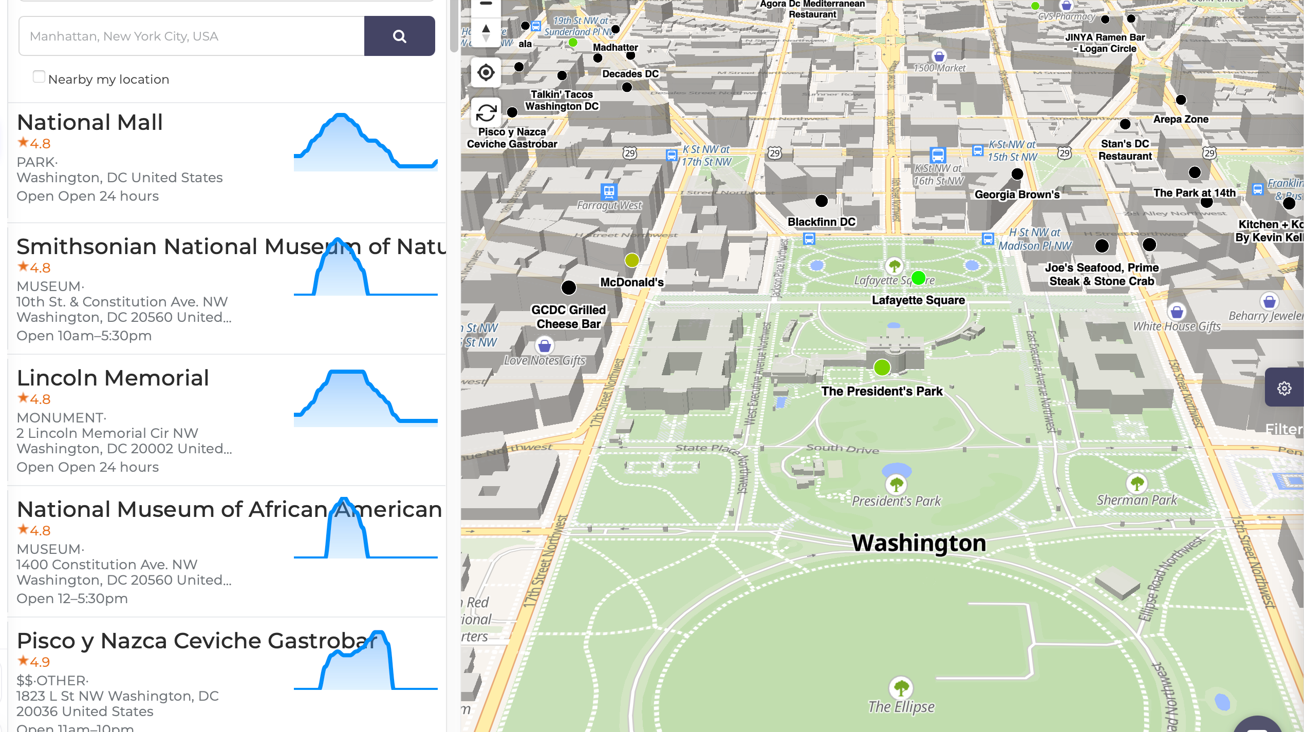 Potential venue busyness source, but account/API access is currently unavailable. Treat as optional; use user reports, taxi/traffic data, opening hours, and clinic-level history as alternatives.

