a,b
 |  | lower | upper | cost | bid value | win
cost | 450000 | 380000 | 550000 | 0 | 500000 | 0 | a) Using the given information three triangle distribution are fitted to the assumtions. Also we need to set constraint to decide win times, when the bidding value we offered is both lower than the other company, then we can get the contract. The expected profit equals to the bid value minus cost when we win the bid, otherwise 0.
bid1 | 600000 | 450000 | 750000 | - | 0 |  | b) From the result statistics we can see that probability of winning is 0.88. The expected value of profit is 34581.10. From the chart we can see there's a high frequency of 0 profit, which matches the faliure frequency.
bid2 | 650000 | 400000 | 1000000 | - | 0

 |  |  |  | expect profit | 0
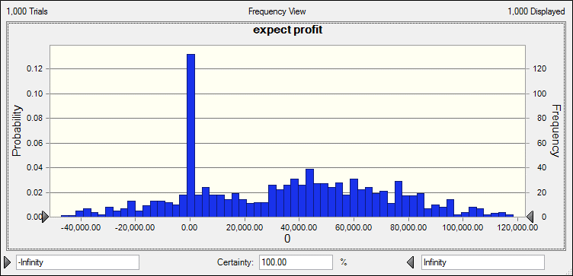
 |  | Forecast: expect profit
 |  | Statistic | Forecast values
 |  | Trials | 1,000
 |  | Base Case | 0
 |  | Mean | 34,581.10
 |  | Median | 37,067.54
 |  | Mode | 0
 |  | Standard Deviation | 35,317.21
 |  | Variance | 1,247,305,349.13
 |  | Skewness | 0.0685
 |  | Kurtosis | 2.16
 |  | Coeff. of Variation | 1.02
 |  | Minimum | -47,274.36
 |  | Maximum | 118,429.23
 |  | Mean Std. Error | 1,116.83

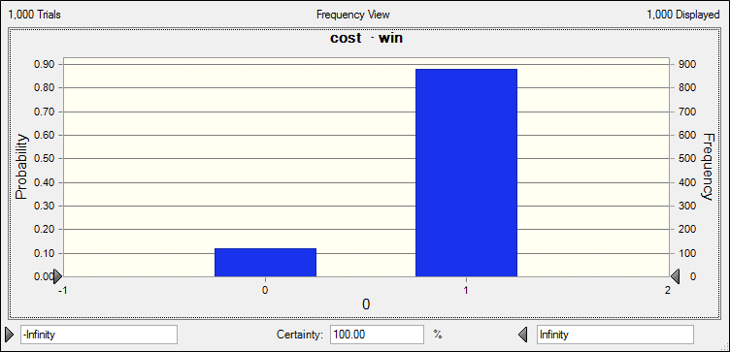
 |  | Forecast: cost · win
 |  | Statistic | Forecast values
 |  | Trials | 1,000
 |  | Base Case | 0
 |  | Mean | 0.88
 |  | Median | 1
 |  | Mode | 1
 |  | Standard Deviation | 0.32
 |  | Variance | 0.1
 |  | Skewness | -2.35
 |  | Kurtosis | 6.53
 |  | Coeff. of Variation | 0.3677
 |  | Minimum | 0
 |  | Maximum | 1
 |  | Mean Std. Error | 0.01

Report of c
 |  |  |  | Crystal Ball Report - OptQuest
 |  |  |  | Optimization started on 5/10/2019 at 4:19 PM
 |  |  |  | Optimization stopped on 5/10/2019 at 4:19 PM

 | Run preferences:
 |  | Stochastic optimization (with simulation)
 |  | Low-confidence testing on
 |  | Maximum trials per simulation |  |  | 1,000
 |  | Monte Carlo
 |  | Random seed
 |  | Precision control on
 |  | Confidence level |  |  | 95.00%

 | Run statistics:
 |  | Total optimization time (min:sec) |  |  | 00:06
 |  | Number of simulations |  |  | 63
 |  | Stopped by
 |  | Trials limit reached |  |  | 8
 |  | Precision control |  |  | 0
 |  | Low-confidence testing |  |  | 55
 |  | Infeasible constraints |  |  | 0
 |  | Simulation/second (average) |  |  | 10

 | Other statistics:
 |  | Number of infeasible solutions |  |  | 0
 |  | Due to requirements |  |  | 0
 |  | Due to non-linear constraints |  |  | 0

 | Crystal Ball data:
 |  | Objectives |  |  | 1
 |  | Requirements |  |  | 0
 |  | Constraints |  |  | 0
 |  | Linear |  |  | 0
 |  | Non-linear |  |  | 0
 |  | Constant |  |  | 0
 |  | Assumptions |  |  | 6
 |  | Correlations |  |  | 0
 |  | Correlation matrices |  |  | 0
 |  | Decision variables |  |  | 1
 |  | Forecasts |  |  | 4

 |  |  |  | OptQuest Results

Primary workbook: c.xlsx

 | Summary:
 |  | After 63 solutions were evaluated in 6 seconds, the Mean of expect profit was improved
 |  | from 7,467.59 to 61,768.27, a change of 727.15%

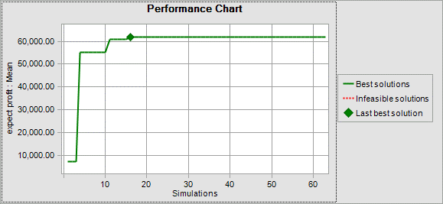

Objectives |  |  |  |  | Best Solution:
 |  | Maximize the Mean of expect profit |  |  | 61,768.27 | Cell: E7

Decision variables |  |  |  |  | Best Solution:
 |  | cost · bid value |  |  | 560,000.00 | Cell: F2

End of OptQuest Results
 |  |  |  | Target Forecasts for Best Solution

Worksheet: [c.xlsx]c

Forecast: expect profit |  |  |  |  |  | Cell: E7

 | Summary:
 |  | Entire range is from 0.00 to 177,849.39
 |  | Base case is 0.00
 |  | After 1,000 trials, the std. error of the mean is 1,780.84

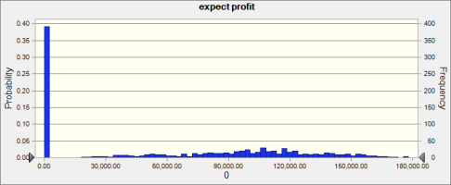

 | Statistics: |  | Forecast values |  | Precision
 |  | Trials | 1,000
 |  | Base Case | 0.00
 |  | Mean | 61,768.27 |  | 5.65%
 |  | Median | 67,979.49 |  | 15.88%
 |  | Mode | 0.00
 |  | Standard Deviation | 56,315.04 |  | 2.18%
 |  | Variance | 3,171,383,206.94
 |  | Skewness | 0.1369
 |  | Kurtosis | 1.49
 |  | Coeff. of Variation | 0.9117
 |  | Minimum | 0.00
 |  | Maximum | 177,849.39
 |  | Range Width | 177,849.39
 |  | Mean Std. Error | 1,780.84

Forecast: expect profit (cont'd) |  |  |  |  |  | Cell: E7

 | Percentiles: |  | Forecast values |  | Precision
 |  | 0% | 0.00
 |  | 10% | 0.00 |  | 0.00%
 |  | 20% | 0.00 |  | 0.00%
 |  | 30% | 0.00 |  | 0.00%
 |  | 40% | 27,444.27 |  | 108.10%
 |  | 50% | 67,937.47 |  | 15.88%
 |  | 60% | 90,336.00 |  | 5.83%
 |  | 70% | 105,600.13 |  | 3.68%
 |  | 80% | 117,814.43 |  | 2.04%
 |  | 90% | 137,537.24 |  | 2.88%
 |  | 100% | 177,849.39

End of Forecasts

Report of d
 |  |  |  | Crystal Ball Report - OptQuest
 |  |  |  | Optimization started on 5/10/2019 at 5:15 PM
 |  |  |  | Optimization stopped on 5/10/2019 at 5:15 PM

 | Run preferences:
 |  | Stochastic optimization (with simulation)
 |  | Low-confidence testing on
 |  | Maximum trials per simulation |  |  | 1,000
 |  | Monte Carlo
 |  | Random seed
 |  | Precision control on
 |  | Confidence level |  |  | 95.00%

 | Run statistics:
 |  | Total optimization time (min:sec) |  |  | 00:37
 |  | Number of simulations |  |  | 100
 |  | Stopped by
 |  | Trials limit reached |  |  | 63
 |  | Precision control |  |  | 0
 |  | Low-confidence testing |  |  | 37
 |  | Infeasible constraints |  |  | 0
 |  | Simulation/second (average) |  |  | 3

 | Other statistics:
 |  | Number of infeasible solutions |  |  | 0
 |  | Due to requirements |  |  | 0
 |  | Due to non-linear constraints |  |  | 0

 | Crystal Ball data:
 |  | Objectives |  |  | 1
 |  | Requirements |  |  | 0
 |  | Constraints |  |  | 0
 |  | Linear |  |  | 0
 |  | Non-linear |  |  | 0
 |  | Constant |  |  | 0
 |  | Assumptions |  |  | 9
 |  | Correlations |  |  | 0
 |  | Correlation matrices |  |  | 0
 |  | Decision variables |  |  | 2
 |  | Forecasts |  |  | 6

 |  |  |  | OptQuest Results

Primary workbook: c.xlsx

 | Summary:
 |  | After 100 solutions were evaluated in 37 seconds, the Mean of expect profit was
 |  | improved from 58,531.00 to 58,889.28, a change of 0.61%

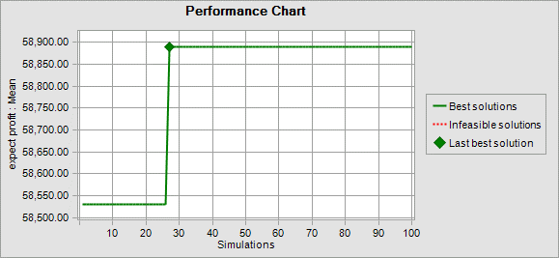

Objectives |  |  |  |  | Best Solution:
 |  | Maximize the Mean of expect profit |  |  | 58,889.28 | Cell: E7

Decision variables |  |  |  |  | Best Solution:
 |  | cost · bid value |  |  | 468,732.77 | Cell: F2
 |  | cost · bid value |  |  | 560,000.00 | Cell: F2

End of OptQuest Results
 |  |  |  | Target Forecasts for Best Solution

Worksheet: [c.xlsx]c

Forecast: expect profit |  |  |  |  |  | Cell: E7

 | Summary:
 |  | Entire range is from 0.00 to 178,244.18
 |  | Base case is 0.00
 |  | After 1,000 trials, the std. error of the mean is 1,752.47

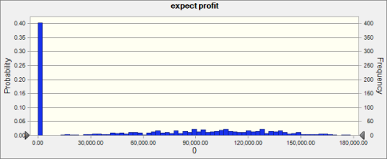

 | Statistics: |  | Forecast values |  | Precision
 |  | Trials | 1,000
 |  | Base Case | 0.00
 |  | Mean | 58,889.28 |  | 5.83%
 |  | Median | 60,215.40 |  | 14.54%
 |  | Mode | 0.00
 |  | Standard Deviation | 55,417.87 |  | 2.30%
 |  | Variance | 3,071,140,432.71
 |  | Skewness | 0.2205
 |  | Kurtosis | 1.55
 |  | Coeff. of Variation | 0.9411
 |  | Minimum | 0.00
 |  | Maximum | 178,244.18
 |  | Range Width | 178,244.18
 |  | Mean Std. Error | 1,752.47

Forecast: expect profit (cont'd) |  |  |  |  |  | Cell: E7

 | Percentiles: |  | Forecast values |  | Precision
 |  | 0% | 0.00
 |  | 10% | 0.00 |  | 0.00%
 |  | 20% | 0.00 |  | 0.00%
 |  | 30% | 0.00 |  | 0.00%
 |  | 40% | 0.00 |  | ---
 |  | 50% | 59,888.48 |  | 14.54%
 |  | 60% | 83,703.33 |  | 7.29%
 |  | 70% | 100,558.03 |  | 4.89%
 |  | 80% | 117,016.57 |  | 4.17%
 |  | 90% | 134,443.09 |  | 2.42%
 |  | 100% | 178,244.18

End of Forecasts

