OPTIONS
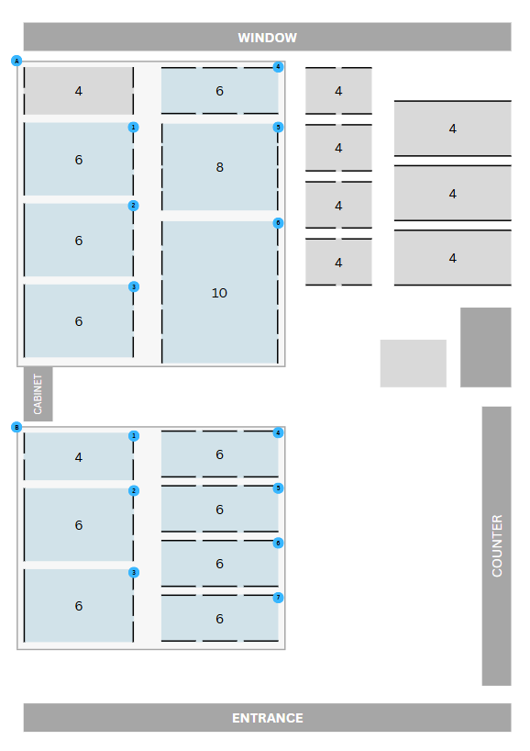
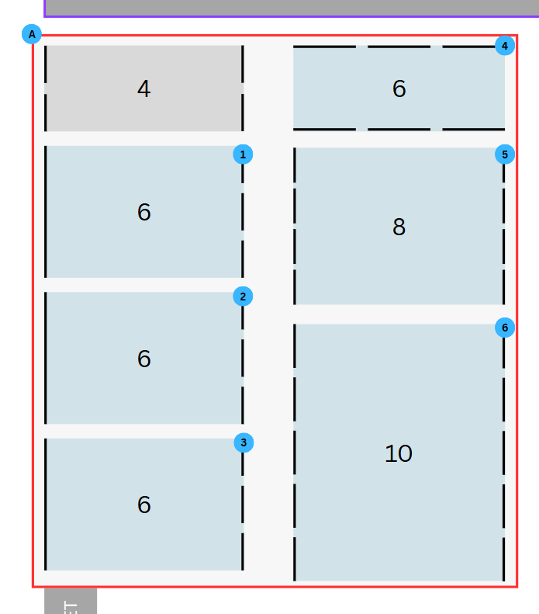
 |  | SAMPLE A
SAMPLE A: 42 persons |  | // Near window (If tables are arranged like this)
OPTION 1: Randomized
Table | Names
1 | Matsuoka-san, Rommel, Henry, Criez, Pierre, Mika
2 | Nakano-san, Rex, Alvin, Cm, Raf, Rocyn
3 | Oishi-san, Pril, Otep, Thea, Charlene, Jj
4 | Tommy-san, Nina, Rey, Mads, Aby, Kini
5 | Visitor 1, Maks, Dani, Steff, Lang, Adrielle, Matt, Jason
6 | Visitor 2, Kish, Dyd, Emand, She, Lorenzo, Gabo

OPTION 2: Randomized (JP together)
Table | Names
1 | Rommel, Lang, Jason, Matt, Kini, Gabo
2 | Dyd, Emand, Otep, Cm, Maks, Nina
3 | Pril, Henry, Rex, She, Lorenzo, Raf
4 | Kyez, Alvin, Jj, Criez, Pierre, Charlene
5 | Matsuoka-san, Nakano-san, Oishi-san, Tommy-san, Visitor 1, Visitor 2, Dani, Kish
6 | Steff, Aby, Rocyn, Adrielle, Mika, Rey, Thea, Mads

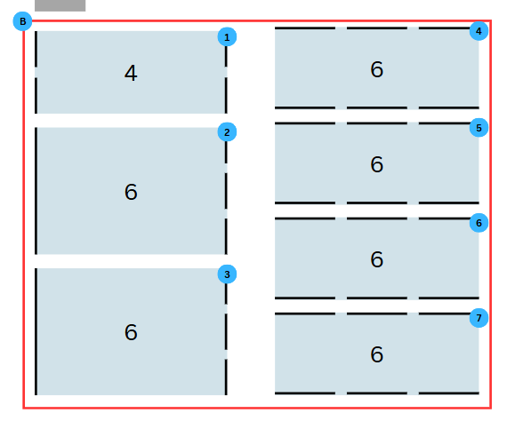
SAMPLE B: 40 persons |  | SAMPLE B
OPTION 1: Randomized |  | // Near Entrance
Table | Names
1 | Oishi-san, Rommel, Steff, Kini
2 | Visitor 1, Dani, Dyd, Emand, Otep, Adrielle
3 | Visitor 2, Kish, Jj, Cm, Kyez, Raf
4 | Nakano-san, Lang, Jason, Criez, Rocyn, Gabo
5 | Matsuoka-san, Pril, Matt, Mads, Thea, Alvin
6 | Tommy-san, Henry, Rex, Aby, Maks, Charlene
7 | Nina, Pierre, She, Mika, Lorenzo

OPTION 2: Randomized (JP together)
Table | Names
1 | Rommel, Lang, Jj, Adrielle
2 | Matsuoka-san, Nakano-san, Oishi-san, Tommy-san, Visitor 1, Visitor 2
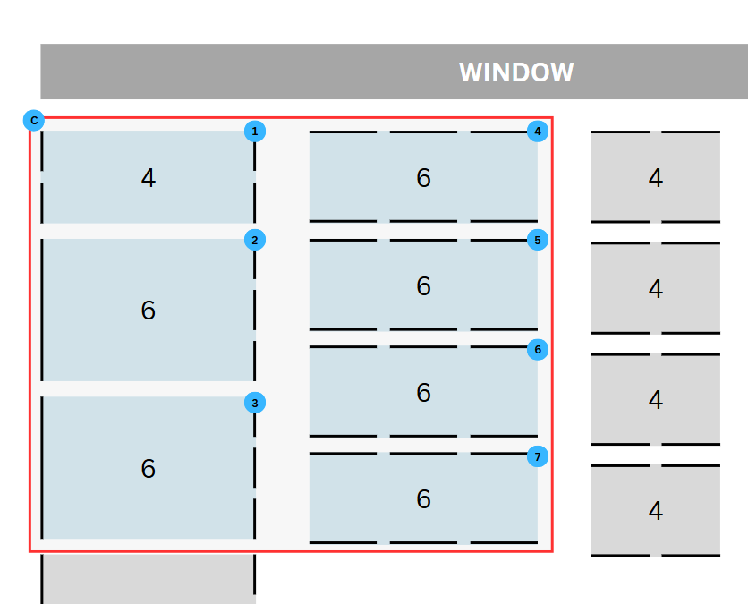
3 | Kish, Dyd, Emand, Otep, Kini, Gabo
4 | Pril, Henry, Rex, She, Maks, Raf |  | SAMPLE C
5 | Dani, Kyez, Alvin, Criez, Pierre, Charlene |  | // Near window (If tables are arranged like this)
6 | Steff, Aby, Rocyn, Jason, Lorenzo, Mika
7 | Nina, Rey, Matt, Cm, Thea, Mads

Sheet3
