Analyze
Sum of Total Sales | Sum of Operating Profit | Sum of Units Sold | Average of Price per Unit
2,286,268 | 789,125 | 4,184,750 | $0.550205

Sum of Total Sales | Column Labels
Row Labels | 2022 | 2023 | Grand Total
Coca-Cola | 254715 | 208147.5 | 462862.5
Dasani Water | 254725 | 189225 | 443950
Diet Coke | 227587.5 | 183850 | 411437.5
Fanta | 171250 | 125375 | 296625
Powerade | 193500 | 125762.5 | 319262.5
Sprite | 197622.5 | 154507.5 | 352130
Grand Total | 1299400 | 986867.5 | 2286267.5

Sum of Total Sales | Column Labels
Row Labels | 2022 | 2023 | Grand Total
Amazon | 276210 |  | 276210
BevCo | 223565 | 145230 | 368795
FizzyCo | 34587.5 | 186137.5 | 220725
Target | 250650 |  | 250650
Walmart | 182637.5 |  | 182637.5
West Soda | 331750 | 655500 | 987250
Grand Total | 1299400 | 986867.5 | 2286267.5

Invoice Quarters | Invoice years | Sum of Total Sales | Average of Operating Margin
Q1 | 2022 | 425080 | 0.35 | Q1 | 2022 | 425080 | 0.35
 | 2023 | 212257.5 | 0.40055555556 | 0 | 2023 | 212257.5 | 0.40055555556
Q2 | 2022 | 360662.5 | 0.35824175824 | Q2 | 2022 | 360662.5 | 0.35824175824
 | 2023 | 188720 | 0.37197802198 | 0 | 2023 | 188720 | 0.37197802198
Q3 | 2022 | 360150 | 0.32717391304 | Q3 | 2022 | 360150 | 0.32717391304
 | 2023 | 260075 | 0.35217391304 | 0 | 2023 | 260075 | 0.35217391304
Q4 | 2022 | 153507.5 | 0.38043478261 | Q4 | 2022 | 153507.5 | 0.38043478261
 | 2023 | 325815 | 0.28206521739 | 0 | 2023 | 325815 | 0.28206521739
Grand Total |  | 2286267.5 | 0.35267123288

dashboard
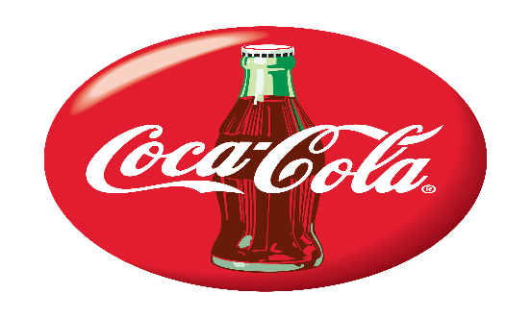
Coco-Cola USA Retailer Dashboard

Total Sales
1,20,16,665
Operating Profit
2,08,364
units sold
10,15,000
Average price
$0.642593

Sales by Beverage Brand
Sales by Retailer

 | Brand | sales 2022 | Sales 2023 | Variance | Retailer | sales 2022 | Sales 2023 | Variance
 | Coca-Cola | 254,715 | 208,148 | 46,568 | Amazon | 276,210 |  | 276,210
 | Dasani Water | 254,725 | 189,225 | 65,500 | BevCo | 223,565 | 145,230 | 78,335
 | Diet Coke | 227,588 | 183,850 | 43,738 | FizzyCo | 34,588 | 186,138 | -151,550
 | Fanta | 171,250 | 125,375 | 45,875 | Target | 250,650 |  | 250,650
 | Powerade | 193,500 | 125,763 | 67,738 | Walmart | 182,638 |  | 182,638
 | Sprite | 197,623 | 154,508 | 43,115 | West Soda | 331,750 | 655,500 | -323,750
 | Grand Total | 1,299,400 | 986,868 | 312,533 | Grand Total | 1,299,400 | 986,868 | 312,533
jpoerjgpwvdpnvpna
Sales and Operating Profit Margin y Quater
 |  | 1299400

 | Sum of Total Sales | Average of Operating Margin
2022 | 425080 | 0.35
2023 | 212257.5 | 0.40055555556
2022 | 360662.5 | 0.35824175824
2023 | 188720 | 0.37197802198
2022 | 360150 | 0.32717391304
2023 | 260075 | 0.35217391304
2022 | 153507.5 | 0.38043478261
2023 | 325815 | 0.28206521739

last updated on jan 2024

