Sheet1
TestCase No | Test Case Description | Source | Neo4j | Result
1 | Validate to check if all the counties are present in the state as per the source | 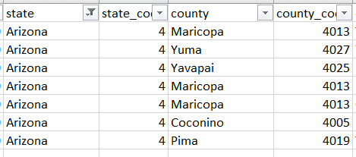 | 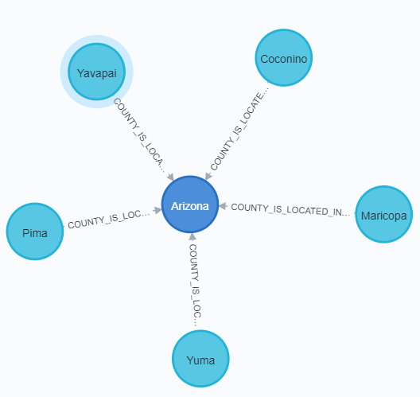 | Pass
2 | Validate to check if all the cities are present in the county | 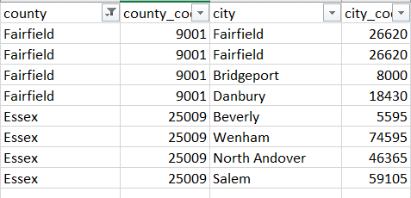 | 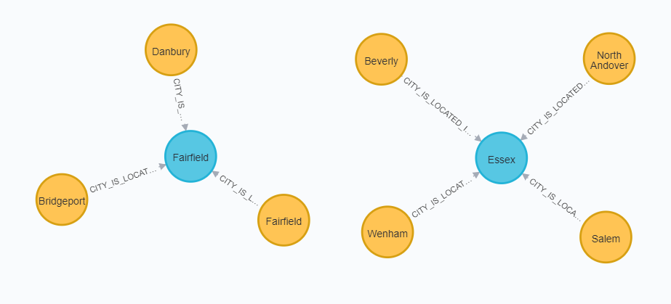 | Pass
3 | Validate to check if all the Colleges are present in the city |  | 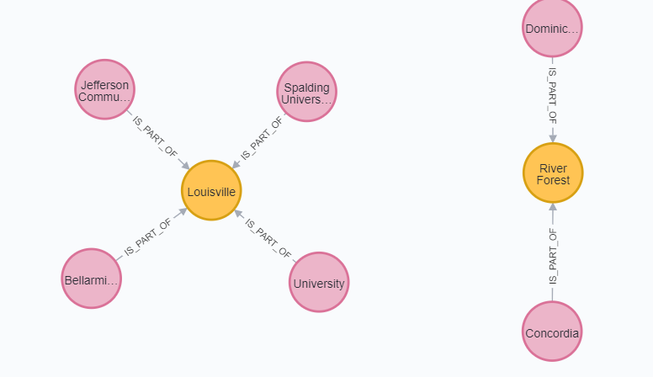
4 | Validate to check if the correct number of cases are displayed for each College |  |  | Pass
5 | To validate the hierarchy and relationship of all the nodes |  | 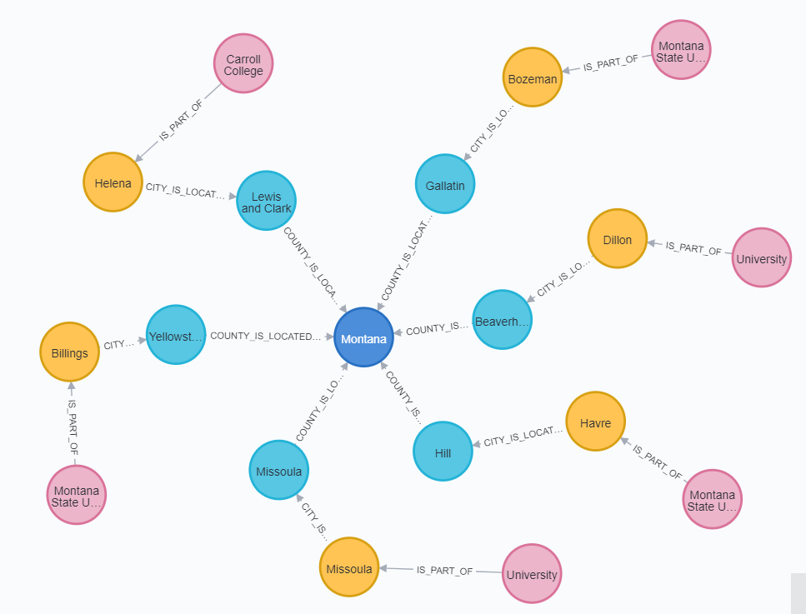 | Pass

