Summary
Category | Count
Passed | 2
Failed | 2
Skipped | 2
Total | 6
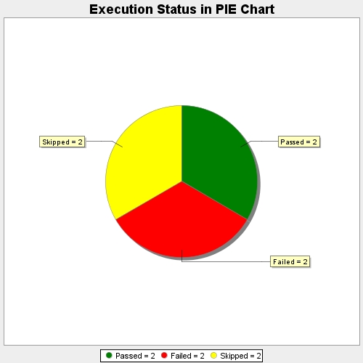
Start Time | 2018-10-09T06:51:47Z
End Time | 2018-10-09T06:51:48Z
Duration | 559 ms

