工作表1
日期(時間) | 使用者 | 網路架構 | LR | # epochs | class 0 TP | class 1 TP | class 2 TP | pth 檔名
2022-07-14 | 柏翔 | resnet50 | 0.0003 | 10 | 0.00% | 6.67% | 94.96% | backup | （使用Train Data）
2022-07-14 17:00:00 | 韻文 | resnet50 | 0.0003 | 10 | 37.84% | 16.67% | 56.12% | backup_anne_resnet50_1
2022-07-14 19:00:00 | 柏翔 | resnet18 | 0.0003 | 10 | 10.81% | 3.33% | 80.57% | backup_008200
2022-07-14 19:00:00 | 柏翔 | resnet18 | 0.0003 | 25 | 6.75% | 3.33% | 83.45% | backup_Res18_20
2022-07-14 19:00:00 | 柏翔 | resnet18 | 0.005 | 25 | 32.43% | 13.33% | 56.83% | backup_Res18_25
2022-07-14 20:00:00 | 柏翔 | resnet18 | 0.0005 | 30 | 20.27% | 6.66% | 66.19% | backup_Res18_30
2022-07-15 | 晉逸 | resnet101 | 0.0003 | 20 | 18.92% | 3.33% | 67.63% | backup_Res101_20
2022-07-15 14:00:00 | 韻文 | resnet50 | 0.0003 | 30 | 12.16% | 3.33% | 76.98% | backup_resnet50_30
2022-07-15 16:00:00 | 韻文 | resnet50 | 0.0001 | 30 | 6.76% | 3.33% | 84.89% | backup_resnet50_1e-4
2022-07-15 | 晉逸 | resnet101 | 0.001 | 30 | 36.49 | 6.67% | 55.39% | backup_Res101_30
2022-07-16 11:00:00 | 韻文 | resnet152 | 0.003 | 20 | 81.08% | 46.67% | 0.00% | backup_resnet152_0.003 | Train不起來 loss沒下降
2022-07-16 03:00:00 | 柏翔 | resnet101 | 1.00E-04 | 30 | 17.56% | 3.33% | 85.61% | backup_Res101_30_024000
2022-08-16 22:00:00 | Will | resnet34 | 0.0003 | 20 | 20.27% | 33.33% | 67.62% | backup_Res34_20
2022-07-16 21:00:00 | 韻文 | RNN | 0.005 | 10 | 8.11% | 90.00% | 7.91% | backup_RNN_10 | lr太大
2022-07-16 22:00:00 | 韻文 | RNN | 0.001 | 15 | 6.76% | 93.33% | 5.76% | backup_RNN_15 | acc=0.16
2022-07-17 | 韻文 | CNN+RNN | 0.0005 | 15 | 32.43% | 20.00% | 67.63% | backup_MyModel_0.0005 | acc=0.51
2022-07-17 02:00:00 | 韻文 | CNN+RNN | 0.001 | 15 | 56.76% | 46.67% | 14.39% | backup_MyModel_0.001 | acc=0.31
2022-07-17 02:00:00 | 韻文 | CNN+RNN | 0.0005 | 30 | 22.97% | 6.67% | 69.78% | backup_MyModel_0.0005_30 | acc=0.47
bfgrbnvvidnddunkihnrjrkhgvftgdvtj | 韻文 | resnet50 | 0.0003 | 20 | 18.92% | 10.00% | 76.26% | backup_resnet50_20 | 神秘配方參考值 |  | array([[0.18918919, 0.01351351, 0.7972973 ], [0.13333333, 0.1 , 0.76666667], [0.18705036, 0.05035971, 0.76258993]]) | 0.50617283951
 | 韻文 | resnet50 | 0.0003 | 20 | 9.46% | 6.67% | 85.61% |  | oversample2 |  | array([[0.09459459, 0.08108108, 0.82432432], [0.1 , 0.06666667, 0.83333333], [0.12230216, 0.02158273, 0.85611511]]) | 0.52674897119
2022-07-19 12:00:00 | Will | resnet50 | 0.0003 | 20 | 27.03% | 3.33% | 69.78% |  | 調整loss_fn的weight佔比 |  | array([[0.27027027, 0.01351351, 0.71621622], [0.26666667, 0.03333333, 0.7 ], [0.30215827, 0. , 0.69784173]]) | 0.48559670782

2022-07-18 10:00:00 | 晉逸 | resnet50 | 0.0003 | 20 | 14.86% | 6.67% | 68.35% |  | weight_decay 1E-8 |  | array([[0.14864865, 0.06756757, 0.78378378], [0.23333333, 0.06666667, 0.7 ], [0.20863309, 0.10791367, 0.68345324]]) | 0.44444444444
2022/7/18 上午 23:00:00 | 晉逸 | resnet50 | 0.0003 | 20 | 14.86% | 13.33% | 79.86% | backup_resnet50_20_WD1E-7 | weight_decay 1E-7 |  | array([[0.14864865, 0.04054054, 0.81081081], [0.1 , 0.13333333, 0.76666667], [0.15827338, 0.04316547, 0.79856115]]) | 0.51851851852
2022-07-19 04:00:00 | 晉逸 | resnet50 | 0.0003 | 20 | 17.57% | 6.67% | 80.58% | backup_resnet50_20_WD1E-6 | weight_decay 1E-6 |  | array([[0.17567568, 0.06756757, 0.75675676], [0.1 , 0.06666667, 0.83333333], [0.14388489, 0.05035971, 0.8057554 ]]) | 0.52263374486
2022-07-19 04:00:00 | 晉逸 | resnet50 | 0.0003 | 20 | 10.81% | 0.00% | 85.61% | backup_resnet50_20_WD1E-5 | weight_decay 1E-5 |  | array([[0.10810811, 0.06756757, 0.82432432], [0.03333333, 0. , 0.96666667], [0.12230216, 0.02158273, 0.85611511]]) | 0.52263374486
2022-07-20 | WIll | resnet50 | 0.0003 | 20 | 14.86% | 0.10% | 66.91% |  | weights = [1, 1.5, 1] |  | array([[0.14864865, 0.09459459, 0.75675676], [0.13333333, 0.1 , 0.76666667], [0.1942446 , 0.13669065, 0.66906475]]) | 0.44032921811
2022/723 | 韻文 | RNN | 0.003 | 60 |  |  |  | x
2022/723 | 韻文 | RNN | 0.005 | 80 | 37.84% | 33.33% | 46.76% | backup_rnn_base | loss有在下降，還沒收斂 |  | array([[0.37837838, 0.2972973 , 0.32432432], [0.26666667, 0.33333333, 0.4 ], [0.28057554, 0.25179856, 0.4676259 ]]) | 0.42386831276
2022/723 | 韻文 | RNN | 0.005 | 300 | 5.41% | 0.00% | 82.73% | x | 還沒收斂就爆掉 |  | array([[0.05405405, 0.17567568, 0.77027027], [0.06666667, 0. , 0.93333333], [0.0647482 , 0.10791367, 0.82733813]]) | 0.48971193416
2022-07-23 | Will | resnet50 | 0.003 | 20 |  |  |  | randomCrop((300,300)) | loss沒下降 |  | array([[0.89189189, 0.09459459, 0.01351351], [0.73333333, 0.26666667, 0. ], [0.76258993, 0.23021583, 0.00719424]]) | 0.30864197531
2022-07-23 | Will | resnet50 | 0.003 | 20 |  |  |  | randomCrop((300,600)) | loss沒下降 |  | array([[0.41891892, 0.35135135, 0.22972973], [0.23333333, 0.5 , 0.26666667], [0.3381295 , 0.42446043, 0.23741007]])\ | 0.32510288066
2022/723 | 韻文 | RNN | 0.0005 | 300 | 41.89% | 43.33% | 23.74% | x | hidden_size=32 |  | array([[0.41891892, 0.2972973 , 0.28378378], [0.4 , 0.43333333, 0.16666667], [0.35971223, 0.4028777 , 0.23741007]]) | 0.31687242798
2022/723 | 韻文 | RNN | 0.0005 | 300 | 41.89% | 26.67% | 38.85% | x | hidden_size=64 |  | array([[0.41891892, 0.25675676, 0.32432432], [0.4 , 0.26666667, 0.33333333], [0.37410072, 0.23741007, 0.38848921]]) | 0.38271604938
2022/723 | 韻文 | RNN | 0.0005 | 300 | 43.24% | 33.33% | 43.88% | backup_rnn_base_300 | hidden_size=128 |  | array([[0.43243243, 0.22972973, 0.33783784], [0.2 , 0.33333333, 0.46666667], [0.35971223, 0.20143885, 0.43884892]]) | 0.42386831276
2022/723 | 韻文 | RNN | 0.0005 | 300 | 20.27% | 43.33% | 39.57% | backup_rnn_base_h256 | hidden_size=256 |  | array([[0.2027027 , 0.39189189, 0.40540541], [0.26666667, 0.43333333, 0.3 ], [0.25179856, 0.35251799, 0.39568345]]) | 0.34156378601
2022/723 | 韻文 | RNN | 0.0003 | 400 | 44.59% | 26.67% | 30.94% | backup_rnn_base_3e-4 | hidden_size=128 |  | array([[0.44594595, 0.28378378, 0.27027027], [0.43333333, 0.26666667, 0.3 ], [0.38129496, 0.30935252, 0.30935252]]) | 0.34567901235
2022/723 | 韻文 | backup_rnn_base_300 | 0.0003 | 100 | 50.00% | 30.00% | 41.01% | x | hidden_size=128 |  | array([[0.5 , 0.21621622, 0.28378378], [0.16666667, 0.3 , 0.53333333], [0.36690647, 0.22302158, 0.41007194]]) | 0.42386831276
2022/723 | 韻文 | backup_rnn_base_300 | 0.0005 | 100 | 13.51% | 36.67% | 58.27% | backup_rnn_base_300+100 | hidden_size=128 |  | array([[0.13513514, 0.28378378, 0.58108108], [0.06666667, 0.36666667, 0.56666667], [0.12230216, 0.29496403, 0.58273381]]) | 0.41975308642
2022/724 | 韻文 | RNN | 0.0005 | 300 | 21.62% | 30.00% | 54.68% | backup_rnn_base_non-std | hidden_size=128 |  | [[0.21621622 0.21621622 0.56756757] [0.26666667 0.3 0.43333333] [0.26618705 0.18705036 0.54676259]] | 0.41563786008
2022-07-22 04:00:00 | 晉逸 | resnet50 | 0.00003 | 10 | 12.16% | 6.67% | 84.17% | backup_resnet50_20_WD1E-7_lr01_ | weight_decay 1E-7 |  | array([[0.12162162, 0.01351351, 0.86486486], [0.03333333, 0.06666667, 0.9 ], [0.13669065, 0.02158273, 0.84172662]]) | 0.52674897119
2022/723 | 韻文 | RNN | 0.0005 | 200 | 44.59% | 30.00% | 37.41% |  | hidden_size=128, num_layers=2 |  | [[0.44594595 0.18918919 0.36486486] [0.4 0.3 0.3 ] [0.37410072 0.25179856 0.37410072]] | 0.38683127572
2022/724 | 韻文 | RNN | 0.0005 | 400 | 43.24% | 23.33% | 55.40% | backup_rnn_base_l2_400 | hidden_size=128, num_layers=2 |  | [[0.43243243 0.13513514 0.43243243] [0.16666667 0.23333333 0.6 ] [0.32374101 0.12230216 0.55395683]] | 0.47736625514
2022/724 | 韻文 | backup_rnn_base_l2_400 | 0.0005 | 200 | 27.03% | 20.00% | 51.80% | backup_rnn_base_l2_400+200 |  |  | [[0.27027027 0.18918919 0.54054054] [0.3 0.2 0.5 ] [0.28776978 0.1942446 0.51798561]] | 0.40329218107
2022/724 | 韻文 | RNN | 0.0005 | 300 | 41.89% | 16.67% | 56.83% | backup_rnn_base_l2_non-std | hidden_size=128, num_layers=2 |  | [[0.41891892 0.17567568 0.40540541] [0.33333333 0.16666667 0.5 ] [0.27338129 0.15827338 0.56834532]] | 0.47325102881
2022-07-24 | 柏翔 | RNN | 0.00005 | 300 | 40.50% | 60% | 20.80% | backup_rnn_base_l2 | hidden_size=1024, num_layers=2 |  | [[0.40540541 0.37837838 0.21621622] [0.13333333 0.6 0.26666667] [0.34532374 0.44604317 0.20863309]] | 0.31687242798
2022-07-24 | 韻文 | RNN | 0.0005 | 300 | 39.19% | 20.00% | 48.92% | backup_rnn_base_l3_non-std | hidden_size=128, num_layers=3 |  | [[0.39189189 0.13513514 0.47297297] [0.33333333 0.2 0.46666667] [0.37410072 0.13669065 0.48920863]] | 0.42386831276
2022-07-24 | 柏翔 | RNN | 0.0005 | 300+500 | 33.80% | 20% | 63.30% | backup_rnn_base_l2_600 | hidden_size=1024, num_layers=2 |  | [[0.33783784 0.10810811 0.55405405] [0.23333333 0.2 0.56666667] [0.25899281 0.10791367 0.63309353]] | 0.48971193416
2022-07-25 | 晉逸 | RNN | 0.0005 | 600 | 28.38% | 20% | 59.71% | backup_rnn_base_512_600_ | hidden_size=512, num_layers=2 |  | [[0.28378378 0.16216216 0.55405405] [0.23333333 0.2 0.56666667] [0.28776978 0.11510791 0.5971223 ]] | 0.45267489712
2022-07-25 | 韻文 | RNN | 0.0005 | 600 |  |  |  | backup_rnn_base_l2_500 | hidden_size=128, num_layers=2, std |  | [[0.51351351 0.25675676 0.22972973] [0.46666667 0.26666667 0.26666667] [0.4676259 0.21582734 0.31654676]] | 0.37037037037
2022-07-25 | Will | RNN | 0.0005 | 400 | 31.08% | 17% | 59.71% | backup_rnn_base_l3_non-std_batch20_ | hidden_size=128, num_layers=2, batch=20 |  | [[0.31081081 0.21621622 0.47297297] [0.26666667 0.16666667 0.56666667] [0.27338129 0.1294964 0.5971223 ]] | 0.45679012346
2022-07-25 | 晉逸 | RNN | 0.0005 | 600 | 31.08% | 10% | 53.24% | backup_rnn_base_512_600_ | hidden_size=512, num_layers=3 |  | [[0.31081081 0.14864865 0.54054054] [0.26666667 0.1 0.63333333] [0.29496403 0.17266187 0.5323741 ]] | 0.41152263374
2022-07-26 | Will | RNN | 0.0005 | 400 | 32.43% | 7% | 67.62% | backup_rnn_base_l3_non-std_batch10_ | hidden_size=128, num_layers=2, batch=10 |  | [[0.32432432 0.14864865 0.52702703] [0.33333333 0.06666667 0.6 ] [0.23021583 0.09352518 0.67625899]] | 0.49382716049
2022-07-26 | 韻文 | RNN | 0.0005 | 600 | 47.30% | 16.67% | 56.12% | backup_rnn_base_l2_600 | hidden_size=128, num_layers=2, non-std |  | [[0.47297297 0.14864865 0.37837838] [0.33333333 0.16666667 0.5 ] [0.29496403 0.14388489 0.56115108]] | Acc: 0.48559670781893005
2022-07-26 | 柏翔 | RNN | 0.0005 | 500 | 24.30% | 20% | 56.80% | backup_rnn_base_h1024_L4_500 | hidden_size=1024, num_layers=4, std |  | [[0.24324324 0.17567568 0.58108108] [0.3 0.2 0.5 ] [0.29496403 0.13669065 0.56834532]] | acc: 0.42386831275720166
2022-07-26 | 晉逸 | RNN | 0.0005 | 600 | 25.68% | 13% | 57.55% | backup_rnn_base_512_600_batch20_ | hidden_size=512, num_layers=2, batch=20 |  | [[0.25675676 0.10810811 0.63513514] [0.2 0.13333333 0.66666667] [0.28776978 0.13669065 0.57553957]] | 0.42386831276

 | 柏翔 | RNN | 1E-02 | 400 | - | - | - | - | hidden_size=1024, num_layers=2, batch=20, non-std | train不起來 loss NAN
 | 柏翔 | RNN | 1E-03 | 400 | 24.30% | 6.90% | 62.30% | backup_rnn_base_h1024_L2_1e-3epoch000400 | hidden_size=1024, num_layers=2, batch=20, non-std | 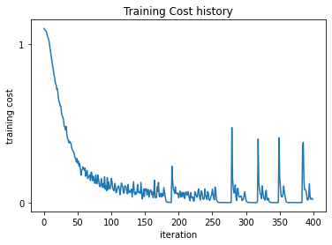 | [[0.24324324 0.13513514 0.62162162] [0.48275862 0.06896552 0.44827586] [0.30434783 0.07246377 0.62318841]] | 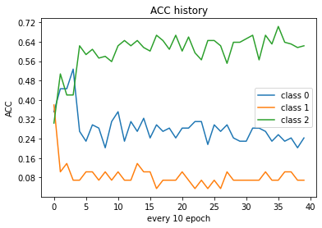 0.4398340249
 |  | 上一筆400圈＋下一筆調地LR | 1E-04 | 400+400 |  |  |  |  |  | stackoverflow???????
 | 柏翔 | RNN | 1E-04 | 400 | 31.10% | 6.90% | 43.50% | backup_rnn_base_h1024_L2_1e-4epoch000400 | 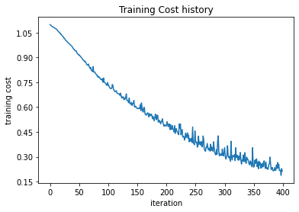 hidden_size=1024, num_layers=2, batch=20, non-std |  | [[0.31081081 0.09459459 0.59459459] [0.34482759 0.06896552 0.5862069 ] [0.34782609 0.2173913 0.43478261]] | 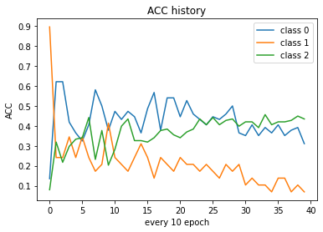 0.35269709544
 |  | 上一筆400圈＋下一筆調地LR | 1E-05 | 400+400 | 33.78% | 10.34% | 44.92%% | backup_rnn_base_h1024_L2_1e-4_800 | 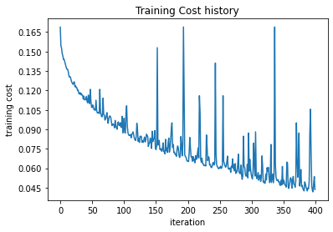 hidden_size=1024, num_layers=2, batch=20, non-std |  | [[0.33783784 0.09459459 0.56756757] [0.27586207 0.10344828 0.62068966] [0.33333333 0.2173913 0.44927536]] | 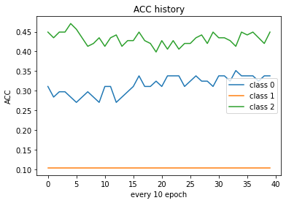 0.3734439834
 | 柏翔 | RNN | 1E-05 | 400 | 36.50% | 31.00% | 31.20% | backup_rnn_base_h1024_L2_1e-5epoch000400 | hidden_size=1024, num_layers=2, batch=20, non-std | 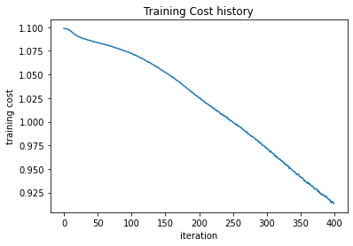 | [[0.36486486 0.32432432 0.31081081] [0.37931034 0.31034483 0.31034483] [0.42753623 0.26086957 0.3115942 ]] | 0.32780082988 | 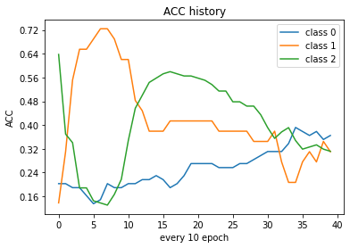
 | 柏翔 | RNN | 1E-06 | 400 | 18.90% | 55.20% | 27.50% | backup_rnn_base_h1024_L2_1e-6epoch000400 | hidden_size=1024, num_layers=2, batch=20, non-std | 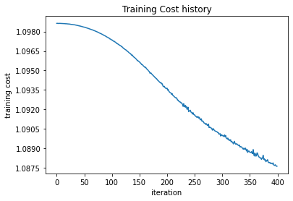 | [[0.18918919 0.52702703 0.28378378] [0.06896552 0.55172414 0.37931034] [0.17391304 0.55072464 0.27536232]] | 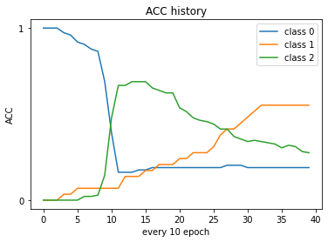 0.28215767635
 | 柏翔 | RNN | 1E-07 | 400 | 97% | 3% | 0% | backup_rnn_base_h1024_L2_1e-7epoch000400 | hidden_size=1024, num_layers=2, batch=20, non-std |  | [[0.97297297 0.02702703 0. ] [0.96551724 0.03448276 0. ] [0.99275362 0.00724638 0. ]] | 0.30290456432
2022-07-27 | 韻文 | RNN | 2E-02 | 400 | NaN | NaN | NaN | backup_rnn_base_2E-02 | hidden_size=512, num_layers=2, batch=20, non-std |  | NaN | NaN
2022-07-29 | 韻文 | RNN | 2E-03 | 400 | 24.32% | 31.03% | 50.72% | backup_rnn_base_2E-03 | hidden_size=1024, num_layers=2, batch=20, non-std |  | [[0.24324324 0.10810811 0.64864865] [0.10344828 0.31034483 0.5862069 ] [0.34057971 0.15217391 0.50724638]] | Acc: 0.4024896265560166 |  | [[18 8 48] [ 3 9 17] [47 21 70]]
2022-07-27 | 韻文 | RNN | 2E-04 | 400 | 29.73% | 13.79% | 45.65% | backup_rnn_base_2E-04 | hidden_size=256, num_layers=2, batch=20, non-std |  | [[0.2972973 0.12162162 0.58108108] [0.20689655 0.13793103 0.65517241] [0.36956522 0.17391304 0.45652174]] | 0.36929460581
2022-07-28 | 韻文 | RNN | 2E-05 | 400 | 28.38% | 37.93% | 42.75% | backup_rnn_base_2E-05 | hidden_size=512, num_layers=2, batch=20, non-std |  | [[0.28378378 0.2972973 0.41891892] [0.24137931 0.37931034 0.37931034] [0.27536232 0.29710145 0.42753623]] | 0.377593361
2022-07-28 | 韻文 | RNN | 2E-06 | 400 |  |  |  |  | hidden_size=256, num_layers=2, batch=20, non-std |  | [[0.22972973 0.74324324 0.02702703] [0.13793103 0.86206897 0. ] [0.24637681 0.69565217 0.05797101]] | 0.20746887967 | 又train了200，loss穩定下降但緩慢
ING | 韻文 | RNN | 2E-07 | 1000 |  |  |  |  | hidden_size=1024, num_layers=2, batch=20, non-std |  | [[0.16216216 0.2027027 0.63513514] [0.10344828 0.17241379 0.72413793] [0.16666667 0.15942029 0.67391304]] | 0.45643153527
 | Will | RNN | 4E-02 | 400 | NaN | NaN | NaN |  | hidden_size=1024, num_layers=2, batch=20, non-std |  | NaN | NaN
 | Will | RNN | 4E-03 | 400 |  |  |  |  | hidden_size=1024, num_layers=2, batch=20, non-std |  | [[0.01351351 0.24324324 0.74324324] [0.06896552 0.17241379 0.75862069] [0.01449275 0.13768116 0.84782609]] | 0.51037344398 |  | [[12 15 47] [ 3 5 21] [23 22 93]]
 | Will | RNN | 4E-04 | 400 |  |  |  |  | hidden_size=1024, num_layers=2, batch=20, non-std
 | Will | RNN | 4E-05 | 400 |  |  |  |  | hidden_size=1024, num_layers=2, batch=20, non-std
 | Will | RNN | 4E-06 | 400 |  |  |  |  | hidden_size=1024, num_layers=2, batch=20, non-std
 | Will | RNN | 4E-07 | 400 |  |  |  |  | hidden_size=1024, num_layers=2, batch=20, non-std
 | 晉逸 | RNN | 8E-02 | 400 |  |  |  |  | hidden_size=1024, num_layers=2, batch=20, non-std
 | 晉逸 | RNN | 8E-03 | 400 | 12.16% | 48.28% | 30.43% | backup_rnn_base_8E-03_128 | hidden_size=1024, num_layers=2, batch=20, non-std |  | [[0.12162162 0.58108108 0.2972973 ] [0.06896552 0.48275862 0.44827586] [0.12318841 0.57246377 0.30434783]] | 0.26970954357
 | 晉逸 | RNN | 8E-04 | 400 | 27.03% | 10.34% | 66.67% | backup_rnn_base_1024_8E-4_batch20_ | hidden_size=1024, num_layers=2, batch=20, non-std |  | "[[0.27027027 0.12162162 0.60810811] [0.4137931 0.10344828 0.48275862] [0.19565217 0.13768116 0.66666667]]" | 0.4771784232
 | 晉逸 | RNN | 8E-05 | 400 | 41.89% | 27.59% | 41.30% | backup_rnn_base_256_8E-5_batch20_ | hidden_size=256, num_layers=2, batch=20, non-std |  | [[0.41891892 0.16216216 0.41891892] [0.37931034 0.27586207 0.34482759] [0.41304348 0.17391304 0.41304348]] | 0.39834024896
 | 晉逸 | RNN | 8E-06 | 400 |  |  |  |  | hidden_size=1024, num_layers=2, batch=20, non-std
 | 晉逸 | RNN | 8E-07 | 600 | 20.27% | 72.40% | 18.11% | backup_rnn_base_8E-07_128 | hidden_size=512, num_layers=2, batch=20, non-std |  | [[0.2027027 0.63513514 0.16216216] [0.10344828 0.72413793 0.17241379] [0.24637681 0.57246377 0.18115942]] | 0.2531120332
 | 韻文 | RNN | 0.0005 | 600 | 32.43% | 20.69% | 65.22% |  |  |  | [[0.32432432 0.14864865 0.52702703] [0.27586207 0.20689655 0.51724138] [0.22463768 0.12318841 0.65217391]] | 0.4979253112 |  | [[24 11 39] [ 8 6 15] [31 17 90]]

