Sheet1
 | Active / Passive Soil Pressure Calculation

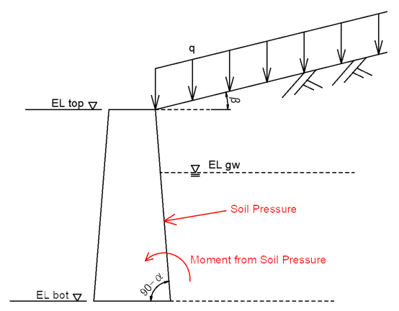
 |  |  |  |  |  |  |  |  | - Elevation
 |  |  |  |  |  |  |  |  |  |  |  | ELf,top = | 0.0 | m | Foundation top
 |  |  |  |  |  |  |  |  |  |  |  | ELf,bot = | -10.0 | m | Foundation bottom
 |  |  |  |  |  |  |  |  |  |  |  | ELgw = | -2.0 | m | Ground water

 |  |  |  |  |  |  |  |  | - Earth Pressure Coefficient (Mononobe-Okabe theory)
 |  |  |  |  |  |  |  |  |  |  |  | α = | 0.0 | deg | Angle of Wall Surface to vertical
 |  |  |  |  |  |  |  |  |  |  |  | β = | 0.0 | deg | Inclination of ground surface behind wall
 |  |  |  |  |  |  |  |  |  |  |  |  |  |  | (β is zero for passive earth pressure coefficient)

 |  |  |  |  |  |  |  |  | - Loadings
 |  |  |  |  |  |  |  |  |  |  |  | γwater = | 10.0 | kN/m3 | Unit Weight of water
 |  |  |  |  |  |  |  |  |  |  |  | q = | 15.0 | kN/m2 | Surcharge load

 |  |  |  |  |  |  |  |  | - Seismic Load
 |  |  |  |  |  |  |  |  |  |  |  | kh = | 0.20 |  | Horizontal seismic load coefficient
 |  |  |  |  |  |  |  |  |  |  |  | θ = tan-1(kh) = | 11.31 | deg | Seismic combined angle

Active Soil Pressure (Rankine)
 | Layer | Elevation |  | Moist density | Cohesion | Internal friction angle | Wall friction angle | Submerged Density |  | Effective overburden pressure | Acitve Earth pressure coefficient |  | Active earth pressure

 |  | top | bot |  |  |  |  |  |  |  |  |  | top | bot | Force | COG from bottom elevation | Moment

 |  | Etop | Ebot | γm | c | φ | δa | γsub |  | σv' | Ka |  | Pa,top | Pa,bot | Fa | yG,a | Ma
 |  | m | m | kN/m3 | kN/m2 | deg | deg | kN/m3 |  | kN/m2 | - |  | kN/m | kN/m | kN | m | kNm

1 | Backfill material | 0.00 | -1.00 | 21.0 | 0.0 | 30.0 | 15.0 | 11.0 |  | 15.0 | 0.452 |  | 6.5 | 15.7 | 11 | 9.4 | 105
2 | Clay | -1.00 | -1.50 | 18.0 | 1.0 | 0.0 | 0.0 | 8.0 |  | 36.0 | 1.000 |  | 34.0 | 45.0 | 20 | 8.7 | 173
3 | Sand | -1.50 | -2.00 | 19.0 | 0.0 | 32.0 | 16.0 | 9.0 |  | 45.0 | 0.422 |  | 18.2 | 22.1 | 10 | 8.2 | 83
4 | Sand | -2.00 | -10.00 | 19.0 | 0.0 | 35.0 | 17.0 | 9.0 |  | 54.5 | 0.380 |  | 19.8 | 45.9 | 263 | 3.5 | 912
5
6
7
Total |  |  |  |  |  |  |  |  |  |  |  |  |  |  | 304 |  | 1273
 |  | * In the elevation, include "ELtop" "ELbot" and "ELgw"

Passive Soil Pressure (Rankine)
 | Layer | Elevation |  | Moist density | Cohesion | Internal friction angle | Wall friction angle | Submerged Density |  | Effective overburden pressure | Passive pressure coefficient |  | Passive earth pressure

 |  | top | bot |  |  |  |  |  |  |  |  |  | top | bot | Force | COG from bottom elevation | Moment

 |  | ELtop | ELbot | γm | c | φ | δp | γm |  | σv' | Kp |  | Pp,top | Pp,bot | Fp | yG,p | Mp
 |  | m | m | kN/m3 | kN/m2 | deg | deg | kN/m3 |  | kN/m2 | - |  | kN/m | kN/m | kN | m | kNm

1 | Backfill material | 0.00 | -1.00 | 21.0 | 0.0 | 30.0 | -15.0 | 11.0 |  | 15.0 | 4.129 |  | 60 | 144 | 102 | 9.4 | 959
2 | Clay | -1.00 | -1.50 | 18.0 | 1.0 | 0.0 | 0.0 | 8.0 |  | 36.0 | 1.000 |  | 36 | 45 | 20 | 8.7 | 177
3 | Sand | -1.50 | -2.00 | 19.0 | 0.0 | 32.0 | -16.0 | 9.0 |  | 45.0 | 4.822 |  | 209 | 253 | 115 | 8.2 | 950
4 | Sand | -2.00 | -10.00 | 19.0 | 0.0 | 35.0 | -17.0 | 9.0 |  | 54.5 | 6.062 |  | 316 | 733 | 4197 | 3.5 | 14561
5
6
7
Total |  |  |  |  |  |  |  |  |  |  |  |  |  |  | 4434 |  | 16648

