Entity
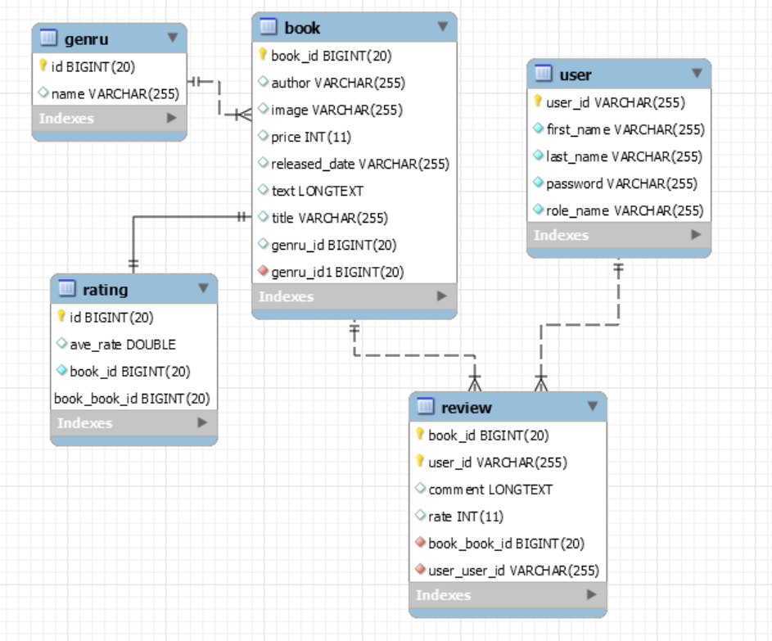

Book: book information
@Id
@GeneratedValue(Strategy = GenerationType.AUTO)
private Long | bookId | primary key (auto generation)
private String | title | book titke
@Lob
private String | text | book description
@ManyToOne(cascade= {CascadeType.ALL})
@JoinColumn(name="genru_id")
private String | genre | genre
private String | author | author
private String | releasedDate | released date
private String | image | book image URL
private String | price | book price
Genru: Book genru
@Id
private Long | id | primary key
private String | name | genru name
Rating: Average rating info for each book
@Id
private Long | id | (=Book.bookId)
private Double | aveRate | average rating
@OneToOne
@MapsId("id")
@JoinColumn(name="book_id")
private Book | book
Review: review from users
@EmbeddedID
private ReviewId | reviewId;
private Integer | rate | rate
private String | comment | user comment
@ManyToOne
@JoinColumn(name="book_id", insertable=false, updatable=false)
@MapsId("bookId")
private Book
@ManyToOne
@JoinColumn(name="user_id", insertable=false, updatable=false)
@MapsId("userId")
private User
User: User
@Id
@NotNull
private String | userId; | key
@NotNull
private String | firstName | first name
@NotNull
private String | lastName | last name
@NotNull
private String | password | password
@NotNull
@Enumerated(EnumType.STRING)
private RoleName | roleName | role name

Others
ReviewId
@Embeddable
private class ReviewId implements Serializable
private Long | bookId | bookId
private String | userId | userId

RoleName
public enum RoleName
ADMIN, USER

