Preparation
Preparation
To use the Kansas City Cap Shop project run the two projects listed below.

1. db_Customer
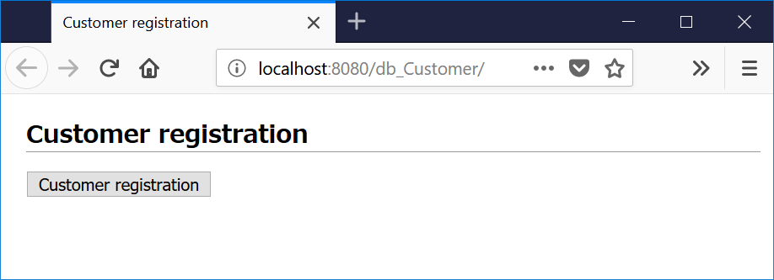

 | <Initial registration data>
 | user id | password | user name | email | group
 | admin | adminP | administrator | admin@com | admin
 | yamamoto | yamamotoP | Chieko Yamamoto | yamamoto@com | user
 | guest | guestP
 | <*>Passwords get encrypted by SHA-256 using MessageDigest Class (java.security libraly).

2. db_product
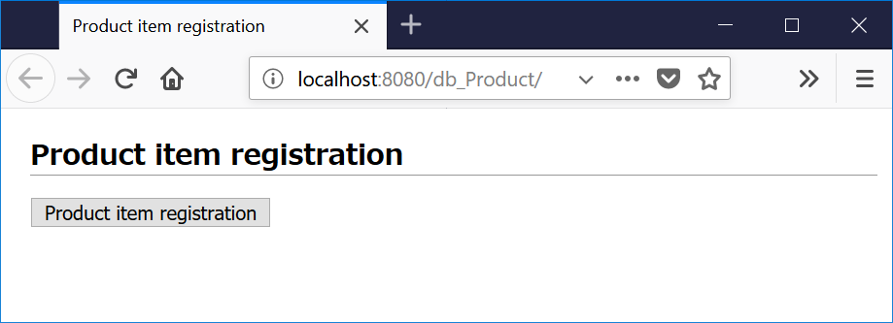

 | <Initial registration data>
 | Go to Sheet"item list" ====>

Screen
Screen-1 |  | Item List

*After Sign-in ==>
Hello <UserName>! Sign out

Kansas City Cap Shop
Template - Top

Cart
Order History
 | Welcome to KC Cap Shop! |  | Sign in
Sort by Price
Relevance
All
New
Recommend
Anual Sale!
Relevance
Price: Low to Hight
Price: High to Low
 |  |  |  |  |  | Top | Back | Next | Bottom

 |  |  | Item Name

Photo of Item
Item Description
Price
Template - Content

........
........
........

Template - Bottom
Copyright© Kansas City Shop. All rights reserved.

Screen-2 |  | Item Description

Kansas City Cap Shop

back to item list
Photo of Item
 |  |  |  |  |  | Item Name
Price

Description
 |  |  | Product Name

Go to cart

Copyright© Kansas City Shop. All rights reserved.

Screen-3 |  | Cart

Kansas City Cap Shop

Proceed to checkout
Back to shopping

Photo of Item
Description
Price Quantity


Description
Price Quantity

Copyright© Kansas City Shop. All rights reserved.

Screen-4 |  | Order - Customer Info

Kansas City Cap Shop

Back to cart

 |  |  | Customer Information

 |  | Name

 |  | Address

 |  | Mail Adress

 |  | Message

Order

Copyright© Kansas City Shop. All rights reserved.

Screen-5 |  | Order comfirmation

Kansas City Cap Shop

Back to shopping

Thank you for your oder!

Copyright© Kansas City Shop. All rights reserved.

Screen-6 |  | Sign in

Kansas City Cap Shop

Back to shopping

 |  |  |  | Sign in

 |  |  | User Name

 |  |  | Password

 |  |  |  | Sign in

 |  |  | New customer? |  | Start hear.

Copyright© Kansas City Shop. All rights reserved.

Screen-7 |  | Order History

Kansas City Cap Shop

Back to shopping
Photo of Item
Price
Quantity
Order Date: MM/DD/YYYY
User name: xxxxxxxxx
Addressee: xxxxxxxxx
Total price: $ 0000.00
Item Name

Copyright© Kansas City Shop. All rights reserved.

Screen-8 |  | Create account

Kansas City Cap Shop

Back to shopping

 |  |  |  | Create account

 |  |  | User Name |  |  |  | *required

 |  |  | Password |  |  |  | *required

 |  |  | Your name |  |  |  | *required

 |  |  | Email |  |  |  | *required

 |  |  |  | Resister

Copyright© Kansas City Shop. All rights reserved.

Entity(Table)
Product
Item ID
Item name
Price
Sales division
Item description
photo of item small
photo of item big
OrderLine(cart)
Order line ID
Product
Quantity
AppOrder
Order History ID
Customer
Order form Name
Order form email
Order form message
Order date
Order total price
OrderLine
Customer
Customer ID
Password
name
email
SignIn division

AppGroup(SignIn div)
Group Key (SignIn key)
Customer

Product: Item information / @Table(name=KCCS_PRODUCT)
@Id
@GeneratedValue(Strategy = GenerationType.AUTO)
private Long | id; | primary key (auto generation)
private String | name; | item name
private Integer | price; | price
@Enumerated(EnumType.STRING)
private AppKind | kind; | sales division
@Lob
private String | text; | item description
@Lob
@Basic(fetch=FetchType.LAZY)
private byte[] | pic_S; | photo of item (small)
@Lob
@Basic(fetch=FetchType.LAZY)
private byte[] | pic_L; | photo of item (big)
OrderLine: Order line / @Table(name=KCCS_ORDERLINE)
@Id
@GeneratedValue(Strategy = GenerationType.AUTO)
private Long | id; | primary key (auto generation)
private Product | product; | item <One-to-One (one way)>
pricvate Integer | quantity; | Order quantity
AppOrder: Order hitsory / @Table(name=KCCS_ORDER)
@Id
@GeneratedValue(Strategy = GenerationType.AUTO)
private Long | id; | primary key (auto generation)
private Customer | customer; | customer <One-to-One (one way)>
private String | form_name; | name (order form)
private String | form_mail; | email (order form)
private String | form_msg; | message (order form)
@Temporal(javax.persistence.TemporalType.DATE)
private Date | orderDate; | order date
private Integer | totalPrice; | order total price
@OneToMany(cascade={CascadeType.ALL})
private List<OrderLine> | orderLine; | Order line <One-to-One (one way)>
Customer: Customer / @Table(name=KCCS_CUSTOMER)
@Id
private String | id; | key
private String | passwd | password
private String | name; | name
private String | mail; | email
@OneToOne(cascade={CascadeType.ALL})
private AppGroup | qroup; | SignIn division<One-to-One (both way)>
AppGroup: SignIn division / @Table(name=KCCS_GROUP)
@EmbeddedID
private GroupKey | groupKey; | key(EmbeddedID)
@OneToOne(mappedBy="group")
private Customer | customer; | customer<One-to-One (both way)>

Others
GroupKey
@Embeddable
private class GroupKey implements Serializable
private String | groupId; | group key
private String | cid; | customer key

AppKind
public enum AppKid
NONE, KIND1, KIND2, KIND3

JDBC realm by GlassFish
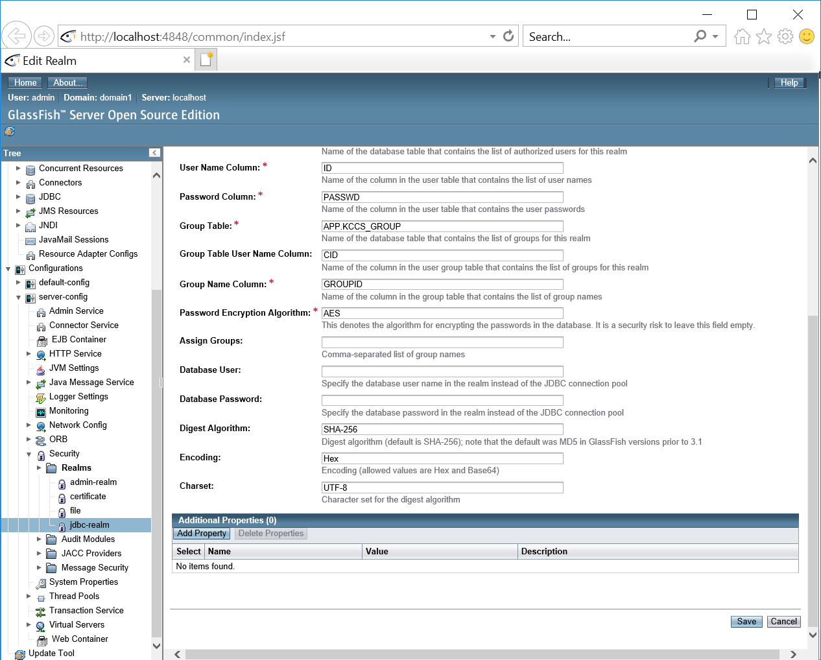
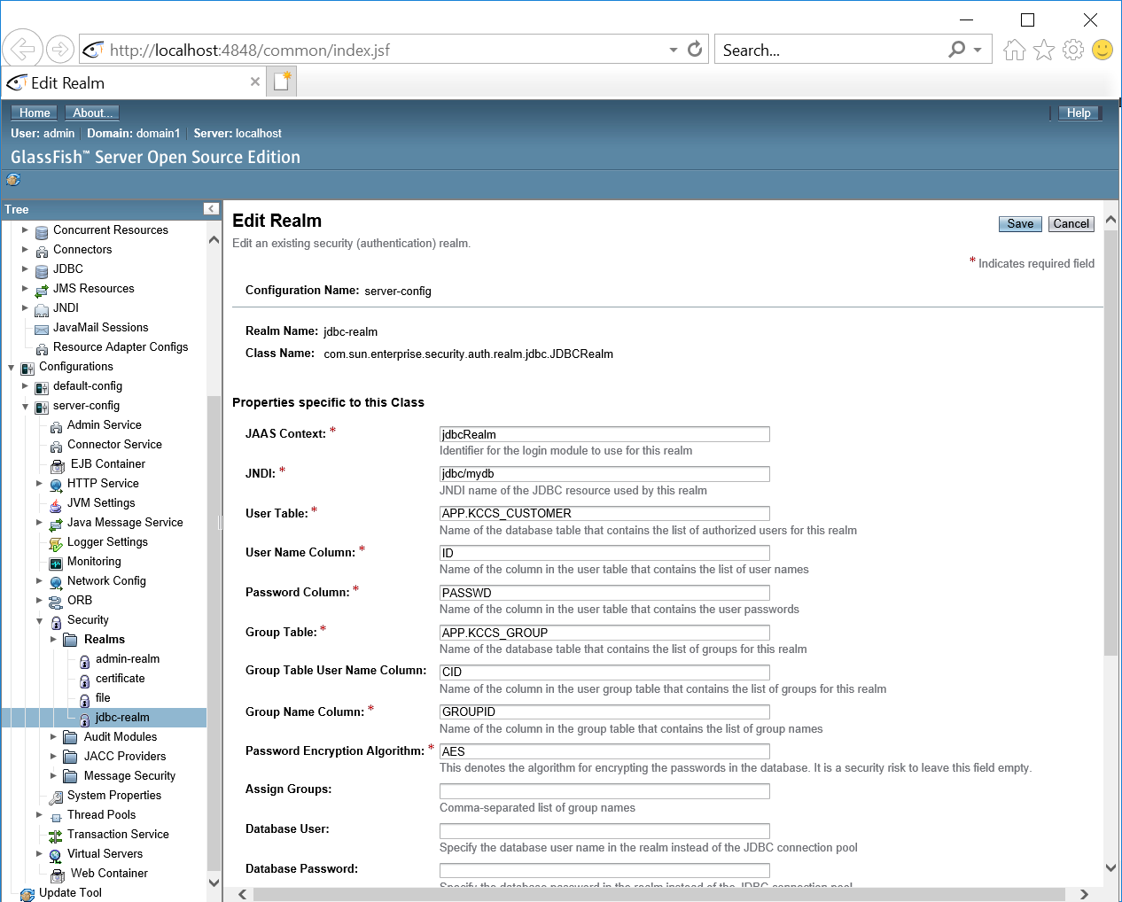

Security setting (user)
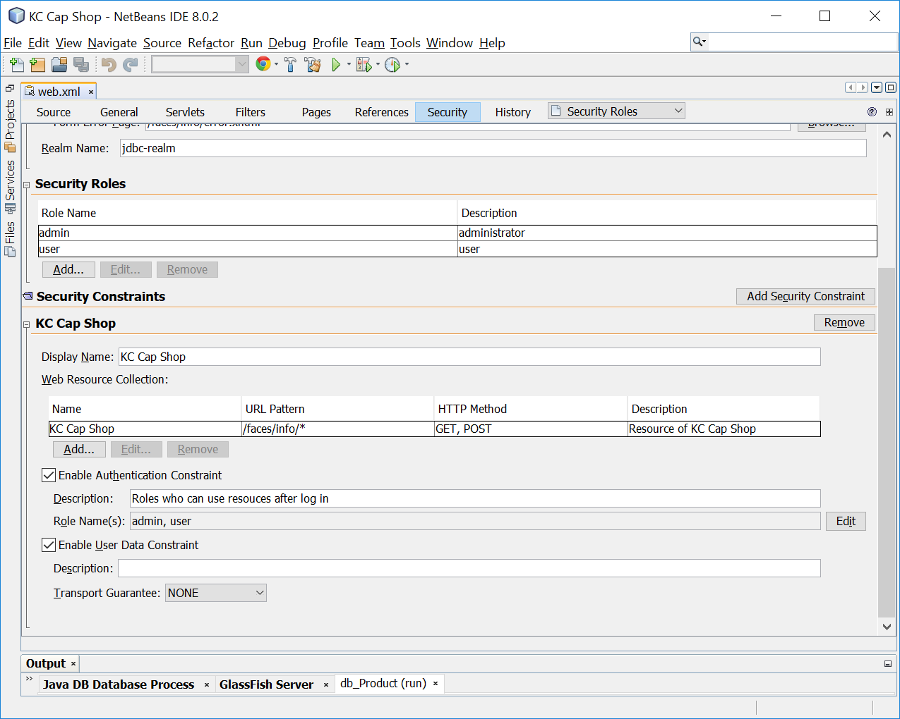
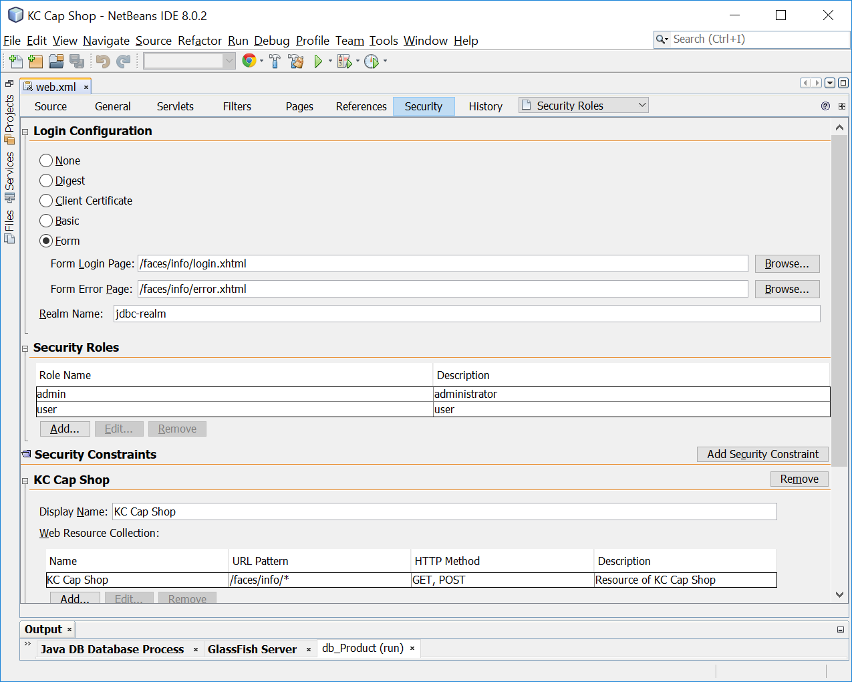

item list
pic | item name | description | price | KIND
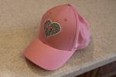 | Ladies KC Heart Cap | All ladies love the local Baseball team. This cap lets you express that love with a diamond heart around the city we all love. | 14.99 | KIND1
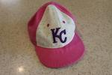 | Girls KC Sparkle Cap | Bedazzled lovers will enjoy routing on this had with multi sparkles sprinkles around the KC logo. | 12.99 | KIND1
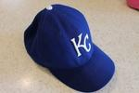 | KC Field Cap | Just like what the professionals where on the field. Cap does not come with multi-million dollar paychecks. | 24.99 | KIND2
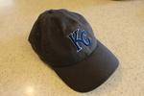 | KC Midnight Cap | Jet black cap with the blue KC logo. Its so stealthy it’s issued to all Ninja B-2 pilots. | 19.99 | KIND3
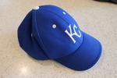 | Childs KC Adjustable Cap | Like daddy like son, but this hat will grown with your child. | 4.99 | KIND2
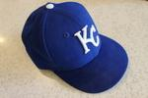 | Childs Fitted KC Cap | All kids love to see that batter symbol on the back of the fitted cap. This one has it! | 9.99 | KIND3
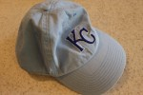 | KC Sunday Cap | Don't let this sun ruin your day game. This light colored hat keeps your head cool while your team burns up on the field. | 12.99 | KIND3
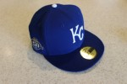 | KC 50th Season Cap | Celebrate the 50th win in the 50th season with this hat. Even comes with a golden ticket on the brim. | 50 | KIND3
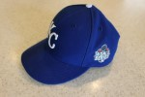 | KC 2015 WS Cap | The good ole days are behind us and this hat will serve as a keepsake of the golden days. | 99.99 | KIND2
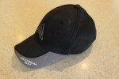 | Nihon Golf Cap | Golf like a Japanese Pro. Wearing this hat will get you into any golf course in Japan. | 124.99 | KIND1
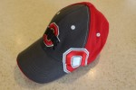 | O-H-I-O Cap | Route on your team with this hat. It does not come with championship rings or any other player memorabilia. | 35.99 | KIND2
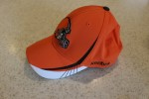 | Toilet Browns Cap | Things can only go up when you wear this hat. Don’t miss the win by not wearing this hat on Game Day. | 0.09 | KIND3
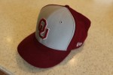 | Boomer OU Cap | Big Game Bob is gone, but can bring you some game day luck. | 29.99 | KIND3
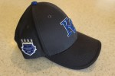 | KC Season Ticket Cap | Be one of the few with this customized hat that shows your pride and perseverance. | 85.15 | KIND3
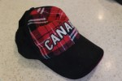 | Northern Neighbors Cap | Ready to move up North? This cap will make you fit in like maple syrup in a 55 gallon barrel. | 22.99 | KIND1
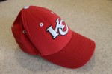 | Bye Bye Smith Cap | Rocket into the future with this hat. This hat will protect your head when the scoreboard explodes due to the high scoring games. | 39.99 | KIND2
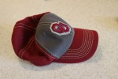 | Norman Football Cap | Classic sideline hat for any Sooners fan. Just make sure you sneak into the stadium early to claim your land! | 34.99 | KIND1
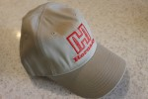 | Pew Pew Cap | Nothing can stop this hat. It just keeps going and going. | 79.99 | KIND1
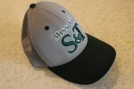 | Miners Cap | So cool, even an Engineer would wear this green and silver hat. It even comes with your very own pick axe. | 124.99 | KIND3
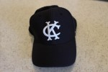 | KC Retro Cap | Don’t like Green and Gold, then go with this retro A's cap. | 67.99 | KIND2
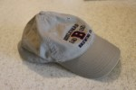 | In Wheat We Trust Cap | Who doesn’t like a sell out? Support the local crew with this hat. | 35 | KIND1
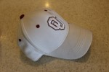 | Mayfield to the Rescue Cap | Who is ready for a win? Then slap on this cap and plant your flag as a win is guaranteed | 69.69 | KIND1
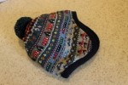 | Its Not Summer Stocking | If you want to feel like you are in The Christmas Story, then pick up this stocking cap. Just don’t lick any poles. | 14.99 | KIND1
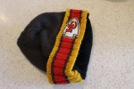 | Were talking about Playoffs | Has your team made a deep run into the playoffs, then grab this stocking cap on your way to the Championship! | 15.15 | KIND1

