BugReport
HYAATCLINICS.COM
OS : |  |  |  |  | TESTED BY:Chithira Ayyappankutty
VERIFIED BY: |  |  |  |  | DATE:
Bug ID | Expected Result | Bug Description | Step to Reproduce | Screenshot | Severity | Priority | Status
DEF_HYA_01 | contact link should working properly | Contact link is not working properly | 1.https://hyaatclinics.com/ 2.click on the contact link |  | Major | P1 | New
DEF_HYA_02 | social media icons should working properly | social media icons is not working properly | 1.https://hyaatclinics.com/ 2.click on the social media link |  | Minor | P2 | New
DEF_HYA_03 | contact link under the hamburger menu is working or not | hamburger menu is not working properly | 1.https://hyaatclinics.com/ 2.clickon the hamburger menu |  | Major | P3 | New
DEF_HYA_04 | Home page department social media icons should working properly | Home page department social media icons is not working properly | 1.https://hyaatclinics.com/ 2.clickon socialmedia link |  | Minor | P4 | New
DEF_HYA_05 | Check whether the logos should display properly | logo is not working properly | 1.https://hyaatclinics.com/ |  | Minor | P5 | New
DEF_HYA_06 | Text alignment should be in standard format | Text alignment is not in standard format | 1.https://hyaatclinics.com/ | 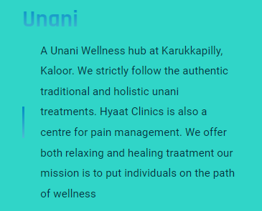 | Minor | P6 | New
DEF_HYA_07 | Picture should be match with the content | Pictures are not match with the content | 1.https://hyaatclinics.com/ | 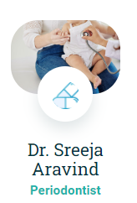 | Minor | P7 | New
DEF_HYA_08 | contact informations is not overlap contents | contact informations is overlap contents | 1.https://hyaatclinics.com/ | 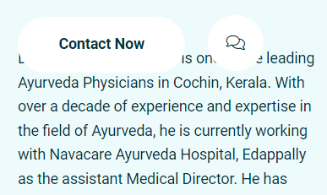 | Minor | P8 | New
DEF_HYA_09 | Name field should not accept more than 30 characters | Name field can accept more than 30 characters | 1.https://hyaatclinics.com/ 2.Enter the name |  | Major | P9 | New
DEF_HYA_10 | fullname should not accept numbers and special characters | Fullname acceptnumbers and special characters | 1.https://hyaatclinics.com/ 2.Enter the name |  | Major | P10 | New
DEF_HYA_11 | email should enter with invalid email id | email should not enter with invalid id | 1.https://hyaatclinics.com/ 2.Enter the emailid |  | Major | P11 | New
DEF_HYA_12 | Age field should not accept more than two digits | Age field accept more than two digits | 1.https://hyaatclinics.com/ 2.Enther the emailid |  | Major | P12 | New
DEF_HYA_13 | Age field should not accept characters | Age field accept characters | 1.https://hyaatclinics.com/ 2.Enther the age |  | Major | P13 | New
DEF_HYA_14 | mobile no field should not contain more than 12digits | mobile no field contain more than 12digits | 1.https://hyaatclinics.com/ 2.Enther the mobileno |  | Major | P14 | New
DEF_HYA_15 | Appointment date should not enter previous dates | Appointment date can enter previous dates | 1.https://hyaatclinics.com/ 2.Enther the date |  | Major | P15 | New
DEF_HYA_16 | possible to enter am or pm for the time | not possible to enter am or pm for the time | 1.https://hyaatclinics.com/ 2.Enther the time |  | Major | P16 | New
DEF_HYA_17 | the time can enter more than 24 hr |  | 1.https://hyaatclinics.com/ 2.Enther the time |  | Major | P17 | New
DEF_HYA_18 | All department expert should be assigned or not | All department expert is not assigned | 1.https://hyaatclinics.com/ 2.select from the dropdownlist | 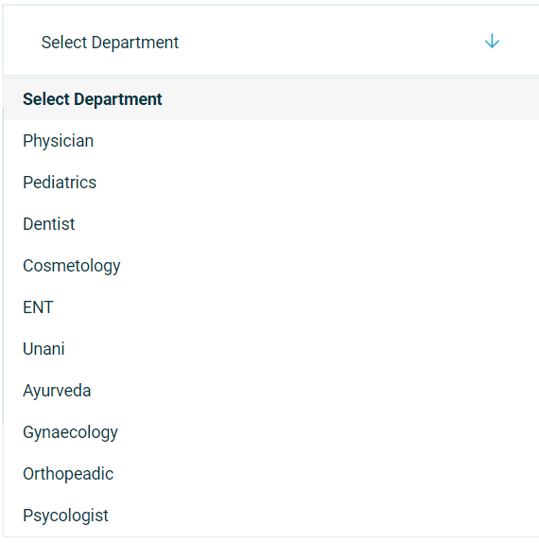 | Major | P18 | New
DEF_HYA_19 | All doctors should be display on expert dropdown list | All doctors is not display on expert dropdown list | 1.https://hyaatclinics.com/ 2.select from the dropdownlist | 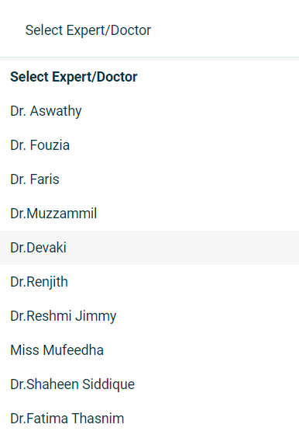 | Major | P19 | New
DEF_HYA_20 | Appointment button should not accepting without values | Appointment button is not accepting without values | 1.https://hyaatclinics.com/ 2.clickon the appointment button | 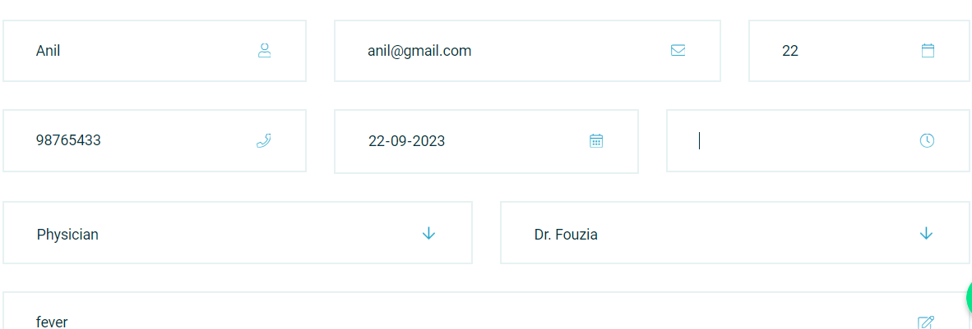 | Major | P20 | New
DEF_HYA_21 | phone number get direction link should be working properly | phone number get direction link is not working properly | 1.https://hyaatclinics.com/ 2.clickon the phone number |  | Major | P21 | New
DEF_HYA_22 | email address get direction link should be working properly or not | email address get direction link is not working properly or not | 1.https://hyaatclinics.com/ 2.clickon the email address |  | Major | P22 | New
DEF_HYA_23 | office address get direction link ishould beworking properly or not | office address get direction link is not working properly or not | 1.https://hyaatclinics.com/ 2.clickon the office address | 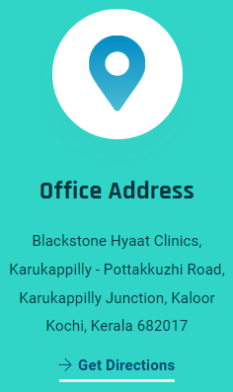 | Major | P23 | New
DEF_HYA_24 | social connect get direction link should be working properly | social connect get direction link is not working properly | 1.https://hyaatclinics.com/ 2.clickon the social connect | 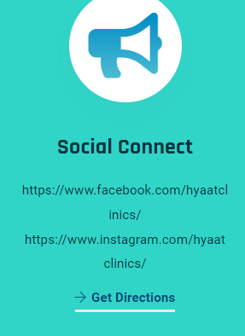 | Major | P24 | New
DEF_HYA_25 | Hamburger menu and contact module containing the same content | Not containing the same content | 1.https://hyaatclinics.com/ 2.click on the contact and hambrger menu | 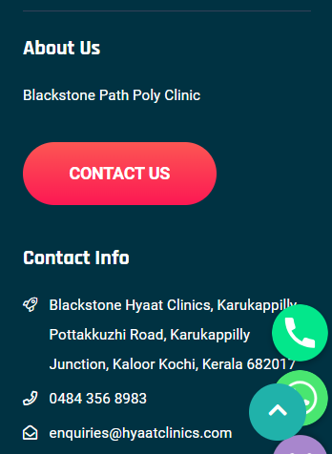 | Minor | P25 | New
DEF_HYA_26 | Appointment page font sizes should be same | page sizes are different | 1.https://hyaatclinics.com/ 2.click on the appointment link |  | Minor | P26 | New
DEF_HYA_27 | Pediatrics section should display information | Pediatrics section display information | 1.https://hyaatclinics.com/ 2.click o n the doctors link | 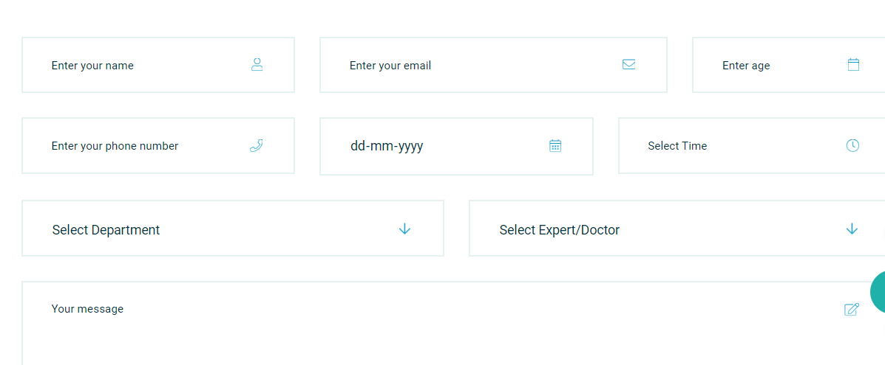 | Minor | P27

DefectDistribution
MODULES | DEFECTS
HOME | 5
ABOUT US | 2
DEPARTMENT | 2
DEFECT DISTRIBUTION
DOCTORS | 3
APPOINTMENT | 13
CONTACT | 4

