Correlation Matrix
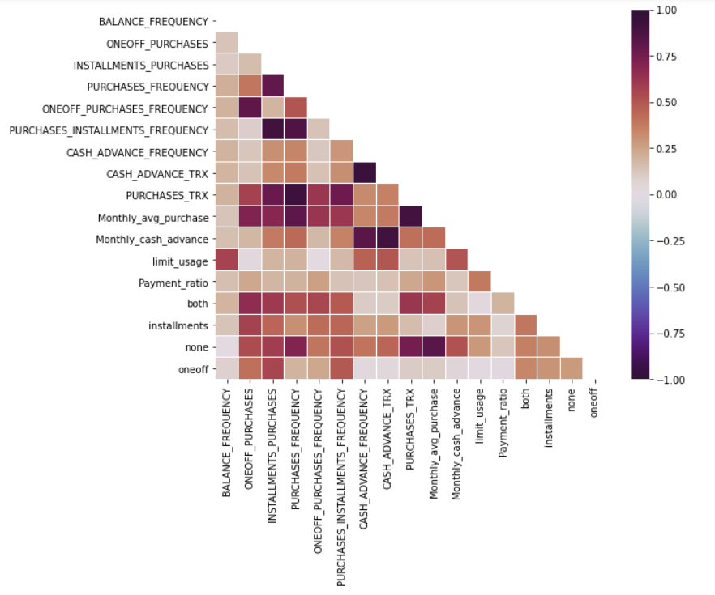
 | BALANCE_FREQUENCY | ONEOFF_PURCHASES | INSTALLMENTS_PURCHASES | PURCHASES_FREQUENCY | ONEOFF_PURCHASES_FREQUENCY | PURCHASES_INSTALLMENTS_FREQUENCY | CASH_ADVANCE_FREQUENCY | CASH_ADVANCE_TRX | PURCHASES_TRX | Monthly_avg_purchase | Monthly_cash_advance | limit_usage | Payment_ratio | both | installments | none | oneoff
BALANCE_FREQUENCY | 1 | 0.14017 | 0.110565 | 0.211533 | 0.199116 | 0.162279 | 0.195083 | 0.191347 | 0.197594 | 0.136531 | 0.153342 | 0.572045 | 0.153432 | 0.191432 | 0.134614 | 0.011506 | 0.085719
ONEOFF_PURCHASES | 0.14017 | 1 | 0.161434 | 0.394093 | 0.813939 | 0.097157 | 0.128787 | 0.144803 | 0.574393 | 0.712306 | 0.182491 | 0.034376 | 0.236779 | 0.661126 | 0.573717 | 0.536671 | 0.414662
INSTALLMENTS_PURCHASES | 0.110565 | 0.161434 | 1 | 0.804211 | 0.19138 | 0.905443 | 0.31015 | 0.335621 | 0.782683 | 0.687568 | 0.377479 | 0.191301 | 0.185774 | 0.607277 | 0.448744 | 0.591238 | 0.559631
PURCHASES_FREQUENCY | 0.211533 | 0.394093 | 0.804211 | 1 | 0.503478 | 0.856976 | 0.345902 | 0.382579 | 0.92186 | 0.817176 | 0.433554 | 0.198148 | 0.196351 | 0.521602 | 0.309931 | 0.708043 | 0.193552
ONEOFF_PURCHASES_FREQUENCY | 0.199116 | 0.813939 | 0.19138 | 0.503478 | 1 | 0.143362 | 0.123254 | 0.145991 | 0.621698 | 0.624414 | 0.1783 | 0.006768 | 0.259542 | 0.556323 | 0.425733 | 0.398242 | 0.232995
PURCHASES_INSTALLMENTS_FREQUENCY | 0.162279 | 0.097157 | 0.905443 | 0.856976 | 0.143362 | 1 | 0.290847 | 0.315215 | 0.769837 | 0.613901 | 0.354226 | 0.17319 | 0.141582 | 0.486777 | 0.446637 | 0.520723 | 0.493143
CASH_ADVANCE_FREQUENCY | 0.195083 | 0.128787 | 0.31015 | 0.345902 | 0.123254 | 0.290847 | 1 | 0.936469 | 0.327403 | 0.341238 | 0.826931 | 0.460085 | 0.13103 | 0.10411 | 0.253079 | 0.40382 | 0.027924
CASH_ADVANCE_TRX | 0.191347 | 0.144803 | 0.335621 | 0.382579 | 0.145991 | 0.315215 | 0.936469 | 1 | 0.357895 | 0.37801 | 0.902805 | 0.4986 | 0.146745 | 0.109572 | 0.279532 | 0.448072 | 0.039111
PURCHASES_TRX | 0.197594 | 0.574393 | 0.782683 | 0.92186 | 0.621698 | 0.769837 | 0.327403 | 0.357895 | 1 | 0.899851 | 0.414205 | 0.14074 | 0.237106 | 0.620589 | 0.16192 | 0.749516 | 0.105244
Monthly_avg_purchase | 0.136531 | 0.712306 | 0.687568 | 0.817176 | 0.624414 | 0.613901 | 0.341238 | 0.37801 | 0.899851 | 1 | 0.426933 | 0.149987 | 0.290645 | 0.573881 | 0.089251 | 0.828244 | 0.106641
Monthly_cash_advance | 0.153342 | 0.182491 | 0.377479 | 0.433554 | 0.1783 | 0.354226 | 0.826931 | 0.902805 | 0.414205 | 0.426933 | 1 | 0.502032 | 0.128382 | 0.144071 | 0.29567 | 0.516029 | 0.052756
limit_usage | 0.572045 | 0.034376 | 0.191301 | 0.198148 | 0.006768 | 0.17319 | 0.460085 | 0.4986 | 0.14074 | 0.149987 | 0.502032 | 1 | 0.386183 | 0.03419 | 0.297455 | 0.283109 | 0.013238
Payment_ratio | 0.153432 | 0.236779 | 0.185774 | 0.196351 | 0.259542 | 0.141582 | 0.13103 | 0.146745 | 0.237106 | 0.290645 | 0.128382 | 0.386183 | 1 | 0.195393 | 0.066849 | 0.126645 | 0.020092
both | 0.191432 | 0.661126 | 0.607277 | 0.521602 | 0.556323 | 0.486777 | 0.10411 | 0.109572 | 0.620589 | 0.573881 | 0.144071 | 0.03419 | 0.195393 | 1 | 0.38953 | 0.364377 | 0.344898
installments | 0.134614 | 0.573717 | 0.448744 | 0.309931 | 0.425733 | 0.446637 | 0.253079 | 0.279532 | 0.16192 | 0.089251 | 0.29567 | 0.297455 | 0.066849 | 0.38953 | 1 | 0.316004 | 0.299111
none | 0.011506 | 0.536671 | 0.591238 | 0.708043 | 0.398242 | 0.520723 | 0.40382 | 0.448072 | 0.749516 | 0.828244 | 0.516029 | 0.283109 | 0.126645 | 0.364377 | 0.316004 | 1 | 0.279797
oneoff | 0.085719 | 0.414662 | 0.559631 | 0.193552 | 0.232995 | 0.493143 | 0.027924 | 0.039111 | 0.105244 | 0.106641 | 0.052756 | 0.013238 | 0.020092 | 0.344898 | 0.299111 | 0.279797 | 1

Insights & Strategies
Insights
Suggested Strategies
25% or more above overall |  | K4 Clusters
25% or more below overall | Overall | 1 | 2 | 3 | 4
 | Segment_Size | 31% | 21% | 25% | 23%
BALANCE_FREQUENCY | 0.88 | 0.88 | 0.98 | 0.82 | 0.79
Very less is spent during last 12 months. that is why purchase frequency is very low i.e hardly purchased every month.
Less frequency of one-off purchases and installments purchases.
Very high amount of cash advance and cash advance transaction amount.
Didn't spent amount at all on both.(i.e. one-off purschase and installment purchase)
Highly opted for cash purchase type.
High credit card usage i.e not able to manage available credit.
Low payment ratio. statement balance.
Very rare purchasers.
Provide regular discounts so that they return more often.
Slight increase credit card limit.
Offers on cash advancing
Decrease intersest rate on installment and one-off purchases.
First warning then Interset should be charged on the due balance not to be paid on time.
PURCHASES | 936.23 | 2.09 | 2302.67 | 743.13 | 531.59
PURCHASES_FREQUENCY | 0.49 | 0.00 | 0.84 | 0.32 | 0.67
PURCHASES_TRX | 14.15 | 0.04 | 35.37 | 6.43 | 10.85
ONEOFF_PURCHASES_FREQUENCY | 0.20 | 0.00 | 0.48 | 0.32 | 0.01
PURCHASES_INSTALLMENTS_FREQUENCY | 0.36 | 0.00 | 0.68 | 0.00 | 0.63
CASH_ADVANCE | 935.92 | 1640.71 | 402.27 | 548.19 | 222.48
CASH_ADVANCE_FREQUENCY | 0.13 | 0.23 | 0.06 | 0.08 | 0.02
CASH_ADVANCE_TRX | 3.08 | 4.39 | 1.26 | 1.50 | 0.45
Purchase_type_both | 0.31 | 0.00 | 0.99 | 0.00 | 0.10
Purchase_type_cash | 0.23 | 0.98 | 0.00 | 0.00 | 0.01
Purchase_type_installment | 0.25 | 0.02 | 0.01 | 0.00 | 0.89
Purchase_type_oneoff | 0.21 | 0.00 | 0.00 | 1.00 | 0.00
limit_ratio | 38.52 | 56.90 | 35.62 | 35.43 | 21.82
Payment_ratio | 551.79 | 388.35 | 732.31 | 530.08 | 576.34
Very high is spent during last 12 months. that is why purchase frequency is very high i.e purchased every month.
Very high amount is spent per transaction.
High frequency of one-off purchases and installments purchases.
Do not prefer cash advance and cash advance transaction amount.
Very high purchases amount for both(one-off and installments).
Low credit card usage i.e able to manage available credit.
High payment ratio.
Bonus points for purchases.
Cashback offers for one-off and installments purchases.
Shopping points to promote cash advancing
Decrease intersest rate on installment and one-off purchases.
Provide discounts on doing payments through card so to promote credit card usage.
TENURE | 11.52 | 11.34 | 11.83 | 11.51 | 11.45

Very less is spent during last 12 months. that is why purchase frequency is very low i.e hardly purchased every month.
Less frequency of installments purchases.
High frequency of one-off purchases.
Very low amount of cash advance and cash advance transaction amount.
Very high purchases amount for one-off .
Low credit card usage i.e able to manage available credit.
Low payment ratio.
Provide attractive discounts and cashbacks so that people do more shopping.
Shopping points on cash advancing to promote it.
Decrease intersest rate on installment purchases.
Heavy Cashback offers on one-off purchases.
Recharge Offers or bonus points on shopping .
Provide discounts and cashback on doing payments through card so to promote credit card usage.

Very less is spent during last 12 months.
Purchase frequency is very high i.e did atleast one purchase every month.
High frequency of installments purchases.
Less frequency of one-off purchases.
Very low amount of cash advance and cash advance transaction amount.
Very high purchases amount for installment.
Low credit card usage i.e able to manage available credit.
Bonus points and offers on shopping so that people visit more often.
Shopping points on cash advancing to promote it.
Cash back offers on installment purchases.
Heavy Cashback offers on one-off purchases.
Recharge Offers or bonus points on shopping .
Provide discounts on doing payments through card so to promote credit card usage.

