Vlookup+Text format
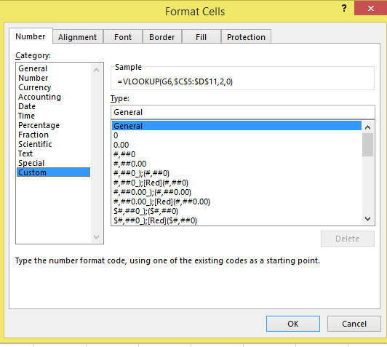
EmpName | EmpID
Ram | 111 |  | EmpName | EmpID
Sam | 222 |  | Ram | 111
Raj | 333 |  | Sam | =VLOOKUP(G6,$C$5:$D$11,2,0)
Manish | 444 |  | Raj | =VLOOKUP(G6,$C$5:$D$11,2,0)
Deepak | 555 |  | Manish | =VLOOKUP(G6,$C$5:$D$11,2,0)
Chandan | 666 |  | Deepak | =VLOOKUP(G6,$C$5:$D$11,2,0)
Lokesh | 777 |  | Chandan | =VLOOKUP(G6,$C$5:$D$11,2,0)
 |  |  | Lokesh | =VLOOKUP(G6,$C$5:$D$11,2,0)

 |  | Vlookup+Tet Function

Vlookup+Validation
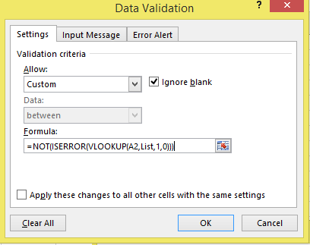
Data | State Name
 | UP
HP | MP
 | HP
WB | UK
 | WB
uk | AP
 | JH

