Dashboard
Keyword Rank | 12/26/25 | 正能量小太阳

 | night vision camera
2022/12/1 | 49
2022/12/2 | 48
2022/12/3 | 47
2022/12/4 | 46
2022/12/5 | 45
2022/12/6 | 44
2022/12/7 | 43
2022/12/8 | 42
2022/12/9 | 41
2022/12/10 | 40
2022/12/11 | 39
2022/12/12 | 38
2022/12/13 | 37
2022/12/14 | 1
2022/12/15
2022/12/16
2022/12/17
2022/12/18
2022/12/19
2022/12/20
2022/12/21
2022/12/22
2022/12/23
2022/12/24
2022/12/25
2022/12/26
2022/12/27
2022/12/28
2022/12/29
2022/12/30
2022/12/31

操作说明
提高效率篇——如何每天只花5分钟跟踪自己产品的关键词排名
一、安装Google 插件：https://chrome.google.com/webstore/detail/amazon-kw-index-and-rank/dehlblnjjkkbapjemjbeafjhjpjoifii 首次使用需要登录账号，推荐用Google账号，后续使用不FAN墙，本人测试下来FAN墙更慢；界面如下图：
二、提前准备好需要跟踪的keyword，复制keyword和asin到插件中，点击蓝色按钮“Check Ranking”，等待爬取，一般1分钟之内可完成；
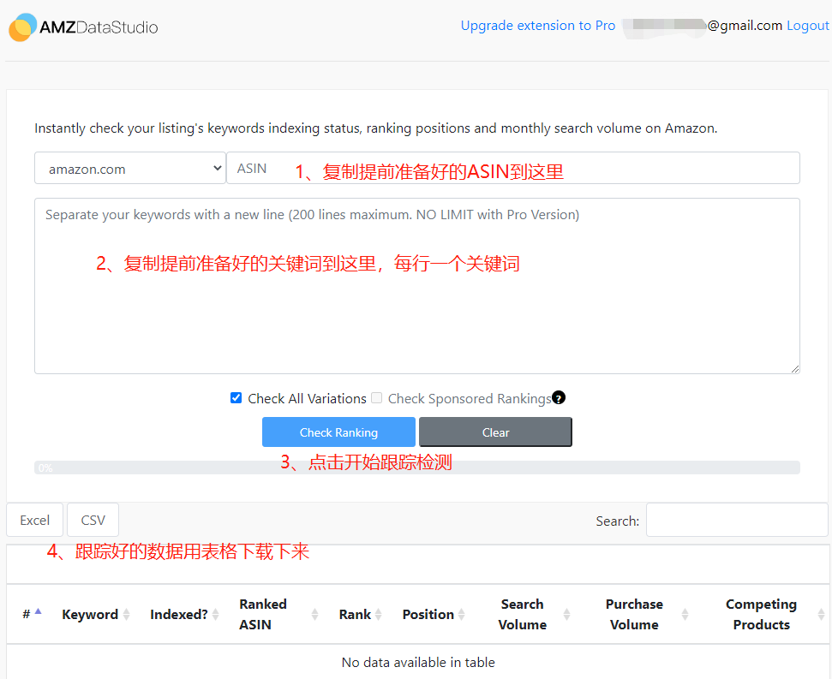

三、表格下载下来之后，打开并复制"Rank"这列的数据，粘贴到 ASIN 跟踪表中；

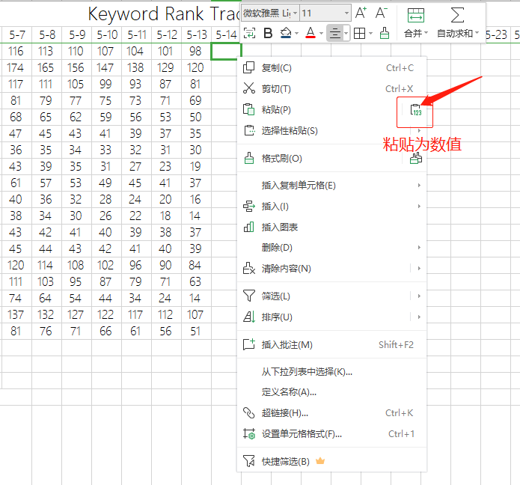

四、数据添加后，找到表导航栏“数据”——“全部刷新”，这样透视表及曲线图就会全部更新了；
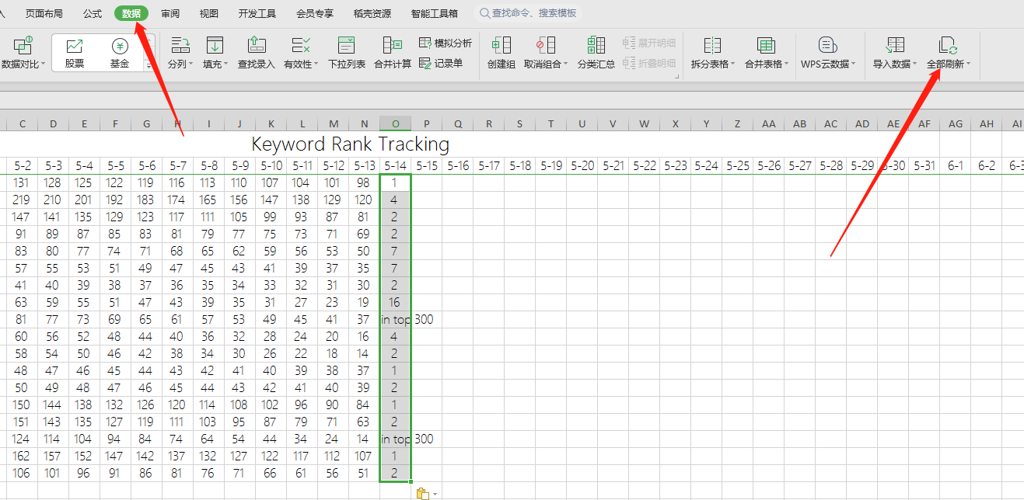

五、表格中出现“Not in top 300”，说明关键词排位在6页（按照每页48个自然位）之后了，跟踪不到实时排名，数据会以0结果取代； 按照以上方法，可以跟踪多个ASIN，用切片器查看不同数据源结果，从此每天上班早上利用5分钟跟踪产品关键词排名不是梦；

