竞品链接数据
图片 | ASIN | 品牌 | 商品标题 | 款式 | 配件 | 评论来源 | BSR排名 | 近30天销量 | 近30天销售额 | 价格 | FBA运费 | 评分 | 评分数 | 留评率 | 月新增 评论数 | 上架时间 | 变体数 | 卖家数 | Buybox卖家 | Buybox卖家国籍 | 配送方式 | 重量 | 体积
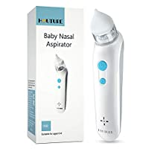 | B08P79QQFN | HAUTURE | Baby Nasal Aspirator | Baby Nose Sucker | Snot Sucker for Baby - Baby Nose Cleaner, Automatic Booger Sucker for Infants, Rechargeable, with Music Soothing Function | 电动款 | 无 |  | 1,361 | 896 | $17,911.04 | $19.99 | $3.59 | 4.4 | 22 | 2.01% | 18 | 2021-01-27 | 1 | 5 | HAUTURE STORE | UNKNOWN | FBA | 9.9 ounces | 8.54 x 2.95 x 2.64 inches
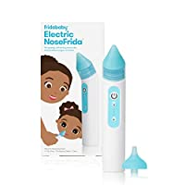 | B08Q3MKRGT | FridaBaby | Electric NoseFrida | USB Rechargeable Nasal Aspirator with Different Levels of Suction by Frida Baby | 电动款 | 硅胶吸头 |  | 2,172 | 2,247 | $89,857.53 | $39.99 | $3.59 | 2.6 | 79 | 2.98% | 67 | 2020-12-12 | 1 | 1 | Amazon.com | UNKNOWN | AMZ | 8 ounces | 2.63 x 4 x 9.5 inches
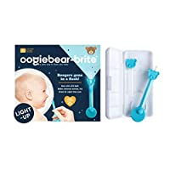 | B08NXZSXPM | oogiebear | oogiebear-Brite - Patented Curved Scoop and Loop; Newborn, Infant and Baby Nasal Booger, Snot Picker, Ear Cleaner Gadget with Built-in LED Light | 手动款 | 收纳盒 |  | 5,992 | 635 | $13,963.65 | $21.99 | $3.42 | 4.5 | 87 | 10.24% | 65 | 2020-12-10 | 1 | 1 | oogiebear | US | FBA | 3.8 ounces | 4.5 x 0.75 x 3 inches
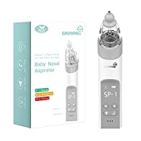 | B08CMWHD3B | GROWNSY | Baby Nasal Aspirator | Baby Nose Sucker | Snot Sucker for Baby - Baby Nose Cleaner, Automatic Booger Sucker for Infants, Rechargeable, With Music & Light soothing Function | 电动款 | 硅胶吸头 | 绑变体+国际评论 | 1,632 | 1,885 | $65,956.16 | $34.99 | $3.59 | 4.4 | 576 | 14.01% | 264 | 2020-11-14 | 2 | 4 | Heyvalue | CN | FBA | 10.8 ounces | 6.81 x 4.13 x 2.24 inches
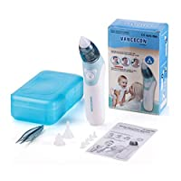 | B08K8JZH8P | LKTINA | Baby Nasal Aspirator - Electric Nose Suction Automatic Snot Sucker & Ear Wax Remover - Safe and Hygienic for Newborns Infant Toddlers Kids (Blue) | 电动款 | 收纳盒，镊子，硅胶吸头 | 绑变体+国际评论 | 8,372 | 506 | $12,138.94 | $23.99 | $3.48 | 4.0 | 927 | 93.87% | 475 | 2020-09-29 | 1 | 1 | CarloKargo | UNKNOWN | FBA | 11.2 ounces | 7.05 x 4.29 x 2.28 inches
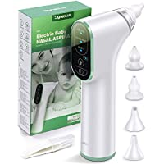 | B08G88B8BV | DynaBliss | Baby Nasal Aspirator Electric, DynaBliss Baby Nose Sucker with 4 Medical Silicone Tips and 3 Suction Levels, Rechargeable Nasal Aspirator Newborn Includes Nasal Tweezers | 电动款 | 硅胶吸头 |  | 7,902 | 449 | $16,159.51 | $35.99 | $3.59 | 4.0 | 342 | 23.39% | 105 | 2020-09-25 | 1 | 2 | TENMAND | CN | FBA | 10.4 ounces | 8.1 x 4.5 x 2 inches
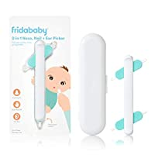 | B087XRDRF6 | FridaBaby | FridaBaby 3-in-1 Nose, Nail + Ear Picker by Frida Baby The Makers of NoseFrida The SnotSucker, Safely Clean Baby's Boogers, Ear Wax & More | 手动款 | 无 |  | 951 | 2,986 | $29,830.14 | $9.99 | $3.31 | 4.7 | 8,251 | 43.77% | 1,307 | 2020-05-16 | 1 | 2 | Amazon.com | UNKNOWN | AMZ | 2.39 ounces | 5.75 x 0.5 x 0.62 inches
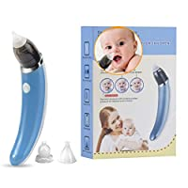 | B0832MYP86 | LN LOVE NEST | LN LOVE NEST Nasal Aspirator Baby Nose Sucker Snot Sucker Electric Safe USB Rechargeable Baby Nose Suction Baby Nose Cleaner Mucus Suction Automatic Booger Sucker Infants Toddler (Blue) | 电动款 | 硅胶吸头 | 绑变体 | 7,943 | 61 | $614.88 | $10.08 | $3.59 | 3.5 | 30 | 4.92% | 3 | 2020-04-12 | 3 | 1 | ILove Nest | CN | FBA | 8.8 ounces | 9 x 6.5 x 2.2 inches
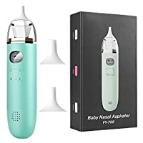 | B086PWGK5X | Comezy | Comezy Baby Nasal Aspirator - Electric Nose Suction for Baby - Automatic Snot Sucker for Toddlers - Battery Powered Booger Sucker for Infants - Mucus Remover for Kids with 3 Suction Levels | 电动款 | 硅胶吸头 |  | 4,731 | 898 | $26,931.02 | $29.99 | $4.90 | 4.2 | 2,092 | 23.61% | 212 | 2020-04-07 | 1 | 1 | mingdianshanghang | CN | FBA | 7.2 ounces | 8 x 1.9 x 1.5 inches
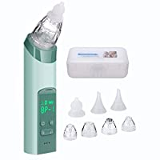 | B083GK8HH3 | COCOBELA | 2 in 1 Baby Nasal Aspirator,Blackhead Remover - COCOBELA USB Electric Nose Sucker for Baby Infants with 3 Silicon Tip and 4 Replacement Blackhead Remover Probes | 电动款 | 硅胶吸头 | 绑变体 | 4,913 | 744 | $22,312.56 | $29.99 | $4.90 | 4.3 | 679 | 13.98% | 104 | 2020-01-08 | 2 | 2 | COCOBELA | CN | FBA | 13.4 ounces | 6.81 x 6.22 x 2.2 inches
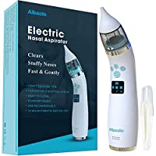 | B07XB5KYDM | Aibaolo | Electric Baby Nasal Aspirator USB Rechargeable - Nose Cleaner with 4 Silicone Tips (2 Different Sizes) and 3 Adjustable Strengths of Suction for Newborns and Toddlers - Wonderful Music (White) | 电动款 | 硅胶吸头 |  | 8,532 | 446 | $17,371.70 | $38.95 | $3.42 | 3.8 | 373 | 4.71% | 21 | 2019-10-13 | 1 | 1 | Aibaolo | CN | FBA | 5.6 ounces | 8.5 x 4.3 x 2.4 inches
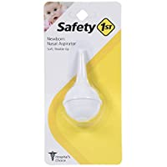 | B07QMW1FNC | Safety 1st | Safety 1St Nasal Aspirator, White, One Size | 球形 | 无 | 国际评论 | 2,420 | 1,789 | $5,349.11 | $2.99 | $3.31 | 4.5 | 931 | 6.93% | 124 | 2019-05-14 | 1 | 3 | Amazon.com | UNKNOWN | AMZ | 0.704 ounces | 7.63 x 3.63 x 2.25 inches
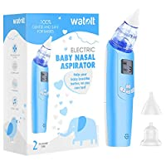 | B07PHWF42C | Watolt | Baby Nasal Aspirator - Electric Nose Suction for Baby - Automatic Booger Sucker for Infants - Battery Powered Snot Sucker Mucus Remover for Kids Toddlers | 电动款 | 收纳盒，镊子，说明书，硅胶吸头 | 绑变体+国际评论 | 318 | 10,368 | $414,616.34 | $39.99 | $3.48 | 4.3 | 7,819 | 8.43% | 874 | 2019-03-18 | 3 | 3 | Watolt LLC | CN | FBA | 10.5 ounces | 6.81 x 4.09 x 2.2 inches
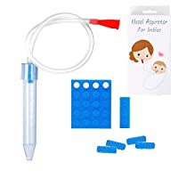 | B07P5CC7LM | Molucky | Baby Nasal Aspirator with 24 Filters,Snot Sucker Infant Premium Mucus Aspirator,Mouth Suction Nasal Congestion Relief for Toddlers,Fast and Safe,Baby Shower Gift and Registry Essential | 嘴吸款 | 过滤器，软管 | 绑变体 | 1,982 | 2,350 | $28,176.50 | $11.99 | $3.31 | 4.4 | 1,335 | 8.89% | 209 | 2019-03-06 | 1 | 1 | Molucky | CN | FBA | 0.81 ounces | 7 x 3.5 x 1 inches
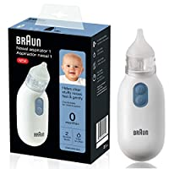 | B07N28G62S | Braun | Braun Nasal Aspirator – Quickly and Gently Clear Stuffed Infant Noses, Toddler and Baby Nasal Aspirator with Two Adjustable Nasal Tips and Two Suction Levels | 电动款 | 硅胶吸头 | 国际评论 | 3,395 | 1,147 | $35,534.06 | $30.98 | $4.90 | 4.1 | 686 | 7.93% | 91 | 2019-02-05 | 1 | 6 | Amazon.com | UNKNOWN | AMZ | 3.52 ounces | 4.48 x 2.52 x 6.73 inches
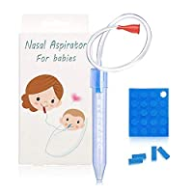 | B07KXKN6Q1 | BOAOBOYO | Baby Nasal Aspirator Infant Booger Sucker,Snot Sucker for Baby,Mucus Aspirator for Newborns,Nose Cleaner with 24 Hygiene Filters, Fast and Reusable (Update) | 嘴吸款 | 过滤器，软管 | 绑变体 | 3,019 | 313 | $4,378.87 | $12.99 | $3.31 | 4.5 | 251 | 7.67% | 24 | 2018-11-29 | 1 | 1 | Baby Carelove | CN | FBA | 1.44 ounces | 7.8 x 3.54 x 1.06 inches
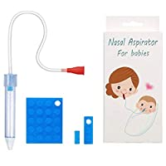 | B07FVKBRXQ | Molucky | Baby Nasal Aspirator with 24 Hygiene Filters, Snot Sucker for Newborns to Toddlers, Mucus Aspirator for Baby, Non-Toxic Mucus Extractor, Cleanable and Reusable Nasal Congestion Relief for Infant | 嘴吸款 | 过滤器 |  | 7,923 | 513 | $6,663.87 | $12.99 | $3.31 | 4.4 | 686 | 17.35% | 89 | 2018-07-27 | 1 | 1 | Moluckybaby | CN | FBA | 1.13 ounces | 7.8 x 3.5 x 1 inches
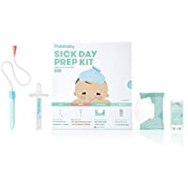 | B07F172CJ4 | FridaBaby | Baby Sick Day Prep Kit by FridaBaby - Includes NoseFrida Nasal Aspirator, MediFrida Pacifier Medicine Dispenser, Breathefrida Vapor Chest Rub + Snot Wipes. Soothe Stuffy Noses for Babies with A Cold | 嘴吸款 | 奶嘴药水分配器，湿巾 |  | 2,632 | 1,271 | $46,950.74 | $36.94 | $4.90 | 4.8 | 352 | 2.52% | 32 | 2018-06-25 | 1 | 1 | Amazon.com | UNKNOWN | AMZ | 7.05 Ounces | 7.87 x 2.75 x 9.35 inches
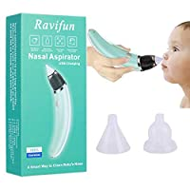 | B07BPZMSRX | Ravifun | Electric Baby Nasal Aspirator, Ravifun Snot Sucker Nose Mucus Boogies Vacuum Cleaner with 5 Levels of Suction for Newborn Infant Toddlers and Kids | 电动款 | 硅胶吸头 |  | 2,266 | 2,254 | $47,311.46 | $20.99 | $3.59 | 3.9 | 1,494 | 10.51% | 237 | 2018-04-16 | 1 | 1 | Ravifun | CN | FBA | 5.1 ounces | 9.3 x 4.3 x 2.2 inches
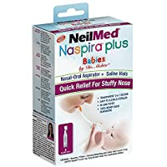 | B01F4U8L9M | NeilMed | NeilMed Naspira Plus Nasal Oral Aspirator, 1 Count | 嘴吸款 | 过滤器 | 绑变体+国际评论 | 5,091 | 726 | $8,559.54 | $11.79 | $3.31 | 4.6 | 1,356 | 10.61% | 77 | 2016-05-06 | 2 | 2 | Amazon.com | UNKNOWN | AMZ | 4 Ounces | 2 x 3.75 x 5.59 inches
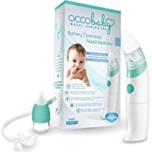 | B01962MDHA | OCCObaby | OCCObaby Baby Nasal Aspirator - Safe Hygienic and Quick Battery Operated Nose Cleaner with 3 Sizes of Nose Tips Includes Bonus Manual Snot Sucker for Newborns and Toddlers (Limited Edition) | 电动款 | 硅胶吸头+手动款 | 国际评论 | 973 | 4,229 | $159,856.20 | $37.80 | $3.48 | 4.0 | 5,917 | 9.55% | 404 | 2016-02-12 | 1 | 2 | OCCObaby | US | FBA | 8.8 ounces | 10.87 x 8.58 x 2.01 inches
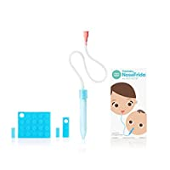 | B00RP0GHBO | FridaBaby | FridaBaby NoseFrida The Snotsucker, 24 Hygiene Filters | 嘴吸款 | 过滤器，软管 | 绑变体+国际评论 | 44 | 29,800 | $530,440.00 | $17.53 | $3.31 | 4.7 | 17,002 | 4.18% | 1,247 | 2015-01-20 | 2 | 3 | Amazon.com | UNKNOWN | AMZ | 1.6 ounces | 3 x 1.5 x 6 inches
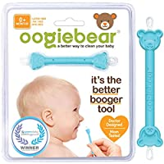 | B00GXTTPKI | oogiebear | oogiebear - PATENTED CURVED SCOOP AND LOOP; The Safe Nasal Booger and Ear Cleaner - Baby Shower Registry. Easy Nose Cleaner Gadget for Infants and Toddlers. Dual Earwax and Snot Removal (Blue, Single) | 手动款 | 无 | 绑变体+国际评论 | 91 | 19,224 | $248,950.80 | $12.95 | $2.50 | 4.7 | 17,795 | 8.18% | 1,572 | 2014-12-26 | 8 | 1 | oogiebear | US | FBA | 0.7 ounces | 3.5 x 0.75 x 0.25 inches
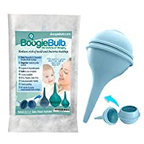 | B00L4MJEC8 | BoogieBulb | BoogieBulb Baby Nasal Aspirator and Booger Sucker for Newborns Toddlers & Adult - BPA Free - Blue 2 Ounce Bulb Syringe - Safe Nose Cleaner - Cleanable & Reusable Ear Syringe Nose Sucker | 球形 | 无 | 绑变体+国际评论 | 4,290 | 1,036 | $15,508.92 | $14.97 | $3.36 | 4.1 | 1,843 | 7.14% | 74 | 2014-07-11 | 2 | 2 | BoogieBulb® | US | FBA | 0.3 ounces | 3 x 7 x 5.5 inches
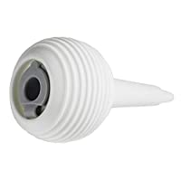 | B007AHURTA | TOMY | The First Years American Red Cross Nasal Aspirator | 球形 | 无 | 绑变体+国际评论 | 969 | 3,952 | $11,816.48 | $2.99 | $3.31 | 4.4 | 2,905 | 10.75% | 425 | 2014-01-21 | 5 | 7 | Amazon.com | US | AMZ | 1.6 ounces | 2 x 3.63 x 7.5 inches
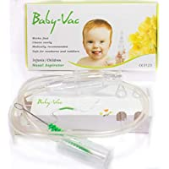 | B004JA1XB2 | BABY-VAC | BABY-VAC Baby Nasal Aspirator The Snotsucker Safe Hygienic Quick Best Results for Newborns and Toddlers | 嘴吸款 | 清洁刷 | 国际评论 | 5,673 | 686 | $13,713.14 | $19.99 | $3.31 | 4.7 | 2,517 | 17.64% | 121 | 2013-11-08 | 1 | 4 | Baby Vac U.S. | US | FBA | 4 ounces | 7.48 x 3.94 x 1.61 inches
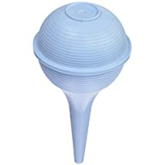 | B001OTK6JG | Briggs | Briggs Baby Nasal Aspirator, Ear Syringe, Snot Sucker, Mucus Sucker and Nasal Bulb Syringe, 2 Ounces | 球形 | 无 | 国际评论 | 538 |  |  | $4.55 |  | 4.4 | 5,271 | 0.00% |  | 2009-01-02 |  | 7 | Amazon.com | UNKNOWN | AMZ | 0.2 Ounces | 2 x 5.3 x 5.3 inches

体量 & 热度趋势分析
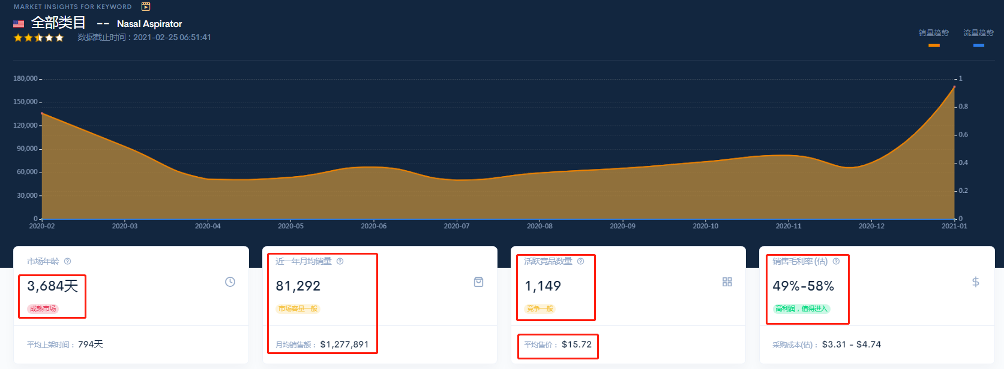

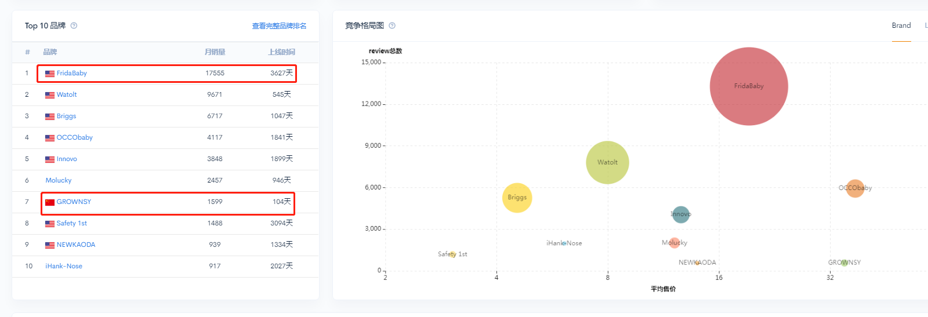
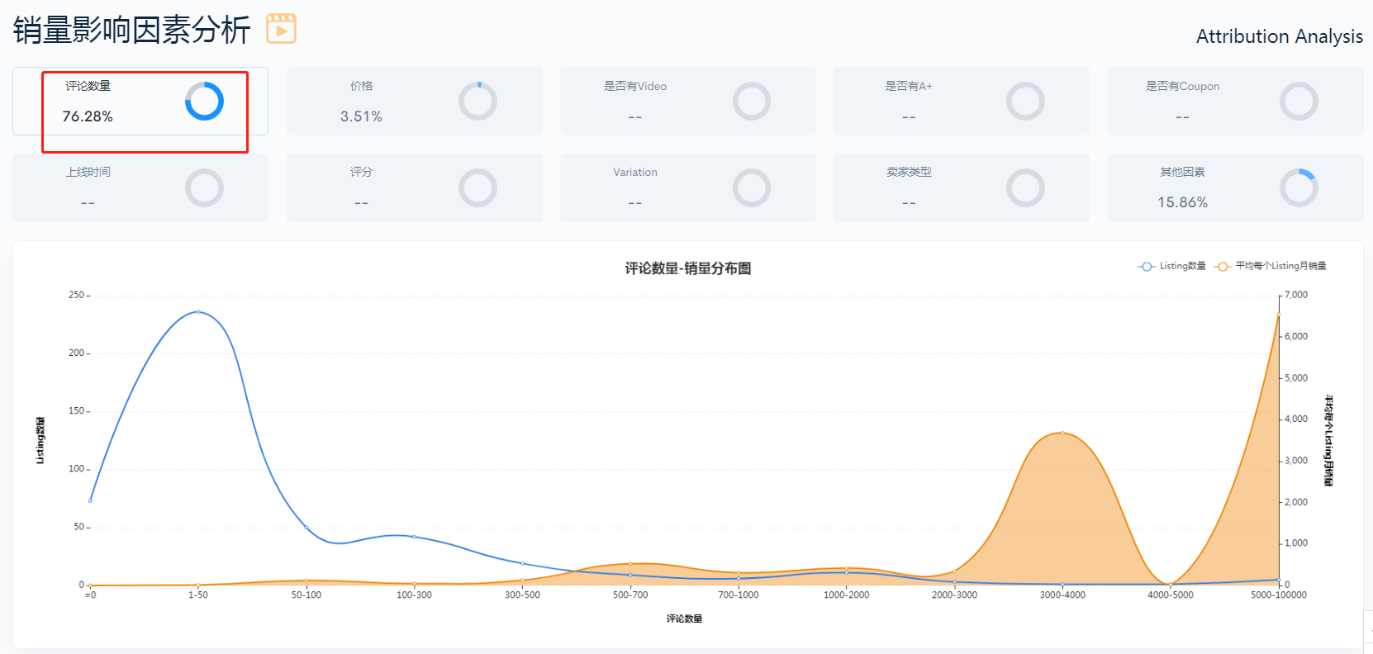
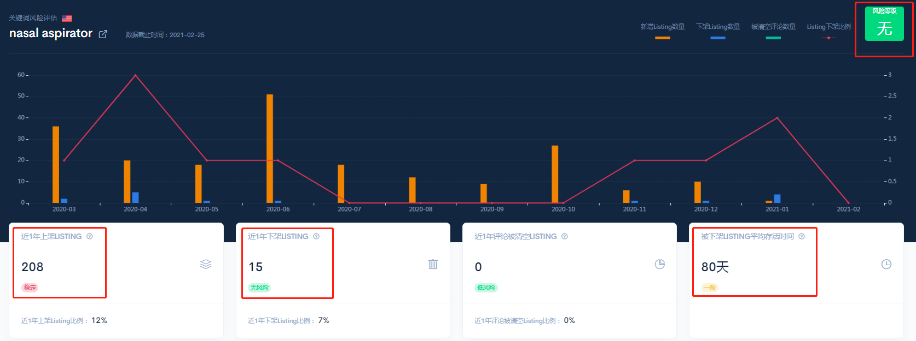
1. Nasal Aspirator 前台搜索结果体量（整体市场容量较小）


2. 谷歌趋势近5年，近3年，近1年数据
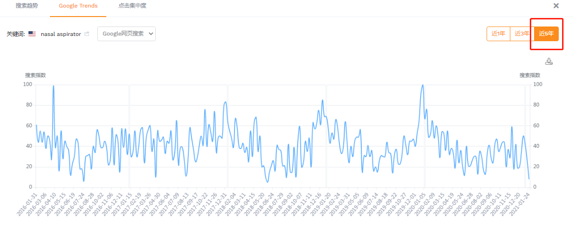

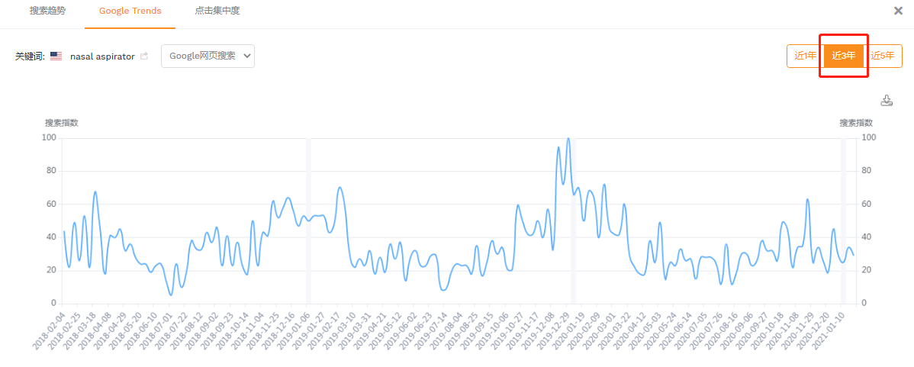

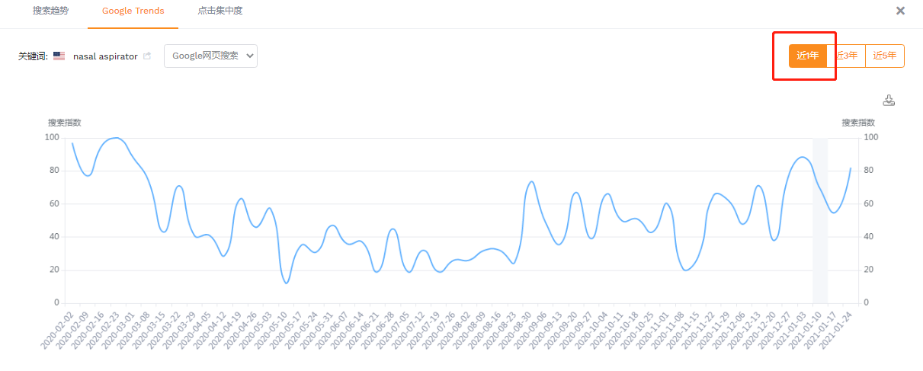

3. 卖家精灵近3年搜索趋势对比数据
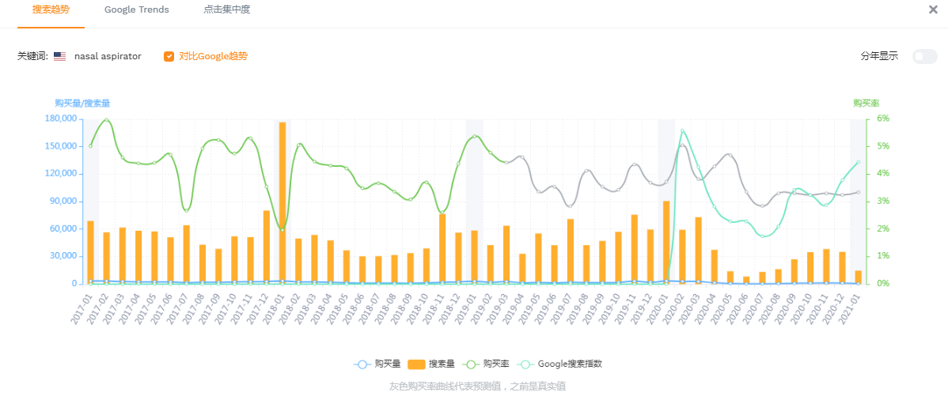

4. 数魔市场洞察及关键词风险评估数据

类目分析
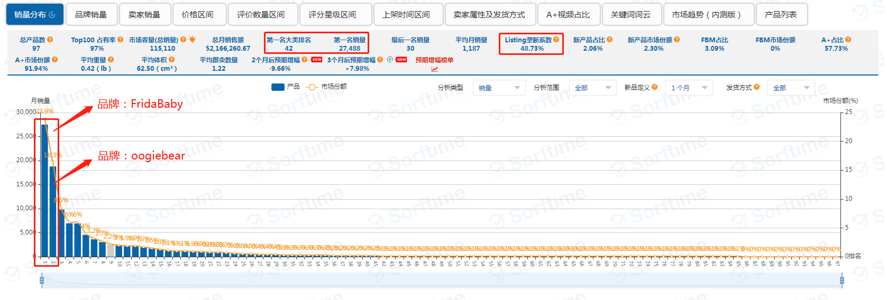
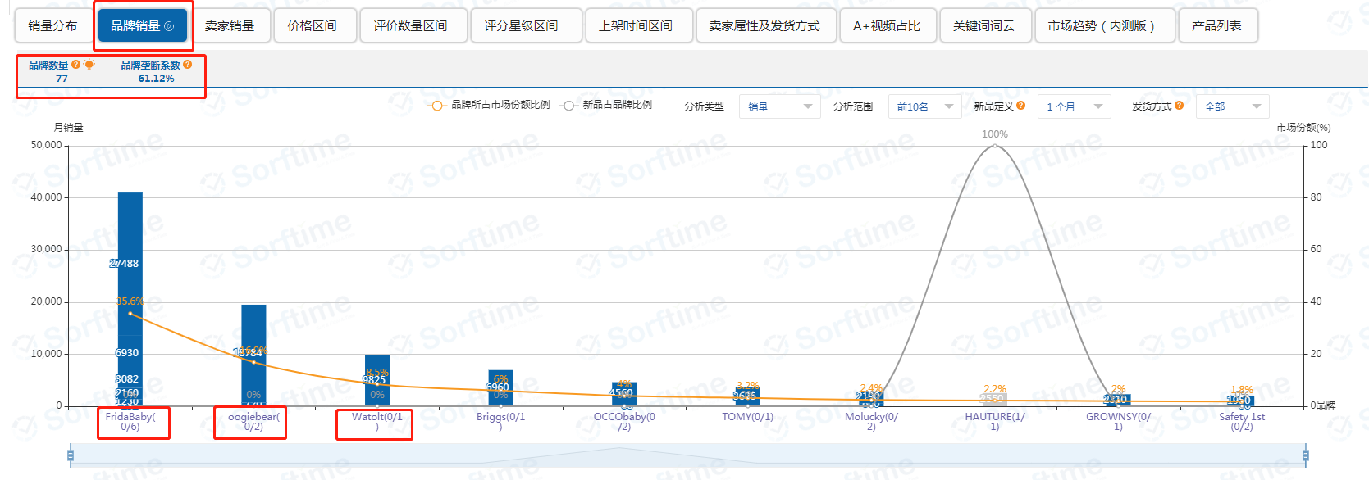
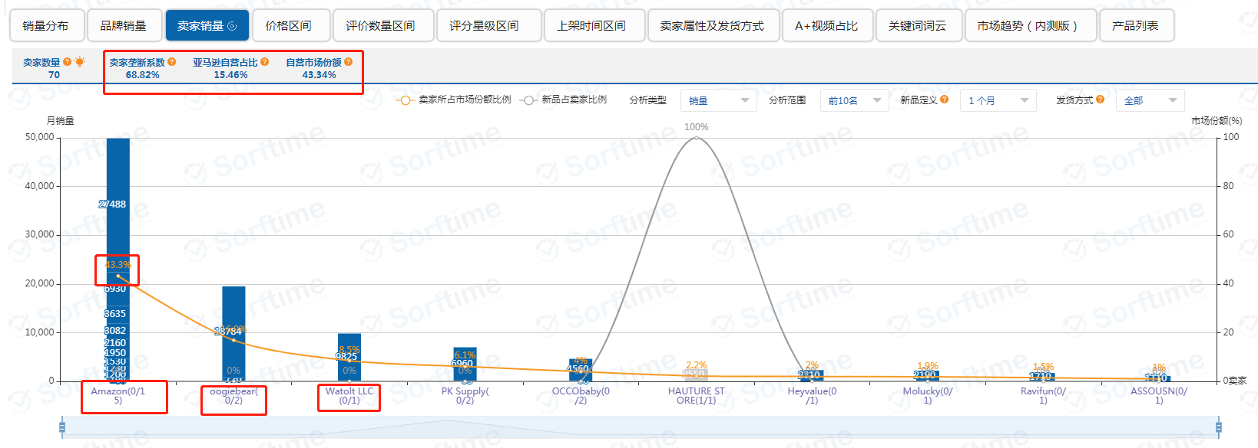

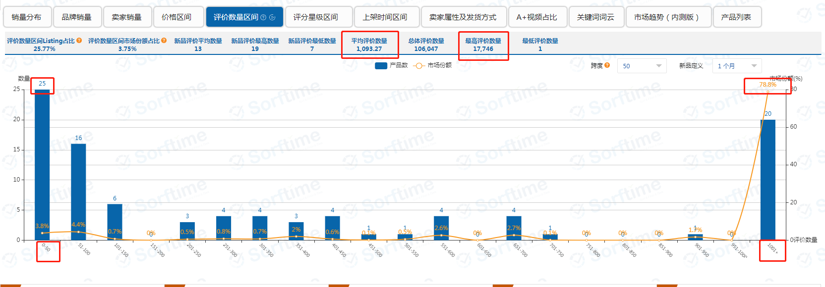


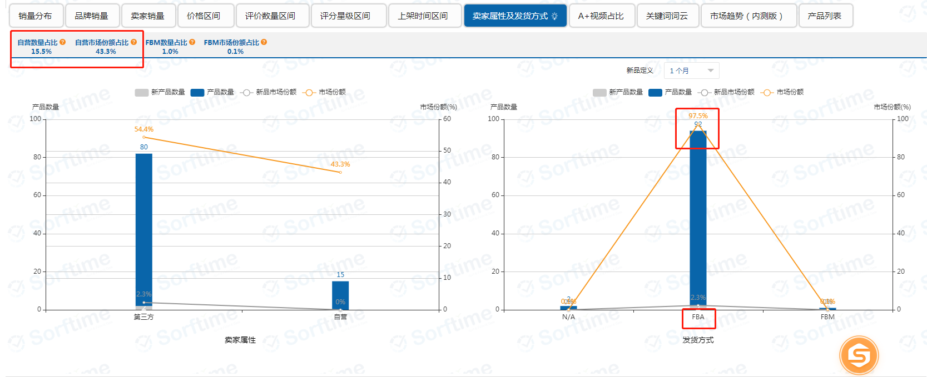
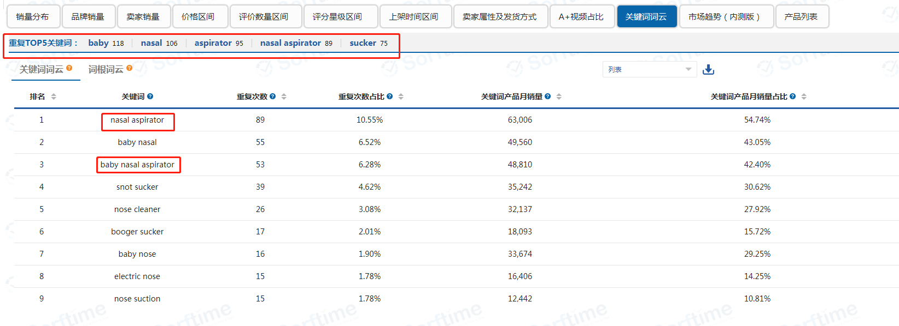

1. 卖家精灵细分类目数据


2. Sorftime 类目分析

主要款式竞品分析
品牌名 | FridaBaby | oogiebear | Watolt | BoogieBulb
主销款式 | 嘴吸款，手动款，电动款 | 手动款 | 电动款 | 球形
品牌信息 | 亚马逊自营品牌 美国注册品牌 | 美国注册品牌 | 美国注册品牌 | 美国注册品牌
历史趋势曲线图 | 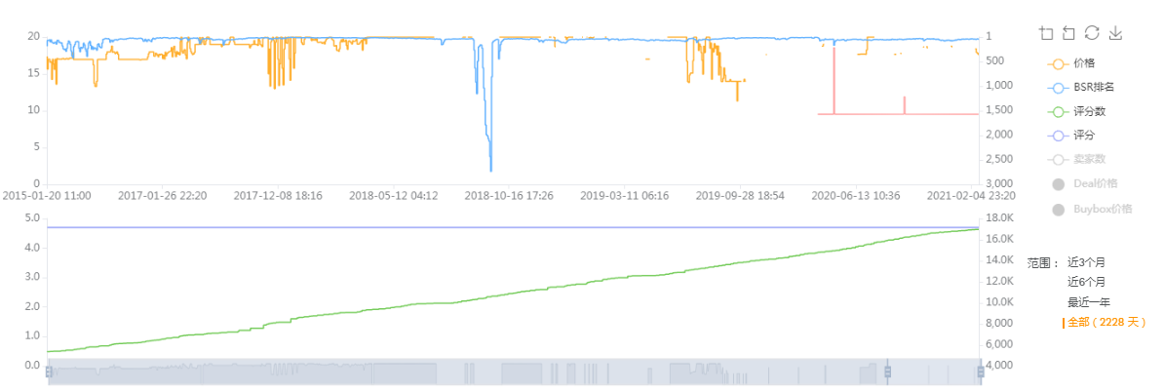 | 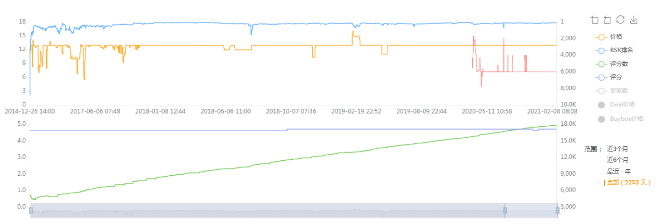 |  | 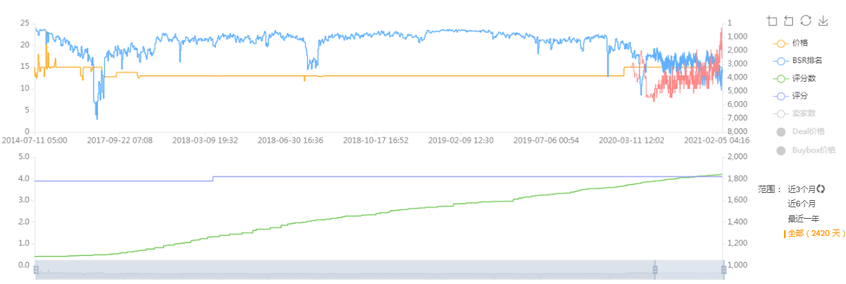

 | 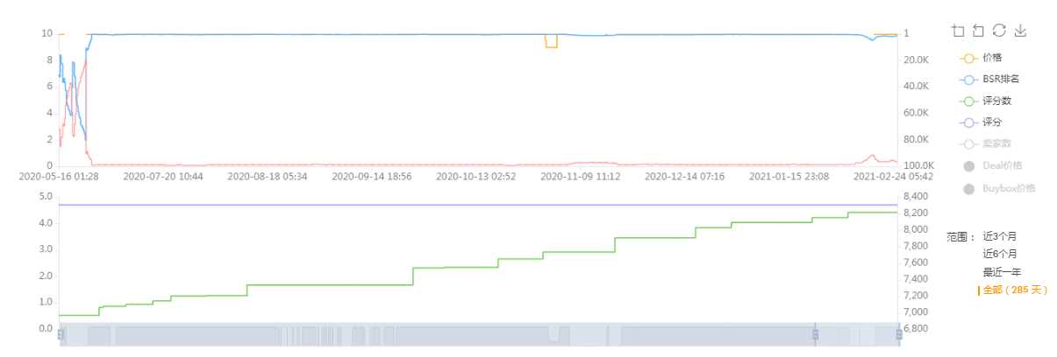
历史趋势曲线解读 | 嘴吸款2015年1月上架，近一两个月BSR排名维持在40左右，有合并国际评论 手动款2020年5月上架 电动款2021年2月上架，评分较低，主要差评点是吸力不够强，不起作用 | 手动款主链接2014年12月上架，近一两个月BSR排名维持在90左右，近半年价格一直维持$12.95 有合并国际评论 | 电动款2019年3月上架，近半年BSR排名维持在320左右，近半年价格一直维持在$39.99左右 有合并国际评论 | 球形款2014年7月上架，近半年BSR排名一直波动不定，但价格一直维持在$14.95 有合并国际评论

维度分析
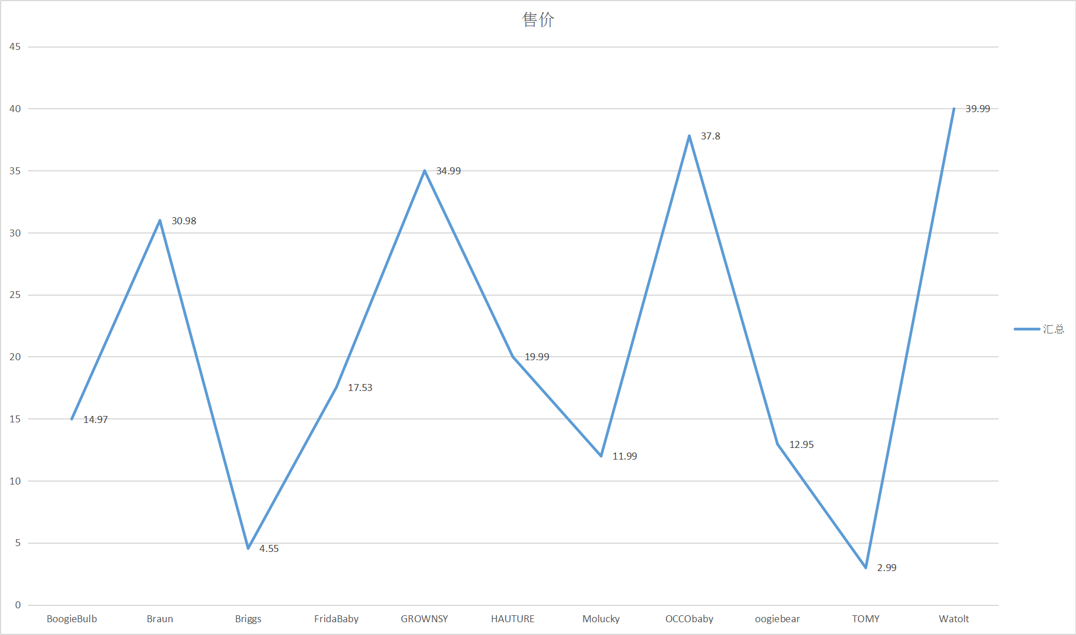 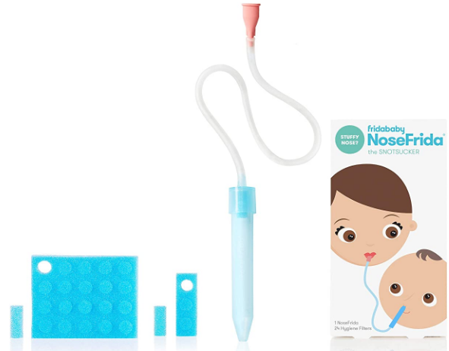 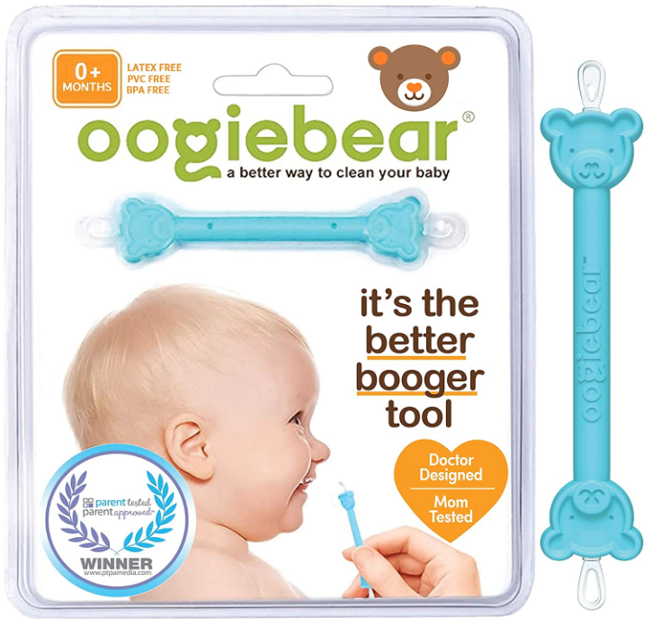 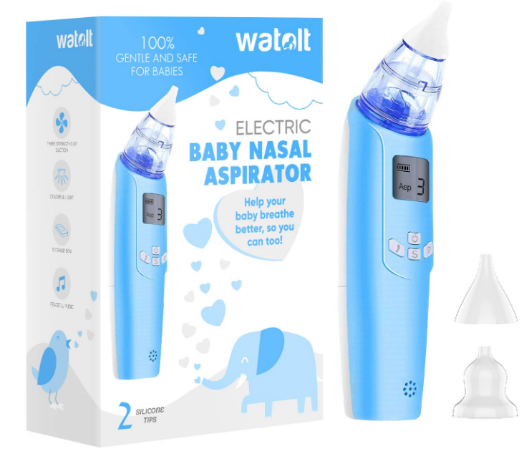 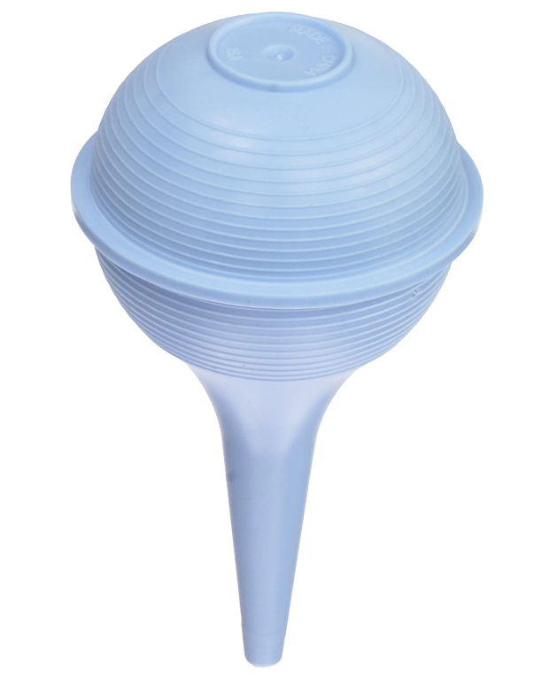
品牌市场份额情况 | 市场基本情况 | 市场新老卖家进入情况
 |  | 
 |  | 

专利情况
整个市场属于专利产品市场，专利性较强
 |  | 

 |  | 

