1.前台看
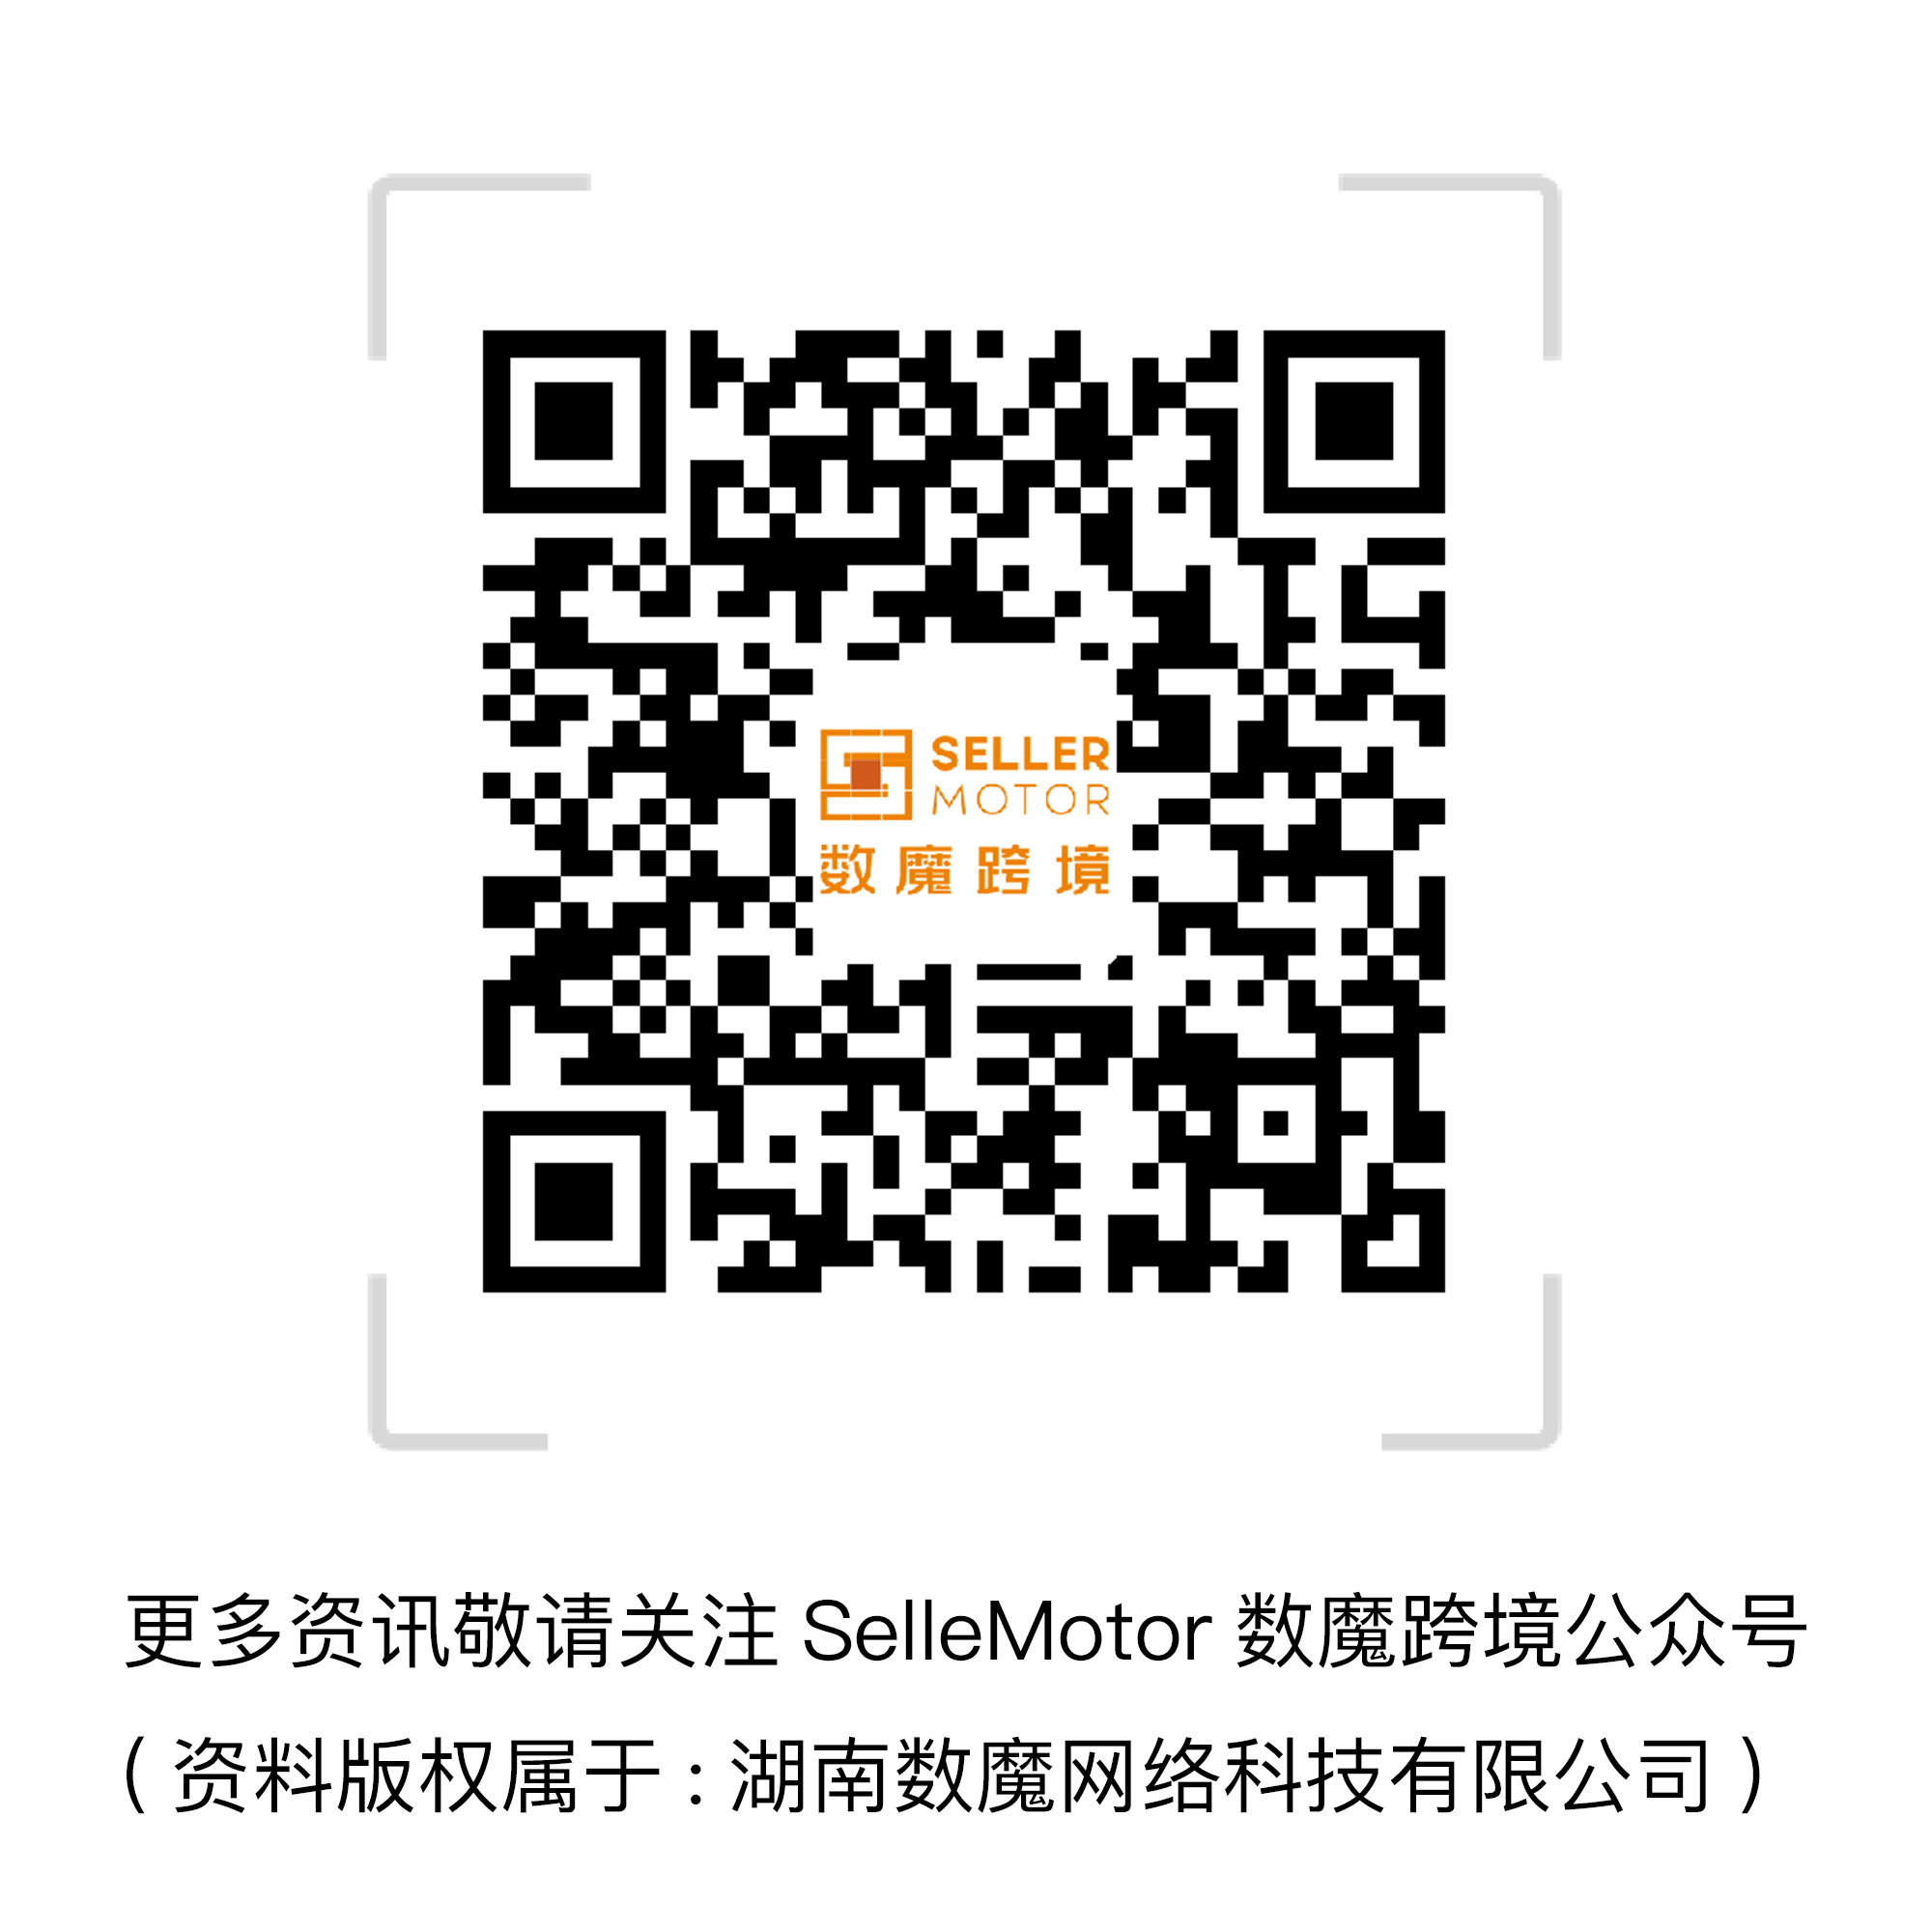

站点 | 图片 | 产品名 | 关键词 | 竞品数量 | 主要卖家 | 销售链接 | 单品reviews | 店铺Feedback | Review星级 | 差评点 | 主要产品卖点 | 售价 | 采购链接 | 采购价格(￥) | 重量(g) | 毛利 | 生命周期 | 毛利率
US |  | 滤水壶2.5L （10 Cup） | Pitcher Water Filters | 20,444 | 亚马逊自营 | https://www.amazon.com/Brita-Everyday-Water-Filter-Pitcher/dp/B004GNGID0/ref=sr_1_1?ie=UTF8&qid=1466047266&sr=8-1&keywords=Pitcher+Water+Filters | 2993 |  | 4.4 | 1，把手断裂 2，水未经过滤室漏水3，使用TDS测试仪测试过滤前和过滤后水的TDS无明显变化 4，滤水速度慢，水过滤后有难闻的味道 5，内部模具无法脱离清洗 6，滤水壶边缘有漏水，滤水器与杯子不匹配 | 1，一次可过滤出10大杯水 2， 不含BPA 3，有效减少氯的味道和气味，锌，铜，汞和镉 4，一个过滤器可以过滤300个16.9盎司塑料瓶水容量 | 20.99 | https://detail.1688.com/offer/40649017613.html | 49 | 1134 | -5.3527 | >2年 | -4.11%
US |  | 碱性过滤水壶 2.5L （10.6cups） | Pitcher Water Filters | 20,444 | cleanwater4less | https://www.amazon.com/Alkaline-Water-Pitcher-2-5-Liters/dp/B014E9VPU6/ref=zg_bs_3741101_9 | 645 |  | 4.4 | 过滤前和过滤后水的TDS无明显变化 | 便携，使用方便，过滤速度快 | 39.95 | https://detail.1688.com/offer/524941648770.html?tracelog=p4p | 75 | 318 | 105.6825 | >2年 | 42.67%
US |  | 滤水壶 - 可过滤150加仑的水 （1加仑=3.785 412升） | Pitcher Water Filters | 20,444 | aquagear® | https://www.amazon.com/Aquagear-Water-Filter-Pitcher-Fluoride/dp/B016LLLXJS/ref=zg_bsnr_3741101_1 | 134 |  | 4.2 | 使用一段时间后过滤速度变慢 | 安装使用简单，过滤后的水味道变得更好 | 69.95 | https://detail.1688.com/offer/520675792660.html | 60 | 1134 | 241.6665 | >2年 | 55.72%
US |  | 水壶滤芯 - 可过滤150加仑的水 （1加仑=3.785 412升） | Replacement Pitcher Water Filters | 17,445 | aquagear® | https://www.amazon.com/Aquagear-Pitcher-Replacement-Water-Filter/dp/B018F13GJC/ref=sr_1_2?m=A365CKLO06APHU&s=merchant-items&ie=UTF8&qid=1466059111&sr=1-2 | 10 |  | 4.9 | 可过滤水容量与描述不符 | 不含BPA，1套滤芯可过滤150加仑的水，可清理71种有害水污染物 | 49.99 | https://detail.1688.com/offer/43115530725.html | 40 | 204 | 197.5833 | >2年 | 63.75%
US |  | 过滤饮水机 2.5L （18cup） | Water Dispenser with Filter | 104,724 | 亚马逊自营 | https://www.amazon.com/PUR-18-Cup-Dispenser-Filter/dp/B00IK5A4U8/ref=sr_1_1?ie=UTF8&qid=1466060092&sr=8-1&keywords=Pitcher+Water+Filters&refinements=p_89%3APUR | 3834 |  | 4.4 | 使用一段时间漏水，出水慢，不含双酚A（BPA）只指其中部件 | 可去除水中95%的汞，可除氯和其他，1套滤芯可过滤40 加伦的水或者 两个月使用寿命 | 24.99 |  |  | 2268 |  | >2年
US |  | 过滤饮水机 2.5L （18cup） | Water Dispenser with Filter | 104,724 | 亚马逊自营 | https://www.amazon.com/Brita-UltraMax-Water-Filter-Dispenser/dp/B00009LHZH/ref=sr_1_2?ie=UTF8&qid=1466062391&sr=8-2&keywords=Water+Dispenser+with+Filter | 1382 |  | 4.2 |  | 2.5L容量，可除去水中铜，汞和镉，带指示标签 - 换滤芯 | 27.49 |  |  | 1769 |  | >2年
US |  | 厨房/浴室水龙头滤水器 | Faucet Water Filters | 161,137 | Aqua Elegante | https://www.amazon.com/Aqua-Elegante-Advanced-Faucet-Filter/dp/B01BJU9Z6E/ref=zg_bs_680337011_6 | 33 |  | 4.7 | 没有说明书，水龙头接口和客户的不是统一标准，公母/大小不匹配。 | 便捷设计，无毒KDF 55材料，可过滤200加仑的水 | 29.95 | https://detail.1688.com/offer/527423403376.html | 25 | 431 | 99.0275 | >2年 | 53.33%
US |  | 厨房/浴室水龙头滤水器 | Faucet Mount Water Filters | 28,626 | iUcar | https://www.amazon.com/ICOCO-Ceramic-Purifier-Different-Connectors/dp/B01FCU1JC0/ref=zg_bsnr_680337011_1 | 5 |  | 4.3 | 过滤前后水质（PH和TDS值）无明显变化 | 易于安装，带6种接口，性价比高 | 23.97 | https://detail.1688.com/offer/529093467033.html | 55 | 500 | 28.9599 | >2年 | 19.49%
US |  | DuPont 厨房/浴室水龙头滤水器 - 可过滤200加仑的水 （1加仑=3.785 412升） | Faucet Mount Water Filters | 28,626 | 亚马逊自营 | https://www.amazon.com/DuPont-WFFM350XCH-Electric-200-Gallon-Filtration/dp/B007VZ2LMM/ref=zg_bs_680337011_17 | 698 |  | 3.8 | 出水慢，显示器位置不理想，漏水现象（未经过滤） | 铬合金材料，带电度表（永久电池），内置抗菌保护系统，改善口感，可过滤水中多种危害元素 | 25.88 |  |  |  |  | >2年
US |  | Culligan DuPont 厨房/浴室水龙头滤水器 - 可过滤200加仑的水gallons 或者2个月使用寿命 | Faucet Mount Water Filters | 28,626 | 亚马逊自营 | https://www.amazon.com/Culligan-FM-25-Faucet-Mount-Filter/dp/B0064MKTE0/ref=zg_bs_680337011_5 | 464 |  | 4 | 型号不匹配（非通用性），漏水现象（未经过滤），滤水系统问题（ My assumption was 100% correct. This so called filter is a scam and does nothing. My Tap Water Read 40 ppm. The water through this filter read the EXACT SAME 40 ppm. Water through Pur Pitcher read 37 ppm and water through Zero Water read 0 ppm (yes 0)） | 紧凑设计，抛光镀铬，适应于大部分水龙头装置 | 21.64 | https://detail.1688.com/offer/39188679117.html | 25 | 408 | 56.0388 | >2年 | 41.77%

3.旁边看
大零售商 | 大品牌网站 | 主流款 | 新款 | 售价区间 | 卖点 | 缺点 | 定位 | 平台是否有售 | 售价区间
宝洁旗下品牌Pur水龙头滤水器 | http://www.pur.com/water-filtration/faucet-water-filters |  |  | $25~$50 | 随喝随滤，保证新鲜，经济实惠，简单易用。可以去除NSF认证的多种有害污染物，MAXION过滤技术 |  |  | 有 | $25~$50
宝洁旗下品牌Pur过滤饮水机 | http://www.pur.com/water-filtration/water-filter-pitchers-and-dispensers |  |  | $30~$50 | 家用净水壶，具有适中容量，利用宝洁专利技术，可以过滤99.9%微生物及病菌，减少98%铅汞氯等有害物质以及更多杂质，提供更干净、口感更好的过滤水。个别滤水壶带LED显示，在滤芯需要更换时会自动提示！ |  |  | 有 | $30~$50
宝洁旗下品牌Pur滤芯 | http://www.pur.com/water-filtration/replacement-water-filters |  |  | $20~$40 | 家用净水壶，具有适中容量，利用宝洁专利技术，可以过滤99.9%微生物及病菌，减少98%铅汞氯等有害物质以及更多杂质，提供更干净、口感更好的过滤水。个别滤水壶带LED显示，在滤芯需要更换时会自动提示！ |  |  | 有 | $20~$40
Walmart | http://www.walmart.com/ip/DuPont-Deluxe-Faucet-Mount-Water-Filter-Chrome/16521277 |  |  | $25.88 | 铬合金材料，带电度表（永久电池），内置抗菌保护系统，改善口感，可过滤水中多种危害元素 | 出水慢，显示器位置不理想，漏水现象（未经过滤） |  | 有 | $25.88
2016年十佳滤水器排名 | http://www.toprateten.com/best-faucet-water-filter/
德国碧然德brita | https://www.brita.com/water-pitchers/ | 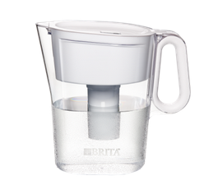 |  | $20~$45 | 1，一次可过滤出10大杯水 2， 不含BPA 3，有效减少氯的味道和气味，锌，铜，汞和镉 4，一个过滤器可以过滤300个16.9盎司塑料瓶水容量 | 1，把手断裂 2，水未经过滤室漏水3，使用TDS测试仪测试过滤前和过滤后水的TDS无明显变化 4，滤水速度慢，水过滤后有难闻的味道 5，内部模具无法脱离清洗 6，滤水壶边缘有漏水，滤水器与杯子不匹配 |  | 有 | $20~$45

4.产品定位
S | 细分市场，了解整个市场的构成，决定市场细分的因素
 | 家用滤水壶，家用过滤饮水机，家用水龙头滤水器，滤芯

T | 目标市场选择，目标市场的规模，竞争优势的来源，进入目标市场的策略，目标市场的竞争致胜策略
 | 由于家用滤水壶，家用过滤饮水机，家用水龙头滤水器，滤芯等产品已经有大牌占据大部分市场份额，新卖家需要开发出不同款式，高性价比，质量过硬，更多功能的产品

P: | 市场定位

维度一 | 如：消费者维度：目标人群，社会阶层，影响购买的关键因素，决定购买频率的原因，消费者习惯，消费者价值诉求点（产品性能，情感诉求）等
维度二 | 如：竞争者维度：价值，成本，市场竞争位置，决定企业竞争优势的因素
 |  |  |  |  |  | 维度2
关键词1 | 竞品数量 | 标杆竞品平均排名 | 关键词流量
Pitcher Water Filters | 20444
Replacement Pitcher Water Filters | 17445 | 小Top20
Water Dispenser with Filter | 104724 | 小Top20
Faucet Mount Water Filters | 28626 | 小Top20

 |  |  |  |  |  |  | 维度1

卖点提取
以上三类产品都属于家用型的滤水器。使用活性碳过滤，每1~3个月需要更换滤芯
使用频率高，消耗大。
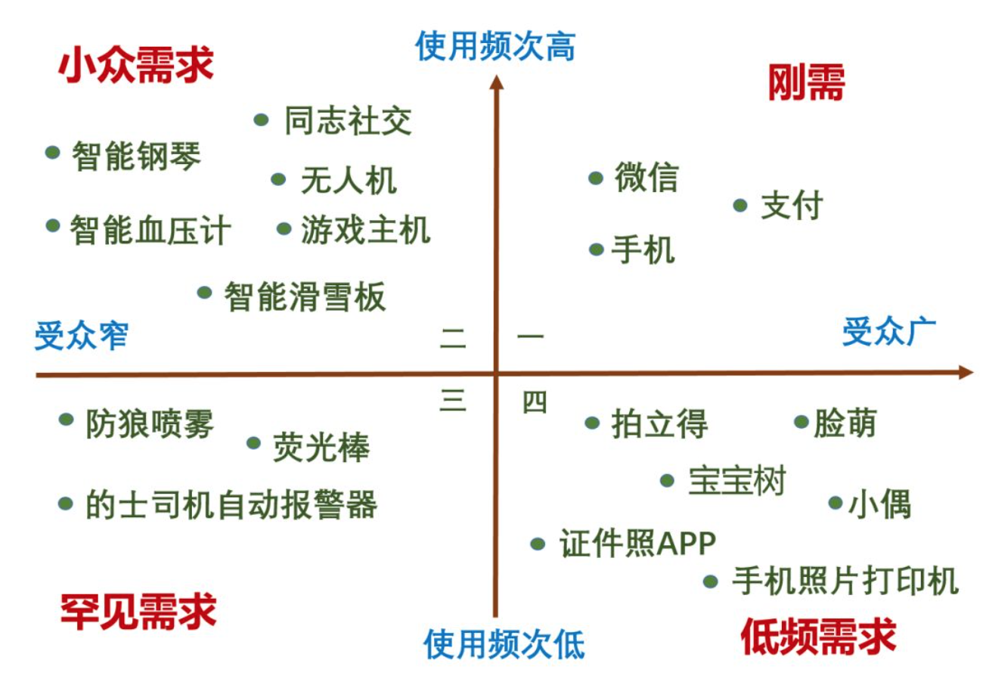
体积小，便于运输，安装和使用。
不含BPA |  |  |  | 例如： |  | 价值高
有效减少市政用水氯的味道和气味，锌，铜，汞和镉等
改善自来水的味道

 |  |  |  |  |  |  | 第一象限为最佳目标市场区域

 |  |  |  |  |  |  | 高价值，高专业度

 |  |  |  |  | 专业度低 |  |  | 专业度高

 |  |  |  |  |  | 价值低

开发流程图
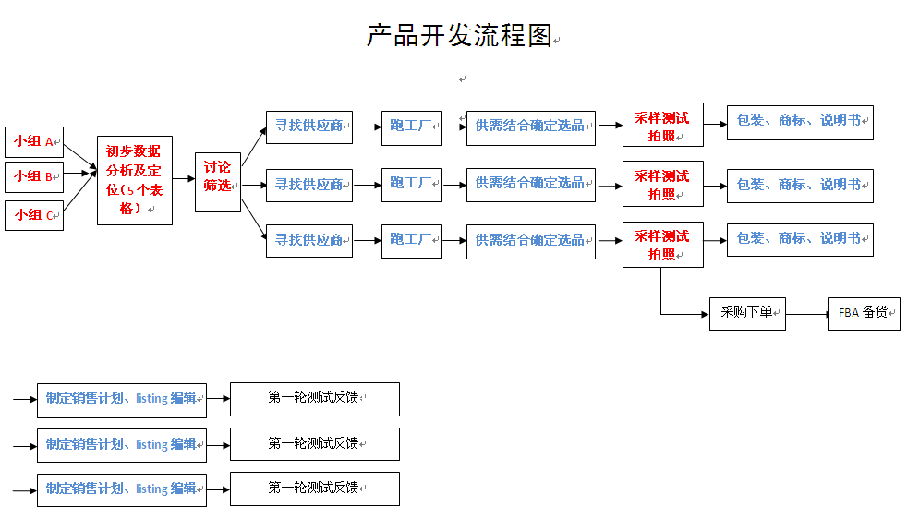

 | 监视点
£1.00 | 提供产品线-初步数据分析（5个表格）-讨论筛选。 | 2天完成
£2.00 | 寻找供应商-跑工厂-选品。 | 7天完成。（视具体情况调整时间）
£3.00 | 采样测试拍照。 | 3天内完成
£4.00 | 包装/商标/说明书-制定销售计划/listing编辑 | 3天完成

