竞品分析
竞品分析

图片 |  |  | 站点 | ASIN | 价格 | 月销量 | 品牌 | 评论数 | 大类排名 | 星级 | 链接 | 上架天数 | 店铺背景分析 |  | 产品特色 | 注意 1、改表格有自动填充功能，当你输入产品的ASIN码时会自动填充其他内容。但是除了图片。所以使用表格时先输入图片和ASIN码。如果输入ASIN码后不能自动填充，其他信息就需要手动输入。 2、请勿改动除图片、ASIN、优点以外的任何数据，不然被改动的单元格不再具备自动填充功能。
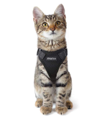 |  |  | US | B07NQ35VDW | 13.99 | 2550 | Eagloo | 79 | 764 | 4 | https://www.amazon.com/dp/B07NQ35VDW?psc=1 | 387 | 一两年的店铺，主营宠物类用品，该产品占据50%以上的销售份额 |  | 防逃生、可调、反光带、造型简约、13-18in
 |  |  | US | B07MKQFJSP | 13.99 | 960 | PUPTECK | 13 | 2511 | 4.8 | https://www.amazon.com/dp/B07MKQFJSP?psc=1 | 96 | 两年多的大店，专注宠物类用品 |  | 带子清新时尚、防逃生、造型简约、多颜色变体
 |  |  | US | B07MZR3MDT | 12.98 | 390 | Rabbitgoo | 28 | 6553 | 3.7 | https://www.amazon.com/dp/B07MZR3MDT?psc=1 | 48 | 大账号、卖家居宠物类产品 |  | 防逃生、可调、反光带、造型简约、13-18in、多色
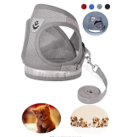 |  |  | US | B07GFBQ4H6 | 10.99 | 270 | GAUTERF | 601 | 9013 | 4.2 | https://www.amazon.com/dp/B07GFBQ4H6?psc=1 | 364 | 1年店铺，专卖宠物背带产品 |  | 防逃生、可调、反光带、造型简约、多色
 |  |  | US | B074MWRZ5Y | 12.99 | 360 | PUPTECK | 944 | 6727 | 3.6 | https://www.amazon.com/dp/B074MWRZ5Y?psc=1 | 1080 | 两年多的大店，专注宠物类用品 |  | 防逃生、可调、舒适
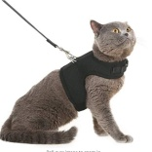 |  |  | UK | B07B49LNW9 | 11.99 | 514 | BINGPET | 228 | 821 | 4 | 点此 | 715 | 宠物类店铺 |  | 防逃生、可调、舒适
 |  |  | UK | B07GSJJ2X6 | 9.99 | 102 | SCENEREAL | 31 | 4821 | 4 | 点此 | 16 | 宠物类店铺 |  | 防逃生、可调、舒适
 |  |  | UK | B07R8Y1DLY | 9.99 | 89 | EXPAWLORER | 10 | 9220 | 4.8 | 点此 | 712 | 宠物类店铺，卖得好的产品是定制项圈 |  | 防逃生、可调、舒适，胸围: 29-35.6cm, 颈围:20.3-24.1cm
 |  |  | UK | B07G43RT89 | 11.99 | 124 | HOMIMP | 22 | 3730 | 4.1 | 点此 | 407 | 一年左右的新店铺，主卖宠物类产品，值得借鉴 |  | 普通款，老款产品，双D型扣
客户潜在需求分析 |  |  |  |  |  |  |  |  |  | 痛点分析

序号 | 需求描述 |  |  |  | 次数 | 对策 |  |  |  | 序号 | 描述 |  |  | 比例 | 解决对策
1 | 需要能更好的调整背带长度 |  |  |  | 4 |  |  |  |  | 1 | 猫容易逃脱出去 |  |  | 56.0% | 改变穿戴方式
2 | 希望更薄 |  |  |  | 2 |  |  |  |  | 2 | 尺寸不合适 |  |  | 17.0% | 改为尺寸可调节
3 | 舒适度是首要的 |  |  |  | 1 |  |  |  |  | 3 | 背带太重 |  |  | 6.0% | 减轻背带重量
4 |  |  |  |  |  |  |  |  |  | 4 | 太厚、太热、不喜欢尼龙粘扣 |  |  | 7.0% | 减轻背带重量
5 |  |  |  |  |  |  |  |  |  | 5
6 |  |  |  |  |  |  |  |  |  | 6
 |  | 竞品总结

 |  | 该款产品属于生命周期比较长的，目前市面上的产品存在严重的质量问题，如果能够想办法解决这些质量问题，那么会达到很高的销量。

市场容量分析
排名分布图
序列 | 排名 | 数量 |  | 分析依据 1、通过排名分析容量：对提供的listing的排名数据进行整理分类，分为9个排名段，最后一段忽略，即排名大于10000的不考虑。前十页中能进入大类目前10000名的数量越多，那么其市场越大。因为排名跟销量挂钩，个人推荐用排名分析，因为销量是使用软件预估，偏差较大，但是排名亚马逊本身的数据，相对较准。 2、通过销量来分析：获取所提供的listing的销量，对销量进行分段统计。进入高销量段的listing数量越多，市场容量越大。用销量来判断市场容量是最直观的方法，因为销量直接跟消费者的需求量挂钩。 3、当然也可以根据关键词的搜索量来判断市场容量，关键词的搜索量越大，市场容量越大。虽然搜索量不及排名和销量那样来的直接，但是也是分析市场容量的依据。这需要其他关键词工具来辅助，我会在关键词分析一页做详述。 4、市场容量分析最好多维度分析，这样有助于分析的准确性。
1 | 0-99 | 0
2 | 100-499 | 0
3 | 500-999 | 4
4 | 1000-1999 | 2
5 | 2000-3999 | 2
6 | 4000-5999 | 0
7 | 6000-7999 | 7
8 | 8000-10000 | 2
9 | >10001 | 124
 | 合计 | 141

销量分布图
序列 | 销量 | 数量
1 | 0-300 | 128
2 | 300-500 | 6
3 | 500-800 | 0
4 | 800-1000 | 2
5 | 1000-1500 | 0
6 | 1500-2000 | 1
7 | 2000-3000 | 4
8 | 3000-4000 | 0
9 | 4500-6000 | 0
10 | 6000-8000 | 0
11 | >8000 | 0

注意 |  |  | 市场容量总结

大于10000名的数据包含了测不出排名的产品。 |  |  | 1.通过排名分析：从141个样板数据中可以发现，排名低于一万的listing数量有17个，品类动销率为12%，可以看出该品类的动销率偏低，是个小品类。 2.通过销量分析：这160个样板数据的月度销量为25917个，证明该品类销量属于中等。 3.通过查看卖的最好的前10个listing得知，其共占55%的市场份额，证明该品类销量集中度比较低，销量分布比较均匀，没有出现寡头现象。
...

价格参考
价格区间分布图
销量 | 价格 | 定价分析
2550 | 13.99
2550 | 13.99 | 序列 | 价格区间 | 数量
2550 | 13.99 | 1 | 0-9 | 27
2220 | 10.49 | 2 | 10-16 | 99
1830 | 4.79 | 3 | 17-23 | 20
960 | 13.99 | 4 | 24-29 | 16
840 | 13.99 | 5 | 30-34 | 1
420 | 10.99 | 6 | 35-39 | 0
390 | 12.98 | 7 | 40-49 | 0
390 | 12.98 | 8 | 50-60 | 0
360 | 12.99 | 9 | >60 | 0
360 | 10.99
价格与销量分布图
360 | 10.99
300 | 12.99
270 | 10.99
240 | 9.99
240 | 9.99
210 | 24.95
210 | 13.99
210 | 14.95
180 | 14.49
180 | 9.99
180 | 10.99
180 | 25.99
180 | 8.14
180 | 8.99
180 | 29.99
150 | 13.99
120 | 11.48
120 | 12.99
120 | 11.48
120 | 7.99
120 | 11.99
120 | 10.99
120 | 16.99
120 | 11.48 | 注意 |  |  | 定价总结
120 | 14.99
120 | 11.48 | 1、销售额大于300美金时本表格当做0元处理 2、鼠标放置散点图中的蓝色点时可显示相关数据 例如: (1235，12.5) 销量：1235 售价：12.5$ 3、本表有部分错误：如果某产品销量为0或者无法提供时，则本表将其销售额也计数为0元。 |  |  | 从上表可以看出，该产品的各个价位比例都比较均衡，主要集中在10-17美金之间，产品均价为14美金，定价可以参考这个14美金左右会比较有优势。
120 | 12.99
119 | 11.95
118 | 11.99
116 | 11.99
116 | 11.99
116 | 10.99
112 | 14.99
111 | 13.99
111 | 13.98
111 | 12.99
109 | 10.99
109 | 11.99
109 | 12.99
109 | 12.99
105 | 9.99
104 | 5.29
102 | 12.99
96 | 12.48
96 | 7.99
96 | 28
95 | 13.99
84 | 10.99
84 | 14.97
84 | 11.99
82 | 13.99
81 | 23.99
75 | 15.99
74 | 10.99
74 | 12.99
74 | 19.99
74 | 12.99
74 | 18.75
69 | 14.99
68 | 10.99
68 | 10.99
68 | 13.92
63 | 9.99
63 | 11.59
63 | 2.99
63 | 15.9
60 | 16.99
60 | 11.99
60 | 13.99
58 | 11.99
58 | 11.69
51 | 19.99
43 | 7.99
43 | 20.16
43 | 23.9
43 | 10.99
43 | 26.25
43 | 28
43 | 21.98
43 | 12.99
43 | 23.99
43 | 9.99
42 | 10.99
42 | 9.98
35 | 6.99
34 | 9.99
34 | 13.99
34 | 28
34 | 16
34 | 7.99
34 | 5.99
34 | 9.99
34 | 11.99
34 | 14.95
34 | 13.99
34 | 8.99
34 | 13.9
34 | 13.99
34 | 11.69
34 | 11.99
32 | 10.99
28 | 15.99
28 | 10.99
28 | 23.99
28 | 11.99
28 | 18.4
28 | 9.99
28 | 24.95
28 | 28
28 | 21.99
28 | 19.99
27 | 19.99
27 | 19.99
27 | 12.99
27 | 9.95
27 | 23.9
27 | 19.99
27 | 14.99
25 | 10.99
25 | 28
25 | 9.94
25 | 24.95
25 | 12.99
25 | 16.99
25 | 8.99
25 | 8.99
25 | 9.69
25 | 18.99
25 | 11.99
0 | 0
0 | 0
0 | 0
0 | 0
0 | 0
0 | 0
0 | 0
0 | 0
0 | 0
0 | 0
0 | 0
0 | 0
0 | 0
0 | 0
0 | 0
0 | 0
0 | 0
0 | 0
0 | 0

产品生命周期分析
产品生命周期分析

谷歌趋势 |  |  |  | 生命周期总结 | 分析原则 1、谷歌趋势进行分析：连续五年或近几年呈现出平稳态势，上升态势更佳。 2、利用Keepa查看产品的价格跟排名趋势： a、上架时间段，价格和排波动很大，可能上升，也可能下降，产品处于萌芽期。 b、价格有波动，但排名持续上涨，产品处于成长期。 c、价格和排名波动都比较平稳，整体不增不减或者排名缓增，该产品处于稳定期。 d、排名稳定，价格缓慢下降，说明该产品处于成熟期 e、排名和价格持续下降，说明该产品处于衰退期。 （选择产品时尽量选择稳定期以前的产品，最好是处于上升期的产品。） 3、产品的生命周期也要关注该产品处于该行业的哪个阶段，特别是上生命周期很长产品，如插座，在智能插座盛行的时代，常规插座依然有很大市场，并且不会急速衰退，因此要多维度分析。

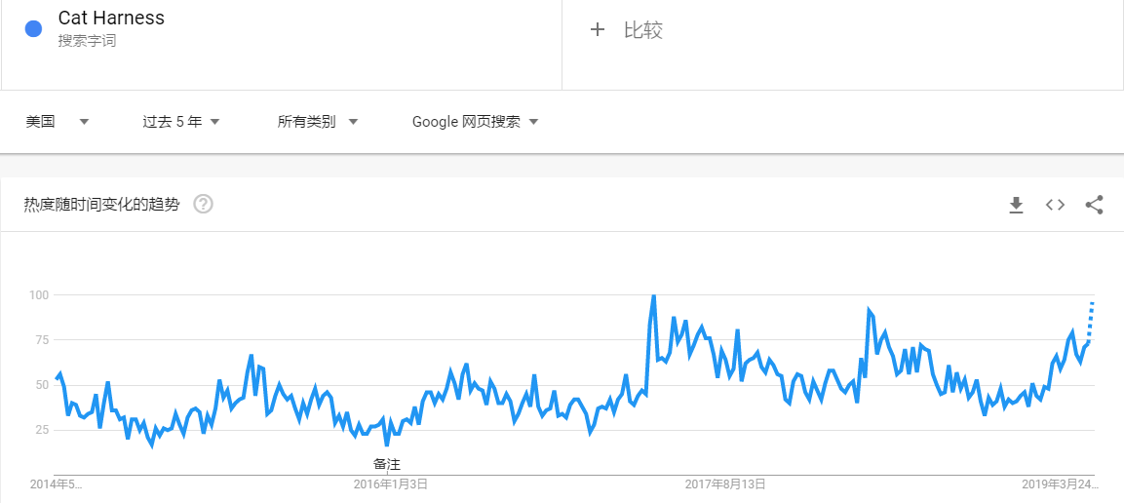 |  |  |  | 1.从谷歌趋势来看，该品类的产品趋势是呈逐渐上升的趋势。 2.从产品趋势来看，这个品类里面的产品款式都没什么变化，产品的生命周期很长，销量还是很稳定。

产品趋势

产品链接 | 产品图片 | 生命周期 | keepa图片展示
点此 |  | 稳定期
点此 |  | 稳定期
点此 |  | 成长期
点此 |  | 衰退期

总结
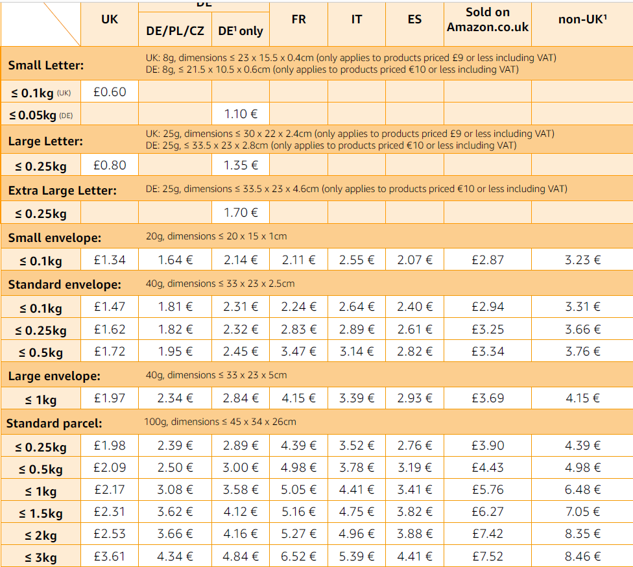
总结
销售方案 |  |  |  |  |  | 头程费用
定制方案 |  |  |  |  |  | 长 | 宽 | 高 | 毛重 | 运输方式 | 货物类型 | 目的国家 | 体积重 | 物流重量
图片区域 |  |  |  |  |  | 10cm | 10cm | 2cm | 0.1kg | 空运 | 普货 | US | 0.03 | 0.10
 |  |  |  |  |  | 空运 | ¥3.2 | 海运 | ¥1.2 |  | 0 | 32 | 头程费用 | ¥3.2
 |  |  |  |  |  | 利润预估
细节要点 |  |  |  |  |  |  |  |  |  |  |  |  |  |  | 空运
1.设计参照对象为如上图，款式是比较清爽的猫猫背带。 |  |  | 10.设计需要遵循一个原则，袋子不能绑住猫的前脚背部位置，否则猫会失去平衡，从而厌恶并逃脱胸背带 |  |  | 站点 | 产品成本 | 头程费 | 售价 | 佣金+VAT | 退货及广告费率 | 仓储费 | 汇率 | 毛利率 | 海运
2.设计点1：扣合方式改为皮带扣的那种日字扣扣合方式，袋子上多打几个孔，客户可以根据猫咪的大小自行调整长度，这样可有效避免猫容易逃脱。 |  |  | 11.背带的顶部可以设计成如上图这种风格 |  |  | US | ¥8.0 | ¥3.2 | $12.99 | 15% | 5.0% | 3.19 | 6.7 | 42.57%
3.设计点2：带子采用弹性较弱的布料，防止猫咪缩骨功，同时布料与猫咪接触的那个面需要有偏软的材质，防止引起猫咪不适 |  |  | 12.所有结合处，需要打枣处理 |  |  | UK | ¥8.0 | ¥3.2 | $13.99 | 34% | 5.0% | 1.98 | 8.7 | 37.65%
4.设计点4：做1个尺寸，3个颜色：粉色、灰黑色（美短猫色）、橙黄色（橘猫色），同时带子上印制不同的花纹，后续酌情增加其他颜色。 |  |  | 13.赠送的长绳子上面可以印制一些文字或者花纹。 |  |  | JP | ¥20.0 | ¥3.0 |  | 15% | 5.0% | 260 | 0.06 | #DIV/0!
5.带子的宽度做到25mm |  |  |  |  |  | 专利风险分析
6.赠送打孔器
7.LOGO位置设计在后端顶部的结合处。 |  |  |  |  |  | 经查验，该产品未发现外观专利
8.胸背带可以加入反光材质。
9.背部增加一个竖着的软质提手，方便客户用手提。
产品特色分析 |  |  |  |  |  | 关键词调研

基本参数属性分析 |  |  |  |  |  | 总Listing数量 |  |  | 2000 |  | 总月度搜索量 |  | 85058
 |  |  |  |  |  | 蓝海指数 |  |  | 43 |  | 标准 |  | 指数结果需≥100
 |  |  |  |  |  | 关键词 |  |  | listing数量 |  | 客户搜索量 |  | 蓝海值
 |  |  |  |  |  | cat litter mat |  |  | 2000 |  | 804,400 |  | 402
 |  |  |  |  |  | xl cat litter mat |  |  | 252 |  | 24,300 |  | 96
 |  |  |  |  |  | large cat litter mat |  |  | 1000 |  | 13,800 |  | 14
 |  |  |  |  |  |  |  |  |  |  |  |  | #DIV/0!
供应链分析 |  |  |  |  |  |  |  |  |  |  |  |  | #DIV/0!

包装清单 | 公司名 | 联系人 | 公司地址 | 采购链接 | 其他 | 该产品存在的风险
主产品 | 浦江言诺日用品有限公司 |  |  | 点此 | 胸背带 | 1.还是有可能猫会逃脱
副件1 |  |  |  | 点此 | 皮带打孔器 | 2.产品推起来后会有被抄袭的风险
副件2
副件3
副件4
副件5
价格主导因素分析 |  |  |  |  |  | 本产品成功率

没特殊价格主导因素 |  |  |  |  |  | 影响因素 |  |  |  |  |  | 总分 | 评估分

 |  |  |  |  |  | 价格因素：价格是否有优势，优势有多大？ |  |  |  |  |  | 3 | 3

 |  |  |  |  |  | 产品特色因素：外观是否独一无二？功能是否有很大改进？等等 |  |  |  |  |  | 3 | 3
为什么要做这款产品
 |  |  |  |  |  | 产品质量因素：如果在市面上已卖的产品上有质量上的提升方可加分，若是相同产品，则不可加分。 |  |  |  |  |  | 2 | 1.6
1.市场容量大，产品刚需，且复购率高
2.产品具有多项创新点，与市面上的款式有明显差异性。 |  |  |  |  |  | 其他加分：对产品有利的因素均可，如该产品有专利，供应商是否限制卖家数量等 |  |  |  |  |  | 2 | 1.5
3.可以有效解决目前市面上这些款式的问题
4.具有价格优势，体积小，运费低 |  |  |  |  |  | 最终产品成功率： |  |  | 64.40% |  |  | 合计 | 9.1

