抽油器数据
产品展示评分 |  |  |  |  |  |  |  | 价格 |  |  | 销量 |  | 客户反馈 |  |  | 对手 |  |  |  | 产品基础信息
Top100排名 | ASIN 粉为重复值 | 产品图片 | 图片数量 | 图片效果 | Amazon's Choice | A+效果 | 视频介绍 | 成本价（RMB） | 售价($) | FBA | 月销量 | 月销售额($) | 评论数 | QA数 | 评分 | 品牌 | 商品标题 | 变体数 | 卖家数 | 上架时间 | 配送方式 | 重量（KG） | 体积
7 | B07WVQ2DM8 | 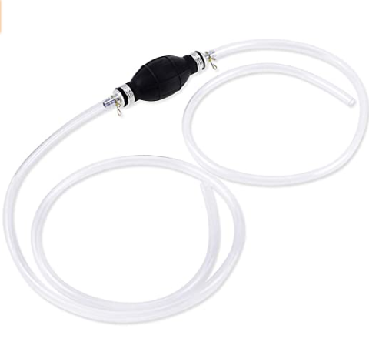 | 7 | 好 | Y |  |  | 3-8 | 8.99 |  | 1,201 | 10,796.99 | 200 | 11 | 3.9 | KATUMO | KATUMO Gasoline Siphone Hose, Gas Oil Water Fuel Transfer Siphon Pump, Portable Widely Use Hand Fuel Pump, Fuel Transfer Pump with 2 Durable PVC Hoses | 1 | 1 | 2019-07-23 | FBA | 0.158 | 5.9 x 4.9 x 1.9 inches
2 | B00318D7K8 | 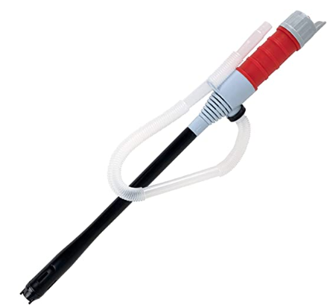 | 1 | 一般 | Y | 一般 |  | 10-15 | 14.41 |  | 945 | 11,311.65 | 2,972 | 176 | 3.8 | Ideaworks | Ideaworks JB5684 JB4840 Battery Operated Liquid Transfer Pump, red, blue, black | 1 | 2 | 2003-12-31 | FBM | 0.173 | 4 x 2 x 24 inches
24 | B000BGM2XG |  | 6 | 好 |  | 一般 |  |  | 27.20 |  | 420 | 9,030.00 | 447 | 64 | 3.3 | Valterra | Valterra Silver RP800 Rocket Hand Pump-Chrome | 1 | 26 | 2004-06-15 | FBA | 0.340 | 2 x 1.1 x 0.5 inches
13 | B07P863FQQ |  | 7 | 好 | Y | 好 |  |  | 9.35 |  | 395 | 3,693.25 | 172 | 23 | 3.7 | Flow.month | Siphon Pump for Gasoline Oil Water Fuel Diesel - Manual Liquids Transfer Pump Kit with 2 Durable PVC Hoses, Great Siphoning Kit for Fish Tank Brewing, Portable Widely Use Hand Fuel Pump | 1 | 1 | 2019-02-28 | FBA | 0.272 | 11 x 8.5 x 1.6 inches
44 | B076TMQGMN |  | 5 | 好 |  |  |  | 8-10 | 13.18 |  | 373 | 3,539.77 | 210 | 16 | 3.7 | Wekster | Wekster Multi-Purpose Siphon Transfer Pump Kit, with Dipstick Tube | Fluid Fuel Extractor Suction Tool for Oil, Gasoline, Water, Liquids & Air | 1 | 1 | 2017-10-25 | FBM | 0.531 | 11 x 11 x 2.5 inches
63 | B076TMQGMN |  | 5 | 好 |  |  |  | 8-10 | 13.18 |  | 373 | 3,539.77 | 210 | 16 | 3.7 | Wekster | Wekster Multi-Purpose Siphon Transfer Pump Kit, with Dipstick Tube | Fluid Fuel Extractor Suction Tool for Oil, Gasoline, Water, Liquids & Air | 1 | 1 | 2017-10-25 | FBM | 0.531 | 11 x 11 x 2.5 inches
29 | B00BMRZN66 |  | 7 | 好 |  | 很好 | Y |  | 22.99 |  | 331 | 7,609.69 | 693 | 54 | 3.9 | TERA PUMP | TERAPUMP Battery Powered Fuel, Liquid, Gas, Water Transfer Portable Pump with Easy Light Weight Handle Transfer From Car, Tractor, Boat Etc | 1 | 2 | 2013-04-19 | FBM | 0.198 | 24 x 4.4 x 3 inches
32 | B07BWBS42W |  | 6 | 好 |  |  |  | 10-20 | 21.98 |  | 247 | 3,996.46 | 281 | 27 | 3.6 | S&L-Winyer | S&L-Winyer Battery-Operated Liquid Transfer Pump Color Red，Fuel Transfer Pump for Gasoline | 4 | 1 | 2018-04-02 | FBA | 0.340 | 24 x 4 x 2.5 inches
39 | B07BWBS42W |  | 6 | 好 |  |  |  | 10-20 | 21.98 |  | 247 | 3,996.46 | 281 | 27 | 3.6 | S&L-Winyer | S&L-Winyer Battery-Operated Liquid Transfer Pump Color Red，Fuel Transfer Pump for Gasoline | 4 | 1 | 2018-04-02 | FBA | 0.340 | 24 x 4 x 2.5 inches
86 | B07BQH33K3 |  | 6 | 好 |  |  |  |  | 29.98 |  | 247 | 6,352.84 | 123 | 16 | 3.4 | YOMNEE | Electric Portable DC 12V Transfer Pump Extractor Suction Oil Fluid Water For Auto Marine Boat Diesel Car Motorbike | 1 | 2 | 2018-03-25 | AMZ | 0.795 | 7.9 x 5.4 x 4.3 inches
64 | B003ZA7HUS |  | 5 | 一般 |  | 一般 |  |  | 23.99 |  | 235 | 5,637.65 | 225 | 32 | 3.8 | Chemical Guys | Chemical Guys ACC_117 Full Function Power Atomizer and Pump Sprayer (50 oz) | 2 | 2 | 2010-08-11 | AMZ | 0.613 | 8.4 x 1.4 x 12.9 inches
38 | B07QQ4Z8T3 |  | 7 | 好 |  |  |  | 8-10 | 12.99 |  | 185 | 2,403.15 | 32 | 5 | 3.8 | VaygWay | VaygWay Siphon Oil Gas Pump- Liquid Air Fuel Fluid Tool-Transfer Pump Kit Extractor - Syphon Hose Car Auto SUV | 1 | 2 | 2019-04-17 | FBM | 0.590 | 11.5 x 10.5 x 2.5 inches
75 | B07PHDQNNT |  | 7 | 好 |  |  |  | 10-15 | 20.99 |  | 155 | 3,253.45 | 98 | 11 | 3.6 | Sailnovo | Sailnovo Battery Operated Liquid Transfer Pump Siphon Pump for Fuel Gas Oil Gasoline Water, Multi-Use Hand Fuel Pump | 1 | 1 | 2019-03-11 | FBM | 0.294 | 26 x 2.3 x 2.3 inches
96 | B084RWWDS8 |  | 5 | 好 |  | 很好 |  |  | 15.95 |  | 154 | 2,541.00 |  |  |  | GasTapper | GasTapper Siphon Pro 8' Jiggler Hose Unique Patented Hose Clamp Allows One Hand Operation With no Concern That the Hose End Will Flop Out- No Mess | 1 | 2 | 2020-02-13 | FBM | 0.317 | 12 x 12 x 2 inches
67 | B07RLVY7QD |  | 7 | 好 |  |  |  | 20 | 9.49 |  | 149 | 1,414.01 | 47 |  | 3.7 | SWANLAKE | SWANLAKE Multi-Use Siphon Fuel Transfer Pump Kit for Gas Oil and Liquids | 1 | 1 | 2019-05-07 | FBA | 0.568 | 10.2 x 9.1 x 2.1 inches
78 | B017NVLYOY | 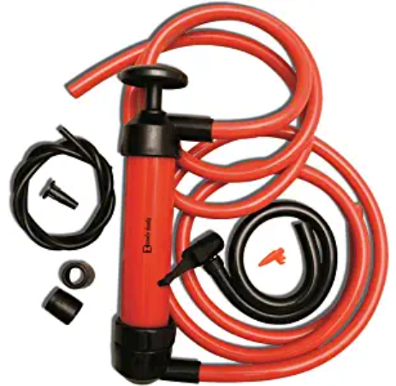 | 6 | 好 |  |  |  | 8-10 | 13.49 |  | 145 | 1,848.75 | 140 | 10 | 3.8 | Zento Deals | Zento Deals 3-in-1 Hand Siphon Pump Gas/Liquid/Air Manual Travel Emergency Vehicle Pump | 1 | 2 | 2015-11-06 | FBM | 0.286 | 9.8 x 8.9 x 1.5 inches
79 | B000M5YDUQ |  | 1 | 差 |  |  |  |  | 63.95 |  | 141 | 6,096.84 | 21 | 20 | 3.8 | Lincoln | Lincoln Lubrication 1335 Heavy Duty Lever-Action Fluid Pump | 1 | 2 | 2004-08-12 | AMZ | 0.005 | 3.4 x 15.2 x 13.1 inches
53 | B000OQIGA6 |  | 7 | 好 |  |  | Y |  | 38.25 |  | 106 | 2,444.36 | 675 | 48 | 3.4 | Airpower America | Air Power America 2005LV LiquiVac Oil Changing System for Small Engine | 2 | 2 | 2007-03-22 | AMZ | 1.362 | 15.2 x 5.4 x 8.4 inches
70 | B07CG5J8JN |  | 6 | 好 |  |  |  | 10-15 | 22.98 |  | 106 | 1,571.98 | 275 | 27 | 3.6 | S&L-Winyer | S&L-Winyer Battery-Operated Liquid Transfer Pump Color Yellow，Fuel Transfer Pump for Gasoline | 4 | 1 | 2018-04-02 | FBA | 0.362 | 23.9 x 4.1 x 2.2 inches
52 | B083WH45XR | 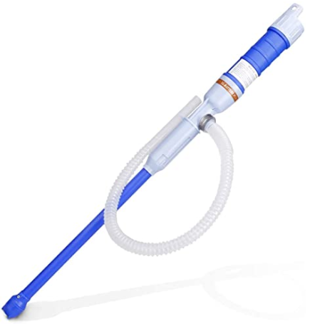 | 7 | 好 |  |  |  | 10-20 | 18.99 |  | 103 | 1,620.19 | 89 | 18 | 3.4 | Adakiit | Adakiit Battery Powered Liquid Transfer Pump Multi-Purpose Siphon Pump Transfer Pump for Fuel Gas Oil Gasoline Water (Blue) | 1 | 5 | 2019-05-02 | AMZ | 0.294 | 26 x 2.5 x 2.5 inches
97 | B0043YIFGU |  | 1 | 差 |  |  |  |  | 14.86 |  | 91 | 773.50 | 335 | 22 | 3.6 | IIT | IIT JMK 17544 Siphon Transfer Pump Kit with 2-50 Inch Hoses | 1 | 4 | 2010-09-22 | FBM | 0.568 | 1 x 1 x 1 inches
36 | B073HKTJCD |  | 6 | 好 |  |  |  |  | 25.95 |  | 90 | 2,155.50 | 35 | 11 | 3.9 | REV X | REV X Mega Syphon - 3/4" x 10 Foot Long Self Priming Safe Siphon Hose for Water, Gas, Fuel, Diesel | 1 | 1 | 2018-01-16 | FBM | 0.863 | 120 x 0.8 x 0.8 inches
72 | B00D2QL0DU |  | 7 | 好 | Y |  | Y |  | 17.89 |  | 89 | 1,175.69 | 301 | 25 | 3.6 | Hopkins | Hopkins 10803 FloTool Transfer Pump | 1 | 8 | 2013-05-25 | FBM | 0.009 | 11 x 10 x 2.2 inches
55 | B07GTJ3ZCS |  | 7 | 好 |  |  |  | 10-20 | 16.88 |  | 50 | 699.50 | 90 | 9 | 3.5 | MeiBoAll | Electric Liquid Transfer Siphon Pump for Diesel, Fuel, Oil, Water and More, Battery Operated Powered | 2 | 1 | 2018-08-24 | FBA | 0.289 | 25.2 x 1.6 x 1.6 inches
43 | B0002AJR8E |  | 7 | 好 |  | 好 | Y |  | 45.75 |  | 49 | 2,054.57 | 675 | 48 | 3.4 | Airpower America | Air Power America 2000LV Green Large Oil Extractor | 2 | 2 | 2004-07-15 | AMZ | 1.589 | 17.9 x 10.9 x 7.1 inches
77 | B07KD229C7 |  |  | 好 |  |  |  |  | 5.99 |  | 26 | 155.74 | 27 |  | 2.5 | YOUNGFLY | YOUNGFLY Hand Pump Siphon for Fuel Water Gas Diesel Aquarium Pool Liquid Fish Tank Transfer | 1 | 1 | 2018-11-10 | FBA | 0.198 | 5.3 x 4.9 x 1 inches
61 | B000OIFCGK |  | 2 | 一般 |  |  |  |  | 9.57 |  | 25 | 202.25 | 77 |  | 3.9 | Performance Tool | Performance Tool W1141 Fluid Transfer Pump Fluid Transfer Pump | 2 | 28 | 2004-07-07 | FBM | 0.113 | 13.4 x 6.7 x 1.7 inches
51 | B07D7TN9D6 | 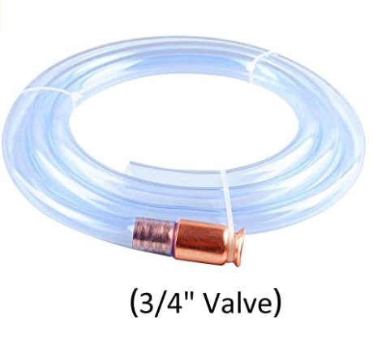 | 6 | 好 |  | 很好 |  |  | 15.99 |  | 19 | 303.81 | 31 |  | 3.8 | wadoy | Wadoy Siphon Hose 3/4",Shaker Siphon for Gasoline/Gas/Fuel Transfer, Gas Siphon Pump,Self Priming Siphon Hose | 1 | 1 | 2018-05-23 | FBA | 0.391 | 9.4 x 9.3 x 1.7 inches
66 | B07BW27WKZ |  | 6 | 好 |  |  |  | 10-20 | 20.80 |  | 10 | 208.00 | 276 | 27 | 3.6 | S&L-Winyer | S&L-Winyer Battery-Operated Liquid Transfer Pump Color Gray，Fuel Transfer Pump for Gasoline | 4 | 1 | 2018-04-02 | FBA | 0.317 | 24 x 4.1 x 2.2 inches
80 | B07GTH18MK | 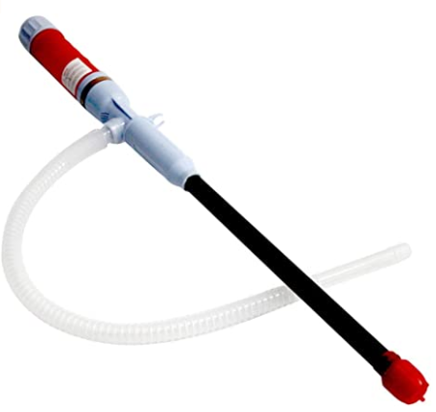 | 7 | 好 |  |  |  | 10-15 | 17.99 |  | 10 | 149.90 | 90 | 9 | 3.5 | MeiBoAll | Electric Liquid Transfer Siphon Pump for Diesel, Fuel, Oil, Water and More, Battery Operated Powered | 2 | 1 | 2018-08-24 | FBA | 0.300 | 25.2 x 1.6 x 1.6 inches
89 | B07MKCW2VZ | 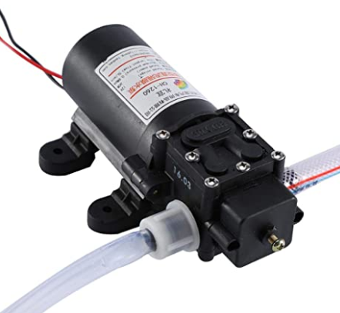 | 7 | 好 |  |  |  |  | 30.79 |  | 10 | 307.90 | 40 | 10 | 3.1 | Aramox | Electric Oil Extractor Pump Auto Car Oil Fluid Liquid Extractor Scavenge Exchange Transfer Pump Kit Oil Change Pump 12V 60w | 1 | 3 | 2018-12-24 | AMZ | 0.781 | 7.9 x 5.5 x 5.3 inches
74 | B01MS4SS7Q |  | 7 | 好 |  |  |  |  | 14.95 |  | 6 | 89.70 | 10 |  | 3.7 | The Original Safety Siphon | The Original Safety Siphon Siphon Pump 10 Foot High Grade Hose, 3/8" Valve | 1 | 1 | 2017-01-06 | FBA | 0.190 | 10.2 x 10 x 2 inches
69 | B07YFJGGC1 |  | 2 | 一般 |  |  |  | 10-20 | 10.99 |  | 5 | 49.95 | 5 |  | 3.3 | lifeasysoso | lifeasysoso Battery Operated Liquid, Gas and Water Transfer Pump,Automatic Siphon Pump Portable Pipe Pumping with Bendable Suction Tube Multi-Use Hand Fuel Pump for Diesel,Fish | 3 | 1 | 2019-11-15 | FBM | 0.300 | 22.8 x 2 x 2 inches
56 | B081YYWP4W |  | 5 | 好 |  |  |  |  | 9.99 |  | 2 | 19.98 |  |  |  | WeTest | High Flow Gasoline Siphon Hose - Great Siphoning Kit for Fish Tank Brewing, Gas Oil Water Fuel, Portable Widely Use Hand Fuel Pump, Fuel Transfer Pump with 1.5M Durable PVC Hoses | 1 | 1 | 2019-11-25 | AMZ | 0.280 | 10.6 x 10 x 2.6 inches
71 | B07QW3TNZ6 |  | 3 | 一般 |  | 好 | Y |  | 11.99 |  | 2 | 13.98 | 30 | 7 | 3.9 | TERA PUMP | Fuel Can Adapter Bundle for Second Gen TERAPUMP TRFA01 - No More Gas Can Lifting/Fuel Transfer Pump Fitting numerous Gas Cans | 3 | 2 | 2019-05-19 | FBM | 0.091 | 6.2 x 2.7 x 1.9 inches
60 | B07JGPMY1R |  | 7 | 好 |  |  |  |  | 24.49 |  | 1 | 19.60 |  |  |  | Garosa | Pumping Oil Kit Vacuum Fuel Fluid Changer Extractor Pump Tank Remover Car Transfer for Gasoline Liquids | 1 | 1 |  | FBM | 0.331 | 9.5 x 6.5 x 2.3 inches
82 | B07S8WLRG6 |  | 7 | 好 |  |  |  | 10-15 | 20.99 |  | 1 | 20.99 | 14 | 5 | 2.6 | Zilmen | Zilmen Battery-Operated Liquid Transfer Pump Color Red，Fuel Transfer Pump for Gasoline | 1 | 1 | 2019-05-28 | FBA | 0.340 | 12 x 6.1 x 2.8 inches
90 | B07MJHQ9K1 |  | 7 | 好 |  | 很好 | Y | 20-30 | 43.99 |  | 1 | 42.35 | 9 |  | 3.8 | TERA PUMP | TERA PUMP 2AA Baterry Hand Fuel Pumps (2 Pumps) | 1 | 2 | 2019-01-09 | FBM | 0.590 | 21.2 x 4.5 x 3.2 inches
100 | B07XN8795N |  | 3 | 一般 |  |  |  | 8-10 | 19.69 |  | 1 | 19.69 |  |  |  | uxcell | uxcell Multi-Use Siphon Fuel Transfer Pump Kit for Water Gas Oil and Other Liquids | 1 | 2 | 2019-09-08 | FBM | 0.303 | 10.9 x 7 x 2.7 inches
35 | B07Q3CBV4D | 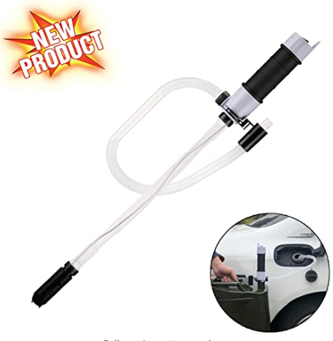 | 7 | 好 |  |  |  |  | 16.98 |  |  |  | 70 | 3 | 3.0 | S&L-Winyer | S&L-Winyer Battery-Operated Liquid Transfer Pump Color Black，Fuel Transfer Pump for Gasoline | 1 | 1 | 2019-03-29 | FBA | 0.328 | 12 x 6.2 x 2.8 inches
45 | B07Q3CBV4D |  | 7 | 好 |  |  |  | 10-20 | 16.98 |  |  |  | 70 | 3 | 3.0 | S&L-Winyer | S&L-Winyer Battery-Operated Liquid Transfer Pump Color Black，Fuel Transfer Pump for Gasoline | 1 | 1 | 2019-03-29 | FBA | 0.328 | 12 x 6.2 x 2.8 inches
47 | B07W7J9C86 |  | 7 | 一般 |  |  |  | 10-20 | 17.99 |  |  |  | 14 | 0 | 3.1 | DEDC | DEDC Battery-Operated Liquid Transfer Pump, Electric Siphon Pump with Bendable Suction Tube for Diesel, Fuel, Oil, Water, Gas and More | 1 | 1 | 2019-08-05 | FBA
81 | B084BZC3L1 |  | 7 | 好 |  |  |  |  | 68.99 |  |  |  |  |  |  | TERA PUMP | NextGen Rain-Proof Gas Fuel Pump with 4.25ft Extra Long Dishcarge Hose Battery Power Electric Siphon Pump with AutoStop System for Car Trucks Fuel Cells Tractor Generators Snowblower | 1 | 2 | 2020-01-29 | FBA
92 | B003RDO1JS |  | 1 | 差 |  |  |  |  | 17.93 |  |  |  |  |  |  | Custom Accessories | 2 Pack Pennzoil 36671 Fluid Transfer Pump for One Gallon Jugs | 1 | 3 | 2004-04-01 | FBM
95 | B07X9DGKN8 |  | 5 | 好 |  |  |  | 10-15 | unavailable |  |  |  |  |  |  | uxcell | uxcell Electric Liquid Transfer Pump Gasoline Alcohol Multi-Use Hand Fuel Pump with Silicone Ring Red |  |  | 2019-08-31
98 | B00OG9PU6U |  | 7 | 好 |  |  |  | 1.5-3 | 40.99 |  |  |  |  |  |  | TERA PUMP 与SOJITEK同家 | TERA PUMP 5PK Heavy Duty Liquid Transfer Pump with Fast Flow (5GPM), Flexible Suction Tube for Light Oils, Gas, Diesel or Water Based Solutions | 1 | 1 | 2014-10-13 | FBM

预选产品
选品款式及原因 | 产品展示评分 |  |  |  |  |  |  |  |  | 价格 |  |  | 销量 |  | 客户反馈 |  |  | 对手 |  |  |  | 产品基础信息
预选产品 | Top100排名 | ASIN 标色重复值 | 产品图片 | OEM零件号 | 图片数量 | 图片效果 | Amazon's Choice | A+效果 | 视频介绍 | 产品成本价（RMB） | AMZ售价($) | FBA运费($) | 月销量 | 月销售额($) | 评论数 | QA数 | 评分 | 品牌 | 商品标题 | 变体数 | 卖家数 | 上架时间 | 配送方式 | 重量（KG） | 体积
小型电动抽油器 占席6个 新款价格有优势 | 26 | B00QVLQHAO |  |  | 7 | 好 |  | 很好 | Y | 20-30 | $29.76 |  | 224 | 6,717.76 | 372 | 17 | 4.4 | TERA PUMP | TERA PUMP TRHA03 Battery Powered Water, Oil, Diesel, Gas Transfer Pump with AUTO-Stop System (Leak Protection) and Buzzer, 2 AA Batteries (NOT Included) | 1 | 3 | 2014-12-11 | FBM | 0.317 | 22 x 4.5 x 1.7 inches
 | 4 | B00WZX9W86 |  |  | 7 | 好 | Y | 好 | Y | 20-30 | $29.19 |  | 964 | 23,878.28 | 719 | 51 | 4.5 | TERA PUMP | TERA PUMP Portable Power Water/Fuel Transfer Battery Pump with AutoStop - 2.4GPM | 1 | 4 | 2015-05-01 | FBM | 0.272 | 21.1 x 4.2 x 1.7 inches
 | 99 | B07MC9F3SD | 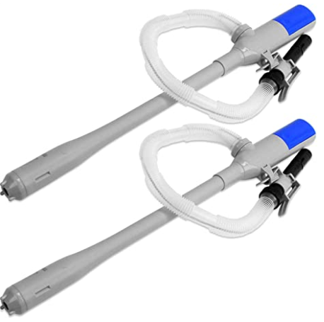 |  | 7 | 好 |  | 好 | Y | 20-30 | $49.99 |  | 1 | 49.99 | 9 | 10 | 4.3 | TERA PUMP | TERA PUMP 2PK TRHA03 Battery Powered Water, Oil, Diesel, Gas Transfer Pump with AUTO-Stop System (Leak Protection) and Buzzer, 2 AA Batteries (NOT Included) | 1 | 2 | 2019-01-09 | FBM | 0.658 | 22 x 4.5 x 3 inches
 | 27 | B0855C9BGS |  |  | 7 | 好 |  | 很好 |  | 20-30 | $34.99 |  | 90 | 3,149.10 | 3 |  | 4.2 | Jumbl | Jumbl Liquid Transfer Pump | Portable Battery Powered Fuel Transfer Pump with Auto-Stop | Flexible Intake hose | Transfers Gasoline, Water & Other Liquids at 2.3 Gal/Minute | 1 | 1 | 2020-02-25 | FBA | 0.280 | 26.6 x 1.2 x 10.1 inches
 | 48 | B00X3YGHH0 |  |  | 7 | 好 | Y | 很好 | Y |  | $25.49 |  | 109 | 2,451.41 | 523 | 20 | 4.6 | TERA PUMP | TERA PUMP 2AA Baterry Hand Fuel Pumps | 1 | 1 | 2015-05-01 | FBM | 0.272 | 21.5 x 4.4 x 1.7 inches
 | 90 | B07MJHQ9K1 |  |  | 7 | 好 |  | 很好 | Y | 20-30 | $43.99 |  | 1 | 42.35 | 9 |  | 3.8 | TERA PUMP | TERA PUMP 2AA Baterry Hand Fuel Pumps (2 Pumps) | 1 | 2 | 2019-01-09 | FBM | 0.590 | 21.2 x 4.5 x 3.2 inches
老款电动抽油器 占席21个 | 2 | B00318D7K8 |  |  | 1 | 一般 | Y | 一般 |  | 10-15 | $14.41 |  | 945 | 11,311.65 | 2,972 | 176 | 3.8 | Ideaworks | Ideaworks JB5684 JB4840 Battery Operated Liquid Transfer Pump, red, blue, black | 1 | 2 | 2003-12-31 | FBM | 0.173 | 4 x 2 x 24 inches
 | 12 | B0772LLDWN | 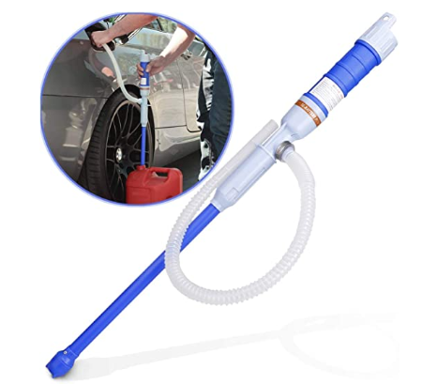 |  | 7 | 好 |  |  |  | 10-20 | $19.99 |  |  |  | 2 |  | 5.0 | noeler | Noeler Battery Operated Liquid Transfer Pump Siphon Pump for Fuel Gas Oil Gasoline Water, Multi-Use Hand Fuel Pump | 1 | 1 | 2020-02-03 | FBM
 | 15 | B086448J43 |  |  | 7 | 好 |  |  |  | 10-20 | $20.99 |  |  |  | 2 |  | 5.0 | Noeler | Noeler Battery Powered Liquid Transfer Pump Siphon Pump Transfer Pump for Fuel Gas Oil Gasoline Water, Multi-Use Hand Fuel Pump | 1 | 1 | 2020-03-19 | FBM
 | 25 | B085L2PZ1Q |  |  | 1 | 好 |  |  |  | 单个10-20 | $21.69 |  |  |  | 3 |  | 5.0 | CATSAYS | CATSAYS Liquid Transfer Pump Battery-Operated Portable Fuel Siphon Pump with Bendable Suction Tube, Electric Liquid Transfer Pump | 1 | 1 |  | FBM | 1.32 pounds | 22.8 x 2 x 2 inches
 | 29 | B00BMRZN66 |  |  | 7 | 好 |  | 很好 | Y |  | $22.99 |  | 331 | 7,609.69 | 693 | 54 | 3.9 | TERA PUMP | TERAPUMP Battery Powered Fuel, Liquid, Gas, Water Transfer Portable Pump with Easy Light Weight Handle Transfer From Car, Tractor, Boat Etc | 1 | 2 | 2013-04-19 | FBM | 0.198 | 24 x 4.4 x 3 inches
 | 30 | B00X3YHEB8 |  |  | 7 | 好 |  | 很好 | Y |  | $24.69 |  | 44 | 1,662.76 | 236 | 10 | 4.1 | TERA PUMP | TERA PUMP TRHD05 2D Battery Operated Liquid, Gas and Water Transfer Pump with Easy Handle | 1 | 2 | 2018-01-09 | FBA | 0.454 | 24.1 x 4.6 x 3 inches
 | 35 | B07Q3CBV4D |  |  | 7 | 好 |  |  |  |  | $16.98 |  |  |  | 70 | 3 | 3.0 | S&L-Winyer | S&L-Winyer Battery-Operated Liquid Transfer Pump Color Black，Fuel Transfer Pump for Gasoline | 1 | 1 | 2019-03-29 | FBA | 0.328 | 12 x 6.2 x 2.8 inches
 | 39 | B07BWBS42W |  |  | 6 | 好 |  |  |  | 10-20 | $21.98 |  | 247 | 3,996.46 | 281 | 27 | 3.6 | S&L-Winyer | S&L-Winyer Battery-Operated Liquid Transfer Pump Color Red，Fuel Transfer Pump for Gasoline | 4 | 1 | 2018-04-02 | FBA | 0.340 | 24 x 4 x 2.5 inches
 | 47 | B07W7J9C86 |  |  | 7 | 一般 |  |  |  | 10-20 | $17.99 |  |  |  | 14 | 0 | 3.1 | DEDC | DEDC Battery-Operated Liquid Transfer Pump, Electric Siphon Pump with Bendable Suction Tube for Diesel, Fuel, Oil, Water, Gas and More | 1 | 1 | 2019-08-05 | FBA
 | 50 | B00X3YH5ZI |  |  | 7 | 好 |  | 很好 | Y | 10-20 | $15.99 |  | 1 | 15.99 | 116 |  | 4.1 | TERA PUMP | TERAPUMP D Battery Powered Hand Fuel Transfer Pump Delivers up to 7 Liters per Minute | 1 | 1 | 2015-05-01 | FBM | 0.317 | 25 x 4 x 2 inches
 | 52 | B083WH45XR |  |  | 7 | 好 |  |  |  | 10-20 | $18.99 |  | 103 | 1,620.19 | 89 | 18 | 3.4 | Adakiit | Adakiit Battery Powered Liquid Transfer Pump Multi-Purpose Siphon Pump Transfer Pump for Fuel Gas Oil Gasoline Water (Blue) | 1 | 5 | 2019-05-02 | AMZ | 0.294 | 26 x 2.5 x 2.5 inches
 | 55 | B07GTJ3ZCS |  |  | 7 | 好 |  |  |  | 10-20 | $16.88 |  | 50 | 699.50 | 90 | 9 | 3.5 | MeiBoAll | Electric Liquid Transfer Siphon Pump for Diesel, Fuel, Oil, Water and More, Battery Operated Powered | 2 | 1 | 2018-08-24 | FBA | 0.289 | 25.2 x 1.6 x 1.6 inches
 | 57 | B085L2WF6G |  |  |  |  |  |  |  | 10-20 | $20.69 |  |  |  | 3 |  | 5 | CATSAYS | CATSAYS Liquid Transfer Pump Battery-Operated Portable Fuel Siphon Pump with Bendable Suction Tube, Electric Liquid Transfer Pump | 5 | 1 |  | FBM
 | 66 | B07BW27WKZ |  |  | 6 | 好 |  |  |  | 10-20 | $20.80 |  | 10 | 208.00 | 276 | 27 | 3.6 | S&L-Winyer | S&L-Winyer Battery-Operated Liquid Transfer Pump Color Gray，Fuel Transfer Pump for Gasoline | 4 | 1 | 2018-04-02 | FBA | 0.317 | 24 x 4.1 x 2.2 inches
 | 69 | B07YFJGGC1 |  |  | 2 | 一般 |  |  |  | 10-20 | $10.99 |  | 5 | 49.95 | 5 |  | 3.3 | lifeasysoso | lifeasysoso Battery Operated Liquid, Gas and Water Transfer Pump,Automatic Siphon Pump Portable Pipe Pumping with Bendable Suction Tube Multi-Use Hand Fuel Pump for Diesel,Fish | 3 | 1 | 2019-11-15 | FBM | 0.300 | 22.8 x 2 x 2 inches
 | 70 | B07CG5J8JN |  |  | 6 | 好 |  |  |  | 10-15 | $22.98 |  | 106 | 1,571.98 | 275 | 27 | 3.6 | S&L-Winyer | S&L-Winyer Battery-Operated Liquid Transfer Pump Color Yellow，Fuel Transfer Pump for Gasoline | 4 | 1 | 2018-04-02 | FBA | 0.362 | 23.9 x 4.1 x 2.2 inches
 | 73 | B00MEWP6LA |  |  | 7 | 好 |  | 好 |  | 10-15 | $22.99 |  | 67 | 1,196.62 | 364 | 25 | 4.1 | TERA PUMP | TERAPUMP TRHD01 Battery Powered Water, Diesel, Gas, Oil Transfer Pump, 2 D Batteries | 1 | 1 | 2014-08-04 | FBM | 0.272 | 25 x 4.2 x 2.5 inches
 | 75 | B07PHDQNNT |  |  | 7 | 好 |  |  |  | 10-15 | $20.99 |  | 155 | 3,253.45 | 98 | 11 | 3.6 | Sailnovo | Sailnovo Battery Operated Liquid Transfer Pump Siphon Pump for Fuel Gas Oil Gasoline Water, Multi-Use Hand Fuel Pump | 1 | 1 | 2019-03-11 | FBM | 0.294 | 26 x 2.3 x 2.3 inches
 | 80 | B07GTH18MK |  |  | 7 | 好 |  |  |  | 10-15 | $17.99 |  | 10 | 149.90 | 90 | 9 | 3.5 | MeiBoAll | Electric Liquid Transfer Siphon Pump for Diesel, Fuel, Oil, Water and More, Battery Operated Powered | 2 | 1 | 2018-08-24 | FBA | 0.300 | 25.2 x 1.6 x 1.6 inches
 | 82 | B07S8WLRG6 |  |  | 7 | 好 |  |  |  | 10-15 | $20.99 |  | 1 | 20.99 | 14 | 5 | 2.6 | Zilmen | Zilmen Battery-Operated Liquid Transfer Pump Color Red，Fuel Transfer Pump for Gasoline | 1 | 1 | 2019-05-28 | FBA | 0.340 | 12 x 6.1 x 2.8 inches
 | 95 | B07X9DGKN8 |  |  | 5 | 好 |  |  |  | 10-15 | 没货 |  |  |  |  |  |  | uxcell | uxcell Electric Liquid Transfer Pump Gasoline Alcohol Multi-Use Hand Fuel Pump with Silicone Ring Red |  |  | 2019-08-31

