品牌垄断
 | 汇总
#followme | 6334
Amazon Essentials | 7747
Angelina | 6670
Asvivid | 2168
Avidlove | 9533
Benaive | 1470
bSoft | 754
Carole Hochman | 593
Cherokee | 2761
CoralBee | 3102
Cozchique | 2192
CULAYII | 3512
DIDK | 8303
Eberjey | 619
Ekouaer | 69529
Floerns | 7414
Honeydew | 648
HUE | 539
IF Family | 3881
IFFEI | 3273
INNERSY | 635
Just Love | 23648
Latuza | 14229
Lonxu | 10031
luvamia | 8519
Mae | 815
MEROKEETY | 1236
Nautica | 1364
PajamaGram | 48899
PJ Salvage | 683
Real Essentials | 705
Serenedelicacy | 3851
SheIn | 8508
SOLY HUX | 3857
SweatyRocks | 5105
TIKTIK | 11919
U.S. Polo Assn. | 453
VENTELAN | 3062
Yaffi | 3205
(空白)
品牌 | 求和项:近30天销量
#followme | 6334
Amazon Essentials | 7747
Angelina | 6670
Asvivid | 2168
Avidlove | 9533
Benaive | 1470
bSoft | 754
Carole Hochman | 593
Cherokee | 2761
CoralBee | 3102
Cozchique | 2192
CULAYII | 3512
DIDK | 8303
Eberjey | 619
Ekouaer | 69529
Floerns | 7414
Honeydew | 648
HUE | 539
IF Family | 3881
IFFEI | 3273
INNERSY | 635
Just Love | 23648
Latuza | 14229
Lonxu | 10031
luvamia | 8519
Mae | 815
MEROKEETY | 1236
Nautica | 1364
PajamaGram | 48899
PJ Salvage | 683
Real Essentials | 705
Serenedelicacy | 3851
SheIn | 8508
SOLY HUX | 3857
SweatyRocks | 5105
TIKTIK | 11919
U.S. Polo Assn. | 453
VENTELAN | 3062
Yaffi | 3205
(空白)
总计 | 291766

产品调研
卖家 | Title | 售价（美元） | 材质 | 图片
Ekouaer | Ekouaer Pajamas Set Long Sleeve Sleepwear Womens Button Down Nightwear Soft Pj Lounge Sets XS-XXL | 43.99 | 95%粘胶+ 5%氨纶 | 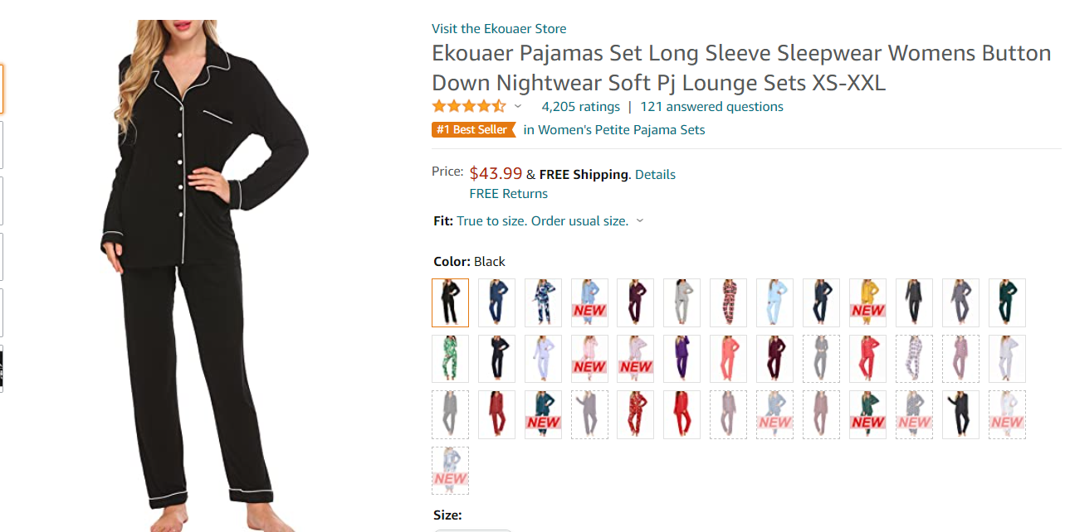
Ekouaer | Ekouaer Sleepwear Womens Sexy Lingerie Satin Pajamas Cami Shorts Set Nightwear | 12.99 | 真丝 | 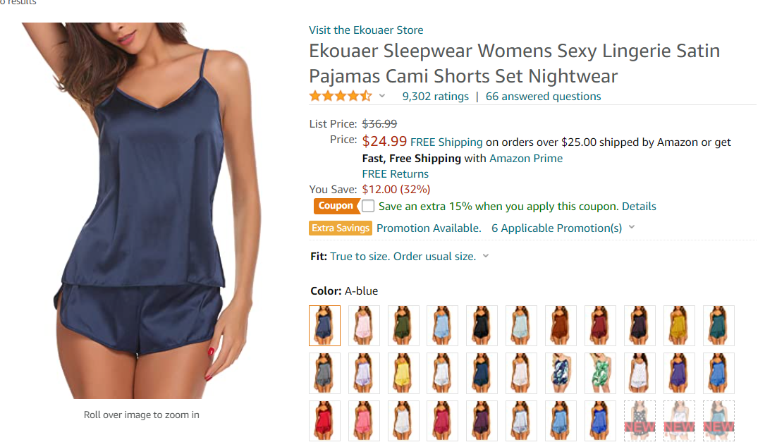
luvamia | luvamia Women Tie Dye Pajama Sets Long Sleeve Tops and Pants PJ Sets Joggers Loungewear Sleepwear | 28 | 涤纶、氨纶 | 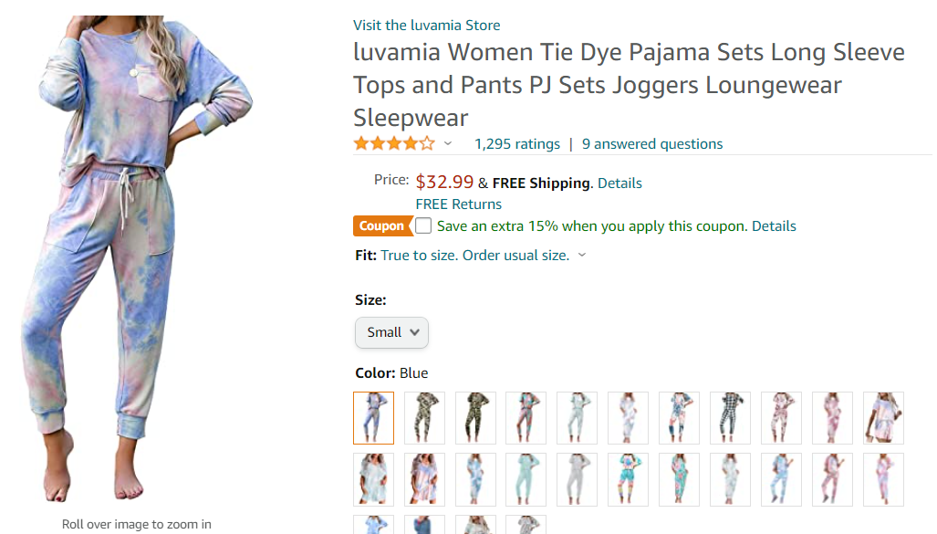
Vieshful | HOTOUCH Womens Pajamas Short Sets Short Sleeve Two Piece Sleepwear Soft Pj Shorts Set | 19.11 | 95%人造丝，5%氨纶 | 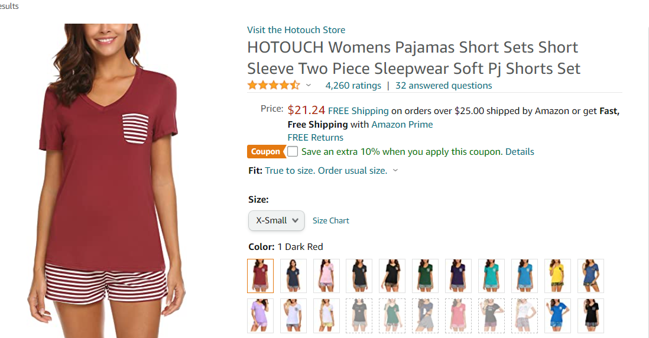
Just Love Fashion | #followme Printed Flannel Button Front PJ Pant Set | 24.99 | 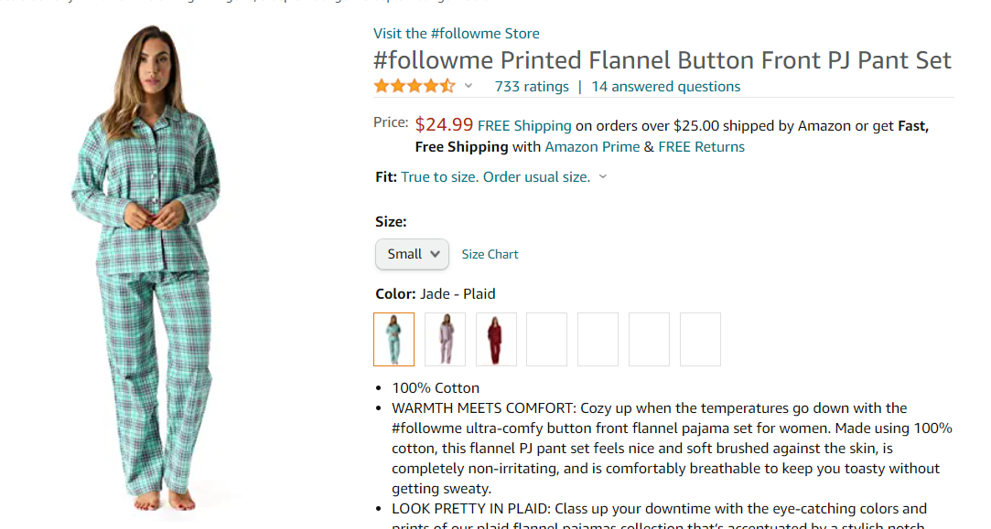 全棉

产品图片
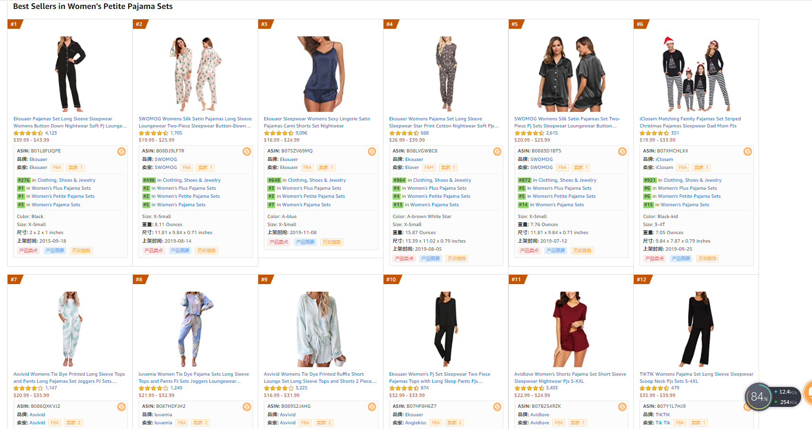

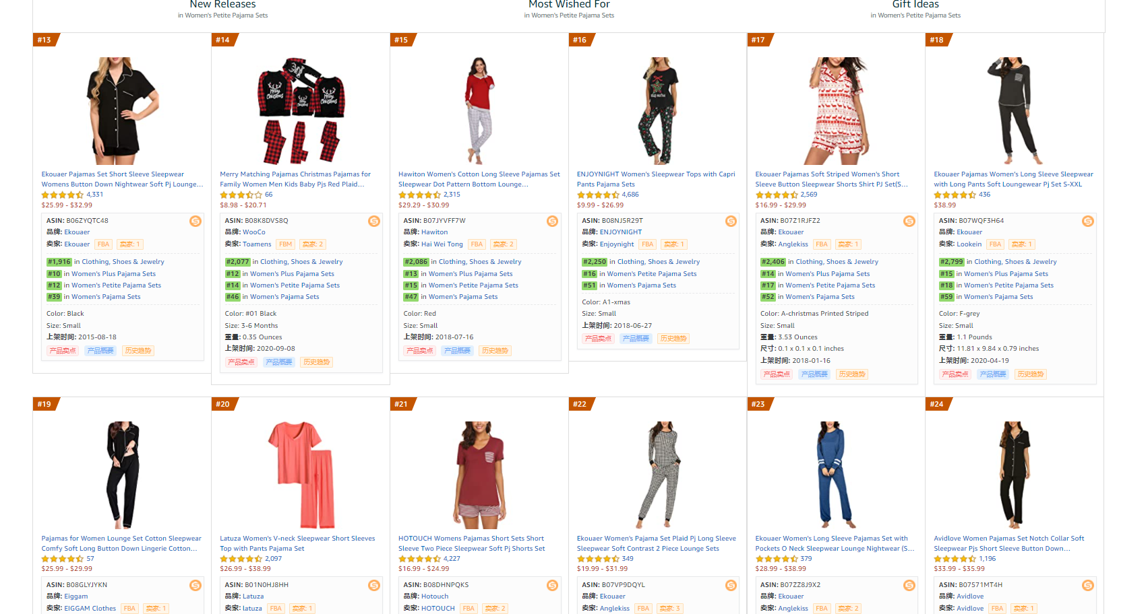

竞品利润测算
产品
 | 备注 | 售价（美元） | 链接 | 运输重量 lbs/pounds | 换算成千克 | 亚马逊平台费15% | 亚马逊配送费 | 运费（海运） | 叁航佣金5% | 推广费15% | 退货费用3% | 售价 | 进货成本 +利润 | 海运费按每公斤9元计算，汇率为7
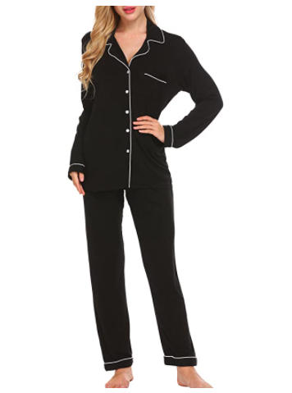 | 95%粘胶 | 35.69 | https://www.amazon.com/Ekouaer-Womens-Sleepwear-Lingerie-Pajamas/dp/B01L8FUQPE/ref=zg_bs_1044894_1?_encoding=UTF8&psc=1&refRID=4ZS2K4FJNGHVFSK2DRFB | 1.04 | 0.47 | 5.35 | 5.35 | 0.61 | 1.78 | 5.35 | 1.07 | 35.69 | 16.17
 | 节日主题家庭套装拆卖，12个月单套14.99 | 14.99 | https://www.amazon.com/Matching-Family-Pajamas-Christmas-Sleepwear/dp/B07ZCFQRHV/ref=zg_bs_1044894_3?_encoding=UTF8&psc=1&refRID=021Q0B1F6E735AMHCFH4 | 0.20 | 0.09 | 2.25 | 3.70 | 0.12 | 0.75 | 2.25 | 0.45 | 14.99 | 5.48
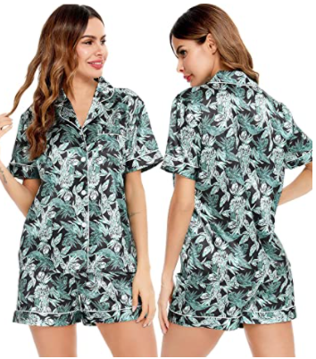 | 涤纶 | 20.39 | https://www.amazon.com/SWOMOG-Pajamas-Sleeve-Sleepwear-Nightwear/dp/B08KP3GX1C/ref=zg_bs_1044894_6?_encoding=UTF8&psc=1&refRID=EAS2RJWPB8TVWZ7FTJ49 | 0.40 | 0.18 | 3.06 | 3.11 | 0.23 | 1.02 | 3.06 | 0.61 | 20.39 | 9.30
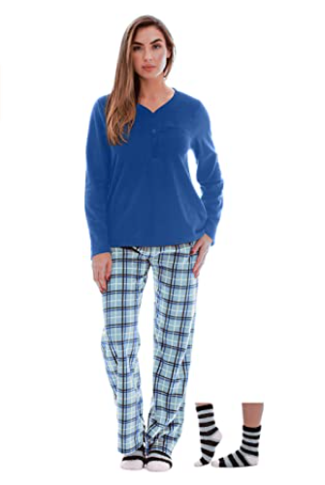 | 涤纶 | 26.99 | https://www.amazon.com/Just-Love-Henley-Pants-6732-10442-S/dp/B07W7VYSZK/ref=zg_bs_1044894_8?_encoding=UTF8&psc=1&refRID=EAS2RJWPB8TVWZ7FTJ49 | 0.88 | 0.40 | 4.05 | 5.35 | 0.51 | 1.35 | 4.05 | 0.81 | 26.99 | 10.87

