竞品利润
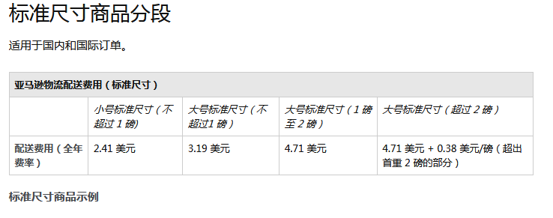
产品 |  | 基本信息 |  |  |  |  |  |  |  |  |  |  |  |  | 基本信息 | 尺寸重量 |  |  |  |  |  |  |  |  |  |  |  |  |  |  |  |  | 比率
 | 卖家 | Asin | 售价（美元） | 排名（大类） | 排名（小类） | 规格 | SKU数量 | 评分 | 总评数 | 问答数量 | 预估月销售量 | 有无A+ | 上架时间 | 链接 | Asin | 尺寸-inch |  |  | 换算成米 | 尺寸-m |  |  | CBM/PC 体积 | 重量 lbs | 换算成千克 | 亚马逊平台费15% | FBA费用 | 叁航佣金5% | 运费（海运） | 推广费10% | 退货费用3% | 售价 | FOB+利润 | Amazon fee | Fullfillment cost | DDU | Marketing | 退货费用 | 利润率
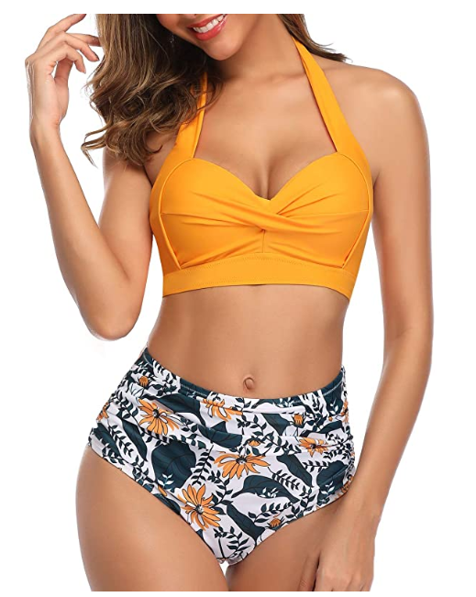 | Sold by Tempt Me and Fulfilled by Amazon. | B07ST1KQ48 | 31.99 | #31 in Women's Bikini Sets | #715 in Women's Shops |  | 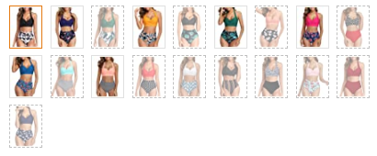 | 4.3 | 563 | 45 | 7000 | 有 | 2019.7.9 | https://www.amazon.com/dp/B07ST1KQ48?th=1&psc=1 | B07ST1KQ48 | 2.56 | 8.50 | 10.43 | 0.03 | 0.07 | 0.22 | 0.26 | 0.0037 | 0.43 | 0.20 | 4.80 | 3.81 | 1.60 | 0.22 | 3.20 | 0.96 | 31.99 | 17.40 | 15.00% | 11.91% | 0.69% | 10.00% | 3.00% | 54.40%
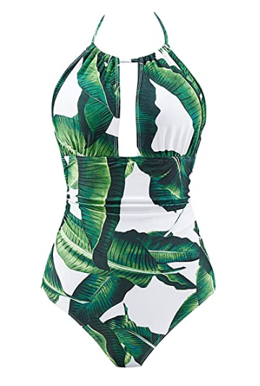 | Sold by B2PRITY and Fulfilled by Amazon. | B0859XKJRQ | 29.99 | #493 in Clothing, Shoes & Jewelry | #5 in Women's One-Piece Swimsuits |  | 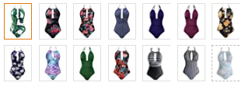 | 4.2 | 4411 | 312 | 7500 | 有 | 2017.7.26 | https://www.amazon.com/dp/B07ST1KQ48?th=1&psc=1 | B0859XKJRQ | 2.00 | 6.50 | 9.00 | 0.03 | 0.05 | 0.17 | 0.23 | 0.0019 | 0.45 | 0.20 | 4.50 | 3.81 | 1.50 | 0.23 | 3.00 | 0.90 | 29.99 | 16.05 | 15.00% | 12.70% | 0.77% | 10.00% | 3.00% | 53.53%
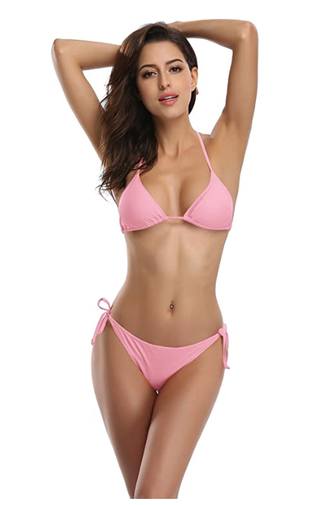 | Sold by SHEKINI and Fulfilled by Amazon. | B0815T2H4L | 26.95 | #965 in Clothing, Shoes & Jewelry | #4 in Women's Swimwear Bottoms |  | 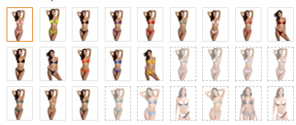 | 4.3 | 924 | 71 | 3300 | 有 | 2016.12.17 | https://www.amazon.com/SHEKINI-Womens-Bottom-Triangle-Bathing/dp/B07H8FPC9F/ref=zg_bs_5016323011_22?_encoding=UTF8&refRID=AFFN216DFPQWWT5D8Y8N&th=1&psc=1 | B0815T2H4L | 2.51 | 7.00 | 8.70 | 0.03 | 0.06 | 0.18 | 0.22 | 0.0025 | 0.25 | 0.11 | 4.04 | 3.70 | 1.35 | 0.13 | 2.70 | 0.81 | 26.95 | 14.23 | 15.00% | 13.73% | 0.47% | 10.00% | 3.00% | 52.80%
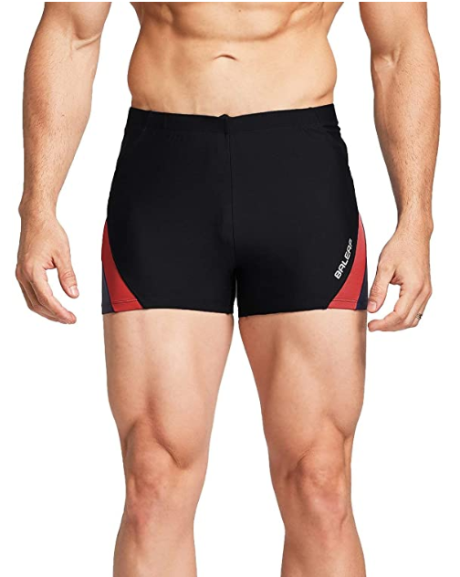 | Sold by Baleaf Sports and Fulfilled by Amazon. | B07Y23XJ5P | 19.99 | #5,740 in Sports & Outdoors | #2 in Men's Athletic Swimwear Jammers |  |  | 4.3 | 98 | 2 | 800 | 无 | 2019.7.9 | https://www.amazon.com/BALEAF-Athletic-Jammers-Training-Swimsuit/dp/B086JKNGHB/ref=zg_bs_2371137011_2?_encoding=UTF8&refRID=4AE5RHHQFGGZDCY4CEFM&th=1&psc=1 | B07Y23XJ5P | 2.19 | 7.90 | 10.10 | 0.03 | 0.06 | 0.20 | 0.26 | 0.0029 | 0.35 | 0.16 | 3.00 | 3.70 | 1.00 | 0.18 | 2.00 | 0.60 | 19.99 | 9.51 | 15.00% | 18.51% | 0.89% | 10.00% | 3.00% | 47.60%
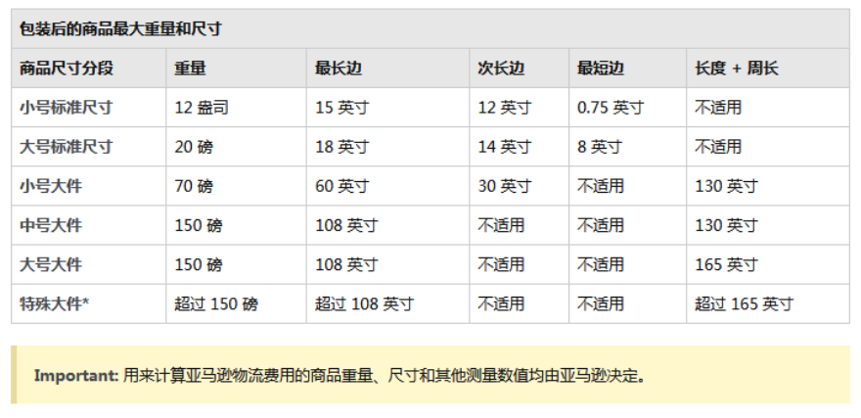
亚马逊FBA尺寸分段

费用分段

泳衣款式
