下载数据
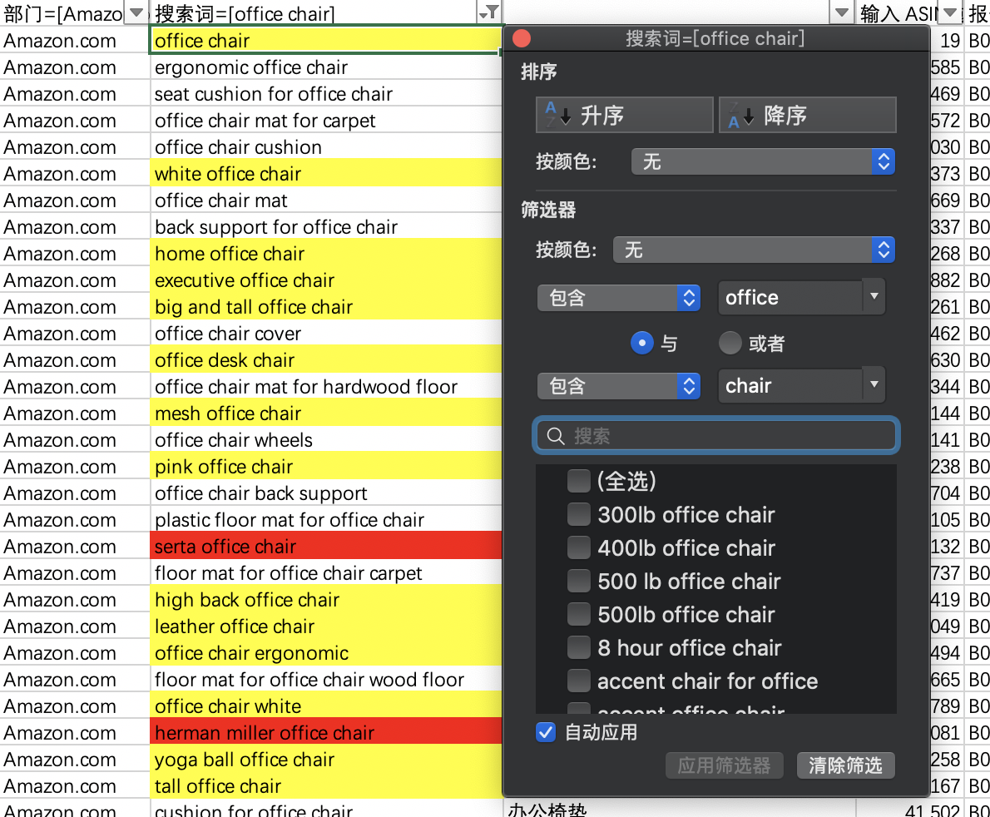
选品方法： 1:根据选品目的，在“关键词”搜索框搜索产品核心关键词； 2:根据自己需要的一些属性，在关键词列做包含筛选，可以查看相关属性的客户搜索词； 3:根据数据搜索量排名，可以估计不同产品类型的客户需求热度做选品热度参考。

