Dashboard
Keyword Rank | 6/20/22

 | power bank
2022/5/1 | 86
2022/5/2 | 84
2022/5/3 | 81
2022/5/4 | 76
2022/5/5 | 79
2022/5/6 | 71
2022/5/7 | 60
2022/5/8 | 54
2022/5/9 | 54
2022/5/10 | 50
2022/5/11 | 45
2022/5/12 | 41
2022/5/13 | 36
2022/5/14
2022/5/15
2022/5/16
2022/5/17
2022/5/18
2022/5/19
2022/5/20
2022/5/21
2022/5/22
2022/5/23
2022/5/24
2022/5/25
2022/5/26
2022/5/27
2022/5/28
2022/5/29
2022/5/30
2022/5/31
2022/6/1
2022/6/2
2022/6/3
2022/6/4
2022/6/5
2022/6/6
2022/6/7
2022/6/8
2022/6/9
2022/6/10
2022/6/11
2022/6/12
2022/6/13
2022/6/14
2022/6/15
2022/6/16
2022/6/17
2022/6/18
2022/6/19
...

操作说明
提高效率篇——如何每天只花5分钟跟踪自己产品的关键词排名
一、安装Google 插件：https://chrome.google.com/webstore/detail/amazon-kw-index-and-rank/dehlblnjjkkbapjemjbeafjhjpjoifii 首次使用需要登录账号，推荐用Google账号，后续使用不FAN墙，本人测试下来FAN墙更慢；界面如下图：
二、提前准备好需要跟踪的keyword，复制keyword和asin到插件中，点击蓝色按钮“Check Ranking”，等待爬取，一般1分钟之内可完成；
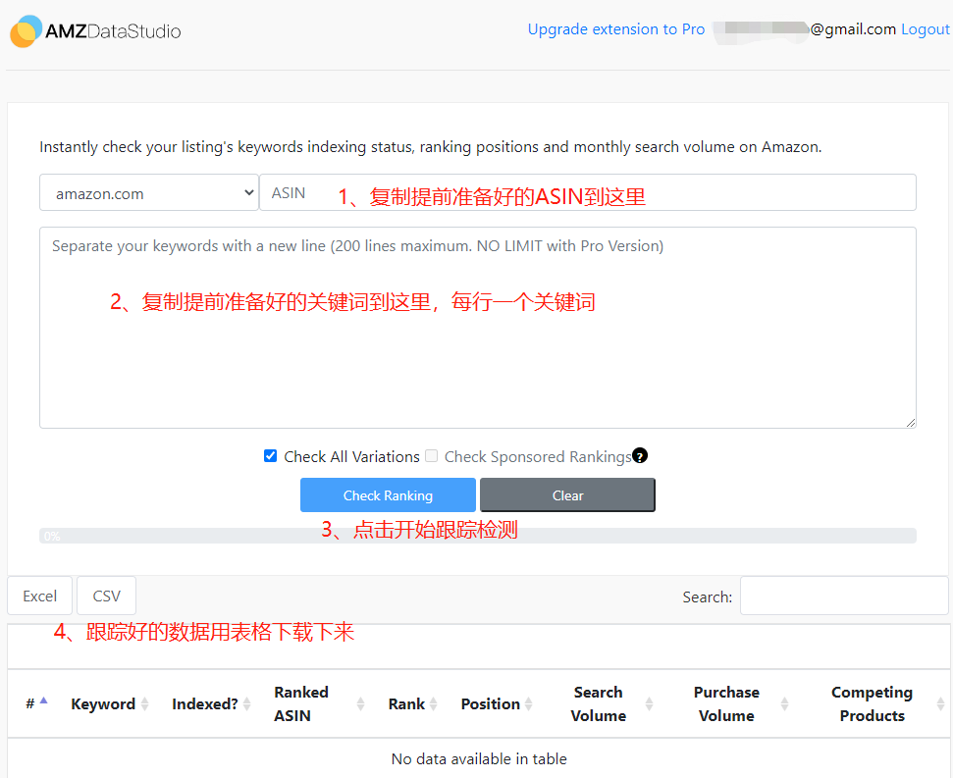

三、表格下载下来之后，打开并复制"Rank"这列的数据，粘贴到 ASIN 跟踪表中；

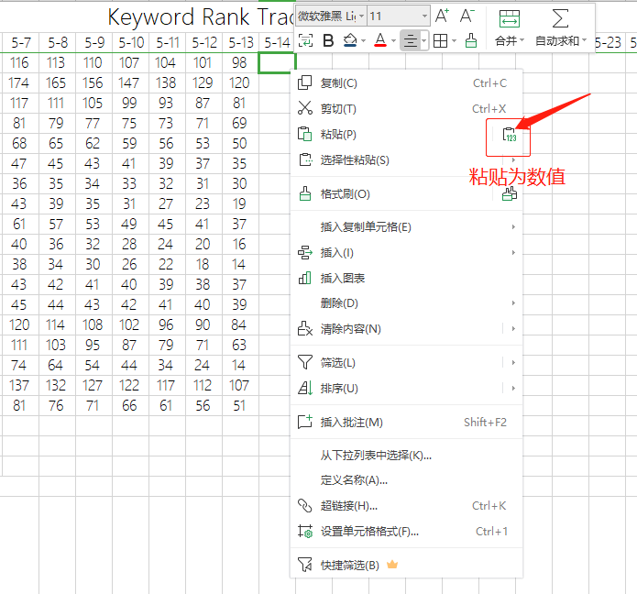

四、数据添加后，找到表导航栏“数据”——“全部刷新”，这样透视表及曲线图就会全部更新了；
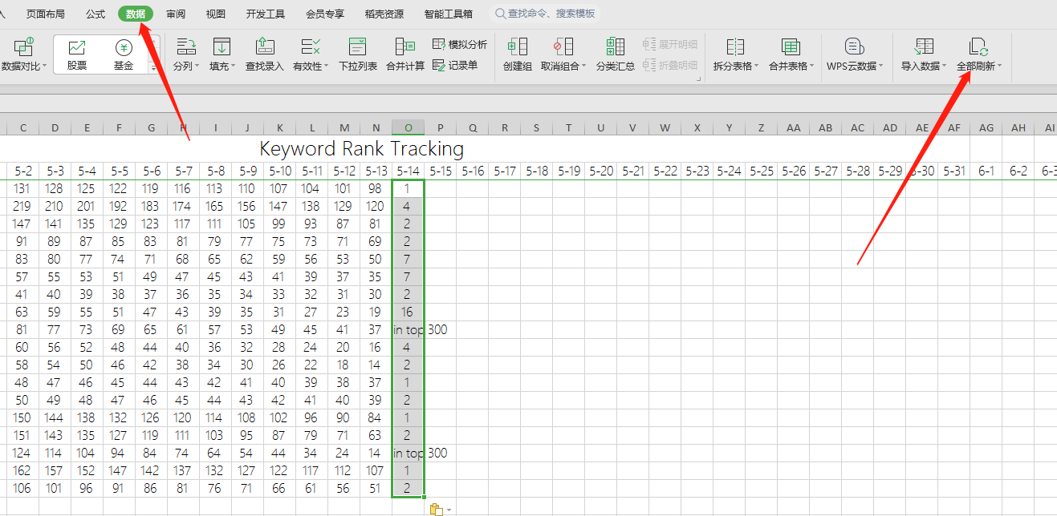

五、表格中出现“Not in top 300”，说明关键词排位在6页（按照每页48个自然位）之后了，跟踪不到实时排名，数据会以0结果取代； 按照以上方法，可以跟踪多个ASIN，用切片器查看不同数据源结果，从此每天上班早上利用5分钟跟踪产品关键词排名不是梦；

